Create a new database
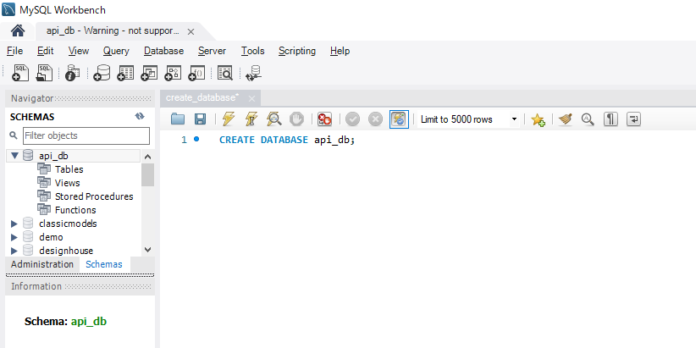
構成
 | rest-api-php
 |  | 1.api-basics
 |  | 2.http-basics
 |  | 3.rest-and-restful-apis
 |  |  | 1.access-a-restful-api
 |  |  |  | gists.php
 |  |  |  | index.php
 |  |  | 2.guzzlehttp
 |  |  | 3.use-an-sdk
 |  |  | 4.create-a-restful-api
 |  |  |  | api
 |  |  |  |  | .htaccess
 |  |  |  |  | index.php
 |  |  |  | src
 |  |  |  |  | ErrorHandler.php
 |  |  |  |  | TaskController.php
 |  |  |  | vendor
 |  |  |  | composer.json
 |  |  |  | create_database.sql

