Access a RESTful API
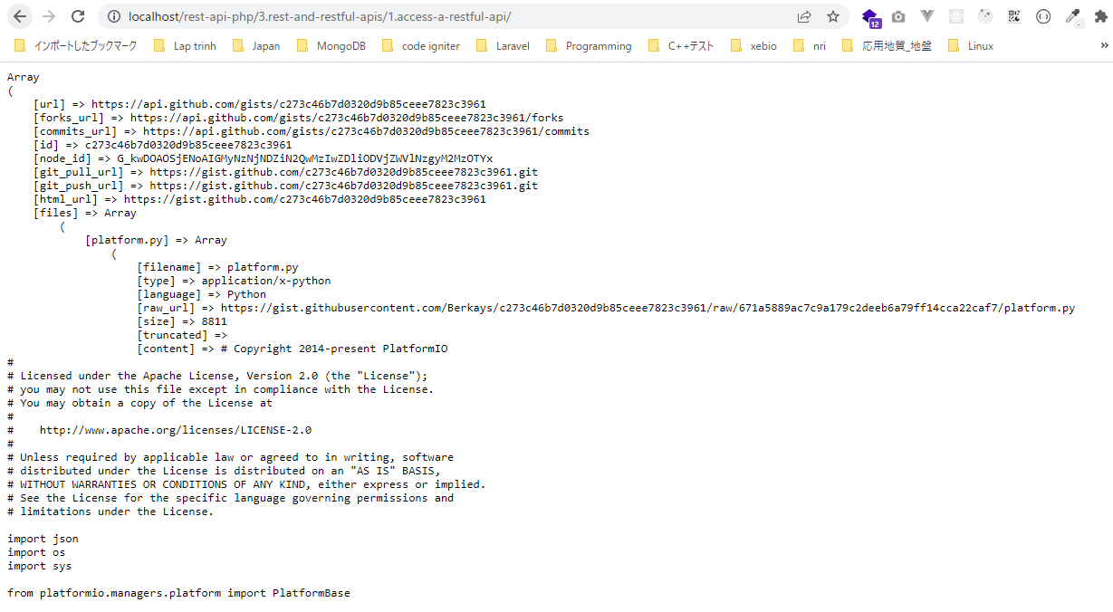
 | Access a RESTful API in PHP with cURL

構成
 | rest-api-php
 |  | 1.api-basics
 |  |  | 1.make-an-api-call
 |  |  | 2.decode-api-results
 |  |  | 3.use-api-data-in-a-web-application
 |  | 2.http-basics
 |  |  | 1.Use-cURL-instead-of-file_get_contents-to-make-an-API-request
 |  |  | 2.get-the-http-status-code
 |  |  | 3.response-headers
 |  |  | 4.response-headers
 |  |  | 5.get-all-individual-response-headers-in-an-array
 |  |  | 6.use-an-api-that-requires-a-specific-request-header
 |  |  | 7.request-method
 |  |  | 8.request-body
 |  | 3.rest-and-restful-apis |  |  | → | new
 |  |  | 1.access-a-restful-api |  | → | new
 |  |  |  | gists.php | → | code
 |  |  |  | index.php | → | code

rest-api-php\3.rest-and-restful-apis\1.access-a-restful-api\gists.php
 | <?php

 | $ch = curl_init();

 | curl_setopt_array($ch, [
 | CURLOPT_URL => "https://api.github.com/gists",
 | CURLOPT_RETURNTRANSFER => true,
 | CURLOPT_USERAGENT => "vudinhquang"
 | ]);

 | $response = curl_exec($ch);

 | curl_close($ch);

 | $data = json_decode($response, true);

 | foreach ($data as $gist) {

 | echo $gist["id"], " - ", $gist["description"], "</br>";
 | }

rest-api-php\3.rest-and-restful-apis\1.access-a-restful-api\index.php
 | <?php

 | $ch = curl_init();

 | curl_setopt_array($ch, [
 | CURLOPT_URL => "https://api.github.com/gists/c273c46b7d0320d9b85ceee7823XXXXX",
 | CURLOPT_RETURNTRANSFER => true,
 | CURLOPT_USERAGENT => "vudinhquang"
 | ]);

 | $response = curl_exec($ch);

 | curl_close($ch);

 | $data = json_decode($response, true);

 | echo "<pre>";
 | print_r($data);
 | echo "</pre>";

Check browser
 | List gists
 |  | List gists for the authenticated user(doc)
 |  | https://docs.github.com/en/rest/gists/gists#update-a-gist
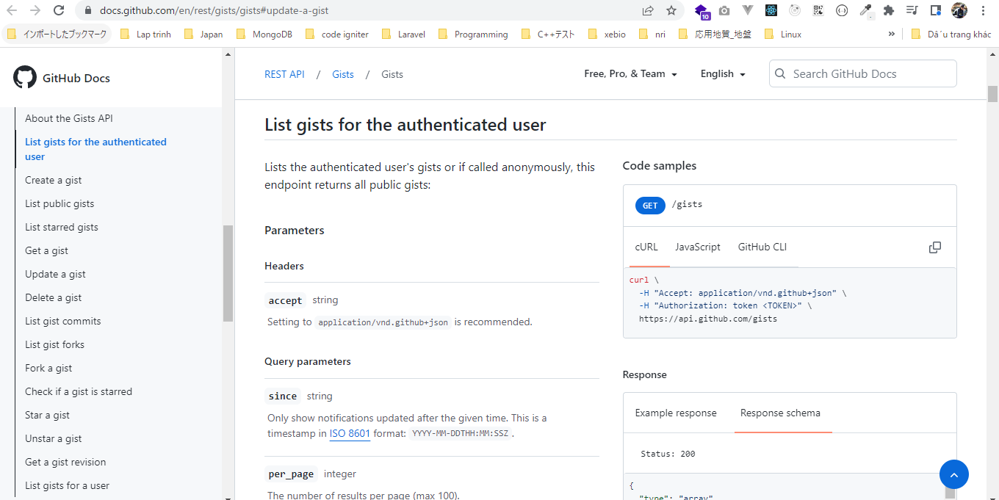

 |  | Call api
 |  | http://localhost/rest-api-php/3.rest-and-restful-apis/1.access-a-restful-api/gists.php
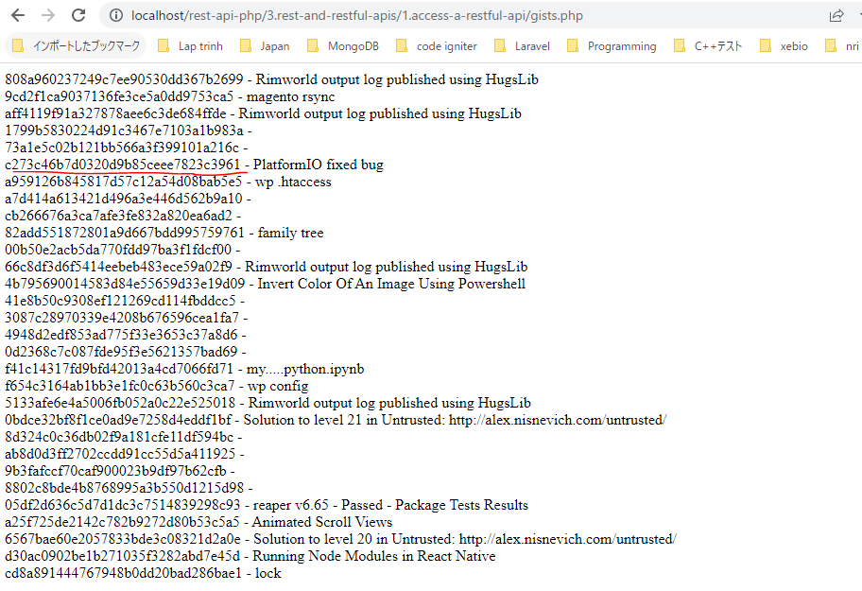

 | Get a gist
 |  | Doc: https://docs.github.com/en/rest/gists/gists#get-a-gist
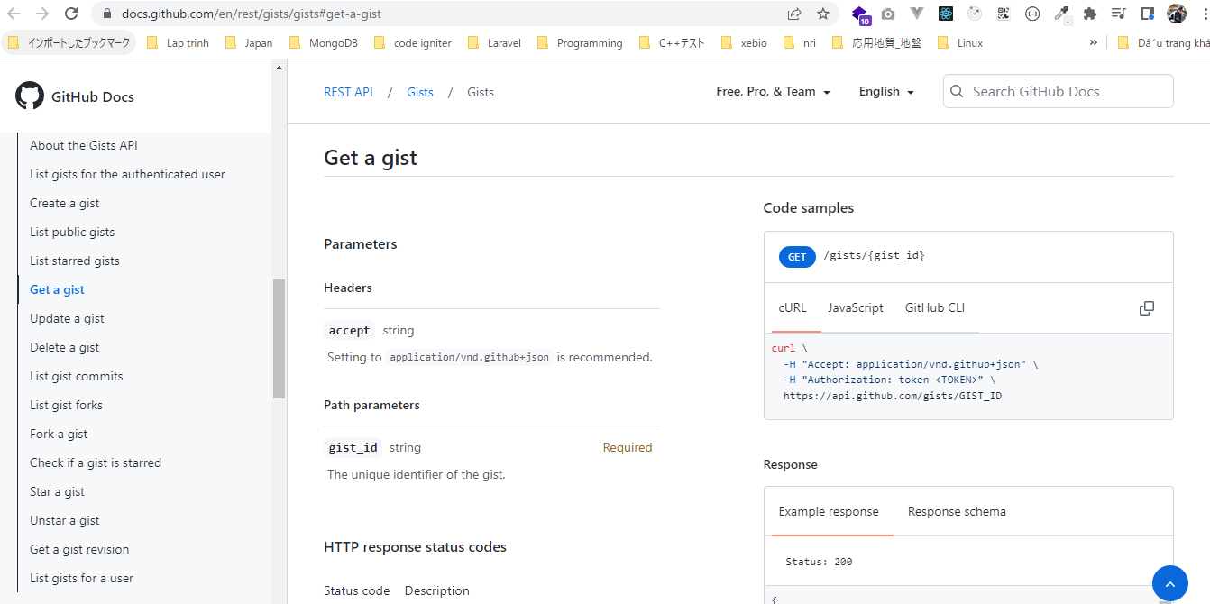

 |  | Call api
 |  | http://localhost/rest-api-php/3.rest-and-restful-apis/1.access-a-restful-api/

Use the Guzzle HTTP client
 | Guzzle HTTP giúp code dễ đọc hơn dùng cURL hay file_get_contents
 | Guzzle HTTP code theo OOP
 | Use the Guzzle HTTP client for object-oriented API code

github api

 | Personal access tokens
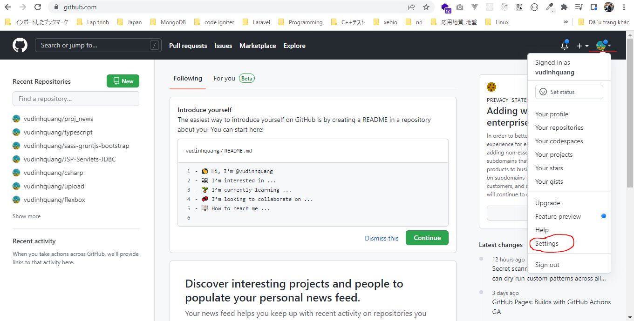

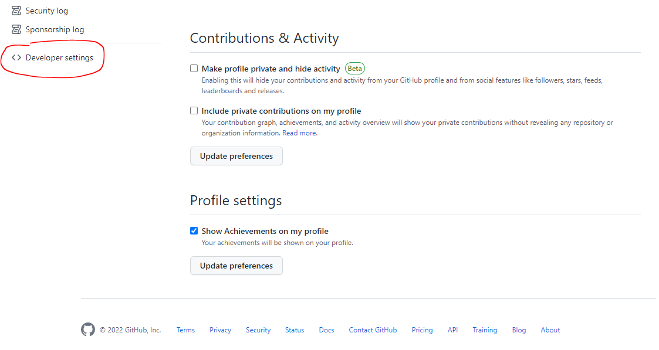

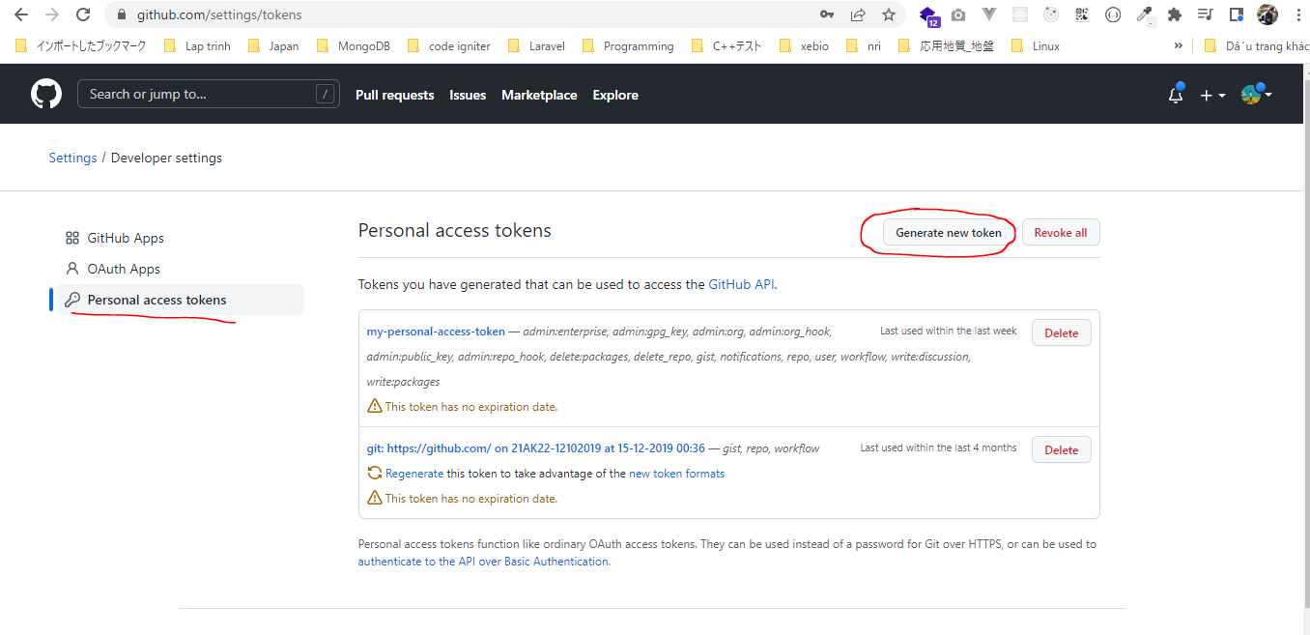

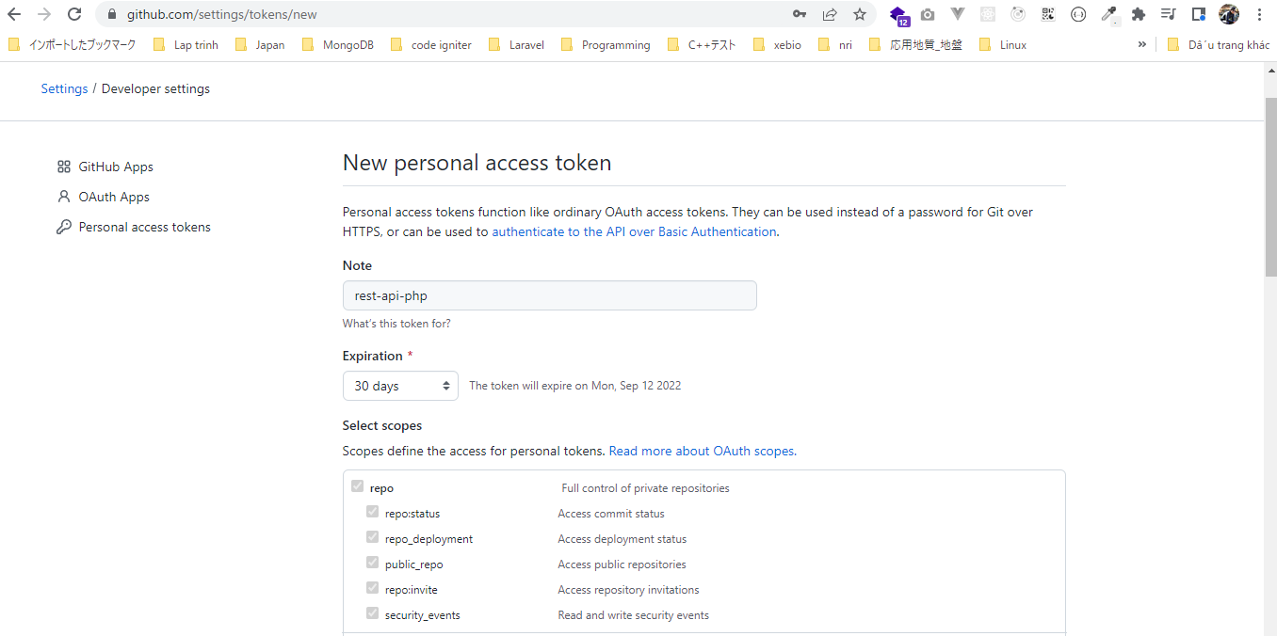

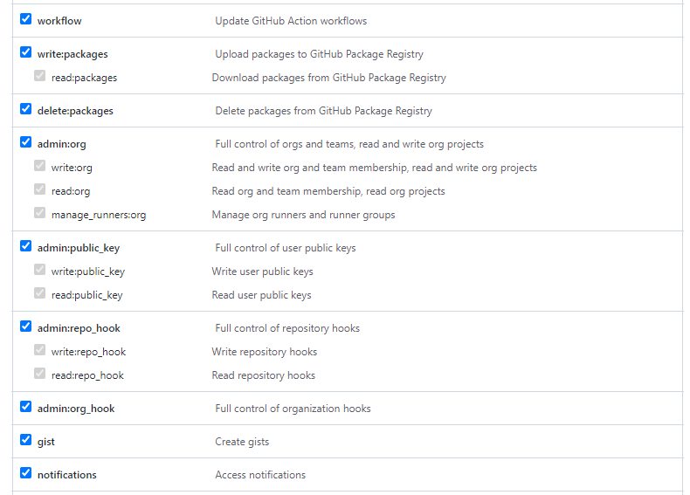

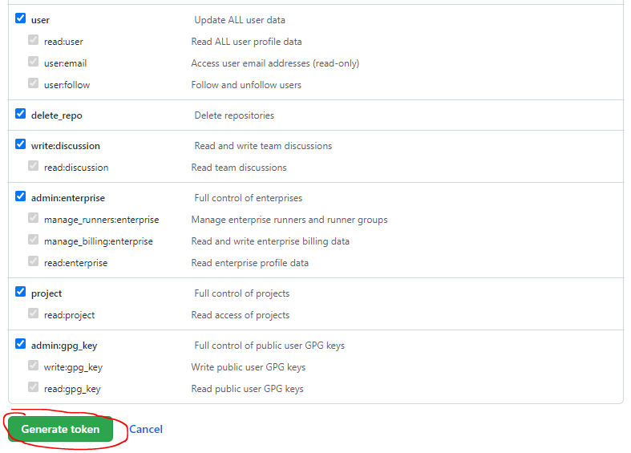

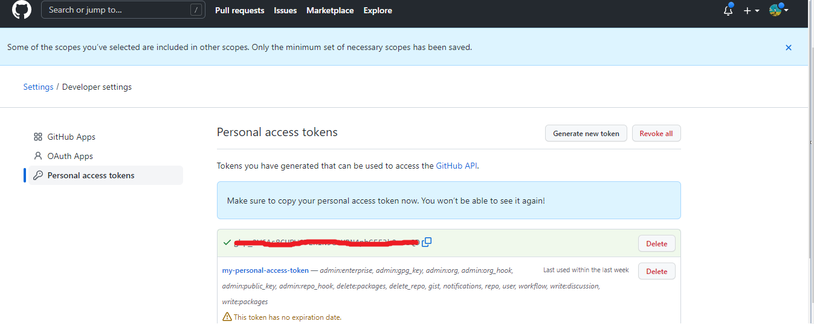

Guzzle Documentation
 | https://docs.guzzlephp.org/en/stable/
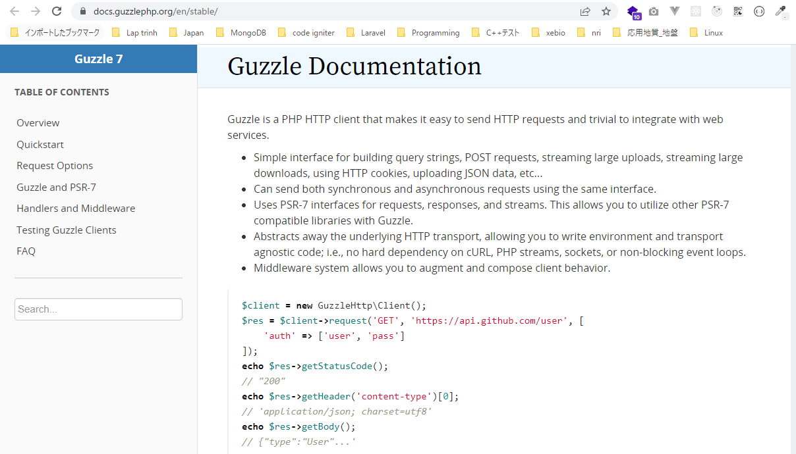

install package bằng composer
 | composer require guzzlehttp/guzzle
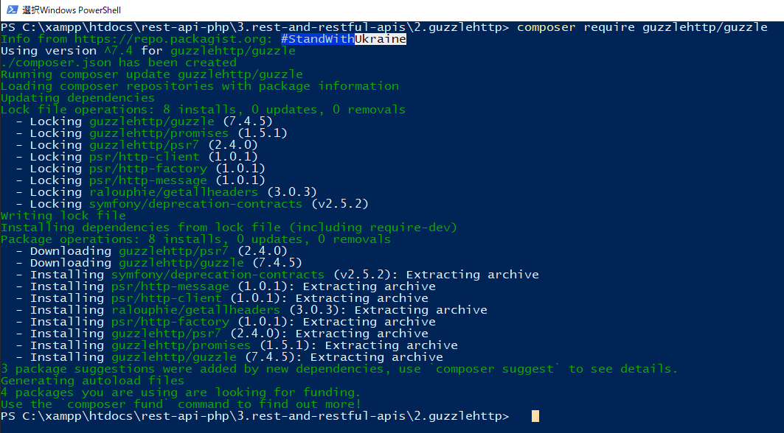

構成
 | rest-api-php
 |  | 1.api-basics
 |  | 2.http-basics
 |  | 3.rest-and-restful-apis
 |  |  | 1.access-a-restful-api
 |  |  |  | gists.php
 |  |  |  | index.php
 |  |  | 2.guzzlehttp |  | → | new
 |  |  |  | vendor | → | sau khi install package
 |  |  |  | composer.json | → | sau khi install package
 |  |  |  | composer.lock | → | sau khi install package
 |  |  |  | index.php | → | code

rest-api-php\3.rest-and-restful-apis\2.guzzlehttp\index.php
 | <?php

 | require __DIR__ . "/vendor/autoload.php";

 | $client = new GuzzleHttp\Client;

 | $response = $client->request("GET", "https://api.github.com/user/repos", [
 | "headers" => [
 | "Authorization" => "token XXXXX",
 | "User-Agent" => "vudinhquang"
 | ]
 | ]);

 | echo $response->getStatusCode(), "</br>";

 | echo $response->getHeader("content-type")[0], "</br>";

 | echo substr($response->getBody(), 0, 200), "...</br>";

Check browser
 | http://localhost/rest-api-php/3.rest-and-restful-apis/2.guzzlehttp/

Use an SDK
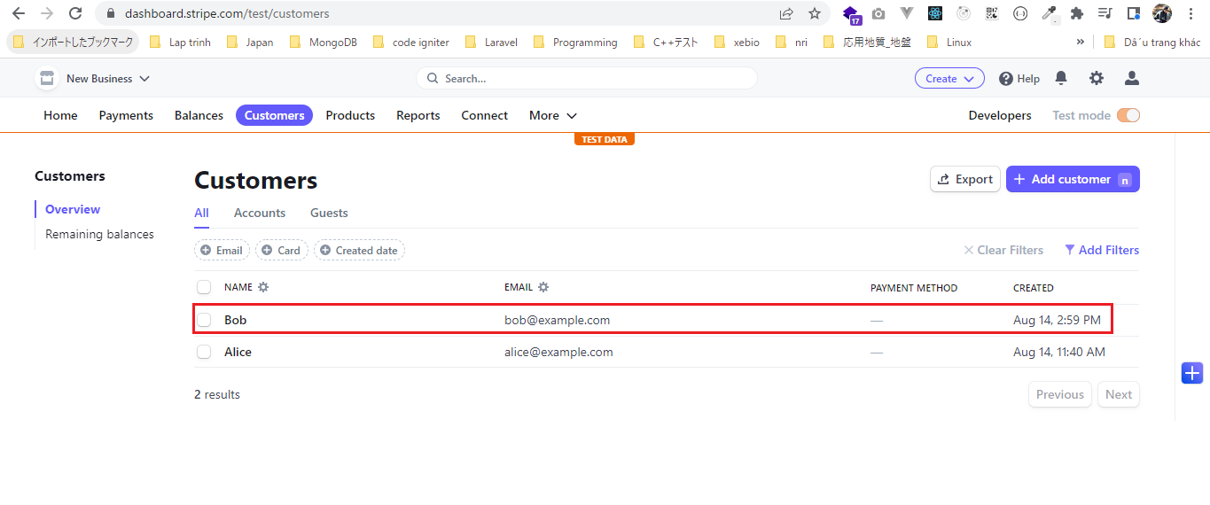
 | Ngoài dùng file_get_contents, cURL và Guzzle ra thì còn có thể dùng SDK để gọi api
 | Việc sử dụng SDK giúp code trở lên ngắn gọn, dễ đọc và đơn giản hơn

stripe
 | https://dashboard.stripe.com/
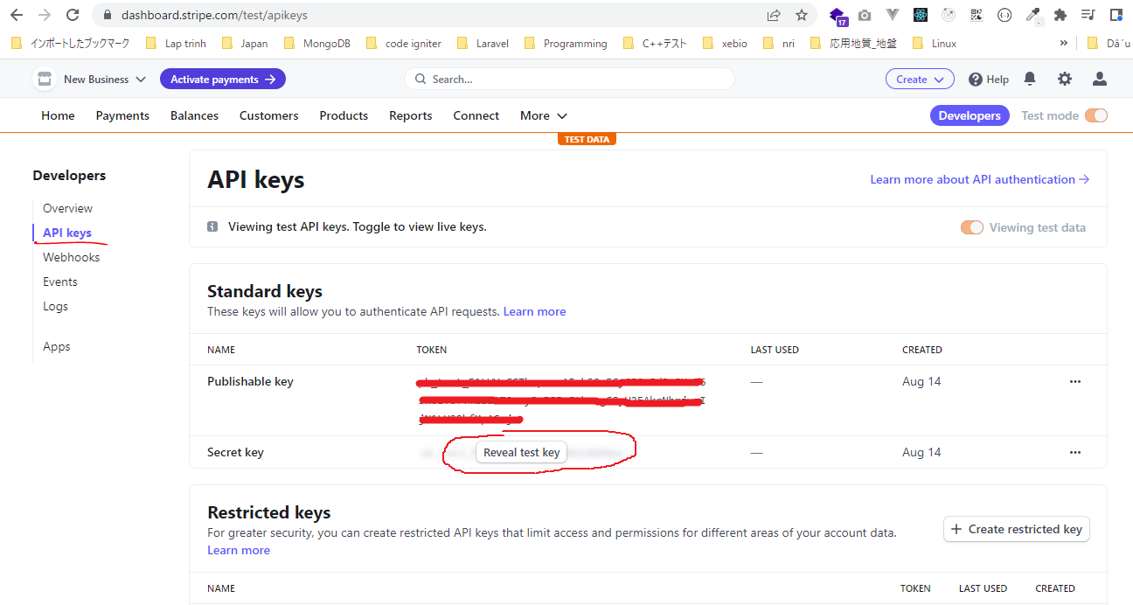

 | Chưa có Customer nào được tạo

 | Developer tools
 | https://stripe.com/docs/libraries#server-side-libraries
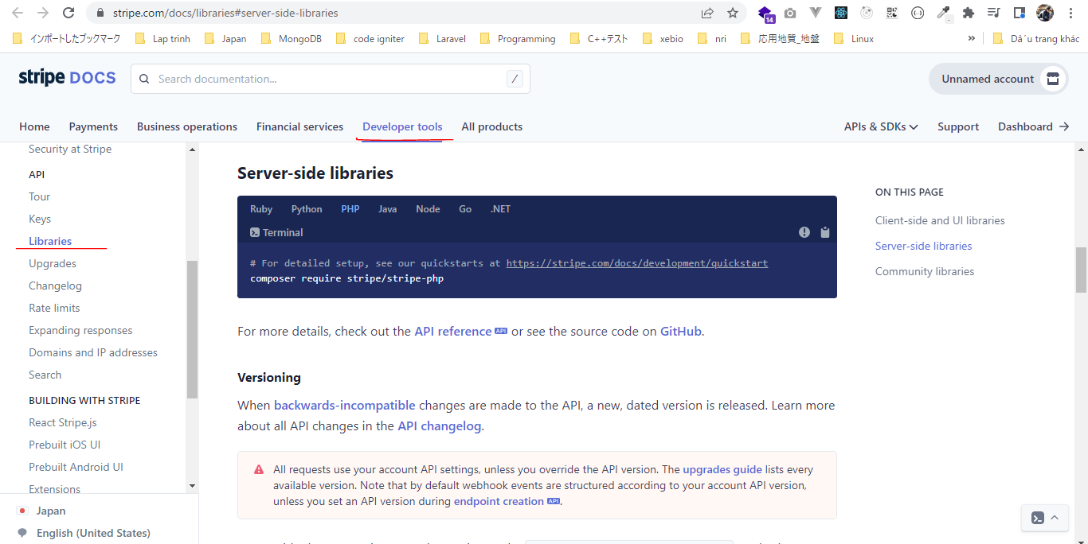

 | customers
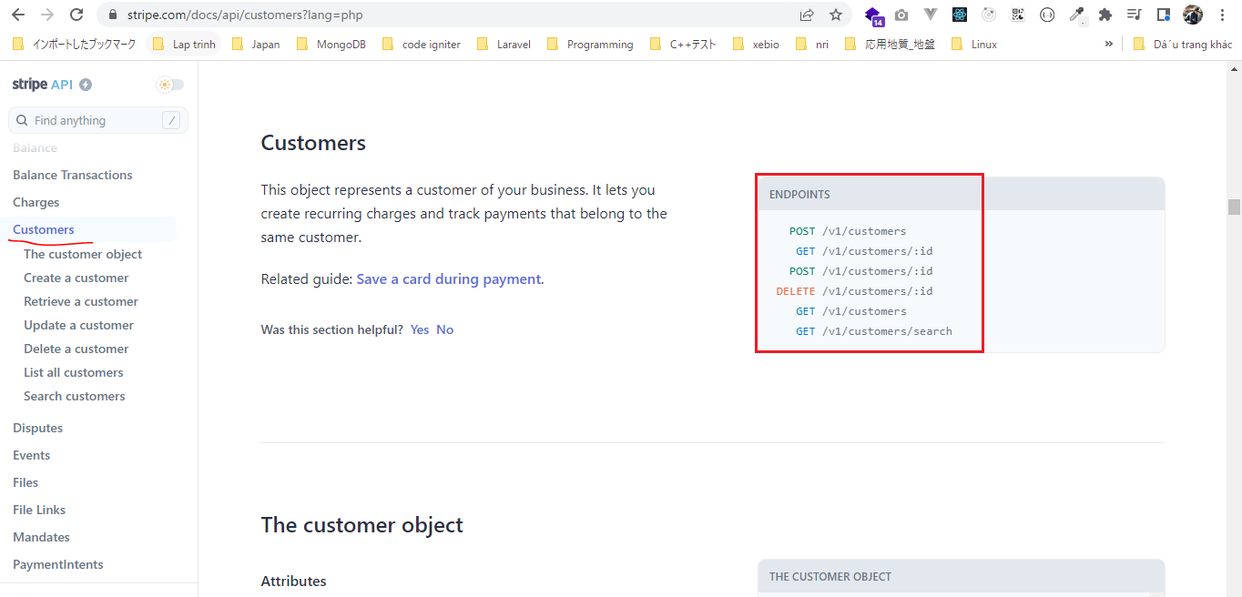

http_build_query
 | https://www.php.net/manual/en/function.http-build-query.php
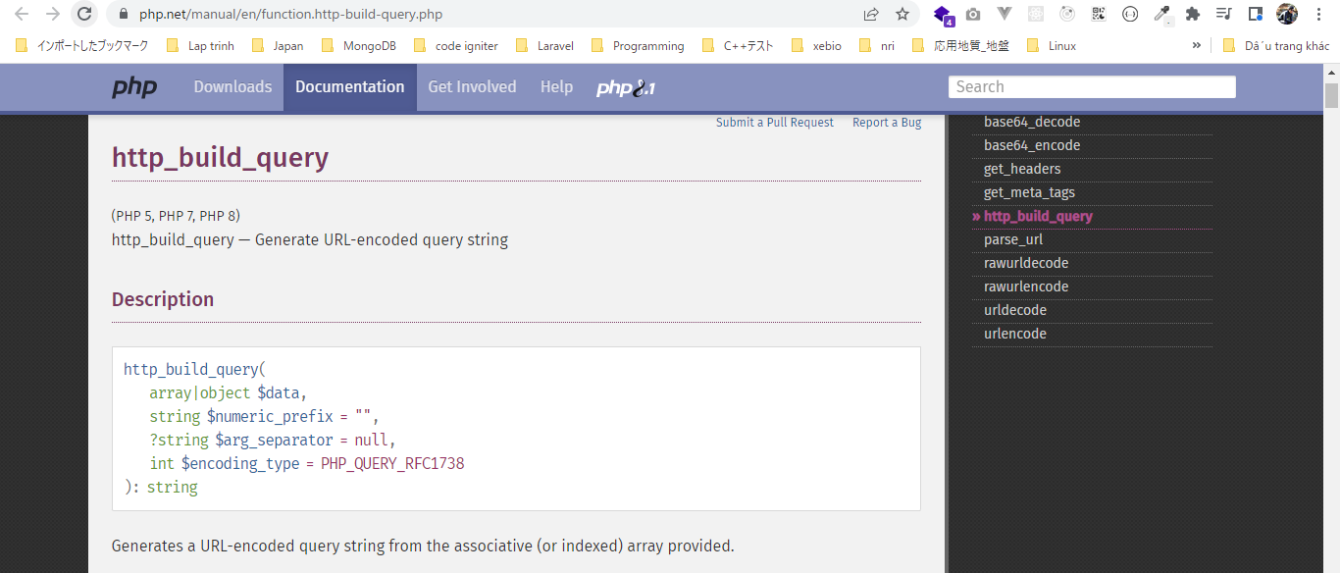

install package bằng composer
 | composer require stripe/stripe-php

構成(curl)
 | rest-api-php
 |  | 1.api-basics
 |  | 2.http-basics
 |  | 3.rest-and-restful-apis
 |  |  | 1.access-a-restful-api
 |  |  |  | gists.php
 |  |  |  | index.php
 |  |  | 2.guzzlehttp
 |  |  | 3.use-an-sdk |  | → | new
 |  |  |  | vendor | → | sau khi install package
 |  |  |  | composer.json | → | sau khi install package
 |  |  |  | composer.lock | → | sau khi install package
 |  |  |  | curl.php | → | code
 |  |  |  | index.php | → | code

rest-api-php\3.rest-and-restful-apis\3.use-an-sdk\curl.php
 | <?php

 | $api_key = "XXXXX";

 | $data = [
 | "name" => "Alice",
 | "email" => "alice@example.com"
 | ];

 | $ch = curl_init();

 | curl_setopt_array($ch, [
 | CURLOPT_URL => 'https://api.stripe.com/v1/customers',
 | CURLOPT_RETURNTRANSFER => true,
 | CURLOPT_USERPWD => $api_key,
 | CURLOPT_POSTFIELDS => http_build_query($data)
 | ]);

 | $response = curl_exec($ch);

 | curl_close($ch);

 | echo $response;

Check browser
 | Call api(curl)
 | http://localhost/rest-api-php/3.rest-and-restful-apis/3.use-an-sdk/curl.php

 | Customer is created
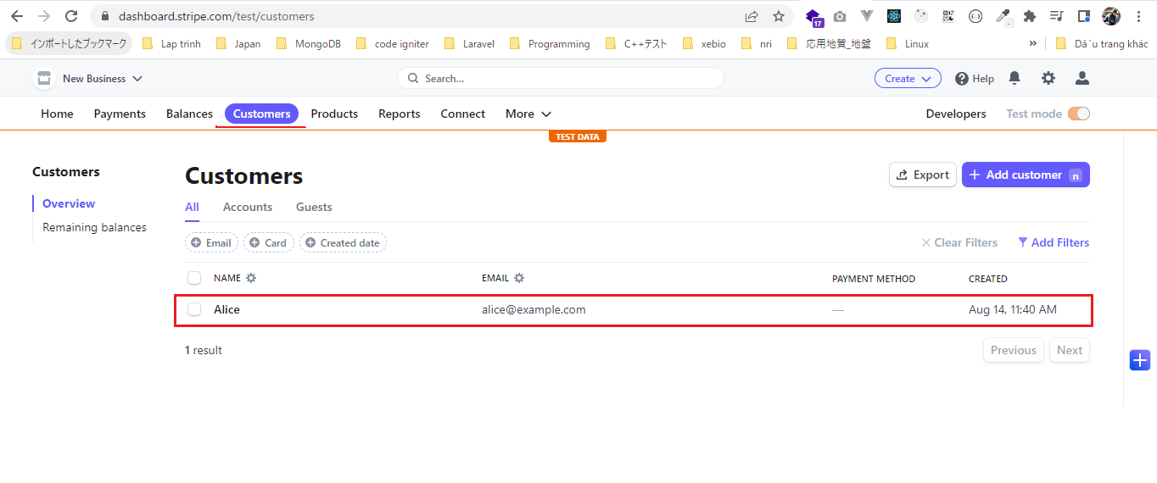

rest-api-php\3.rest-and-restful-apis\3.use-an-sdk\index.php
 | <?php

 | $api_key = "XXXXX";

 | $data = [
 | "name" => "Bob",
 | "email" => "bob@example.com"
 | ];

 | require __DIR__ . "/vendor/autoload.php";

 | $stripe = new \Stripe\StripeClient($api_key);

 | $customer = $stripe->customers->create($data);

 | echo $customer;

Check browser
 | Call api(curl)
 | http://localhost/rest-api-php/3.rest-and-restful-apis/3.use-an-sdk/curl.php

 | Customer is created

