Account
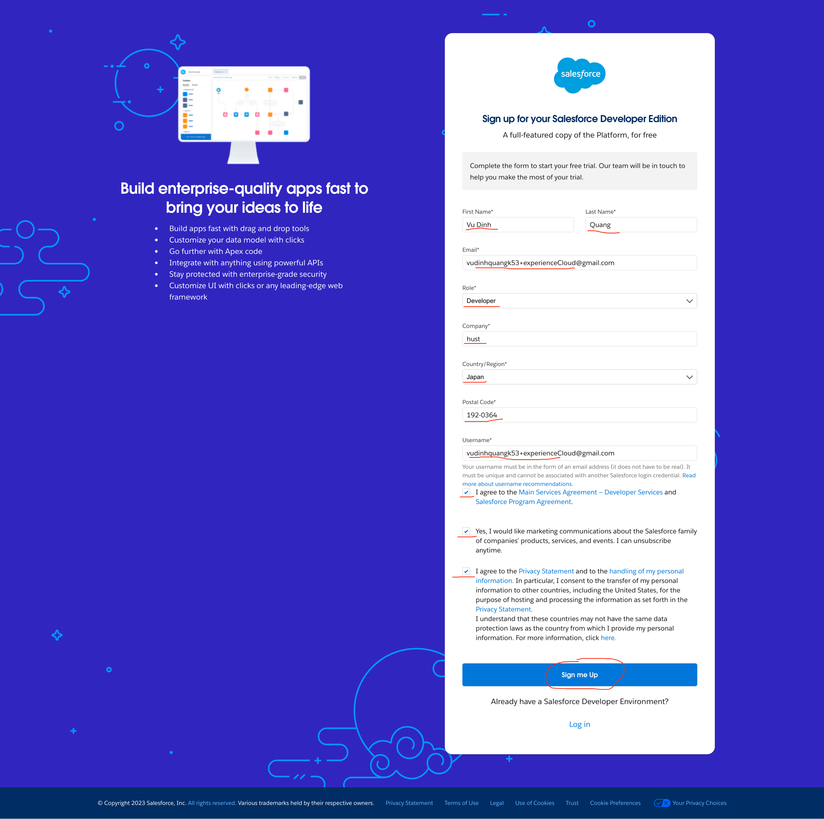
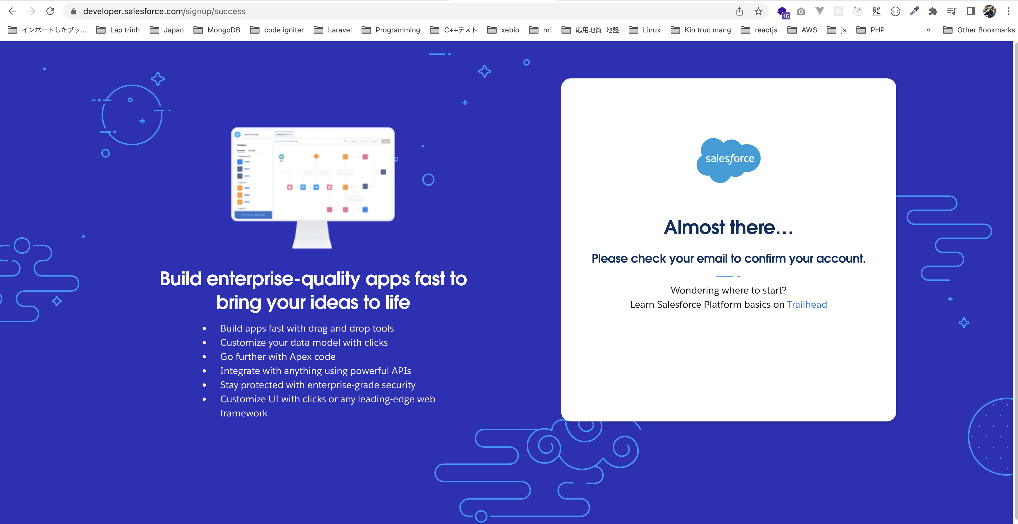
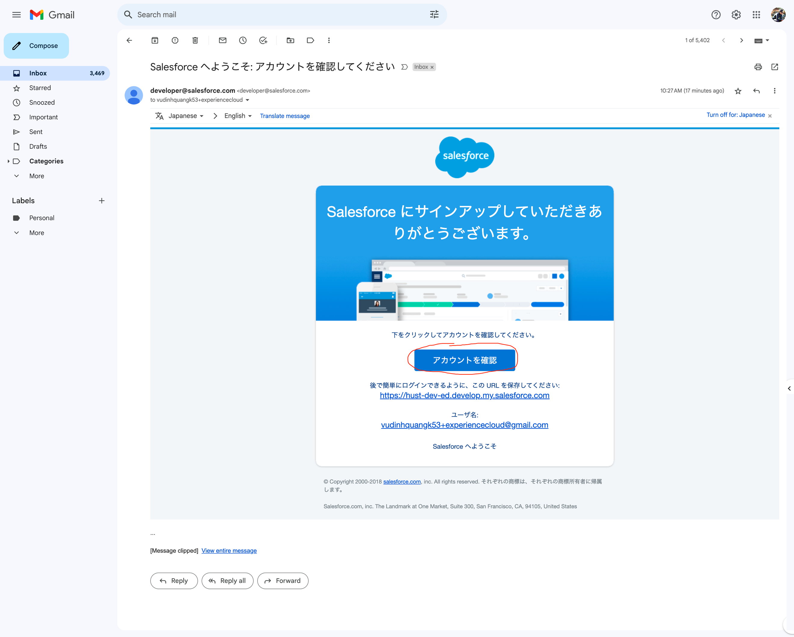
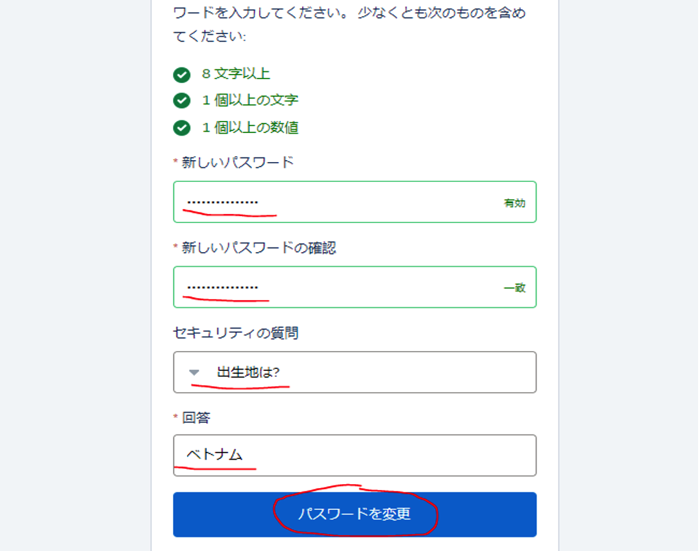
 |  | Community |  | Salesforce Stack Exchange
Email | vudinhquangk53+experienceCloud@gmail.com | Email | vudinhquangk53@gmail.com | vudinhquangk53+experiencecloud@gmail.com
→ | vudinhquangk53+experiencecloud@gmail.com |  |  | Vudinhquang2202
Username | vudinhquangk53+experienceCloud@gmail.com | Username | vudinhquangk53@gmail.com
→ | vudinhquangk53+experiencecloud@gmail.com
pwd | Vudinhquang2202 | pwd | 12345678q
url | https://hust-dev-ed.develop.lightning.force.com/ | url | hust-dev-ed.develop.my.site.com/s

