Account
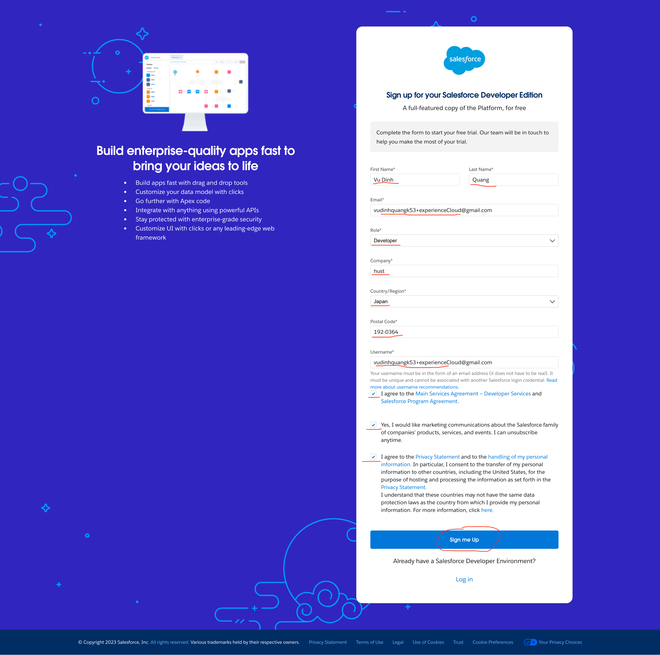
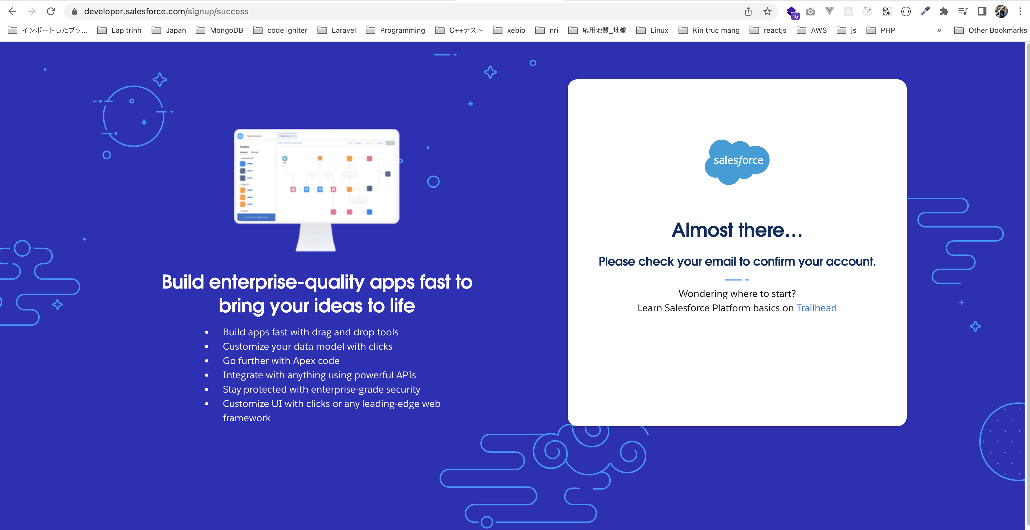
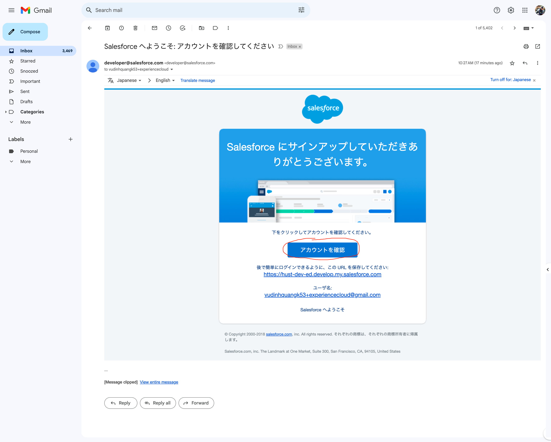
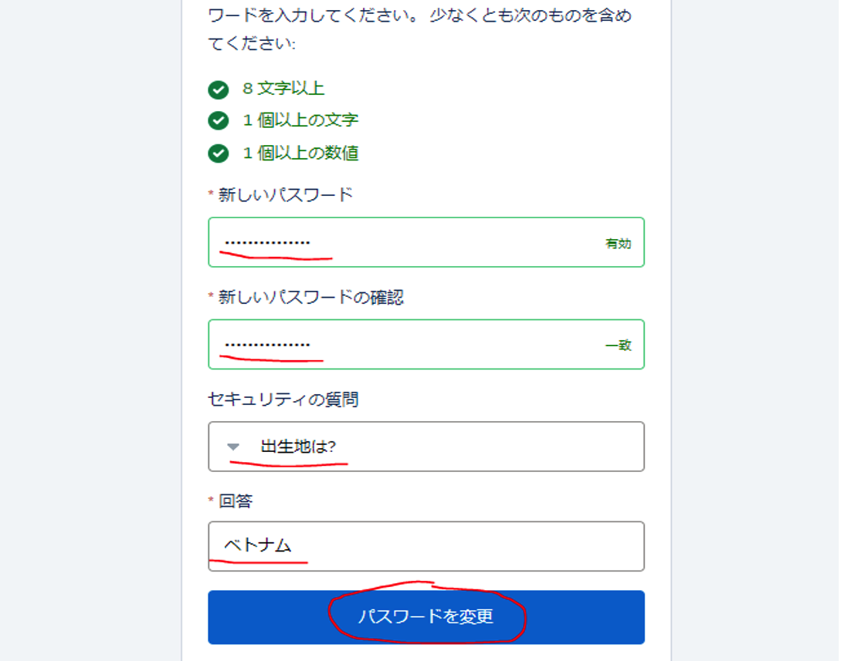
Email | vudinhquangk53+experienceCloud@gmail.com
Username | vudinhquangk53+experienceCloud@gmail.com
pwd | Vudinhquang2202
url | https://hust-dev-ed.develop.lightning.force.com/

