CommunityTopicsNavigationTopics
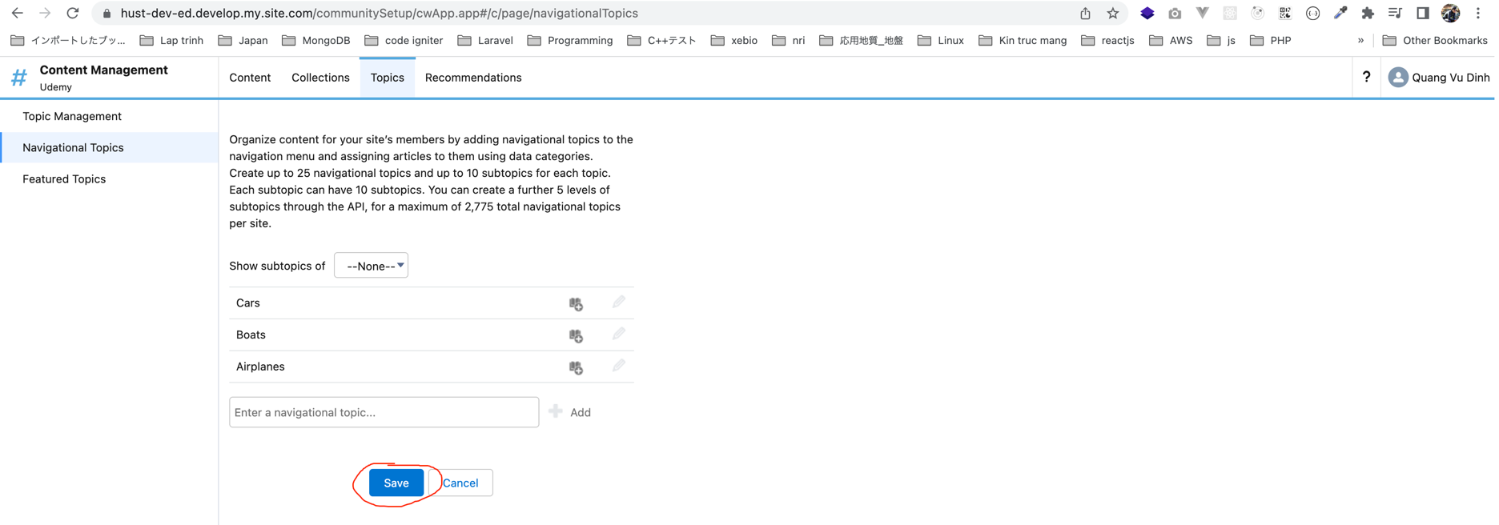
Community Topics and Navigational Topics

In this part, we're going to talk about navigational topics, they help we organize content for our community members by adding ways to navigate to those topics through the community navigation menu and assigning articles to them based on
data categories. And this is something that we need to make a mental note of Data Categories. They're going to tie into how our knowledge and how our knowledge articles are grouped together.

Create topics

 | Topic Management
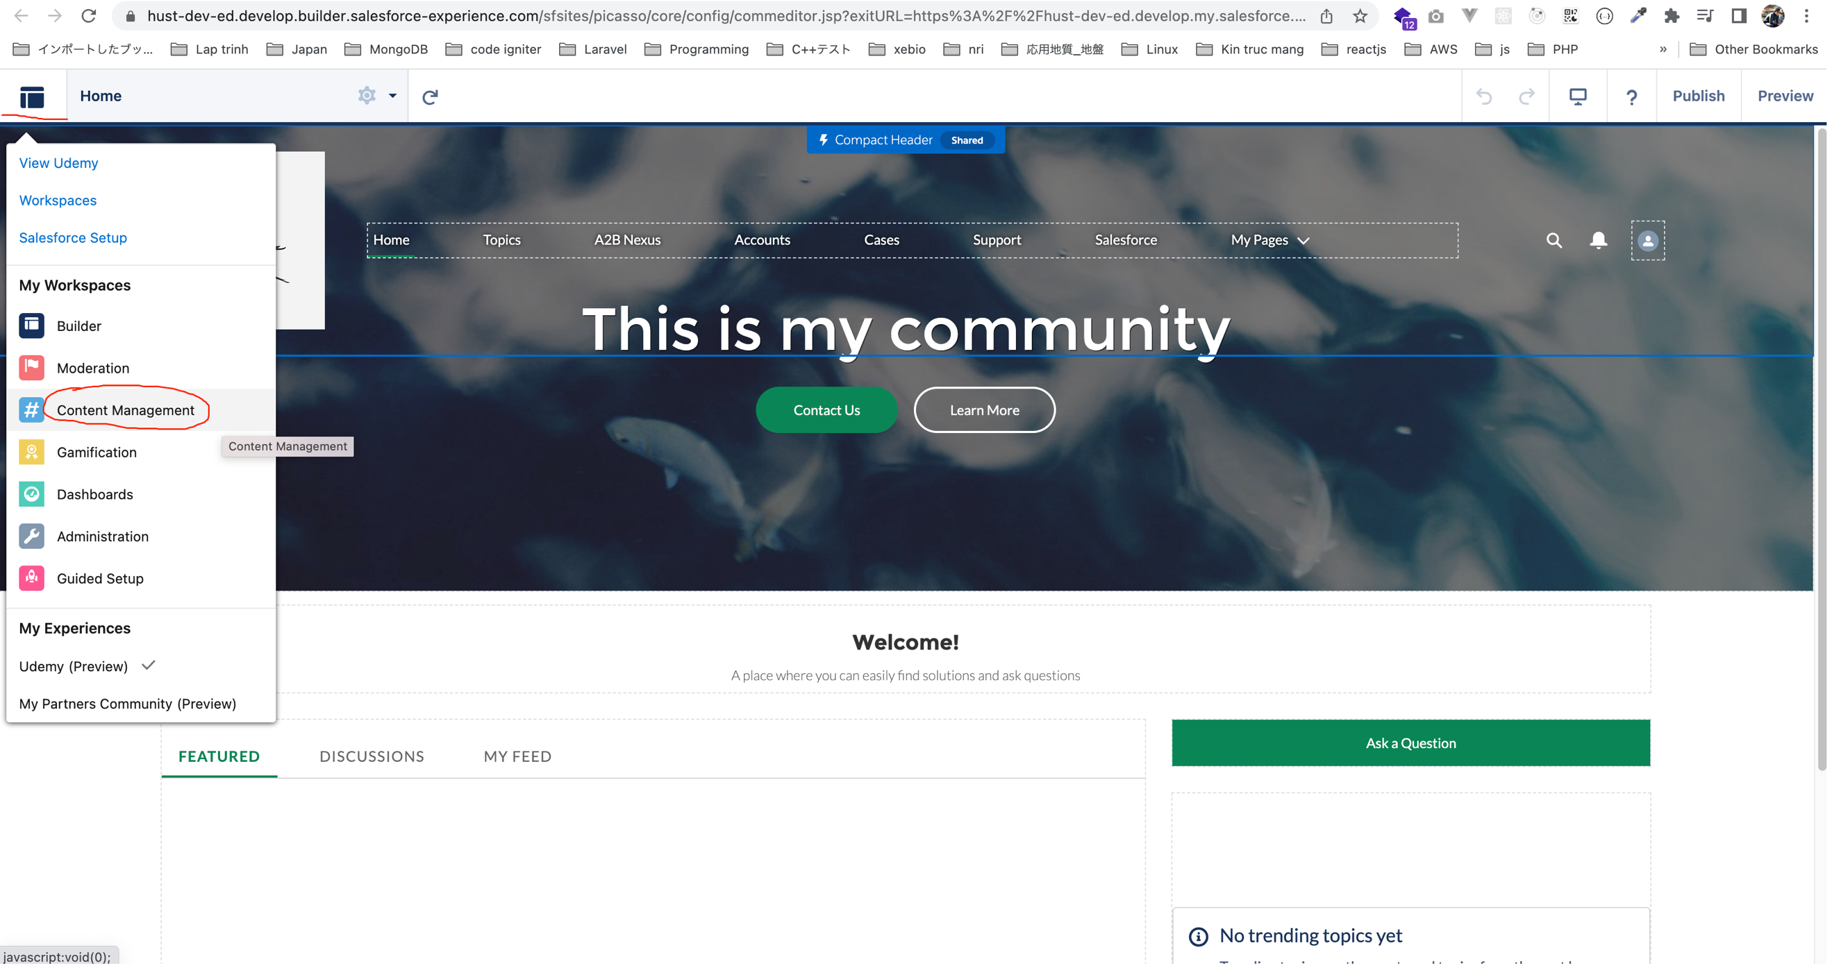

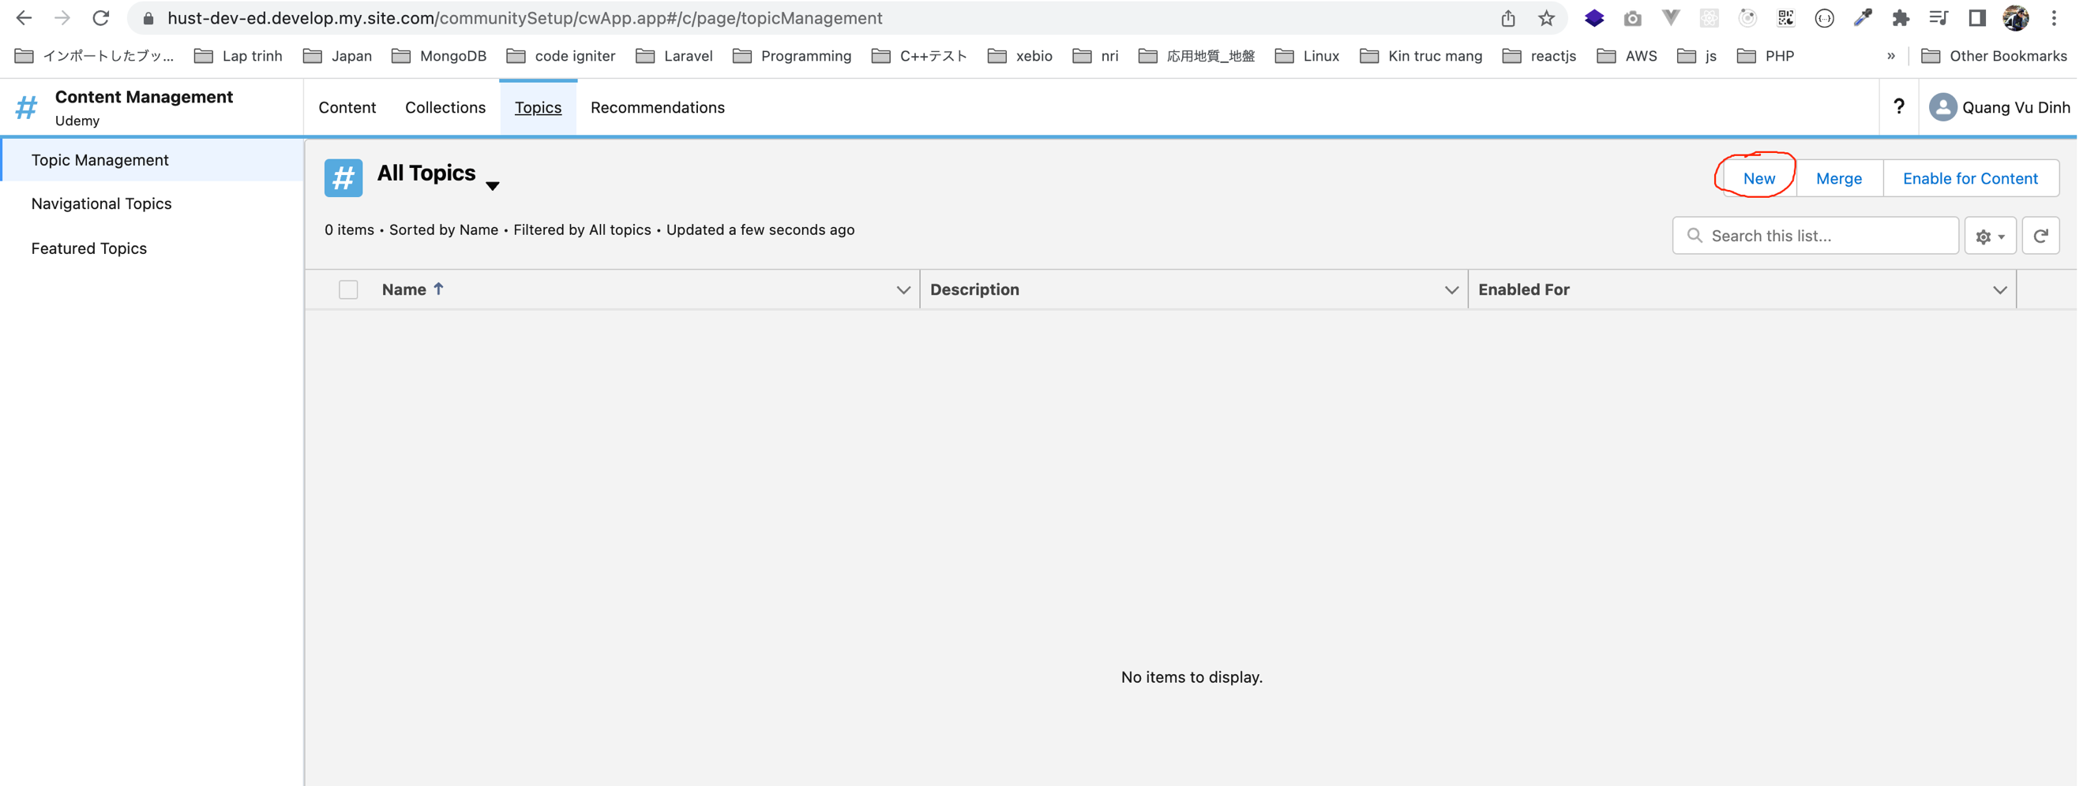

 |  | Cars | Boats
 |  | All about cars | All about boats
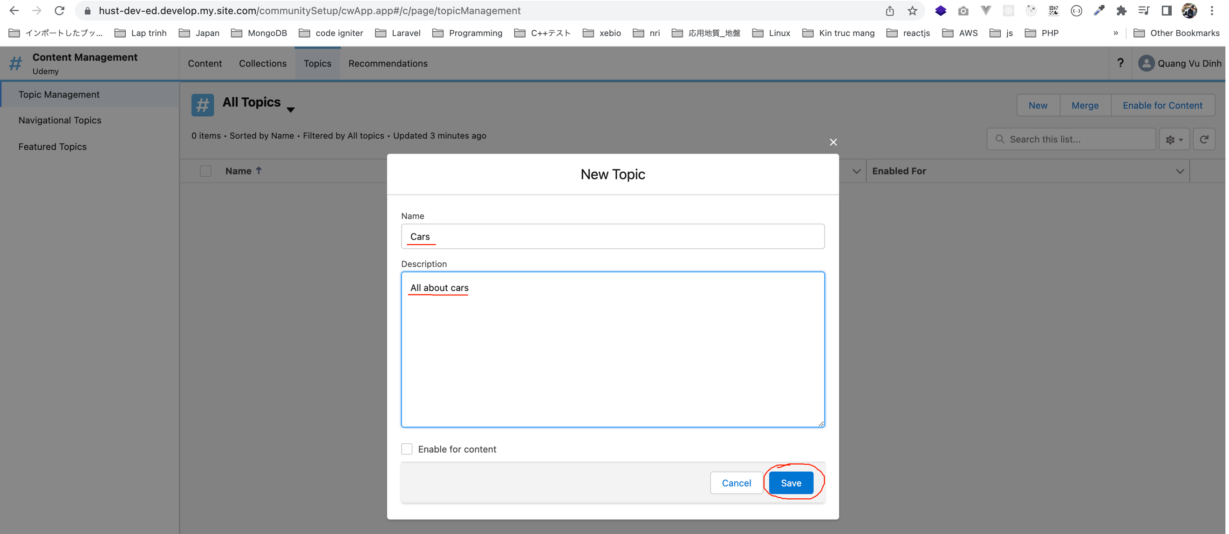

 | Navigational Topics
 |  | Cars
 |  | Boats
 |  | Airplanes

