DashboardMappingEngagementRepor
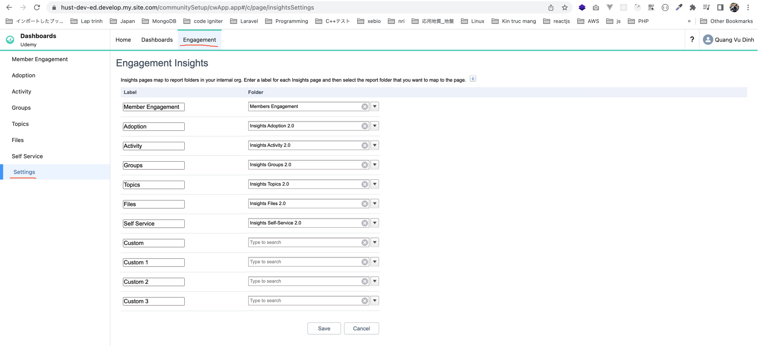
Dashboard Mapping and Engagement Reports

 | Settings
 | this is where we go to map the dashboards.
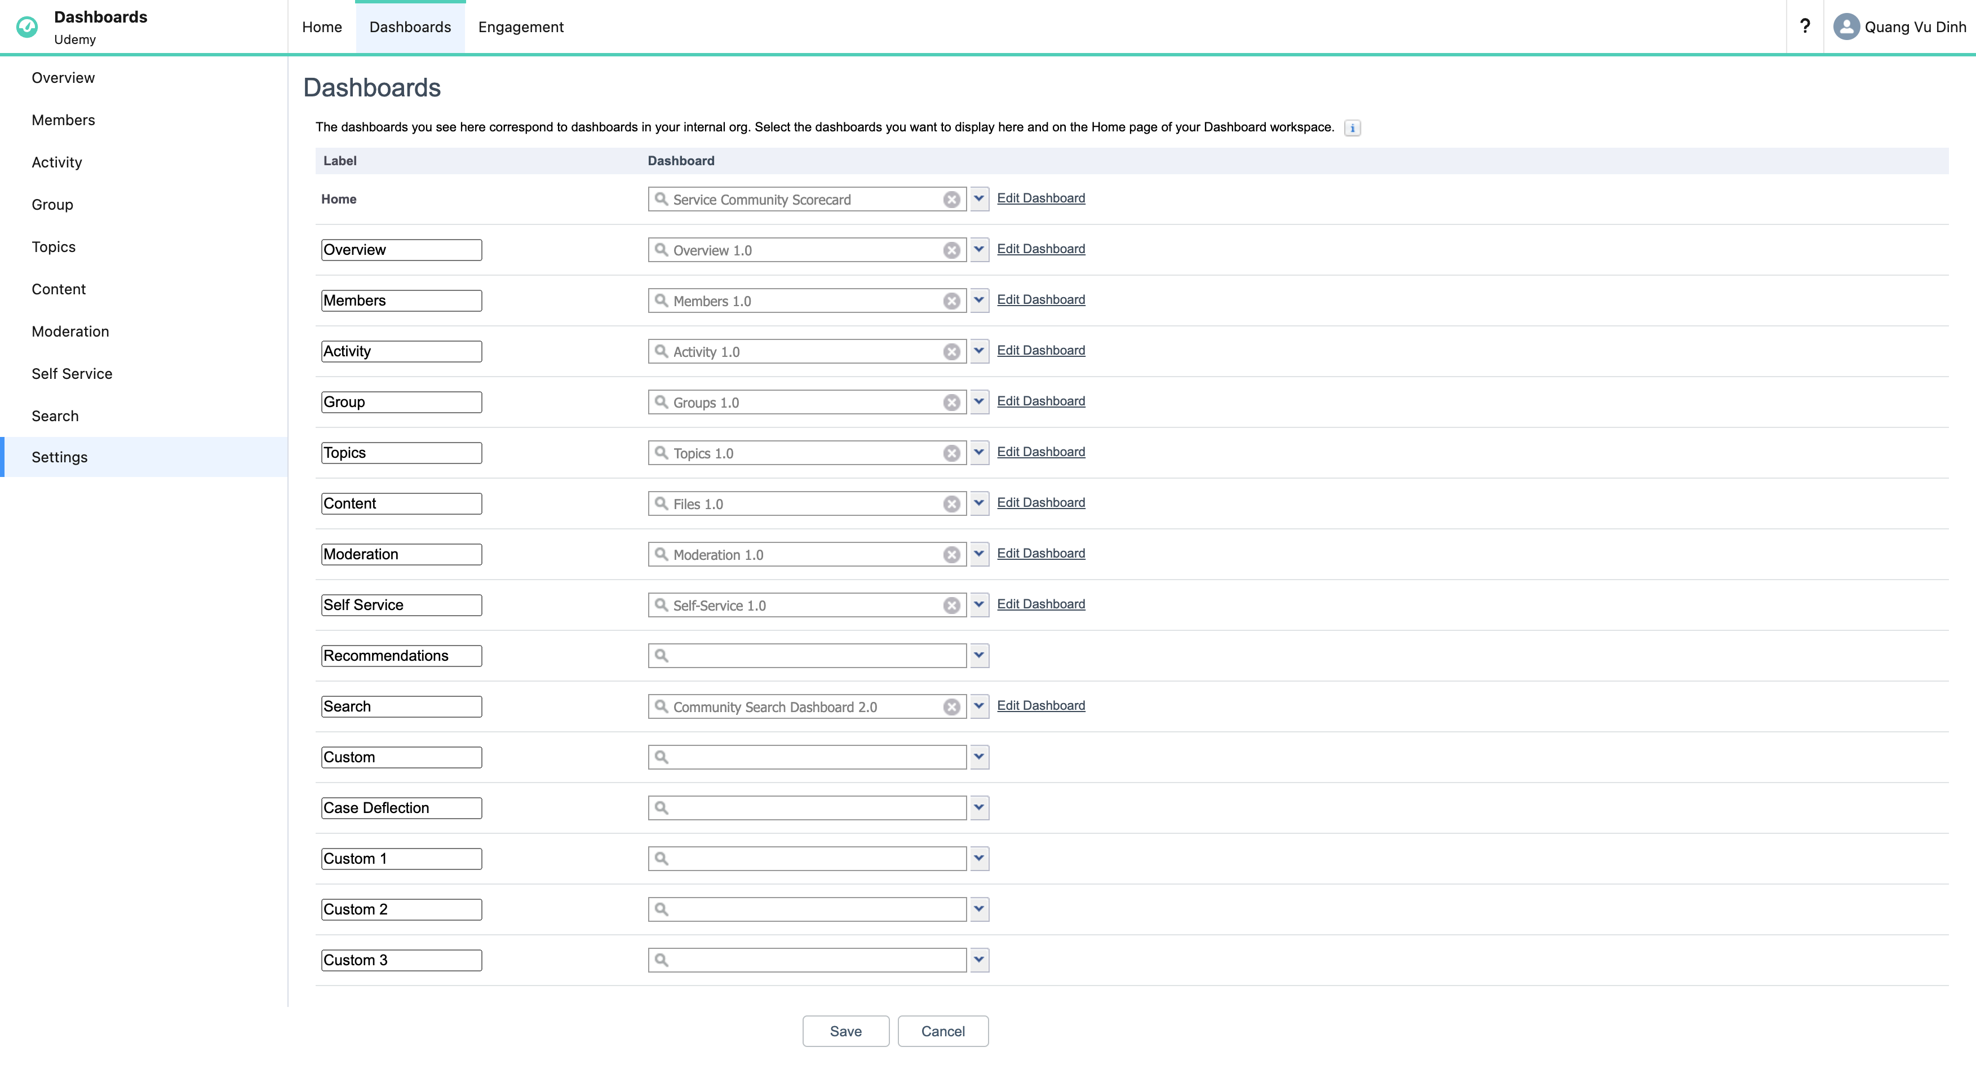

 | Activity in Your Community in the Last 12 Months
 | Home 2
 | Service Community Scorecard
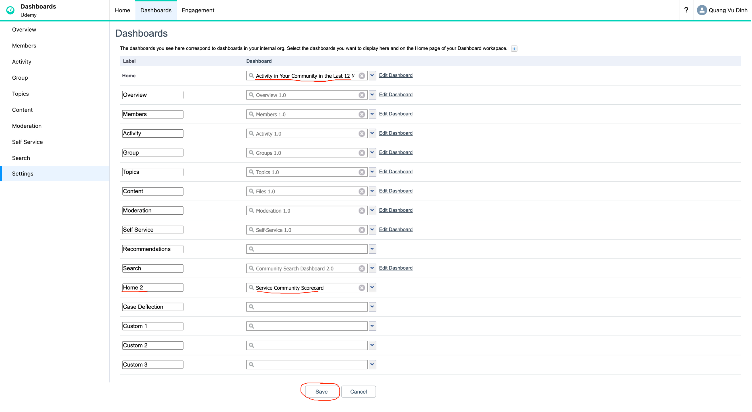

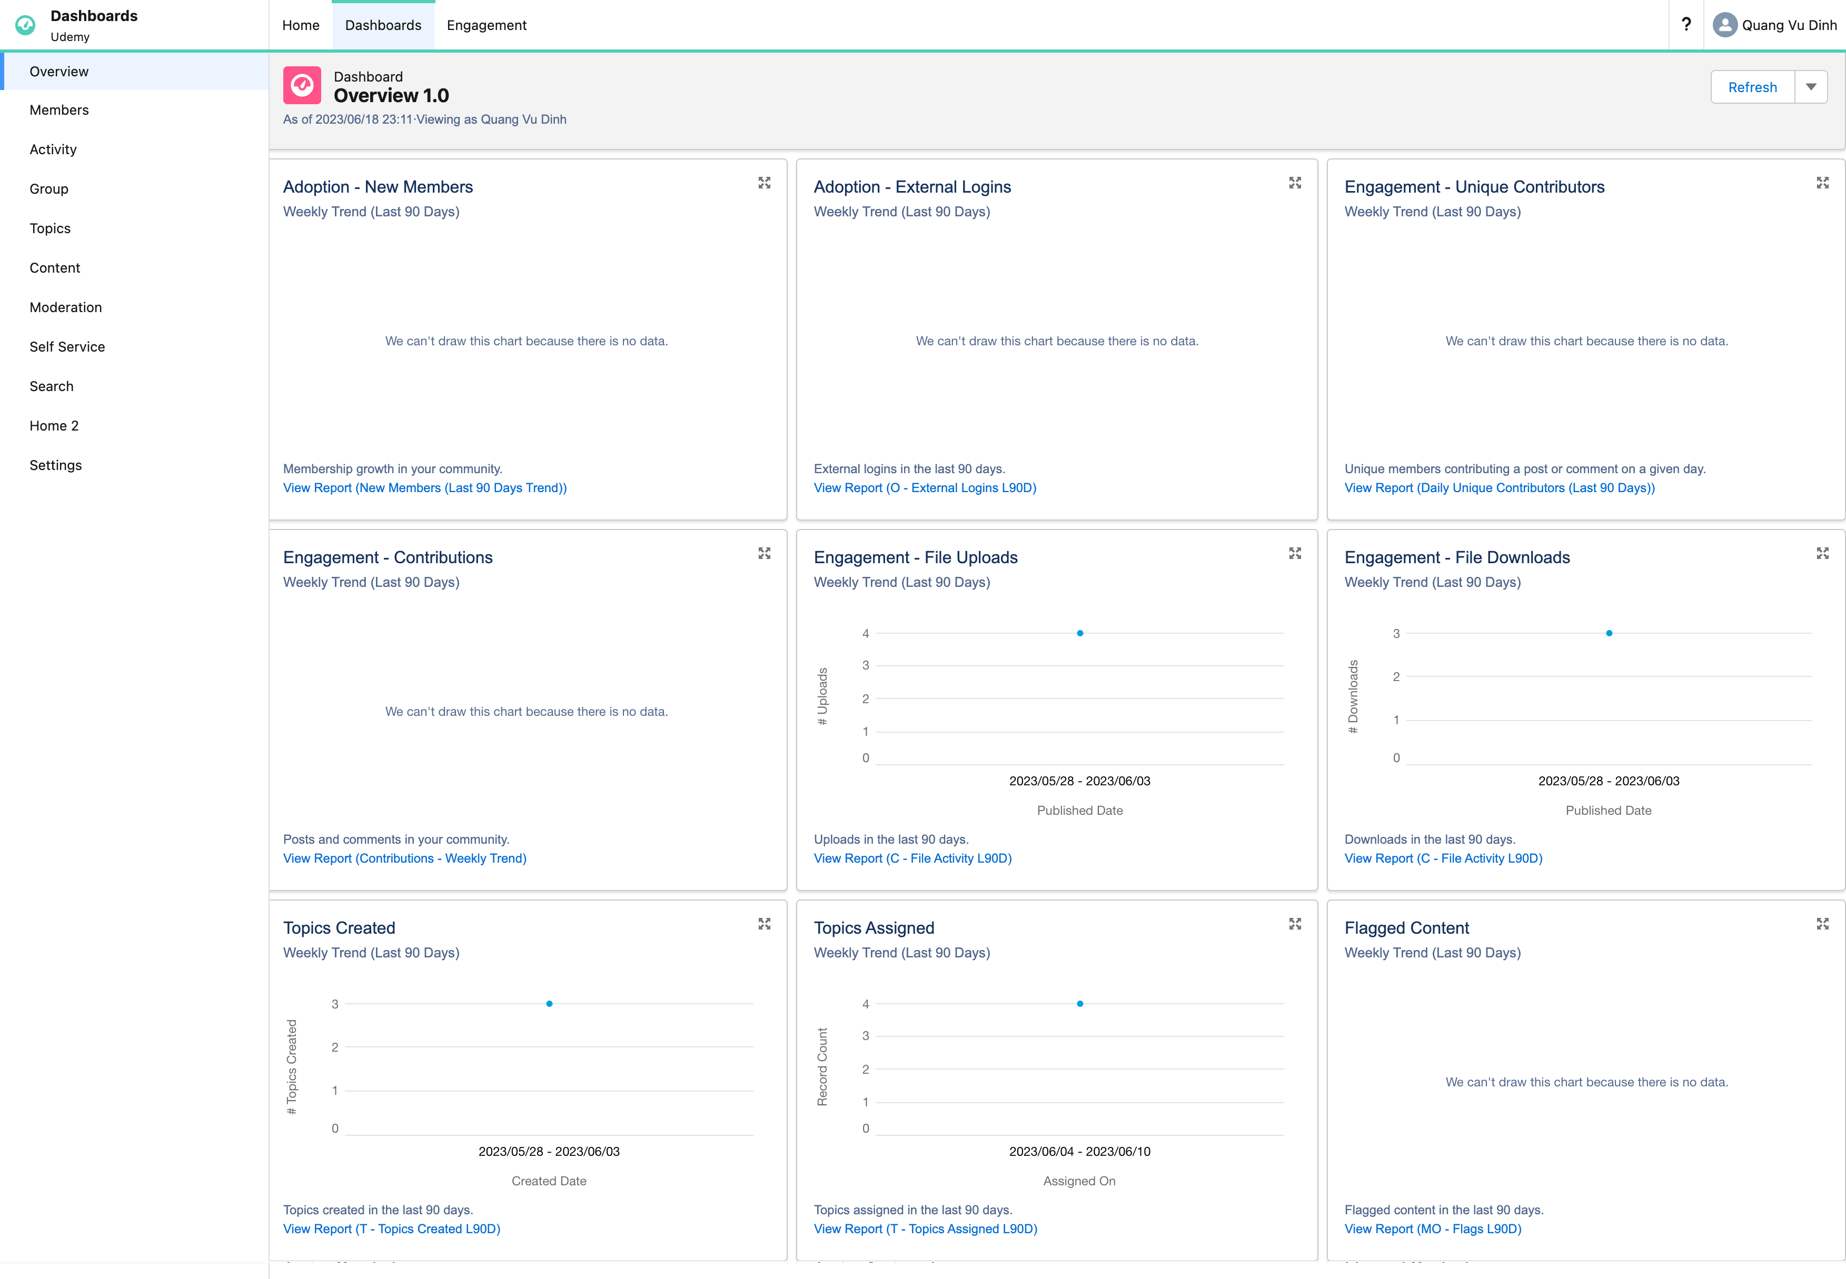

 | go to home tab and check
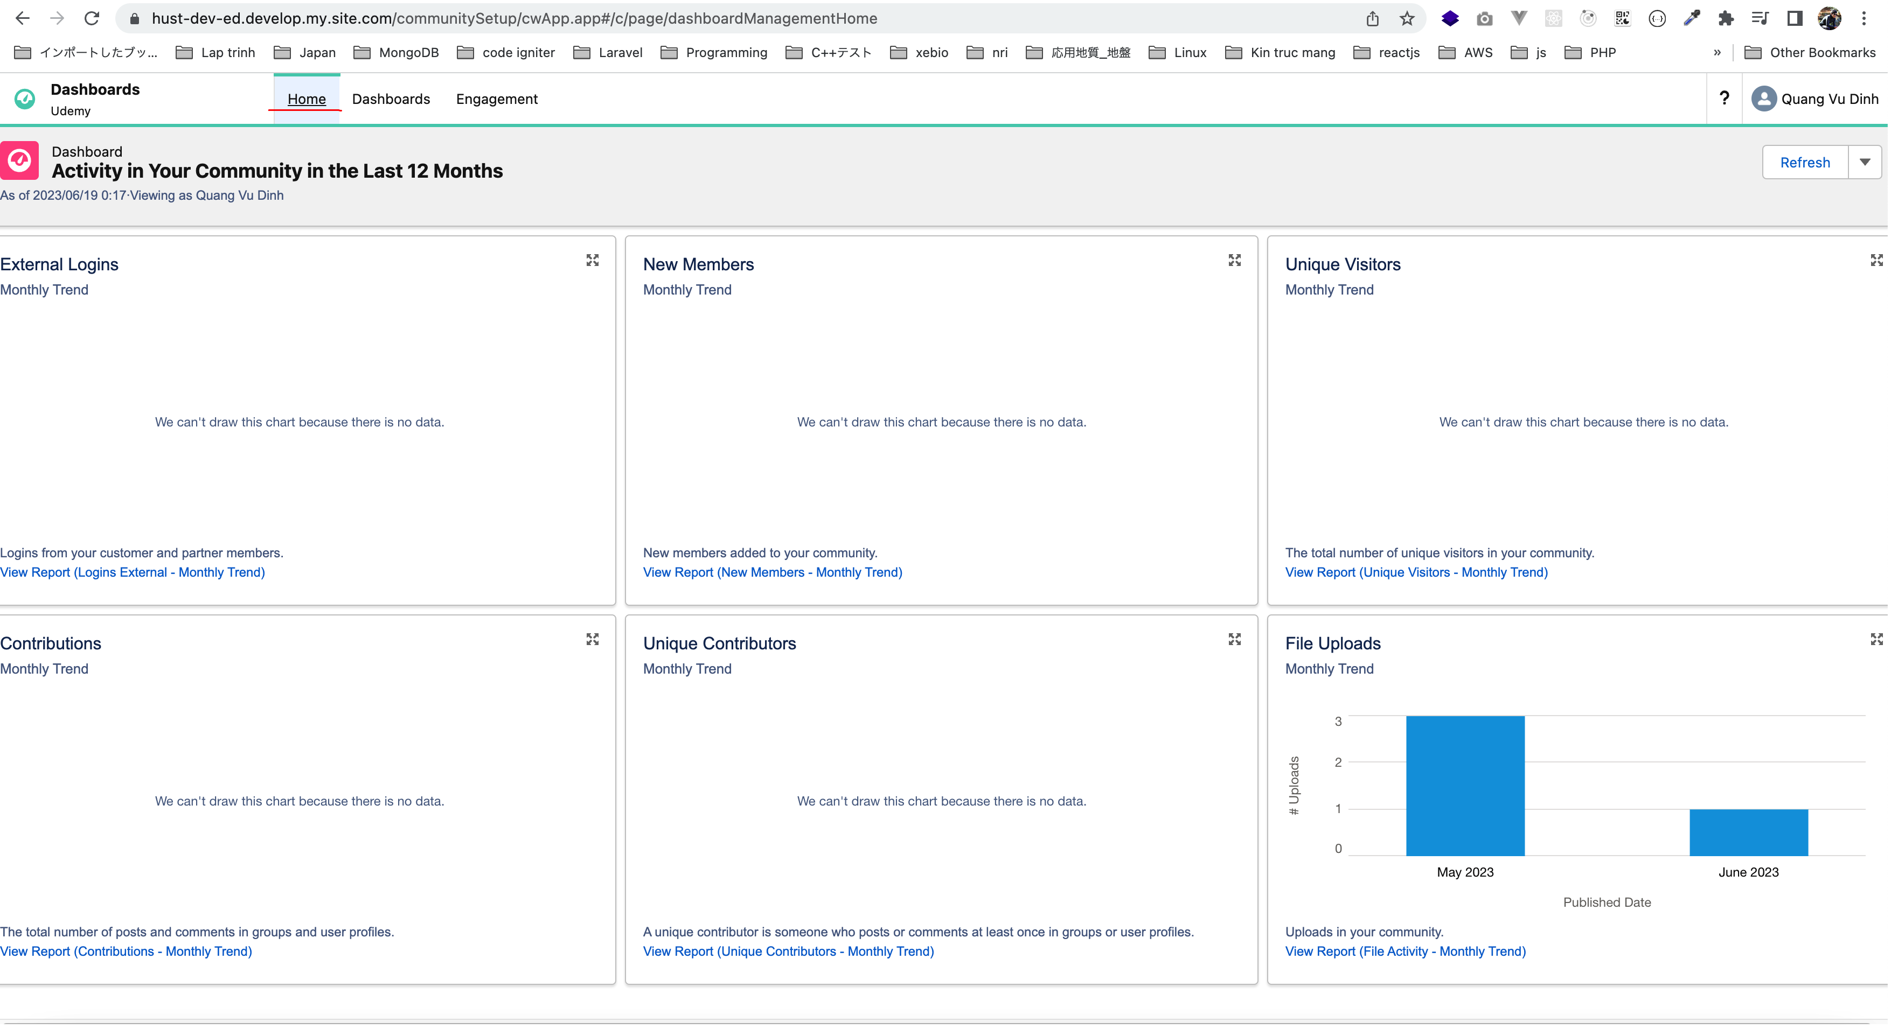

 | Engagement
 | Engagement really is about what is happening with our members in terms of what kind of new members we have and may be we want to follow up with them, may be we want to peruse a list of new members… And the same thing applies if we
 | go to settings in this case, we can map. Some of these labels here to various folders where we have our our dashboards and also we can remap these ones at the top through to different folders.

