Use Postman to call a REST API
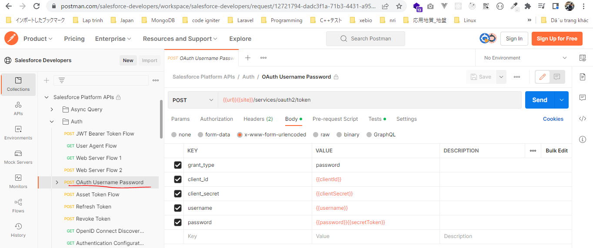
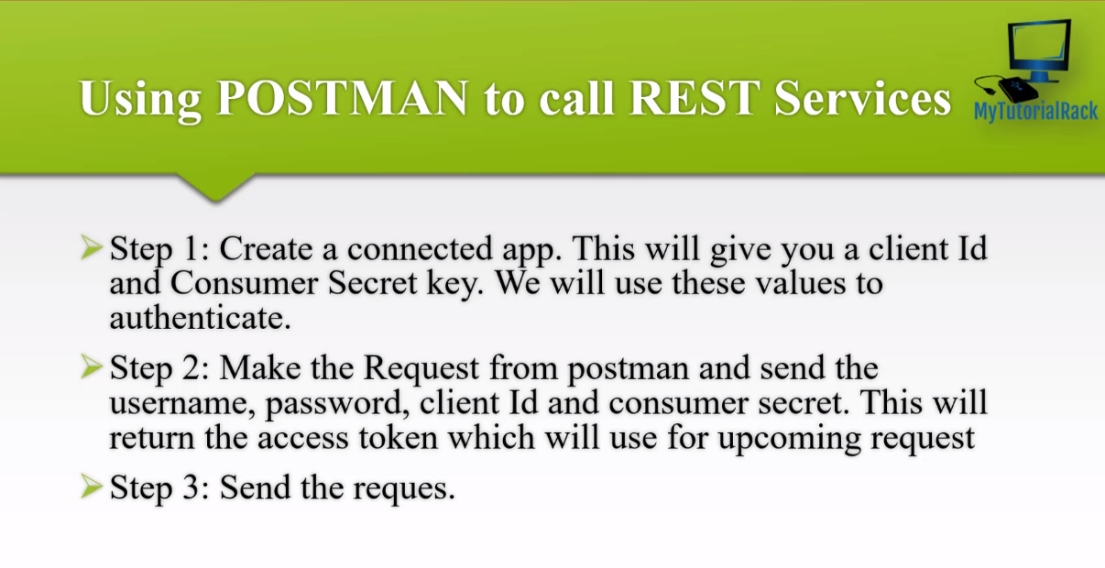

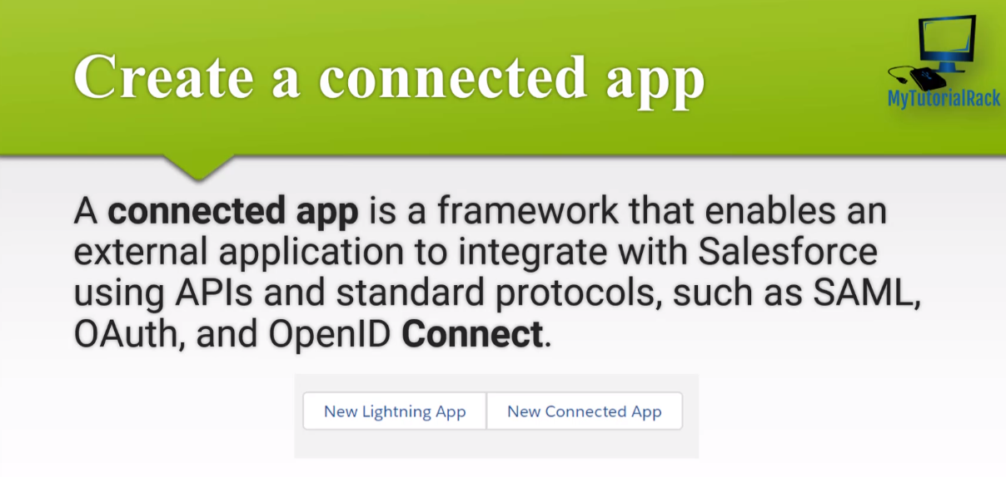

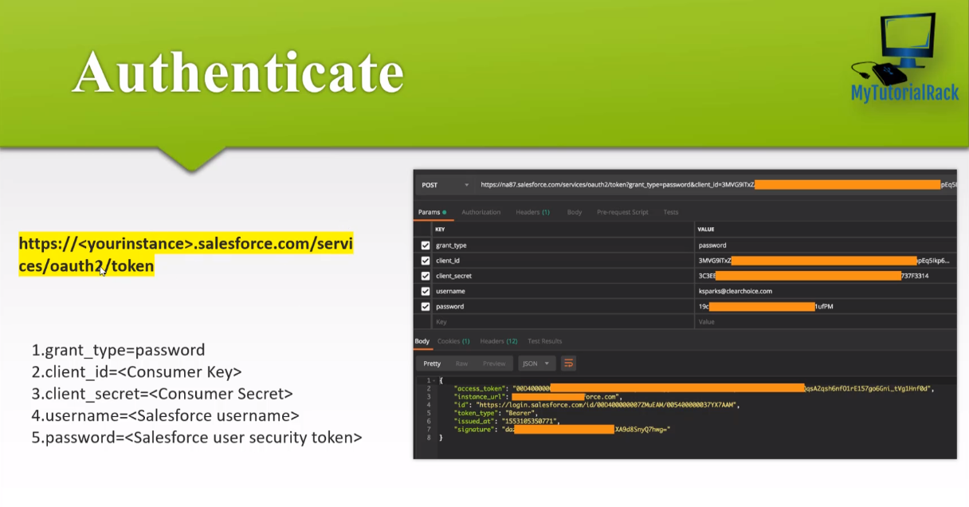

https://www.postman.com/salesforce-developers/workspace/salesforce-developers/request/12721794-dadc3f1a-71b3-4431-a958-fa00c4731b6f
url: https://login.salesforce.com

CreateAConnectedAppInSalesforce
New Connected App
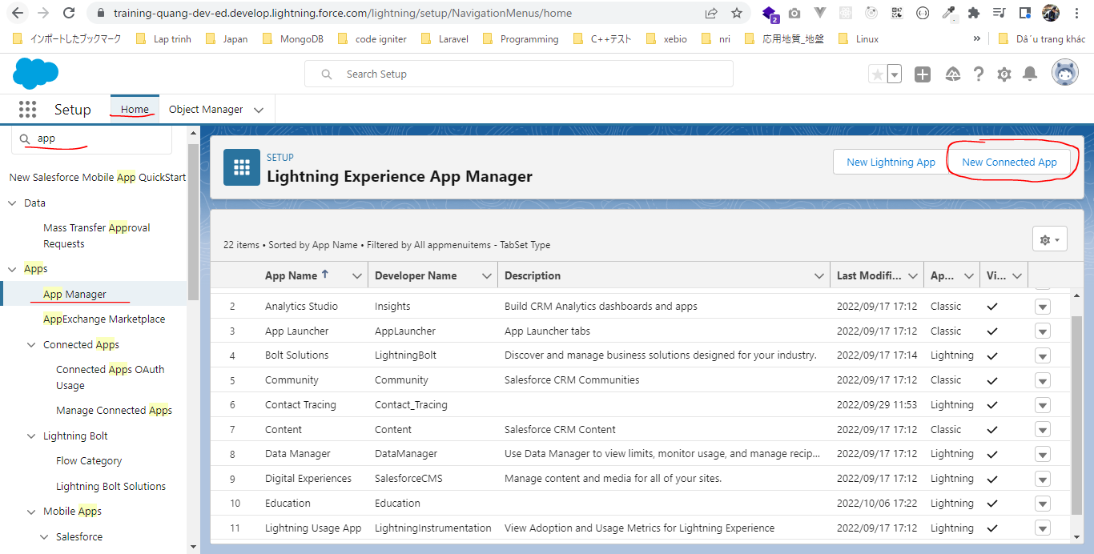

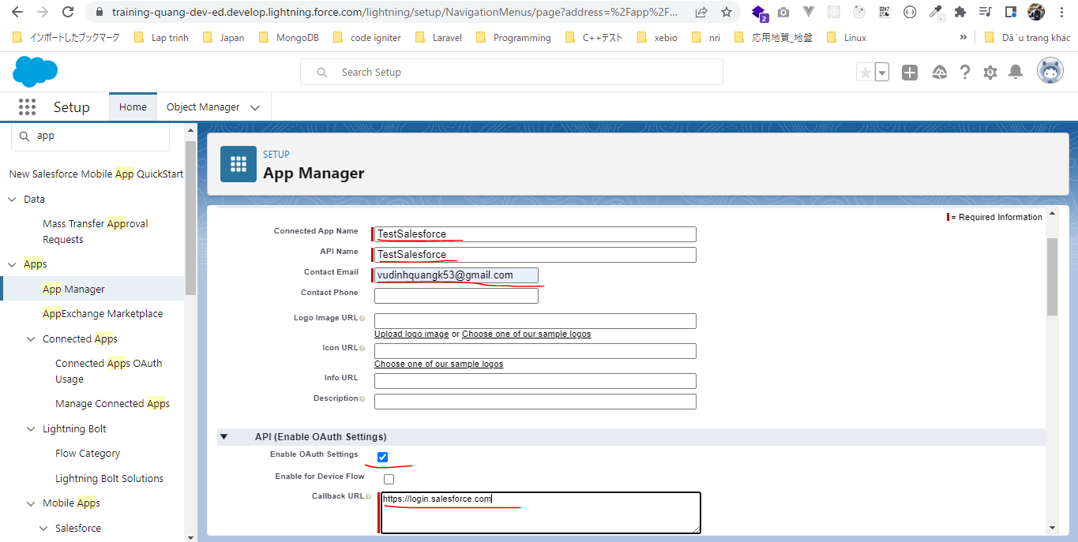

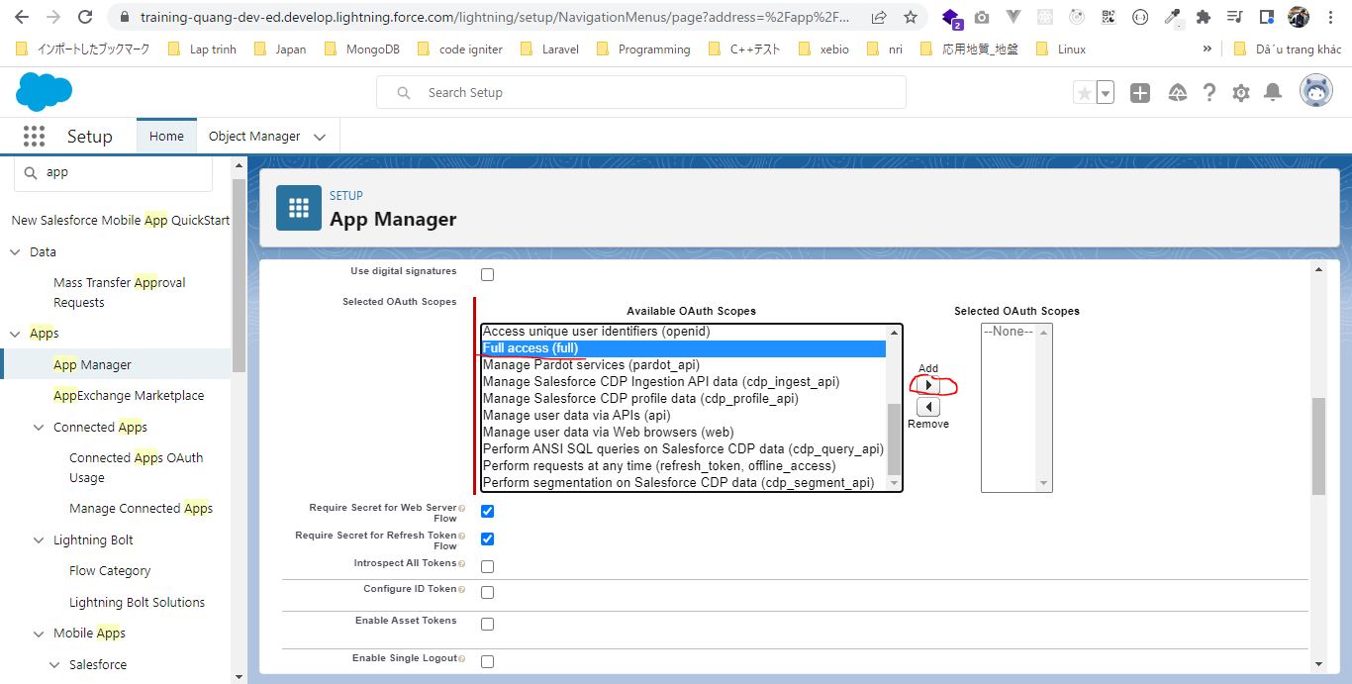

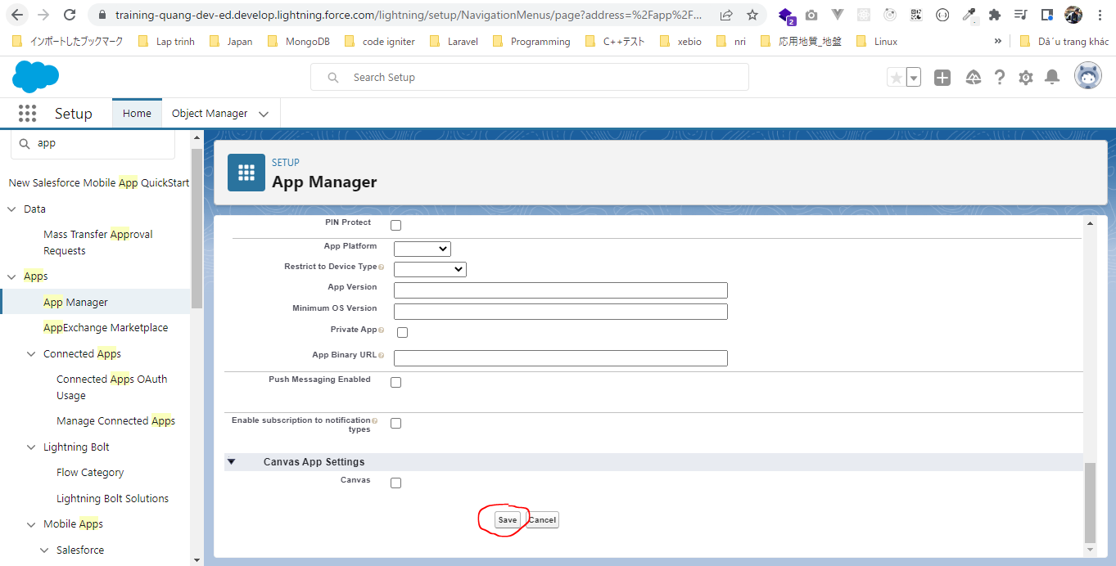

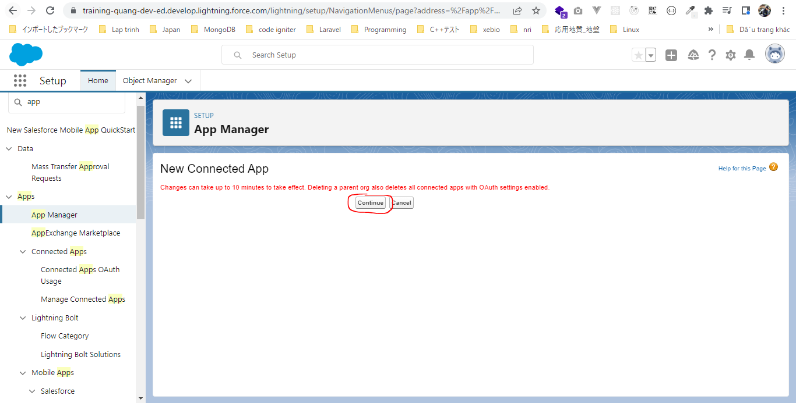

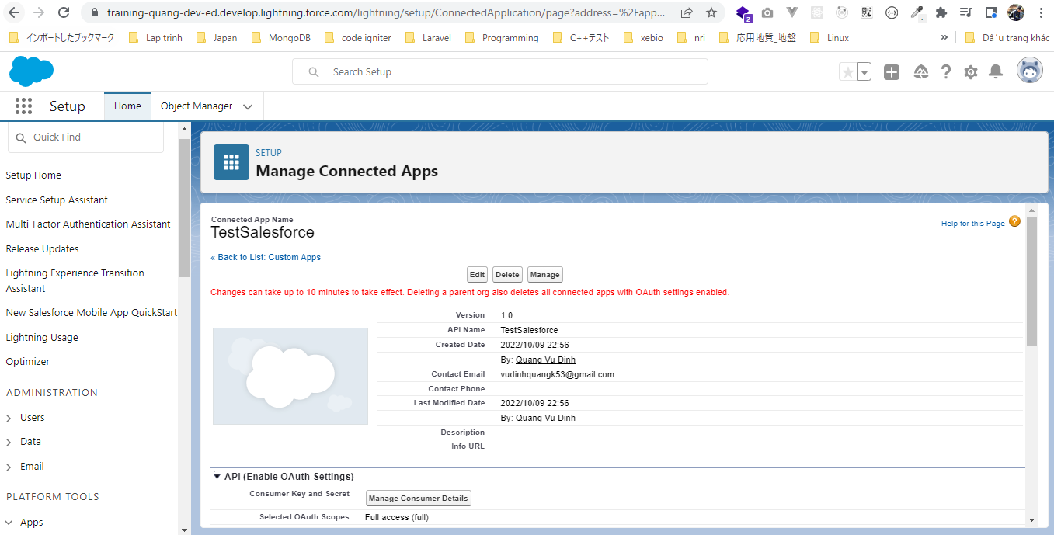

Consumer Key and Secret
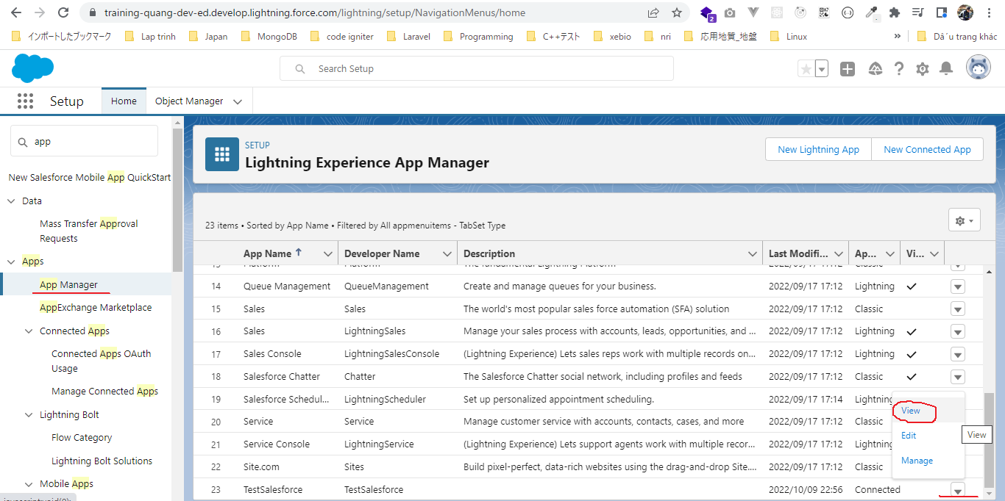

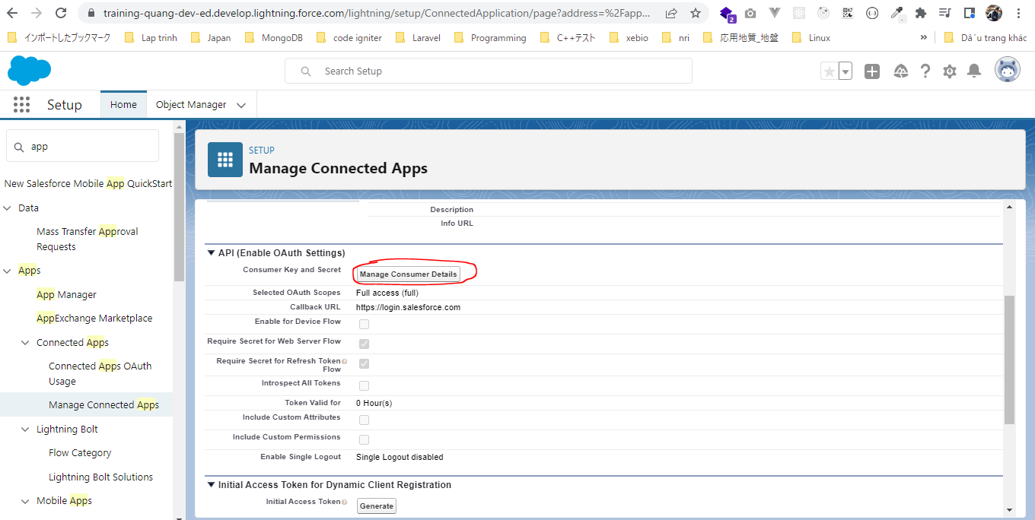

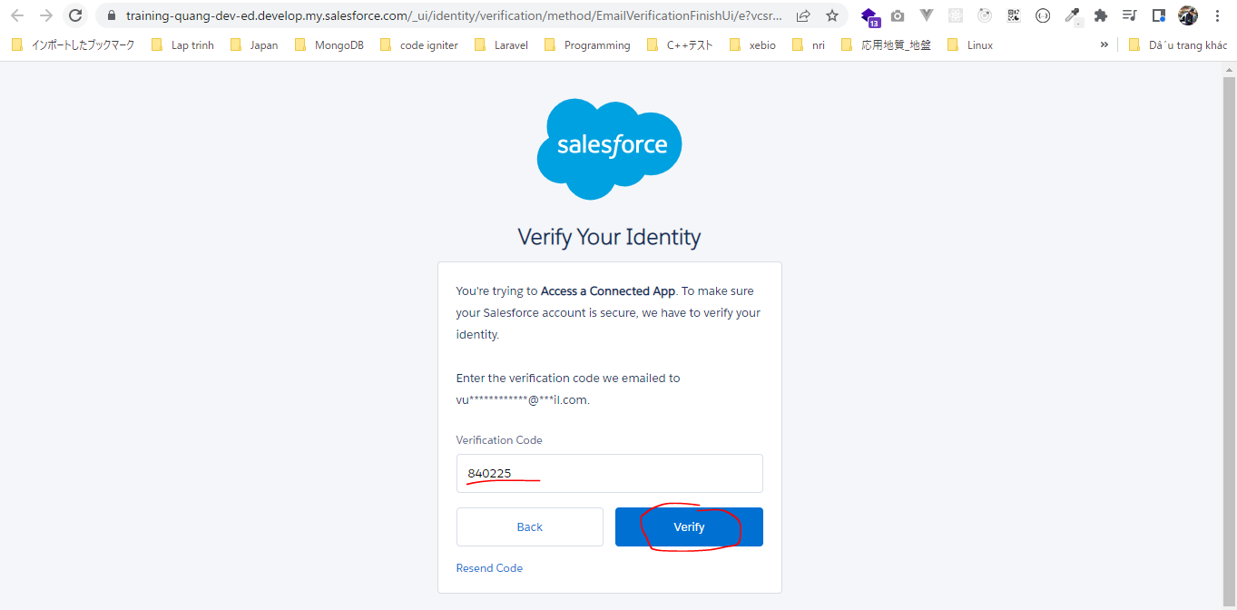

 | Consumer Key | 3MVG9fe4g9fhX0E7UjReq40zJn4dOe1Th2VXN6zovyOuuZvRkI_PzA3sOfHQMsL3LbAYEgxetLeoRiUnLGmjk
 | Consumer Secret | 6C50B4AB4D7C6E6EBB66195BEE6EE67BE4DCB60308310C552C6A558CD23130BA

Execute a SOQL Query
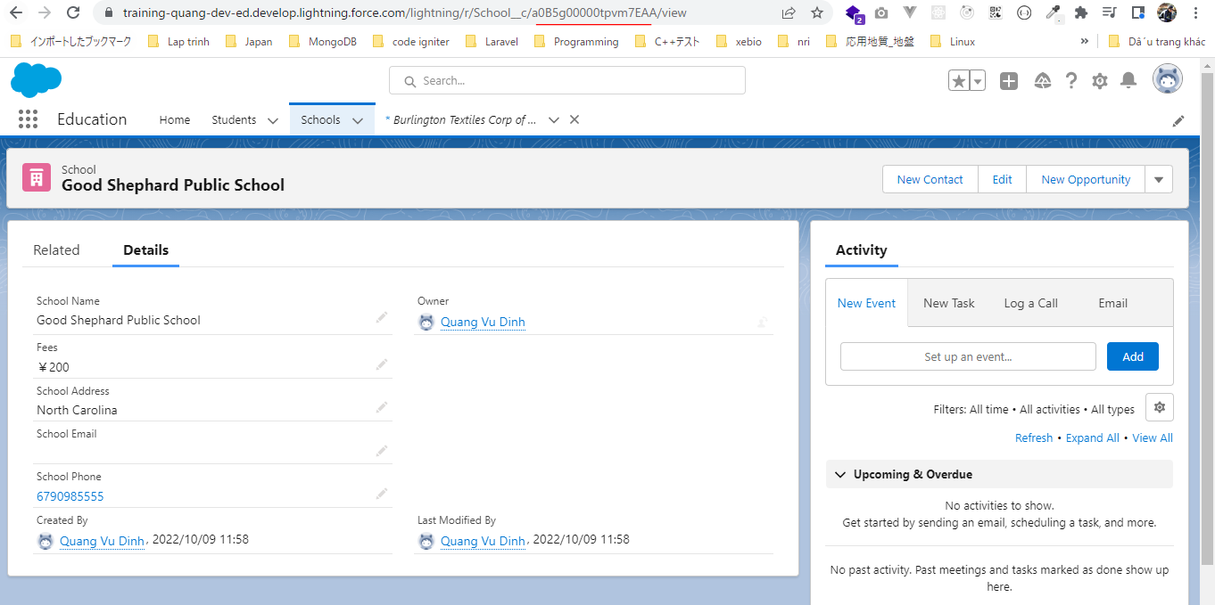
構成
 | salesforce-integration-with-external-systems
 |  | 2.SOAP-API
 |  | 3.REST-API
 |  |  | 1.RESTOAuthAuthentication.txt
 |  |  | 2.RESTAccountById.txt | → | new
 |  |  | 2.RESTSchoolById.txt | → | new
 |  |  | 2.RESTStudentById.txt | → | new

RESTAccountById
salesforce-integration-with-external-systems\3.REST-API\2.RESTAccountById.txt
 | https://training-quang-dev-ed.develop.my.salesforce.com/services/data/v55.0/sobjects/Account/0015g00000smH6TAAU

 | Authenticating REST API users
 | access_token |  | 00D5g00000GYf6f!ARwAQCsy9BukCwV7L830D34RGFj9z7Q8AmE9AWijdjOIs31BG6sDQ2mUF.di8fgFsgE1XJOeajtthGT4bqmWRe6fdrHxgTxX
 | instance_url |  | https://training-quang-dev-ed.develop.my.salesforce.com
 | instance_url/services/data/v55.0/sobjects/Account/0015g00000smH6TAAU

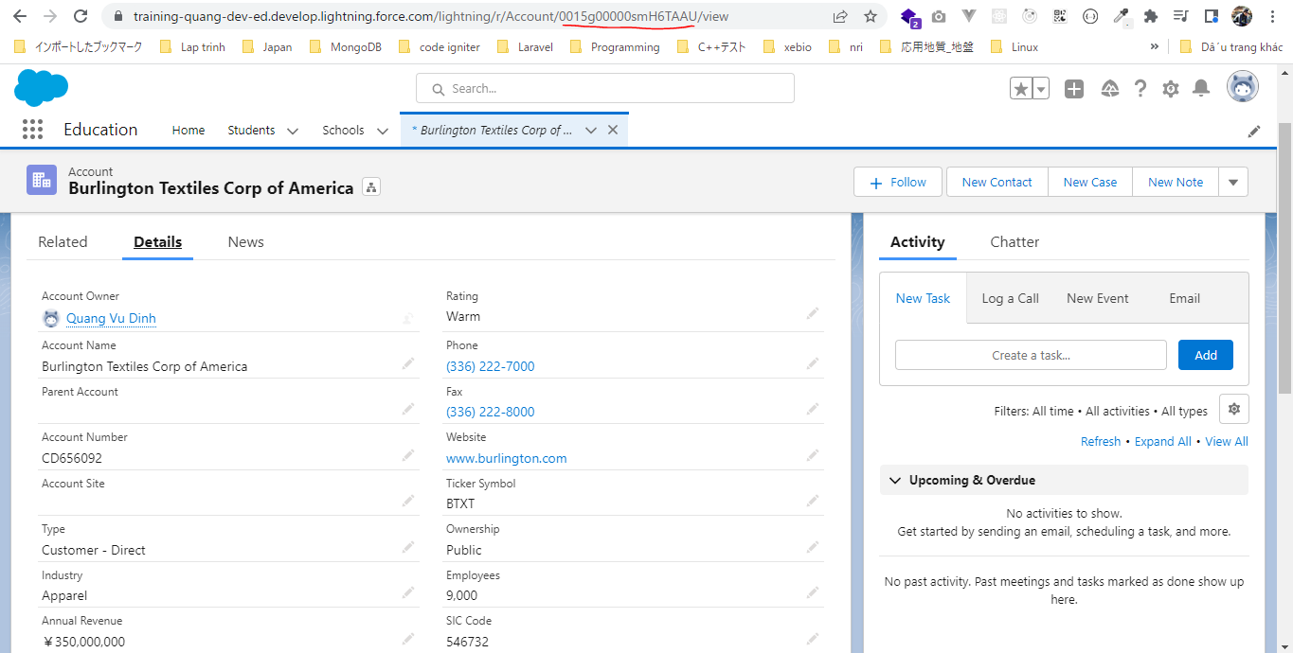

RESTStudentById
salesforce-integration-with-external-systems\3.REST-API\2.RESTStudentById.txt
 | https://training-quang-dev-ed.develop.my.salesforce.com/services/data/v55.0/sobjects/Student__c/a0A5g000006OQuREAW

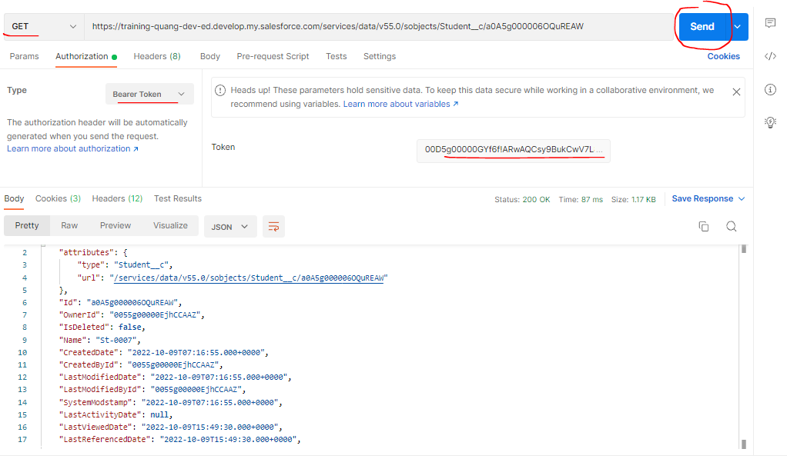

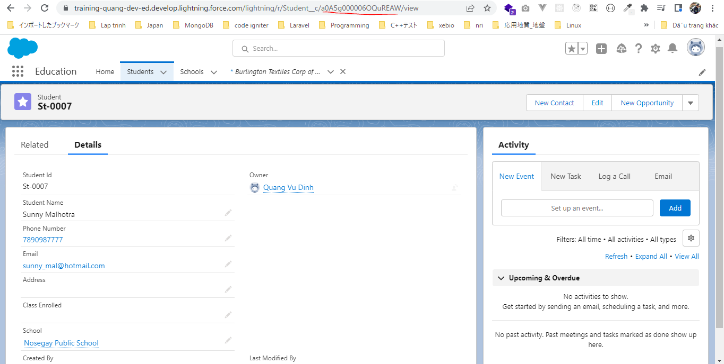

RESTSchoolById
salesforce-integration-with-external-systems\3.REST-API\2.RESTSchoolById.txt
 | https://training-quang-dev-ed.develop.my.salesforce.com/services/data/v55.0/sobjects/School__c/a0B5g00000tpvm7EAA

Create a record
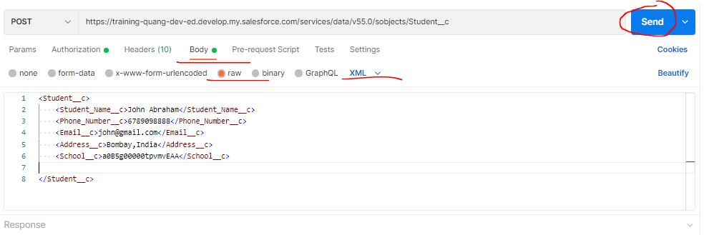
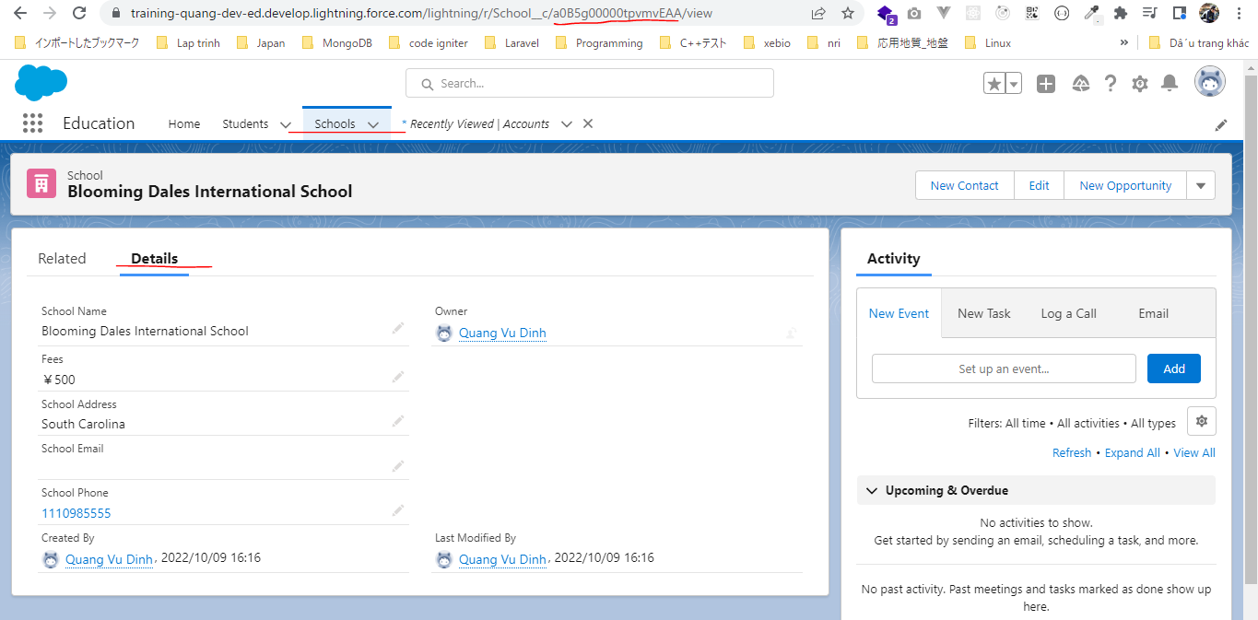
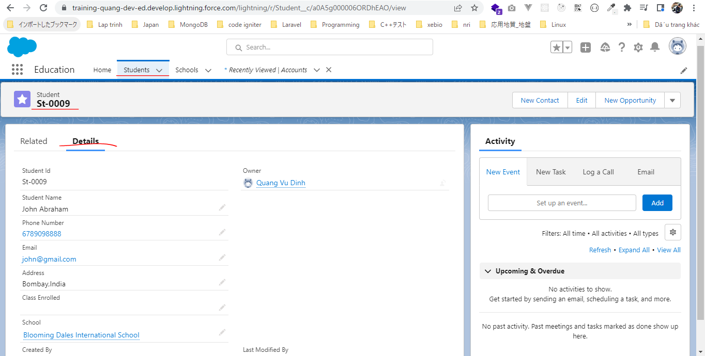
 | Dữ liệu gửi đi có thể dạng json hoặc xml đều được

構成
 | salesforce-integration-with-external-systems
 |  | 2.SOAP-API
 |  | 3.REST-API
 |  |  | 1.RESTOAuthAuthentication.txt
 |  |  | 2.RESTAccountById.txt
 |  |  | 2.RESTSchoolById.txt
 |  |  | 2.RESTStudentById.txt
 |  |  | 3.RESTCreateNewRecordAccount.txt
 |  |  | 3.RESTCreateStudentRecord.txt

salesforce-integration-with-external-systems\3.REST-API\3.RESTCreateStudentRecord.txt
 | https://training-quang-dev-ed.develop.my.salesforce.com/services/data/v55.0/sobjects/Account

 | {
 | "Name": "Deepika Khanna",
 | "Site": "mytutorialrack.com",
 | "Phone": "7777778888"
 | }

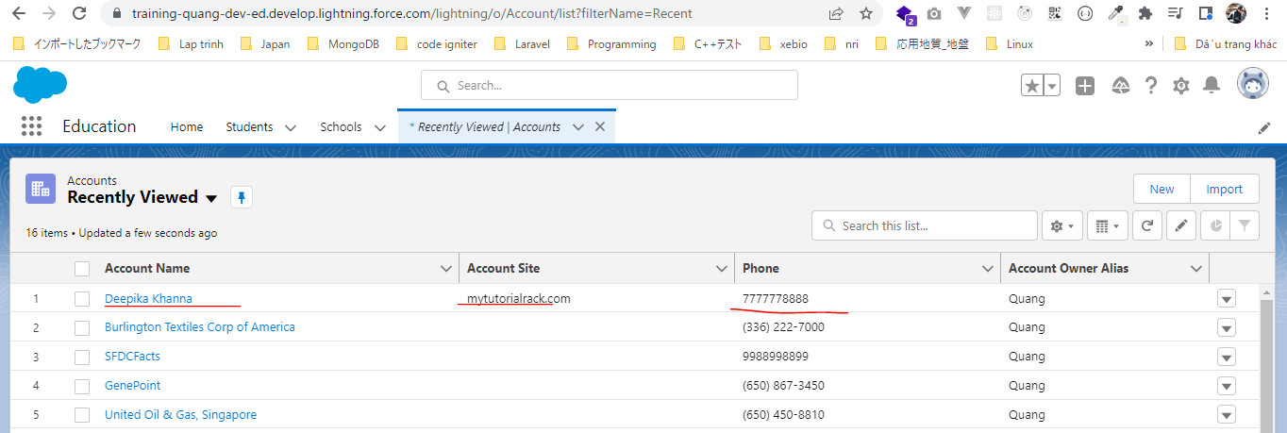

salesforce-integration-with-external-systems\3.REST-API\3.RESTCreateStudentRecord.txt
 | https://training-quang-dev-ed.develop.my.salesforce.com/services/data/v55.0/sobjects/Student__c

 | <Student__c>
 | <Student_Name__c>John Abraham</Student_Name__c>
 | <Phone_Number__c>6789098888</Phone_Number__c>
 | <Email__c>john@gmail.com</Email__c>
 | <Address__c>Bombay,India</Address__c>
 | <School__c>a0B5g00000tpvmvEAA</School__c>

 | </Student__c>

Creating a Custom REST API
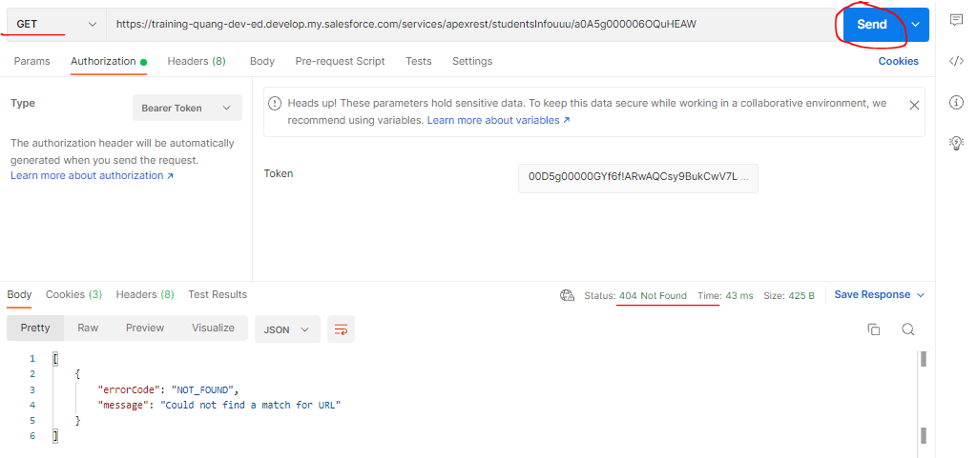
構成
 | salesforce-integration-with-external-systems
 |  | 2.SOAP-API
 |  | 3.REST-API
 |  |  | 1.RESTOAuthAuthentication.txt
 |  |  | 2.RESTAccountById.txt
 |  |  | 2.RESTSchoolById.txt
 |  |  | 2.RESTStudentById.txt
 |  |  | 3.RESTCreateNewRecordAccount.txt
 |  |  | 3.RESTCreateStudentRecord.txt
 |  |  | 4.CustomRESTService.txt
 |  |  | 4.StudentInformationService.txt

salesforce-integration-with-external-systems\3.REST-API\4.StudentInformationService.txt
 | @RestResource(urlMapping='/studentsInfo/*') |  |  | → | Khi call api có dạng url là /studentsInfo/* thì Apex Class này sẽ được thực thi
 | global class StudentInformationService
 | {
 | global class StudentInfo |  |  | → | Định nghĩa các trường response trả về thông tin của student
 | {
 | String studentName{get;set;}
 | String studentAddress{get;set;}
 | String studentPhone{get;set;}
 | String schoolName{get;set;}

 | }

 | @httpGet |  |  | → | request method là get
 | global static StudentInfo getStudent() |  |  |  | Trả về thông tin là đối tượng của class StudentInfo instance
 | {
 | RestRequest request=RestContext.Request; |  |  | → | Trả về đối tượng Request
 | String studentId= request.requestURI.substring(request.RequestURI.lastIndexOf('/')+1);
 | student__c student=[select id,Name,Address__c,student_name__c,phone_number__c,school__r.Name from Student__c where id=:studentId];
 | StudentInfo stdInfo=new StudentInfo();
 | stdInfo.studentName=student.student_name__c;
 | stdInfo.studentAddress=student.Address__c;
 | stdInfo.studentPhone=student.phone_number__c;
 | stdInfo.schoolName=student.school__r.Name;

 | return stdInfo;
 | }
 | }

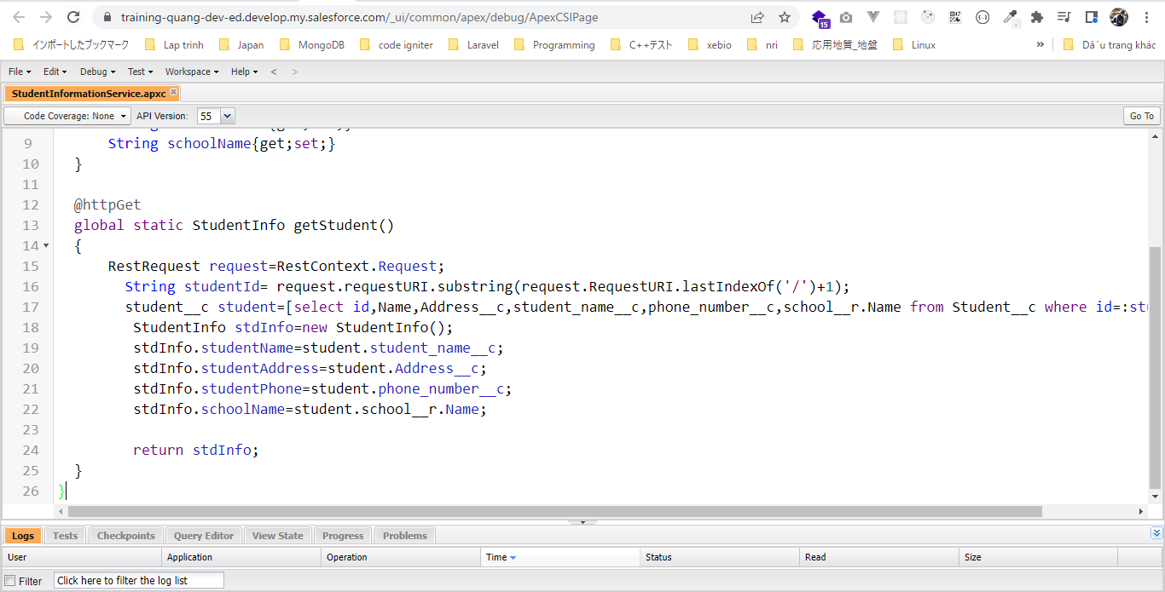

salesforce-integration-with-external-systems\3.REST-API\4.CustomRESTService.txt
 | https://training-quang-dev-ed.develop.my.salesforce.com/services/apexrest/studentsInfo/a0A5g000006OQuHEAW

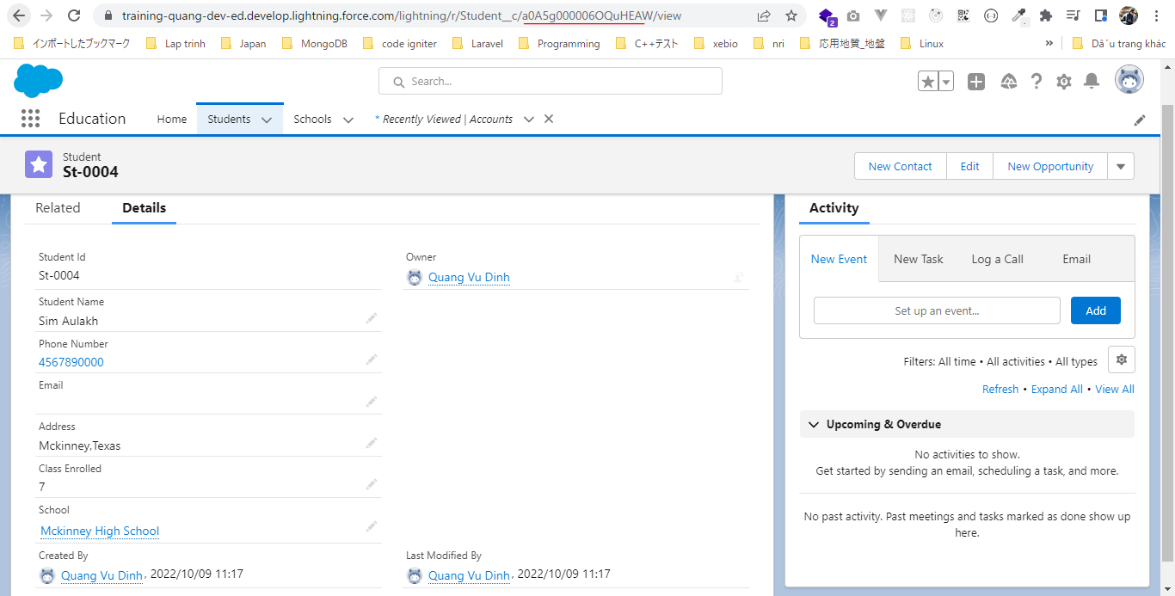

Cố tình call api trên bằng phương thức Post
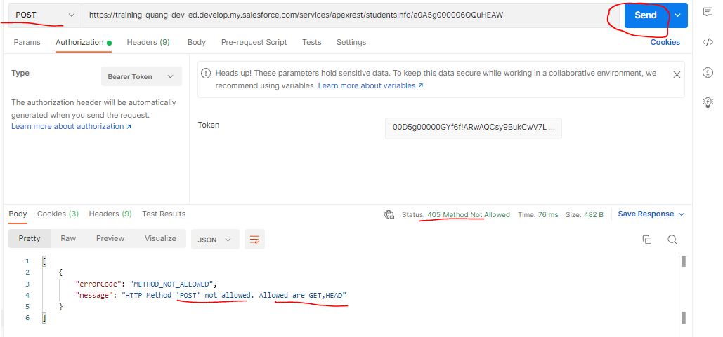

url không đúng
 | https://training-quang-dev-ed.develop.my.salesforce.com/services/apexrest/studentsInfouuu/a0A5g000006OQuHEAW

Create Nested Records
 | POST: https://training-quang-dev-ed.develop.my.salesforce.com/services/data/v55.0/composite/tree/Account/

 | Content-Type | application/json

 | Body
 | {
 | "records" :[{
 | "attributes" : {"type" : "Account", "referenceId" : "ref1"},
 | "name" : "SampleAccount1",
 | "phone" : "1234567890",
 | "website" : "www.salesforce.com",
 | "numberOfEmployees" : "100",
 | "industry" : "Banking",
 | "Contacts" : {
 | "records" : [{
 | "attributes" : {"type" : "Contact", "referenceId" : "ref2"},
 | "lastname" : "Smith",
 | "Title" : "President",
 | "email" : "sample@salesforce.com"
 | },{
 | "attributes" : {"type" : "Contact", "referenceId" : "ref3"},
 | "lastname" : "Evans",
 | "title" : "Vice President",
 | "email" : "sample@salesforce.com"
 | }]
 | }
 | },{
 | "attributes" : {"type" : "Account", "referenceId" : "ref4"},
 | "name" : "SampleAccount2",
 | "phone" : "1234567890",
 | "website" : "www.salesforce.com",
 | "numberOfEmployees" : "52000",
 | "industry" : "Banking",
 | "childAccounts" : {
 | "records" : [{
 | "attributes" : {"type" : "Account", "referenceId" : "ref5"},
 | "name" : "SampleChildAccount1",
 | "phone" : "1234567890",
 | "website" : "www.salesforce.com",
 | "numberOfEmployees" : "100",
 | "industry" : "Banking"
 | }]
 | },
 | "Contacts" : {
 | "records" : [{
 | "attributes" : {"type" : "Contact", "referenceId" : "ref6"},
 | "lastname" : "Jones",
 | "title" : "President",
 | "email" : "sample@salesforce.com"
 | }]
 | }
 | }]
 | }
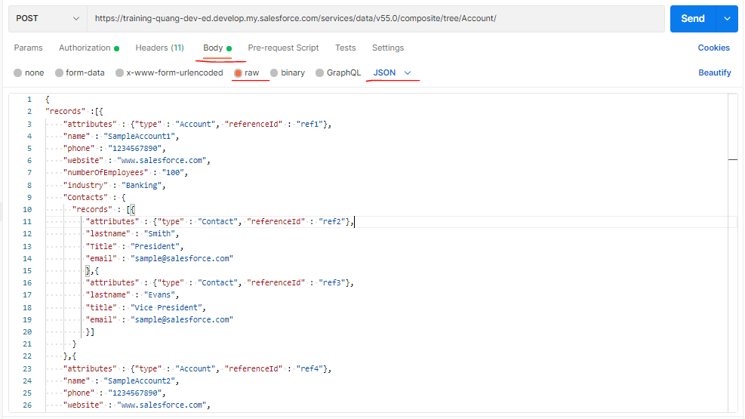

 | Response
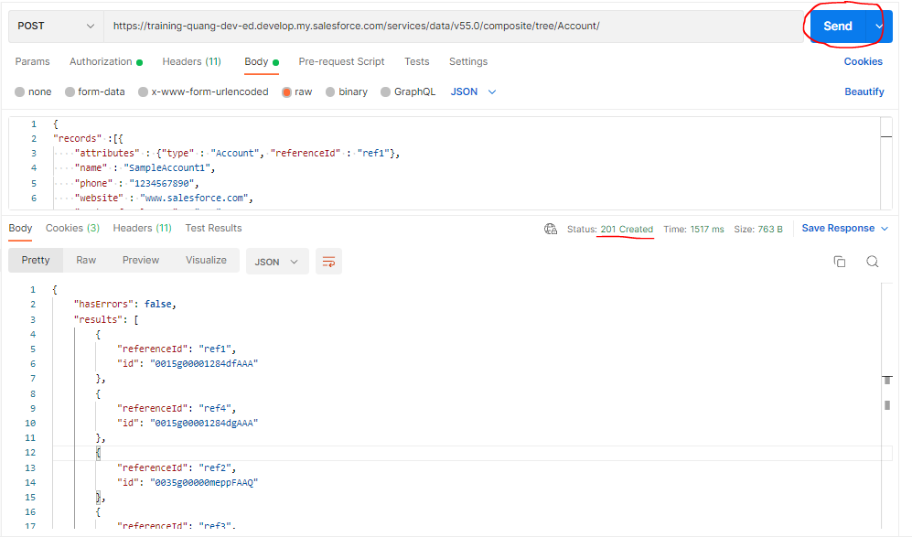

Check browser
 | SampleChildAccount1
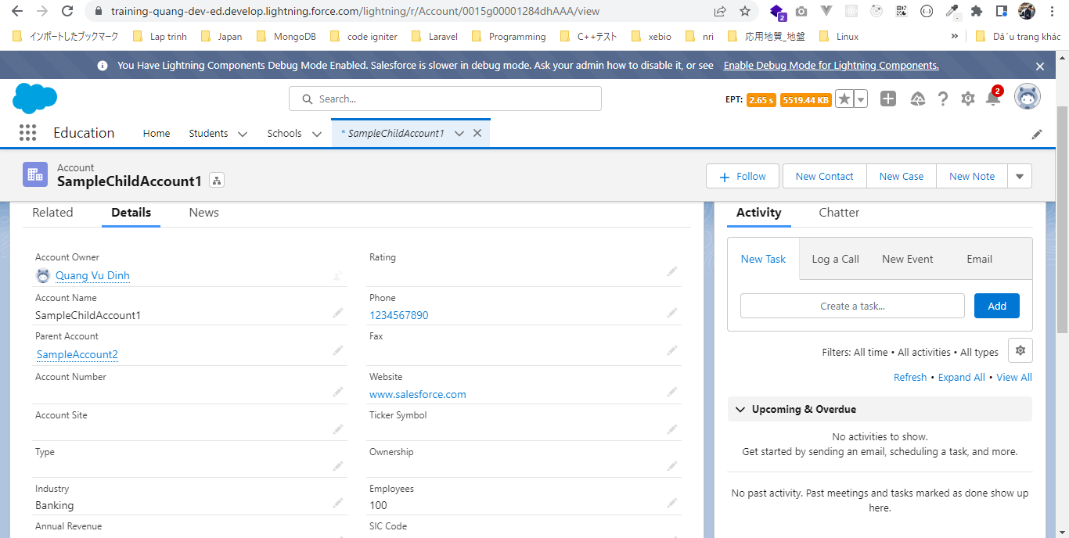

 | Smith, Evans Contact

 | SampleAccount2 Account

 | Jones Contact

