Use Postman to call a REST API
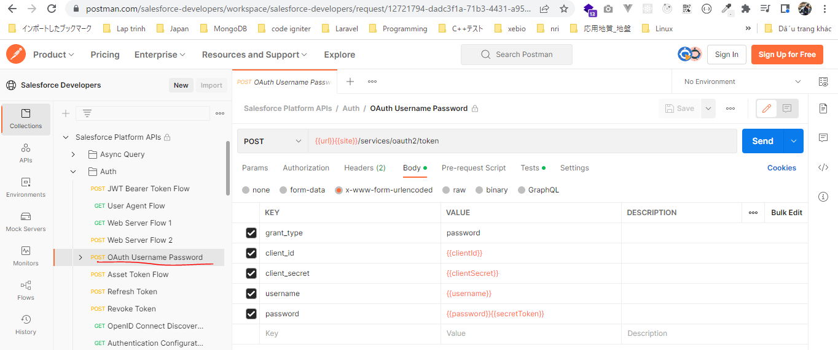
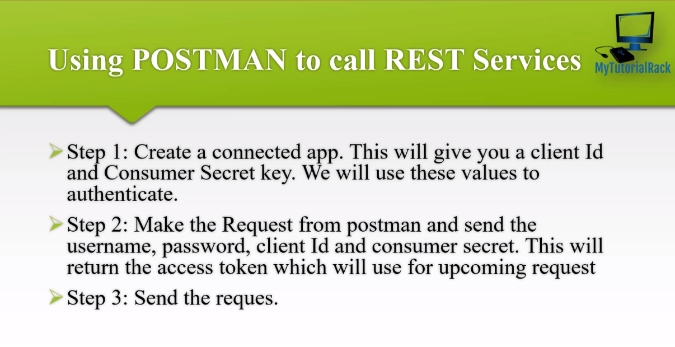

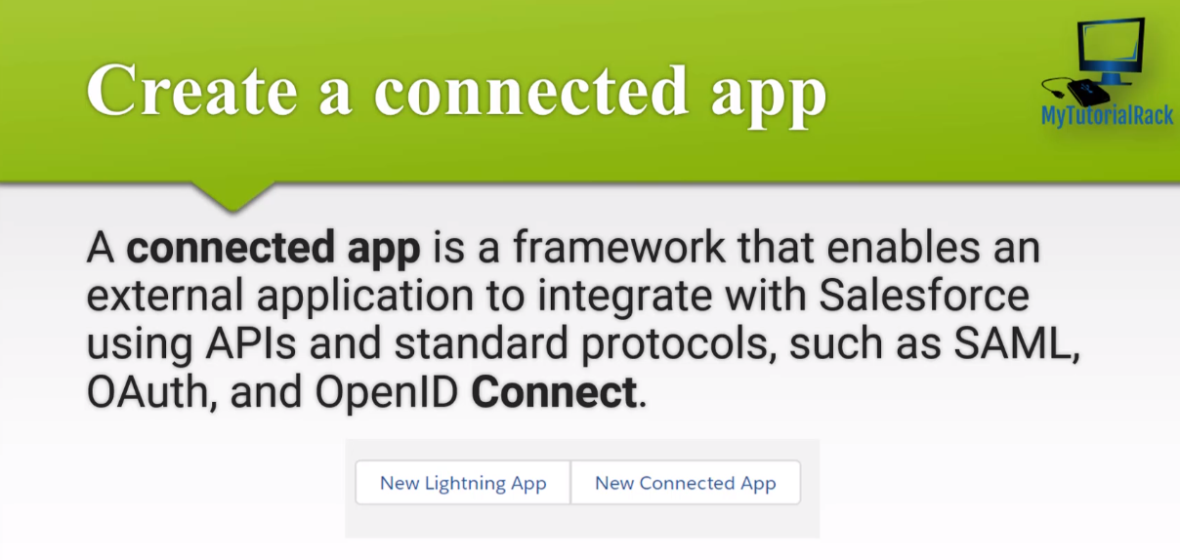

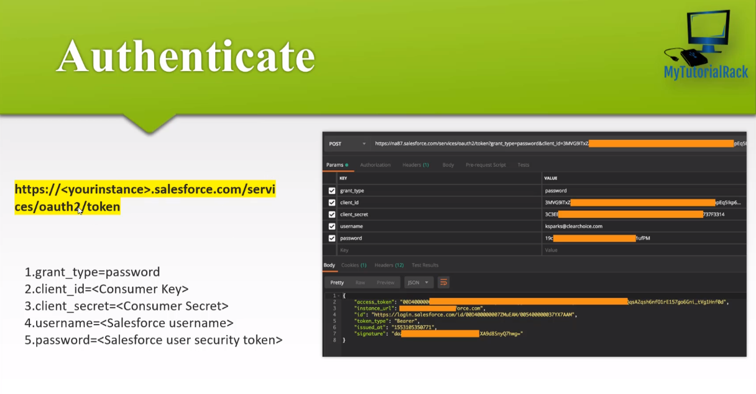

https://www.postman.com/salesforce-developers/workspace/salesforce-developers/request/12721794-dadc3f1a-71b3-4431-a958-fa00c4731b6f
url: https://login.salesforce.com

CreateAConnectedAppInSalesforce
New Connected App
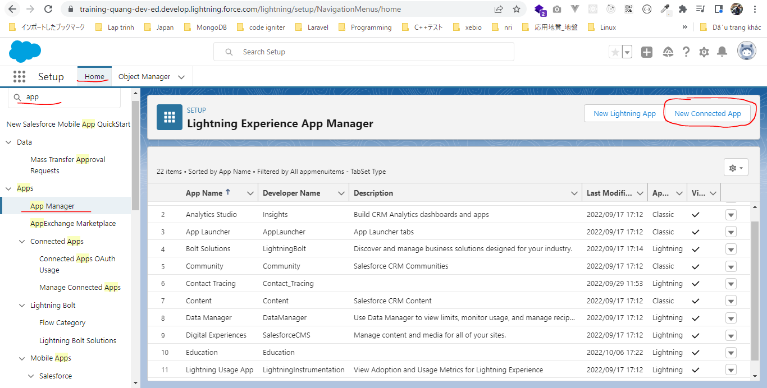

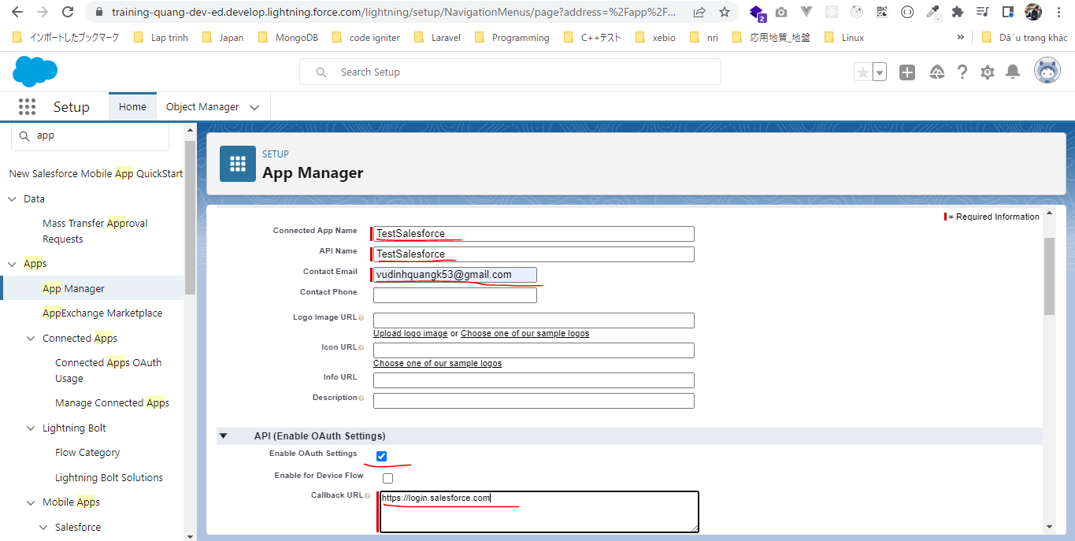

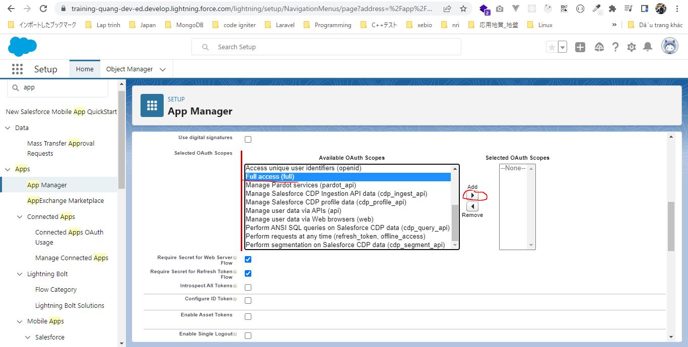

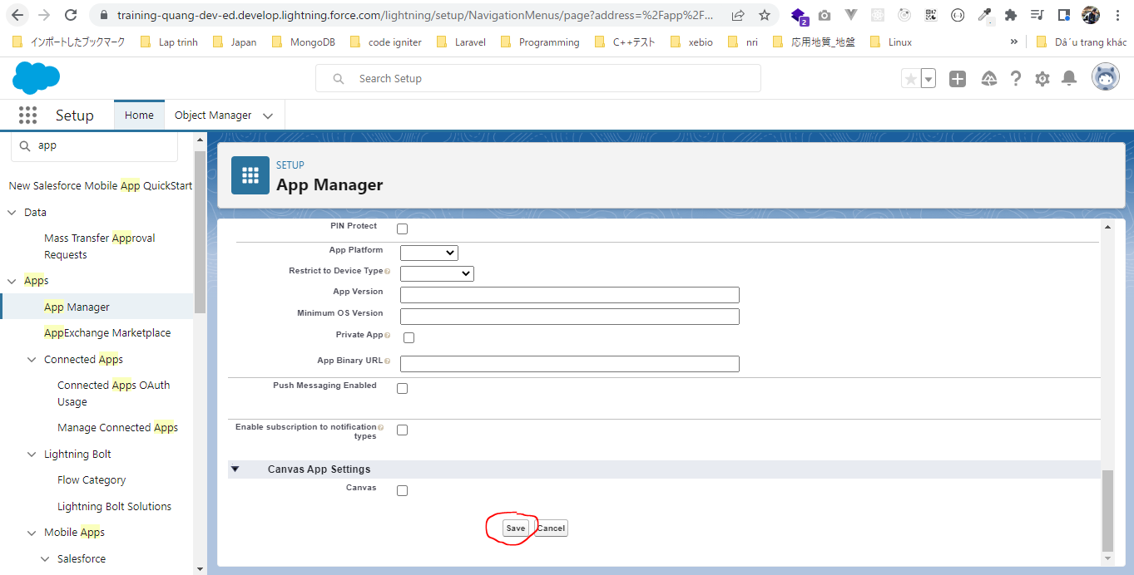

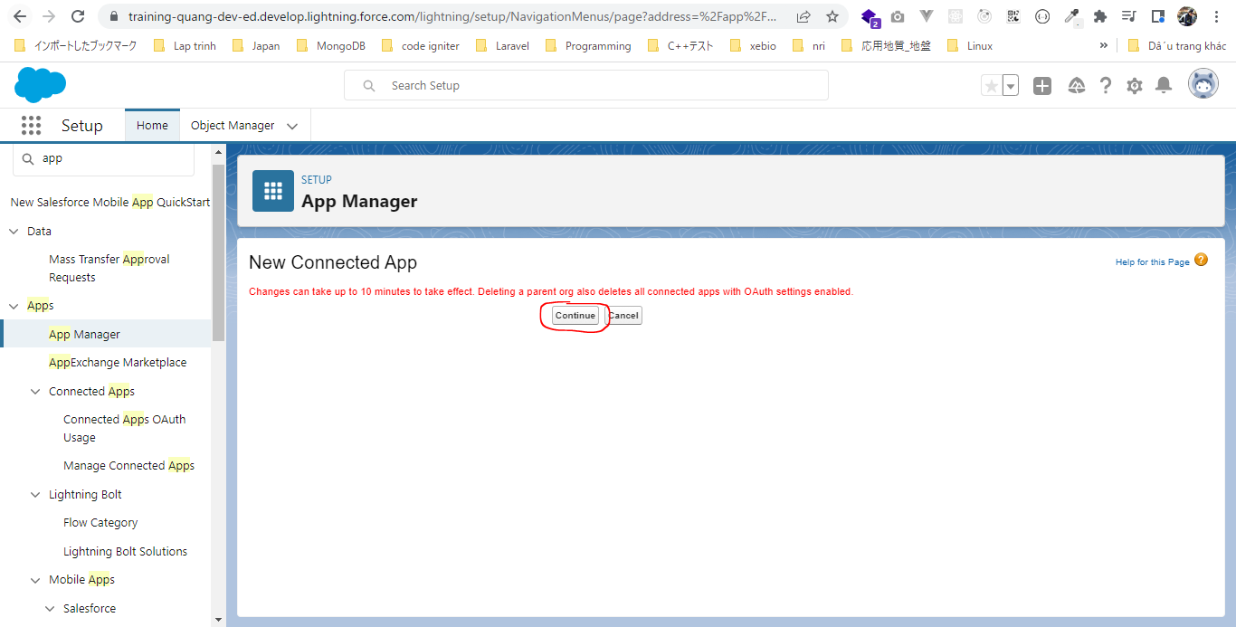

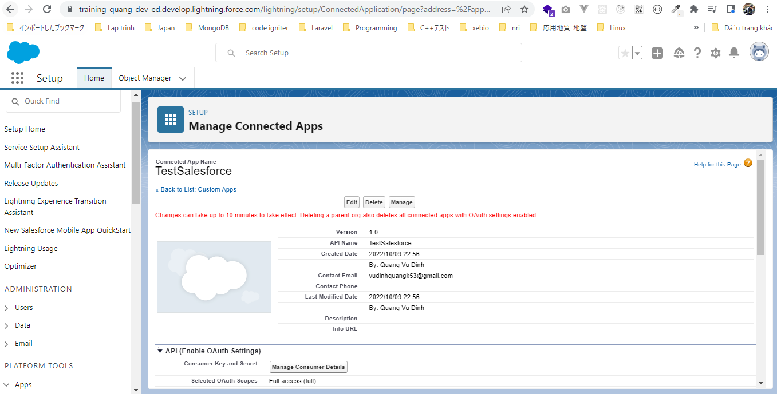

Consumer Key and Secret
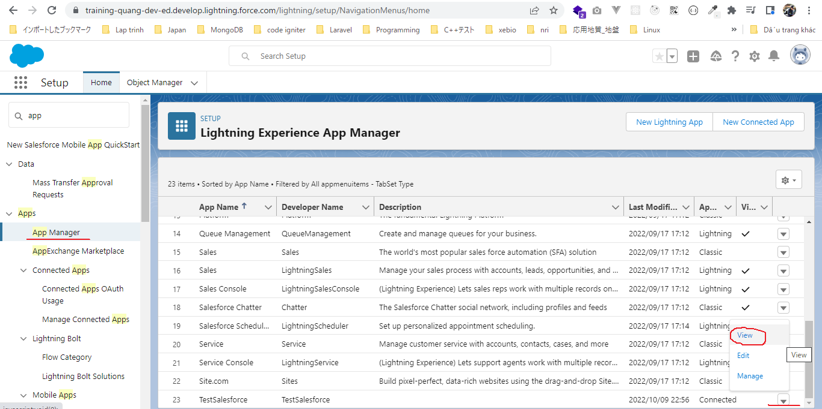

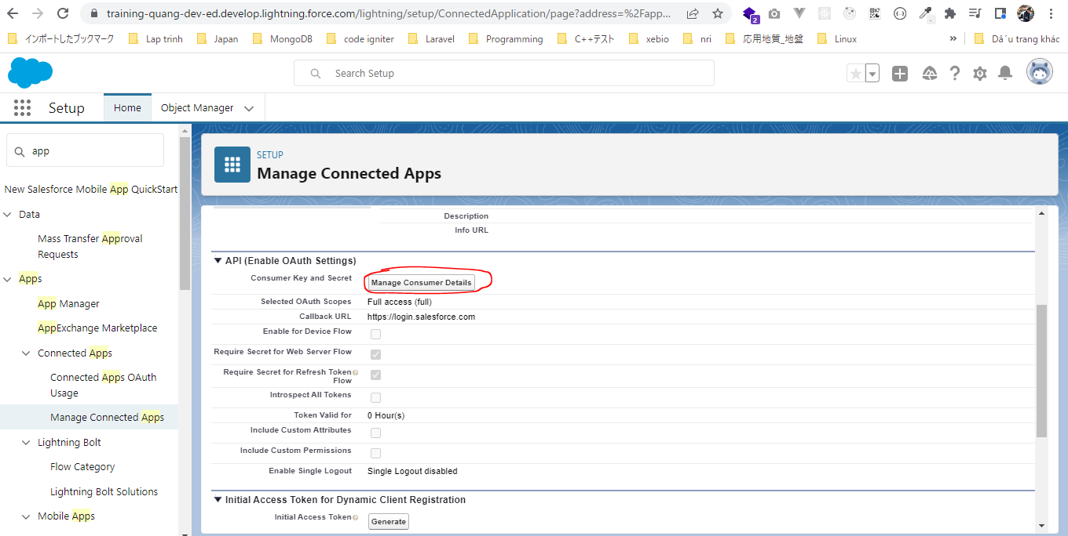

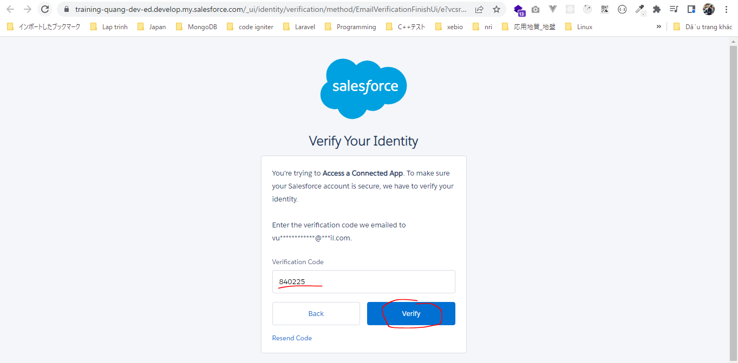

 | Consumer Key | 3MVG9fe4g9fhX0E7UjReq40zJn4dOe1Th2VXN6zovyOuuZvRkI_PzA3sOfHQMsL3LbAYEgxetLeoRiUnLGmjk
 | Consumer Secret | 6C50B4AB4D7C6E6EBB66195BEE6EE67BE4DCB60308310C552C6A558CD23130BA

Execute a SOQL Query
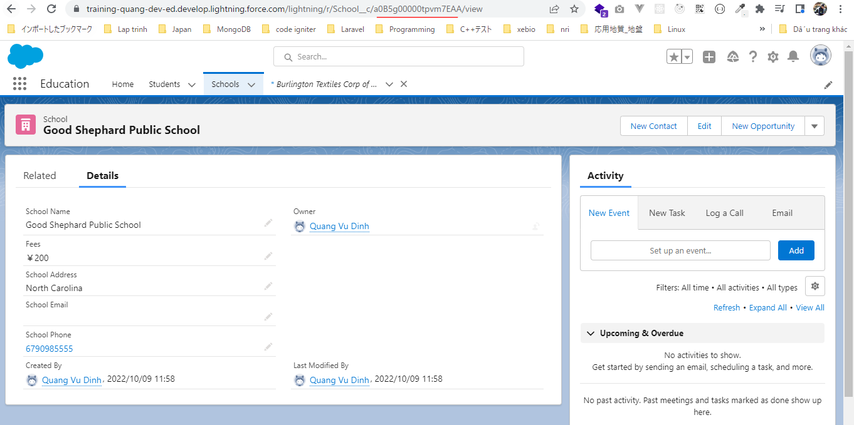
RESTAccountById
 | Authenticating REST API users
 | access_token | 00D5g00000GYf6f!ARwAQCsy9BukCwV7L830D34RGFj9z7Q8AmE9AWijdjOIs31BG6sDQ2mUF.di8fgFsgE1XJOeajtthGT4bqmWRe6fdrHxgTxX
 | instance_url | https://training-quang-dev-ed.develop.my.salesforce.com
 | instance_url/services/data/v55.0/sobjects/Account/0015g00000smH6TAAU

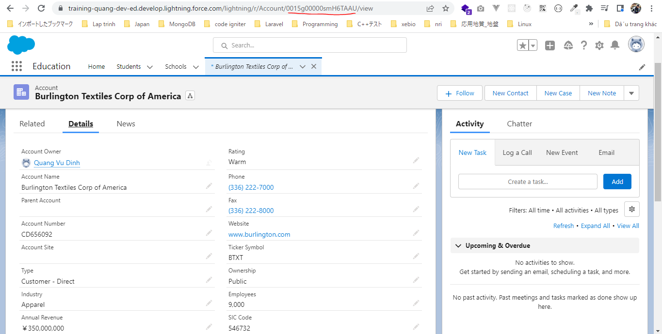

RESTStudentById
 | https://training-quang-dev-ed.develop.my.salesforce.com/services/data/v55.0/sobjects/Student__c/a0A5g000006OQuREAW
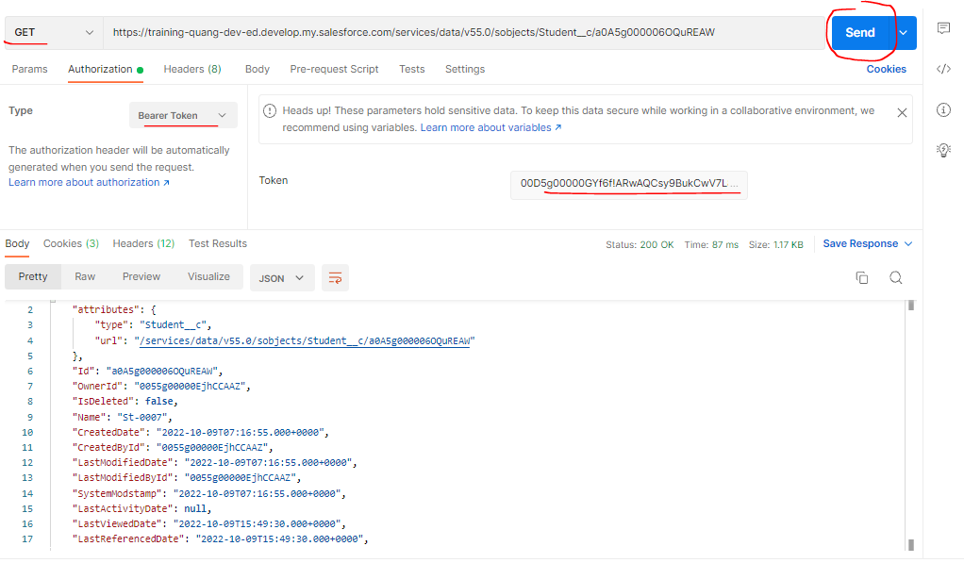

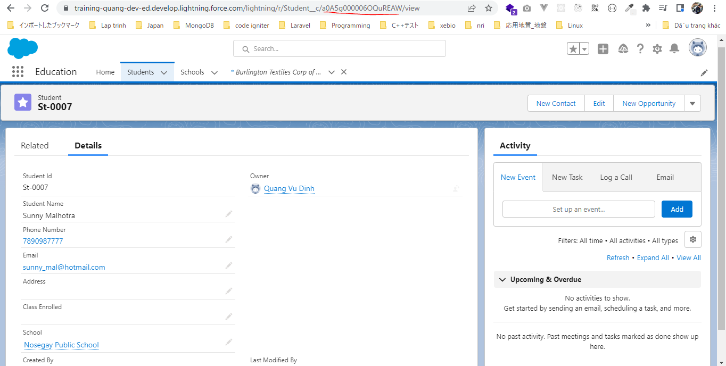

RESTSchoolById
 | https://training-quang-dev-ed.develop.my.salesforce.com/services/data/v55.0/sobjects/School__c/a0B5g00000tpvm7EAA

