Remote site settings
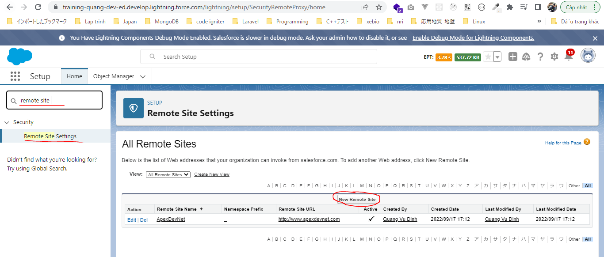
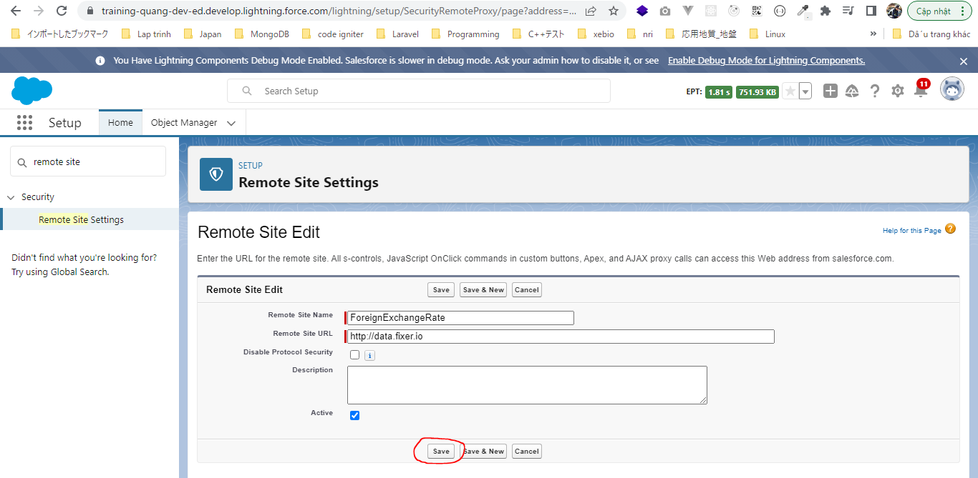
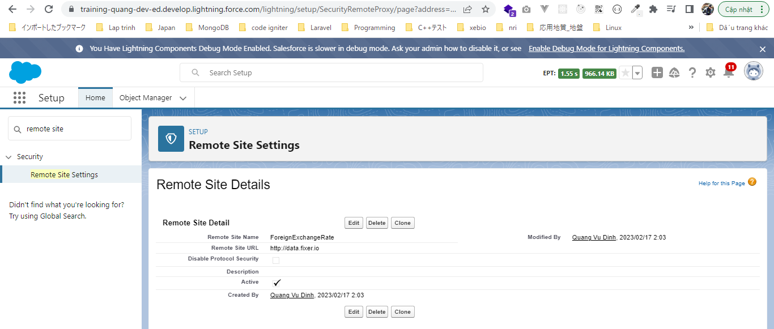
構成
 | salesforce-integration-with-external-systems
 |  | 2.SOAP-API
 |  | 3.REST-API
 |  | 4.IntegrationsWithExternalSystems
 |  |  | StudentInfoApp
 |  |  |  | bin
 |  |  |  | node_modules
 |  |  |  | public
 |  |  |  | routes
 |  |  |  |  | index.js
 |  |  |  |  | om.js
 |  |  |  |  | school.js
 |  |  |  |  | student.js
 |  | 5.Salesforce-BULK-API
 |  |  | 1.Create-a-bulk-API-in-Salesforce
 |  |  | 2.Salesforce-Bulk-Api-with-Example
 |  |  | 3.Upload-records-using-a-CSV-file
 |  |  |  | StudentFile.csv
 |  |  |  | StudentFile.xlsx
 |  |  | 4.Create-a-Transformation-Spec-That-Defines-Mappings
 |  |  |  | spec.csv
 |  |  |  | StudentFile2.csv
 |  | 6.Callouts-using-Apex

 | The web service that we are going to call will return us the foreign exchanges rates and they will give us the currency exchange for all the different countries
 | foreign exchange rate web service
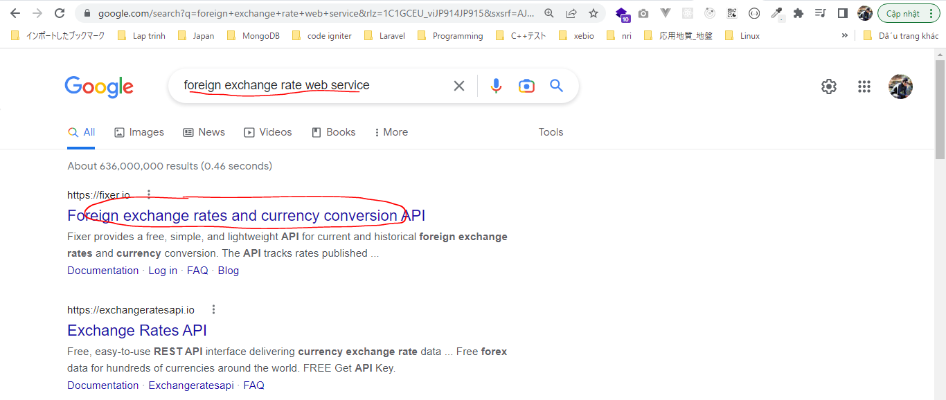

 | To make the call we need a API key
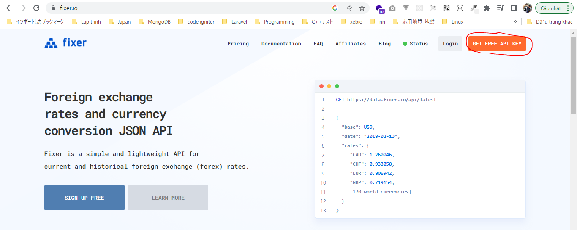

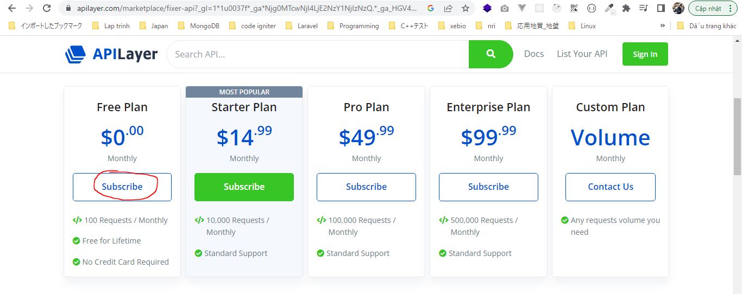

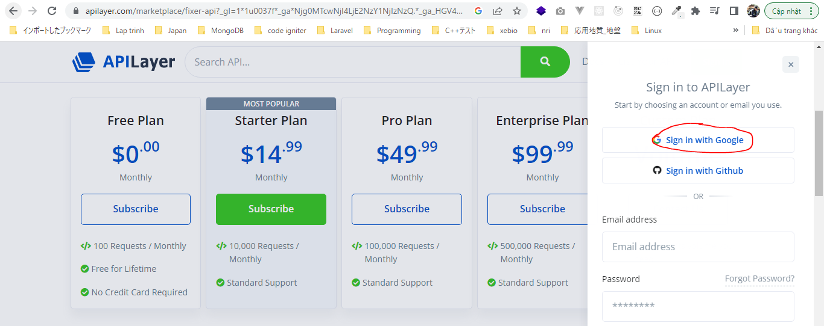

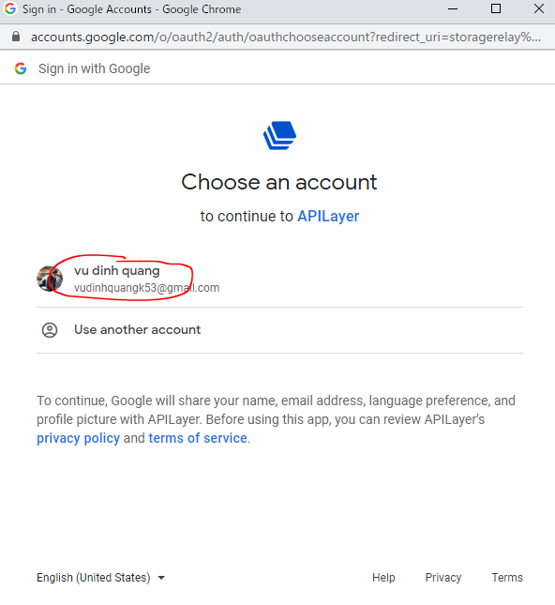

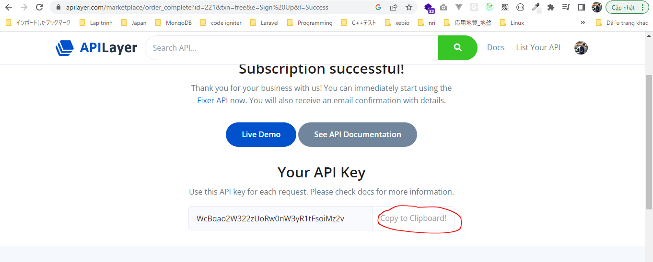

 |  | WcBqao2W322zUoRw0nW3yR1tFsoiMz2v

 | Documentation

 | salesforce-integration-with-external-systems\6.Callouts-using-Apex\test.js
 | var myHeaders = new Headers();
 | myHeaders.append("apikey", "WcBqao2W322zUoRw0nW3yR1tFsoiMz2v");

 | var requestOptions = {
 | method: 'GET',
 | redirect: 'follow',
 | headers: myHeaders
 | };

 | fetch("https://api.apilayer.com/fixer/convert?to=JPY&from=GBP&amount=25", requestOptions)
 | .then(response => response.text())
 | .then(result => console.log(result))
 | .catch(error => console.log('error', error));

 | node test.js

 | http://data.fixer.io/api/latest?access_key=738c44d040238a6f33970d76d41de37f
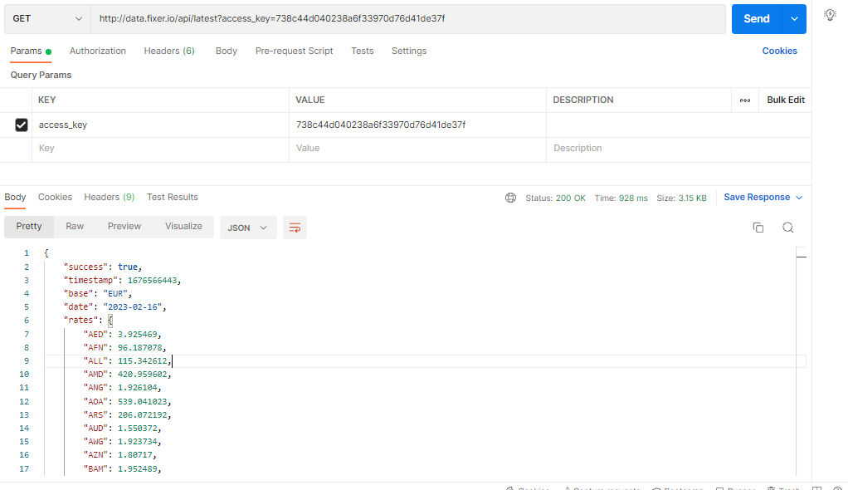

 | Remote Site Settings

Create an Apex class
Create an Apex class which makes the Callout to external system

構成
 | salesforce-integration-with-external-systems
 |  | 2.SOAP-API
 |  | 3.REST-API
 |  | 4.IntegrationsWithExternalSystems
 |  |  | StudentInfoApp
 |  |  |  | bin
 |  |  |  | node_modules
 |  |  |  | public
 |  |  |  | routes
 |  |  |  |  | index.js
 |  |  |  |  | om.js
 |  |  |  |  | school.js
 |  |  |  |  | student.js
 |  | 5.Salesforce-BULK-API
 |  |  | 1.Create-a-bulk-API-in-Salesforce
 |  |  | 2.Salesforce-Bulk-Api-with-Example
 |  |  | 3.Upload-records-using-a-CSV-file
 |  |  |  | StudentFile.csv
 |  |  |  | StudentFile.xlsx
 |  |  | 4.Create-a-Transformation-Spec-That-Defines-Mappings
 |  |  |  | spec.csv
 |  |  |  | StudentFile2.csv
 |  | 6.Callouts-using-Apex
 |  |  | 1.Create-an-Apex-class
 |  |  |  | debug.txt |  | → | new
 |  |  |  | HttpCalloutCtrl.txt |  | → | new

Create Apex Classes
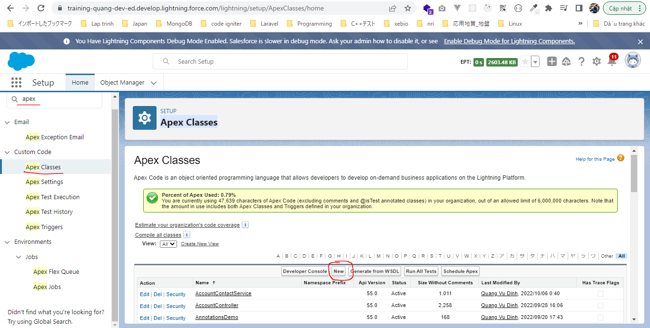

 | salesforce-integration-with-external-systems\6.Callouts-using-Apex\1.Create-an-Apex-class\HttpCalloutCtrl.txt
 | public class HttpCalloutCtrl
 | {
 | public static Map<String,Object> getCalloutResponseContents(String url)
 | {
 | Http h=new Http();
 | HttpRequest req=new HttpRequest(); |  |  |  |  |  |  | → | Specify what kind of http request is GET request? POST request?
 | req.setEndpoint(url); |  |  |  |  |  |  | → | Set up endpoint
 | req.setMethod('GET'); |  |  |  |  |  |  | → | Set up method
 | HttpResponse res=h.send(req); |  |  |  |  |  |  | → | Send request and we will get response
 | System.debug('response-->: '+res.getBody());
 | Map<String,object> resultsMap= (Map<String,object>)JSON.deserializeUntyped(res.getBody()); |  |  |  |  |  |  | → | Get body of response. In the response we have other things like status code, other headers. The response would be in a JSON format. So we will deserialize the JSON string into a collection of primitive data type
 | System.debug('resultsMap '+resultsMap);
 | return resultsMap;

 | }

 | }

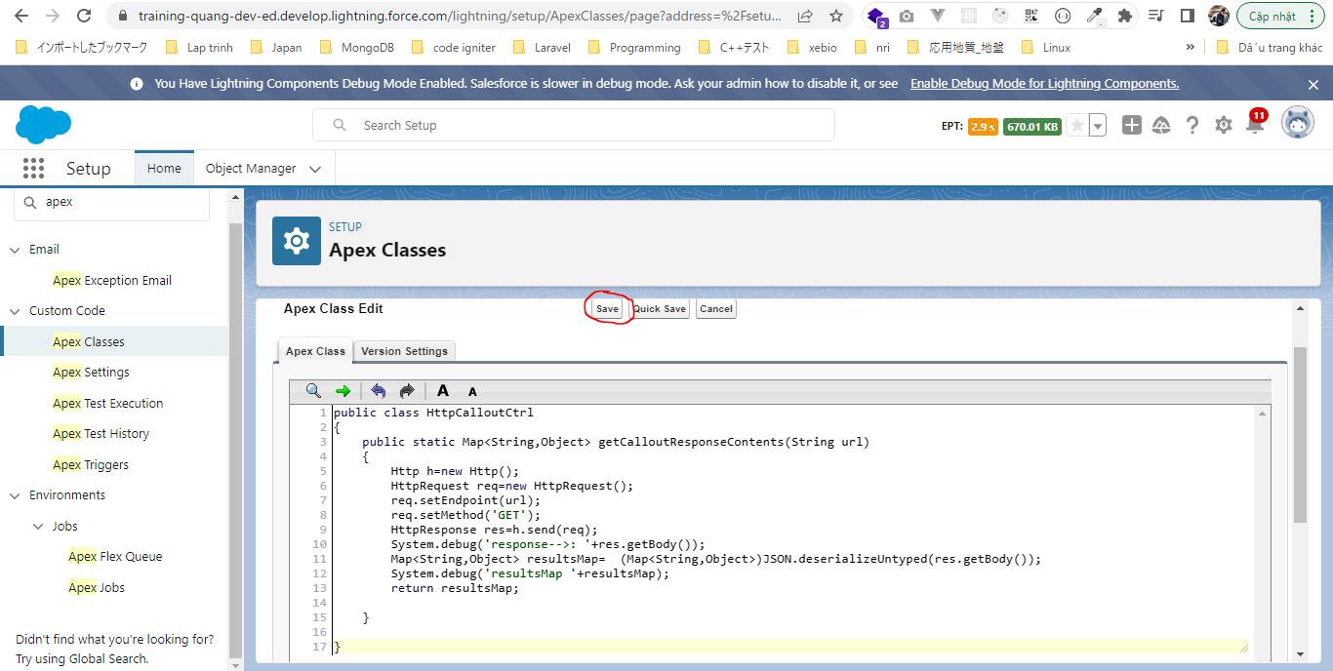

Debug
 | salesforce-integration-with-external-systems\6.Callouts-using-Apex\1.Create-an-Apex-class\debug.txt
 | HttpCalloutCtrl.getCalloutResponseContents('http://data.fixer.io/api/latest?access_key=738c44d040238a6f33970d76d41de37f');

 | Json
 |  | {
 |  | "success":true,
 |  | "timestamp":1676620504,
 |  | "base":"EUR",
 |  | "date":"2023-02-17",
 |  | "rates":
 |  | {
 |  | "AED":3.907105,
 |  | "AFN":94.67199,
 |  | "ALL":115.367901,
 |  | "AMD":421.036089,
 |  | "ANG":1.926535,
 |  | "AOA":539.846683,
 |  | "ARS":205.110091,
 |  | "AUD":1.555218,
 |  | "AWG":1.914711,
 |  | "AZN":1.809245,
 |  | "BAM":1.952908,
 |  | "BBD":2.15828,
 |  | "BDT":113.092863,

 |  | Can refer


 |  |  | {
 |  |  | "success": true,
 |  |  | "timestamp": 1676566443,
 |  |  | "base": "EUR",
 |  |  | "date": "2023-02-16",
 |  |  | "rates": {
 |  |  | "AED": 3.925469,
 |  |  | "AFN": 96.187078,
 |  |  | "ALL": 115.342612,
 |  |  | "AMD": 420.959602,
 |  |  | "ANG": 1.926104,
 |  |  | "AOA": 539.041023,
 |  |  | "ARS": 206.072192,
 |  |  | "AUD": 1.550372,
 |  |  | "AWG": 1.923734,
 |  |  | "AZN": 1.80717,
 |  |  | "BAM": 1.952489,
 |  |  | "BBD": 2.157827,
 |  |  | "BDT": 113.068603,
 |  |  | "BGN": 1.958976,
 |  |  | "BHD": 0.402819,
 |  |  | "BIF": 2212.293952,
 |  |  | "BMD": 1.068741,
 |  |  | "BND": 1.42556,
 |  |  | "BOB": 7.384831,
 |  |  | "BRL": 5.593682,
 |  |  | "BSD": 1.068681,
 |  |  | "BTC": 4.2851408e-5,
 |  |  | "BTN": 88.329666,
 |  |  | "BWP": 14.061967,
 |  |  | "BYN": 2.698083,
 |  |  | "BYR": 20947.324374,
 |  |  | "BZD": 2.154234,
 |  |  | "CAD": 1.436468,
 |  |  | "CDF": 2187.712632,
 |  |  | "CHF": 0.988313,
 |  |  | "CLF": 0.030645,
 |  |  | "CLP": 845.587504,
 |  |  | "CNY": 7.332314,
 |  |  | "COP": 5253.460704,
 |  |  | "CRC": 600.478007,
 |  |  | "CUC": 1.068741,
 |  |  | "CUP": 28.321638,
 |  |  | "CVE": 110.076623,
 |  |  | "CZK": 23.67897,
 |  |  | "DJF": 190.28614,
 |  |  | "DKK": 7.447412,
 |  |  | "DOP": 59.943977,
 |  |  | "DZD": 146.23524,
 |  |  | "EGP": 32.673867,
 |  |  | "ERN": 16.031116,
 |  |  | "ETB": 57.436745,
 |  |  | "EUR": 1,
 |  |  | "FJD": 2.344337,
 |  |  | "FKP": 0.888313,
 |  |  | "GBP": 0.889128,
 |  |  | "GEL": 2.831712,
 |  |  | "GGP": 0.888313,
 |  |  | "GHS": 13.225167,
 |  |  | "GIP": 0.888313,
 |  |  | "GMD": 65.2985,
 |  |  | "GNF": 9201.553176,
 |  |  | "GTQ": 8.362667,
 |  |  | "GYD": 225.494107,
 |  |  | "HKD": 8.388597,
 |  |  | "HNL": 26.344163,
 |  |  | "HRK": 7.539748,
 |  |  | "HTG": 161.375345,
 |  |  | "HUF": 383.888589,
 |  |  | "IDR": 16179.670597,
 |  |  | "ILS": 3.79822,
 |  |  | "IMP": 0.888313,
 |  |  | "INR": 88.400596,
 |  |  | "IQD": 1559.785299,
 |  |  | "IRR": 45154.308535,
 |  |  | "ISK": 154.476176,
 |  |  | "JEP": 0.888313,
 |  |  | "JMD": 165.114436,
 |  |  | "JOD": 0.758167,
 |  |  | "JPY": 143.141297,
 |  |  | "KES": 134.28705,
 |  |  | "KGS": 93.429236,
 |  |  | "KHR": 4362.434468,
 |  |  | "KMF": 492.636282,
 |  |  | "KPW": 961.83567,
 |  |  | "KRW": 1377.863571,
 |  |  | "KWD": 0.327462,
 |  |  | "KYD": 0.890576,
 |  |  | "KZT": 474.018801,
 |  |  | "LAK": 18093.13681,
 |  |  | "LBP": 16041.398092,
 |  |  | "LKR": 390.079698,
 |  |  | "LRD": 168.112656,
 |  |  | "LSL": 19.280115,
 |  |  | "LTL": 3.155714,
 |  |  | "LVL": 0.646471,
 |  |  | "LYD": 5.130121,
 |  |  | "MAD": 11.018447,
 |  |  | "MDL": 20.011454,
 |  |  | "MGA": 4597.714847,
 |  |  | "MKD": 61.804536,
 |  |  | "MMK": 2244.29349,
 |  |  | "MNT": 3761.264408,
 |  |  | "MOP": 8.640314,
 |  |  | "MRO": 381.540367,
 |  |  | "MUR": 49.319582,
 |  |  | "MVR": 16.415985,
 |  |  | "MWK": 1096.931061,
 |  |  | "MXN": 19.785174,
 |  |  | "MYR": 4.706708,
 |  |  | "MZN": 67.431446,
 |  |  | "NAD": 19.279836,
 |  |  | "NGN": 492.208632,
 |  |  | "NIO": 39.050173,
 |  |  | "NOK": 10.933338,
 |  |  | "NPR": 141.327466,
 |  |  | "NZD": 1.704213,
 |  |  | "OMR": 0.411435,
 |  |  | "PAB": 1.068681,
 |  |  | "PEN": 4.118951,
 |  |  | "PGK": 3.765656,
 |  |  | "PHP": 59.028167,
 |  |  | "PKR": 282.404315,
 |  |  | "PLN": 4.777449,
 |  |  | "PYG": 7777.889523,
 |  |  | "QAR": 3.891313,
 |  |  | "RON": 4.900279,
 |  |  | "RSD": 117.326408,
 |  |  | "RUB": 79.85101,
 |  |  | "RWF": 1160.63464,
 |  |  | "SAR": 4.008892,
 |  |  | "SBD": 0.130922,
 |  |  | "SCR": 15.107612,
 |  |  | "SDG": 624.144866,
 |  |  | "SEK": 11.144367,
 |  |  | "SGD": 1.427224,
 |  |  | "SHP": 1.300391,
 |  |  | "SLE": 21.207619,
 |  |  | "SLL": 21107.6351,
 |  |  | "SOS": 608.649528,
 |  |  | "SRD": 35.286085,
 |  |  | "STD": 22120.781738,
 |  |  | "SVC": 9.351085,
 |  |  | "SYP": 2684.617246,
 |  |  | "SZL": 19.35975,
 |  |  | "THB": 36.694173,
 |  |  | "TJS": 11.237369,
 |  |  | "TMT": 3.751281,
 |  |  | "TND": 3.334937,
 |  |  | "TOP": 2.500956,
 |  |  | "TRY": 20.151438,
 |  |  | "TTD": 7.25645,
 |  |  | "TWD": 32.370563,
 |  |  | "TZS": 2499.78555,
 |  |  | "UAH": 39.469455,
 |  |  | "UGX": 3922.124679,
 |  |  | "USD": 1.068741,
 |  |  | "UYU": 41.78649,
 |  |  | "UZS": 12133.974857,
 |  |  | "VEF": 2595698.678881,
 |  |  | "VES": 25.82987,
 |  |  | "VND": 25334.506342,
 |  |  | "VUV": 124.539749,
 |  |  | "WST": 2.902514,
 |  |  | "XAF": 654.836364,
 |  |  | "XAG": 0.049213,
 |  |  | "XAU": 0.000581,
 |  |  | "XCD": 2.888326,
 |  |  | "XDR": 0.799033,
 |  |  | "XOF": 654.836364,
 |  |  | "XPF": 119.324646,
 |  |  | "YER": 267.50073,
 |  |  | "ZAR": 19.385256,
 |  |  | "ZMK": 9619.953984,
 |  |  | "ZMW": 20.738304,
 |  |  | "ZWL": 344.134179
 |  |  | }
 |  |  | }

 | Map
 |  | {
 |  | base=EUR,
 |  | date=2023-02-17,
 |  | rates=
 |  | {
 |  | AED=3.907105,
 |  | AFN=94.67199,
 |  | ALL=115.367901,
 |  | AMD=421.036089,
 |  | ANG=1.926535,
 |  | AOA=539.846683,
 |  | ARS=205.110091,
 |  | AUD=1.555218,
 |  | AWG=1.914711,
 |  | AZN=1.809245, ...
 |  | },
 |  | success=true,
 |  | timestamp=1676620504
 |  | }

MakeHttpCalloutFromLightningCmp
Make HTTP Callout from Lightning component

構成
 | salesforce-integration-with-external-systems
 |  | 2.SOAP-API
 |  | 3.REST-API
 |  | 4.IntegrationsWithExternalSystems
 |  |  | StudentInfoApp
 |  |  |  | bin
 |  |  |  | node_modules
 |  |  |  | public
 |  |  |  | routes
 |  |  |  |  | index.js
 |  |  |  |  | om.js
 |  |  |  |  | school.js
 |  |  |  |  | student.js
 |  | 5.Salesforce-BULK-API
 |  |  | 1.Create-a-bulk-API-in-Salesforce
 |  |  | 2.Salesforce-Bulk-Api-with-Example
 |  |  | 3.Upload-records-using-a-CSV-file
 |  |  |  | StudentFile.csv
 |  |  |  | StudentFile.xlsx
 |  |  | 4.Create-a-Transformation-Spec-That-Defines-Mappings
 |  |  |  | spec.csv
 |  |  |  | StudentFile2.csv
 |  | 6.Callouts-using-Apex
 |  |  | 1.Create-an-Apex-class
 |  |  |  | debug.txt
 |  |  |  | HttpCalloutCtrl.txt
 |  |  | 2.Make-HTTP-Callout-from-Lightning-component |  |  |  |  | → | new
 |  |  |  | SampleComponent.txt
 |  |  |  | SampleComponent1.txt
 |  |  |  | SampleComponentController.txt
 |  |  |  | SampleComponentHelper.txt

Create Aura Component
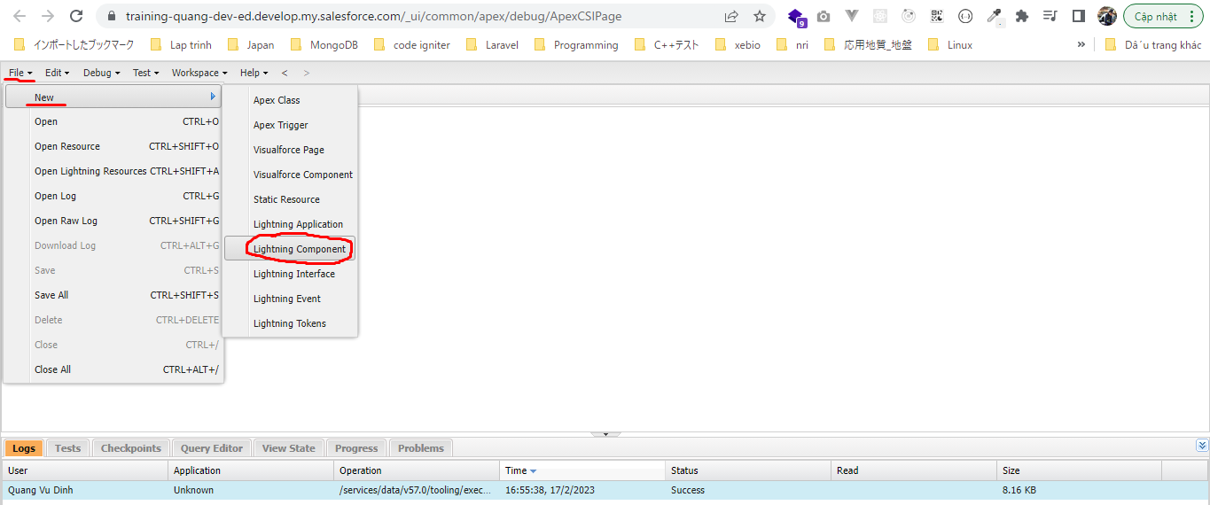

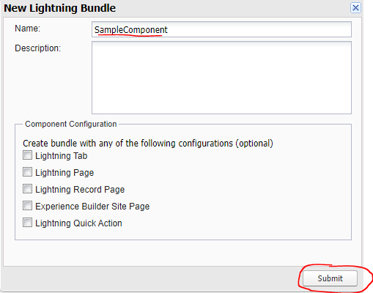

 | salesforce-integration-with-external-systems\6.Callouts-using-Apex\2.Make-HTTP-Callout-from-Lightning-component\SampleComponent.txt
 | <aura:component controller="HttpCalloutCtrl" >
 | <aura:attribute name="ListOfCurrency" type="String[]"/>
 | <aura:attribute name="response" type="Map" />
 | <div class="slds-m-around-medium">
 |  | <div class="slds-media__body">
 |  | <p class="slds-page-header__title slds-truncate " title="Foreign Exchange Rates"> Foreign Exchange Rates by Deepika</p>
 | <br/><br/>
 | <lightning:button variant="brand" label="Foreign Ex Rates" onclick="{!c.calloutCtrl}" />
 | </div>
 | </div>

 | <h3 class="slds-section-title--divider">Date: {!v.response.date}</h3>
 | <ul class="slds-list--dotted">
 |  | <aura:iteration items="{!v.ListOfCurrency}" var="rateLst">
 |  | <li>{!rateLst}</li>
 | </aura:iteration>
 | </ul>
 | </aura:component>

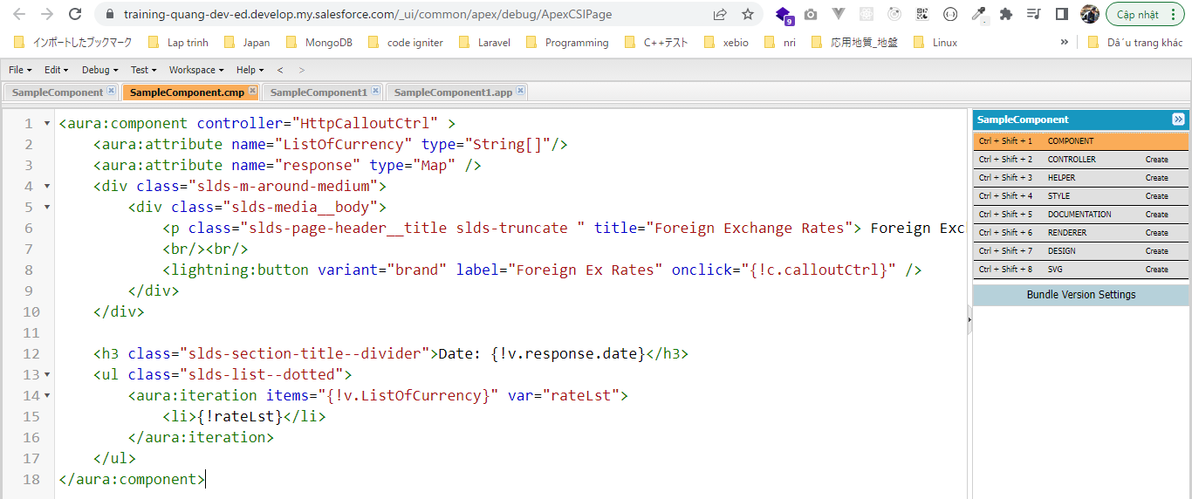

Create Lightning Application
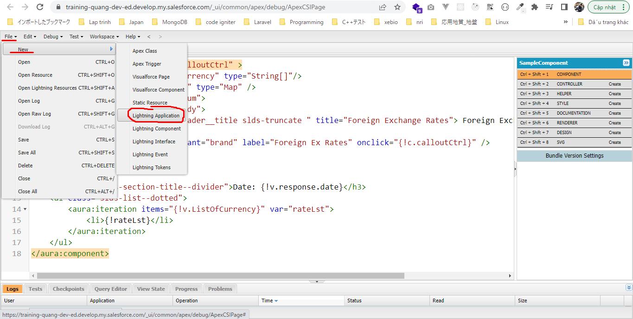

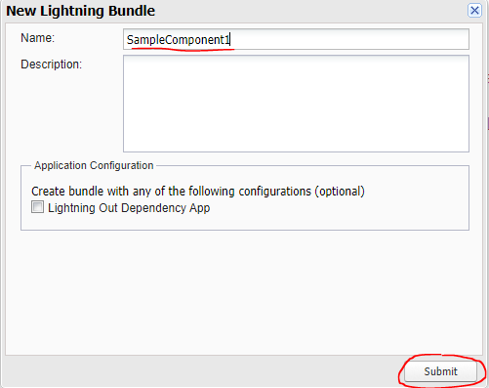

 | salesforce-integration-with-external-systems\6.Callouts-using-Apex\2.Make-HTTP-Callout-from-Lightning-component\SampleComponent1.txt
 | <aura:application extends="force:slds"> |  |  |  |  | → | slds: Salesforce Lightning Design System
 | <c:SampleComponent />
 | </aura:application>

 | Preview

CalloutShowDataInsideSalesforce
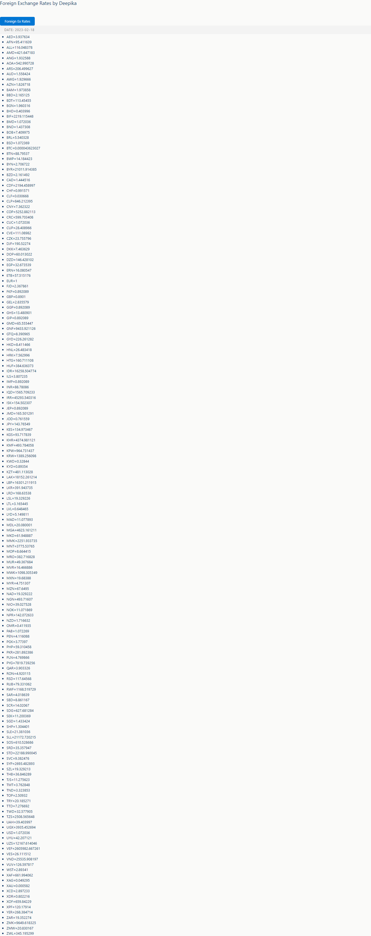
Make HTTP Callout From Lightning Component And Show Data inside Salesforce

構成
 | salesforce-integration-with-external-systems
 |  | 2.SOAP-API
 |  | 3.REST-API
 |  | 4.IntegrationsWithExternalSystems
 |  |  | StudentInfoApp
 |  |  |  | bin
 |  |  |  | node_modules
 |  |  |  | public
 |  |  |  | routes
 |  |  |  |  | index.js
 |  |  |  |  | om.js
 |  |  |  |  | school.js
 |  |  |  |  | student.js
 |  | 5.Salesforce-BULK-API
 |  |  | 1.Create-a-bulk-API-in-Salesforce
 |  |  | 2.Salesforce-Bulk-Api-with-Example
 |  |  | 3.Upload-records-using-a-CSV-file
 |  |  |  | StudentFile.csv
 |  |  |  | StudentFile.xlsx
 |  |  | 4.Create-a-Transformation-Spec-That-Defines-Mappings
 |  |  |  | spec.csv
 |  |  |  | StudentFile2.csv
 |  | 6.Callouts-using-Apex
 |  |  | 1.Create-an-Apex-class
 |  |  |  | debug.txt
 |  |  |  | HttpCalloutCtrl.txt |  | → | Code
 |  |  | 2.Make-HTTP-Callout-from-Lightning-component
 |  |  |  | SampleComponent.txt
 |  |  |  | SampleComponent1.txt
 |  |  |  | SampleComponentController.txt |  | → | Code
 |  |  |  | SampleComponentHelper.txt |  | → | Code

 | salesforce-integration-with-external-systems\6.Callouts-using-Apex\1.Create-an-Apex-class\HttpCalloutCtrl.txt
 | public class HttpCalloutCtrl
 | {
 | @AuraEnabled
 | public static Map<String,Object> getCalloutResponseContents(String url)
 | {
 | Http h=new Http();
 | HttpRequest req=new HttpRequest();
 | req.setEndpoint(url);
 | req.setMethod('GET');
 | HttpResponse res=h.send(req);
 | System.debug('response-->: '+res.getBody());
 | Map<String,Object> resultsMap= (Map<String,Object>)JSON.deserializeUntyped(res.getBody());
 | System.debug('resultsMap '+resultsMap);
 | return resultsMap;

 | }

 | }

 | salesforce-integration-with-external-systems\6.Callouts-using-Apex\2.Make-HTTP-Callout-from-Lightning-component\SampleComponentHelper.txt
 | ({
 |  | getResponse : function(component) {
 |  |  | console.log('I m inside the helper');
 | var action=component.get("c.getCalloutResponseContents");
 | action.setParams({
 | "url":'http://data.fixer.io/api/latest?access_key=738c44d040238a6f33970d76d41de37f'
 | });
 | action.setCallback(this,function(response){
 | var state=response.getState();
 | if(component.isValid && state==="SUCCESS")
 | {
 | console.log('response.getReturnValue()=> '+JSON.stringify(response.getReturnValue()));
 | component.set("v.response",response.getReturnValue());
 | var getAllRates=component.get("v.response")['rates'];
 | console.log('getAllRates=> '+JSON.stringify(getAllRates));
 | var CurrencyList=[];
 | for(var key in getAllRates)
 | {
 | CurrencyList.push(key+'='+getAllRates[key]); //INR=70
 | }
 | component.set("v.ListOfCurrency",CurrencyList);
 | console.log('CurrencyList=> '+CurrencyList);
 | }
 | });
 | $A.enqueueAction(action);
 |  | },
 | })

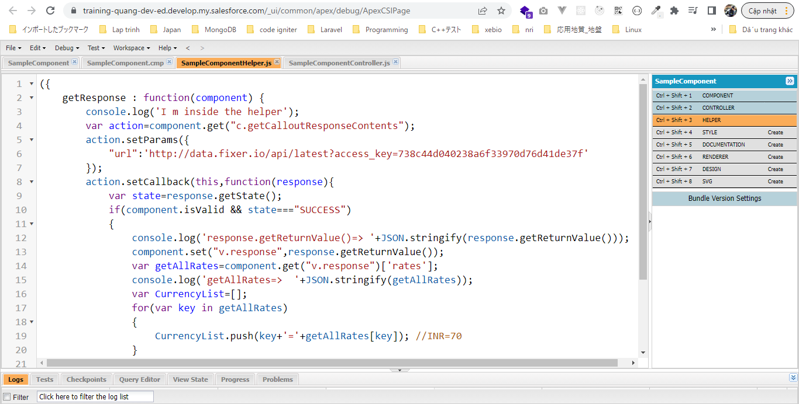

 | salesforce-integration-with-external-systems\6.Callouts-using-Apex\2.Make-HTTP-Callout-from-Lightning-component\SampleComponentController.txt
 | ({
 |  | calloutCtrl : function(component, event, helper) {
 |  |  | helper.getResponse(component);
 |  | }
 | })

Check browser

