Create a bulk API in Salesforce
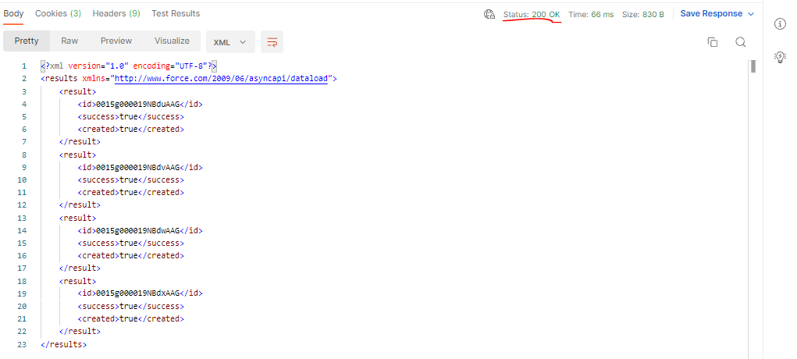
 | First step we authenticate ourselves same way we did it for the rest API we send grant_type, client_id, client_secret, username and password. We send request and then in response we get an
 | access token and the instance URL
 | Create a job whenever we are creating our job, we have to specify operation type, specify the object, in response we are going to get the job Id. This job Id will be used in order to add the batch
 | to this job Id and the batch will have all the records that we want to insert

構成
 | salesforce-integration-with-external-systems
 |  | 2.SOAP-API
 |  | 3.REST-API
 |  | 4.IntegrationsWithExternalSystems
 |  |  | StudentInfoApp
 |  |  |  | bin
 |  |  |  | node_modules
 |  |  |  | public
 |  |  |  | routes
 |  |  |  |  | index.js
 |  |  |  |  | om.js
 |  |  |  |  | school.js
 |  |  |  |  | student.js
 |  | 5.Salesforce-BULK-API |  |  |  | → | new

Authenticate

 |  | {
 |  | "access_token": "00D5g00000GYf6f!ARwAQFyj7rJQGgsPYch_1bYQ1msA9XDoFLkqga3Vvu4dMuTh5HtCoLwypvZrTpkWnPcG2pgCwbcRinxseDg6FE9KkWCrGQ7l",
 |  | "instance_url": "https://training-quang-dev-ed.develop.my.salesforce.com",
 |  | "id": "https://login.salesforce.com/id/00D5g00000GYf6fEAD/0055g00000EjhCCAAZ",
 |  | "token_type": "Bearer",
 |  | "issued_at": "1676339286529",
 |  | "signature": "SFX3ox1lJWQQPP2mt9tDG7Pr4Gt/epL2dLGRZIo+R/Y="
 |  | }

Create the job
 | https://developer.salesforce.com/docs/atlas.en-us.api_asynch.meta/api_asynch/asynch_api_quickstart_create_job.htm
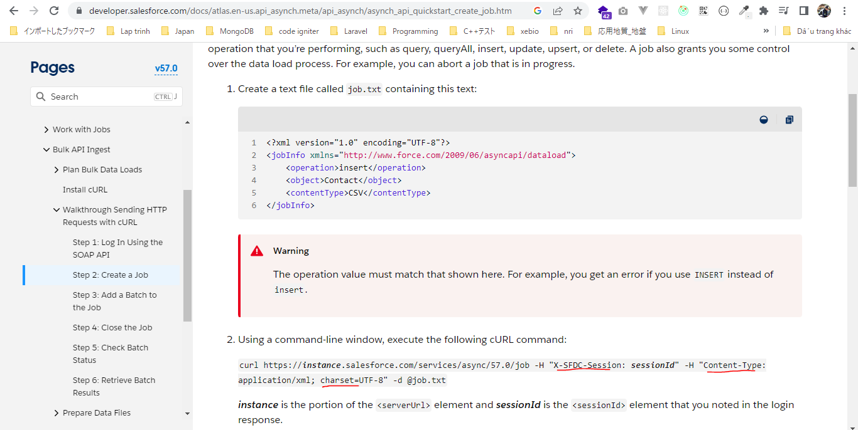

 | https://training-quang-dev-ed.develop.my.salesforce.com/services/async/57.0/job

 |  | salesforce-integration-with-external-systems\5.Salesforce-BULK-API\1.Create-a-bulk-API-in-Salesforce\CreateJOB.txt
 |  | <?xml version="1.0" encoding="UTF-8"?>
 |  | <jobInfo xmlns="http://www.force.com/2009/06/asyncapi/dataload">
 |  |  | <operation>insert</operation>
 |  |  | <object>Account</object>
 |  |  | <contentType>XML</contentType> |  |  |  | → | What kind of in what form we are going to send the data. So we are going to send it in the XML form
 |  | </jobInfo>



Add batch to job
 | https://developer.salesforce.com/docs/atlas.en-us.api_asynch.meta/api_asynch/asynch_api_quickstart_add_batch.htm
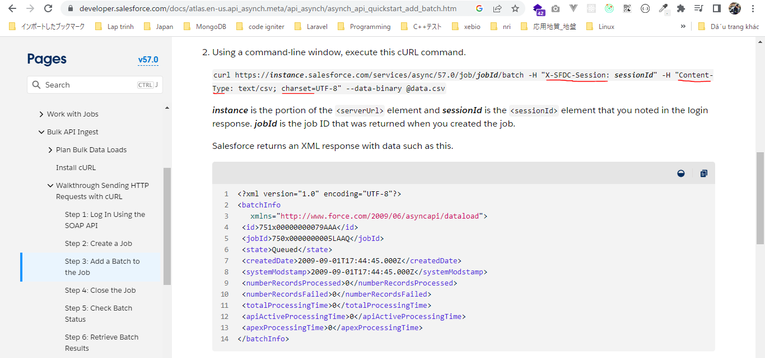

 | https://training-quang-dev-ed.develop.my.salesforce.com/services/async/57.0/job/7505g00000IHKSZAA5/batch

 | We want to add the records that we want to create. In body we are going to specify all the objects basically the records we want to insert
 |  | <sObjects xmlns="http://www.force.com/2009/06/asyncapi/dataload">
 |  | <sObject>
 |  | <type>Account</type> |  |  |  |  |  | → | field type
 |  | <Name> Dummy 101 </Name> |  |  |  |  |  | → | field Name
 |  | </sObject>
 |  | <sObject>
 |  | <type>Account</type>
 |  | <Name> Dummy 102 </Name>
 |  | </sObject>
 |  | <sObject>
 |  | <type>Account</type>
 |  | <Name> Dummy 103 </Name>
 |  | </sObject>
 |  | <sObject>
 |  | <type>Account</type>
 |  | <Name> Dummy 104 </Name>
 |  | </sObject>
 |  | </sObjects>
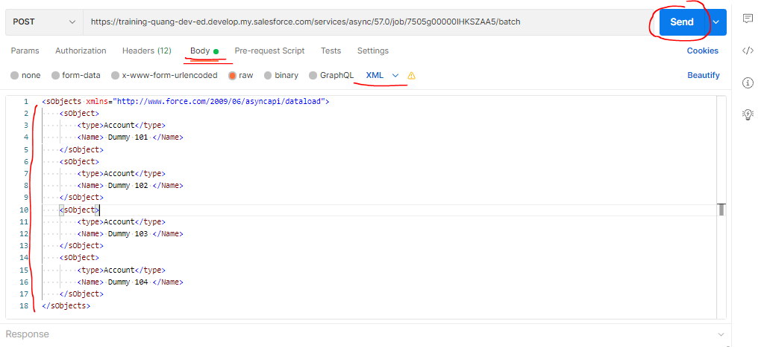

 |  | <?xml version="1.0" encoding="UTF-8"?>
 |  | <batchInfo
 |  | xmlns="http://www.force.com/2009/06/asyncapi/dataload">
 |  | <id>7515g00000LYUFmAAP</id>
 |  | <jobId>7505g00000IHKSZAA5</jobId>
 |  | <state>Queued</state>
 |  | <createdDate>2023-02-14T02:27:31.000Z</createdDate>
 |  | <systemModstamp>2023-02-14T02:27:31.000Z</systemModstamp>
 |  | <numberRecordsProcessed>0</numberRecordsProcessed>
 |  | <numberRecordsFailed>0</numberRecordsFailed>
 |  | <totalProcessingTime>0</totalProcessingTime>
 |  | <apiActiveProcessingTime>0</apiActiveProcessingTime>
 |  | <apexProcessingTime>0</apexProcessingTime>
 |  | </batchInfo>

Check browser
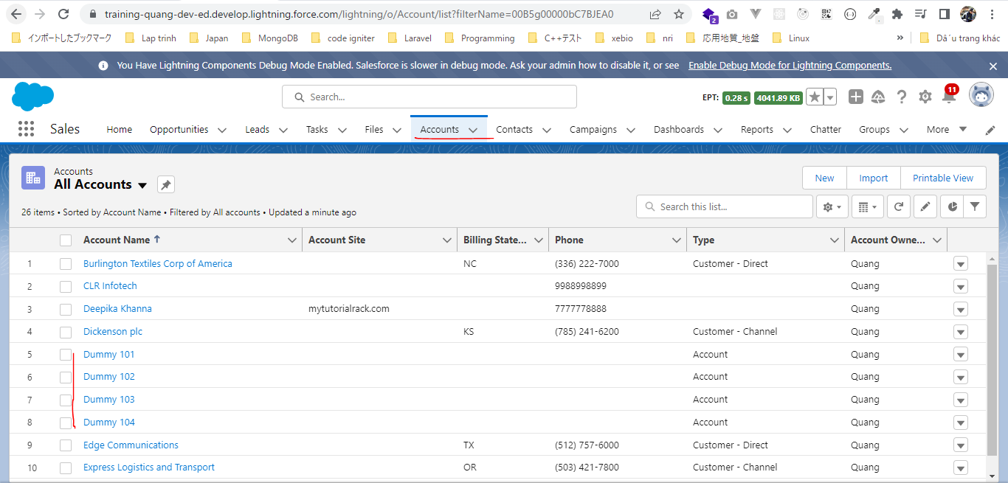

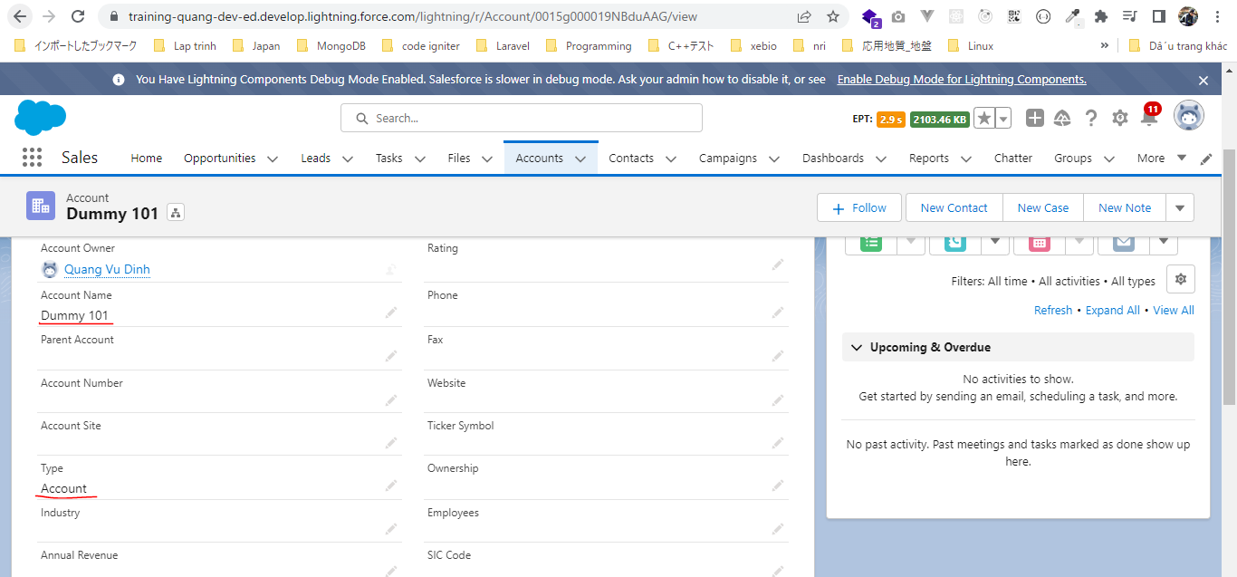

Check the status of job
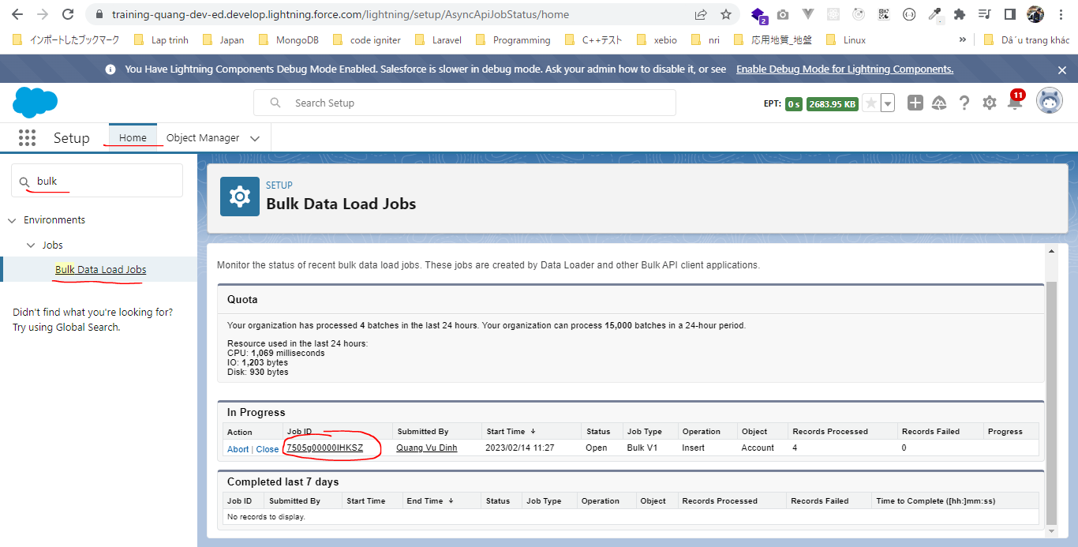

 | Completed status and there are 4 records have been processed and there was no failure
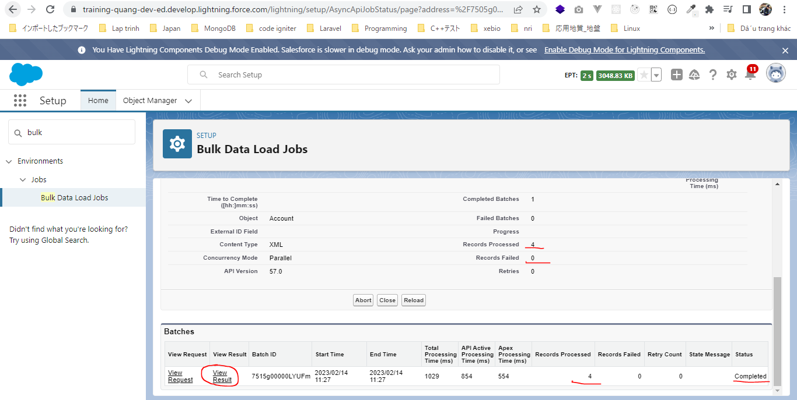

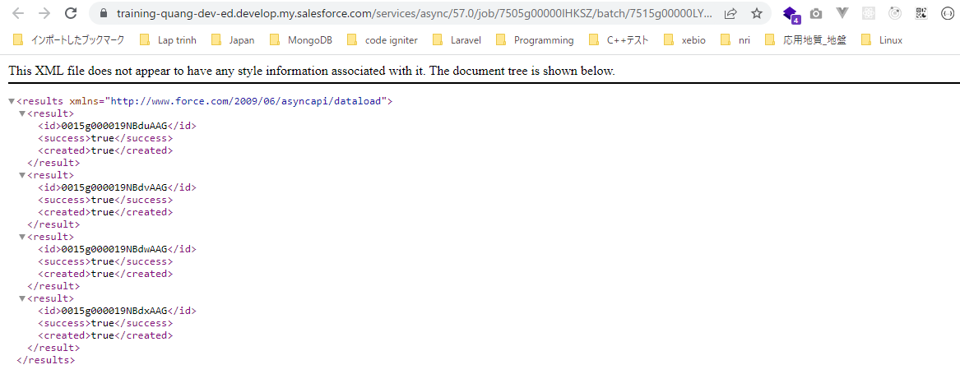

Close the Job
 | Beforce Close, status is Open
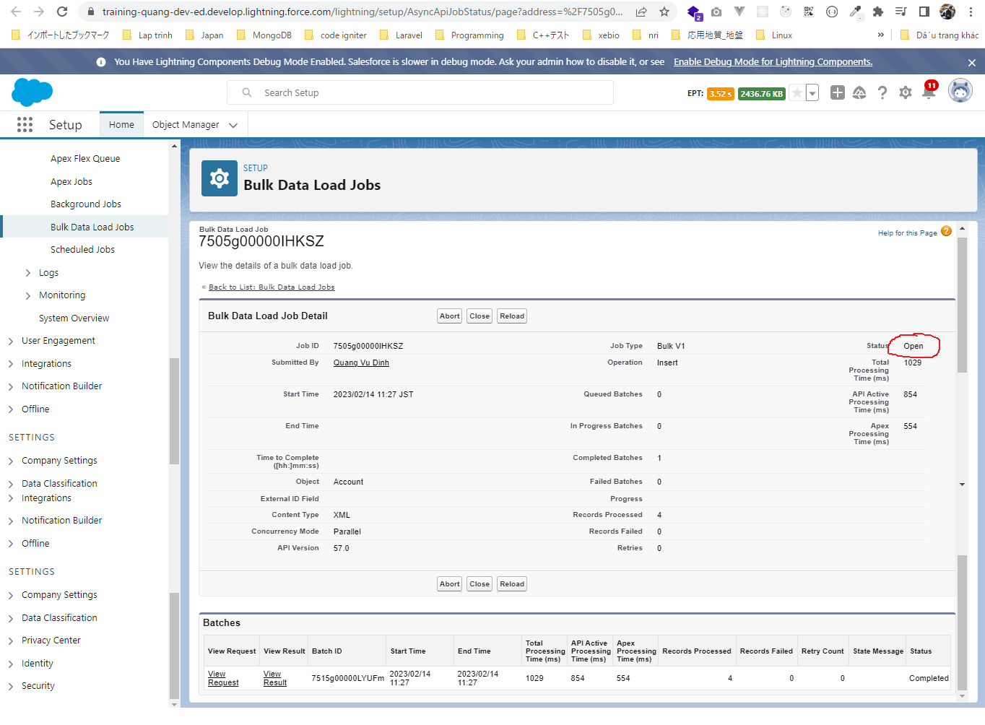

 | https://training-quang-dev-ed.develop.my.salesforce.com/services/async/57.0/job/7505g00000IHKSZAA5

 |  | <?xml version="1.0" encoding="UTF-8"?>
 |  | <jobInfo xmlns="http://www.force.com/2009/06/asyncapi/dataload">
 |  | <state>Closed</state>
 |  | </jobInfo>

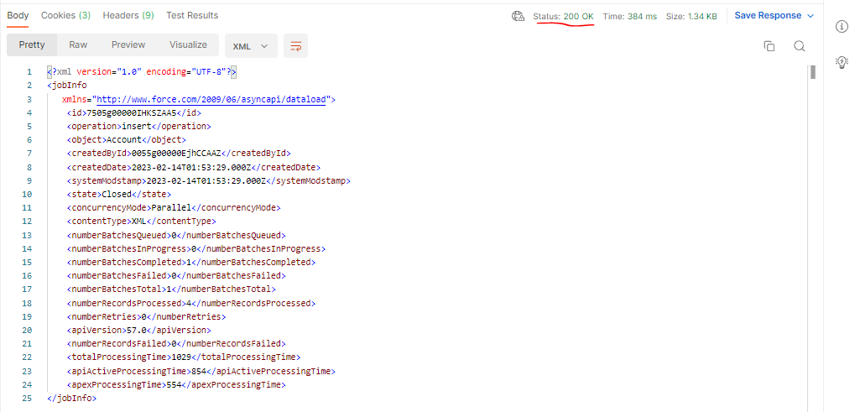

 | After close, status is Close, Process 100%
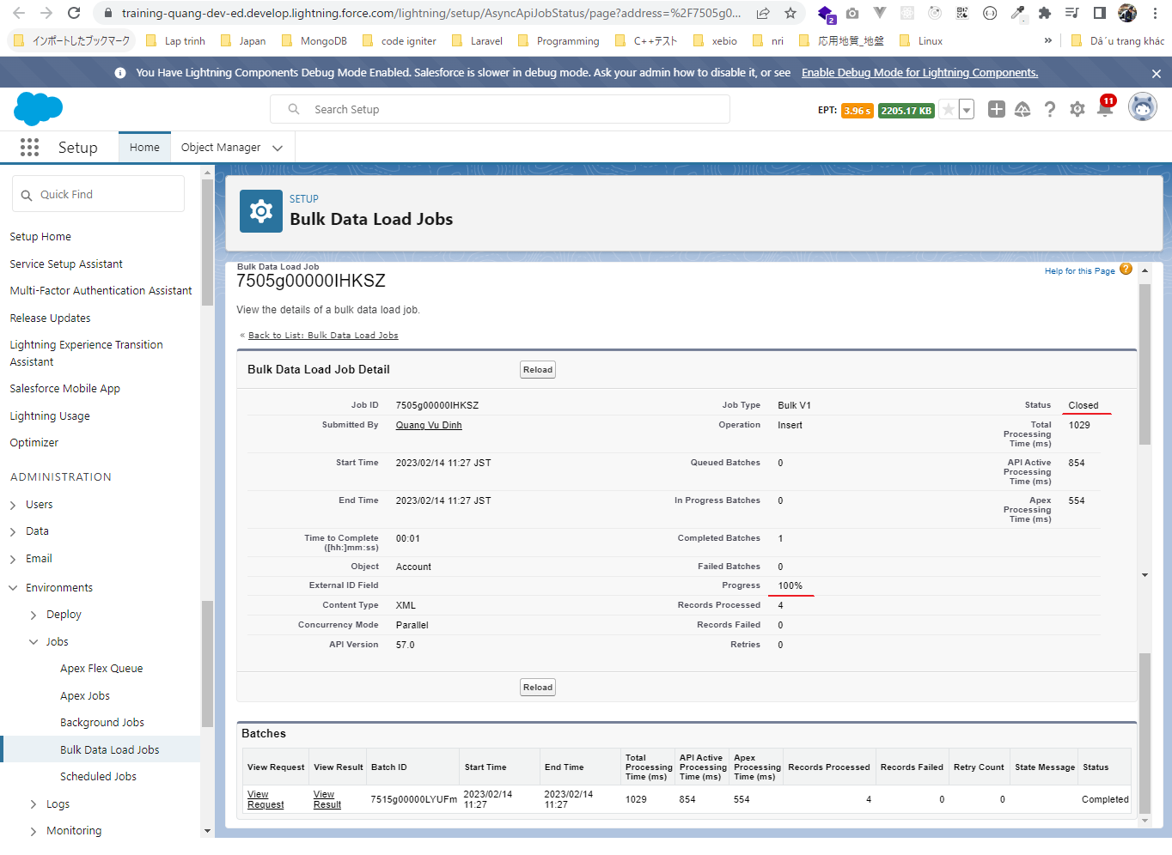

Check Batch Status
 | https://developer.salesforce.com/docs/atlas.en-us.api_asynch.meta/api_asynch/asynch_api_quickstart_check_status.htm
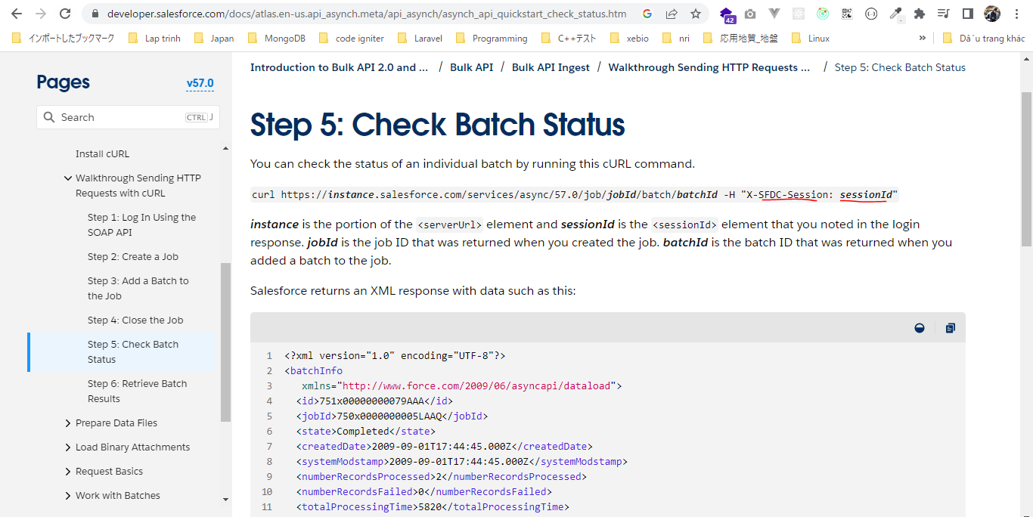

 | https://training-quang-dev-ed.develop.my.salesforce.com/services/async/57.0/job/7505g00000IHKSZAA5/batch/7515g00000LYUFmAAP

Retrieve Batch Results
 | https://developer.salesforce.com/docs/atlas.en-us.api_asynch.meta/api_asynch/asynch_api_quickstart_retrieve_results.htm
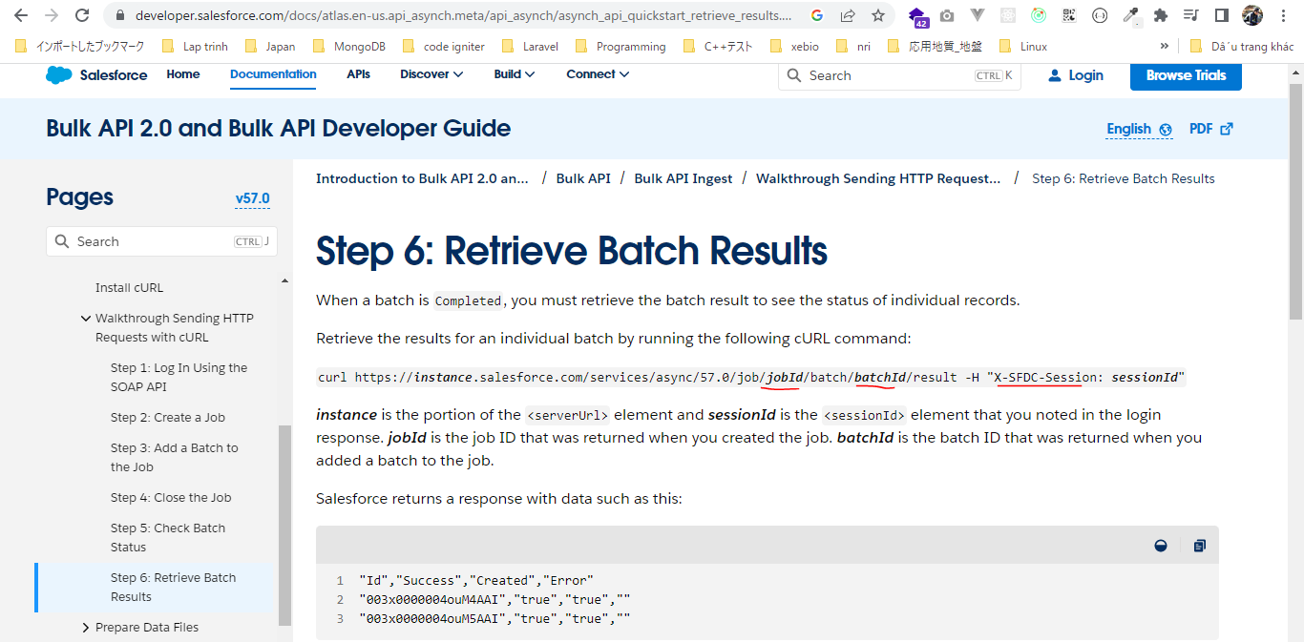

 | https://training-quang-dev-ed.develop.my.salesforce.com/services/async/57.0/job/7505g00000IHKSZAA5/batch/7515g00000LYUFmAAP/result

SalesforceBulkApiWithExample
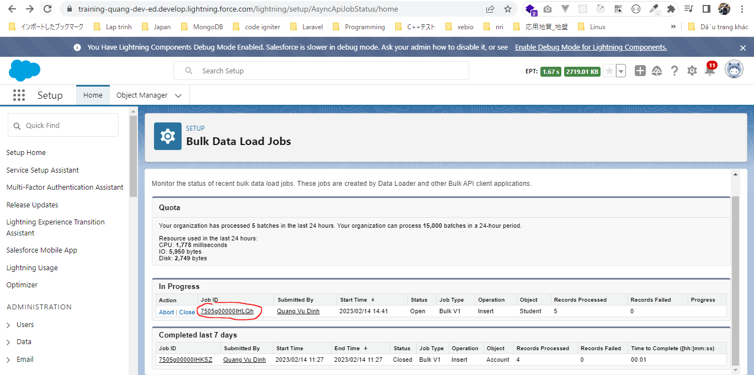
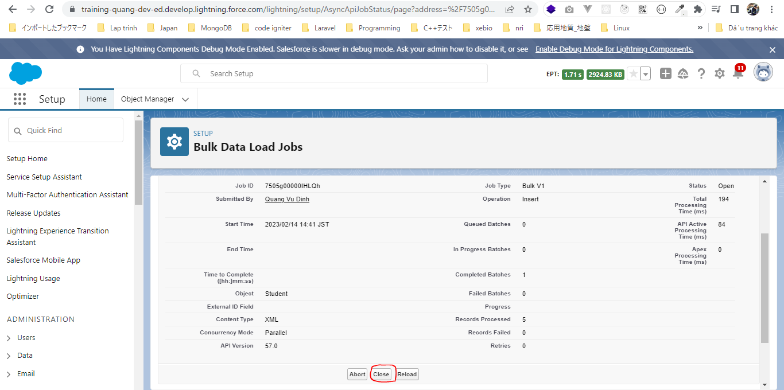
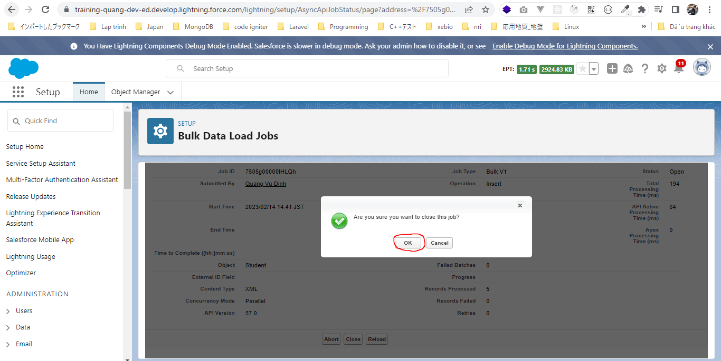
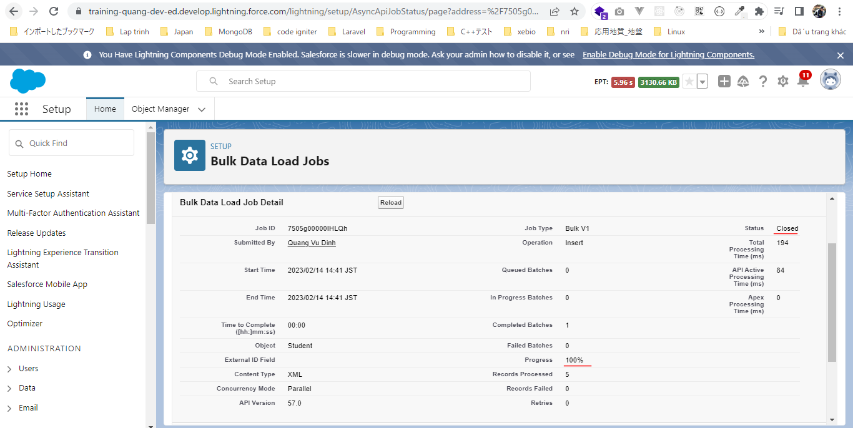
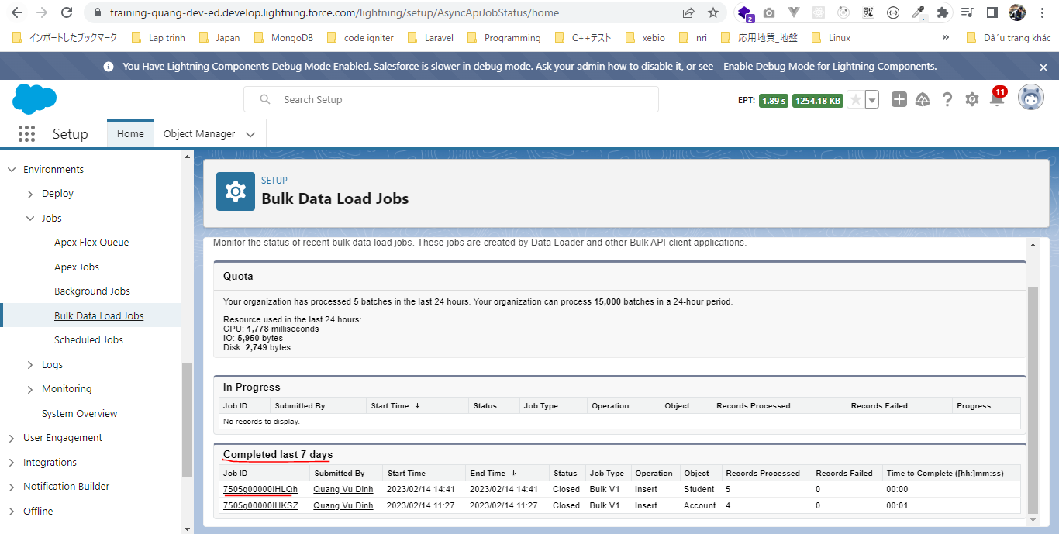
 | Insert the student records

構成
 | salesforce-integration-with-external-systems
 |  | 2.SOAP-API
 |  | 3.REST-API
 |  | 4.IntegrationsWithExternalSystems
 |  |  | StudentInfoApp
 |  |  |  | bin
 |  |  |  | node_modules
 |  |  |  | public
 |  |  |  | routes
 |  |  |  |  | index.js
 |  |  |  |  | om.js
 |  |  |  |  | school.js
 |  |  |  |  | student.js
 |  | 5.Salesforce-BULK-API

Authenticate
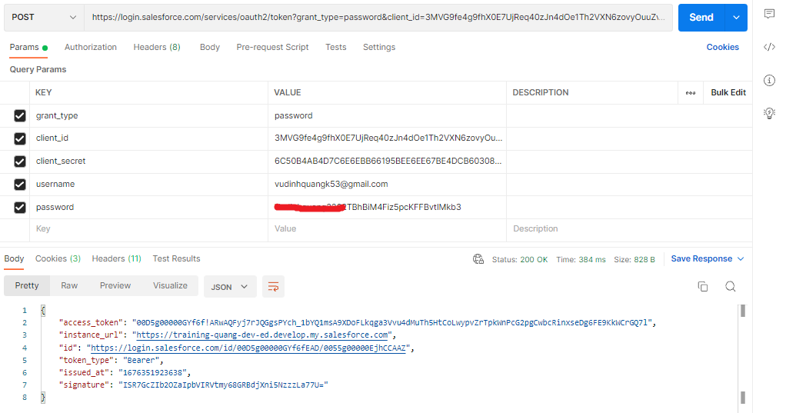

Create the job
 | <?xml version="1.0" encoding="UTF-8"?>
 | <jobInfo xmlns="http://www.force.com/2009/06/asyncapi/dataload">
 | <operation>insert</operation>
 | <object>Student__c</object>
 | <contentType>XML</contentType>
 | </jobInfo>

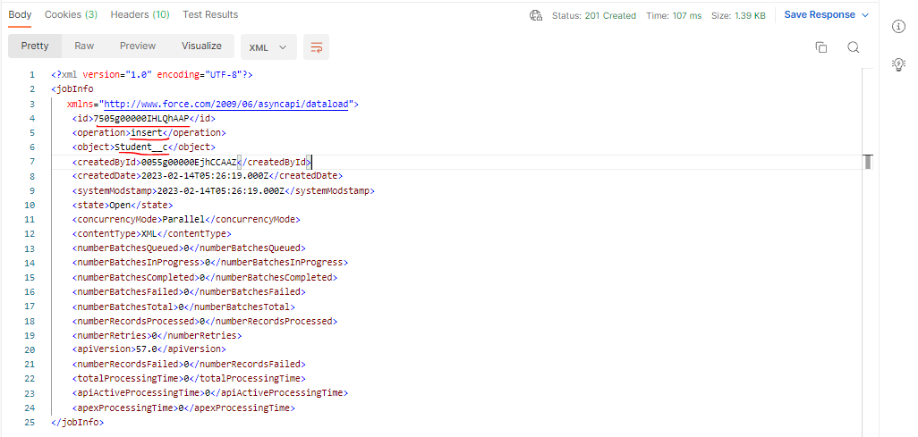

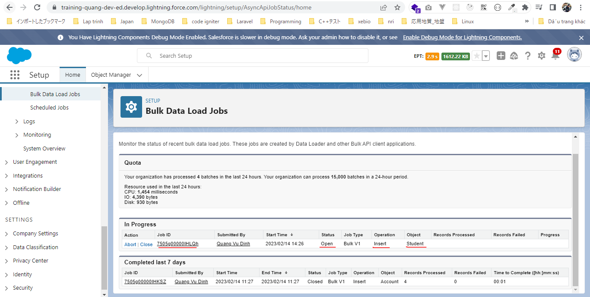

 | Now we have 9 students(before insert)
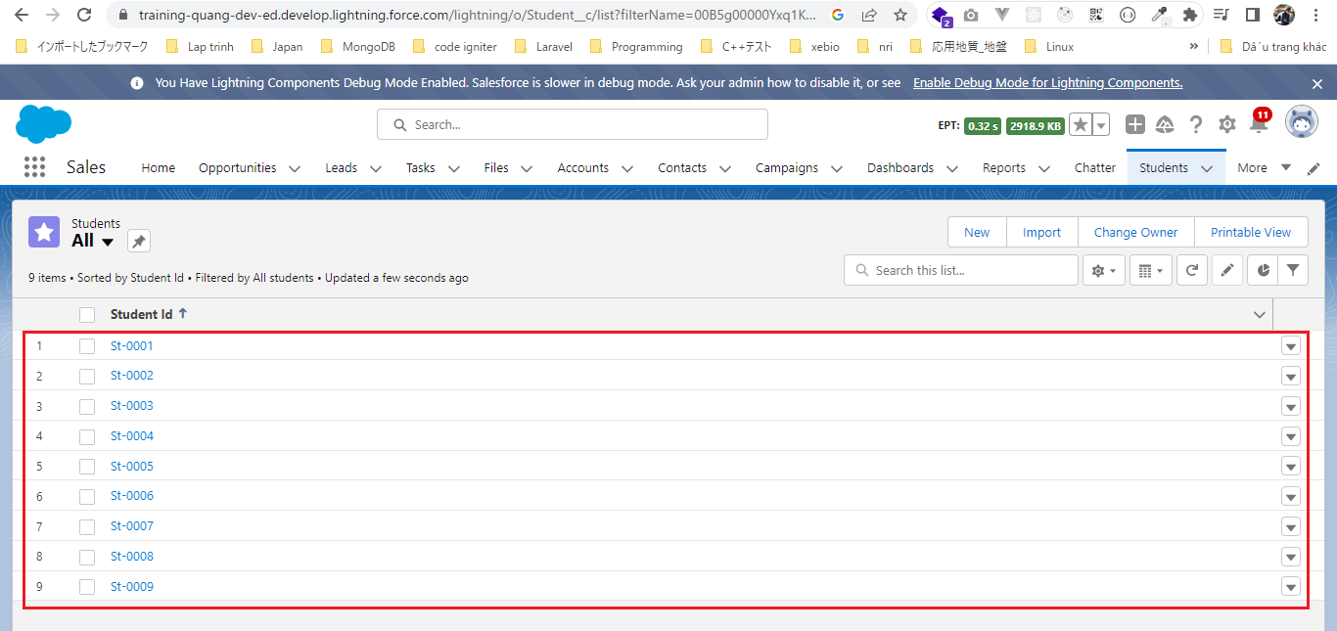

Add batch to job
 | <sObjects xmlns="http://www.force.com/2009/06/asyncapi/dataload">
 | <sObject>
 | <Student_Name__c> Lovish Bajaj </Student_Name__c>
 | <Phone_Number__c>7890987777</Phone_Number__c>
 | <Email__c>lovish@yahoo.com</Email__c>
 | <Address__c>India</Address__c>
 | </sObject>
 | <sObject>
 | <Student_Name__c> Sahil Khan </Student_Name__c>
 | <Phone_Number__c>3130987777</Phone_Number__c>
 | <Email__c>sahil_khan@yahoo.com</Email__c>
 | <Address__c>Pakistan</Address__c>
 | </sObject>
 | <sObject>
 | <Student_Name__c> Neha Sidana </Student_Name__c>
 | <Phone_Number__c>7678987777</Phone_Number__c>
 | <Email__c>nehasidana@gmail.com</Email__c>
 | <Address__c>Canada</Address__c>
 | </sObject>
 | <sObject>
 | <Student_Name__c> Prerna Sharma</Student_Name__c>
 | <Phone_Number__c>7760987777</Phone_Number__c>
 | <Email__c>prernasharma112@yahoo.com</Email__c>
 | <Address__c>Austin,Texas</Address__c>
 | </sObject>
 | <sObject>
 | <Student_Name__c> Ishita Saxena </Student_Name__c>
 | <Phone_Number__c>7865432222</Phone_Number__c>
 | <Email__c>ishita56@yahoo.com</Email__c>
 | <Address__c>Dallas,Texas</Address__c>
 | </sObject>
 | </sObjects>

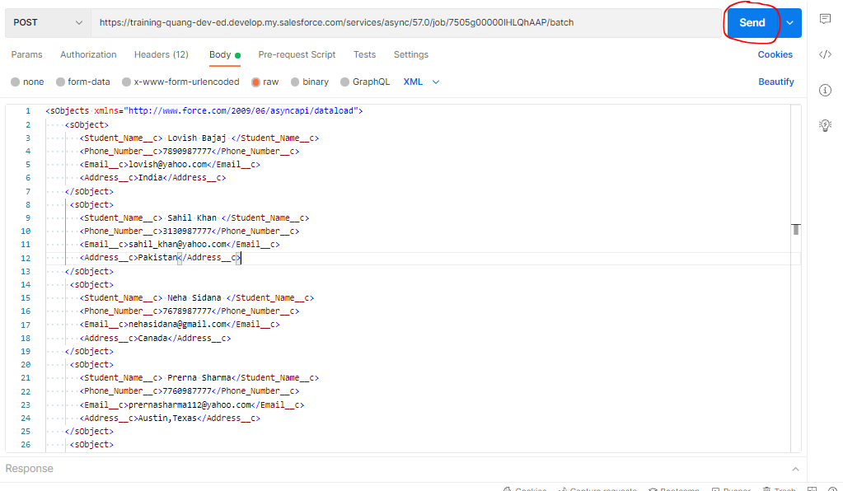

 | Queued means it has still not process, but it will take its time because it is an asynchronous process. It is not synchronous. It will take the time

Check browser
 | records have been inserted
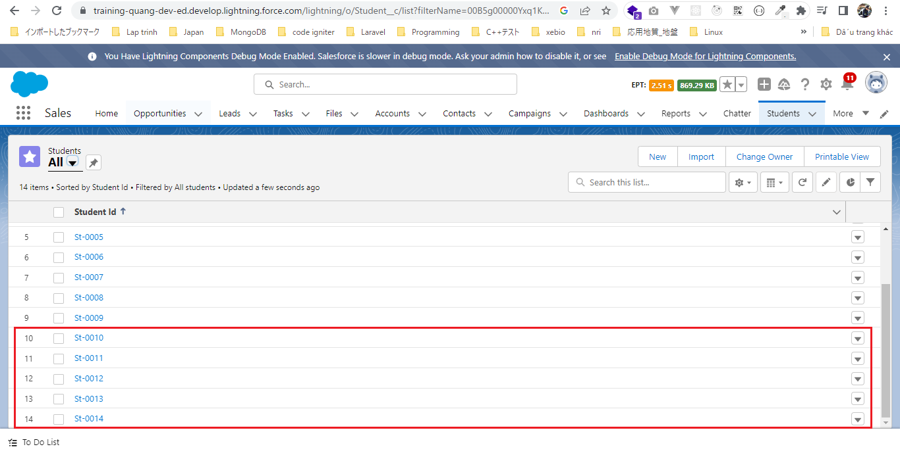

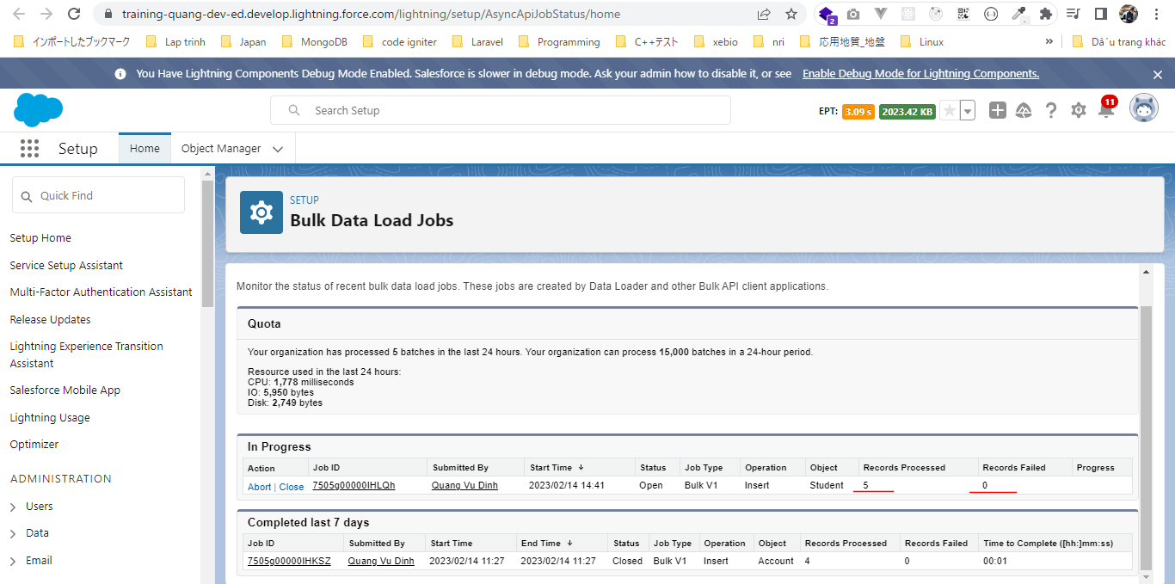

Close the Job
 | We do not have any more records to insert so we can close this job

Upload records using a CSV file
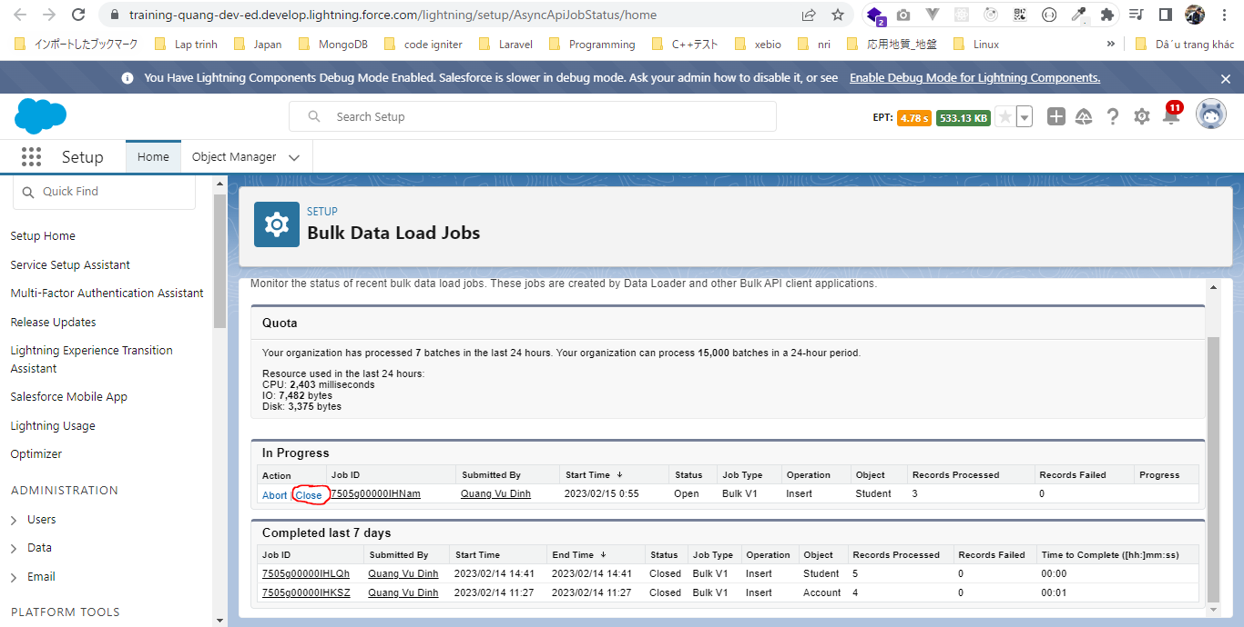
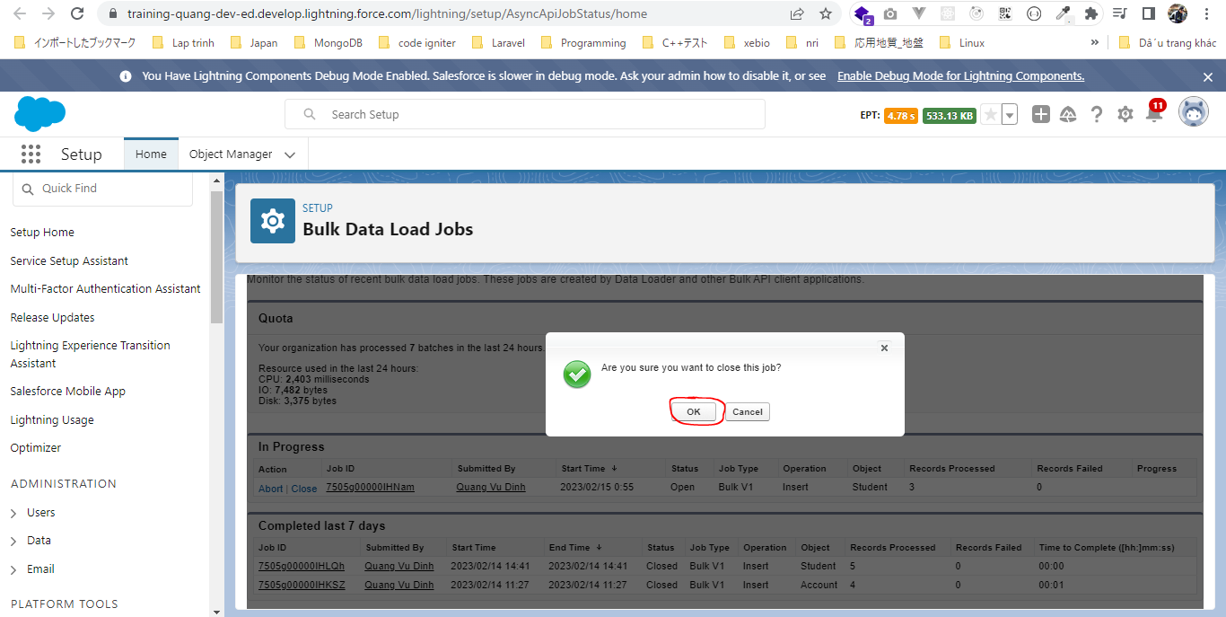
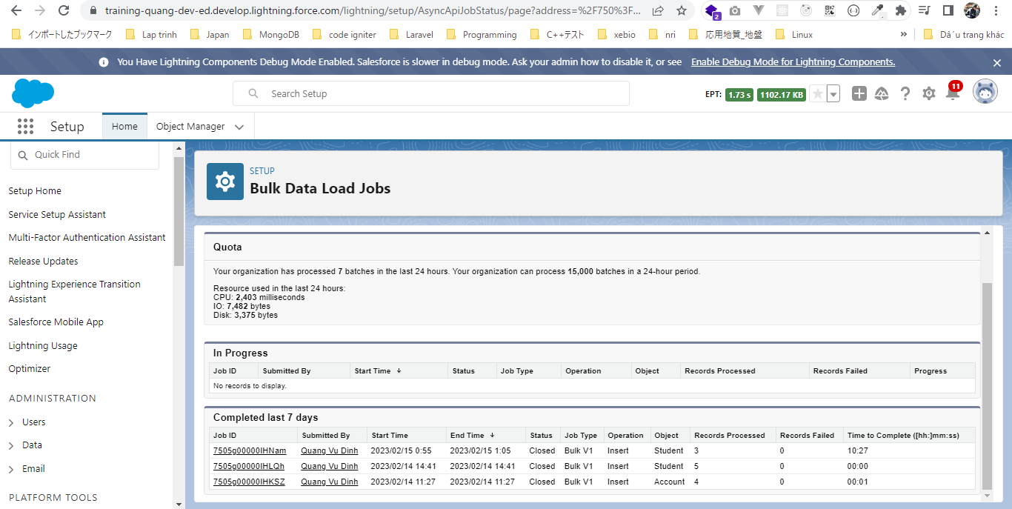
 | This part we will upload csv file has the same exact field names that we have in Salesforce

構成
 | salesforce-integration-with-external-systems
 |  | 2.SOAP-API
 |  | 3.REST-API
 |  | 4.IntegrationsWithExternalSystems
 |  |  | StudentInfoApp
 |  |  |  | bin
 |  |  |  | node_modules
 |  |  |  | public
 |  |  |  | routes
 |  |  |  |  | index.js
 |  |  |  |  | om.js
 |  |  |  |  | school.js
 |  |  |  |  | student.js
 |  | 5.Salesforce-BULK-API
 |  |  | 1.Create-a-bulk-API-in-Salesforce
 |  |  | 2.Salesforce-Bulk-Api-with-Example
 |  |  | 3.Upload-records-using-a-CSV-file
 |  |  |  | StudentFile.csv
 |  |  |  | StudentFile.xlsx

Authenticate
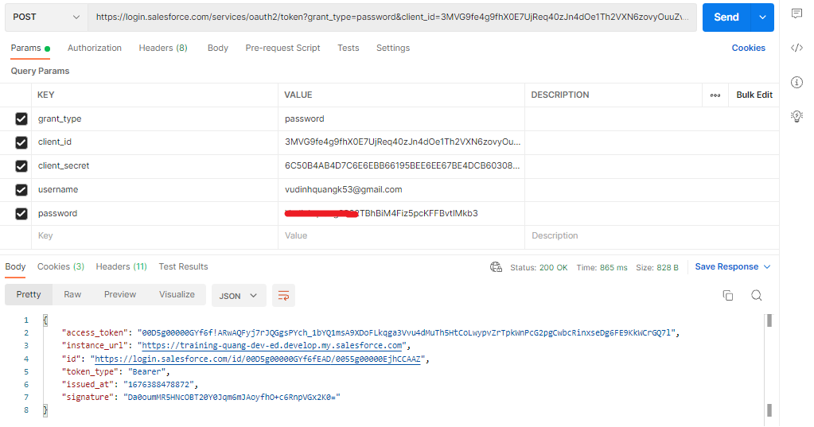

Create the job
 | salesforce-integration-with-external-systems\5.Salesforce-BULK-API\3.Upload-records-using-a-CSV-file\CreateJobInsertStudentRecordsViaCSV.txt
 | <?xml version="1.0" encoding="UTF-8"?>
 | <jobInfo xmlns="http://www.force.com/2009/06/asyncapi/dataload">
 | <operation>insert</operation>
 | <object>Student__c</object>
 | <contentType>CSV</contentType>
 | </jobInfo>

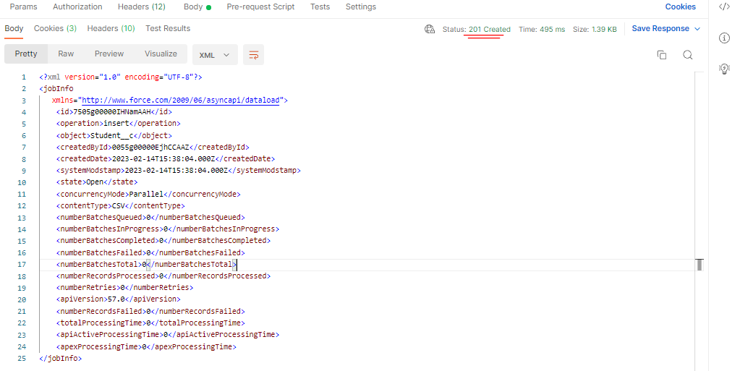

 |  | <?xml version="1.0" encoding="UTF-8"?>
 |  | <jobInfo
 |  | xmlns="http://www.force.com/2009/06/asyncapi/dataload">
 |  | <id>7505g00000IHNamAAH</id>
 |  | <operation>insert</operation>
 |  | <object>Student__c</object>
 |  | <createdById>0055g00000EjhCCAAZ</createdById>
 |  | <createdDate>2023-02-14T15:38:04.000Z</createdDate>
 |  | <systemModstamp>2023-02-14T15:38:04.000Z</systemModstamp>
 |  | <state>Open</state>
 |  | <concurrencyMode>Parallel</concurrencyMode>
 |  | <contentType>CSV</contentType>
 |  | <numberBatchesQueued>0</numberBatchesQueued>
 |  | <numberBatchesInProgress>0</numberBatchesInProgress>
 |  | <numberBatchesCompleted>0</numberBatchesCompleted>
 |  | <numberBatchesFailed>0</numberBatchesFailed>
 |  | <numberBatchesTotal>0</numberBatchesTotal>
 |  | <numberRecordsProcessed>0</numberRecordsProcessed>
 |  | <numberRetries>0</numberRetries>
 |  | <apiVersion>57.0</apiVersion>
 |  | <numberRecordsFailed>0</numberRecordsFailed>
 |  | <totalProcessingTime>0</totalProcessingTime>
 |  | <apiActiveProcessingTime>0</apiActiveProcessingTime>
 |  | <apexProcessingTime>0</apexProcessingTime>
 |  | </jobInfo>
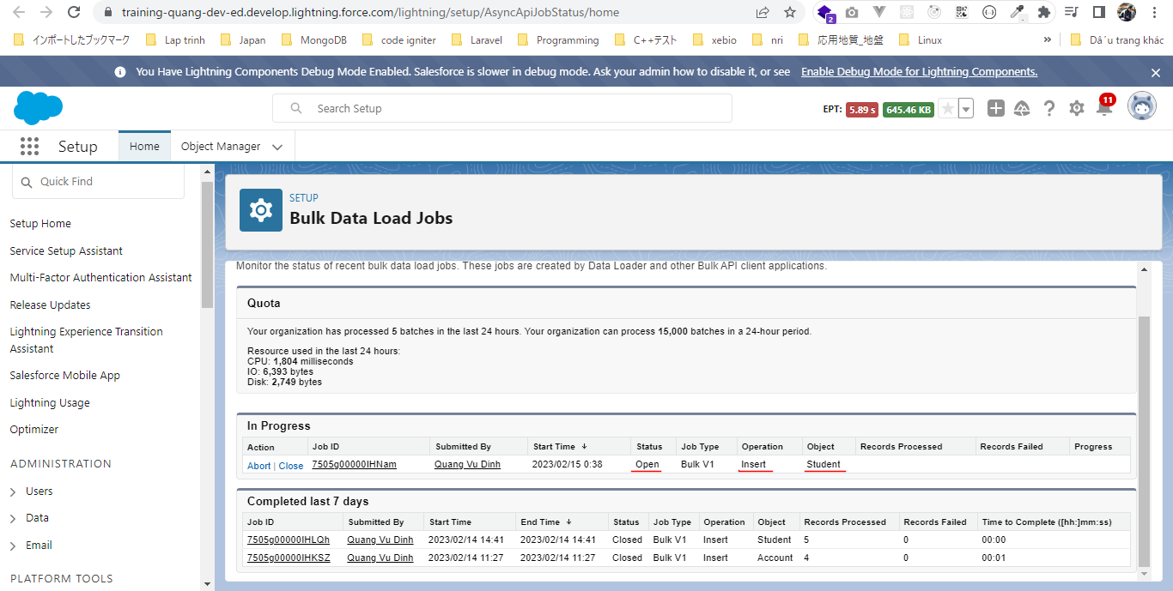

 | Now we have 14 students(before insert)
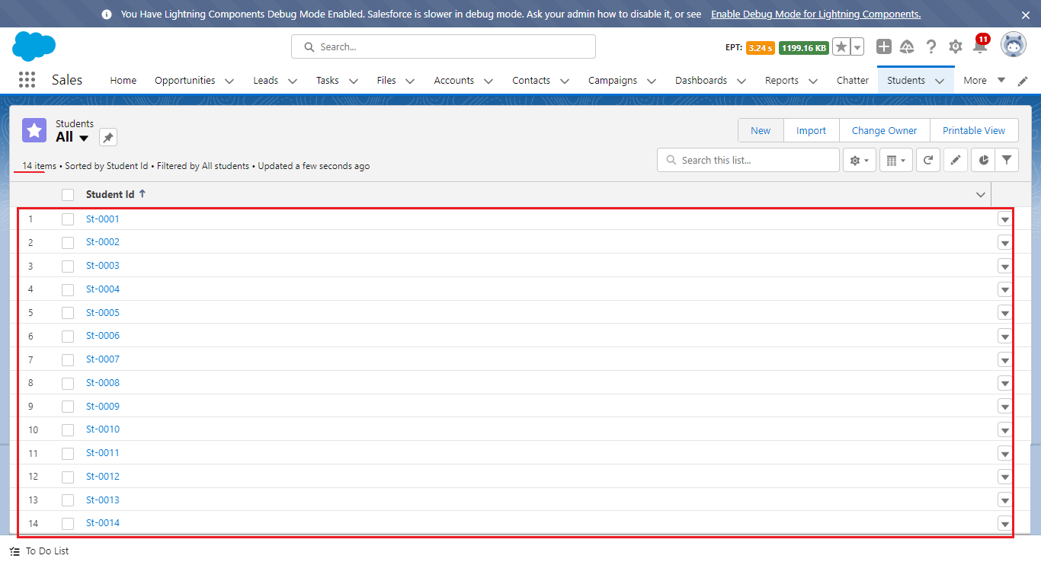

Add batch to job
 | We will upload csv file has the same exact field names that we have in Salesforce
 | salesforce-integration-with-external-systems\5.Salesforce-BULK-API\3.Upload-records-using-a-CSV-file\StudentFile.csv
 | Student_Name__c | Phone_Number__c | Address__c | Email__c
 | Rakshita Bhojwani | 123456789 | Toronto, Canada | bhojwani@gmail.com
 | Vinay Sandhu | 2345556767 | Newzealand | viany@yahoo.com
 | Daman Preeet | 345678901 | Vancouver, Canada | preet_daman@hotmail.com

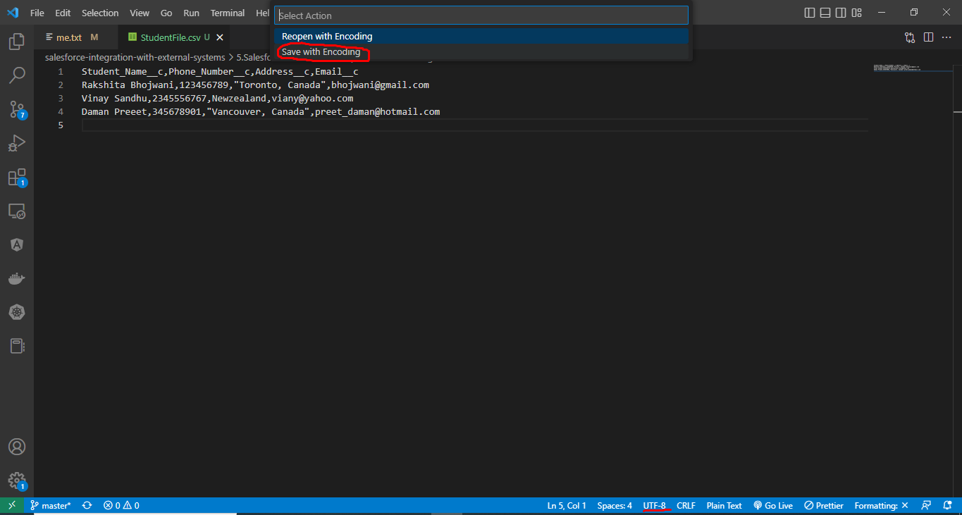

Check browser
 | records have been inserted
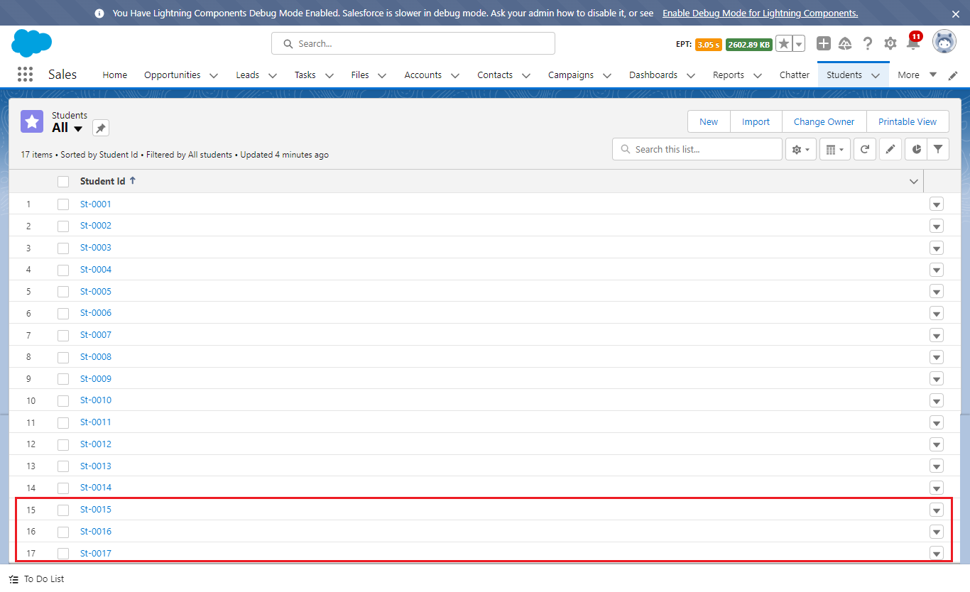

Close the Job

