Host External Application
構成
 | salesforce-integration-with-external-systems
 |  | 2.SOAP-API
 |  | 3.REST-API
 |  | 4.IntegrationsWithExternalSystems |  | → | new
 |  |  | StudentInfoApp | → | new

 | npm install
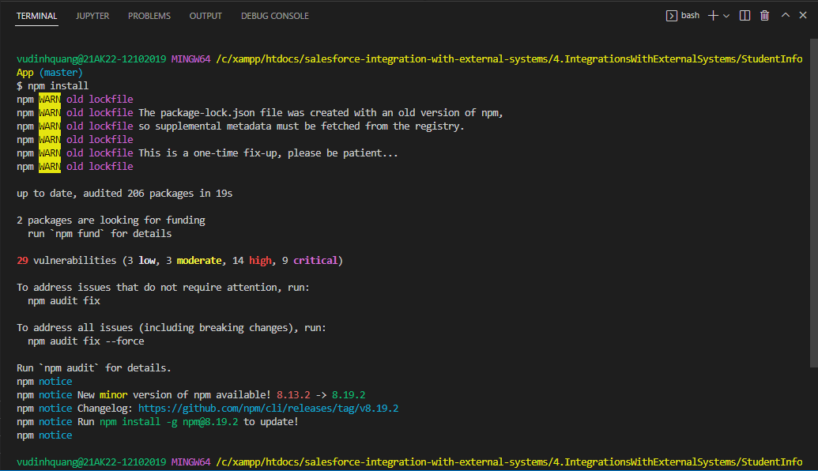

Run Application
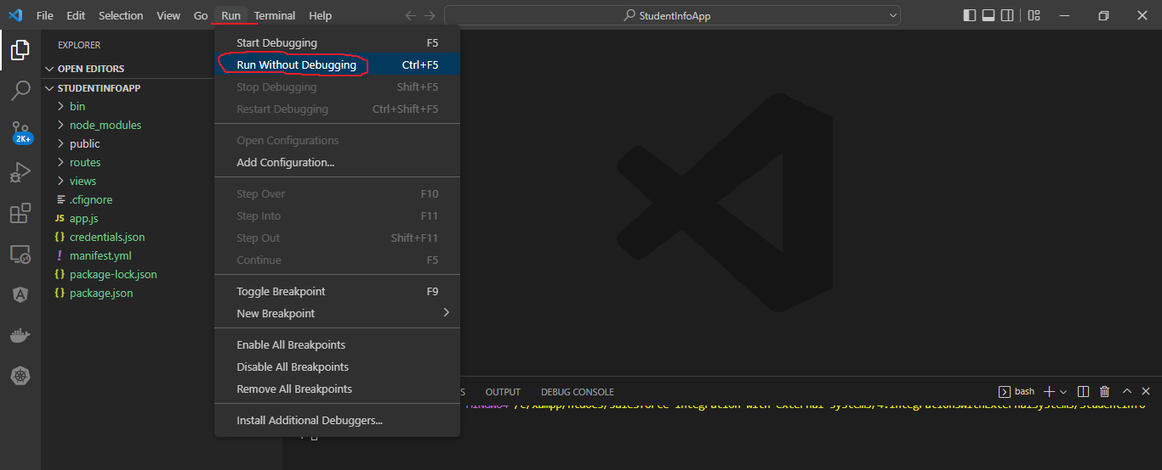

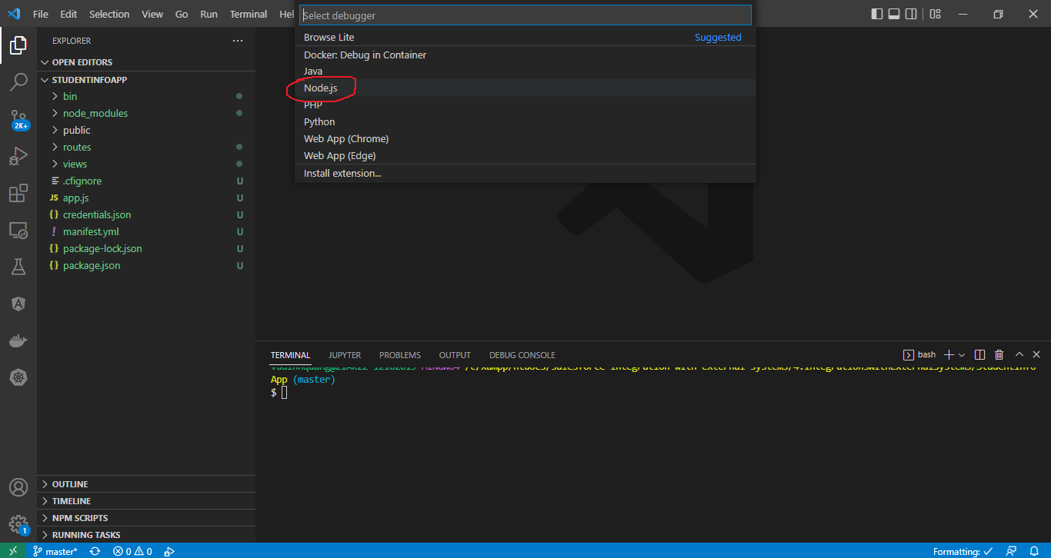

 | http://localhost:3000/
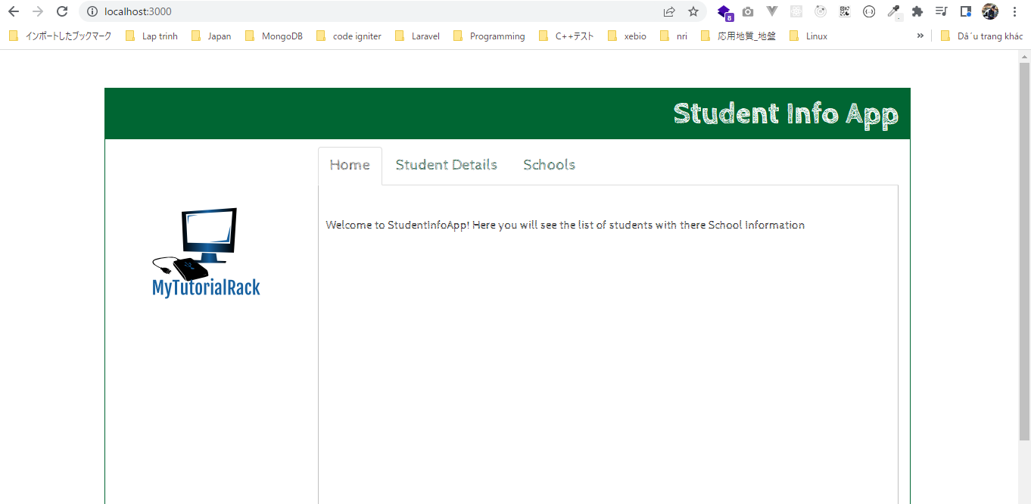

 | Stop app

salesforce-integration-with-external-systems\4.IntegrationsWithExternalSystems\StudentInfoApp\credentials.json
 | pwd
 | { |  |  |  |  | Consumer Key | 3MVG9fe4g9fhX0E7UjReq40zJn4dOe1Th2VXN6zovyOuuZvRkI_PzA3sOfHQMsL3LbAYEgxetLeoRiUnLGmjk
 | "username": "vudinhquangk53@gmail.com", |  |  |  |  | Consumer Secret | 6C50B4AB4D7C6E6EBB66195BEE6EE67BE4DCB60308310C552C6A558CD23130BA
 | "password": "XXXXXDzKvI1Pc62VeF7U8Ym0kQo5m", |  |  |  |  | password | XXXXX
 | "client_id" : "3MVG9fe4g9fhX0E7UjReq40zJn4dOe1Th2VXN6zovyOuuZvRkI_PzA3sOfHQMsL3LbAYEgxetLeoRiUnLGmjk", |  |  |  |  | Security token | DzKvI1Pc62VeF7U8Ym0kQo5m | → | Đã lấy ở Soap API
 | "client_secret": "6C50B4AB4D7C6E6EBB66195BEE6EE67BE4DCB60308310C552C6A558CD23130BA"
 | }

CallRestFromExternalSystem
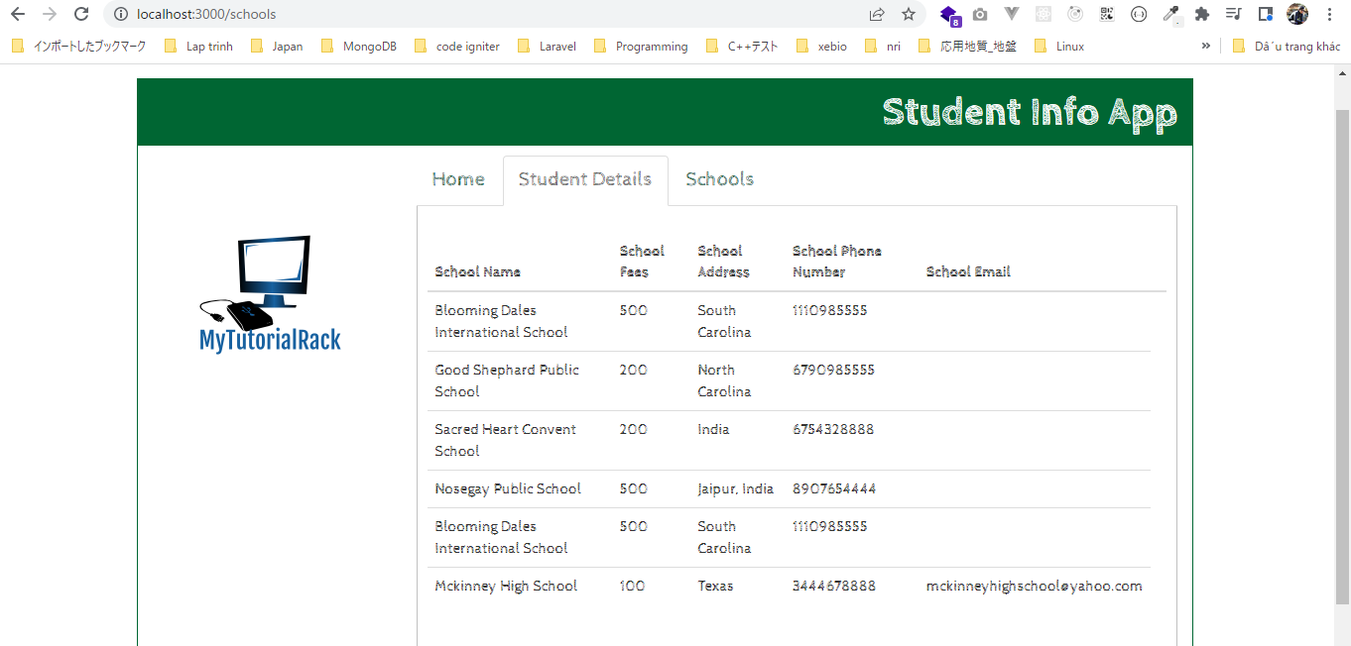
構成
 | salesforce-integration-with-external-systems
 |  | 2.SOAP-API
 |  | 3.REST-API
 |  | 4.IntegrationsWithExternalSystems
 |  |  | StudentInfoApp
 |  |  |  | bin
 |  |  |  | node_modules
 |  |  |  | public
 |  |  |  | routes
 |  |  |  |  | index.js
 |  |  |  |  | om.js
 |  |  |  |  | school.js | → | edit
 |  |  |  |  | student.js | → | edit

Student
 | salesforce-integration-with-external-systems\4.IntegrationsWithExternalSystems\StudentInfoApp\routes\student.js
 | var express = require('express'); |  |  |  |  |  |  | URL Encode/DecodeFrom Dan's Tools
 | var router = express.Router(); |  |  |  |  |  |  | https://www.url-encode-decode.com/
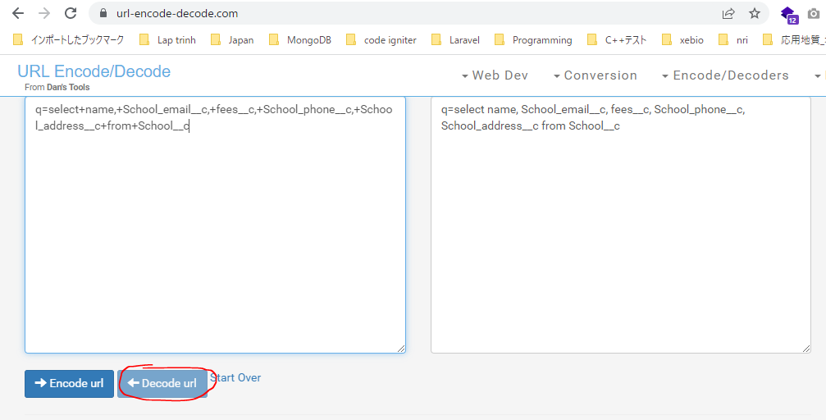
 | var request = require('request');
 | var creds = require('../credentials.json');

 | router.get('/', function (req, res) {

 | //create request object to authenticate
 | request({
 | url: 'https://login.salesforce.com/services/oauth2/token', //oauth endpoint
 | method: 'POST',
 | form: {
 | grant_type: 'password',
 | client_id: creds.client_id,
 | client_secret: creds.client_secret,
 | username: creds.username,
 | password: creds.password
 | }
 | }, function (error, response, body) {
 | if (error) {
 | console.log(error);
 | } else {
 | var result = JSON.parse(body);
 | var url = result.instance_url;
 | var token = result.access_token;

 | //retrieve students by doing a query
 | request({

 | url: 'https://training-quang-dev-ed.develop.my.salesforce.com/services/data/v55.0/query/?q=select+student_name__c,+phone_number__c,+email__c,+Address__c+from+Student__c',

 | method: 'GET',
 | headers: {
 | 'Authorization': 'Bearer ' + token
 | }
 | }, function (verror, vresponse, vbody) {
 | if (verror) {
 | console.log(verror);
 | } else {
 | var vresult = JSON.parse(vbody);
 | console.log(vbody);

 | //render page, provide list of students
 | res.render('student', { title: 'Student Info Online', students:vresult.records });
 | }
 | });

 | }
 | });
 | });

 | module.exports = router;

 | salesforce-integration-with-external-systems\4.IntegrationsWithExternalSystems\StudentInfoApp\views\student.jade
 | extends layout
 | block content
 | script(type="text/javascript", src="/javascripts/detailqueryhandler.js")
 | div.row
 | div.col-md-1

 | div.col-md-10(class='pageWrapper')
 | div.row
 | div.col-md-12(class='heading')
 | | Student Info App
 | div.row
 | div.col-md-3(style='height:100%; padding-top:50px; text-align:center')
 | img(src='images/mytutorialracklogo.png')
 | div.col-md-9(class='bodyblock')
 | ul(class='nav nav-tabs')
 | li(role='presentation' )
 | a(href='/' class='navLink') Home
 | li(role='presentation' class='active')
 | a(href='/students') Student Details
 | li(role='presentation')
 | a(href='/schools' class='navLink') Schools
 | div(class='panelBorder')
 | br
 | table#students(class='table table-hover')
 | thead
 | tr
 | th
 | | Student Name
 | th
 | | Student Address
 | th
 | | Phone Number
 | th
 | | Student Email
 | th
 | |
 | tbody
 | each student in students
 | tr
 | td= student.Student_Name__c
 | td= student.Address__c
 | td= student.Phone_Number__c
 | td= student.Email__c

 | table#studentdetails
 | div.col-md-1

 | Run app
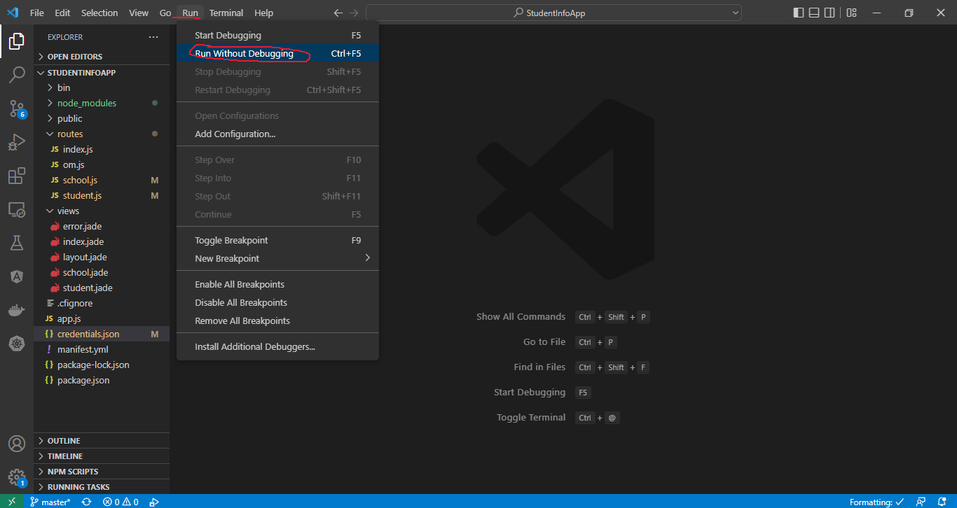

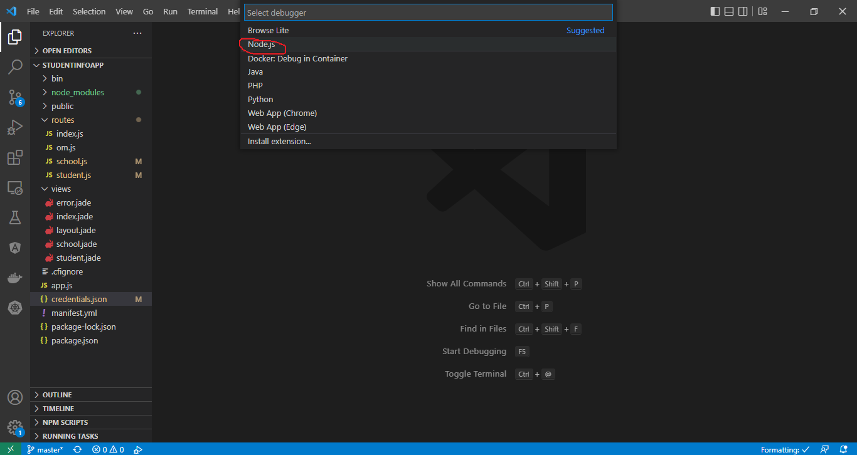

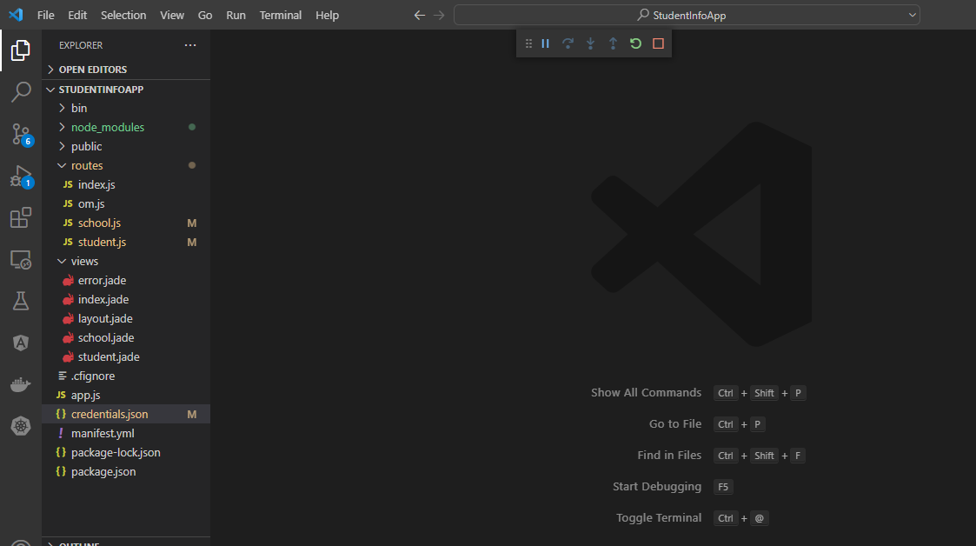

 | http://localhost:3000/students
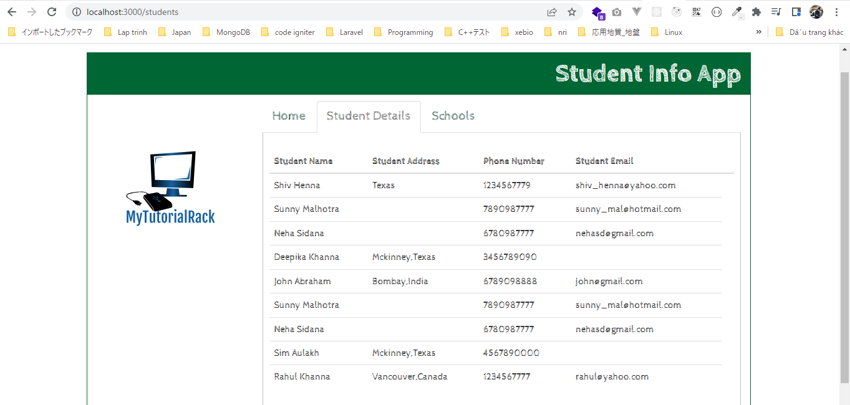

School
 | salesforce-integration-with-external-systems\4.IntegrationsWithExternalSystems\StudentInfoApp\routes\school.js
 | var express = require('express');
 | var router = express.Router();

 | var request = require('request');
 | var creds = require('../credentials.json');

 | router.get('/', function (req, res) {

 | //create request object to authenticate
 | request({
 | url: 'https://login.salesforce.com/services/oauth2/token', //oauth endpoint
 | method: 'POST',
 | form: {
 | grant_type: 'password',
 | client_id: creds.client_id,
 | client_secret: creds.client_secret,
 | username: creds.username,
 | password: creds.password
 | }
 | }, function (error, response, body) {
 | if (error) {
 | console.log(error);
 | } else {
 | var result = JSON.parse(body);
 | var url = result.instance_url;
 | var token = result.access_token;

 | //retrieve schools by doing a query
 | request({
 | //url: 'https://training-quang-dev-ed.develop.my.salesforce.com/services/data/v55.0/query/?q=select+student_name__c,+phone_number__c,+email__c,+Address__c+from+Student__c+where+ School__r.Name+=+%273rd District%27',
 | url: 'https://training-quang-dev-ed.develop.my.salesforce.com/services/data/v55.0/query/?q=select+name,+School_email__c,+fees__c,+School_phone__c,+School_address__c+from+School__c',

 | method: 'GET',
 | headers: {
 | 'Authorization': 'Bearer ' + token
 | }
 | }, function (verror, vresponse, vbody) {
 | if (verror) {
 | console.log(verror);
 | } else {
 | var vresult = JSON.parse(vbody);
 | console.log(vbody);

 | //render page, provide list of students
 | res.render('school', { title: 'Student Info Online', schools:vresult.records });
 | }
 | });

 | }
 | });
 | });

 | module.exports = router;

 | salesforce-integration-with-external-systems\4.IntegrationsWithExternalSystems\StudentInfoApp\views\school.jade
 | extends layout
 | block content
 | script(type="text/javascript", src="/javascripts/detailqueryhandler.js")
 | div.row
 | div.col-md-1

 | div.col-md-10(class='pageWrapper')
 | div.row
 | div.col-md-12(class='heading')
 | | Student Info App
 | div.row
 | div.col-md-3(style='height:100%; padding-top:50px; text-align:center')
 | img(src='images/mytutorialracklogo.png')
 | div.col-md-9(class='bodyblock')
 | ul(class='nav nav-tabs')
 | li(role='presentation' )
 | a(href='/' class='navLink') Home
 | li(role='presentation' class='active')
 | a(href='/students') Student Details
 | li(role='presentation')
 | a(href='/schools' class='navLink') Schools
 | div(class='panelBorder')
 | br
 | table#students(class='table table-hover')
 | thead
 | tr
 | th
 | | School Name
 | th
 | | School Fees
 | th
 | | School Address
 | th
 | | School Phone Number
 | th
 | | School Email
 | th
 | |
 | tbody
 | each school in schools
 | tr
 | td= school.Name
 | td= school.Fees__c
 | td= school.School_Address__c
 | td= school.School_Phone__c
 | td= school.School_Email__c

 | table#schooldetails
 | div.col-md-1

 | http://localhost:3000/schools

