Authenticating SOAP API Users
 | Salesforce Developers | Postman API Network
 | https://www.postman.com/salesforce-developers/workspace/salesforce-developers/request/

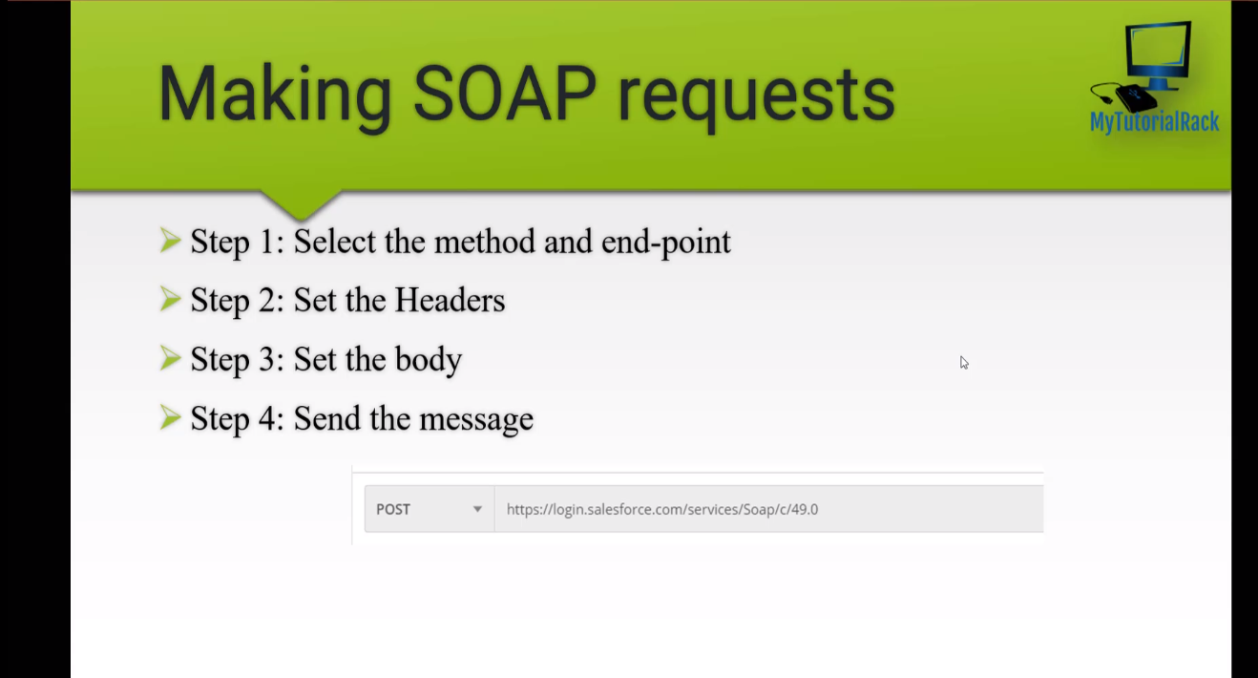

構成
 | salesforce-integration-with-external-systems
 |  | 2.SOAP-API |  |  | → | new
 |  |  | 1.Authenticating-SOAP-API-Users.txt |  | → | new

salesforce-integration-with-external-systems\2.SOAP-API\1.Authenticating-SOAP-API-Users.txt
 | <?xml version="1.0" encoding="utf-8" ?>
 | <env:Envelope xmlns:xsd="http://www.w3.org/2001/XMLSchema"
 | xmlns:xsi="http://www.w3.org/2001/XMLSchema-instance"
 | xmlns:env="http://schemas.xmlsoap.org/soap/envelope/">
 | <env:Body>
 | <n1:login xmlns:n1="urn:enterprise.soap.sforce.com">
 | <n1:username>vudinhquangk53@gmail.com</n1:username>
 | <n1:password>XXXXXXDzKvI1Pc62VeF7U8Ym0kQo5m</n1:password>
 | </n1:login>
 | </env:Body>
 | </env:Envelope>

 | Reset My Security Token
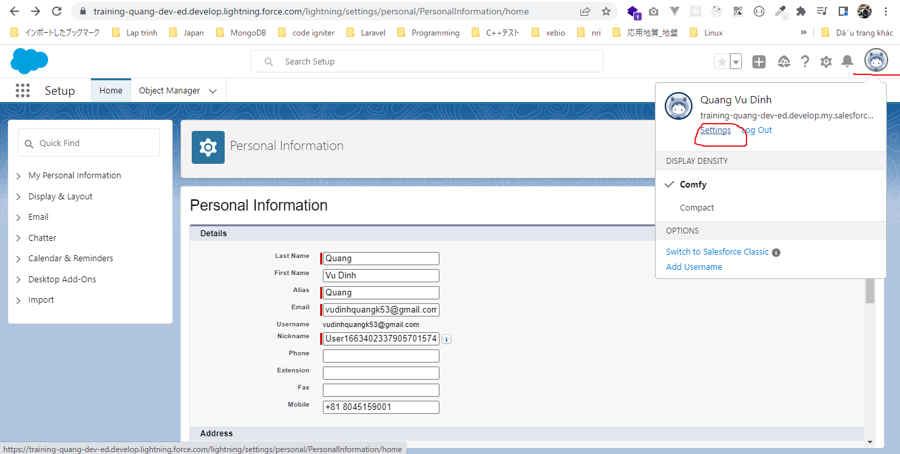

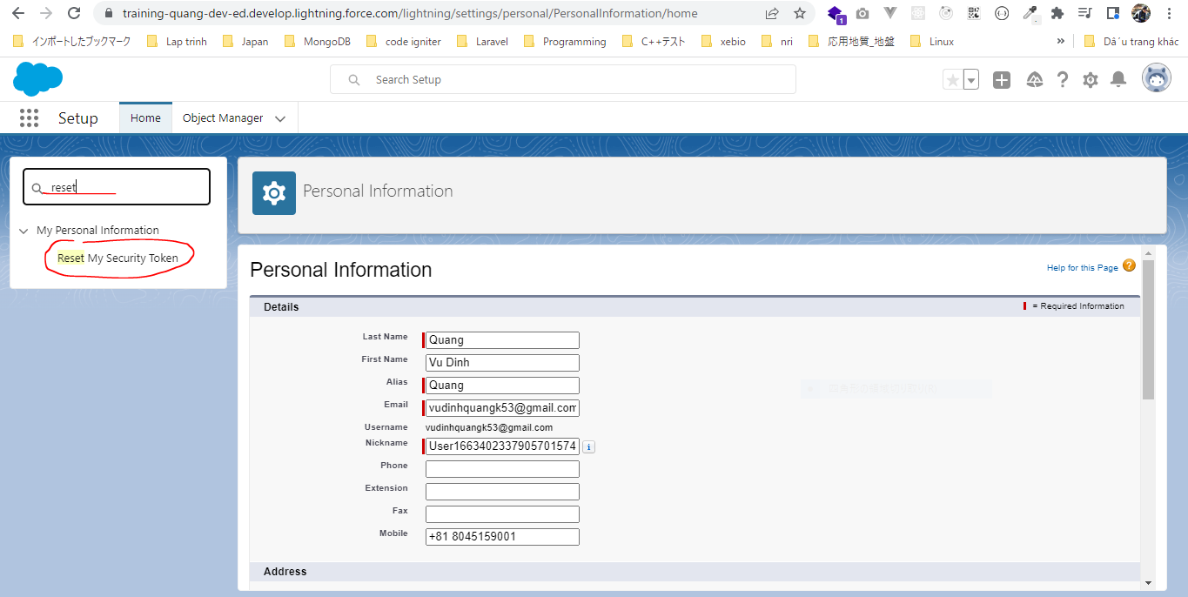

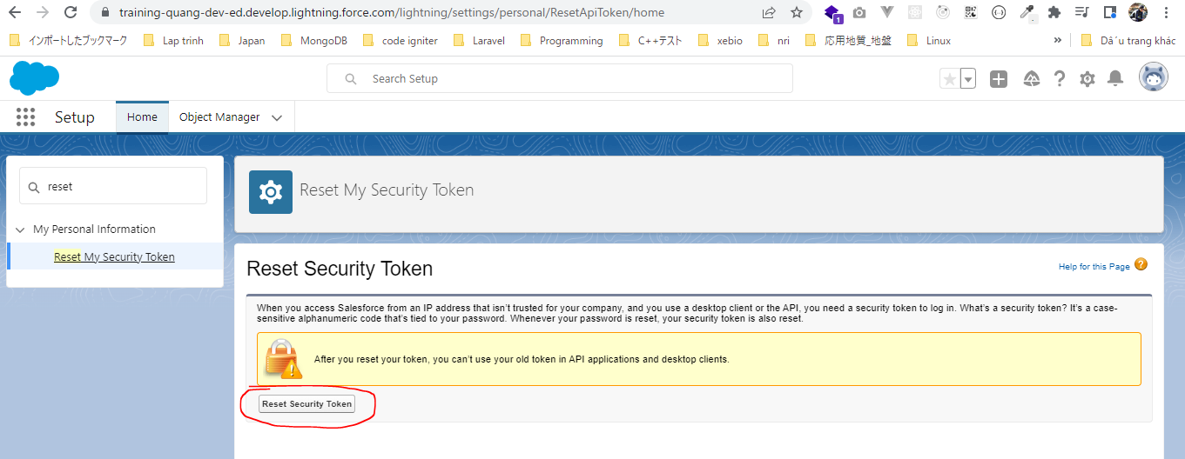

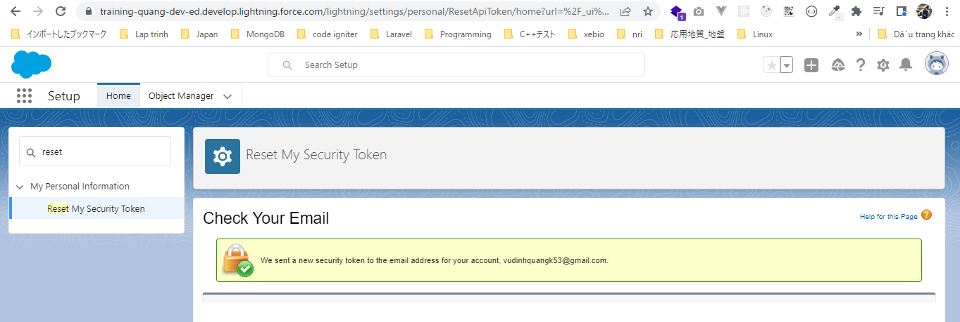

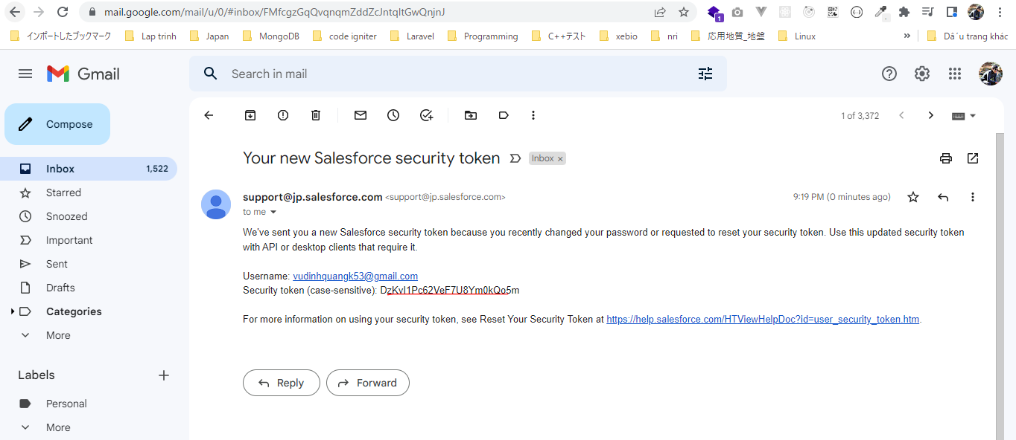

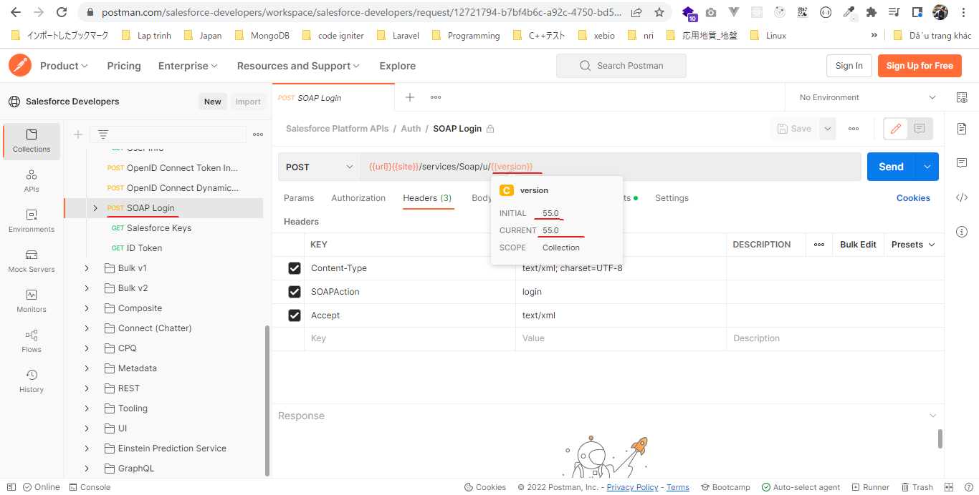
 | Postman
 | https://login.salesforce.com/services/Soap/c/55.0 |  |  |  |  |  |  |  | https://www.postman.com/salesforce-developers/workspace/salesforce-developers/request/12721794-b7bf4b6c-a92c-4750-bd53-3dededc317a5
 |  | Content-Type |  | text/xml; charset=UTF-8
 |  | SOAPAction |  | login
 |  | Accept |  | text/xml
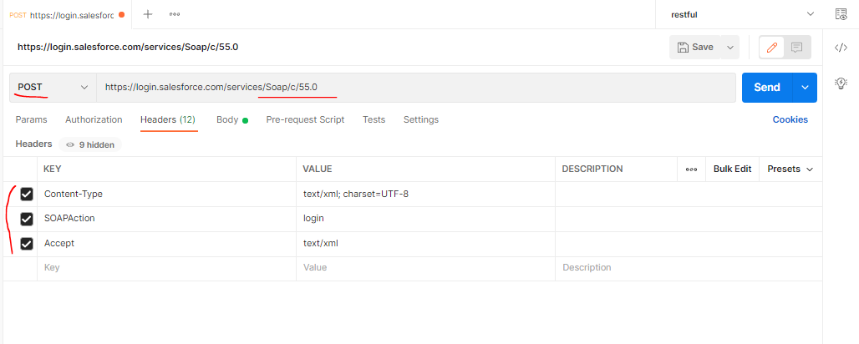

 |  | pwd: XXXXXX
 |  | <?xml version="1.0" encoding="utf-8" ?>
 |  | <env:Envelope xmlns:xsd="http://www.w3.org/2001/XMLSchema"
 |  | xmlns:xsi="http://www.w3.org/2001/XMLSchema-instance"
 |  | xmlns:env="http://schemas.xmlsoap.org/soap/envelope/">
 |  | <env:Body>
 |  | <n1:login xmlns:n1="urn:enterprise.soap.sforce.com">
 |  | <n1:username>vudinhquangk53@gmail.com</n1:username>
 |  | <n1:password>XXXXXXDzKvI1Pc62VeF7U8Ym0kQo5m</n1:password> |  |  |  |  | → | PASSWORDTOKEN
 |  | </n1:login>
 |  | </env:Body>
 |  | </env:Envelope>

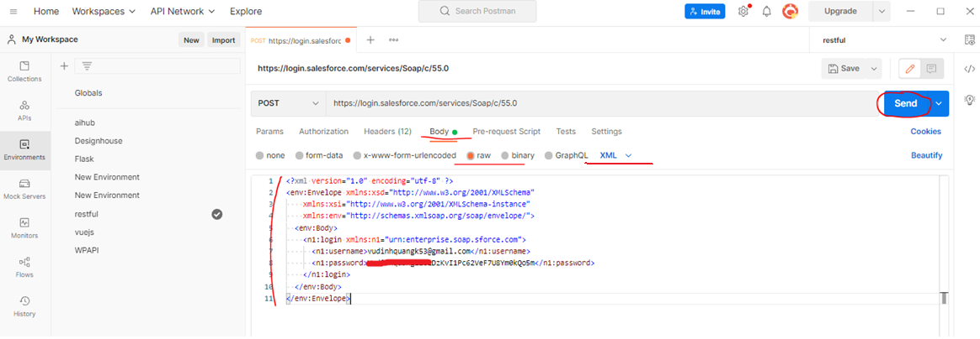

 |  | Response
 |  | <serverUrl>https://training-quang-dev-ed.develop.my.salesforce.com/services/Soap/c/55.0/00D5g00000GYf6f</serverUrl>
 |  | <sessionId>00D5g00000GYf6f!ARwAQHfhJRaZDJQF8kfQ6cRRUH7zjYpzTbc3GHWblbSXJnR5zQ49mhww4CZA398VSvVF1SLA7aEWqNKgS4VHOoYzcKphyC22</sessionId>

Query Account records
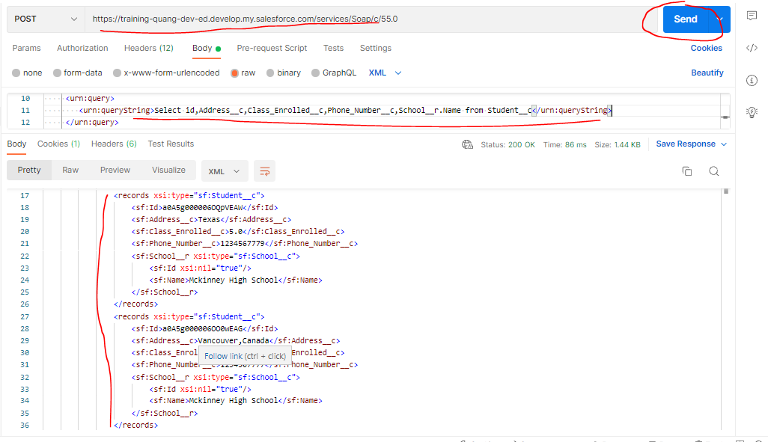
構成
 | salesforce-integration-with-external-systems
 |  | 2.SOAP-API
 |  |  | 1.Authenticating-SOAP-API-Users.txt
 |  |  | 2.Query-Account-records.txt | → | new

salesforce-integration-with-external-systems\2.SOAP-API\2.Query-Account-records.txt
 | SELECT id,AccountNumber,Name FROM Account
 | <?xml version="1.0" encoding="utf-8"?>
 | <soapenv:Envelope xmlns:soapenv="http://schemas.xmlsoap.org/soap/envelope/"
 | xmlns:urn="urn:enterprise.soap.sforce.com">
 | <soapenv:Header>
 | <urn:SessionHeader>
 | <urn:sessionId>00D5g00000GYf6f!ARwAQHfhJRaZDJQF8kfQ6cRRUH7zjYpzTbc3GHWblbSXJnR5zQ49mhww4CZA398VSvVF1SLA7aEWqNKgS4VHOoYzcKphyC22</urn:sessionId> |  |  |  |  | → | Lấy được ở "Authenticating SOAP API Users" shet
 | </urn:SessionHeader>
 | </soapenv:Header>
 | <soapenv:Body>
 | <urn:query> |  |  |  |  | → | query record
 | <urn:queryString>SELECT id,AccountNumber,Name FROM Account </urn:queryString>
 | </urn:query>
 | </soapenv:Body>
 | </soapenv:Envelope>

 | PostMan
 | serverUrl: https://training-quang-dev-ed.develop.my.salesforce.com/services/Soap/c/55.0
 | serverUrl lấy được ở "Authenticating SOAP API Users" sheet

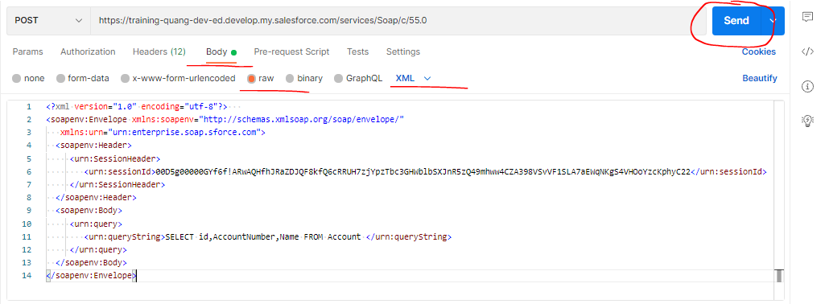

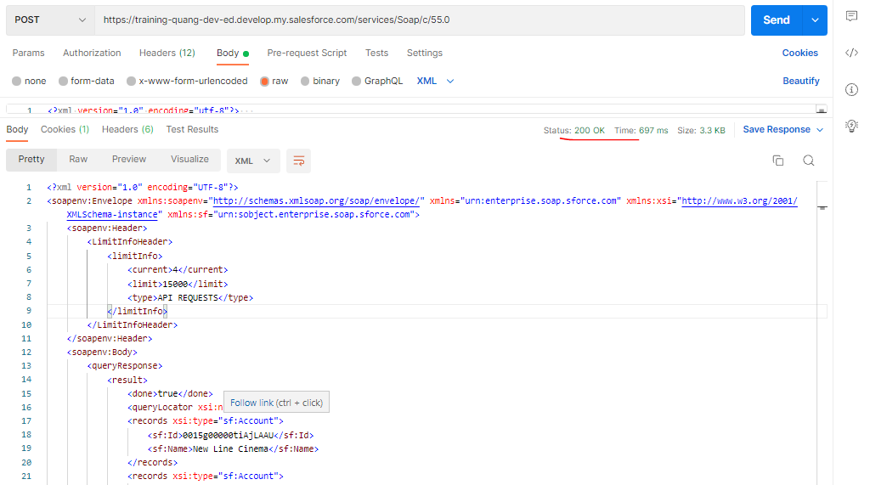

 |  | <?xml version="1.0" encoding="UTF-8"?>
 |  | <soapenv:Envelope xmlns:soapenv="http://schemas.xmlsoap.org/soap/envelope/" xmlns="urn:enterprise.soap.sforce.com" xmlns:xsi="http://www.w3.org/2001/XMLSchema-instance" xmlns:sf="urn:sobject.enterprise.soap.sforce.com">
 |  | <soapenv:Header>
 |  | <LimitInfoHeader>
 |  | <limitInfo>
 |  | <current>4</current>
 |  | <limit>15000</limit>
 |  | <type>API REQUESTS</type>
 |  | </limitInfo>
 |  | </LimitInfoHeader>
 |  | </soapenv:Header>
 |  | <soapenv:Body>
 |  | <queryResponse>
 |  | <result>
 |  | <done>true</done>
 |  | <queryLocator xsi:nil="true"/>
 |  | <records xsi:type="sf:Account">
 |  | <sf:Id>0015g00000tiAjLAAU</sf:Id>
 |  | <sf:Name>New Line Cinema</sf:Name>
 |  | </records>
 |  | <records xsi:type="sf:Account">
 |  | <sf:Id>0015g00000tiGFxAAM</sf:Id>
 |  | <sf:Name>Sample SObject Account</sf:Name>
 |  | </records>
 |  | <records xsi:type="sf:Account">
 |  | <sf:Id>0015g00000tiCUEAA2</sf:Id>
 |  | <sf:Name>CLR Infotech</sf:Name>
 |  | </records>
 |  | <records xsi:type="sf:Account">
 |  | <sf:Id>0015g00000tiDCcAAM</sf:Id>
 |  | <sf:Name>SFDCFacts</sf:Name>
 |  | </records>
 |  | <records xsi:type="sf:Account">
 |  | <sf:Id>0015g00000tiHCrAAM</sf:Id>
 |  | <sf:Name>New Line Cinema</sf:Name>
 |  | </records>
 |  | <records xsi:type="sf:Account">
 |  | <sf:Id>0015g00000p65HEAAY</sf:Id>
 |  | <sf:Name>エンタイトルメントの取引先のサンプル</sf:Name>
 |  | </records>
 |  | <records xsi:type="sf:Account">
 |  | <sf:Id>0015g00000smH6cAAE</sf:Id>
 |  | <sf:AccountNumber>CC978213</sf:AccountNumber>
 |  | <sf:Name>GenePoint</sf:Name>
 |  | </records>
 |  | <records xsi:type="sf:Account">
 |  | <sf:Id>0015g00000smH6aAAE</sf:Id>
 |  | <sf:AccountNumber>CD355119-A</sf:AccountNumber>
 |  | <sf:Name>United Oil &amp; Gas, UK</sf:Name>
 |  | </records>
 |  | <records xsi:type="sf:Account">
 |  | <sf:Id>0015g00000smH6bAAE</sf:Id>
 |  | <sf:AccountNumber>CD355120-B</sf:AccountNumber>
 |  | <sf:Name>United Oil &amp; Gas, Singapore</sf:Name>
 |  | </records>
 |  | <records xsi:type="sf:Account">
 |  | <sf:Id>0015g00000smH6SAAU</sf:Id>
 |  | <sf:AccountNumber>CD451796</sf:AccountNumber>
 |  | <sf:Name>Edge Communications</sf:Name>
 |  | </records>
 |  | <records xsi:type="sf:Account">
 |  | <sf:Id>0015g00000smH6TAAU</sf:Id>
 |  | <sf:AccountNumber>CD656092</sf:AccountNumber>
 |  | <sf:Name>Burlington Textiles Corp of America</sf:Name>
 |  | </records>
 |  | <records xsi:type="sf:Account">
 |  | <sf:Id>0015g00000smH6UAAU</sf:Id>
 |  | <sf:AccountNumber>CC213425</sf:AccountNumber>
 |  | <sf:Name>Pyramid Construction Inc.</sf:Name>
 |  | </records>
 |  | <records xsi:type="sf:Account">
 |  | <sf:Id>0015g00000smH6VAAU</sf:Id>
 |  | <sf:AccountNumber>CC634267</sf:AccountNumber>
 |  | <sf:Name>Dickenson plc</sf:Name>
 |  | </records>
 |  | <records xsi:type="sf:Account">
 |  | <sf:Id>0015g00000smH6WAAU</sf:Id>
 |  | <sf:AccountNumber>CD439877</sf:AccountNumber>
 |  | <sf:Name>Grand Hotels &amp; Resorts Ltd</sf:Name>
 |  | </records>
 |  | <records xsi:type="sf:Account">
 |  | <sf:Id>0015g00000smH6YAAU</sf:Id>
 |  | <sf:AccountNumber>CC947211</sf:AccountNumber>
 |  | <sf:Name>Express Logistics and Transport</sf:Name>
 |  | </records>
 |  | <records xsi:type="sf:Account">
 |  | <sf:Id>0015g00000smH6ZAAU</sf:Id>
 |  | <sf:AccountNumber>CD736025</sf:AccountNumber>
 |  | <sf:Name>University of Arizona</sf:Name>
 |  | </records>
 |  | <records xsi:type="sf:Account">
 |  | <sf:Id>0015g00000smH6XAAU</sf:Id>
 |  | <sf:AccountNumber>CD355118</sf:AccountNumber>
 |  | <sf:Name>United Oil &amp; Gas Corp.</sf:Name>
 |  | </records>
 |  | <records xsi:type="sf:Account">
 |  | <sf:Id>0015g00000smH6dAAE</sf:Id>
 |  | <sf:Name>sForce</sf:Name>
 |  | </records>
 |  | <size>18</size>
 |  | </result>
 |  | </queryResponse>
 |  | </soapenv:Body>
 |  | </soapenv:Envelope>

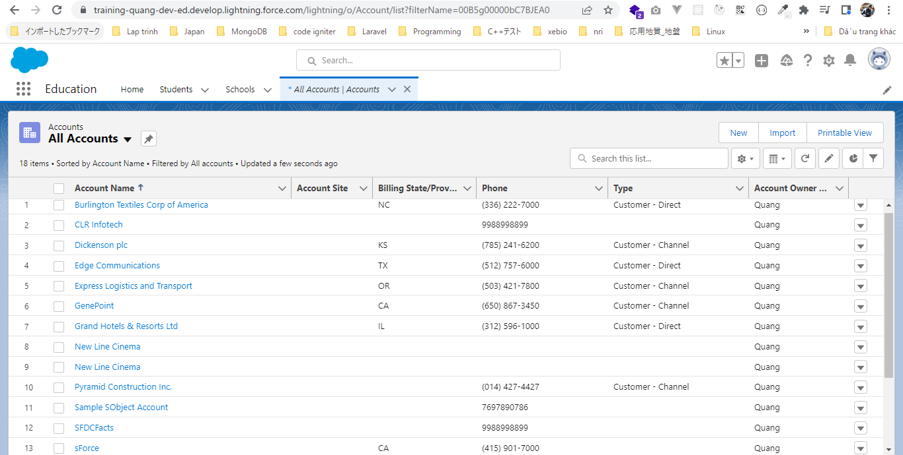

 | SELECT id,AccountNumber,Name FROM Account WHERE Name = 'Burlington Textiles Corp of America'
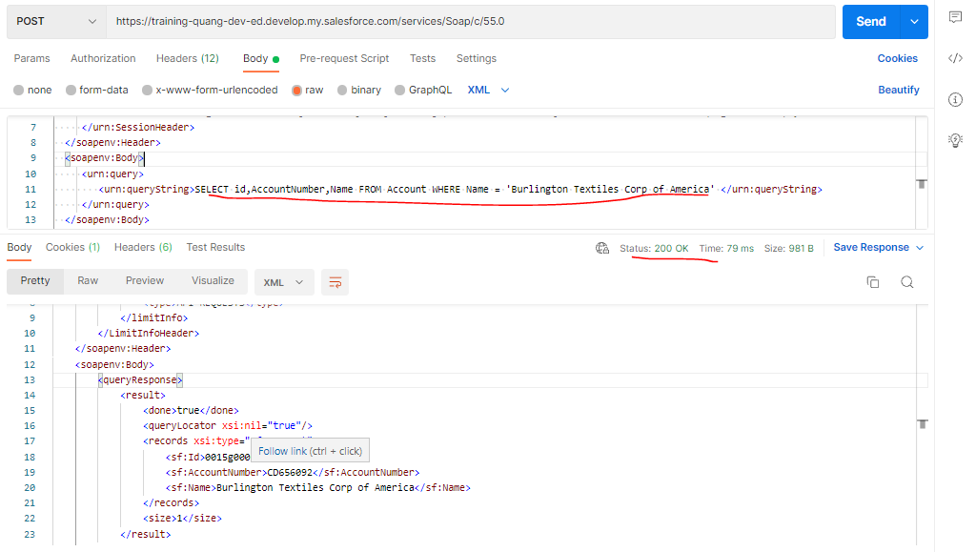

 | Select id,Address__c,Class_Enrolled__c,Phone_Number__c,School__r.Name from Student__c

SOAPQueryStudent
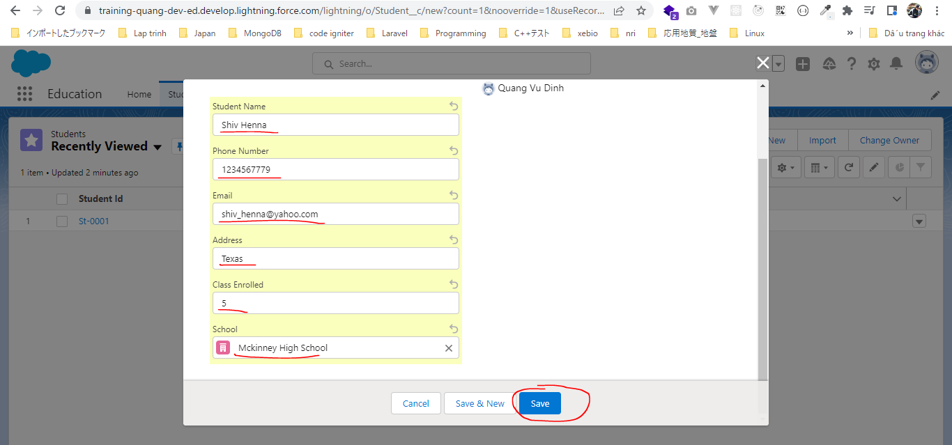
構成
 | salesforce-integration-with-external-systems
 |  | 2.SOAP-API
 |  |  | 1.Authenticating-SOAP-API-Users.txt
 |  |  | 2.Query-Account-records.txt
 |  |  | 3.SOAPQueryStudent.txt | → | new

salesforce-integration-with-external-systems\2.SOAP-API\3.SOAPQueryStudent.txt
 | Select id,Address__c,Class_Enrolled__c,Phone_Number__c,School__r.Name from Student__c
 | <?xml version="1.0" encoding="utf-8"?>
 | <soapenv:Envelope xmlns:soapenv="http://schemas.xmlsoap.org/soap/envelope/"
 | xmlns:urn="urn:enterprise.soap.sforce.com">
 | <soapenv:Header>
 | <urn:SessionHeader>
 | <urn:sessionId>00D5g00000GYf6f!ARwAQHfhJRaZDJQF8kfQ6cRRUH7zjYpzTbc3GHWblbSXJnR5zQ49mhww4CZA398VSvVF1SLA7aEWqNKgS4VHOoYzcKphyC22</urn:sessionId>
 | </urn:SessionHeader>
 | </soapenv:Header>
 | <soapenv:Body>
 | <urn:query> |  |  |  |  | → | query record
 | <urn:queryString>Select id,Address__c,Class_Enrolled__c,Phone_Number__c,School__r.Name from Student__c</urn:queryString>
 | </urn:query>
 | </soapenv:Body>
 | </soapenv:Envelope>

 | Create new Student

InsertNewStudentWithMru
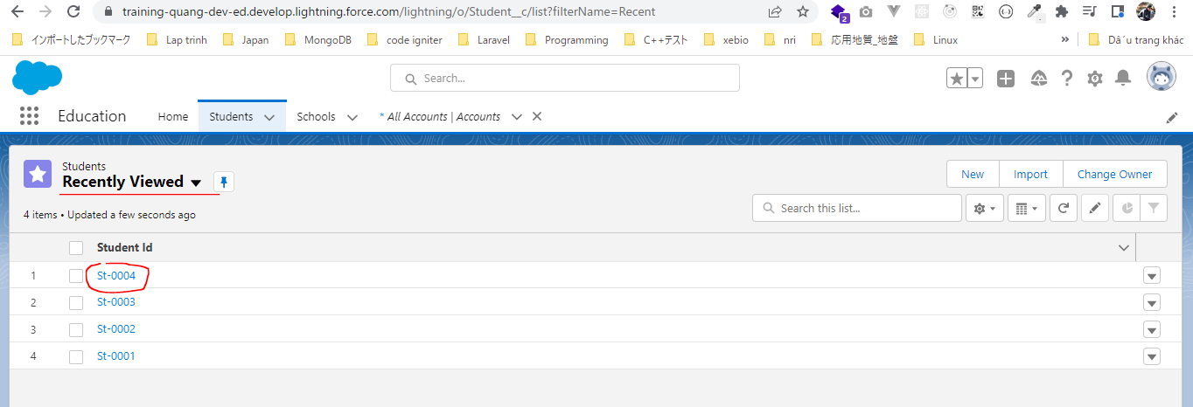
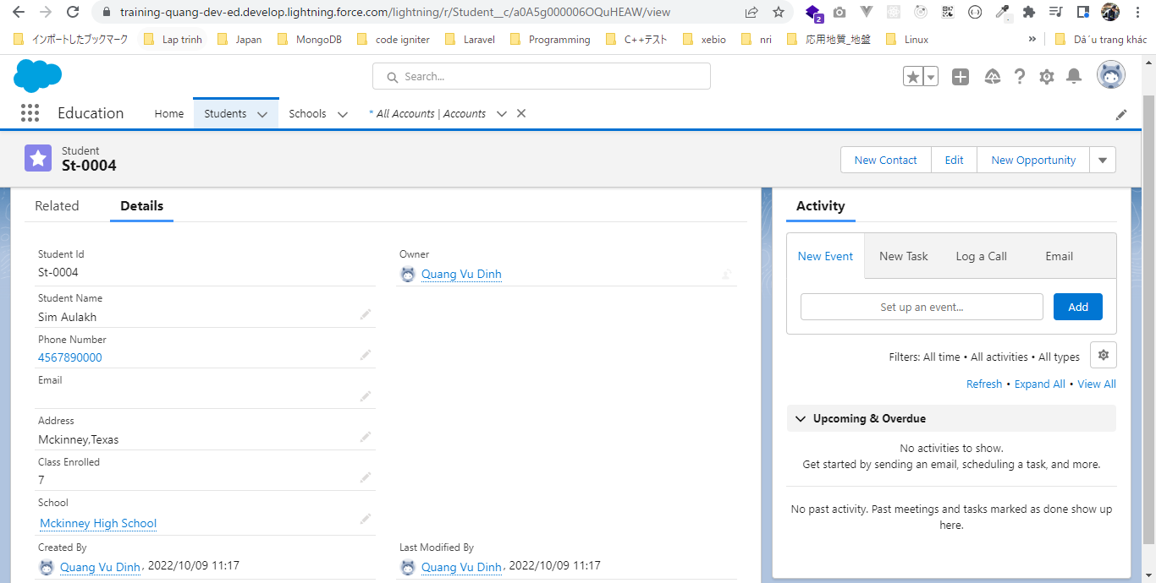
構成
 | salesforce-integration-with-external-systems
 |  | 2.SOAP-API
 |  |  | 1.Authenticating-SOAP-API-Users.txt
 |  |  | 2.Query-Account-records.txt
 |  |  | 3.SOAPQueryStudent.txt
 |  |  | 4.InsertNewStudentRecordsWithMruTrue.txt | → | new
 |  |  | 4.InsertNewStudentWithMruFalse.txt | → | new

 | MruHeader để mình set có muốn insert record vào "Recently Viewed" hay không

salesforce-integration-with-external-systems\2.SOAP-API\4.InsertNewStudentWithMruFalse.txt
 | <?xml version="1.0" encoding="utf-8"?>
 | <soapenv:Envelope xmlns:soapenv="http://schemas.xmlsoap.org/soap/envelope/"
 | xmlns:urn="urn:enterprise.soap.sforce.com"
 | xmlns:urn1="urn:sobject.enterprise.soap.sforce.com"
 | xmlns:xsi="http://www.w3.org/2001/XMLSchema-instance">
 | <soapenv:Header>
 | <urn:SessionHeader>
 | <urn:sessionId>00D5g00000GYf6f!ARwAQHfhJRaZDJQF8kfQ6cRRUH7zjYpzTbc3GHWblbSXJnR5zQ49mhww4CZA398VSvVF1SLA7aEWqNKgS4VHOoYzcKphyC22</urn:sessionId>
 | </urn:SessionHeader>
 | <urn:MruHeader>
 | <urn:updateMru>false</urn:updateMru>
 | </urn:MruHeader>
 | </soapenv:Header>
 | <soapenv:Body>
 | <urn:create> |  |  |  |  | → | Create record
 | <urn:sObjects xsi:type="urn1:Student__c">
 | <Student_Name__c> Deepika Khanna </Student_Name__c>
 | <Phone_Number__c> 3456789090 </Phone_Number__c>
 | <Address__c> Mckinney,Texas </Address__c>
 | <School__c>a0B5g00000tpuTiEAI</School__c>
 | </urn:sObjects>
 | </urn:create>
 | </soapenv:Body>
 | </soapenv:Envelope>

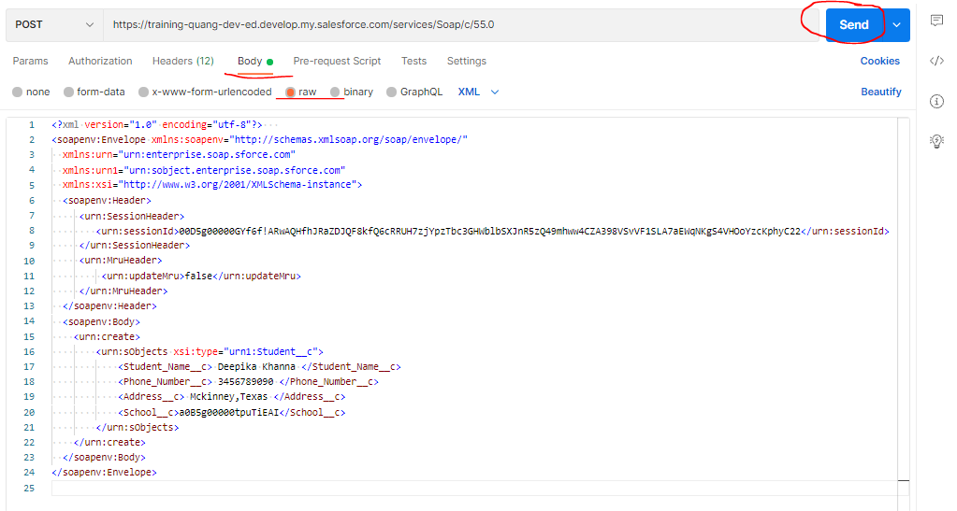

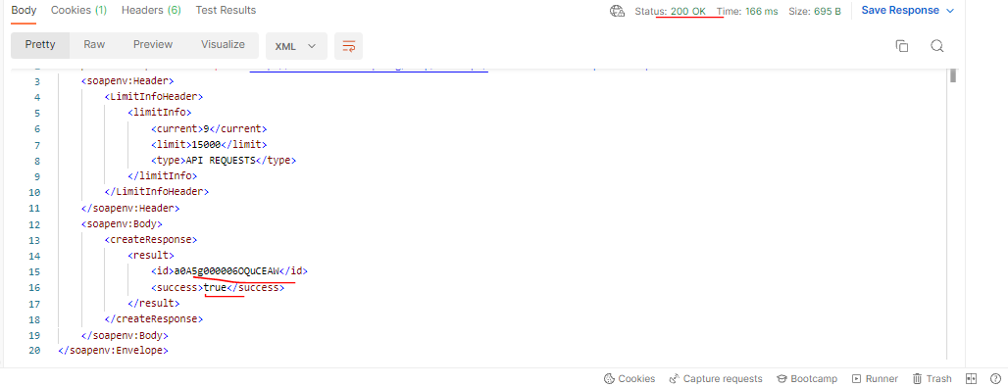

 | Đã insert thành công nhưng ko xem được ở "Recently Viewed" mà phải xem ở "All"

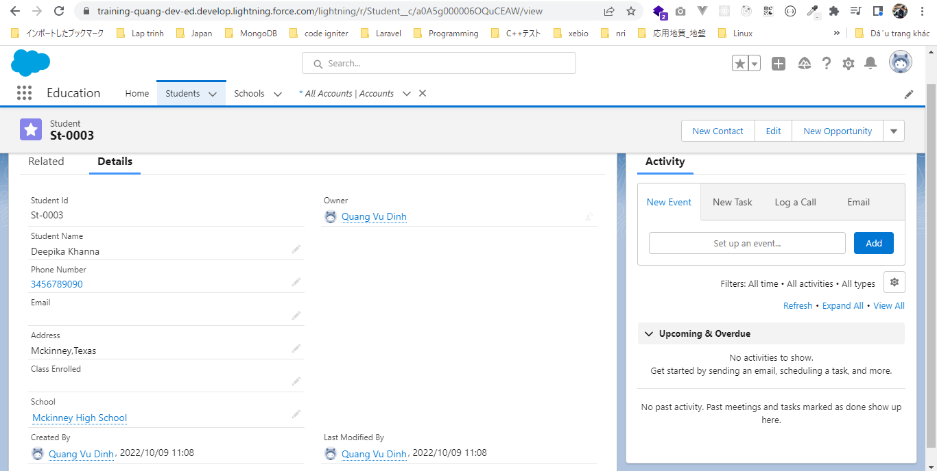

salesforce-integration-with-external-systems\2.SOAP-API\4.InsertNewStudentRecordsWithMruTrue.txt
 | <?xml version="1.0" encoding="utf-8"?>
 | <soapenv:Envelope xmlns:soapenv="http://schemas.xmlsoap.org/soap/envelope/"
 | xmlns:urn="urn:enterprise.soap.sforce.com"
 | xmlns:urn1="urn:sobject.enterprise.soap.sforce.com"
 | xmlns:xsi="http://www.w3.org/2001/XMLSchema-instance">
 | <soapenv:Header>
 | <urn:SessionHeader>
 | <urn:sessionId>00D5g00000GYf6f!ARwAQHfhJRaZDJQF8kfQ6cRRUH7zjYpzTbc3GHWblbSXJnR5zQ49mhww4CZA398VSvVF1SLA7aEWqNKgS4VHOoYzcKphyC22</urn:sessionId>
 | </urn:SessionHeader>
 | <urn:MruHeader>
 | <urn:updateMru>true</urn:updateMru>
 | </urn:MruHeader>
 | </soapenv:Header>
 | <soapenv:Body>
 | <urn:create>
 | <urn:sObjects xsi:type="urn1:Student__c">
 | <Student_Name__c> Sim Aulakh </Student_Name__c>
 | <Phone_Number__c> 4567890000 </Phone_Number__c>
 | <Address__c> Mckinney,Texas </Address__c>
 | <School__c>a0B5g00000tpuTiEAI</School__c>
 | <Class_Enrolled__c>7</Class_Enrolled__c>
 | </urn:sObjects>
 | </urn:create>
 | </soapenv:Body>
 | </soapenv:Envelope>

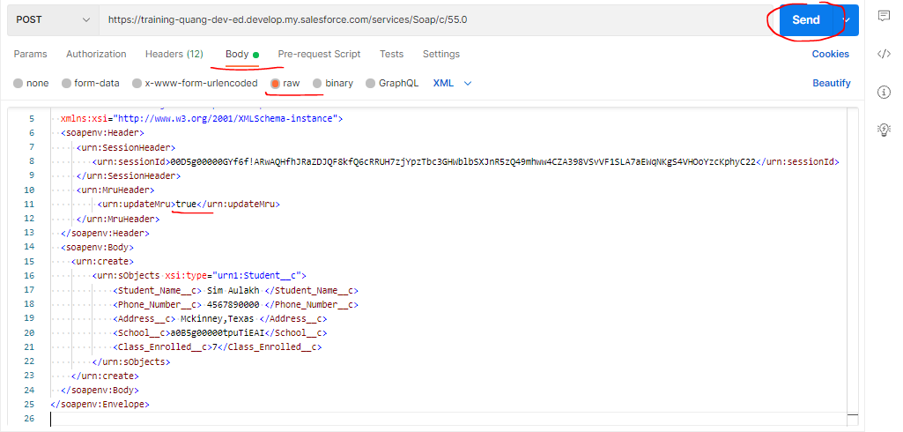

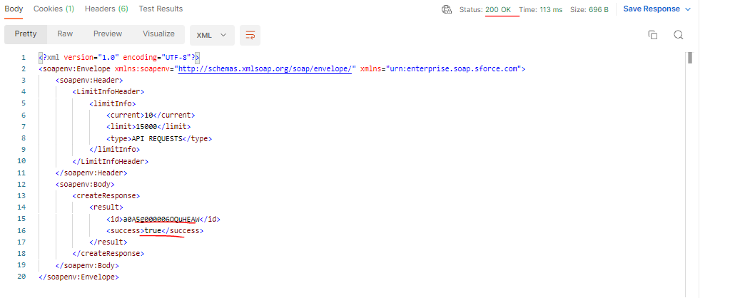

 | Đã insert thành công và xem được ở "Recently Viewed"

InsertMultiplSchoolRecords
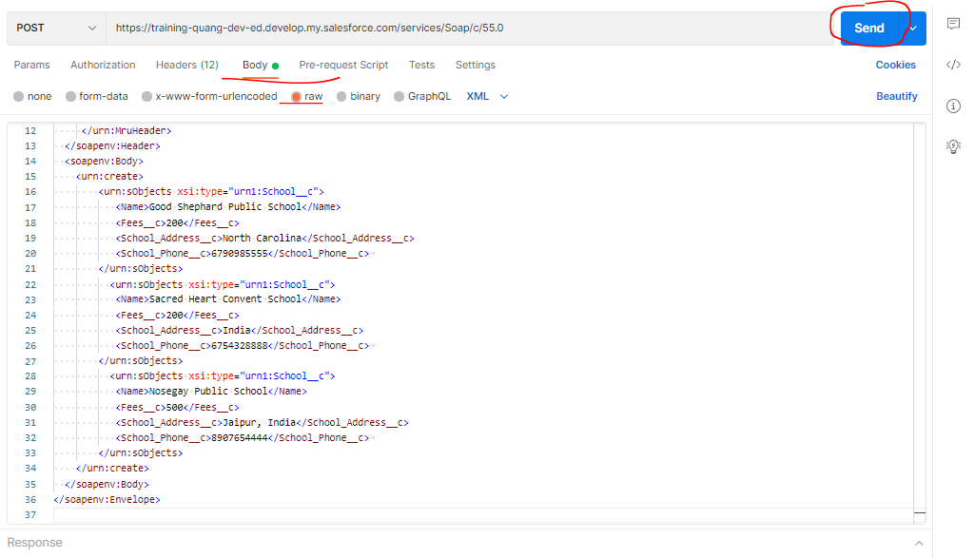
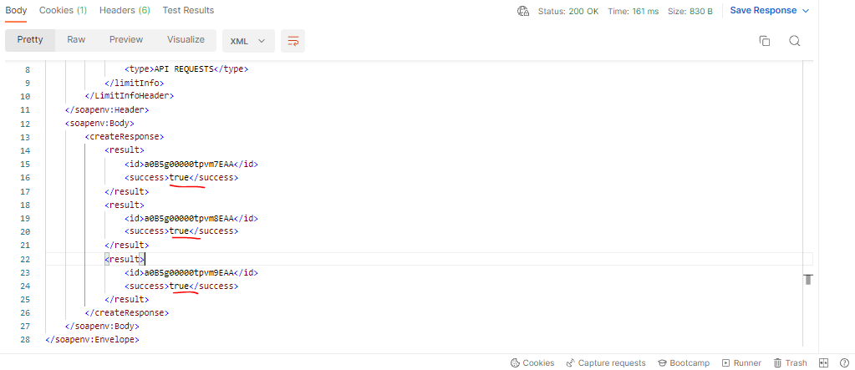
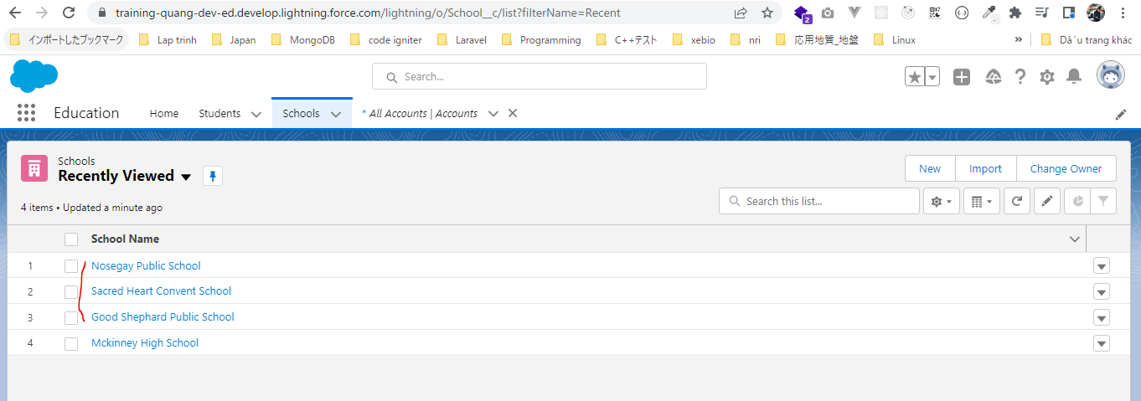
構成
 | salesforce-integration-with-external-systems
 |  | 2.SOAP-API
 |  |  | 1.Authenticating-SOAP-API-Users.txt
 |  |  | 2.Query-Account-records.txt
 |  |  | 3.SOAPQueryStudent.txt
 |  |  | 4.InsertNewStudentRecordsWithMruTrue.txt
 |  |  | 4.InsertNewStudentWithMruFalse.txt
 |  |  | 5.InsertMultiplSchoolRecords.txt | → | new

salesforce-integration-with-external-systems\2.SOAP-API\5.InsertMultiplSchoolRecords.txt
Tạo 3 object school
 | <?xml version="1.0" encoding="utf-8"?>
 | <soapenv:Envelope xmlns:soapenv="http://schemas.xmlsoap.org/soap/envelope/"
 | xmlns:urn="urn:enterprise.soap.sforce.com"
 | xmlns:urn1="urn:sobject.enterprise.soap.sforce.com"
 | xmlns:xsi="http://www.w3.org/2001/XMLSchema-instance">
 | <soapenv:Header>
 | <urn:SessionHeader>
 | <urn:sessionId>00D5g00000GYf6f!ARwAQHfhJRaZDJQF8kfQ6cRRUH7zjYpzTbc3GHWblbSXJnR5zQ49mhww4CZA398VSvVF1SLA7aEWqNKgS4VHOoYzcKphyC22</urn:sessionId>
 | </urn:SessionHeader>
 | <urn:MruHeader>
 | <urn:updateMru>true</urn:updateMru> |  |  |  |  | → | Object được tạo ra có thể xem được ở "Recently Viewed"
 | </urn:MruHeader>
 | </soapenv:Header>
 | <soapenv:Body>
 | <urn:create>
 | <urn:sObjects xsi:type="urn1:School__c">
 | <Name>Good Shephard Public School</Name>
 | <Fees__c>200</Fees__c>
 | <School_Address__c>North Carolina</School_Address__c>
 | <School_Phone__c>6790985555</School_Phone__c>
 | </urn:sObjects>
 | <urn:sObjects xsi:type="urn1:School__c">
 | <Name>Sacred Heart Convent School</Name>
 | <Fees__c>200</Fees__c>
 | <School_Address__c>India</School_Address__c>
 | <School_Phone__c>6754328888</School_Phone__c>
 | </urn:sObjects>
 | <urn:sObjects xsi:type="urn1:School__c">
 | <Name>Nosegay Public School</Name>
 | <Fees__c>500</Fees__c>
 | <School_Address__c>Jaipur, India</School_Address__c>
 | <School_Phone__c>8907654444</School_Phone__c>
 | </urn:sObjects>
 | </urn:create>
 | </soapenv:Body>
 | </soapenv:Envelope>

InsertMultipleRecordTypes
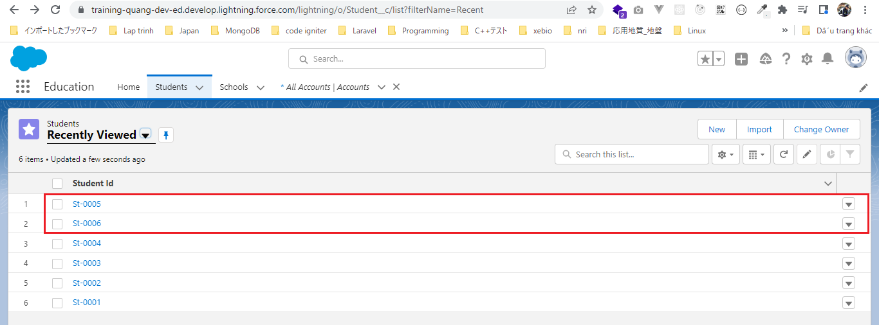
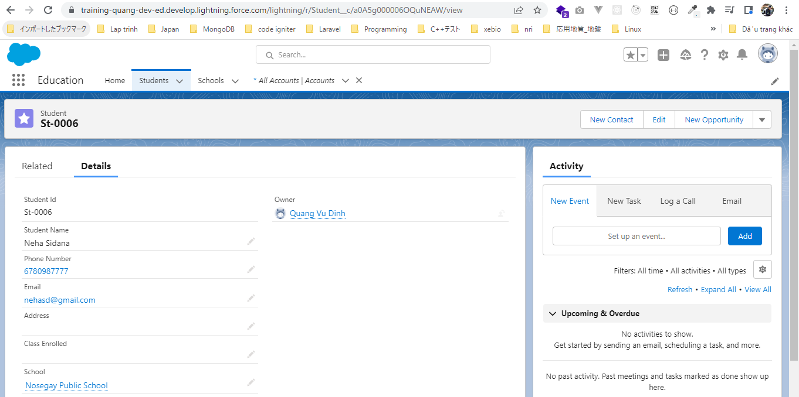
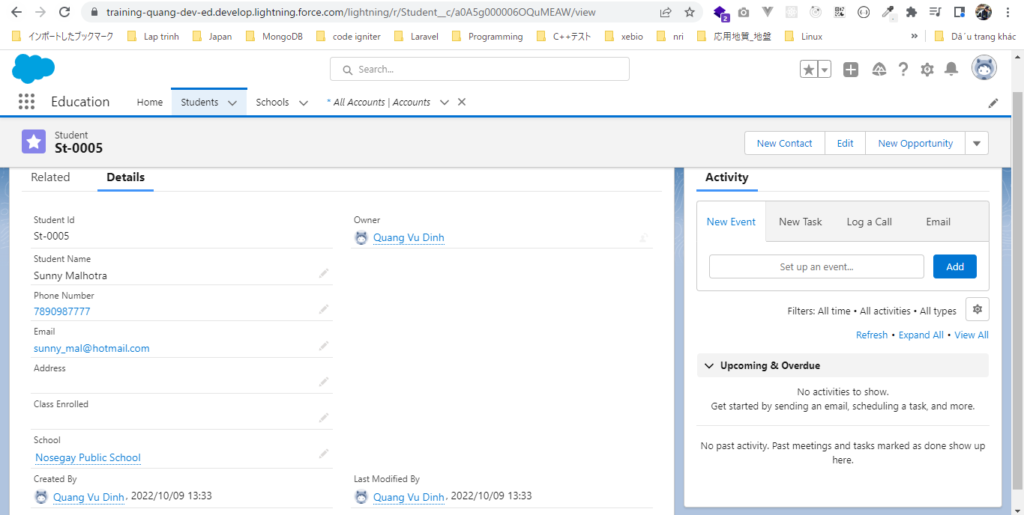
 | Insert Multiple records into different object using SOAP

構成
 | salesforce-integration-with-external-systems
 |  | 2.SOAP-API
 |  |  | 1.Authenticating-SOAP-API-Users.txt
 |  |  | 2.Query-Account-records.txt
 |  |  | 3.SOAPQueryStudent.txt
 |  |  | 4.InsertNewStudentRecordsWithMruTrue.txt
 |  |  | 4.InsertNewStudentWithMruFalse.txt
 |  |  | 5.InsertMultiplSchoolRecords.txt
 |  |  | 6.InsertMultipleRecordTypes.txt | → | new

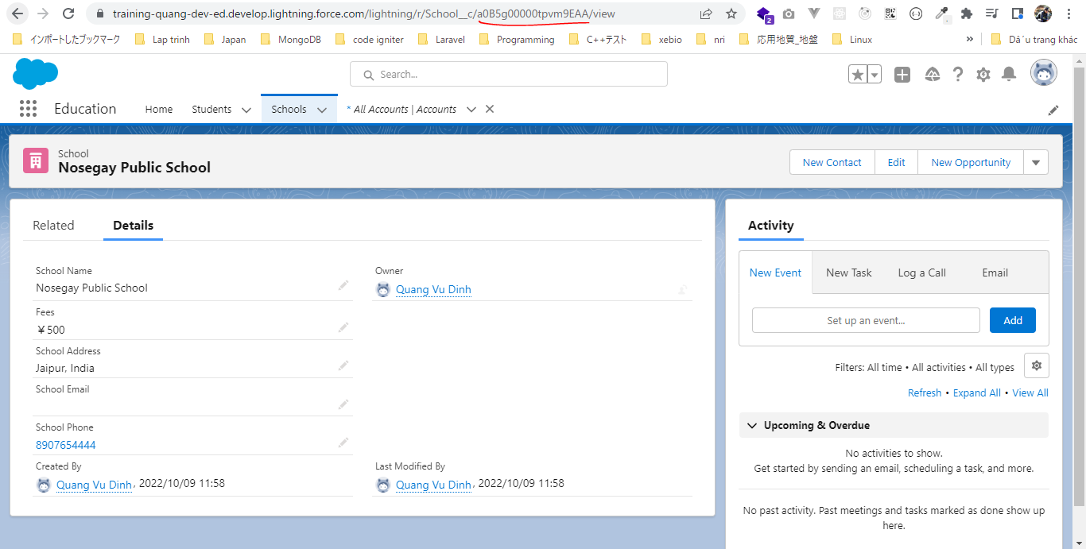
salesforce-integration-with-external-systems\2.SOAP-API\6.InsertMultipleRecordTypes.txt
Tạo 1 object school và 2 object Student
 | <?xml version="1.0" encoding="utf-8"?>
 | <soapenv:Envelope xmlns:soapenv="http://schemas.xmlsoap.org/soap/envelope/"
 | xmlns:urn="urn:enterprise.soap.sforce.com"
 | xmlns:urn1="urn:sobject.enterprise.soap.sforce.com"
 | xmlns:xsi="http://www.w3.org/2001/XMLSchema-instance">
 | <soapenv:Header>
 | <urn:SessionHeader>
 | <urn:sessionId>00D5g00000GYf6f!ARwAQHfhJRaZDJQF8kfQ6cRRUH7zjYpzTbc3GHWblbSXJnR5zQ49mhww4CZA398VSvVF1SLA7aEWqNKgS4VHOoYzcKphyC22</urn:sessionId>
 | </urn:SessionHeader>
 | <urn:MruHeader>
 | <urn:updateMru>true</urn:updateMru>
 | </urn:MruHeader>
 | </soapenv:Header>
 | <soapenv:Body>
 | <urn:create>
 | <urn:sObjects xsi:type="urn1:School__c">
 | <Name>Blooming Dales International School</Name>
 | <Fees__c>500</Fees__c>
 | <School_Address__c>South Carolina</School_Address__c>
 | <School_Phone__c>1110985555</School_Phone__c>
 | </urn:sObjects>
 | <urn:sObjects xsi:type="urn1:Student__c">
 | <Student_Name__c>Sunny Malhotra</Student_Name__c>
 | <Phone_Number__c>7890987777</Phone_Number__c>
 | <Email__c>sunny_mal@hotmail.com</Email__c>
 | <School__c>a0B5g00000tpvm9EAA</School__c>
 | </urn:sObjects>
 | <urn:sObjects xsi:type="urn1:Student__c">
 | <Student_Name__c>Neha Sidana</Student_Name__c>
 | <Phone_Number__c>6780987777</Phone_Number__c>
 | <Email__c>nehaSd@gmail.com</Email__c>
 | <School__c>a0B5g00000tpvm9EAA</School__c>
 | </urn:sObjects>
 | </urn:create>
 | </soapenv:Body>
 | </soapenv:Envelope>

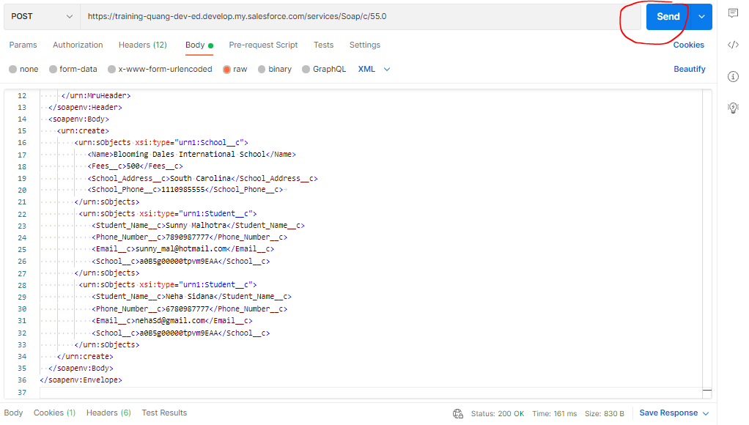

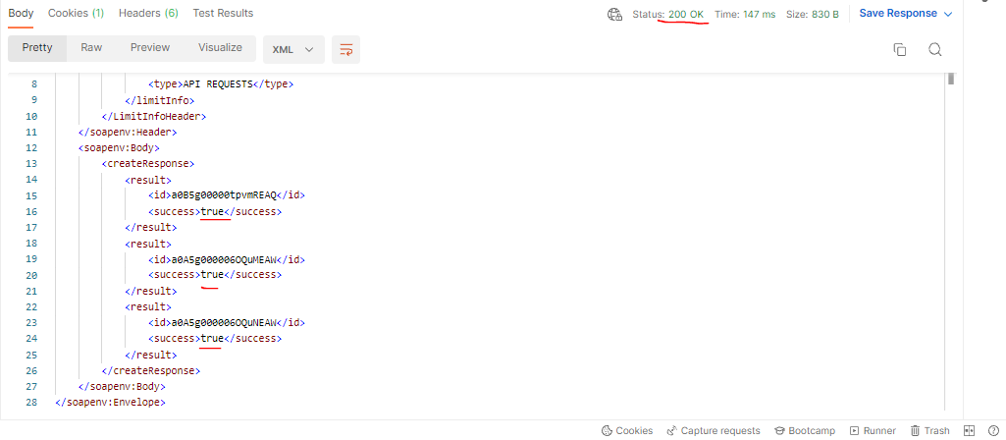

 | Một School mới được tạo
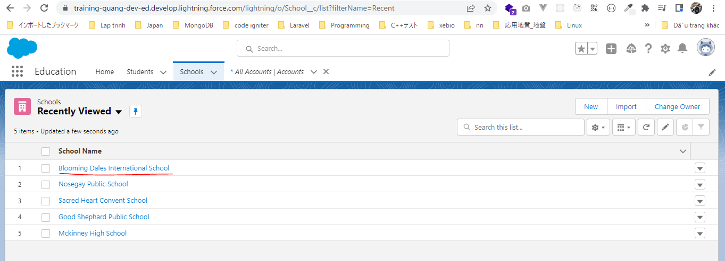

 | 2 Student mới được tạo

Creating a Custom SOAP Service
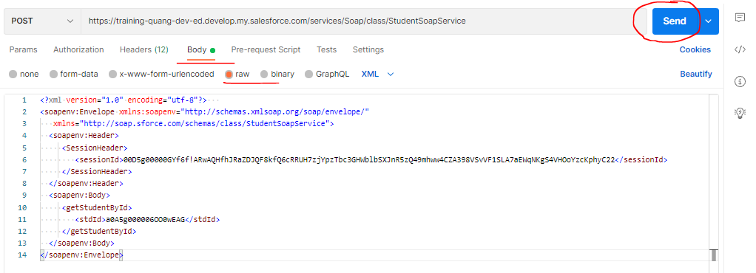
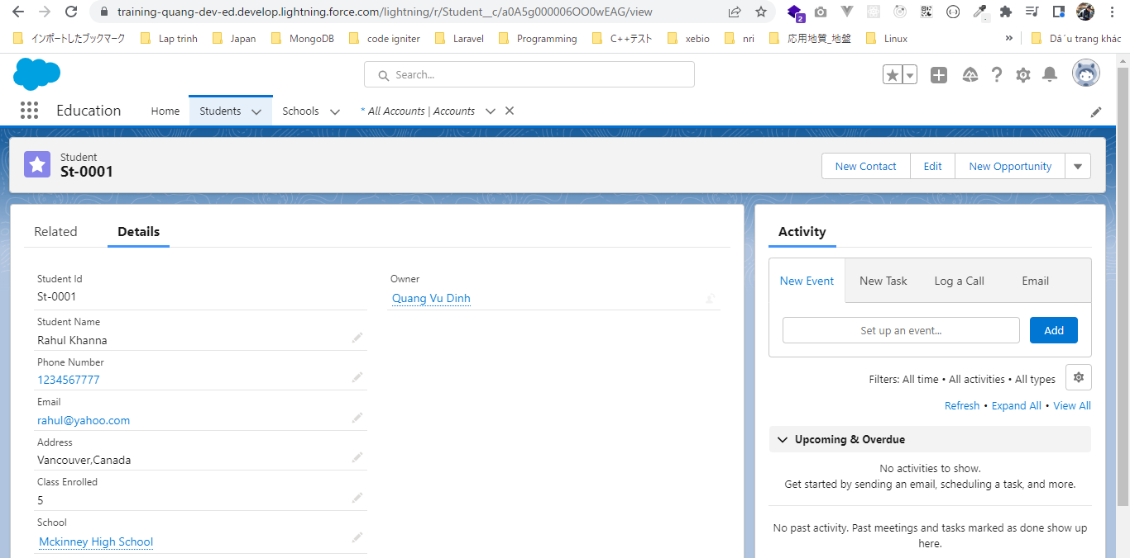
 | Creating a Custom SOAP Service
 | Service bên ngoài có thể gọi đến salesforce service để access data
 | Class phải được khai báo global
 | Thêm từ khóa webService và static modifier cho các method
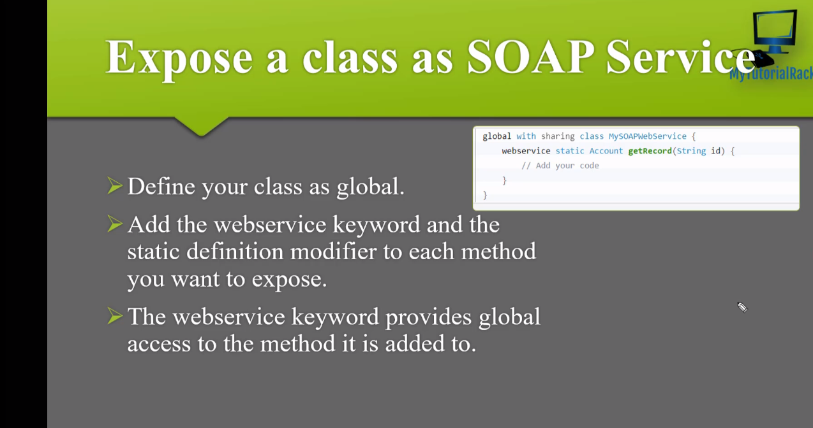

構成
 | salesforce-integration-with-external-systems
 |  | 2.SOAP-API
 |  |  | 1.Authenticating-SOAP-API-Users.txt
 |  |  | 2.Query-Account-records.txt
 |  |  | 3.SOAPQueryStudent.txt
 |  |  | 4.InsertNewStudentRecordsWithMruTrue.txt
 |  |  | 4.InsertNewStudentWithMruFalse.txt
 |  |  | 5.InsertMultiplSchoolRecords.txt
 |  |  | 6.InsertMultipleRecordTypes.txt
 |  |  | 7.CustomStudentSOAPService.txt | → | new
 |  |  | 7.StudentSoapService.txt | → | new

salesforce-integration-with-external-systems\2.SOAP-API\7.StudentSoapService.txt
 | global class StudentSoapService
 | {
 | webService static Student__c getStudentById(String stdId)
 | {
 | Student__c student=[select id,Student_Name__c,Phone_Number__c,School__c,Email__c from Student__c where id=: stdId];
 | return student;
 | }

 | }

salesforce-integration-with-external-systems\2.SOAP-API\7.CustomStudentSOAPService.txt
 | <?xml version="1.0" encoding="utf-8"?>
 | <soapenv:Envelope xmlns:soapenv="http://schemas.xmlsoap.org/soap/envelope/"
 | xmlns="http://soap.sforce.com/schemas/class/StudentSoapService">
 | <soapenv:Header>
 | <SessionHeader>
 | <sessionId>00D5g00000GYf6f!ARwAQHfhJRaZDJQF8kfQ6cRRUH7zjYpzTbc3GHWblbSXJnR5zQ49mhww4CZA398VSvVF1SLA7aEWqNKgS4VHOoYzcKphyC22</sessionId>
 | </SessionHeader>
 | </soapenv:Header>
 | <soapenv:Body>
 | <getStudentById>
 | <stdId>a0A5g000006OO0wEAG</stdId>
 | </getStudentById>
 | </soapenv:Body>
 | </soapenv:Envelope>

