Host External Application
構成
 | salesforce-integration-with-external-systems
 |  | 2.SOAP-API
 |  | 3.REST-API
 |  | 4.IntegrationsWithExternalSystems |  | → | new
 |  |  | StudentInfoApp | → | new

 | npm install
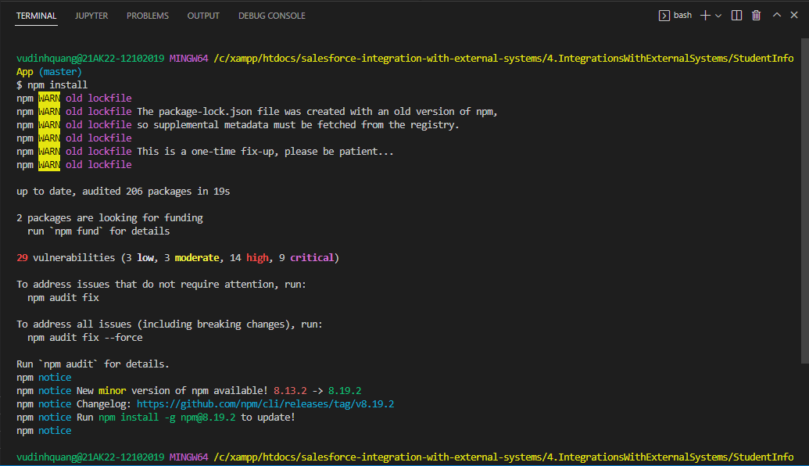

Run Application
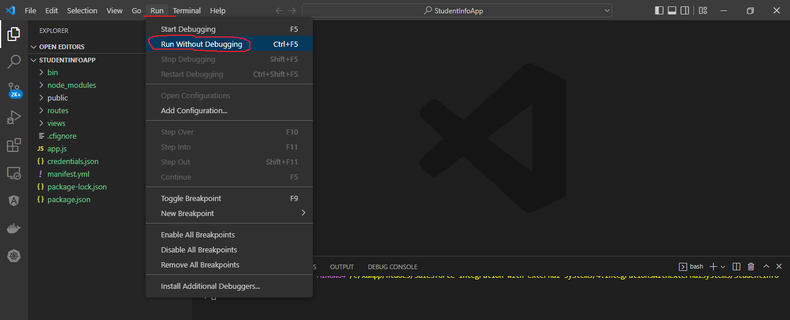

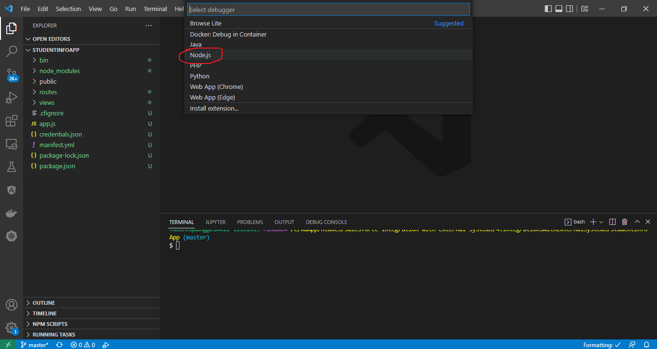

 | http://localhost:3000/
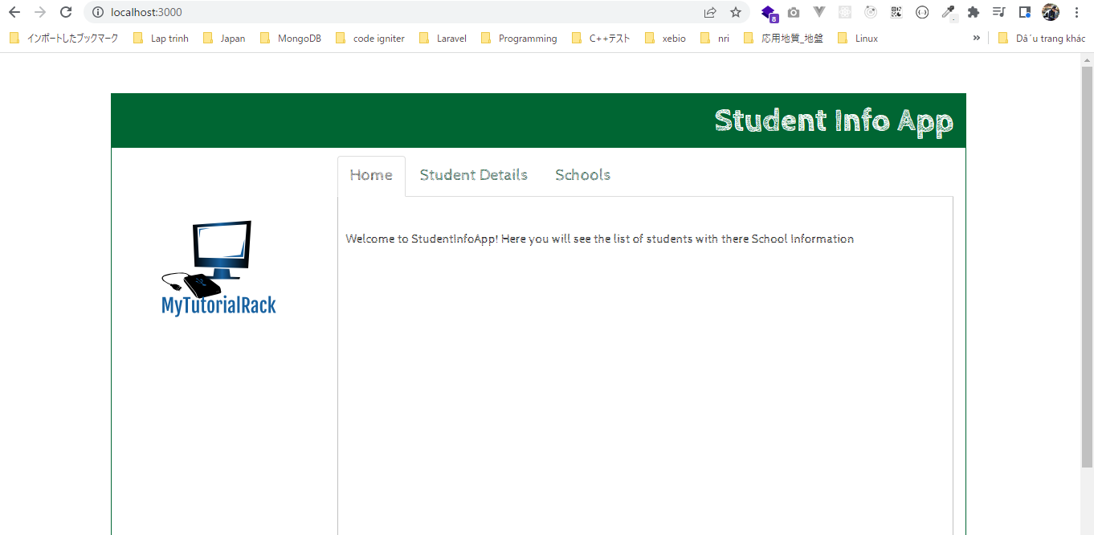

 | Stop app

salesforce-integration-with-external-systems\4.IntegrationsWithExternalSystems\StudentInfoApp\credentials.json
 | pwd
 | { |  |  |  |  | Consumer Key | 3MVG9fe4g9fhX0E7UjReq40zJn4dOe1Th2VXN6zovyOuuZvRkI_PzA3sOfHQMsL3LbAYEgxetLeoRiUnLGmjk
 | "username": "vudinhquangk53@gmail.com", |  |  |  |  | Consumer Secret | 6C50B4AB4D7C6E6EBB66195BEE6EE67BE4DCB60308310C552C6A558CD23130BA
 | "password": "XXXXXDzKvI1Pc62VeF7U8Ym0kQo5m", |  |  |  |  | password | XXXXX
 | "client_id" : "3MVG9fe4g9fhX0E7UjReq40zJn4dOe1Th2VXN6zovyOuuZvRkI_PzA3sOfHQMsL3LbAYEgxetLeoRiUnLGmjk", |  |  |  |  | Security token | DzKvI1Pc62VeF7U8Ym0kQo5m | → | Đã lấy ở Soap API
 | "client_secret": "6C50B4AB4D7C6E6EBB66195BEE6EE67BE4DCB60308310C552C6A558CD23130BA"
 | }

