Use Postman to call a REST API
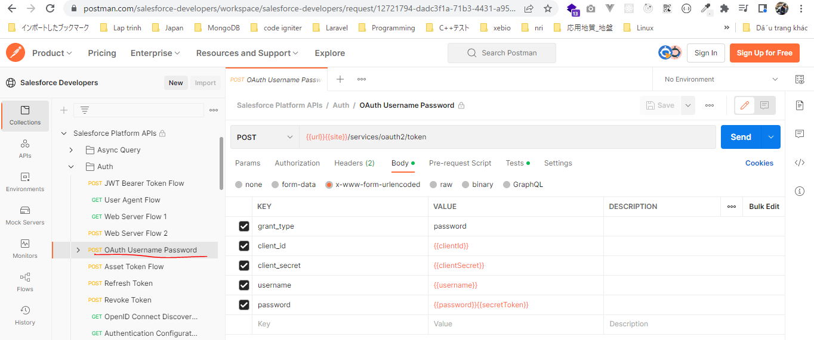
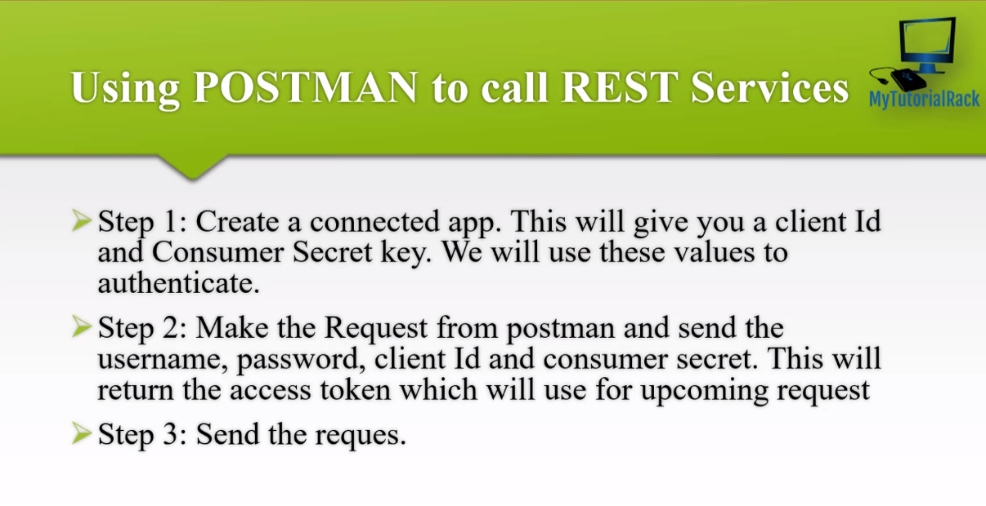

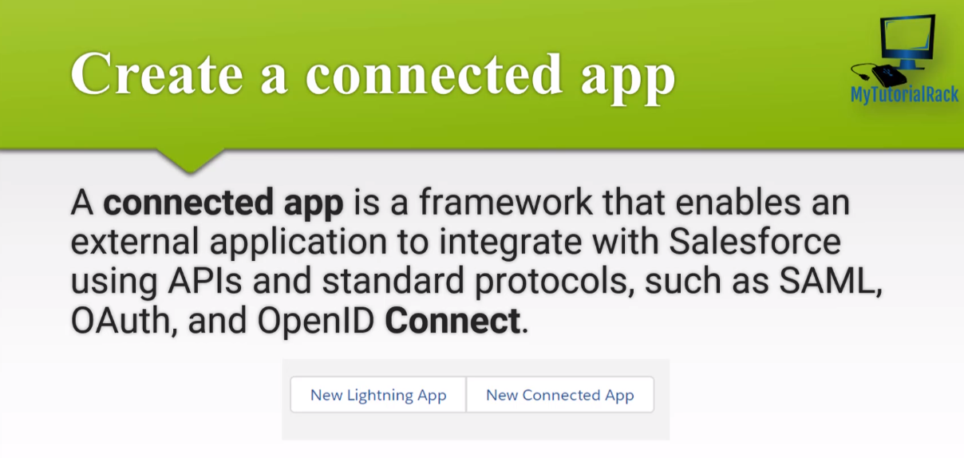

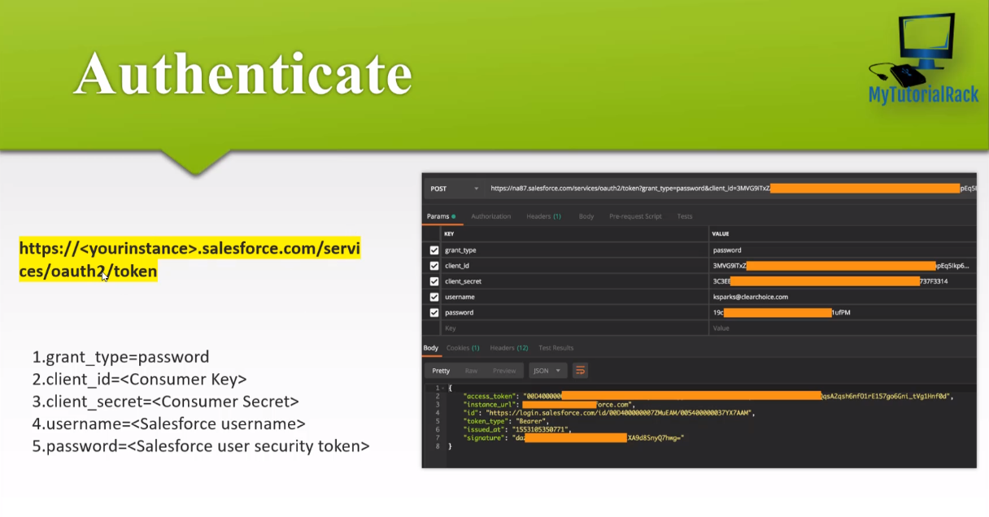

https://www.postman.com/salesforce-developers/workspace/salesforce-developers/request/12721794-dadc3f1a-71b3-4431-a958-fa00c4731b6f
url: https://login.salesforce.com

CreateAConnectedAppInSalesforce
New Connected App
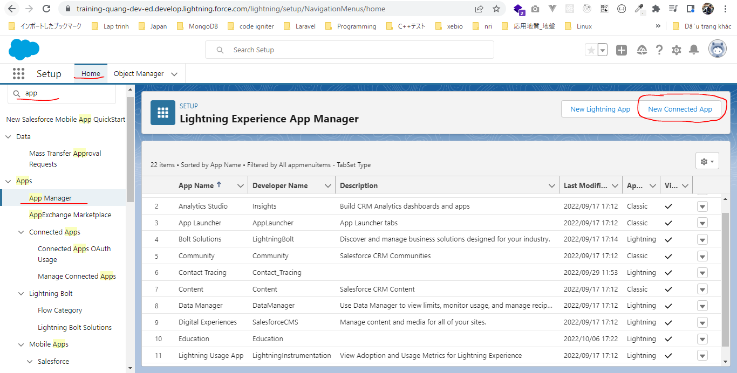

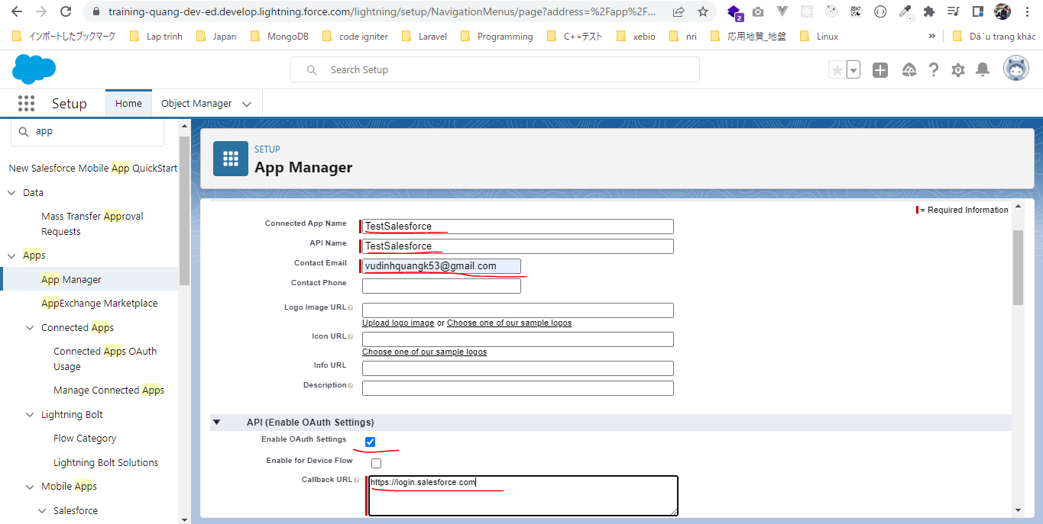

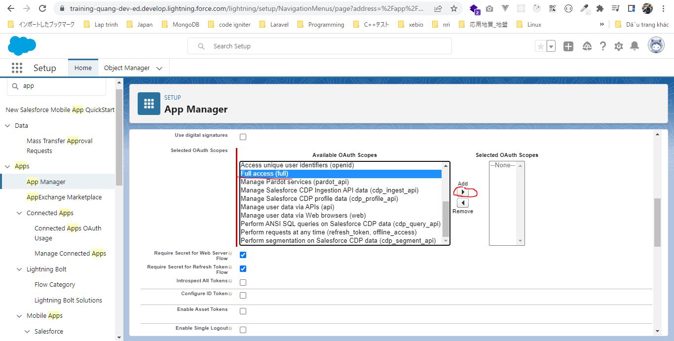

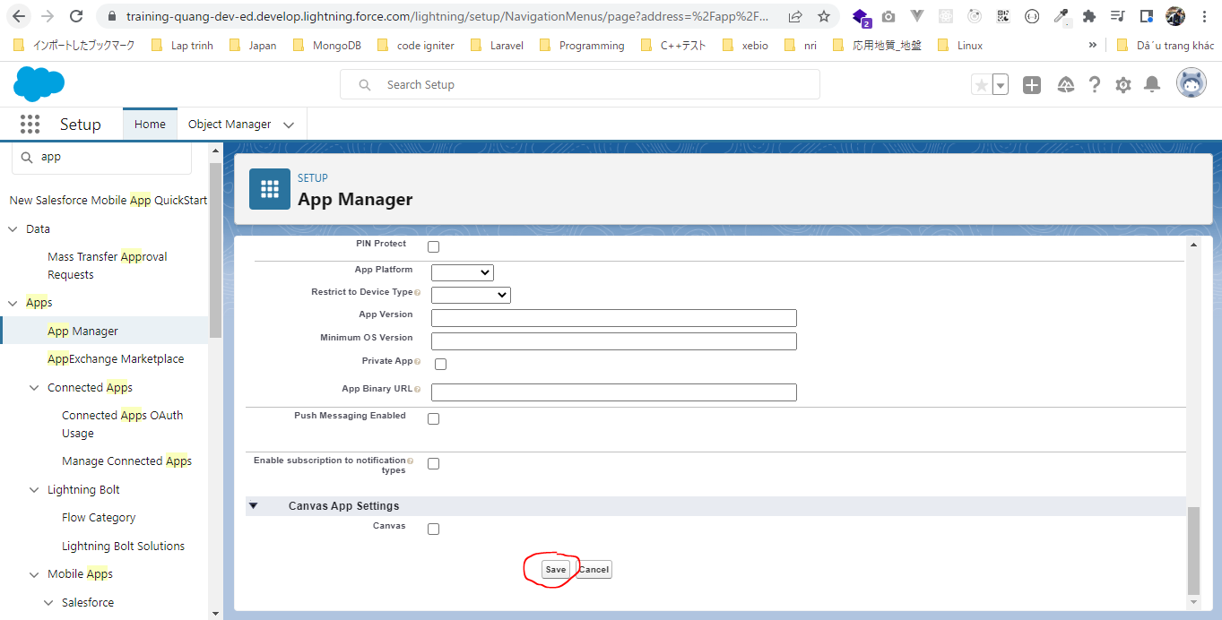

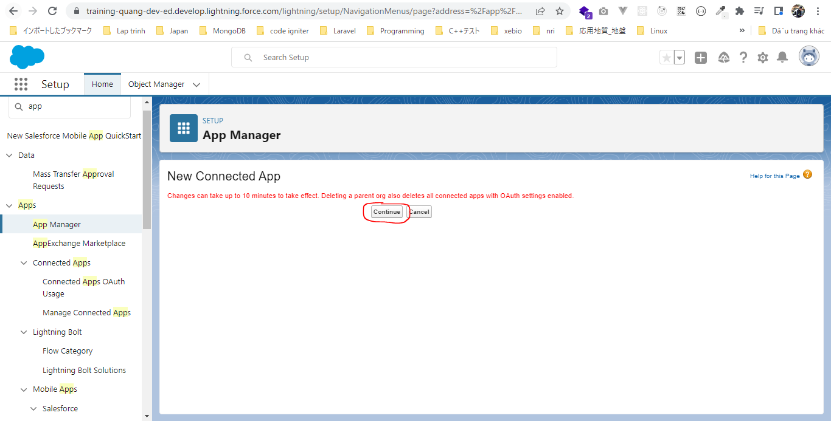

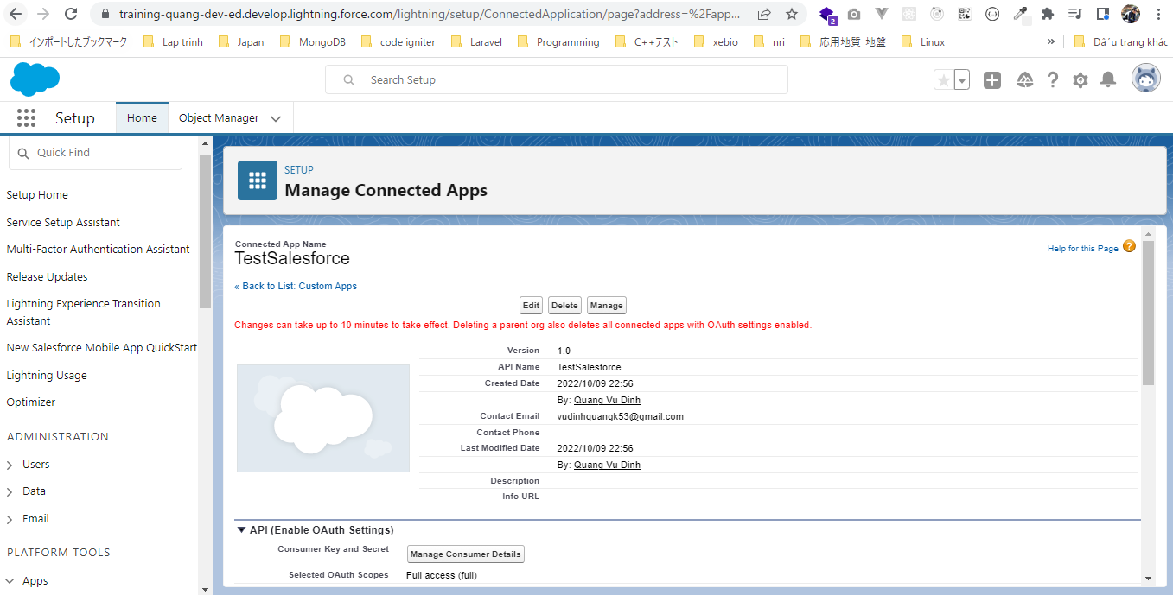

Consumer Key and Secret
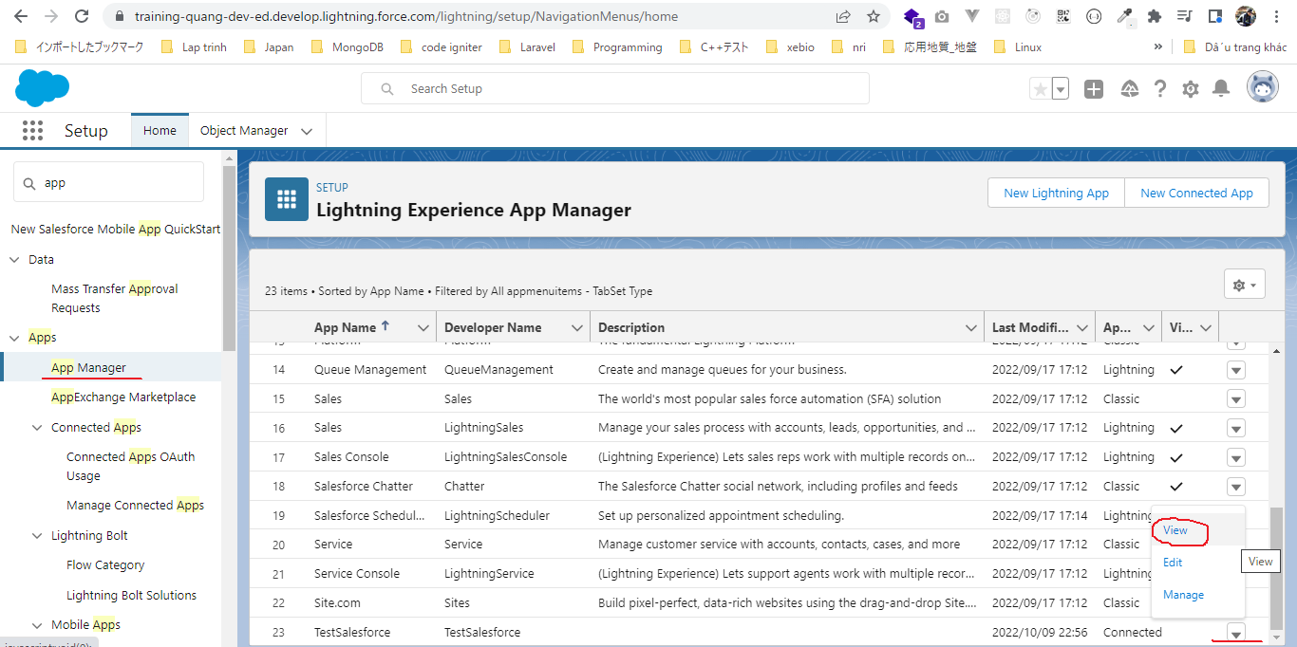

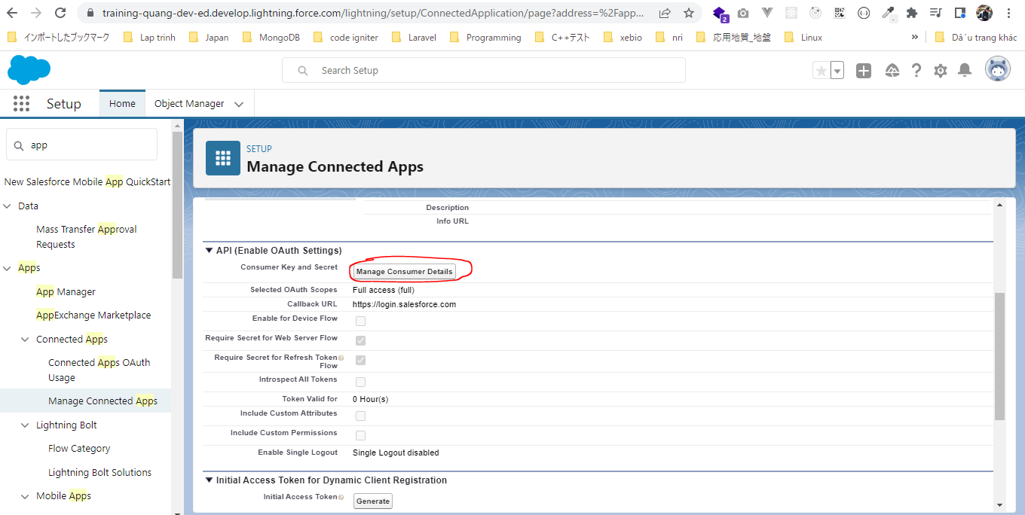

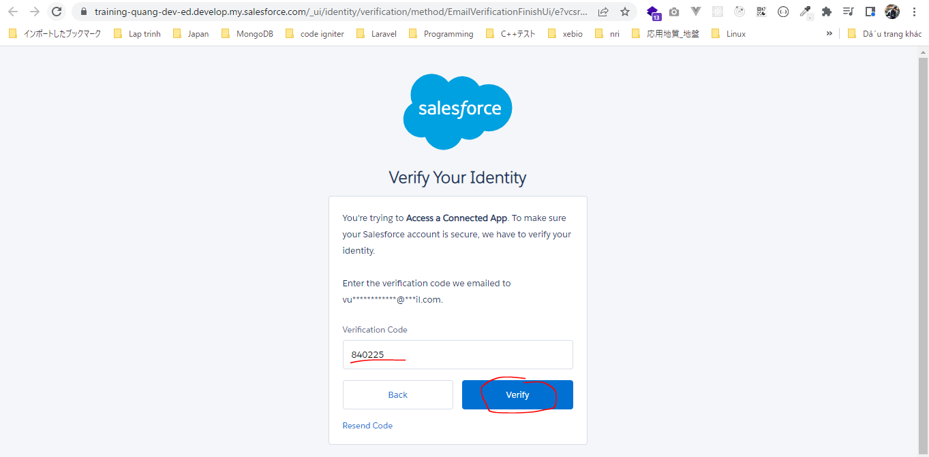

 | Consumer Key | 3MVG9fe4g9fhX0E7UjReq40zJn4dOe1Th2VXN6zovyOuuZvRkI_PzA3sOfHQMsL3LbAYEgxetLeoRiUnLGmjk
 | Consumer Secret | 6C50B4AB4D7C6E6EBB66195BEE6EE67BE4DCB60308310C552C6A558CD23130BA

