Streaming-API-in-Salesforce
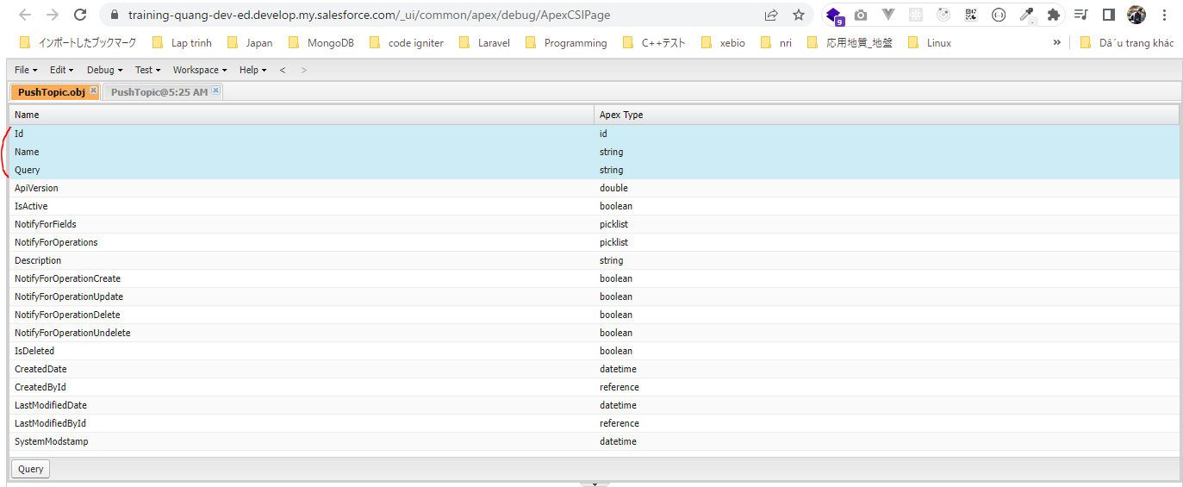
 | PushTopic is an sObject that contains the criteria of events that we want listen to, for example data changes for a particular object
 | https://developer.salesforce.com/docs/atlas.en-us.object_reference.meta/object_reference/sforce_api_objects_pushtopic.htm

構成
 | salesforce-integration-with-external-systems
 |  | 2.SOAP-API
 |  | 3.REST-API
 |  | 4.IntegrationsWithExternalSystems
 |  |  | StudentInfoApp
 |  |  |  | bin
 |  |  |  | node_modules
 |  |  |  | public
 |  |  |  | routes
 |  |  |  |  | index.js
 |  |  |  |  | om.js
 |  |  |  |  | school.js
 |  |  |  |  | student.js
 |  | 5.Salesforce-BULK-API
 |  |  | 1.Create-a-bulk-API-in-Salesforce
 |  |  | 2.Salesforce-Bulk-Api-with-Example
 |  |  | 3.Upload-records-using-a-CSV-file
 |  |  |  | StudentFile.csv
 |  |  |  | StudentFile.xlsx
 |  |  | 4.Create-a-Transformation-Spec-That-Defines-Mappings
 |  |  |  | spec.csv
 |  |  |  | StudentFile2.csv
 |  | 6.Callouts-using-Apex
 |  |  | 1.Create-an-Apex-class
 |  |  |  | debug.txt
 |  |  |  | HttpCalloutCtrl.txt
 |  |  | 2.Make-HTTP-Callout-from-Lightning-component
 |  |  |  | SampleComponent.txt
 |  |  |  | SampleComponent1.txt
 |  |  |  | SampleComponentController.txt
 |  |  |  | SampleComponentHelper.txt
 |  | 7.Streaming-API-in-Salesforce
 |  |  | 1.Create-a-push-topic-in-Salesforce
 |  |  |  | 1.Create-a-push-topic-in-Salesforce.text

salesforce-integration-with-external-systems\7.Streaming-API-in-Salesforce\1.Create-a-push-topic-in-Salesforce\1.Create-a-push-topic-in-Salesforce.text
 | PushTopic pushTopic=new PushTopic();
 | pushTopic.Name='StudentUpdates';
 | pushTopic.Query='select id, Student_Name__c, Address__c, Phone_Number__c, Email__c from Student__c';
 | pushTopic.ApiVersion=57.0;
 | pushTopic.NotifyForOperationCreate=true;
 | pushTopic.NotifyForOperationDelete=true;
 | pushTopic.NotifyForOperationUndelete=true;
 | pushTopic.NotifyForOperationUpdate=true;
 | pushTopic.NotifyForFields='Referenced';
 | insert pushTopic;

NotifyForFields
 | All | Notifications are generated for all record field changes. For example: Select id, Student_Name__c, Address__c, Phone_Number__c, Email__c from Student__c
 |  | But if on Student__c we have 10 different fields. No matter what field on that student record changes we want to generate that notification. The notification are generated for all the
 |  | record changes. Provided the evaluated records match the criteria specied in the Where clause
 | Referenced | The field that we have specified in the query. If those fields on the records changes, then we will get the notification specifically if these records criteria meet. So if let's say the criteria of
 | (default) | the query is Select id, Name From Student__c. We not putting Where clause and we have set pushTopic.NotifyForFields=Referenced; means only these Id, and Name value changes on the
 |  | Student record then we will get notify. There is another field on the Student record and we have changed that field but that field is not part of query, the notification will not be sent in
 | Select | Changes to fields referenced in the Select clause are evaluated. Only the field that are there in the select clause are evaluated. Notification are generated for the evaluated records only if
 |  | the match the criteria specified in the where clause. So if match the criteria, then only the notification will be sent
 | Where | Changes to the fields reference in the where clause are evaluated. Notification are generated for the evaluated records only if the match the criteria in the where clause

Select PushTopic
 | Select Id, Name from PushTopic

Open Object
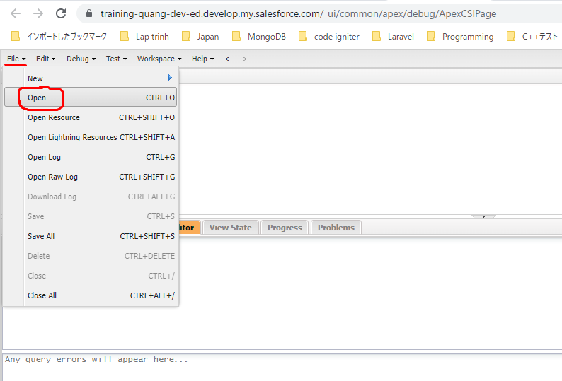

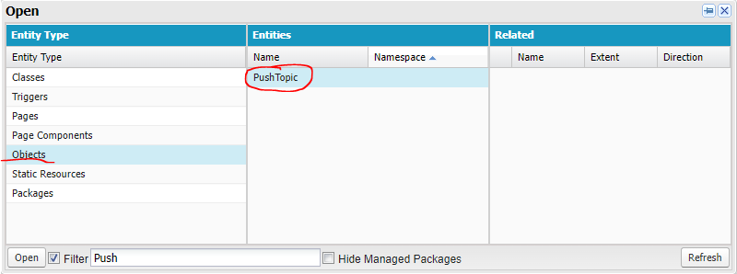

 | SELECT Id, Name, Query FROM PushTopic

Import Maven Project
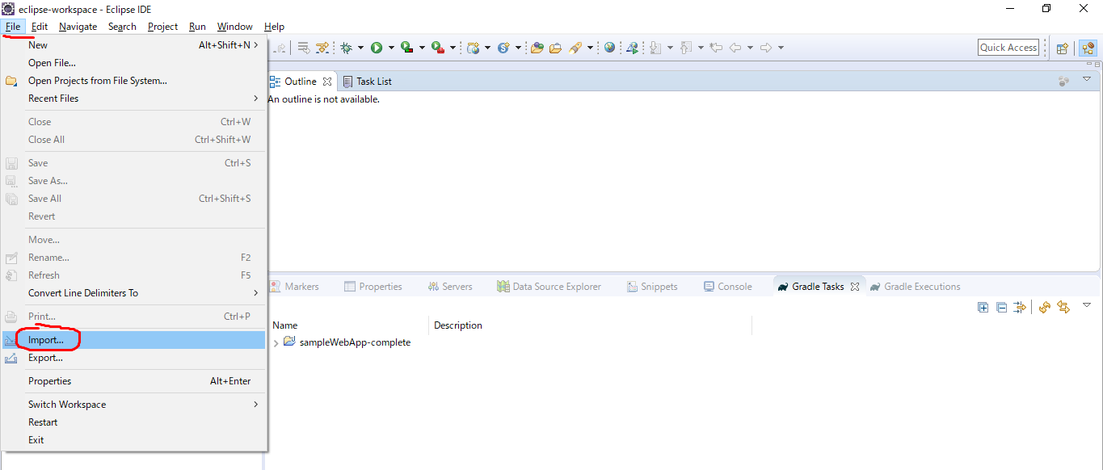
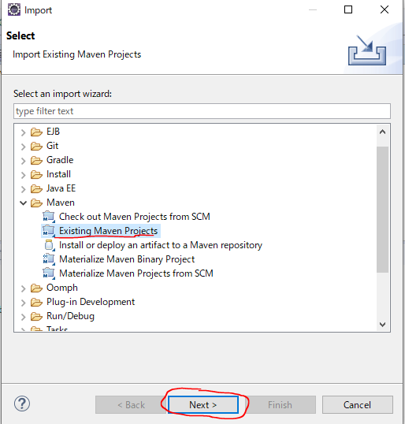
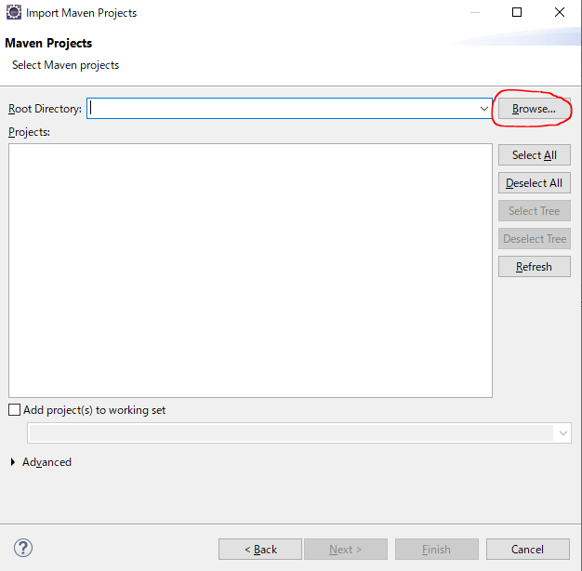
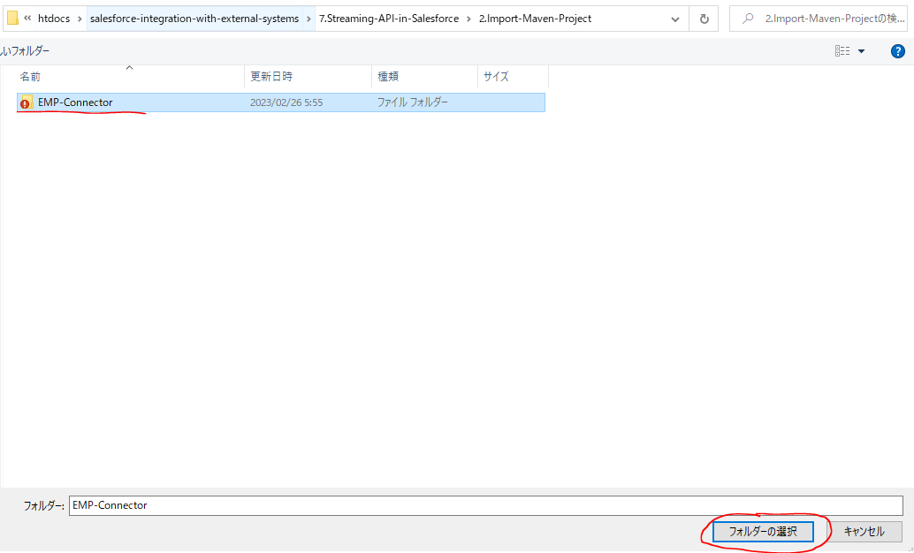
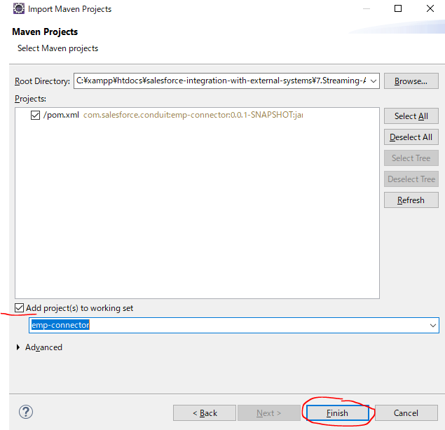
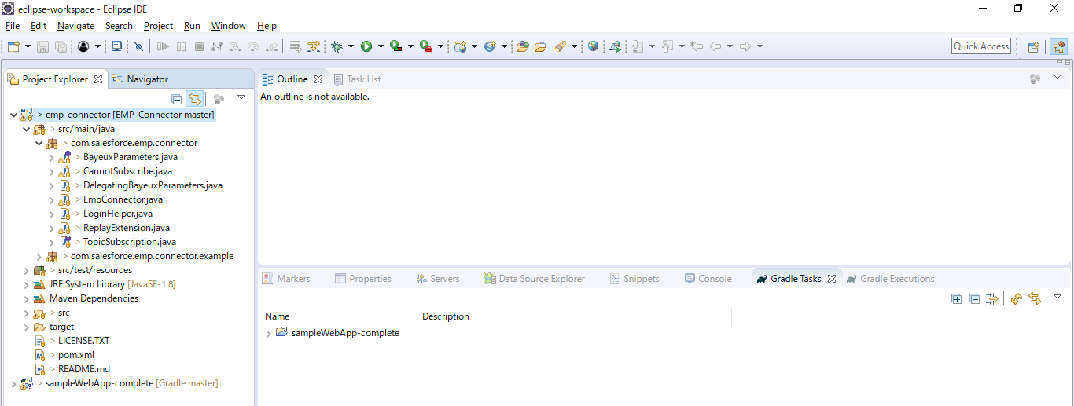
構成
 | salesforce-integration-with-external-systems
 |  | 2.SOAP-API
 |  | 3.REST-API
 |  | 4.IntegrationsWithExternalSystems
 |  |  | StudentInfoApp
 |  |  |  | bin
 |  |  |  | node_modules
 |  |  |  | public
 |  |  |  | routes
 |  |  |  |  | index.js
 |  |  |  |  | om.js
 |  |  |  |  | school.js
 |  |  |  |  | student.js
 |  | 5.Salesforce-BULK-API
 |  |  | 1.Create-a-bulk-API-in-Salesforce
 |  |  | 2.Salesforce-Bulk-Api-with-Example
 |  |  | 3.Upload-records-using-a-CSV-file
 |  |  |  | StudentFile.csv
 |  |  |  | StudentFile.xlsx
 |  |  | 4.Create-a-Transformation-Spec-That-Defines-Mappings
 |  |  |  | spec.csv
 |  |  |  | StudentFile2.csv
 |  | 6.Callouts-using-Apex
 |  |  | 1.Create-an-Apex-class
 |  |  |  | debug.txt
 |  |  |  | HttpCalloutCtrl.txt
 |  |  | 2.Make-HTTP-Callout-from-Lightning-component
 |  |  |  | SampleComponent.txt
 |  |  |  | SampleComponent1.txt
 |  |  |  | SampleComponentController.txt
 |  |  |  | SampleComponentHelper.txt
 |  | 7.Streaming-API-in-Salesforce
 |  |  | 1.Create-a-push-topic-in-Salesforce
 |  |  |  | 1.Create-a-push-topic-in-Salesforce.text
 |  |  | 2.Import-Maven-Project
 |  |  |  | EMP-Connector

Import Maven project

Sending Data from Salesforce
Sending Data from Salesforce to External System using Push Topics

構成
 | salesforce-integration-with-external-systems
 |  | 2.SOAP-API
 |  | 3.REST-API
 |  | 4.IntegrationsWithExternalSystems
 |  |  | StudentInfoApp
 |  |  |  | bin
 |  |  |  | node_modules
 |  |  |  | public
 |  |  |  | routes
 |  |  |  |  | index.js
 |  |  |  |  | om.js
 |  |  |  |  | school.js
 |  |  |  |  | student.js
 |  | 5.Salesforce-BULK-API
 |  |  | 1.Create-a-bulk-API-in-Salesforce
 |  |  | 2.Salesforce-Bulk-Api-with-Example
 |  |  | 3.Upload-records-using-a-CSV-file
 |  |  |  | StudentFile.csv
 |  |  |  | StudentFile.xlsx
 |  |  | 4.Create-a-Transformation-Spec-That-Defines-Mappings
 |  |  |  | spec.csv
 |  |  |  | StudentFile2.csv
 |  | 6.Callouts-using-Apex
 |  |  | 1.Create-an-Apex-class
 |  |  |  | debug.txt
 |  |  |  | HttpCalloutCtrl.txt
 |  |  | 2.Make-HTTP-Callout-from-Lightning-component
 |  |  |  | SampleComponent.txt
 |  |  |  | SampleComponent1.txt
 |  |  |  | SampleComponentController.txt
 |  |  |  | SampleComponentHelper.txt
 |  | 7.Streaming-API-in-Salesforce
 |  |  | 1.Create-a-push-topic-in-Salesforce
 |  |  |  | 1.Create-a-push-topic-in-Salesforce.text
 |  |  | 2.Import-Maven-Project
 |  |  |  | EMP-Connector

salesforce-integration-with-external-systems\7.Streaming-API-in-Salesforce\2.Import-Maven-Project\EMP-Connector\src\main\java\com\salesforce\emp\connector\example\LoginExample.java
 | /*
 | * Copyright (c) 2016, salesforce.com, inc.
 | * All rights reserved.
 | * Licensed under the BSD 3-Clause license.
 | * For full license text, see LICENSE.TXT file in the repo root or https://opensource.org/licenses/BSD-3-Clause
 | */
 | package com.salesforce.emp.connector.example;

 | import static com.salesforce.emp.connector.LoginHelper.login;

 | import java.net.URL;
 | import java.util.Map;
 | import java.util.concurrent.TimeUnit;
 | import java.util.function.Consumer;
 | import org.eclipse.jetty.util.ajax.JSON;

 | import com.salesforce.emp.connector.BayeuxParameters;
 | import com.salesforce.emp.connector.EmpConnector;
 | import com.salesforce.emp.connector.LoginHelper;
 | import com.salesforce.emp.connector.TopicSubscription;

 | /**
 | * An example of using the EMP connector using login credentials
 | *
 | * @author hal.hildebrand
 | * @since API v37.0
 | */
 | public class LoginExample {
 | public static void main(String[] argv) throws Exception {
 | if (argv.length < 3 || argv.length > 4) {
 | System.err.println("Usage: LoginExample username password topic [replayFrom]");
 | System.exit(1);
 | }
 | long replayFrom = EmpConnector.REPLAY_FROM_EARLIEST;
 | if (argv.length == 4) {
 | replayFrom = Long.parseLong(argv[3]);
 | }

 | BearerTokenProvider tokenProvider = new BearerTokenProvider(() -> {
 | try {
 | return login(argv[0], argv[1]); |  |  |  |  | → | Login requires 2 parameters are username and password
 | } catch (Exception e) {
 | e.printStackTrace(System.err);
 | System.exit(1);
 | throw new RuntimeException(e);
 | }
 | });

 | BayeuxParameters params = tokenProvider.login();

 | Consumer<Map<String, Object>> consumer = event -> System.out.println(String.format("Received:\n%s", JSON.toString(event)));

 | EmpConnector connector = new EmpConnector(params);

 | connector.setBearerTokenProvider(tokenProvider);

 | connector.start().get(5, TimeUnit.SECONDS);

 | TopicSubscription subscription = connector.subscribe(argv[2], replayFrom, consumer).get(5, TimeUnit.SECONDS); |  |  |  |  | → | argv[2] is what is the PushTopic we are subcribing

 | System.out.println(String.format("Subscribed: %s", subscription));
 | }
 | }

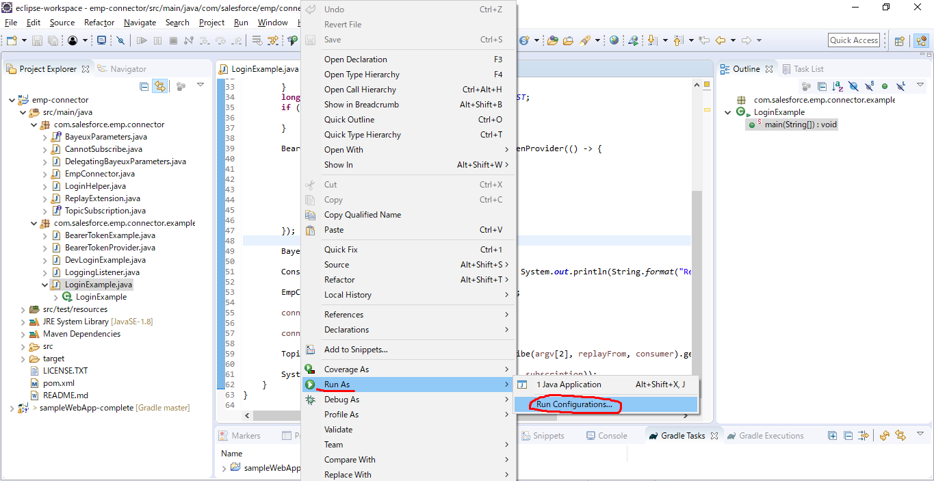

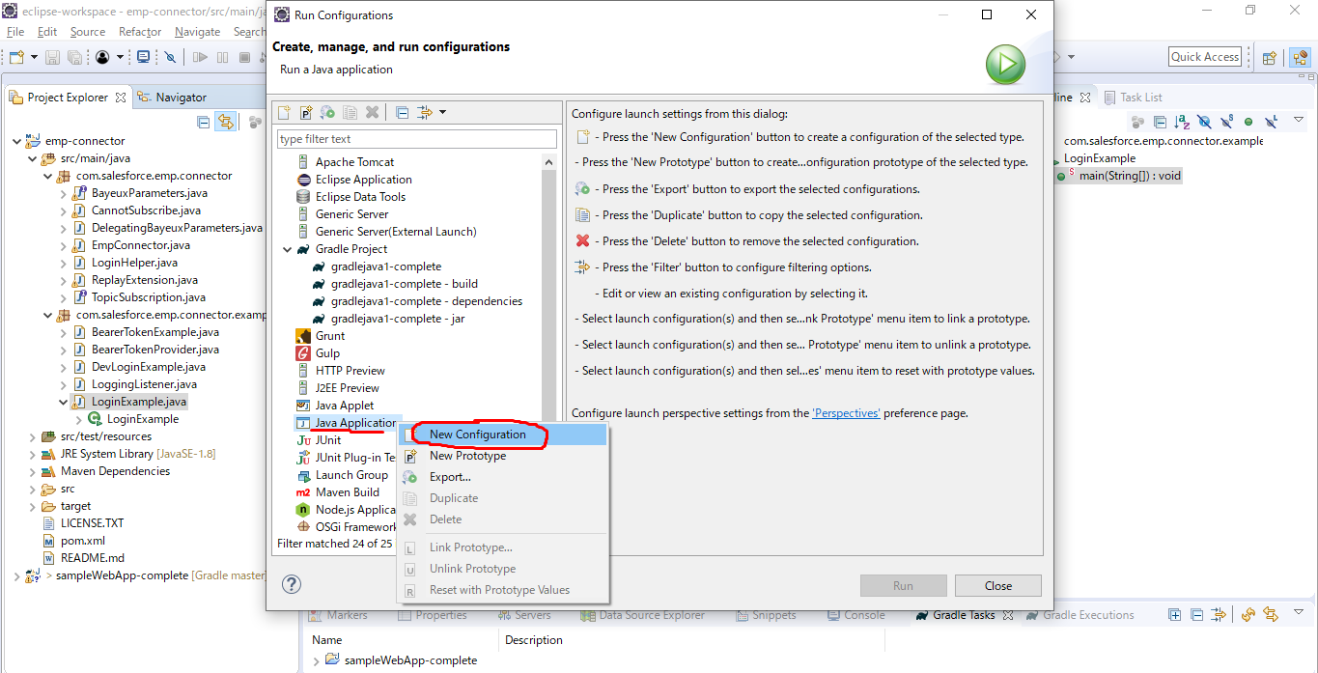

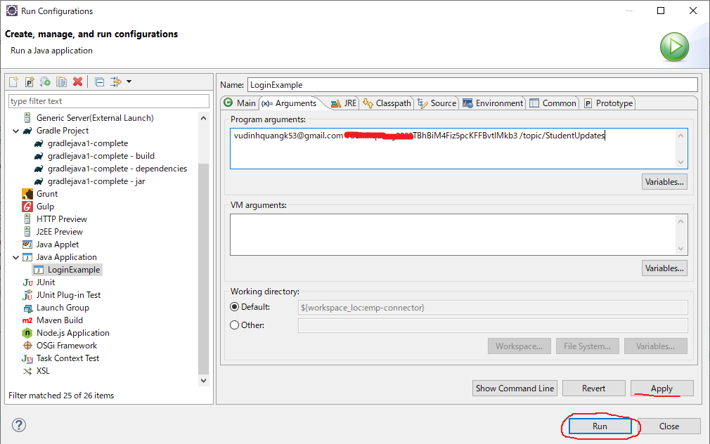

 | Login successful and subscribed

 | Anytime we update any of Student records, we update one of these fields we will get a notification

 |  | salesforce-integration-with-external-systems\7.Streaming-API-in-Salesforce\1.Create-a-push-topic-in-Salesforce\1.Create-a-push-topic-in-Salesforce.text
 |  | PushTopic pushTopic=new PushTopic();
 |  | pushTopic.Name='StudentUpdates';
 |  | pushTopic.Query='select id, Student_Name__c, Address__c, Phone_Number__c, Email__c from Student__c';
 |  | pushTopic.ApiVersion=57.0;
 |  | pushTopic.NotifyForOperationCreate=true;
 |  | pushTopic.NotifyForOperationDelete=true;
 |  | pushTopic.NotifyForOperationUndelete=true;
 |  | pushTopic.NotifyForOperationUpdate=true;
 |  | pushTopic.NotifyForFields='Referenced';
 |  | insert pushTopic;

 | Jatin Garg → Jat Garg
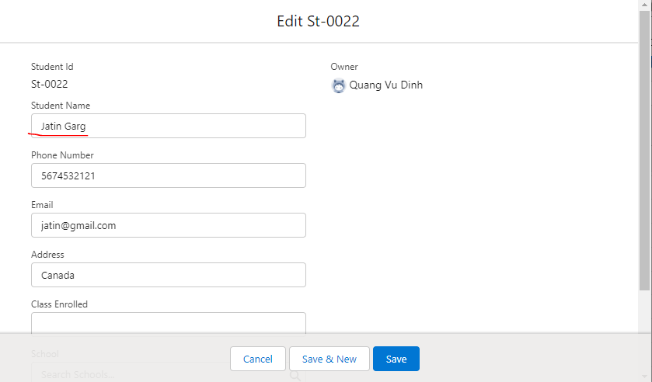

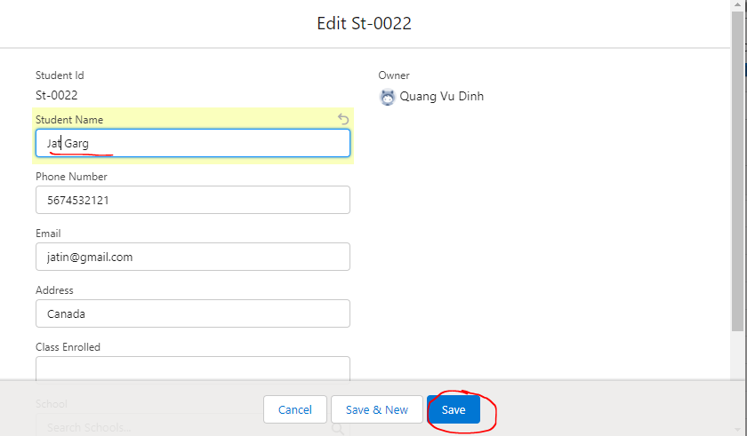

 | We will get a notification and we got a notification that event, and it tells us what object, what is the name that has been updated to, and it tell us the type is updated
 | {"event":{"createdDate":"2023-02-25T22:15:26.055Z","replayId":1,"type":"updated"},"sobject":{"Student_Name__c":"Jat Garg","Id":"a0A5g000006PS3oEAG","Phone_Number__c":"5674532121","Address__c":"Canada","Email__c":"jatin@gmail.com"}}

 | We update which is not part of our PushTopic changes, we will change Class Enrolled. In this case it should bot send us the notification at the Java execute because the query does not cover the Class Enrolled
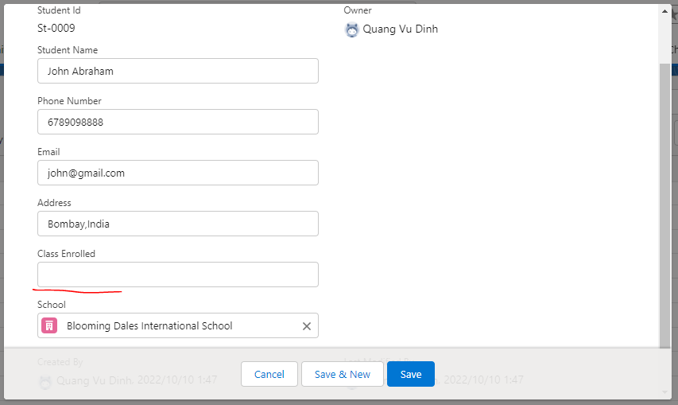

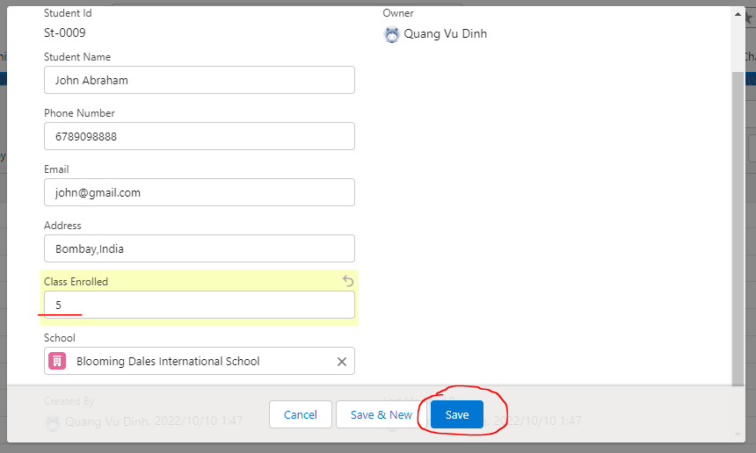

 | Update phone number and email
 | 3456789090 → 456354657
 | harshitsharma@yahoo.com → sim@gmail.com
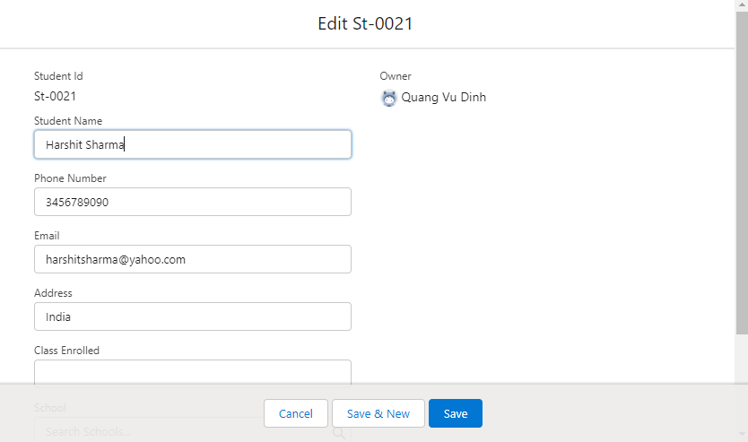

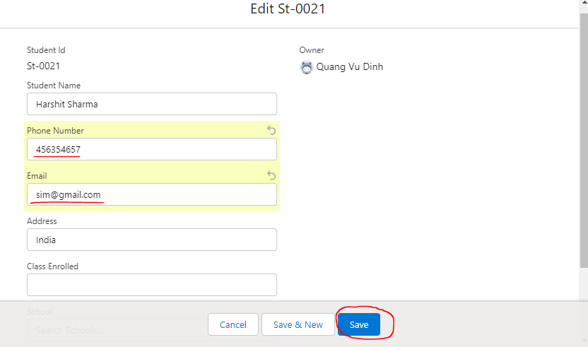

 | Make change the account object even, the notification will not be sent to the Java because we have not subscribed, there is not PushTopic that we have to subscribe to related to the Account
 | Deepika Khanna -> Deepika mytuto
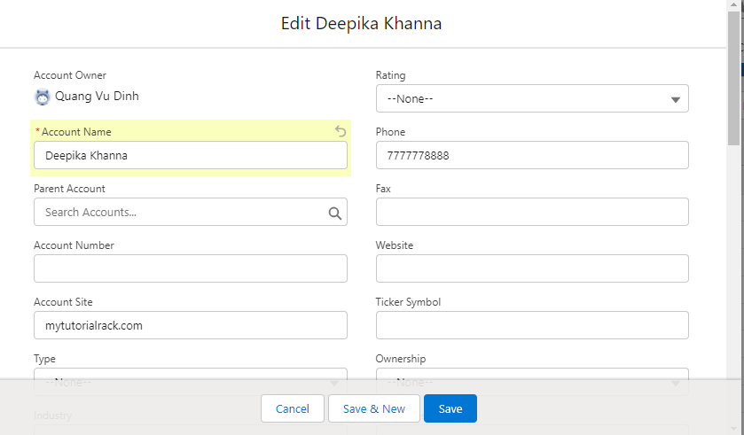

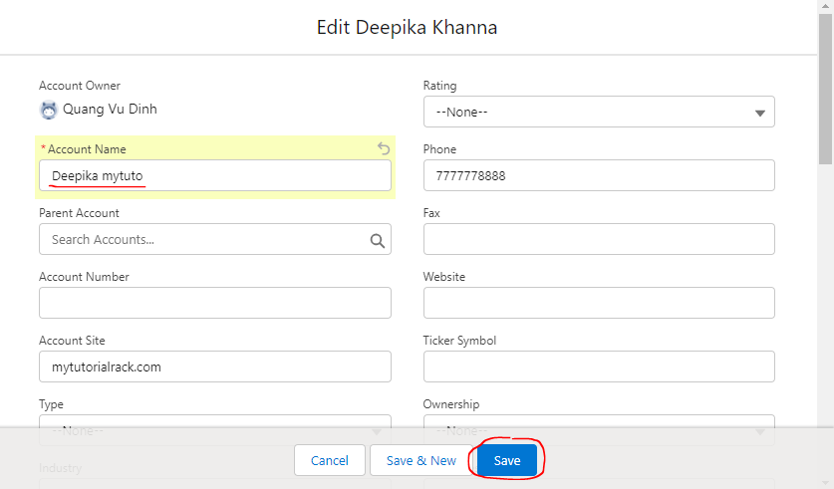

 | no event has been or nothing has been received because we are not subscribed to any channel and there is no PushTopic account. So only when a student record changes and only specific field
 | on the student records changes, Java application gets the notification

