Authenticating SOAP API Users
Salesforce Developers | Postman API Network
https://www.postman.com/salesforce-developers/workspace/salesforce-developers/request/

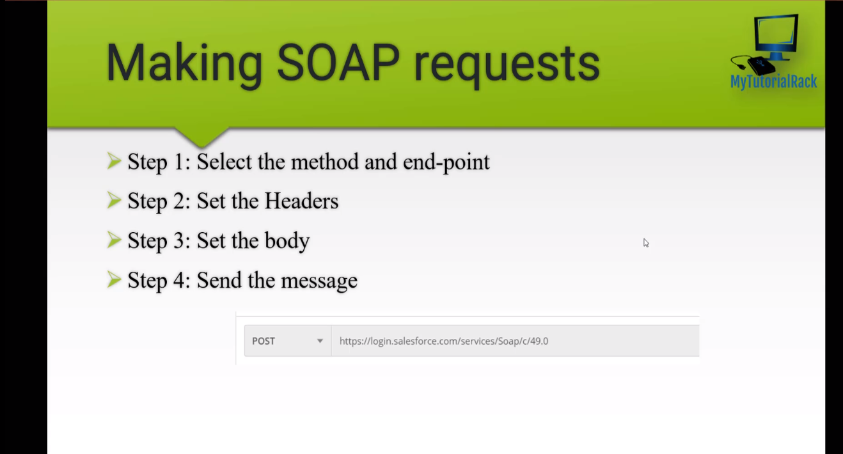

Reset My Security Token
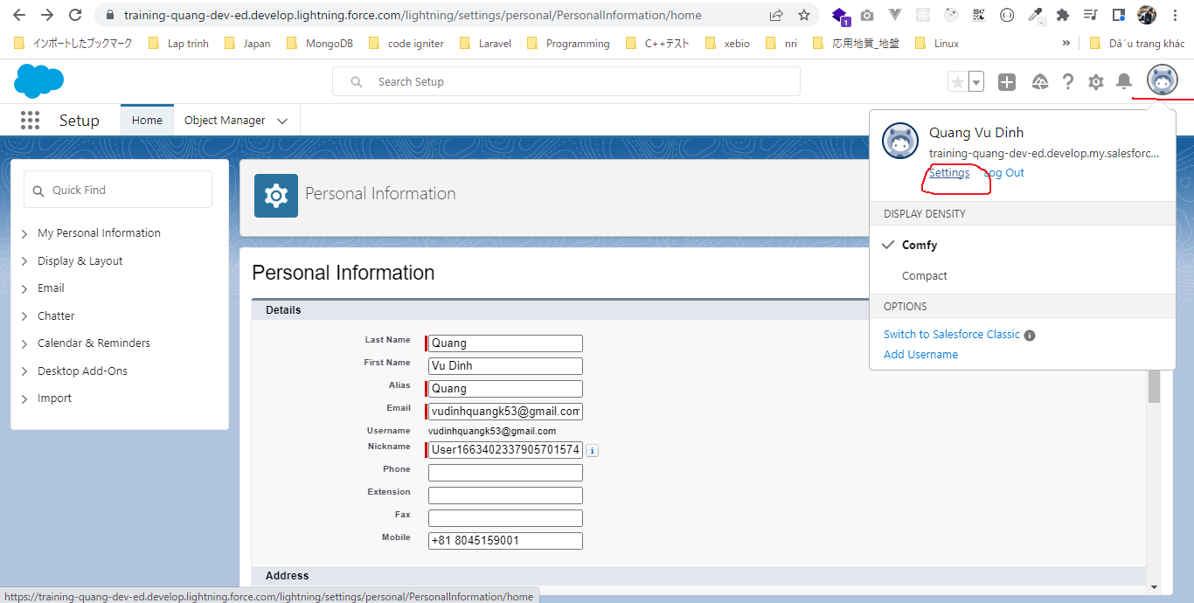

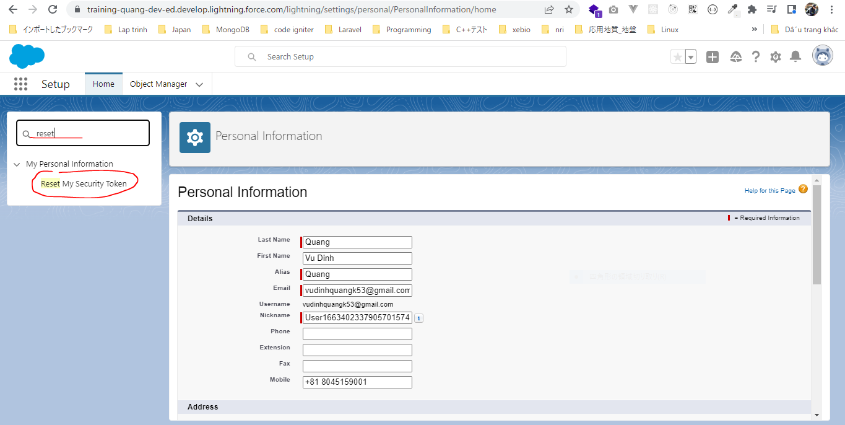

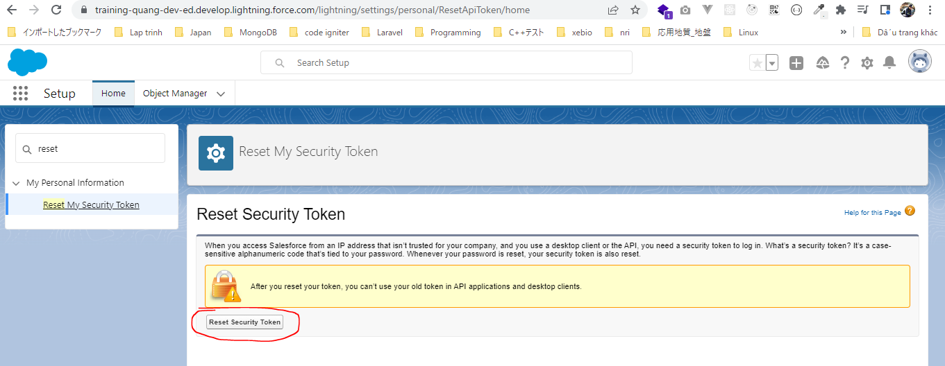

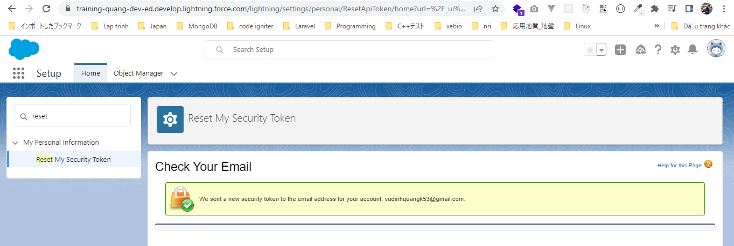

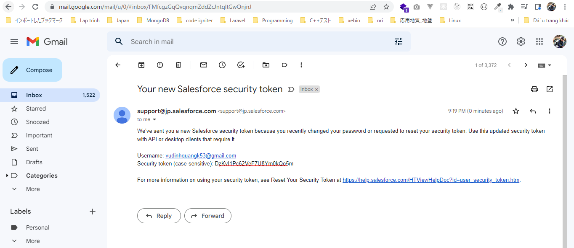

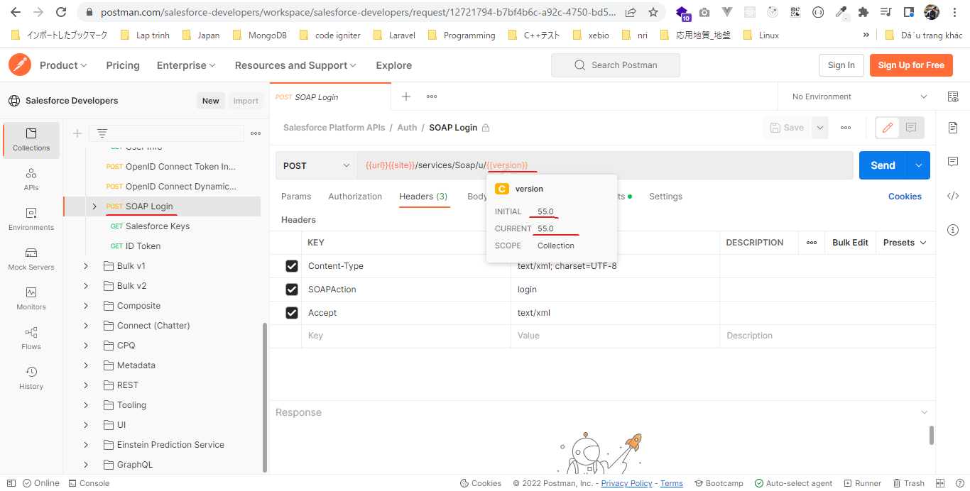
Postman
https://login.salesforce.com/services/Soap/c/55.0 |  |  |  |  | https://www.postman.com/salesforce-developers/workspace/salesforce-developers/request/12721794-b7bf4b6c-a92c-4750-bd53-3dededc317a5
 | Content-Type | text/xml; charset=UTF-8
 | SOAPAction | login
 | Accept | text/xml
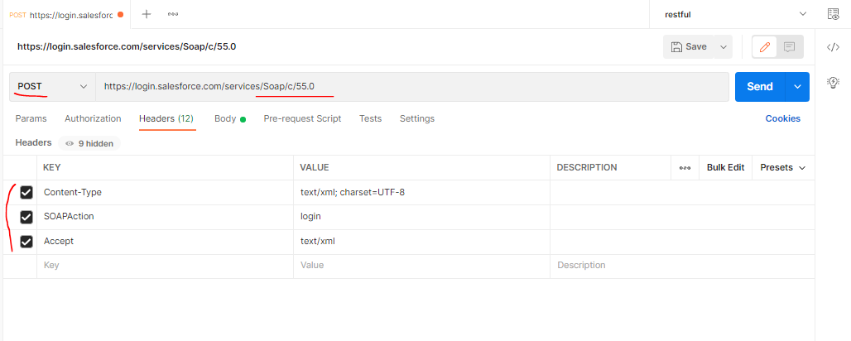

 | pwd: XXXXXX
 | <?xml version="1.0" encoding="utf-8" ?>
 | <env:Envelope xmlns:xsd="http://www.w3.org/2001/XMLSchema"
 | xmlns:xsi="http://www.w3.org/2001/XMLSchema-instance"
 | xmlns:env="http://schemas.xmlsoap.org/soap/envelope/">
 | <env:Body>
 | <n1:login xmlns:n1="urn:enterprise.soap.sforce.com">
 | <n1:username>vudinhquangk53@gmail.com</n1:username>
 | <n1:password>XXXXXXDzKvI1Pc62VeF7U8Ym0kQo5m</n1:password> |  | → | PASSWORDTOKEN
 | </n1:login>
 | </env:Body>
 | </env:Envelope>

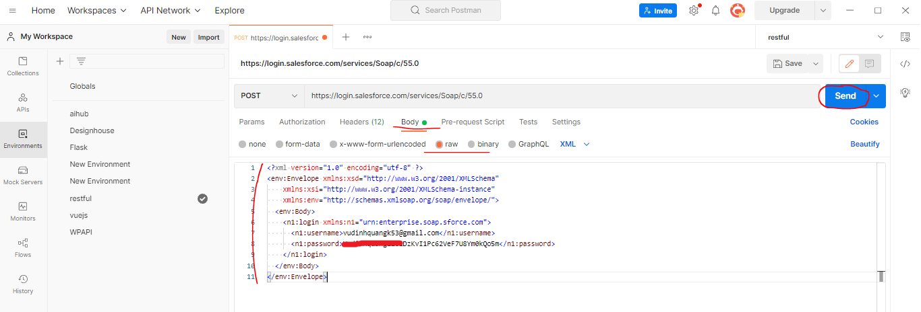

 | Response
 | <serverUrl>https://training-quang-dev-ed.develop.my.salesforce.com/services/Soap/c/55.0/00D5g00000GYf6f</serverUrl>
 | <sessionId>00D5g00000GYf6f!ARwAQHfhJRaZDJQF8kfQ6cRRUH7zjYpzTbc3GHWblbSXJnR5zQ49mhww4CZA398VSvVF1SLA7aEWqNKgS4VHOoYzcKphyC22</sessionId>

