Remote site settings
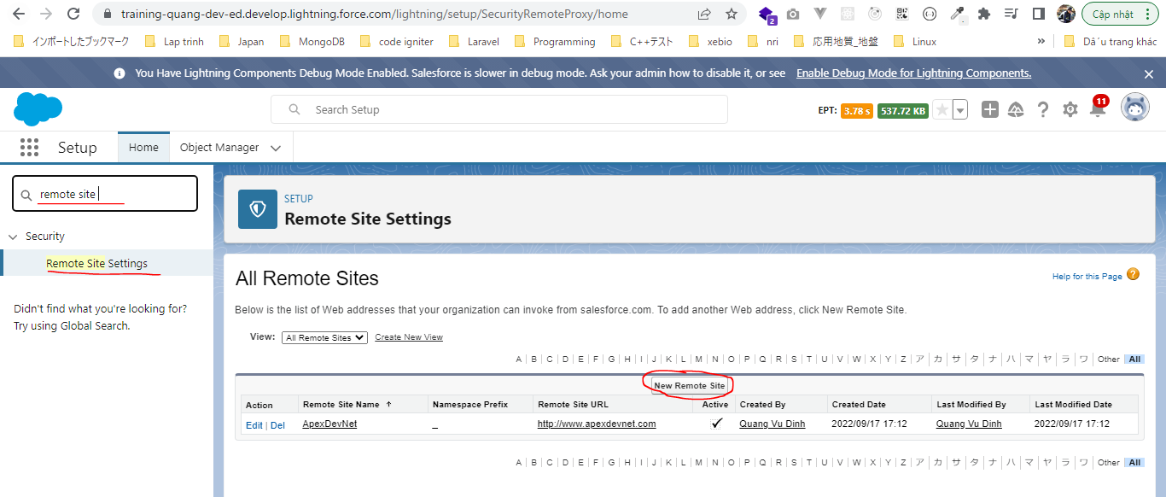
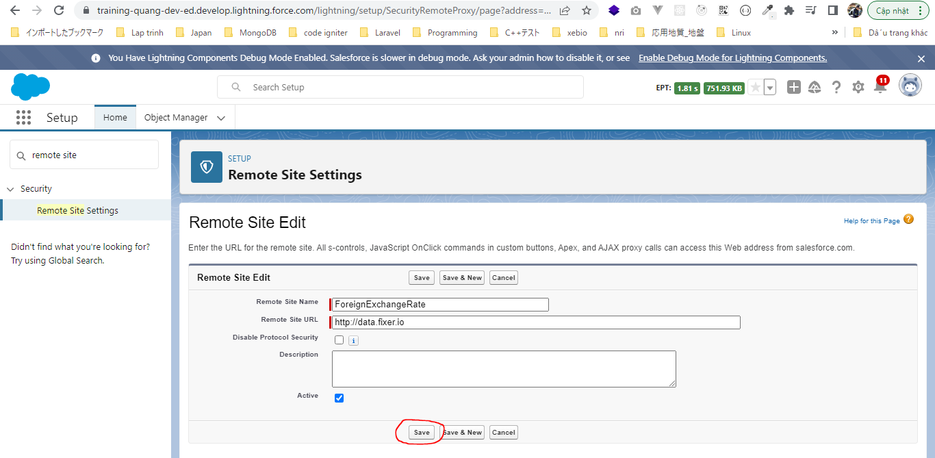
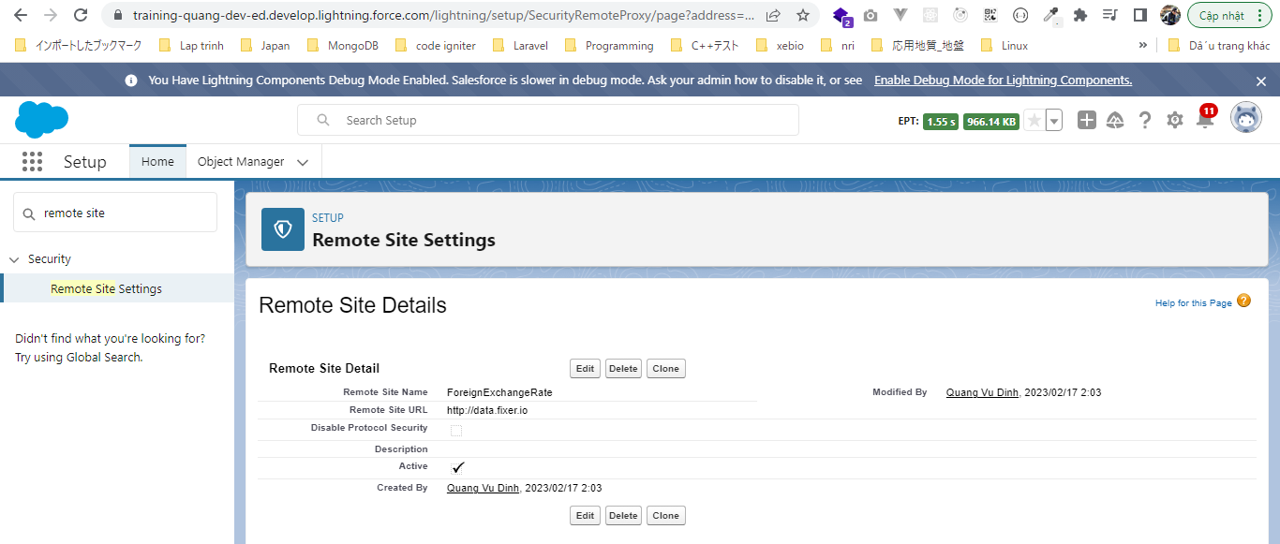
構成
 | salesforce-integration-with-external-systems
 |  | 2.SOAP-API
 |  | 3.REST-API
 |  | 4.IntegrationsWithExternalSystems
 |  |  | StudentInfoApp
 |  |  |  | bin
 |  |  |  | node_modules
 |  |  |  | public
 |  |  |  | routes
 |  |  |  |  | index.js
 |  |  |  |  | om.js
 |  |  |  |  | school.js
 |  |  |  |  | student.js
 |  | 5.Salesforce-BULK-API
 |  |  | 1.Create-a-bulk-API-in-Salesforce
 |  |  | 2.Salesforce-Bulk-Api-with-Example
 |  |  | 3.Upload-records-using-a-CSV-file
 |  |  |  | StudentFile.csv
 |  |  |  | StudentFile.xlsx
 |  |  | 4.Create-a-Transformation-Spec-That-Defines-Mappings
 |  |  |  | spec.csv
 |  |  |  | StudentFile2.csv
 |  | 6.Callouts-using-Apex

 | The web service that we are going to call will return us the foreign exchanges rates and they will give us the currency exchange for all the different countries
 | foreign exchange rate web service
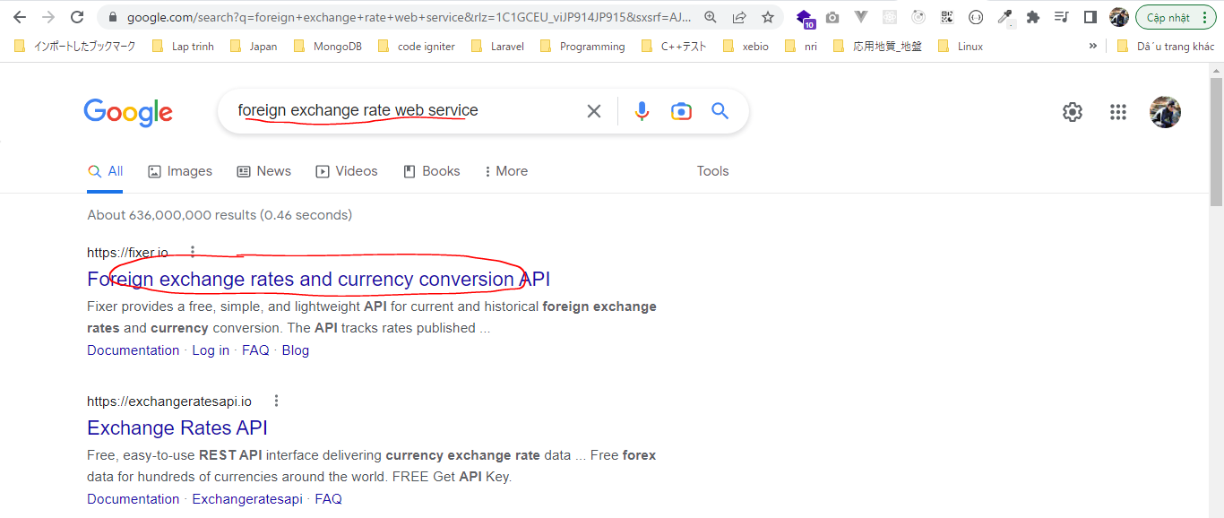

 | To make the call we need a API key
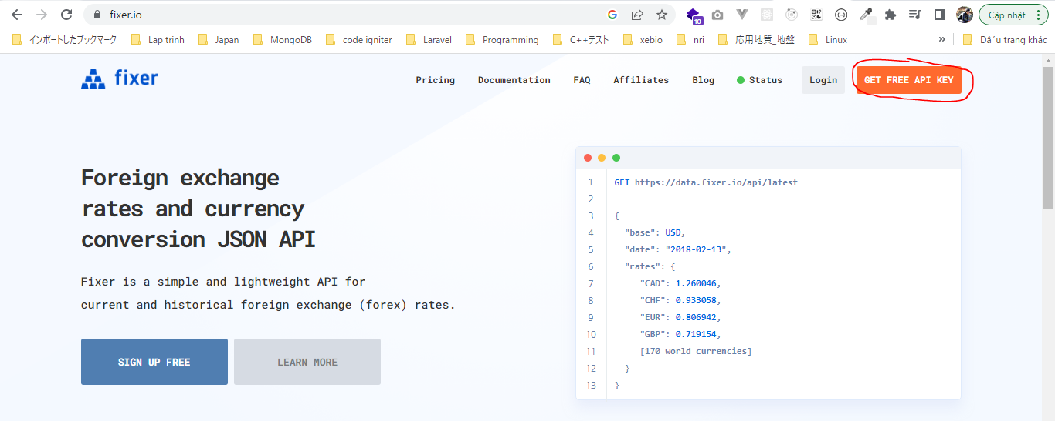

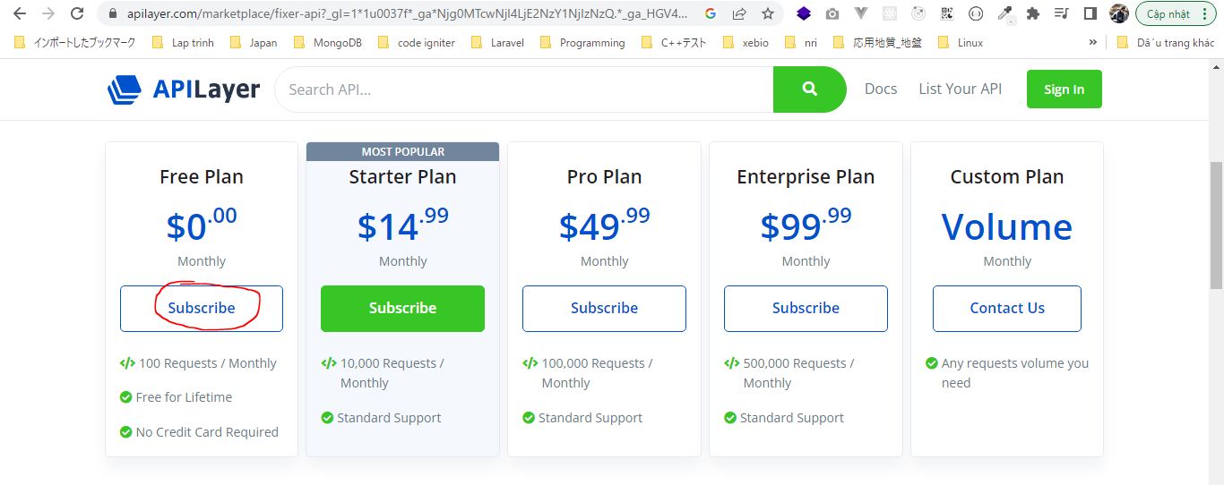

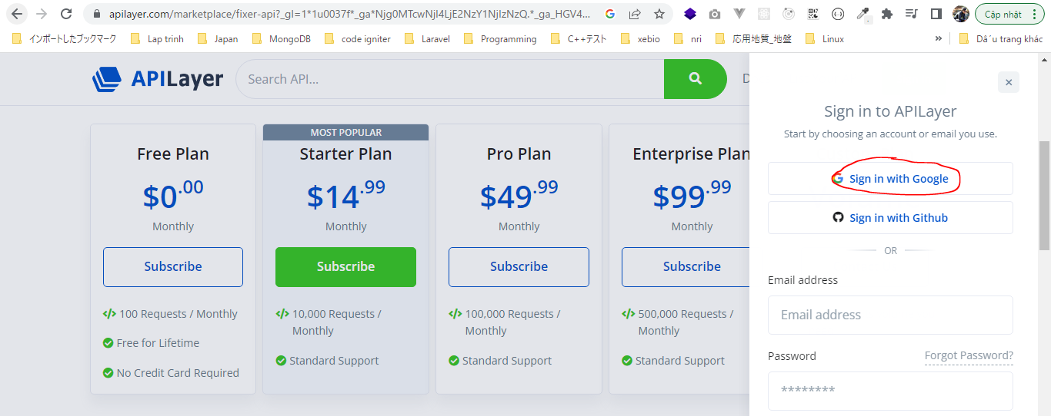

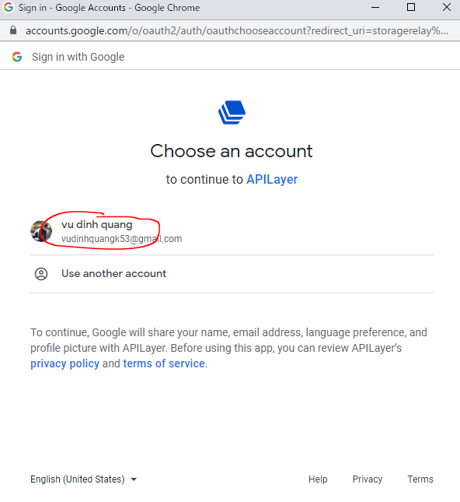

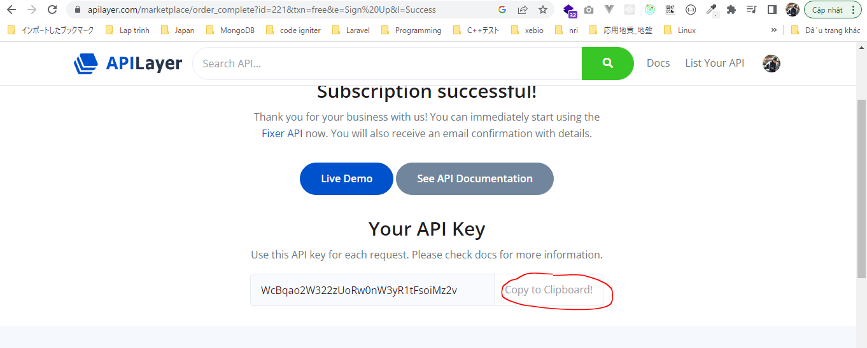

 |  | WcBqao2W322zUoRw0nW3yR1tFsoiMz2v

 | Documentation

 | salesforce-integration-with-external-systems\6.Callouts-using-Apex\test.js
 | var myHeaders = new Headers();
 | myHeaders.append("apikey", "WcBqao2W322zUoRw0nW3yR1tFsoiMz2v");

 | var requestOptions = {
 | method: 'GET',
 | redirect: 'follow',
 | headers: myHeaders
 | };

 | fetch("https://api.apilayer.com/fixer/convert?to=JPY&from=GBP&amount=25", requestOptions)
 | .then(response => response.text())
 | .then(result => console.log(result))
 | .catch(error => console.log('error', error));

 | node test.js

 | http://data.fixer.io/api/latest?access_key=738c44d040238a6f33970d76d41de37f
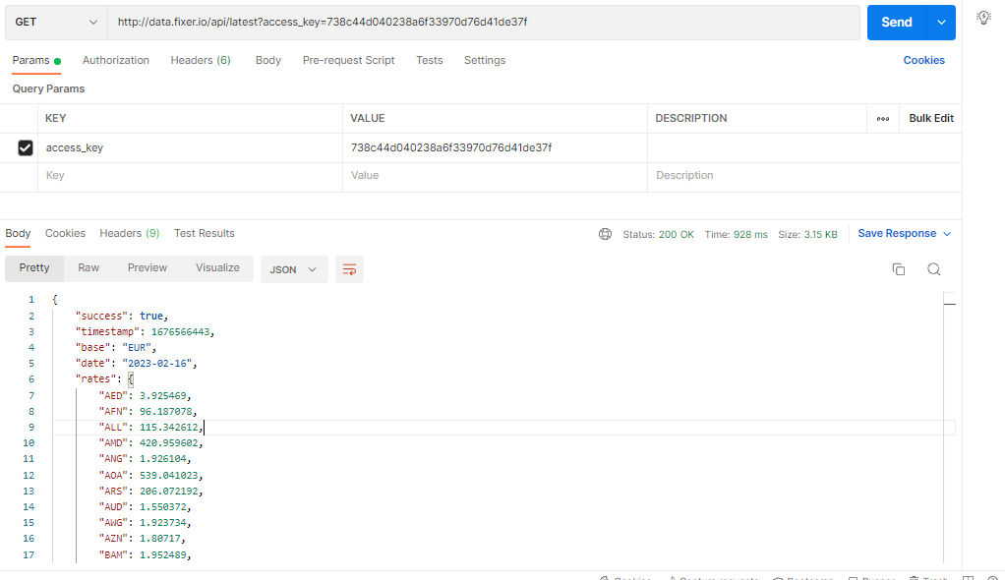

 | Remote Site Settings

