Streaming-API-in-Salesforce
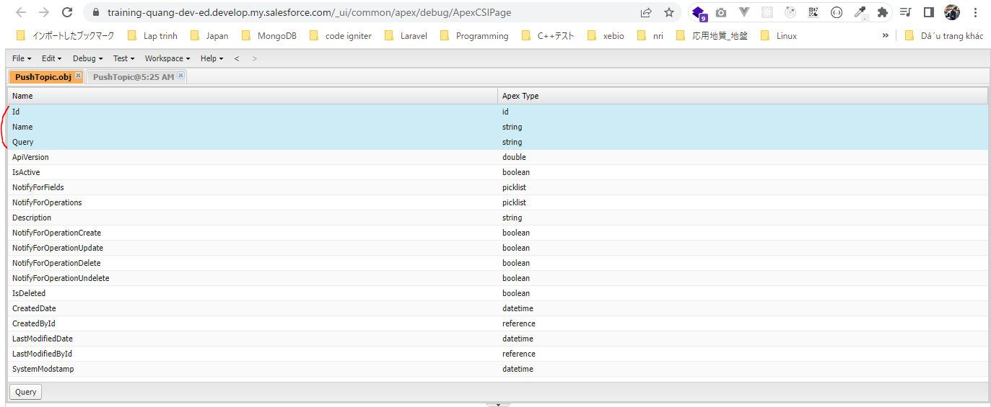
 | PushTopic is an sObject that contains the criteria of events that we want listen to, for example data changes for a particular object
 | https://developer.salesforce.com/docs/atlas.en-us.object_reference.meta/object_reference/sforce_api_objects_pushtopic.htm

構成
 | salesforce-integration-with-external-systems
 |  | 2.SOAP-API
 |  | 3.REST-API
 |  | 4.IntegrationsWithExternalSystems
 |  |  | StudentInfoApp
 |  |  |  | bin
 |  |  |  | node_modules
 |  |  |  | public
 |  |  |  | routes
 |  |  |  |  | index.js
 |  |  |  |  | om.js
 |  |  |  |  | school.js
 |  |  |  |  | student.js
 |  | 5.Salesforce-BULK-API
 |  |  | 1.Create-a-bulk-API-in-Salesforce
 |  |  | 2.Salesforce-Bulk-Api-with-Example
 |  |  | 3.Upload-records-using-a-CSV-file
 |  |  |  | StudentFile.csv
 |  |  |  | StudentFile.xlsx
 |  |  | 4.Create-a-Transformation-Spec-That-Defines-Mappings
 |  |  |  | spec.csv
 |  |  |  | StudentFile2.csv
 |  | 6.Callouts-using-Apex
 |  |  | 1.Create-an-Apex-class
 |  |  |  | debug.txt
 |  |  |  | HttpCalloutCtrl.txt
 |  |  | 2.Make-HTTP-Callout-from-Lightning-component
 |  |  |  | SampleComponent.txt
 |  |  |  | SampleComponent1.txt
 |  |  |  | SampleComponentController.txt
 |  |  |  | SampleComponentHelper.txt
 |  | 7.Streaming-API-in-Salesforce
 |  |  | 1.Create-a-push-topic-in-Salesforce
 |  |  |  | 1.Create-a-push-topic-in-Salesforce.text

salesforce-integration-with-external-systems\7.Streaming-API-in-Salesforce\1.Create-a-push-topic-in-Salesforce
 | PushTopic pushTopic=new PushTopic();
 | pushTopic.Name='StudentUpdates';
 | pushTopic.Query='select id, Student_Name__c, Address__c, Phone_Number__c, Email__c from Student__c';
 | pushTopic.ApiVersion=57.0;
 | pushTopic.NotifyForOperationCreate=true;
 | pushTopic.NotifyForOperationDelete=true;
 | pushTopic.NotifyForOperationUndelete=true;
 | pushTopic.NotifyForOperationUpdate=true;
 | pushTopic.NotifyForFields='Referenced';
 | insert pushTopic;

NotifyForFields
 | All | Notifications are generated for all record field changes. For example: Select id, Student_Name__c, Address__c, Phone_Number__c, Email__c from Student__c
 |  | But if on Student__c we have 10 different fields. No matter what field on that student record changes we want to generate that notification. The notification are generated for all the
 |  | record changes. Provided the evaluated records match the criteria specied in the Where clause
 | Referenced | The field that we have specified in the query. If those fields on the records changes, then we will get the notification specifically if these records criteria meet. So if let's say the criteria of
 | (default) | the query is Select id, Name From Student__c. We not putting Where clause and we have set pushTopic.NotifyForFields=Referenced; means only these Id, and Name value changes on the
 |  | Student record then we will get notify. There is another field on the Student record and we have changed that field but that field is not part of query, the notification will not be sent in
 | Select | Changes to fields referenced in the Select clause are evaluated. Only the field that are there in the select clause are evaluated. Notification are generated for the evaluated records only if
 |  | the match the criteria specified in the where clause. So if match the criteria, then only the notification will be sent
 | Where | Changes to the fields reference in the where clause are evaluated. Notification are generated for the evaluated records only if the match the criteria in the where clause

Select PushTopic
 | Select Id, Name from PushTopic

Open Object
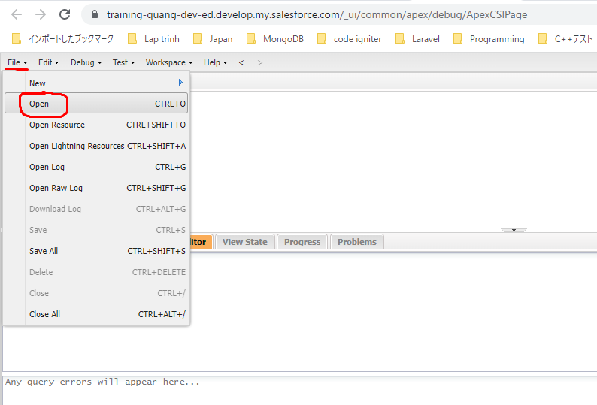

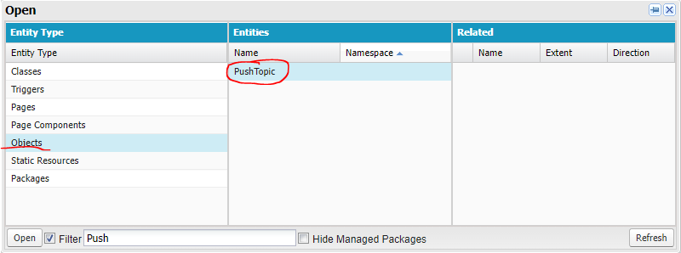

 | SELECT Id, Name, Query FROM PushTopic

Import Maven Project
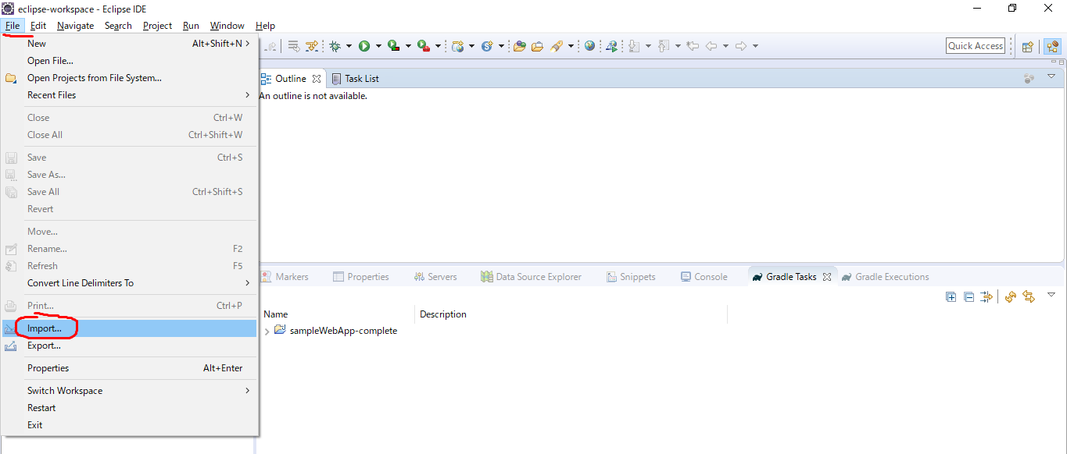
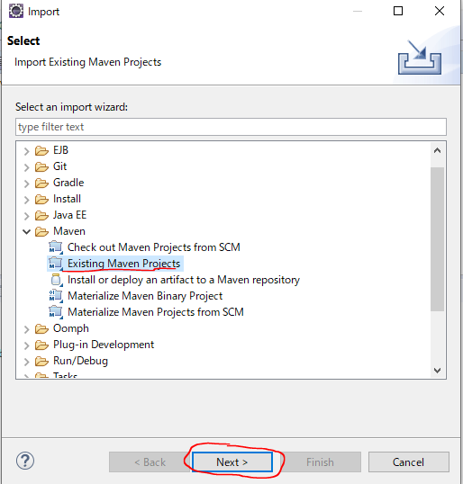
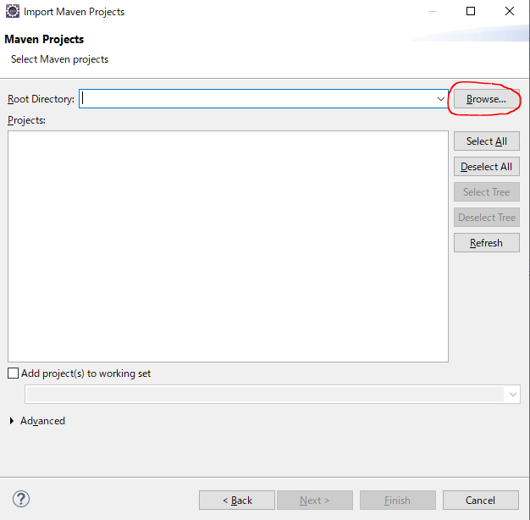
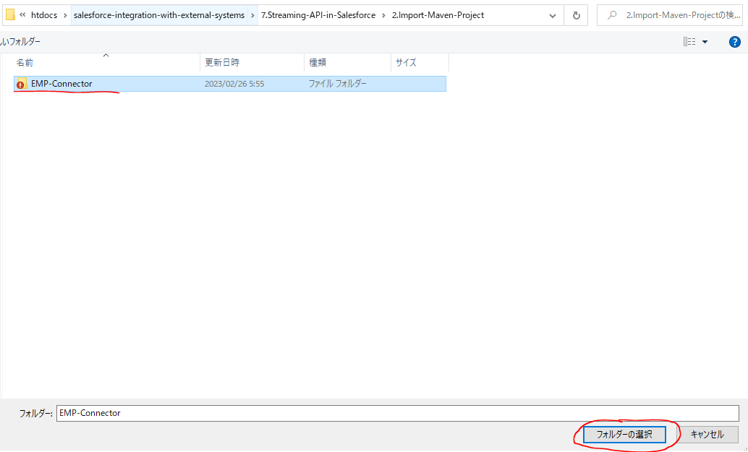
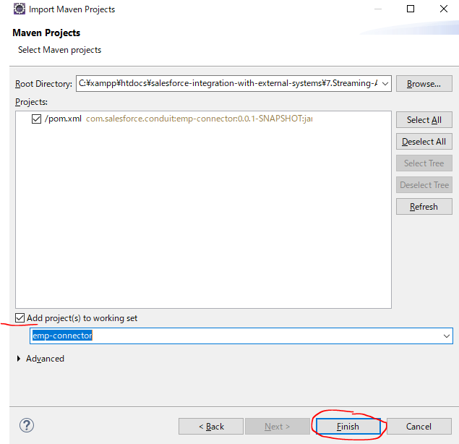
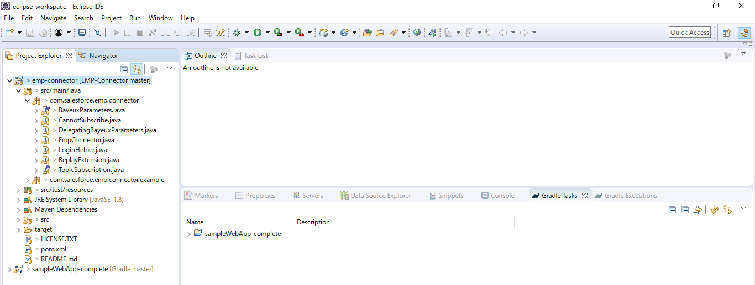
構成
 | salesforce-integration-with-external-systems
 |  | 2.SOAP-API
 |  | 3.REST-API
 |  | 4.IntegrationsWithExternalSystems
 |  |  | StudentInfoApp
 |  |  |  | bin
 |  |  |  | node_modules
 |  |  |  | public
 |  |  |  | routes
 |  |  |  |  | index.js
 |  |  |  |  | om.js
 |  |  |  |  | school.js
 |  |  |  |  | student.js
 |  | 5.Salesforce-BULK-API
 |  |  | 1.Create-a-bulk-API-in-Salesforce
 |  |  | 2.Salesforce-Bulk-Api-with-Example
 |  |  | 3.Upload-records-using-a-CSV-file
 |  |  |  | StudentFile.csv
 |  |  |  | StudentFile.xlsx
 |  |  | 4.Create-a-Transformation-Spec-That-Defines-Mappings
 |  |  |  | spec.csv
 |  |  |  | StudentFile2.csv
 |  | 6.Callouts-using-Apex
 |  |  | 1.Create-an-Apex-class
 |  |  |  | debug.txt
 |  |  |  | HttpCalloutCtrl.txt
 |  |  | 2.Make-HTTP-Callout-from-Lightning-component
 |  |  |  | SampleComponent.txt
 |  |  |  | SampleComponent1.txt
 |  |  |  | SampleComponentController.txt
 |  |  |  | SampleComponentHelper.txt
 |  | 7.Streaming-API-in-Salesforce
 |  |  | 1.Create-a-push-topic-in-Salesforce
 |  |  |  | 1.Create-a-push-topic-in-Salesforce.text
 |  |  | 2.Import-Maven-Project
 |  |  |  | EMP-Connector

Import Maven project

