Create And Edit Visualforce Pag
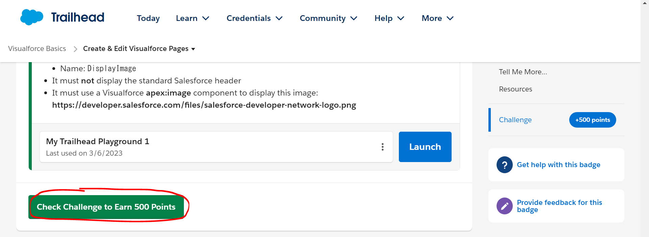

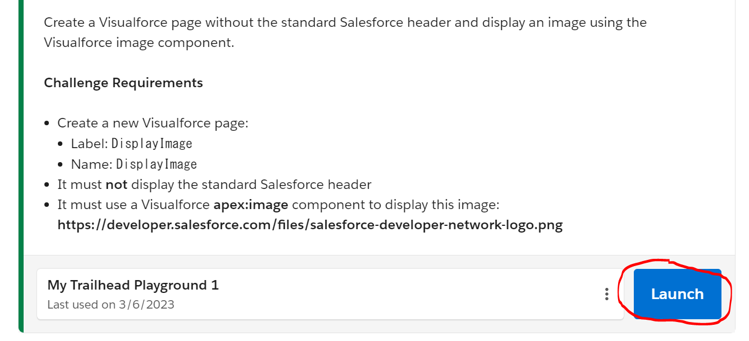

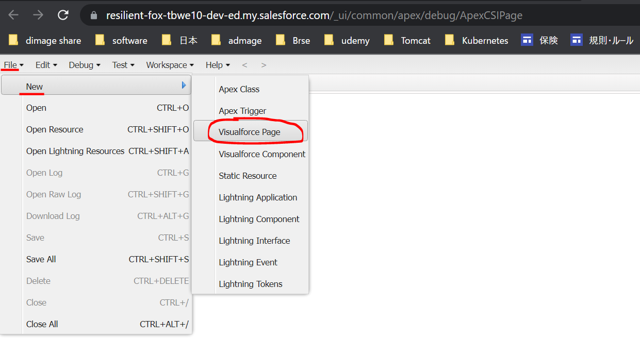

DisplayImage
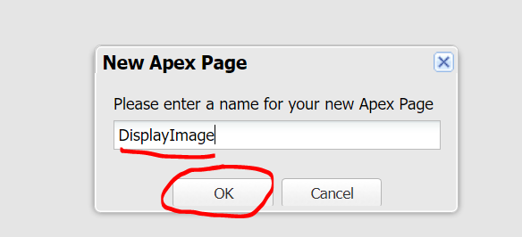

 | <apex:page sidebar="false" showHeader="false">
 | <apex:image url="https://developer.salesforce.com/files/salesforce-developer-network-logo.png" />
 | </apex:page>

