Get Started
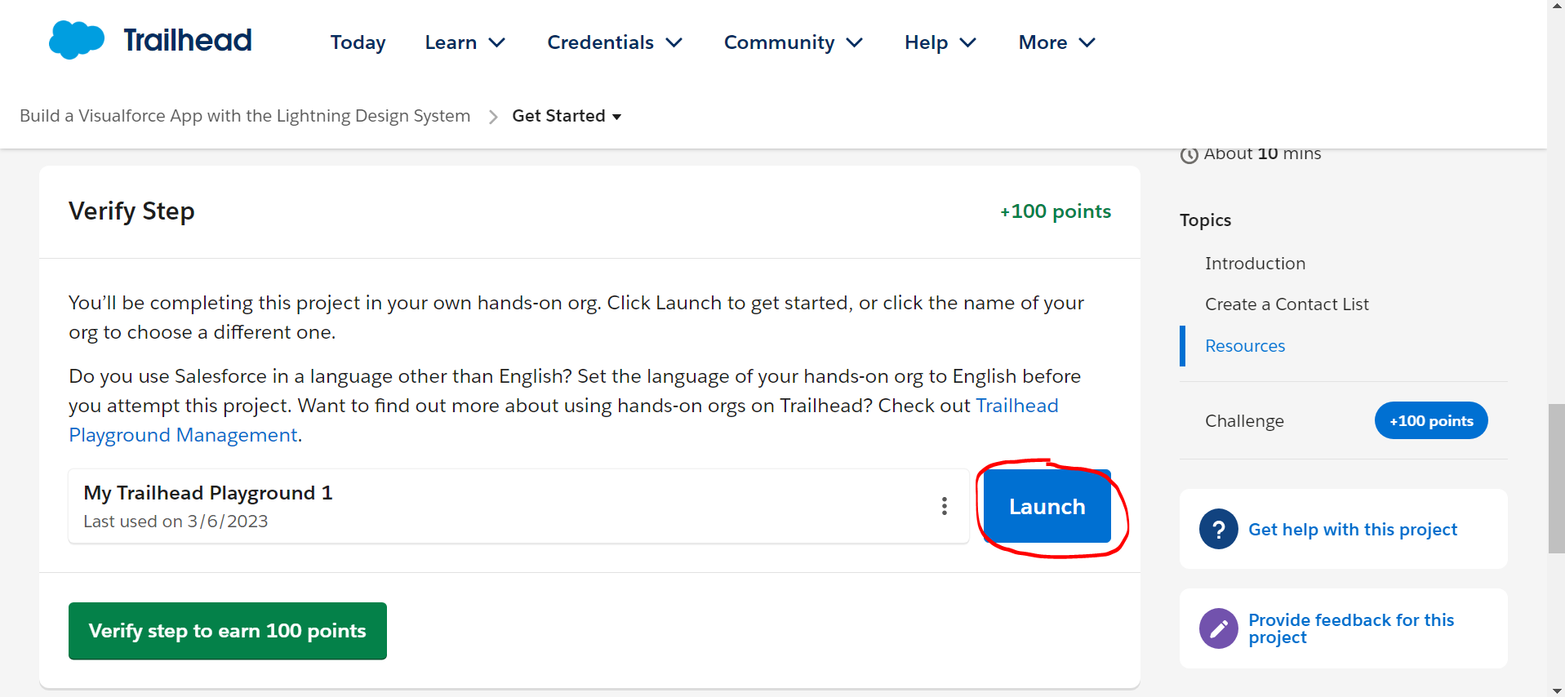
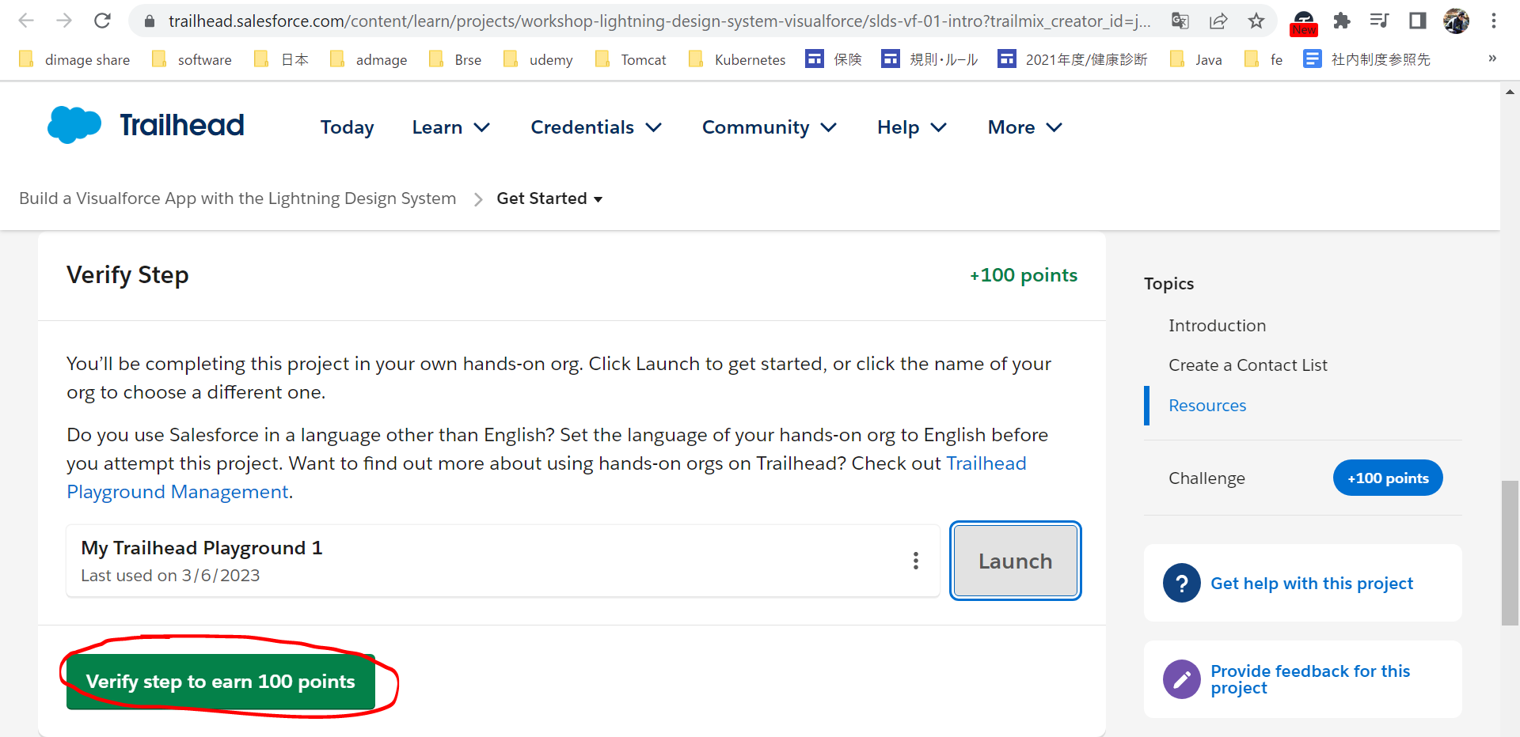
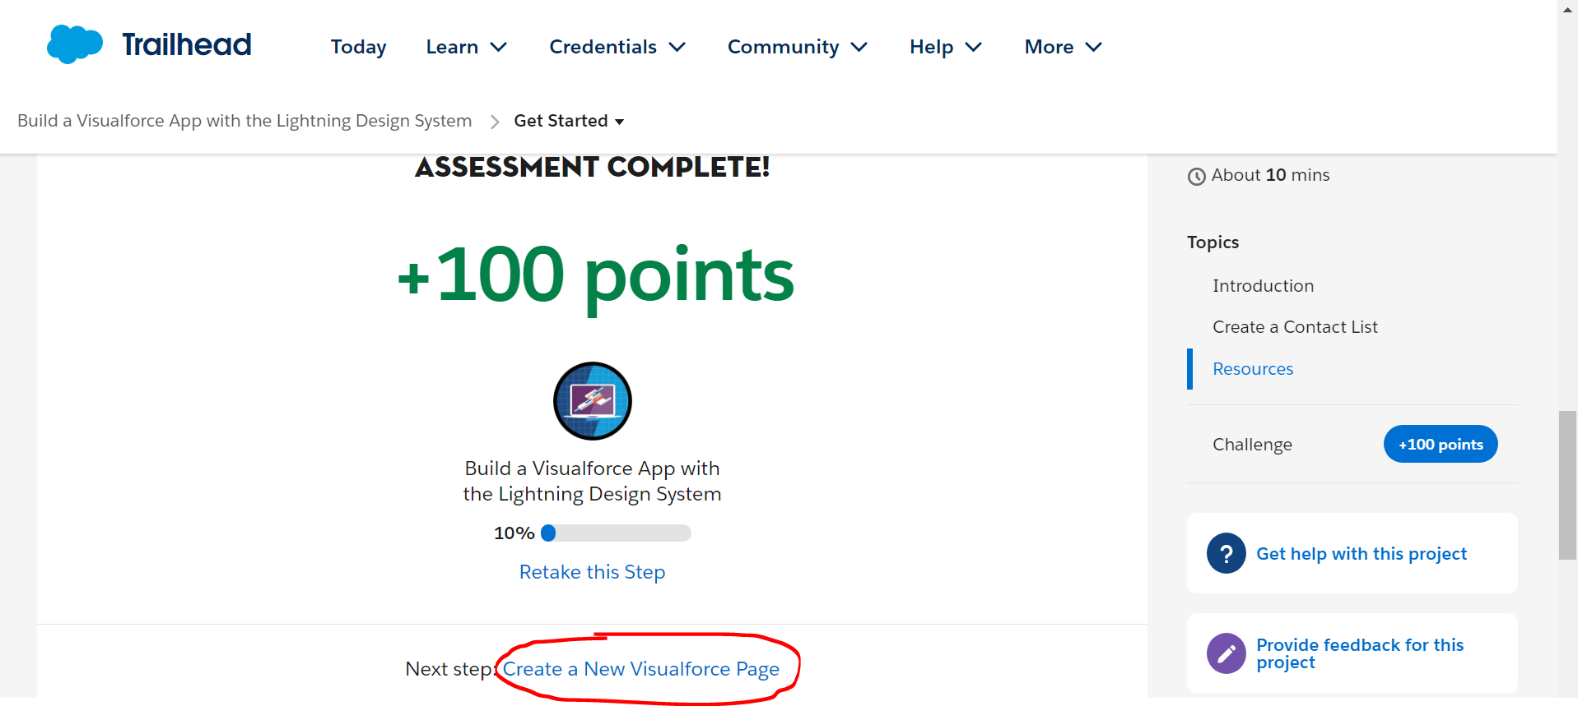
Get Started
https://trailhead.salesforce.com/content/learn/projects/workshop-lightning-design-system-visualforce/slds-vf-01-intro?trailmix_creator_id=jgildaa&trailmix_slug=visualforce

Create a New Visualforce Page
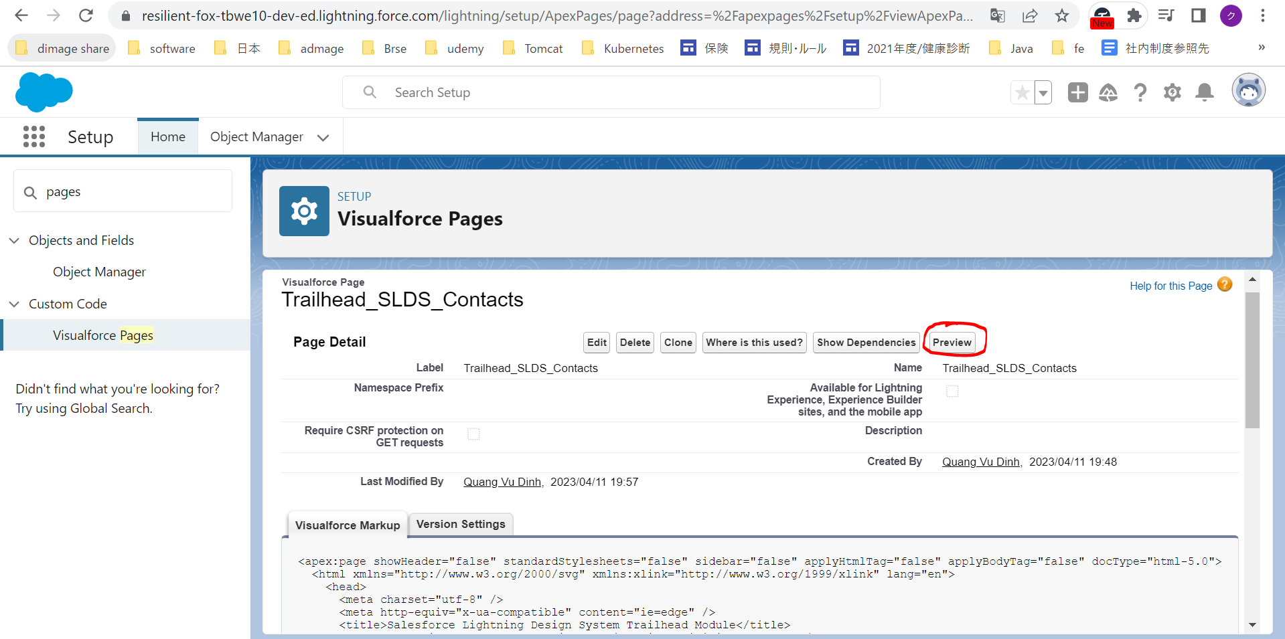
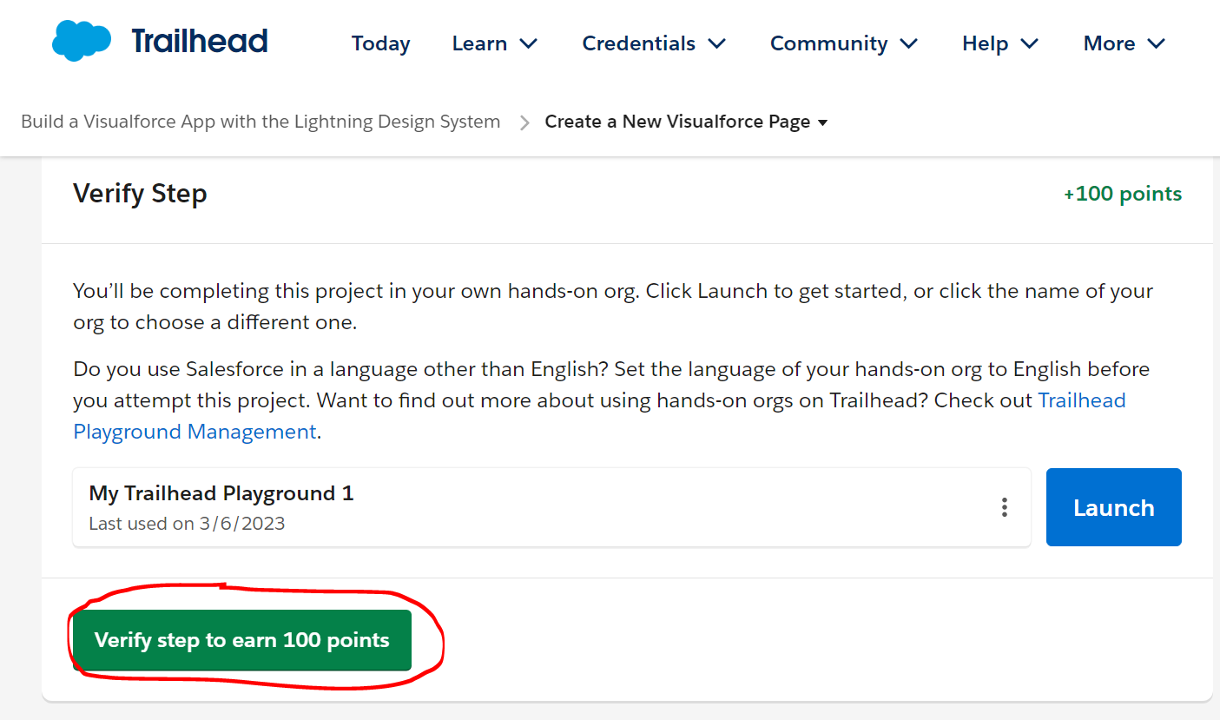
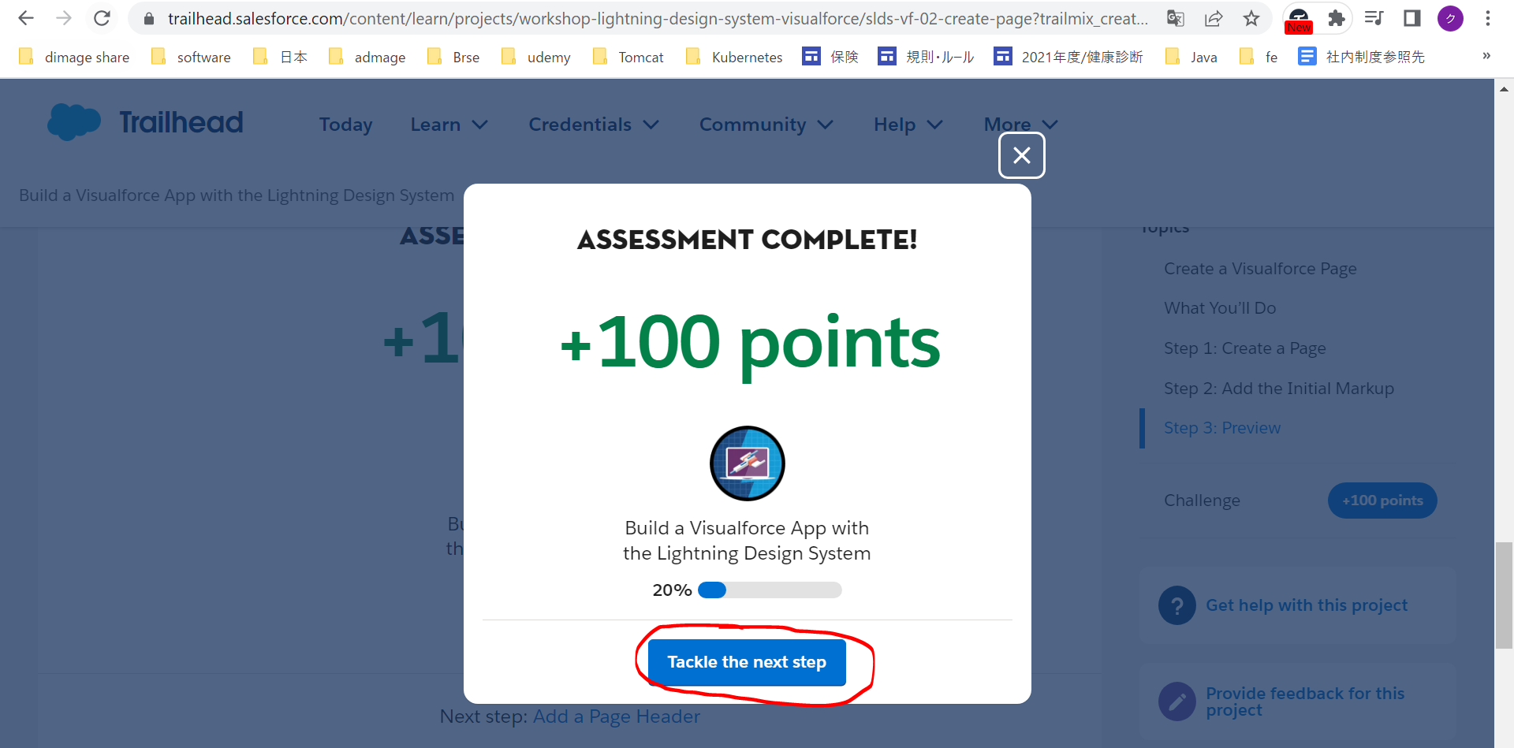
Create a New Visualforce Page
https://trailhead.salesforce.com/content/learn/projects/workshop-lightning-design-system-visualforce/slds-vf-02-create-page?trailmix_creator_id=jgildaa&trailmix_slug=visualforce
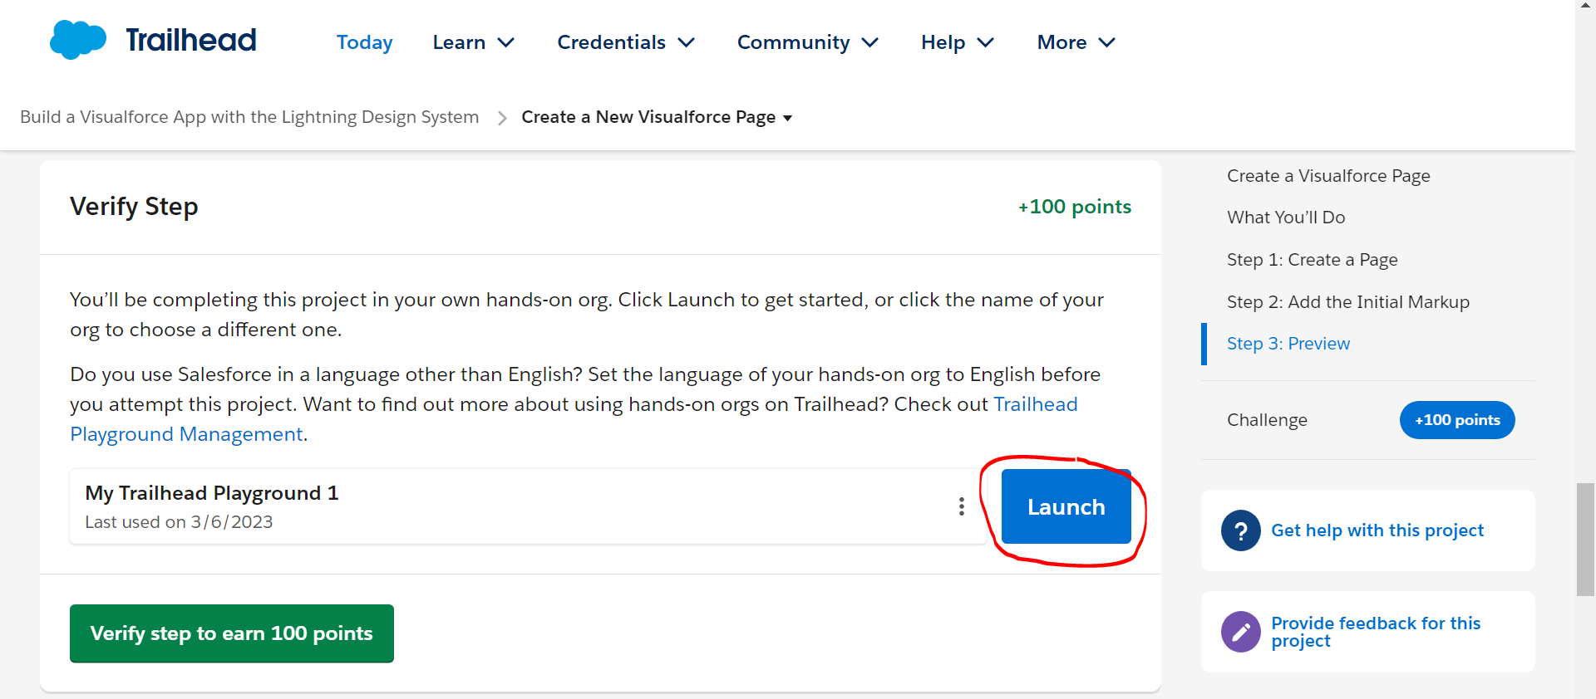

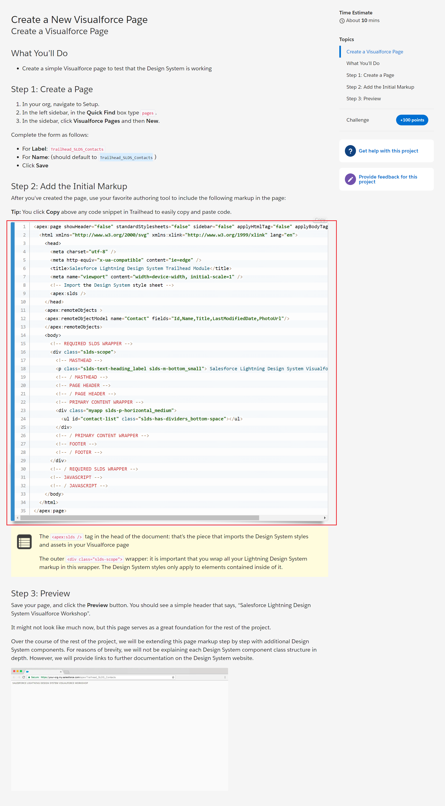

 | New
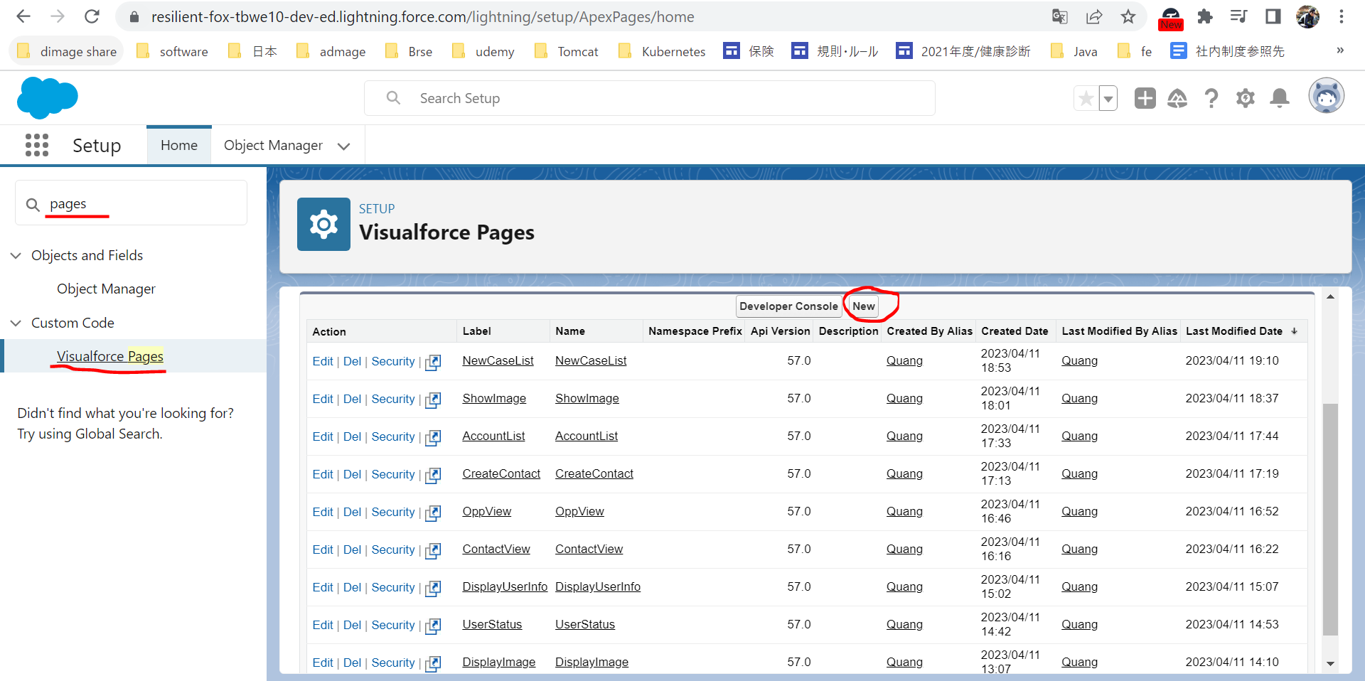

 | Trailhead_SLDS_Contacts
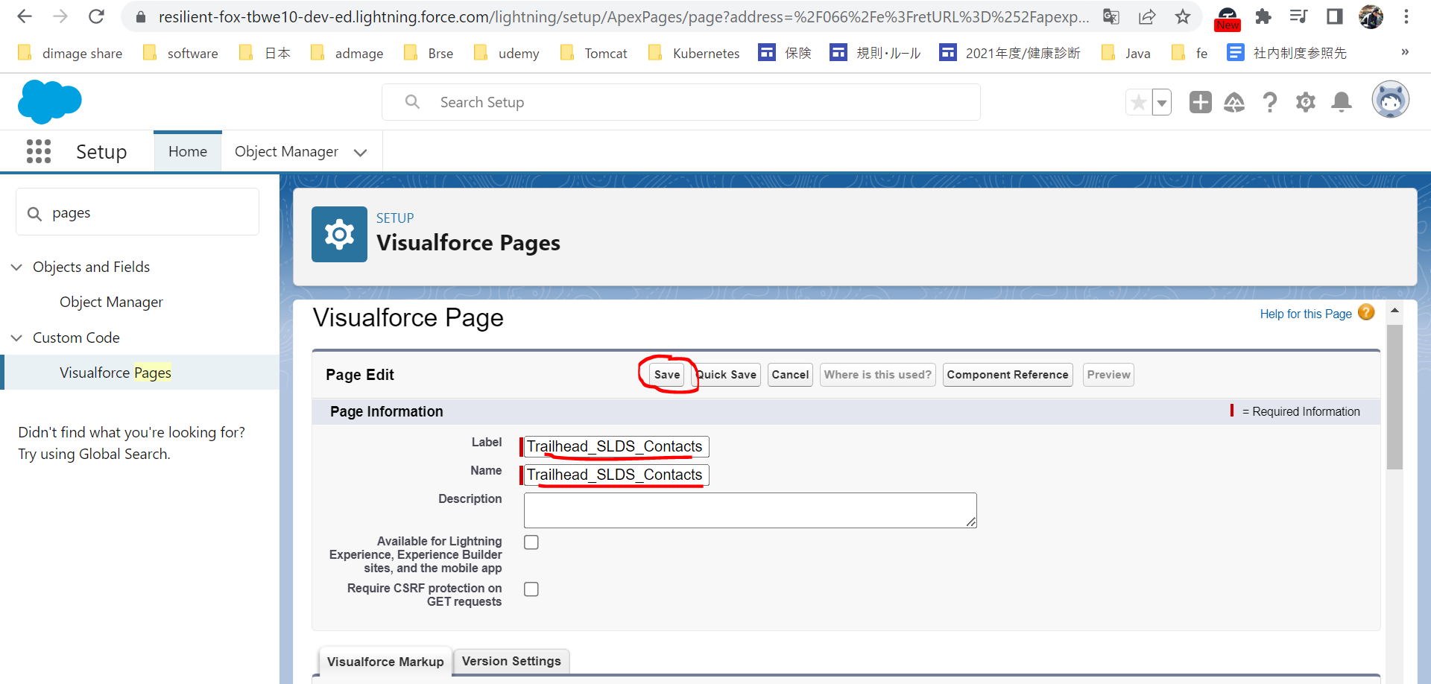

 | Edit
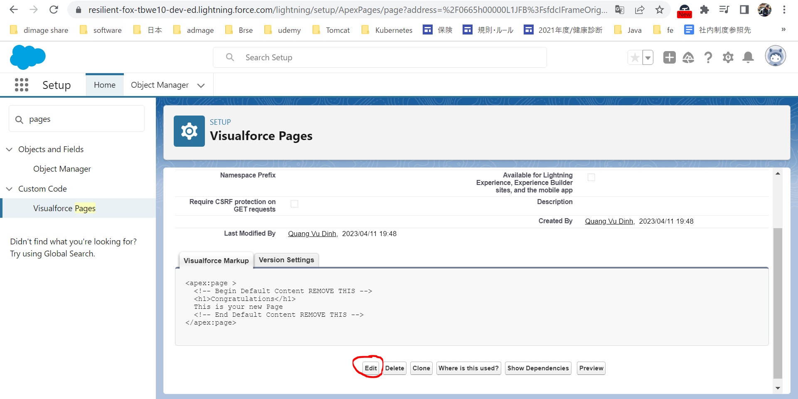

 |  | <apex:page showHeader="false" standardStylesheets="false" sidebar="false" applyHtmlTag="false" applyBodyTag="false" docType="html-5.0"> <html xmlns="http://www.w3.org/2000/svg" xmlns:xlink="http://www.w3.org/1999/xlink" lang="en"> <head> <meta charset="utf-8" /> <meta http-equiv="x-ua-compatible" content="ie=edge" /> <title>Salesforce Lightning Design System Trailhead Module</title> <meta name="viewport" content="width=device-width, initial-scale=1" /> <!-- Import the Design System style sheet --> <apex:slds /> </head> <apex:remoteObjects > <apex:remoteObjectModel name="Contact" fields="Id,Name,Title,LastModifiedDate,PhotoUrl"/> </apex:remoteObjects> <body> <!-- REQUIRED SLDS WRAPPER --> <div class="slds-scope"> <!-- MASTHEAD --> <p class="slds-text-heading_label slds-m-bottom_small"> Salesforce Lightning Design System Visualforce Workshop </p> <!-- / MASTHEAD --> <!-- PAGE HEADER --> <!-- / PAGE HEADER --> <!-- PRIMARY CONTENT WRAPPER --> <div class="myapp slds-p-horizontal_medium"> <ul id="contact-list" class="slds-has-dividers_bottom-space"></ul> </div> <!-- / PRIMARY CONTENT WRAPPER --> <!-- FOOTER --> <!-- / FOOTER --> </div> <!-- / REQUIRED SLDS WRAPPER --> <!-- JAVASCRIPT --> <!-- / JAVASCRIPT --> </body> </html> </apex:page>

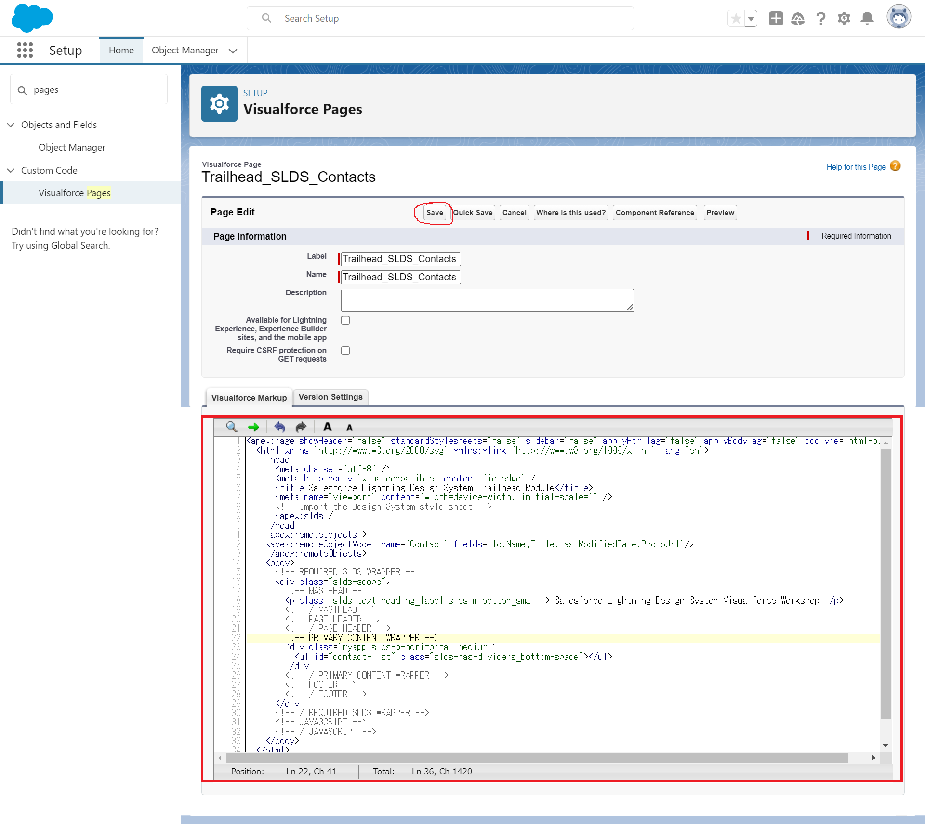

 | Preview

Add a Page Header
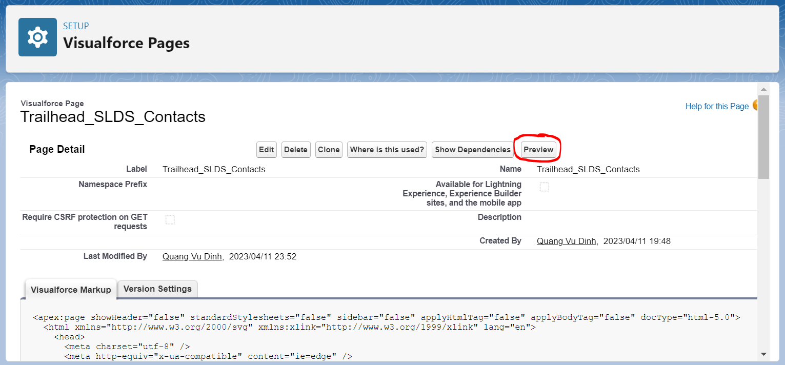
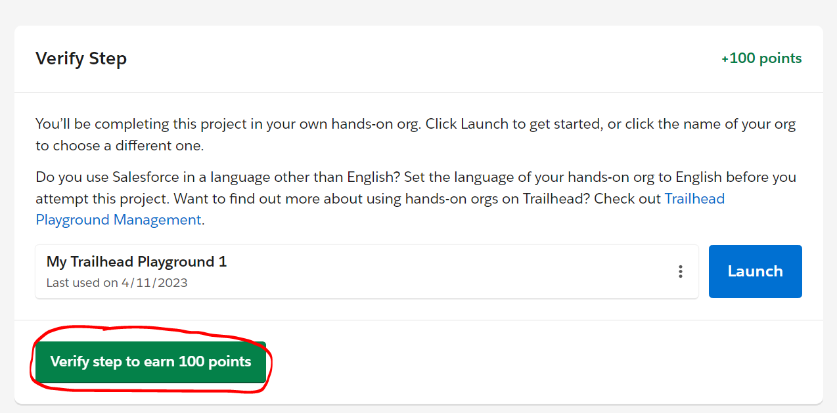
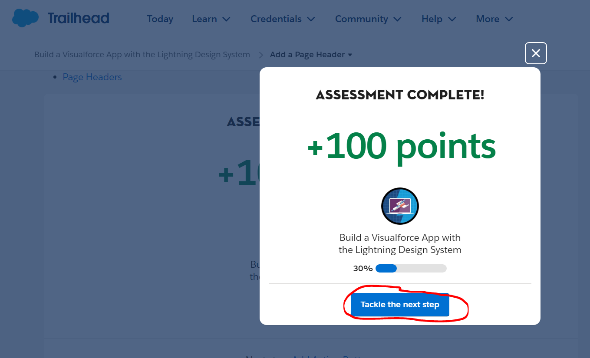
Add a Page Header
https://trailhead.salesforce.com/content/learn/projects/workshop-lightning-design-system-visualforce/slds-vf-03-page-header?trailmix_creator_id=jgildaa&trailmix_slug=visualforce
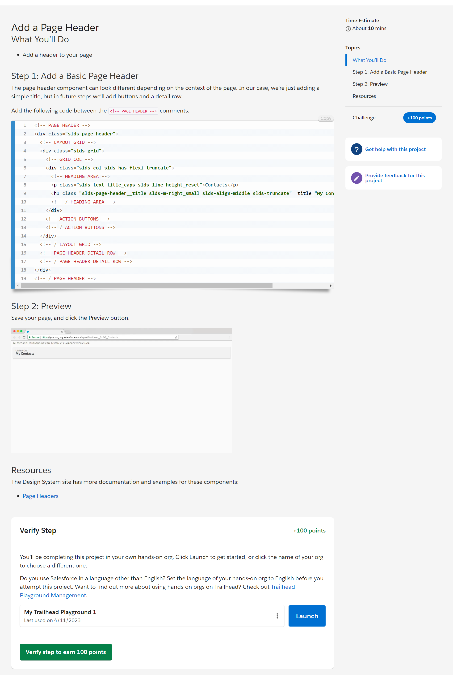

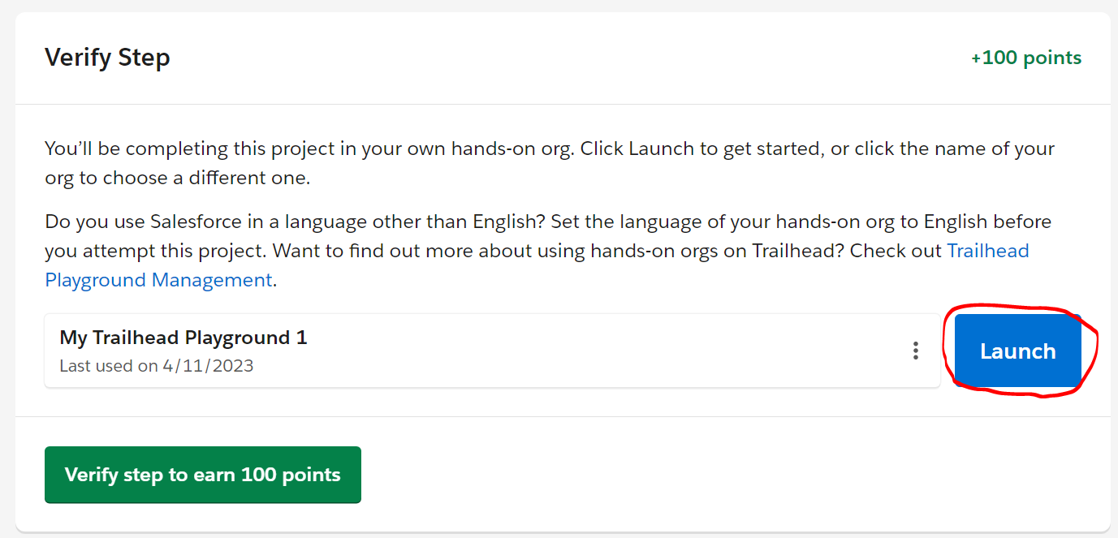

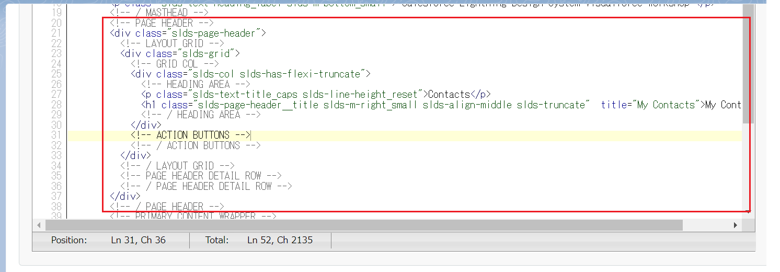

 |  | <apex:page showHeader="false" standardStylesheets="false" sidebar="false" applyHtmlTag="false" applyBodyTag="false" docType="html-5.0"> <html xmlns="http://www.w3.org/2000/svg" xmlns:xlink="http://www.w3.org/1999/xlink" lang="en"> <head> <meta charset="utf-8" /> <meta http-equiv="x-ua-compatible" content="ie=edge" /> <title>Salesforce Lightning Design System Trailhead Module</title> <meta name="viewport" content="width=device-width, initial-scale=1" /> <!-- Import the Design System style sheet --> <apex:slds /> </head> <apex:remoteObjects > <apex:remoteObjectModel name="Contact" fields="Id,Name,Title,LastModifiedDate,PhotoUrl"/> </apex:remoteObjects> <body> <!-- REQUIRED SLDS WRAPPER --> <div class="slds-scope"> <!-- MASTHEAD --> <p class="slds-text-heading_label slds-m-bottom_small"> Salesforce Lightning Design System Visualforce Workshop </p> <!-- / MASTHEAD --> <!-- PAGE HEADER --> <div class="slds-page-header"> <!-- LAYOUT GRID --> <div class="slds-grid"> <!-- GRID COL --> <div class="slds-col slds-has-flexi-truncate"> <!-- HEADING AREA --> <p class="slds-text-title_caps slds-line-height_reset">Contacts</p> <h1 class="slds-page-header__title slds-m-right_small slds-align-middle slds-truncate" title="My Contacts">My Contacts</h1> <!-- / HEADING AREA --> </div> <!-- ACTION BUTTONS --> <!-- / ACTION BUTTONS --> </div> <!-- / LAYOUT GRID --> <!-- PAGE HEADER DETAIL ROW --> <!-- / PAGE HEADER DETAIL ROW --> </div> <!-- / PAGE HEADER --> <!-- PRIMARY CONTENT WRAPPER --> <div class="myapp slds-p-horizontal_medium"> <ul id="contact-list" class="slds-has-dividers_bottom-space"></ul> </div>

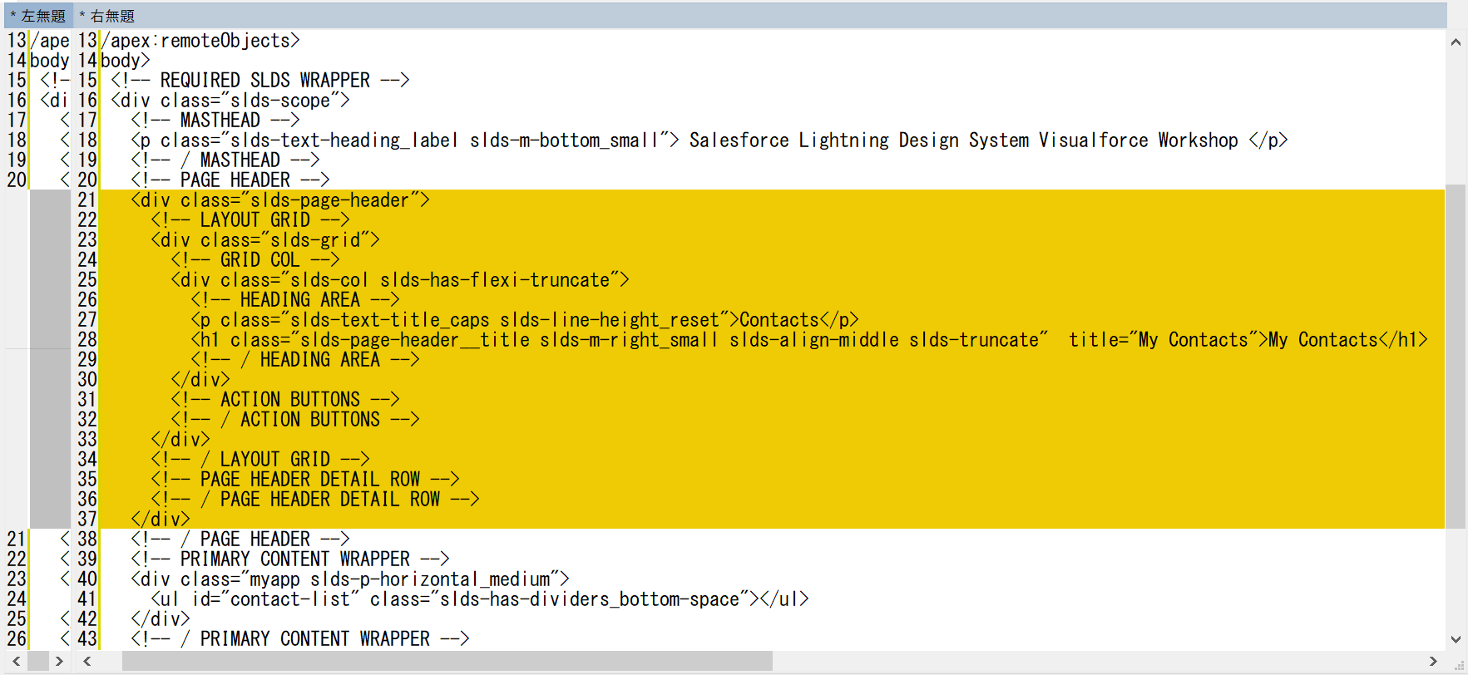

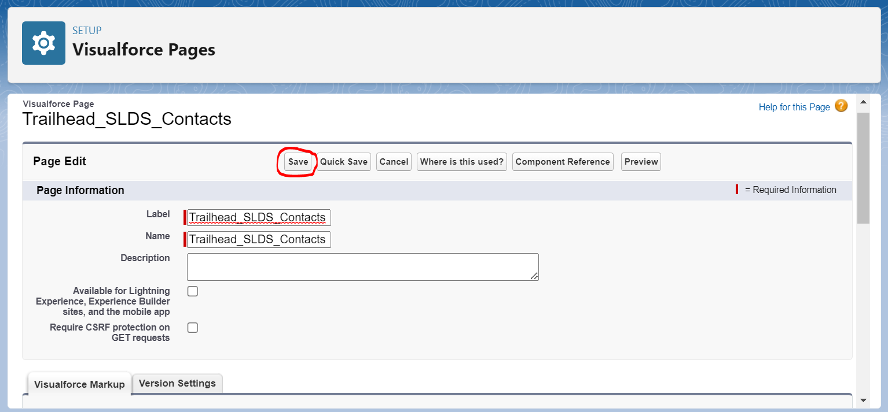

 | Preview

Add Action Buttons
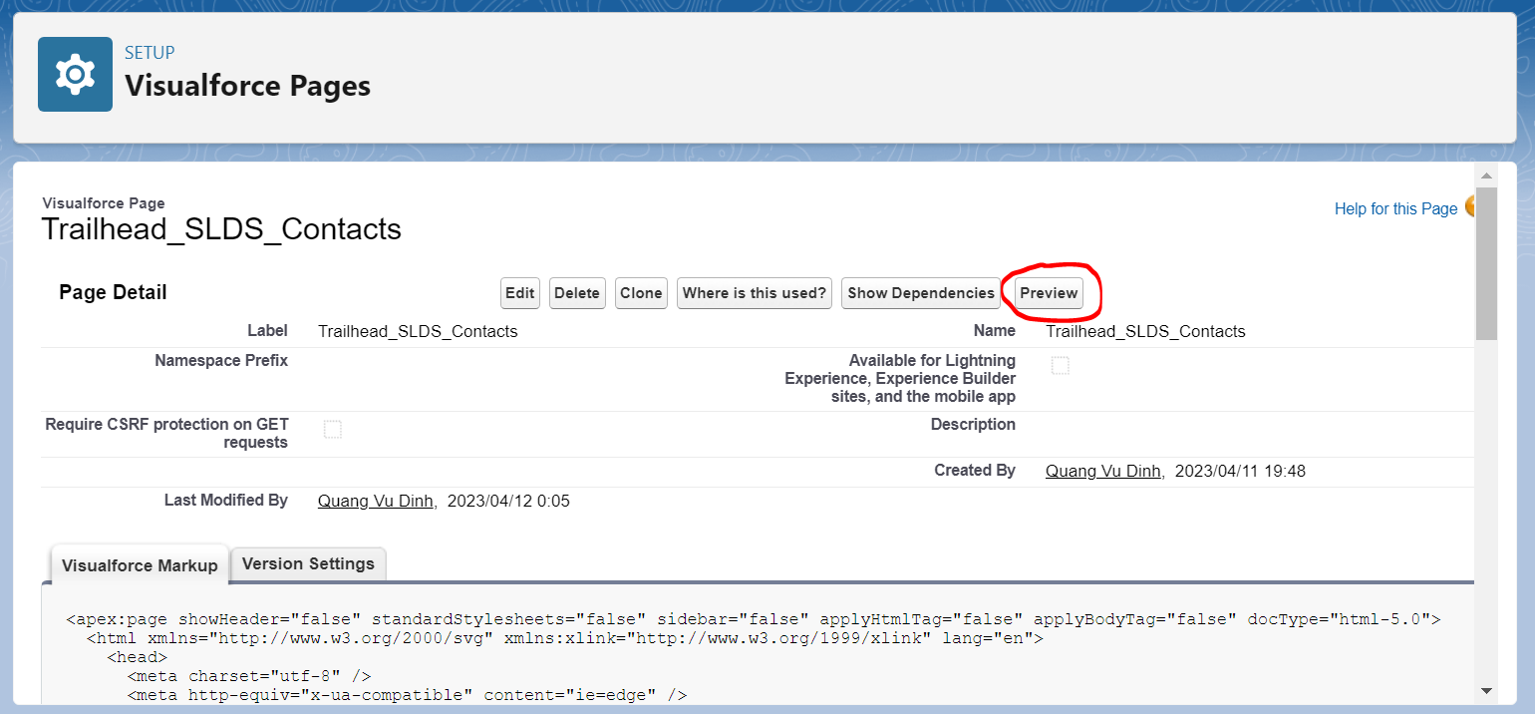
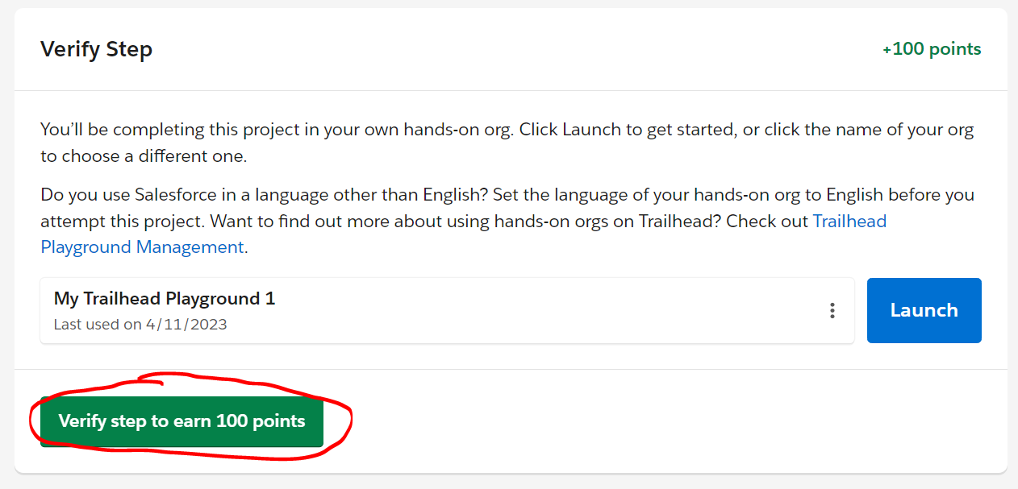
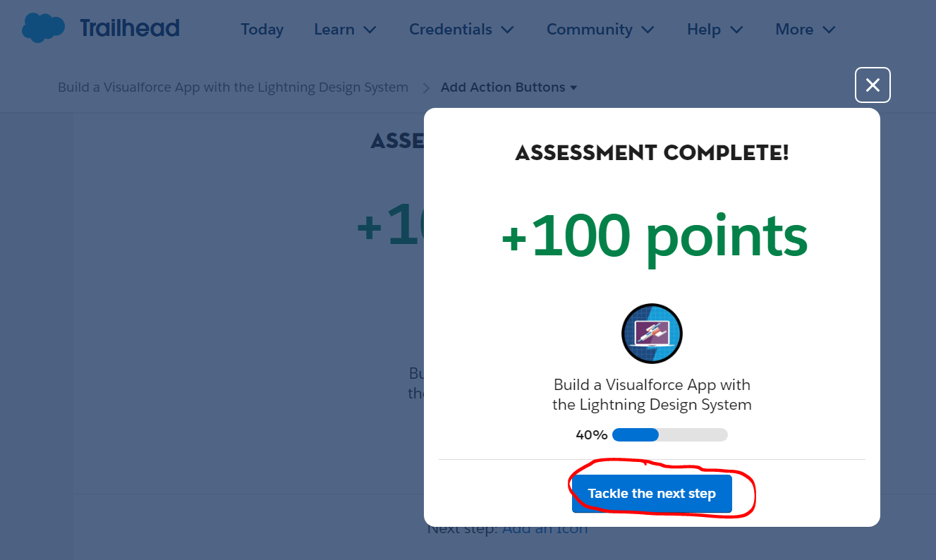
Add Action Buttons
https://trailhead.salesforce.com/content/learn/projects/workshop-lightning-design-system-visualforce/slds-vf-04-page-header-actions?trailmix_creator_id=jgildaa&trailmix_slug=visualforce
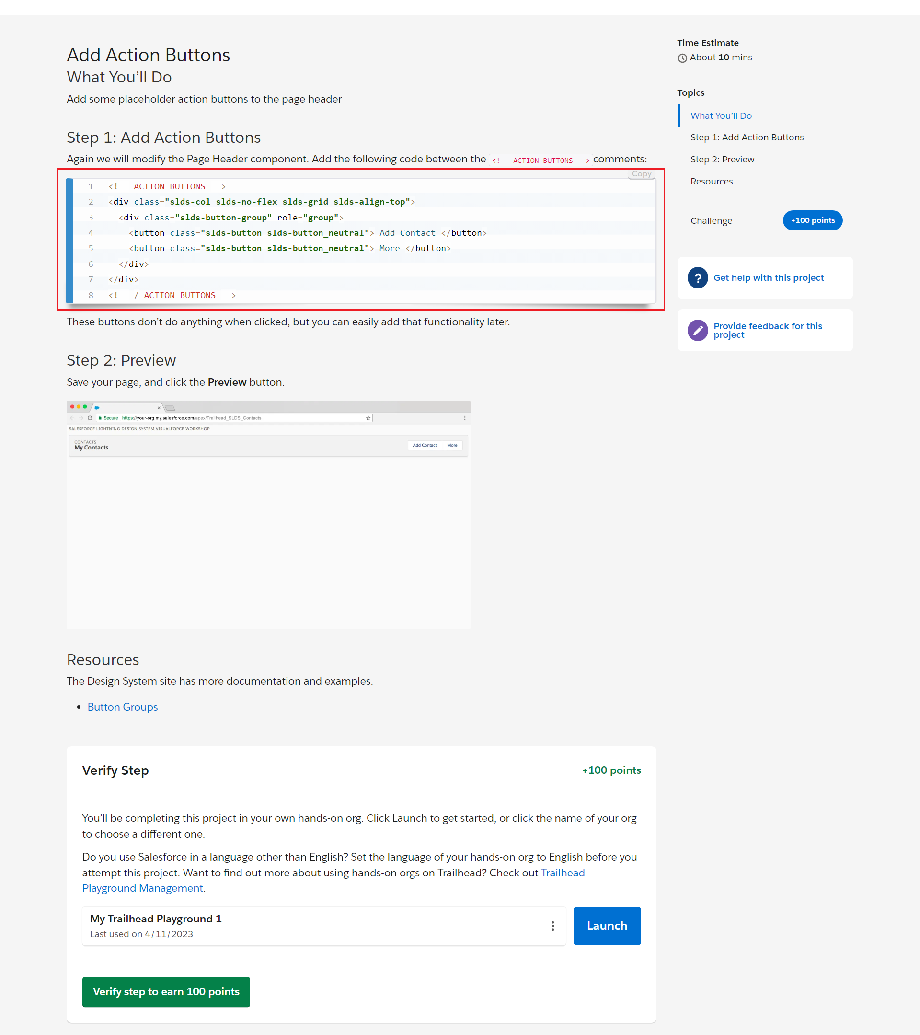

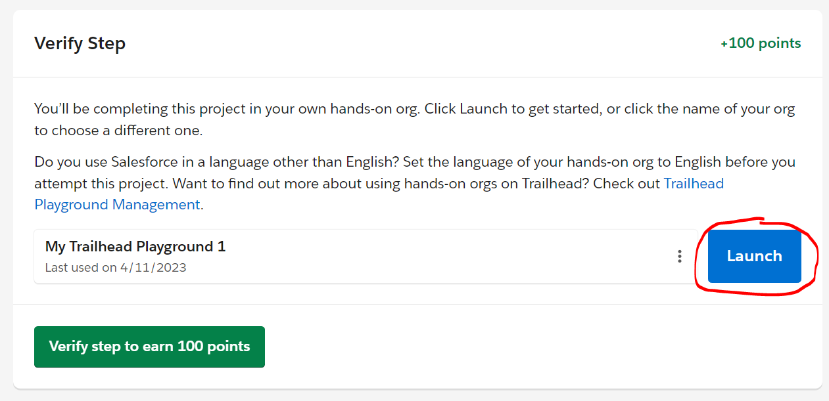

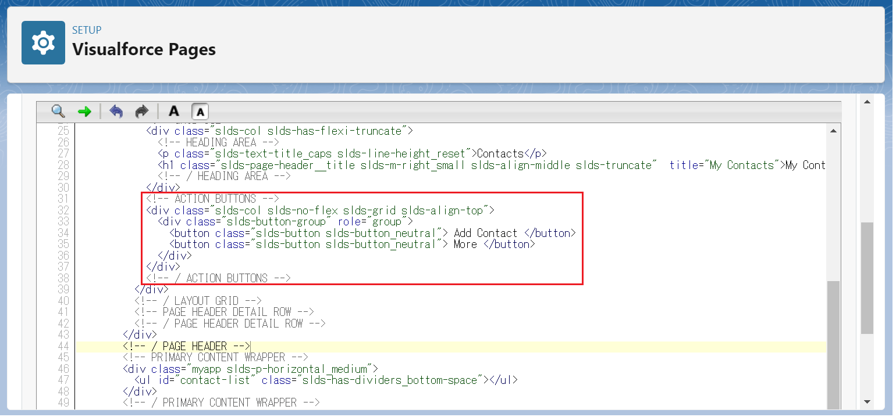

 |  | <apex:page showHeader="false" standardStylesheets="false" sidebar="false" applyHtmlTag="false" applyBodyTag="false" docType="html-5.0"> <html xmlns="http://www.w3.org/2000/svg" xmlns:xlink="http://www.w3.org/1999/xlink" lang="en"> <head> <meta charset="utf-8" /> <meta http-equiv="x-ua-compatible" content="ie=edge" /> <title>Salesforce Lightning Design System Trailhead Module</title> <meta name="viewport" content="width=device-width, initial-scale=1" /> <!-- Import the Design System style sheet --> <apex:slds /> </head> <apex:remoteObjects > <apex:remoteObjectModel name="Contact" fields="Id,Name,Title,LastModifiedDate,PhotoUrl"/> </apex:remoteObjects> <body> <!-- REQUIRED SLDS WRAPPER --> <div class="slds-scope"> <!-- MASTHEAD --> <p class="slds-text-heading_label slds-m-bottom_small"> Salesforce Lightning Design System Visualforce Workshop </p> <!-- / MASTHEAD --> <!-- PAGE HEADER --> <div class="slds-page-header"> <!-- LAYOUT GRID --> <div class="slds-grid"> <!-- GRID COL --> <div class="slds-col slds-has-flexi-truncate"> <!-- HEADING AREA --> <p class="slds-text-title_caps slds-line-height_reset">Contacts</p> <h1 class="slds-page-header__title slds-m-right_small slds-align-middle slds-truncate" title="My Contacts">My Contacts</h1> <!-- / HEADING AREA --> </div> <!-- ACTION BUTTONS --> <div class="slds-col slds-no-flex slds-grid slds-align-top"> <div class="slds-button-group" role="group"> <button class="slds-button slds-button_neutral"> Add Contact </button> <button class="slds-button slds-button_neutral"> More </button> </div> </div> <!-- / ACTION BUTTONS --> </div> <!-- / LAY

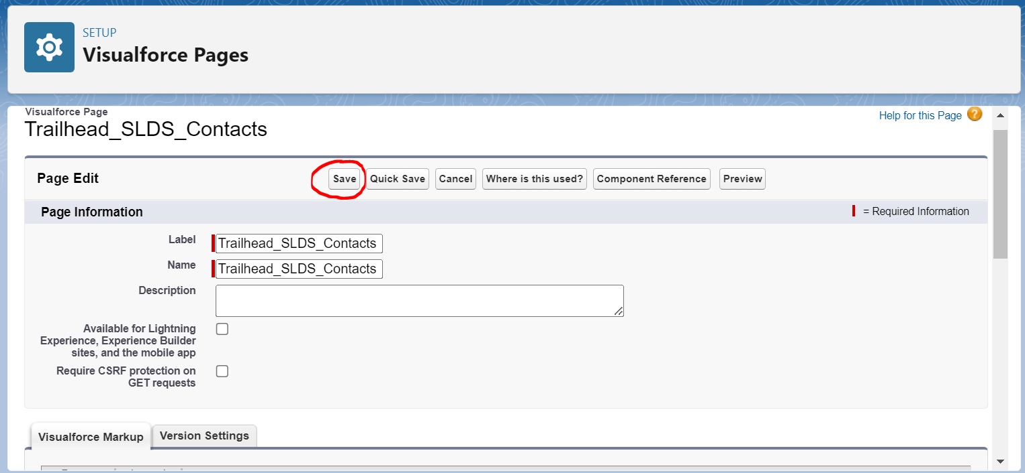

 | Preview

