Get Started
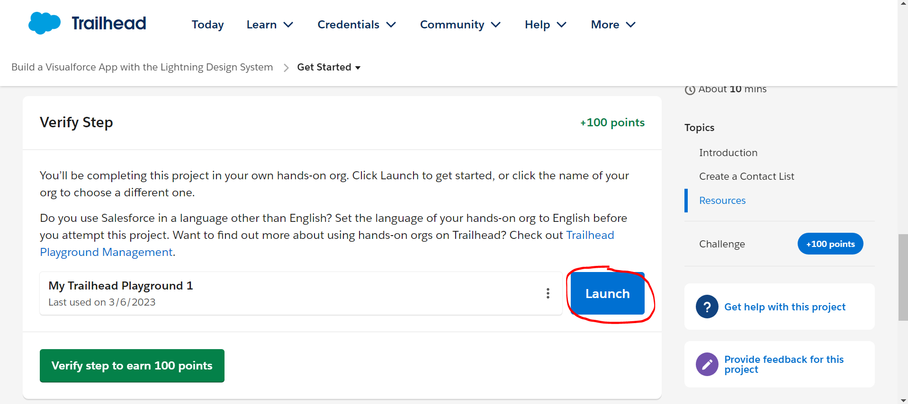
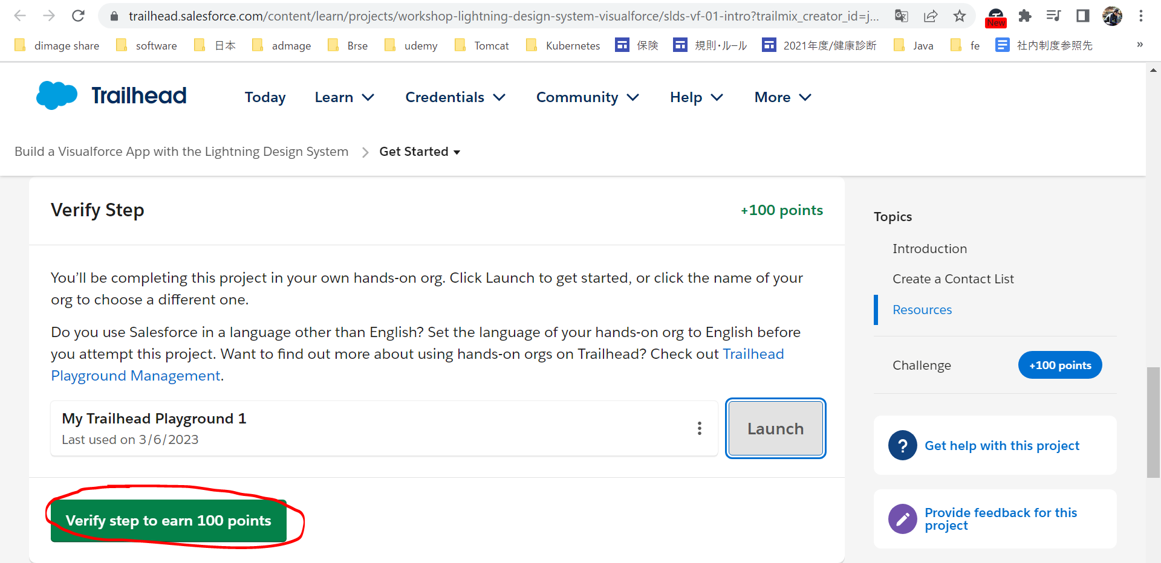
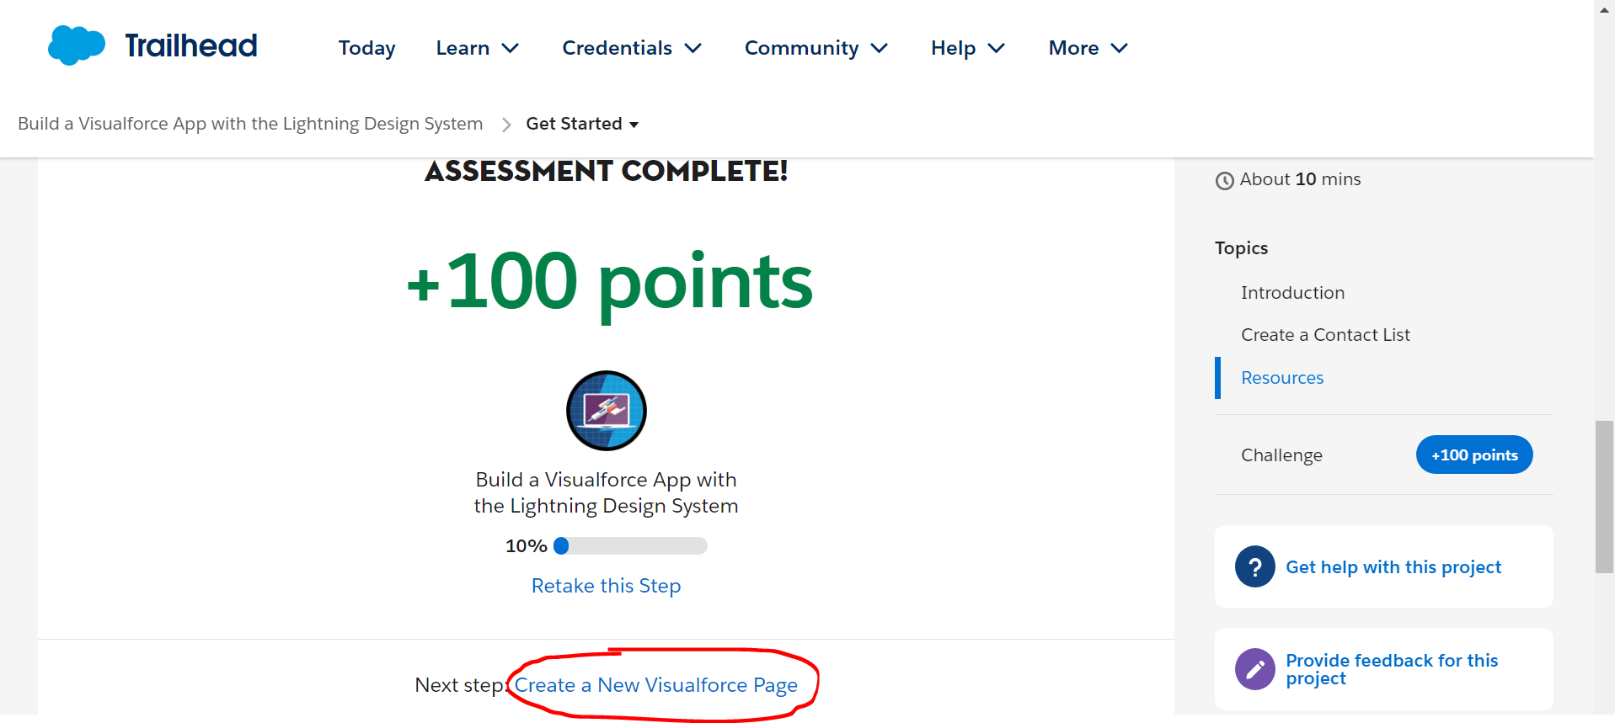
Get Started
https://trailhead.salesforce.com/content/learn/projects/workshop-lightning-design-system-visualforce/slds-vf-01-intro?trailmix_creator_id=jgildaa&trailmix_slug=visualforce

Create a New Visualforce Page
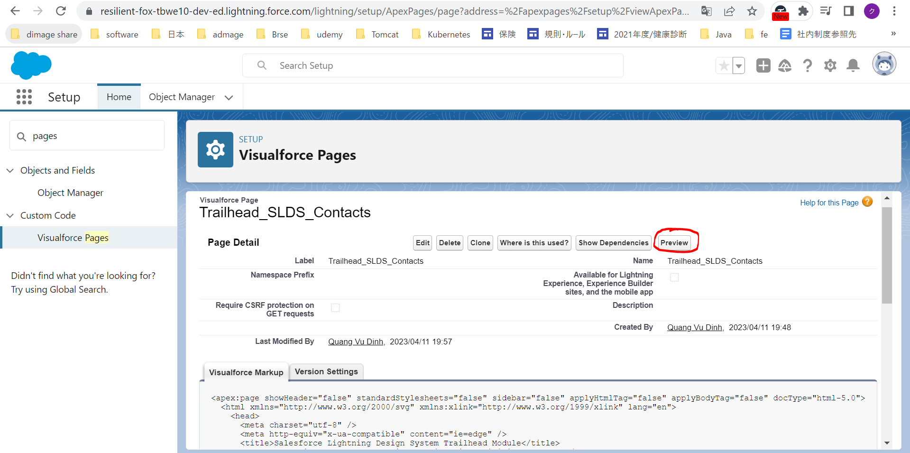
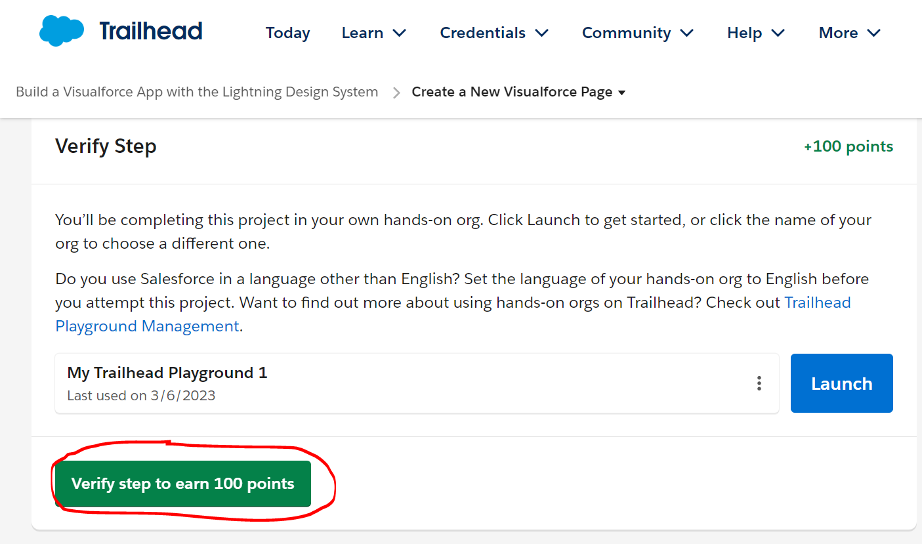
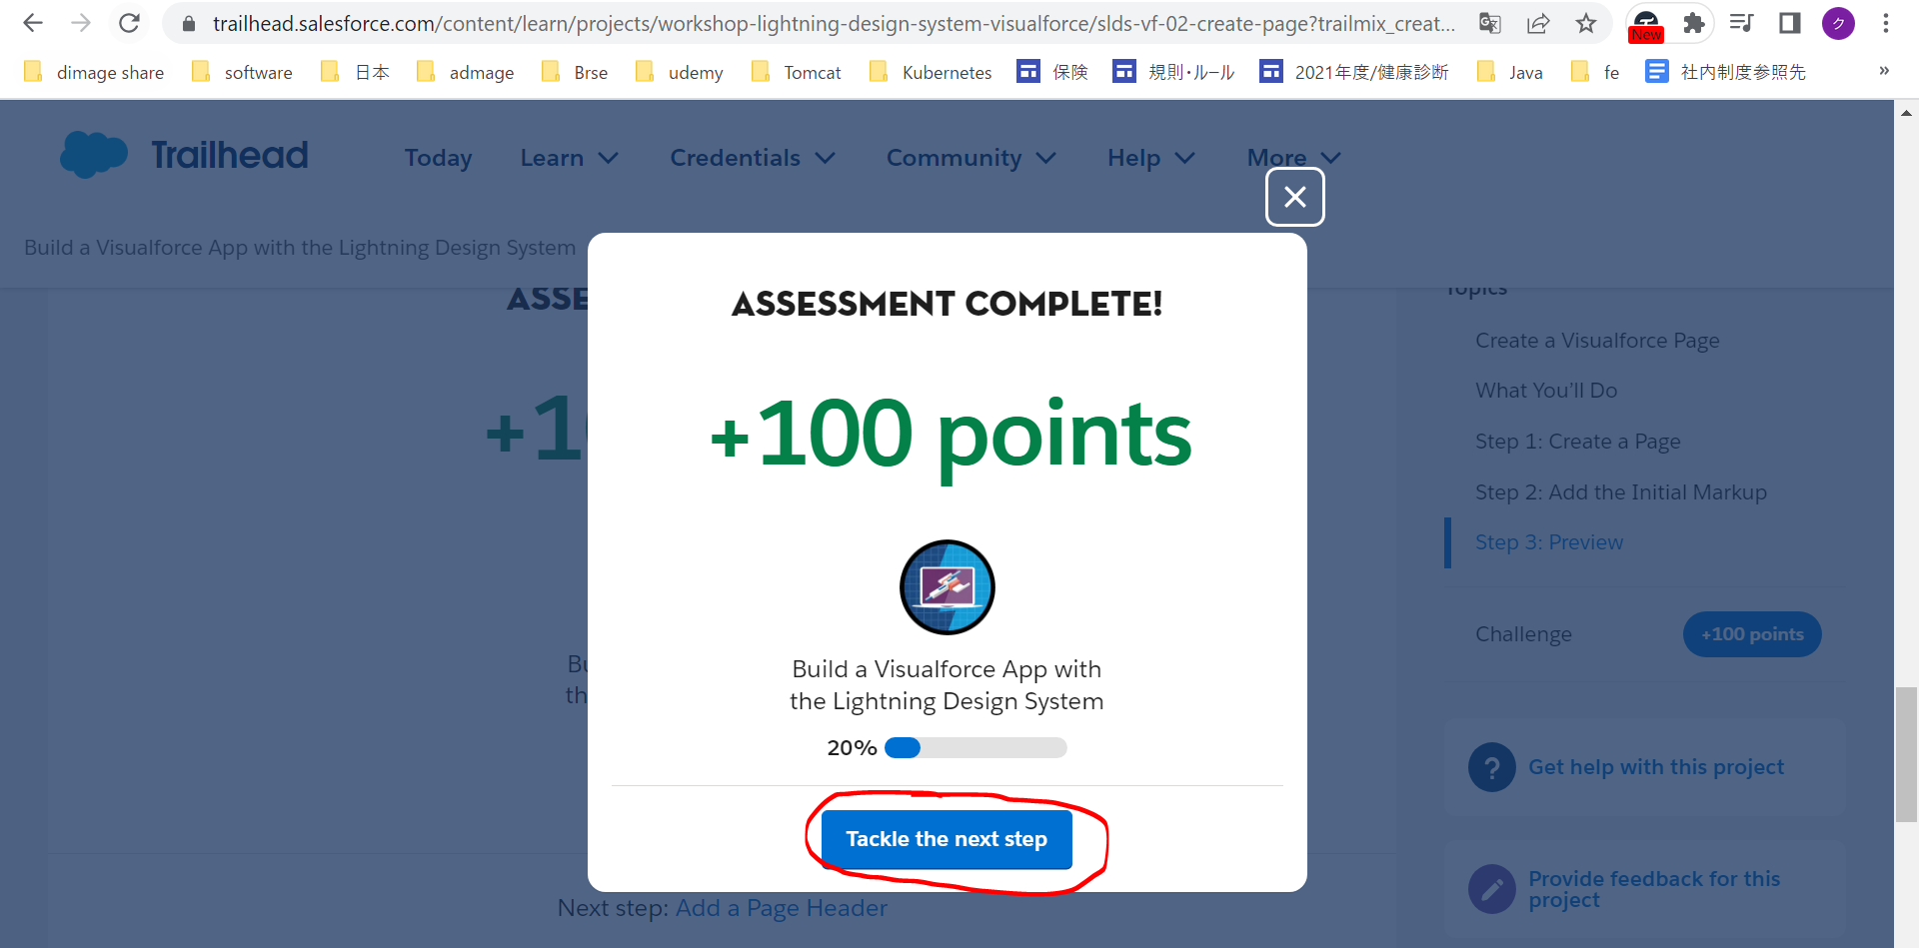
Create a New Visualforce Page
https://trailhead.salesforce.com/content/learn/projects/workshop-lightning-design-system-visualforce/slds-vf-02-create-page?trailmix_creator_id=jgildaa&trailmix_slug=visualforce
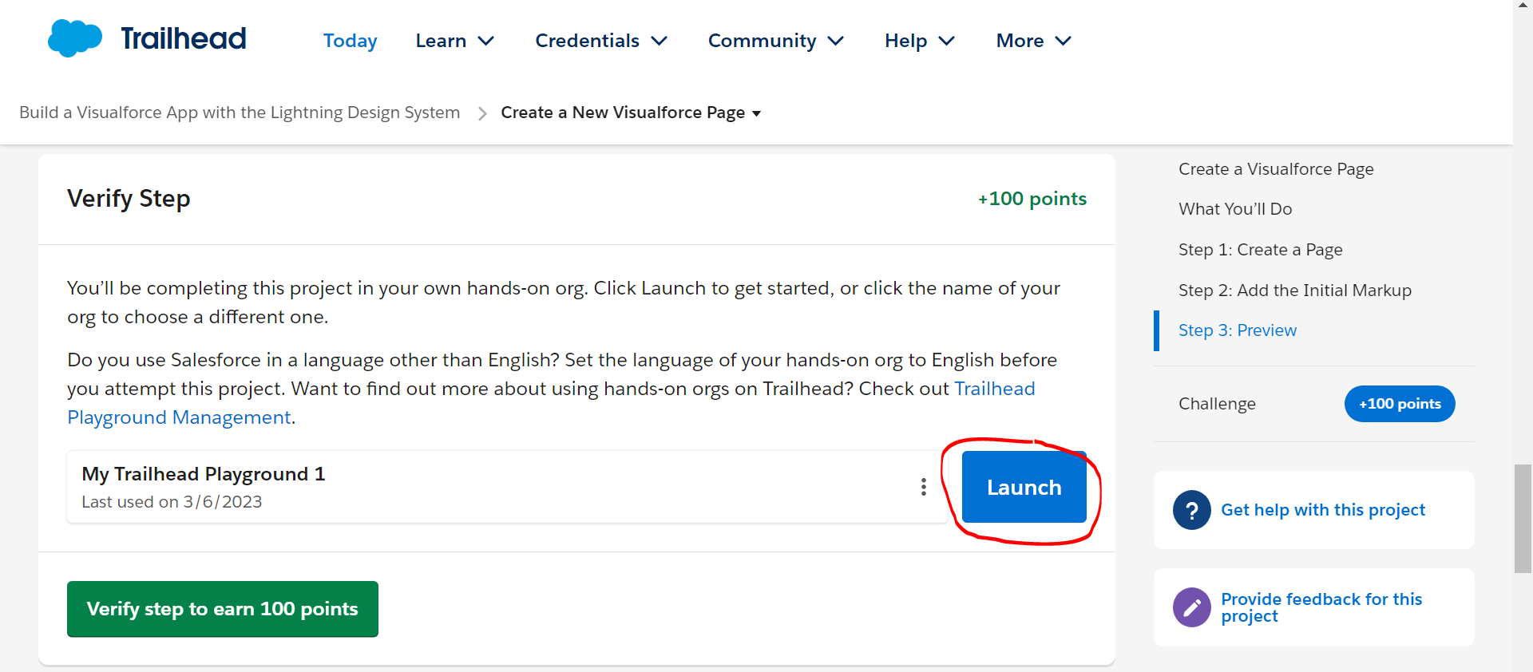

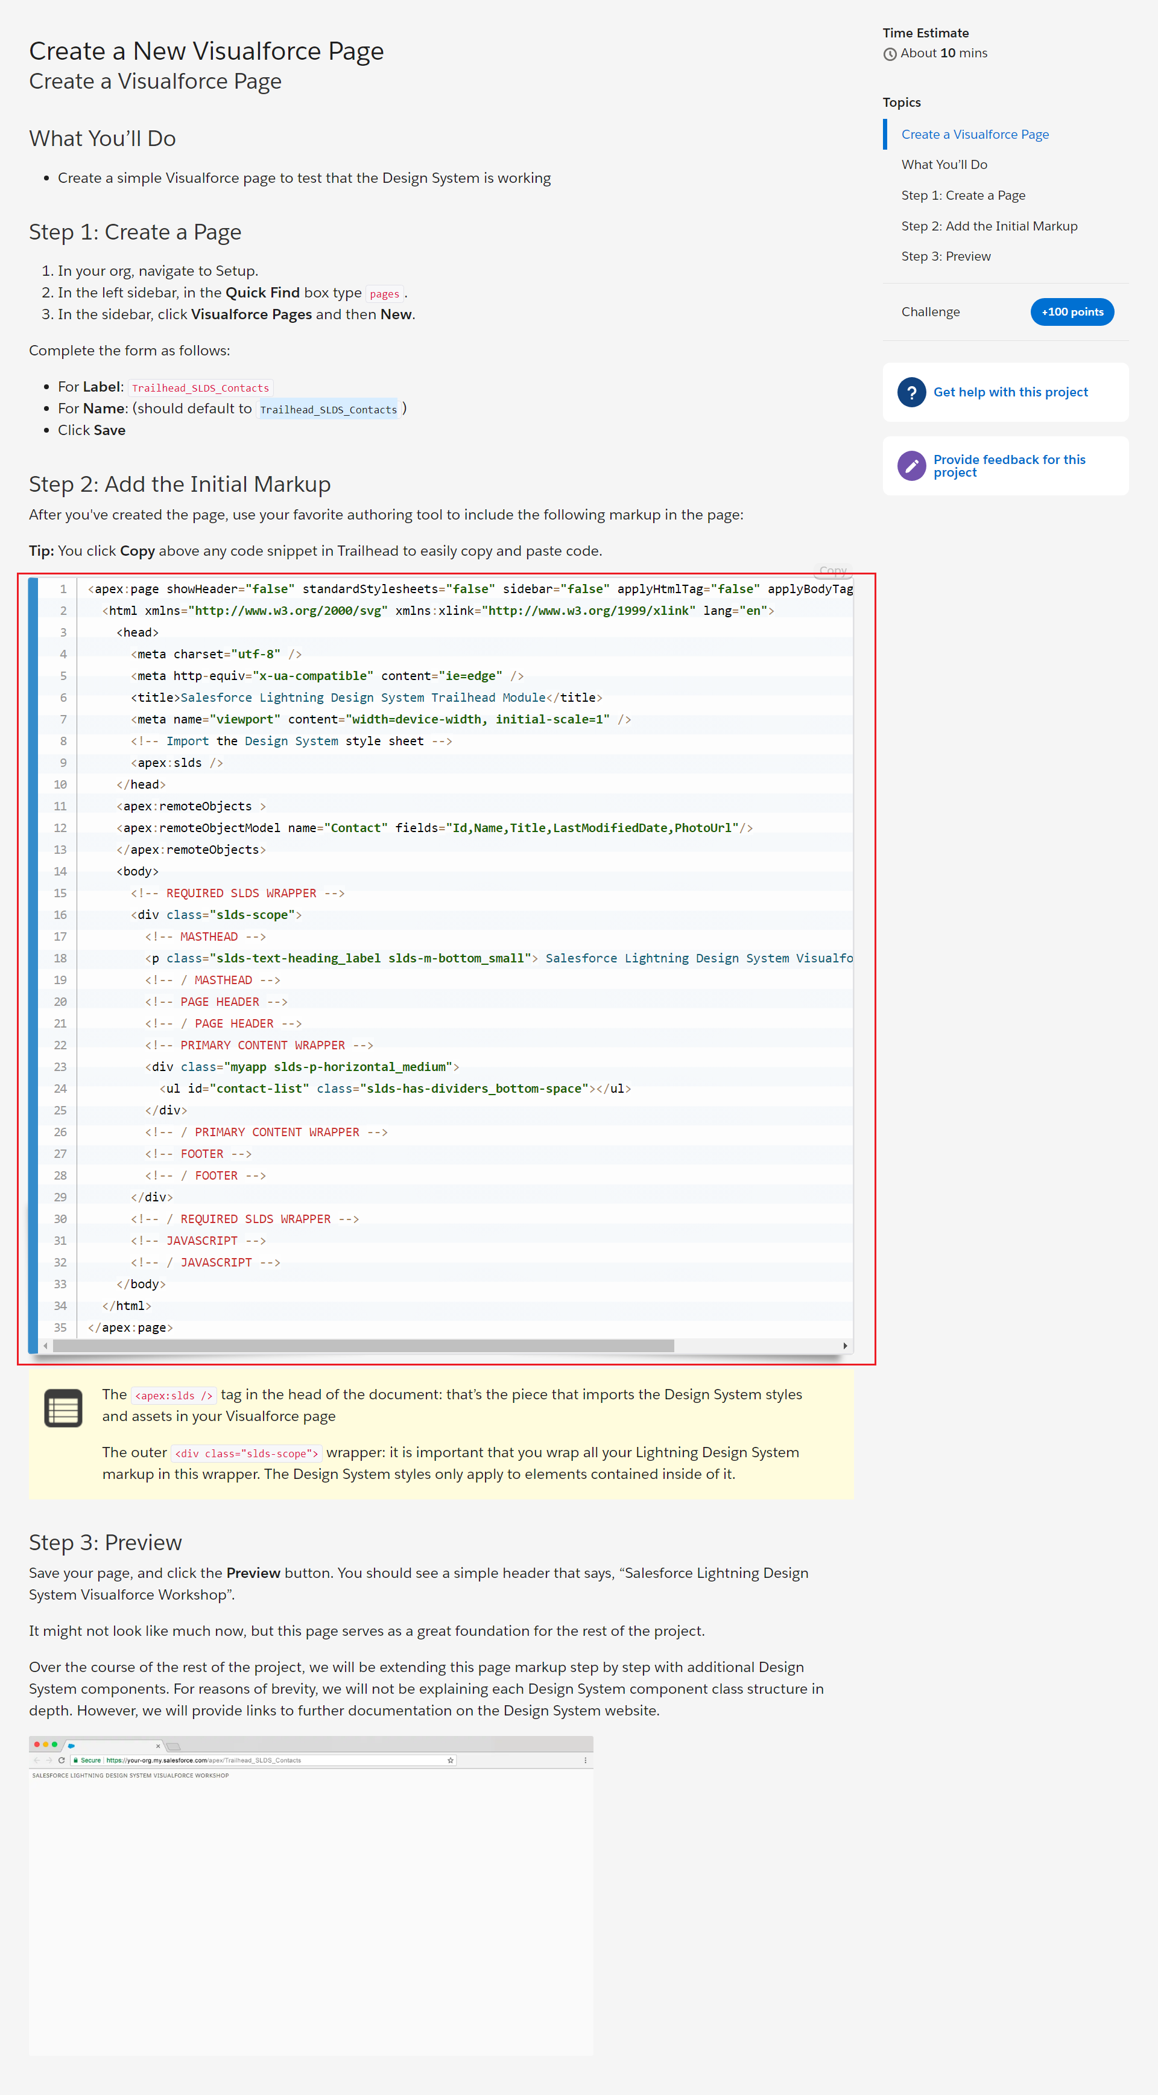

 | New
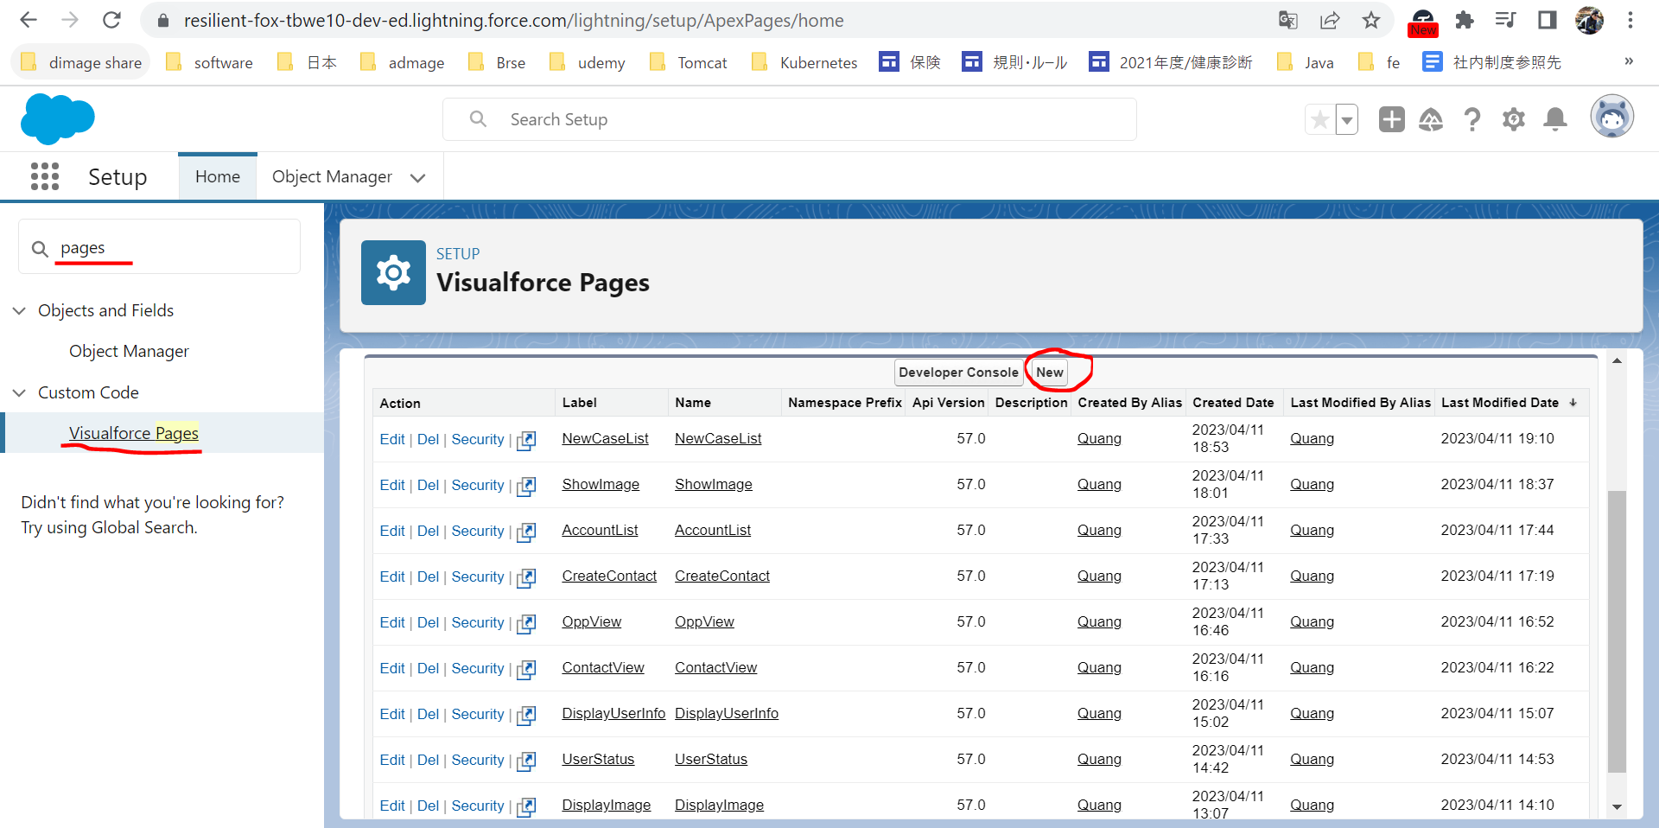

 | Trailhead_SLDS_Contacts
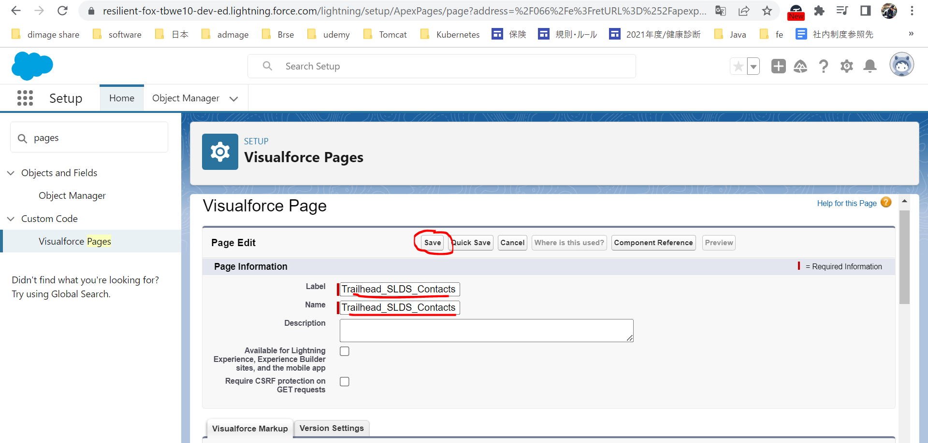

 | Edit
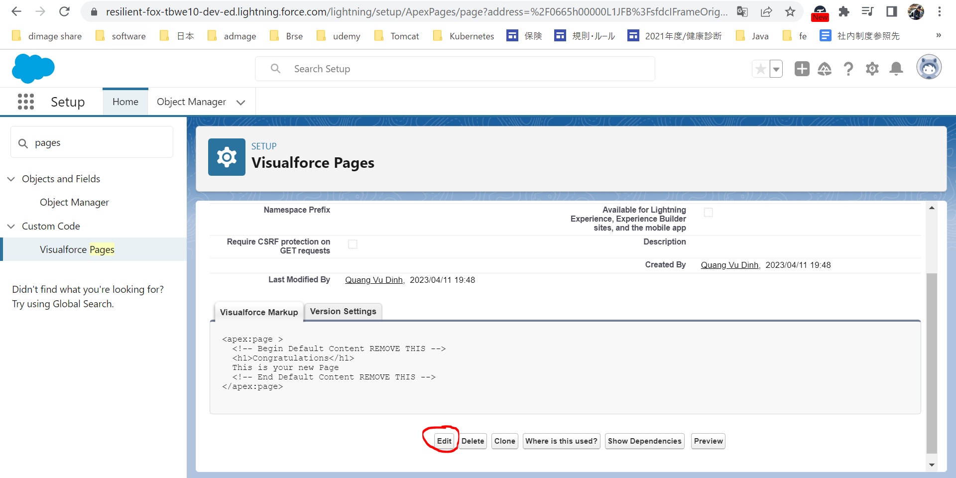

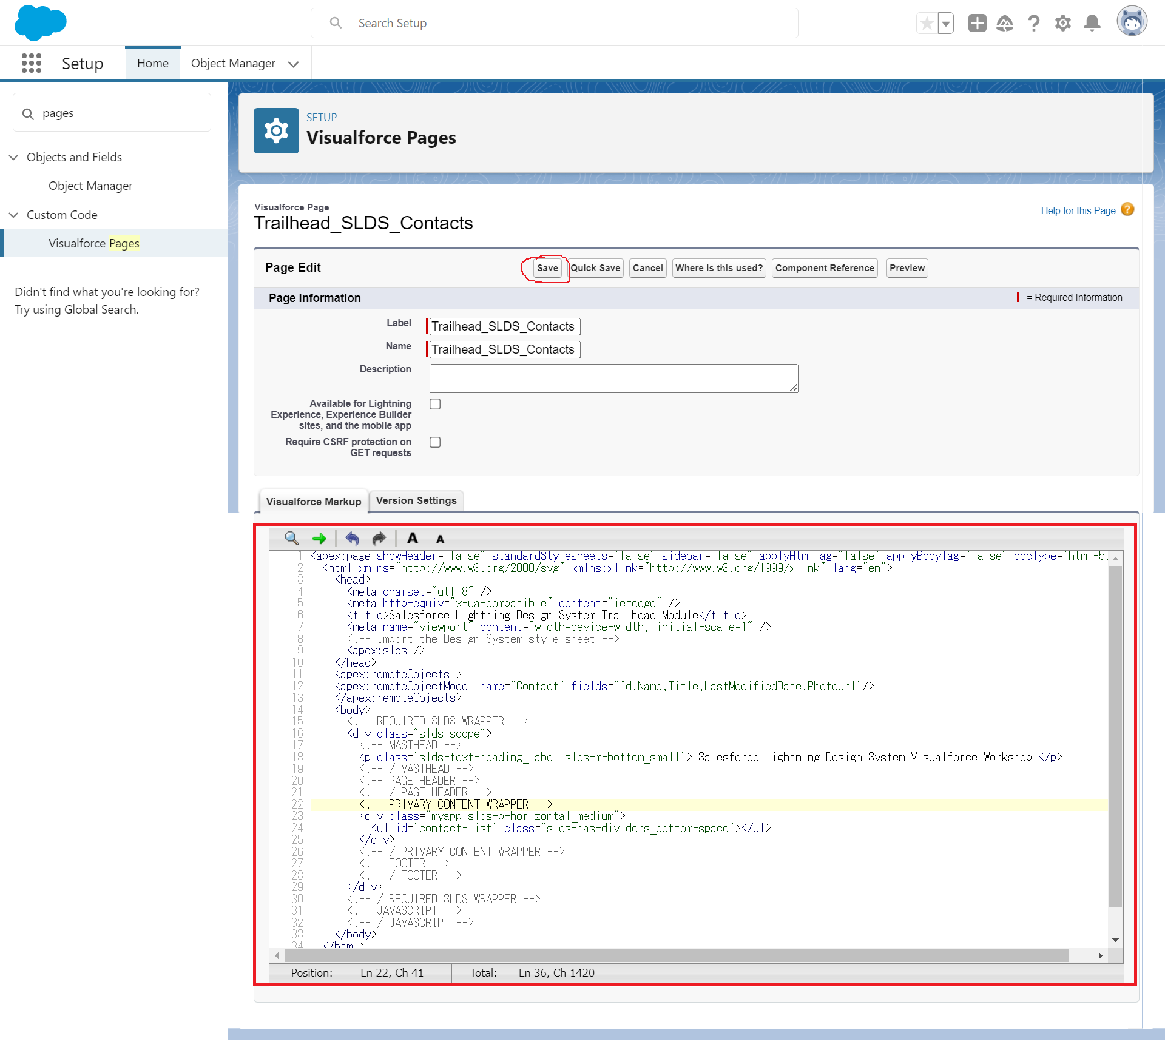

 | Preview

