ManipulateApprovalProcessesApex
https://www.xgeek.net/salesforce/approval-processing-with-apex-in-salesforce/
https://www.xgeek.net/ja/salesforce/approval-processing-with-apex-in-salesforce/

Manipulating approval processes in Apex
Approval Process has 5 different tables or objects within Salesforce
・ProcessInstance: All of these objects link back to ProcessInstance so for the approval process anything that ever been inside the approval process in Salesforce is going to be in this ProcessInstance
 | Object when we query for it so that means things that are still inside the approval process anything that has been approved through the approval process rejected, reopened whatever it will
 | all reside in this ProcessInstance Object
・ProcessInstanceHistory: We are going to get all the different steps that that process or that approval process has been through so say us has 15 different steps for our approval process we will be
 | able to find them here in the ProcessInstanceHistory Object. The important about the ProcessInstanceHistory Object is that it is only a Read-Only object so we can just query the
 | ProcessInstanceHistory. It has to be when we query this object it has to be nested inside of another query so what we typically do is query ProcessInstance and have a nested Select statement
 | inside that ProcessInstance query
・ProcessInstanceNode: It is kind of just showing us the Id for the steps that it is in. Not found much use for this, it is really not all that valuable
・ProcessInstanceStep: Is just information about the particular step that the approval is currently in so the most useful field in here is the StepNodeId which will then get
 | ProcessInstanceNode.ProcessNodeName, may be ProcessNodeName is the only thing that is useful inside ProcessInstanceNode
・ProcessInstanceWorkitem: Hold the data for approval process that are currently in a pending status so they are still waiting to be approved or they are still going through the steps anything that's
 | been approved or rejected will not reside in this Object

構成
 | salesforce-trailhead
 |  | 1.approval-process
 |  | 2.training
 |  |  | 1.Use-Apex-Code-to-Dynamically-Select-the-Approver
 |  |  |  | ContactTrgUtils.apxc
 |  |  |  | ContactTrg.apxc
 |  |  | 2.Manipulating-approval-processes-in-Apex |  |  |  | → | new
 |  |  |  | ApprovalProcessRecipes.apxc
 |  |  |  | ApprovalProcessRecipes_Tests.apxc

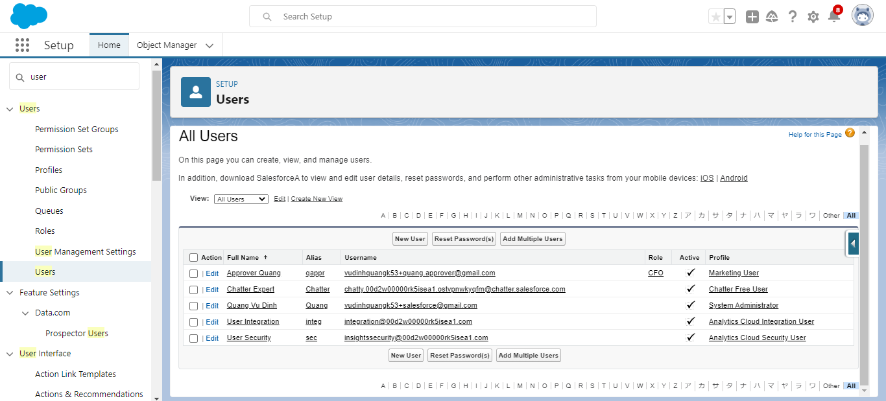

Approval Processes
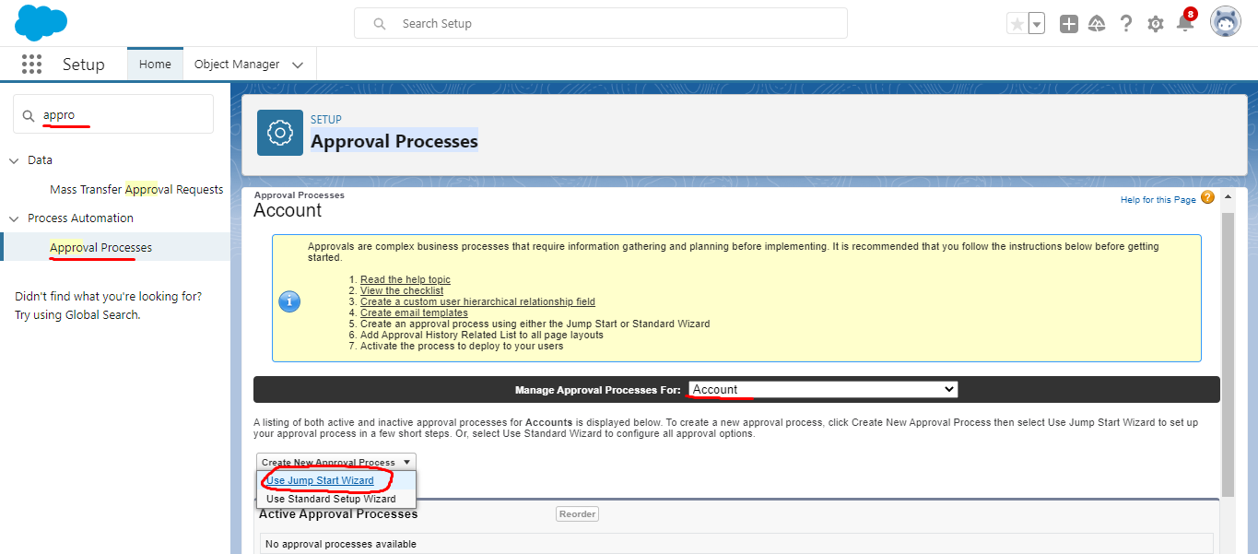

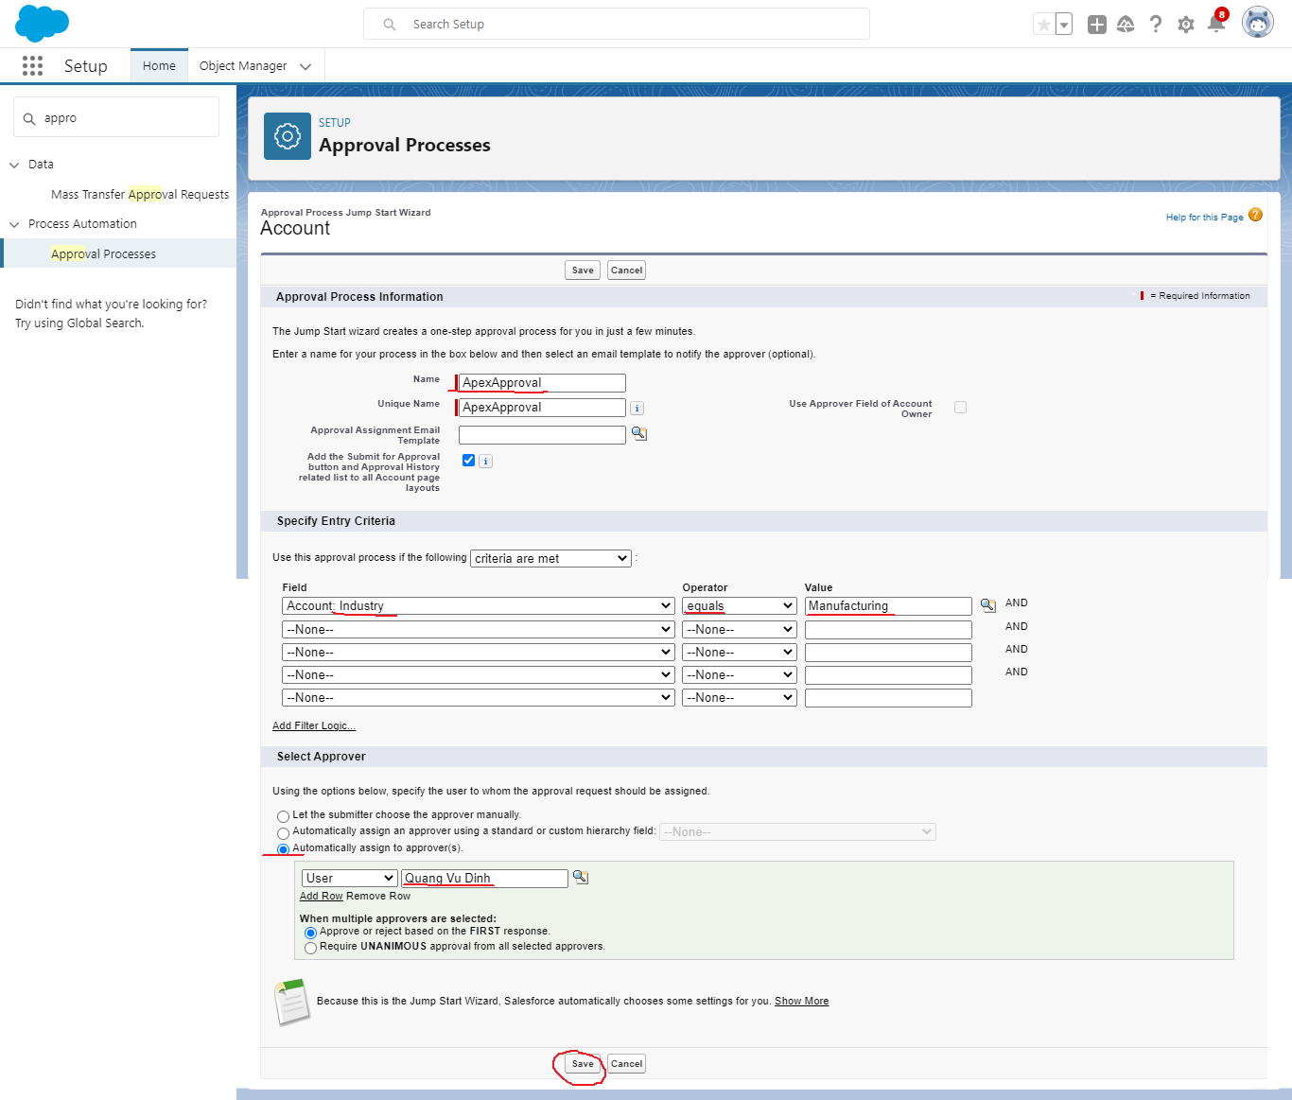

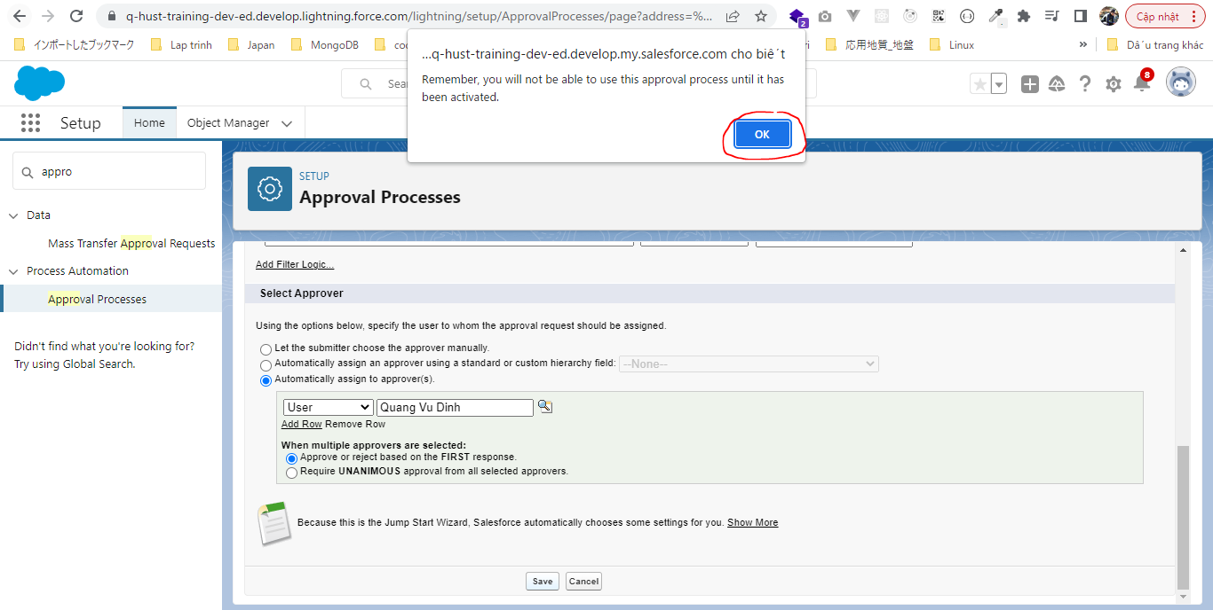

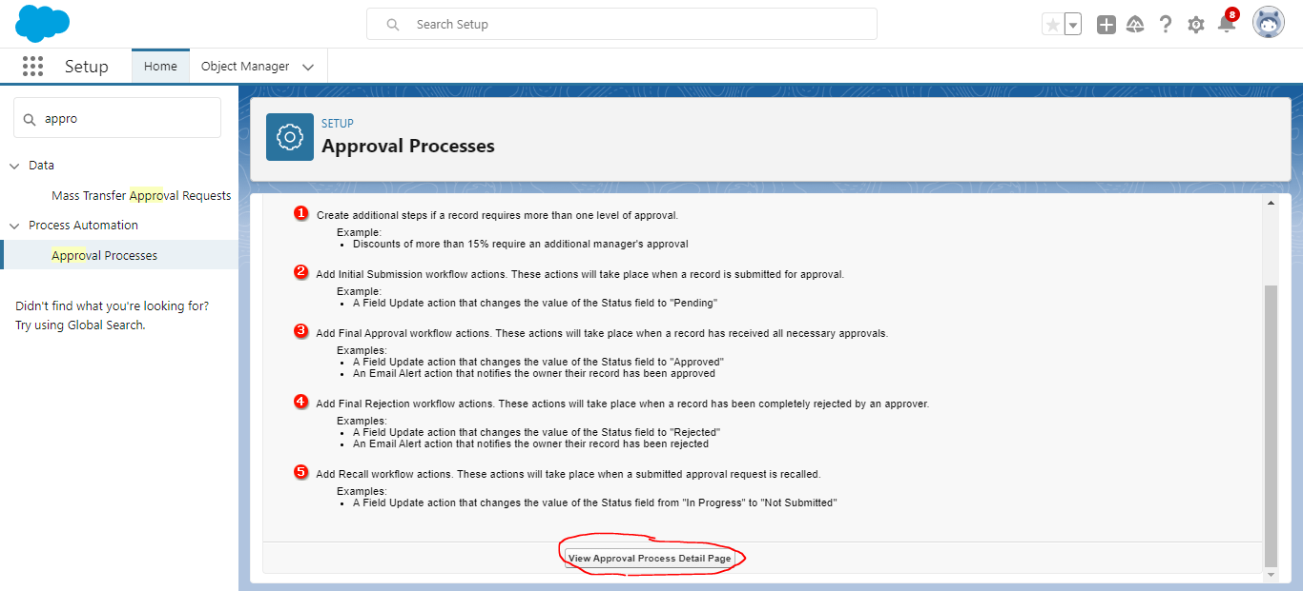

 | We can have multiple steps in our approval process. Because we are focused on how to use these approval processes in Apex. We are not really going to do anything more with the
 | approval process here in declarative side. But know that we can go in and add multiple steps multiple approvers we can have things that happen when the record is we can have automation
 | that occurs when the record is entered for approval or when it is approved or when it is rejected and we can even have things that happen when it is recalled when the user says no i
 | actually do not want to approve that
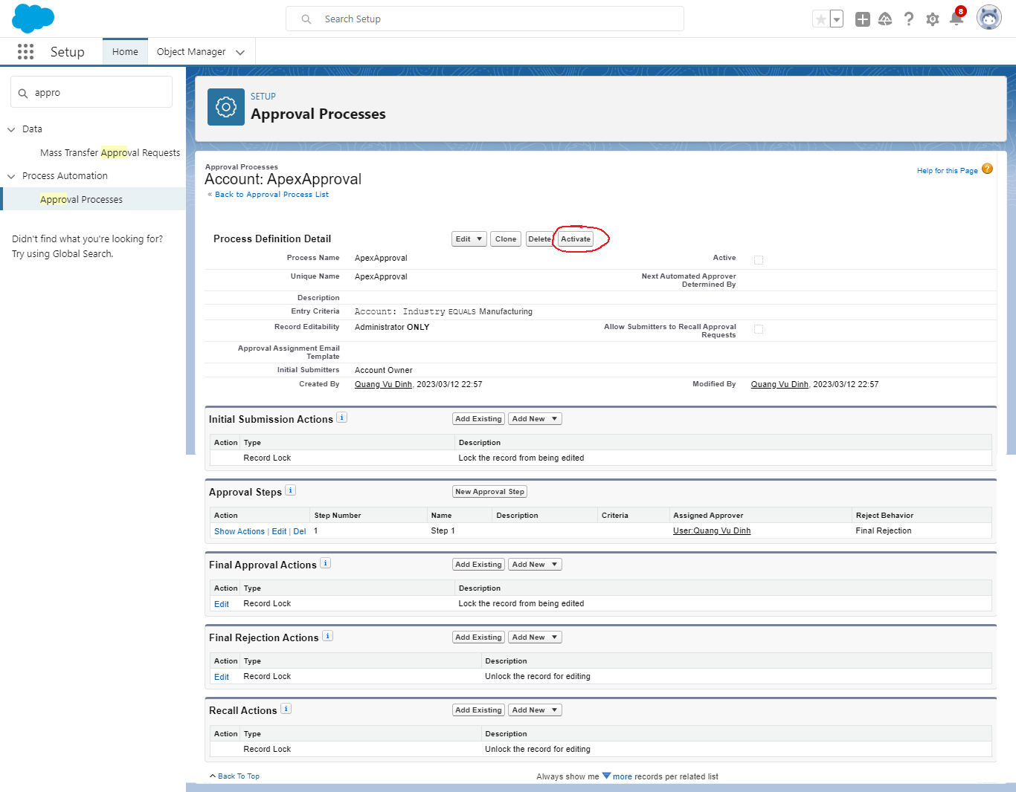

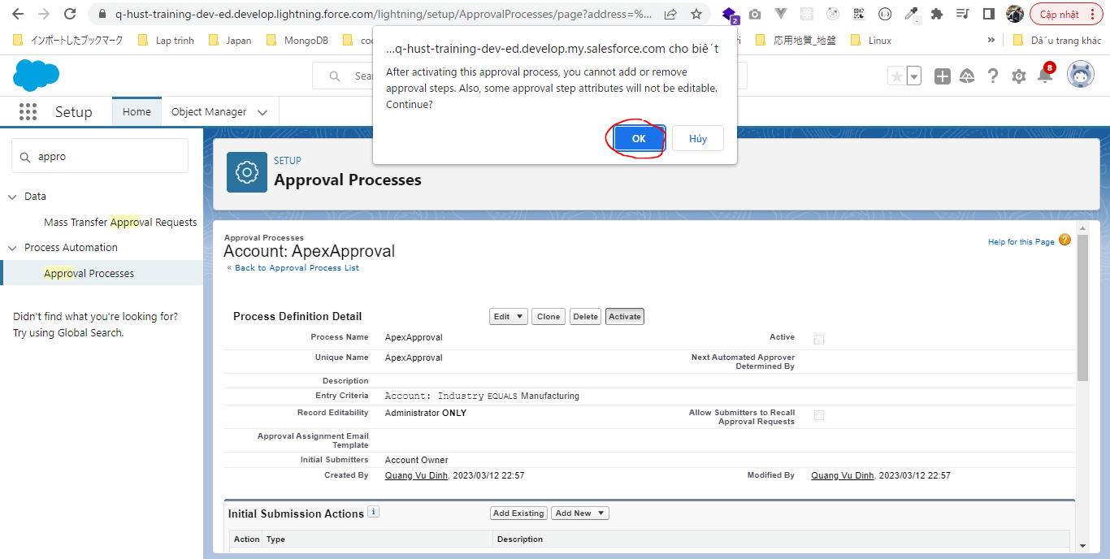

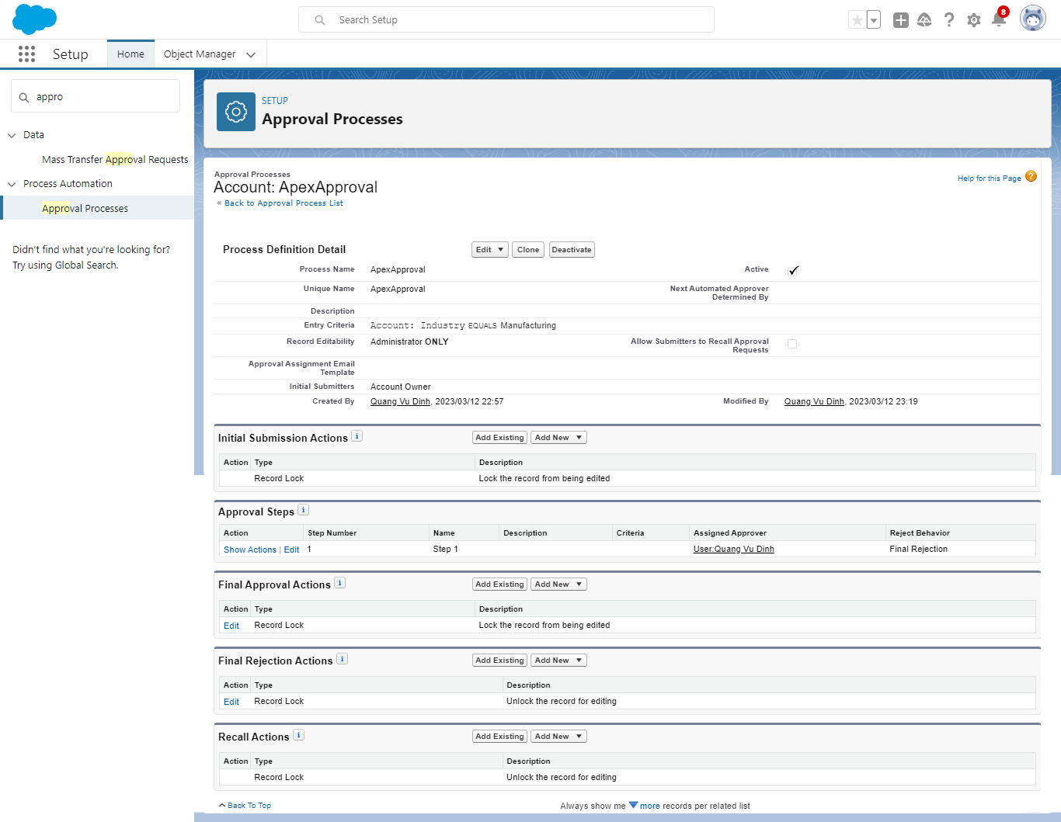

 | SELECT Id, Username, LastName, FirstName, Name, Special_Approver__c FROM User

 | SELECT Id, Name, DeveloperName, Type, Description, State, CreatedDate, LockType, CreatedById FROM ProcessDefinition

 | Edit Industy to have manufacturing
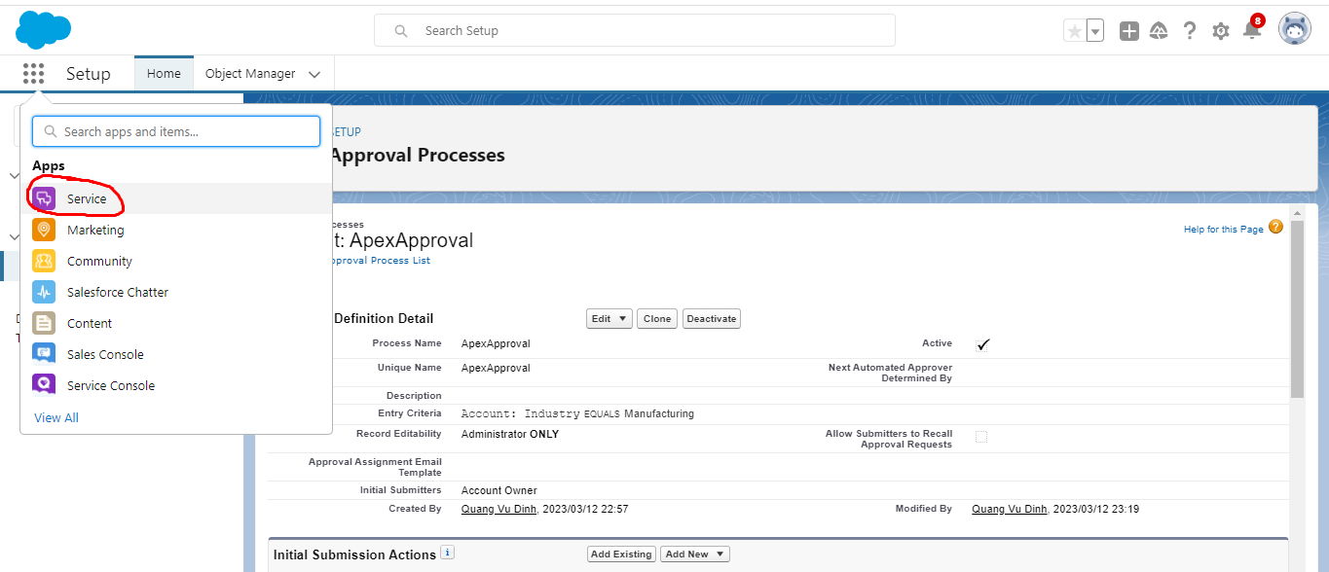

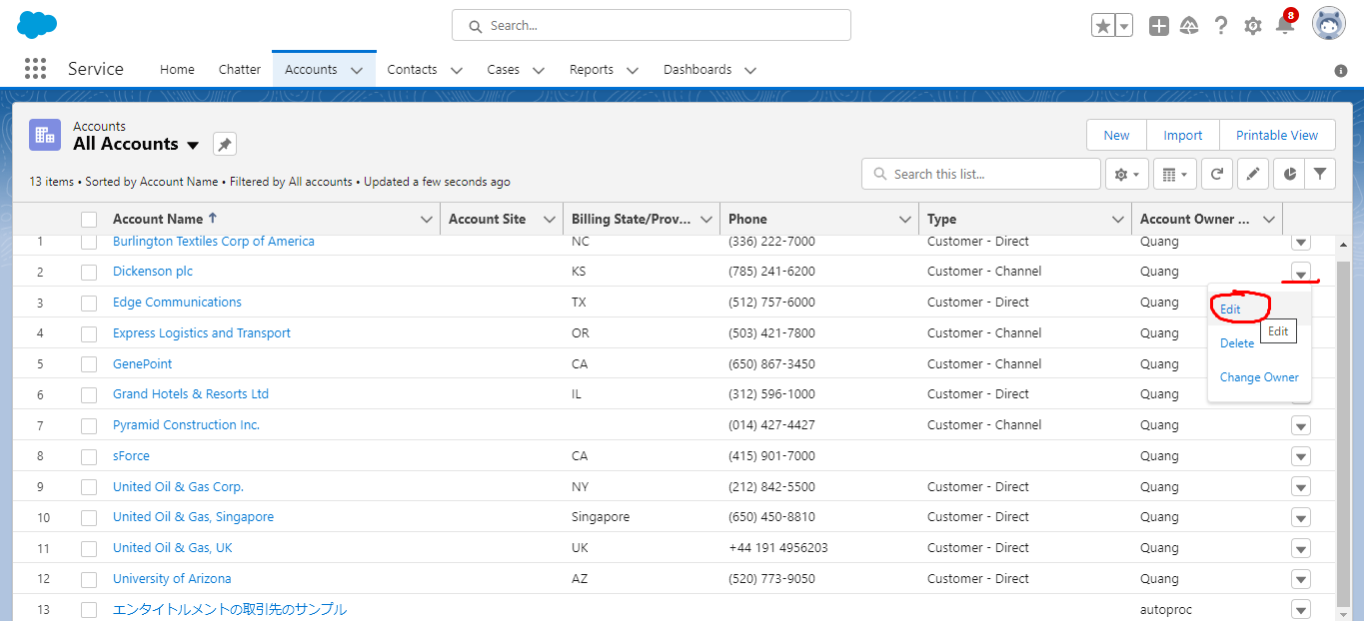

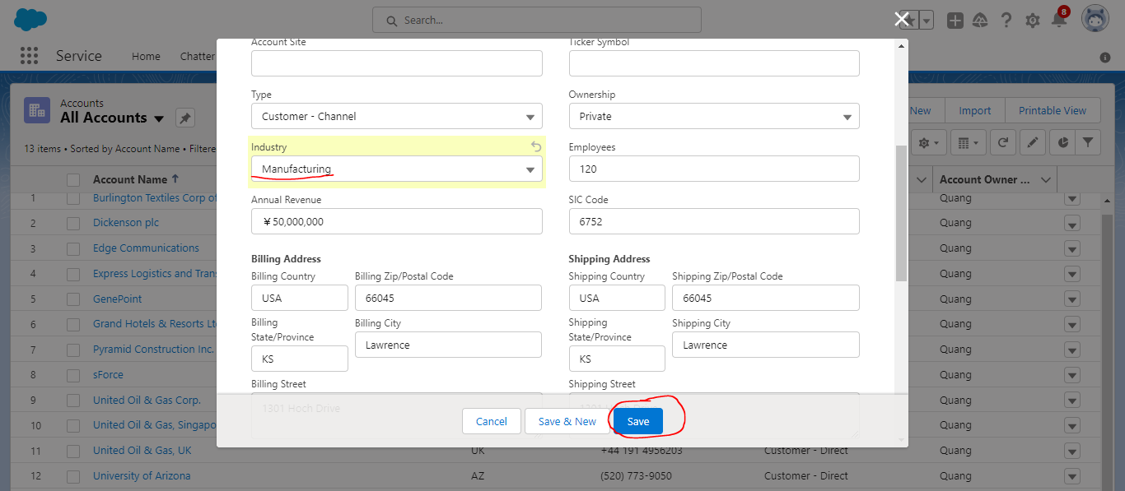

Submit
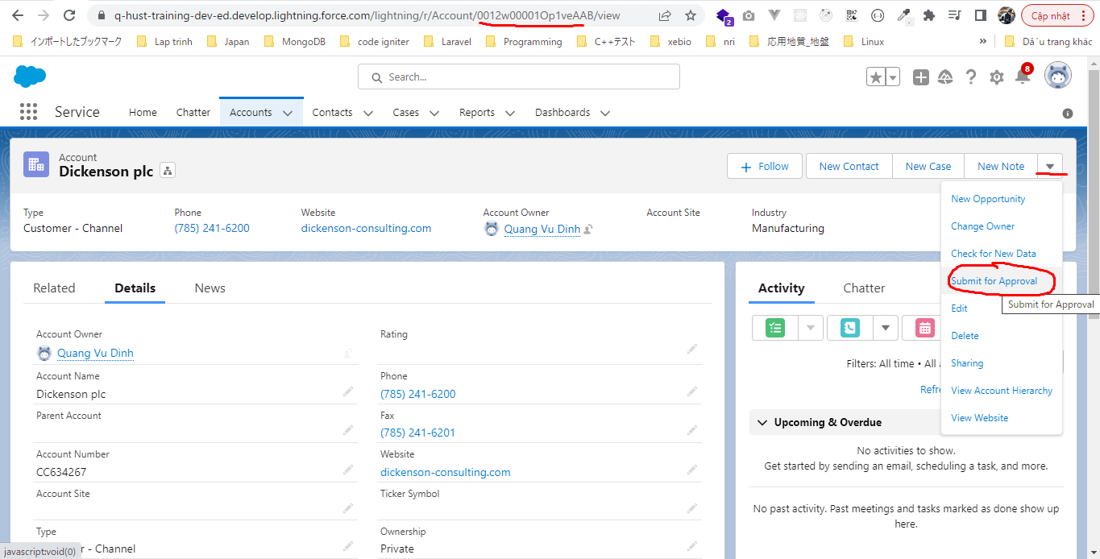

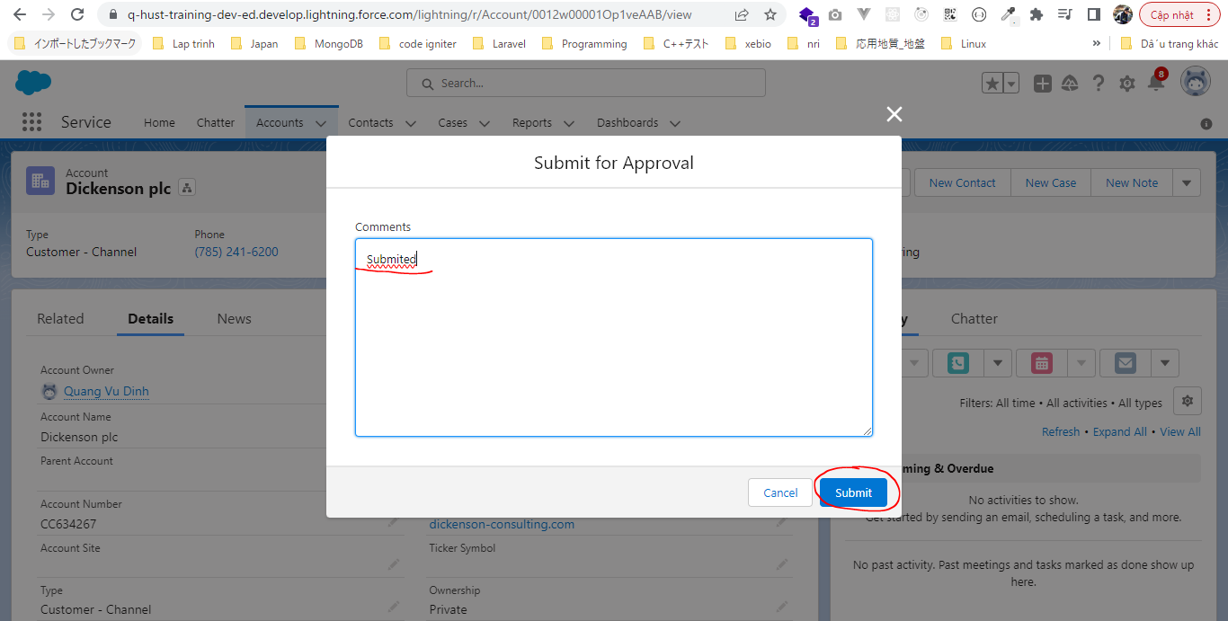

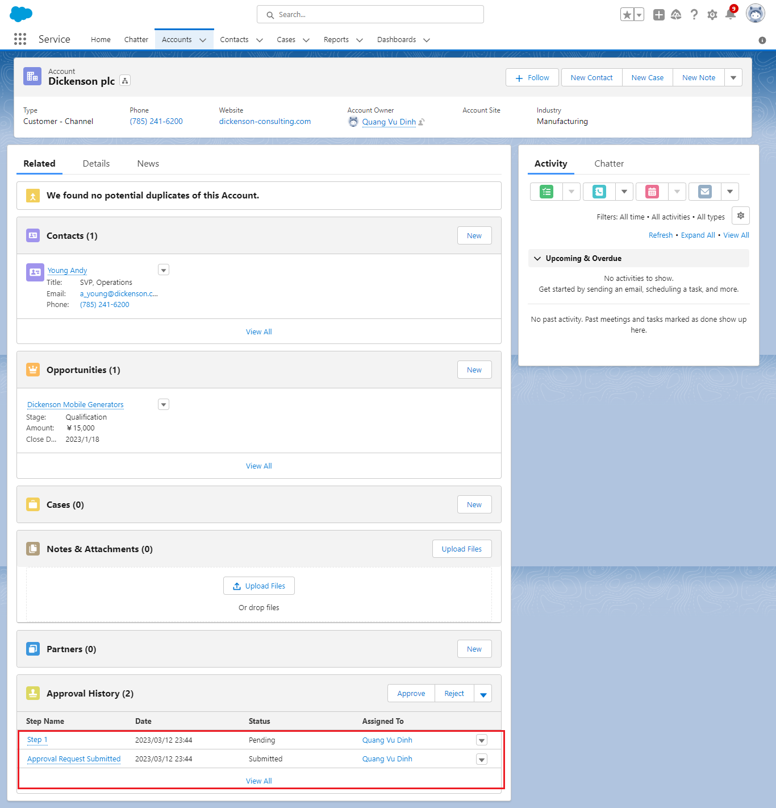

 | ProcessInstance object still have not data
 | SELECT Id, TargetObjectId, Status, CompletedDate, SubmittedById, CreatedDate, CreatedById, LastActorId, ProcessDefinitionId FROM ProcessInstance

 | SELECT Id, Username, LastName, FirstName, Name, Special_Approver__c FROM User

 | SELECT Id, Name, DeveloperName, Type, Description, State, CreatedDate, LockType, CreatedById FROM ProcessDefinition

 | SELECT CompletedDate, CreatedById, CreatedDate,Id,IsDeleted,LastActorId,
 | LastModifiedById,LastModifiedDate,ProcessDefinitionId,Status,SubmittedById
 | ,SystemModstamp,TargetObjectId, (SELECT ID, ProcessNodeId, StepStatus,
 | Comments,TargetObjectId,ActorId,CreatedById,IsDeleted,IsPending,
 | OriginalActorId,ProcessInstanceId,RemindersSent,CreatedDate
 | FROM StepsAndWorkitems ) FROM ProcessInstance

 |  | CompletedDate |  |  | CreatedById | Id |  |  | LastActorId | LastModifiedById | ProcessDefinitionId | Status | SubmittedById | TargetObjectId
 |  |  |  |  | 0052w00000Ep5t1AAB | 04g2w000003QBOmAAO |  |  |  | 0052w00000Ep5t1AAB | 04a2w0000009hKqAAI | Pending | 0052w00000Ep5t1AAB | 0012w00001Op1veAAB

 |  | StepsAndWorkitems
 |  | [
 |  | {
 |  | "Id":"04h2w0000059QhOAAU",
 |  | "ProcessNodeId":null,
 |  | "StepStatus":"Started",
 |  | "Comments":"Submited",
 |  | "TargetObjectId":"0012w00001Op1veAAB",
 |  | "ActorId":"0052w00000Ep5t1AAB",
 |  | "CreatedById":"0052w00000Ep5t1AAB",
 |  | "IsDeleted":false,
 |  | "IsPending":false,
 |  | "OriginalActorId":"0052w00000Ep5t1AAB",
 |  | "ProcessInstanceId":"04g2w000003QBOmAAO",
 |  | "RemindersSent":0,
 |  | "CreatedDate":"2023-03-12T14:44:32.000+0000"
 |  | },
 |  | {
 |  | "Id":"04i2w000003m2w0AAA",
 |  | "ProcessNodeId":"04b2w0000009TkeAAE",
 |  | "StepStatus":"Pending",
 |  | "Comments":null,
 |  | "TargetObjectId":"0012w00001Op1veAAB",
 |  | "ActorId":"0052w00000Ep5t1AAB",
 |  | "CreatedById":"0052w00000Ep5t1AAB",
 |  | "IsDeleted":false,
 |  | "IsPending":"true",
 |  | "OriginalActorId":"0052w00000Ep5t1AAB",
 |  | "ProcessInstanceId":"04g2w000003QBOmAAO",
 |  | "RemindersSent":0,
 |  | "CreatedDate":"2023-03-12T14:44:32.000+0000"
 |  | }
 |  | ]

 | SELECT Id,Name, ProcessDefinitionId FROM ProcessNode
 | WHERE ProcessDefinitionId IN (SELECT ProcessDefinitionID FROM ProcessInstance
 | WHERE TargetObjectId = '0012w00001Op1veAAB')

Approve
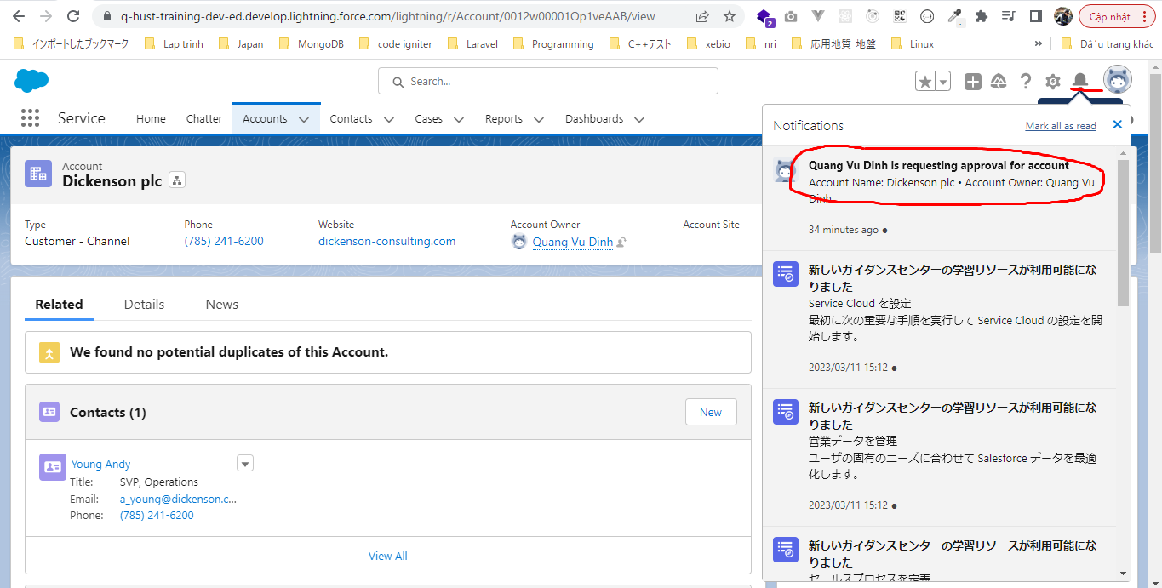

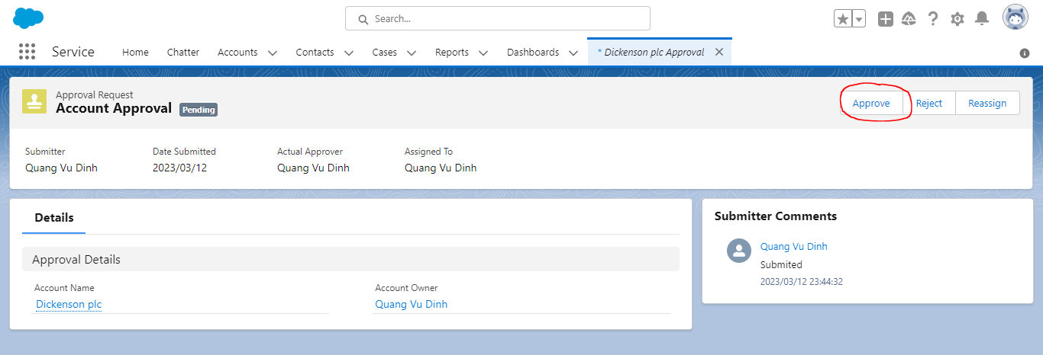

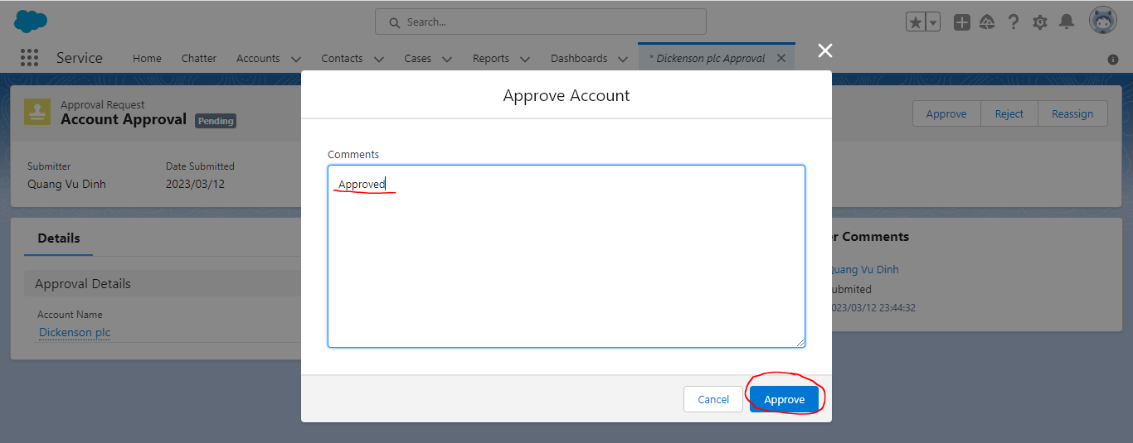

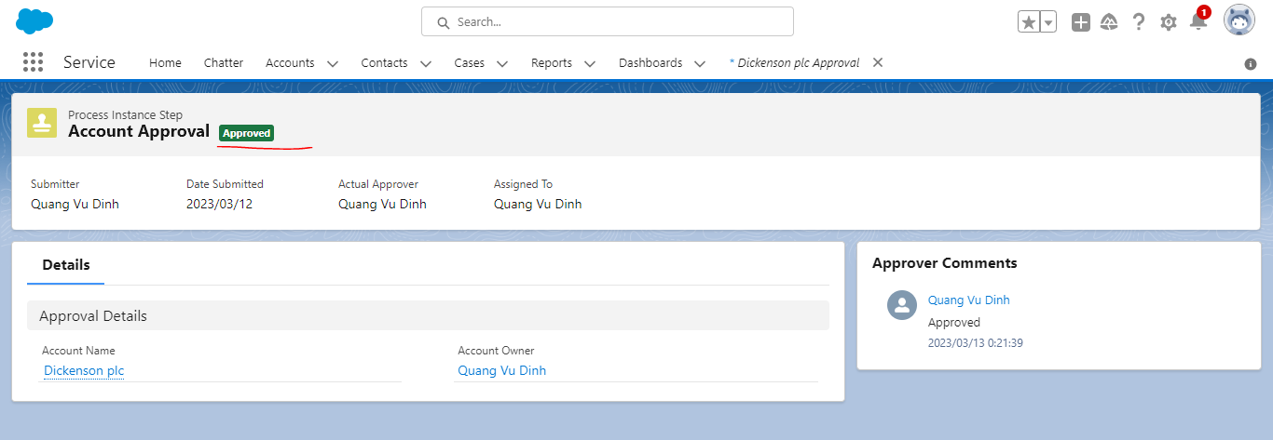

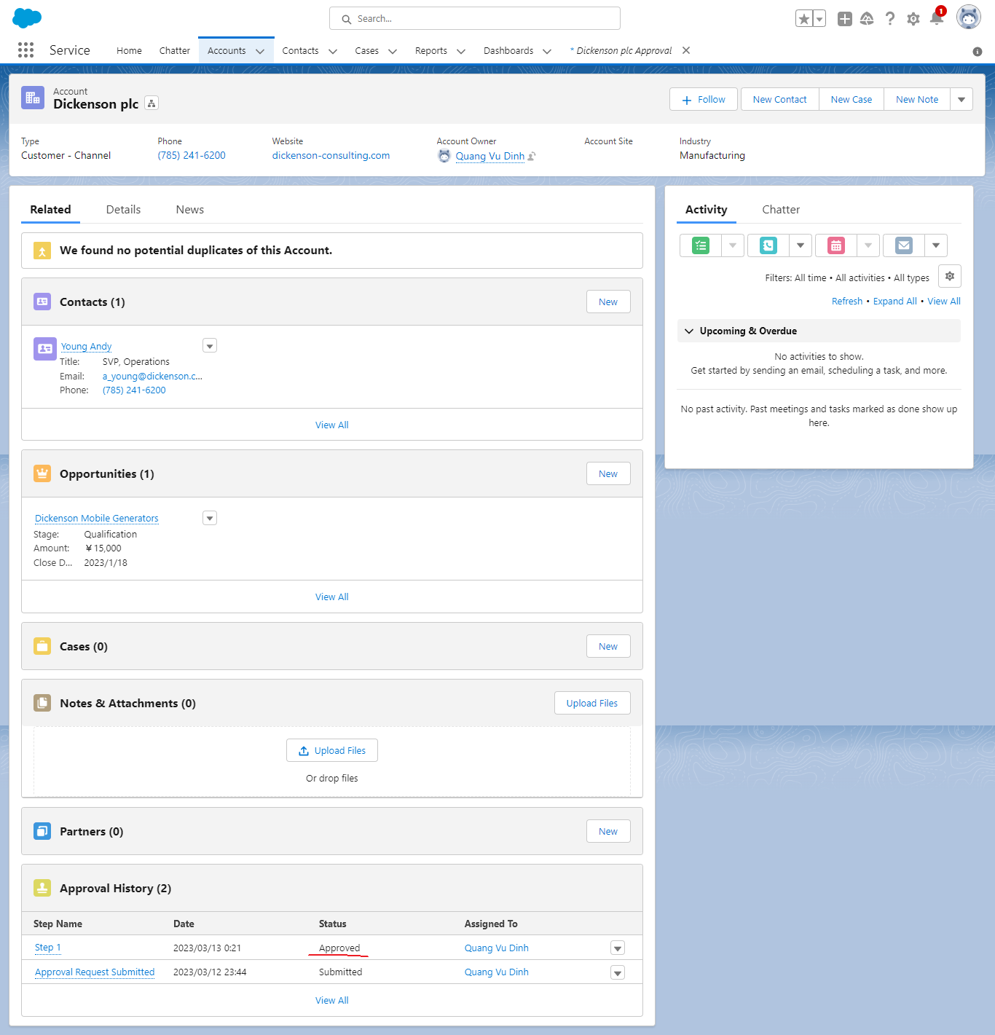

 | SELECT Id, TargetObjectId, Status, CompletedDate, SubmittedById, CreatedDate, CreatedById, LastActorId, ProcessDefinitionId FROM ProcessInstance

 | SELECT CompletedDate, CreatedById, CreatedDate,Id,IsDeleted,LastActorId,
 | LastModifiedById,LastModifiedDate,ProcessDefinitionId,Status,SubmittedById
 | ,SystemModstamp,TargetObjectId, (SELECT ID, ProcessNodeId, StepStatus,
 | Comments,TargetObjectId,ActorId,CreatedById,IsDeleted,IsPending,
 | OriginalActorId,ProcessInstanceId,RemindersSent,CreatedDate
 | FROM StepsAndWorkitems ) FROM ProcessInstance

 |  | CompletedDate |  |  | CreatedById | Id |  |  | LastActorId | LastModifiedById | ProcessDefinitionId | Status | SubmittedById | TargetObjectId
 |  | 2023-03-12T15:21:39.000+0000 |  |  | 0052w00000Ep5t1AAB | 04g2w000003QBOmAAO |  |  | 0052w00000Ep5t1AAB | 0052w00000Ep5t1AAB | 04a2w0000009hKqAAI | Approved | 0052w00000Ep5t1AAB | 0012w00001Op1veAAB

 |  | ProcessInstance
 |  | [
 |  | {
 |  | "Id":"04h2w0000059QhOAAU",
 |  | "ProcessNodeId":null,
 |  | "StepStatus":"Started",
 |  | "Comments":"Submited",
 |  | "TargetObjectId":"0012w00001Op1veAAB",
 |  | "ActorId":"0052w00000Ep5t1AAB",
 |  | "CreatedById":"0052w00000Ep5t1AAB",
 |  | "IsDeleted":false,
 |  | "IsPending":false,
 |  | "OriginalActorId":"0052w00000Ep5t1AAB",
 |  | "ProcessInstanceId":"04g2w000003QBOmAAO",
 |  | "RemindersSent":0,
 |  | "CreatedDate":"2023-03-12T14:44:32.000+0000"
 |  | },
 |  | {
 |  | "Id":"04h2w0000059QhxAAE",
 |  | "ProcessNodeId":"04b2w0000009TkeAAE",
 |  | "StepStatus":"Approved",
 |  | "Comments":"Approved",
 |  | "TargetObjectId":"0012w00001Op1veAAB",
 |  | "ActorId":"0052w00000Ep5t1AAB",
 |  | "CreatedById":"0052w00000Ep5t1AAB",
 |  | "IsDeleted":false,
 |  | "IsPending":false,
 |  | "OriginalActorId":"0052w00000Ep5t1AAB",
 |  | "ProcessInstanceId":"04g2w000003QBOmAAO",
 |  | "RemindersSent":0,
 |  | "CreatedDate":"2023-03-12T15:21:39.000+0000"
 |  | }
 |  | ]

 | SELECT Id,Name, ProcessDefinitionId FROM ProcessNode
 | WHERE ProcessDefinitionId IN (SELECT ProcessDefinitionID FROM ProcessInstance
 | WHERE TargetObjectId = '0012w00001Op1veAAB')

 | Submit
 | SELECT Id, TargetObjectId, Status, CompletedDate, SubmittedById, CreatedDate, CreatedById, LastActorId, ProcessDefinitionId FROM ProcessInstance

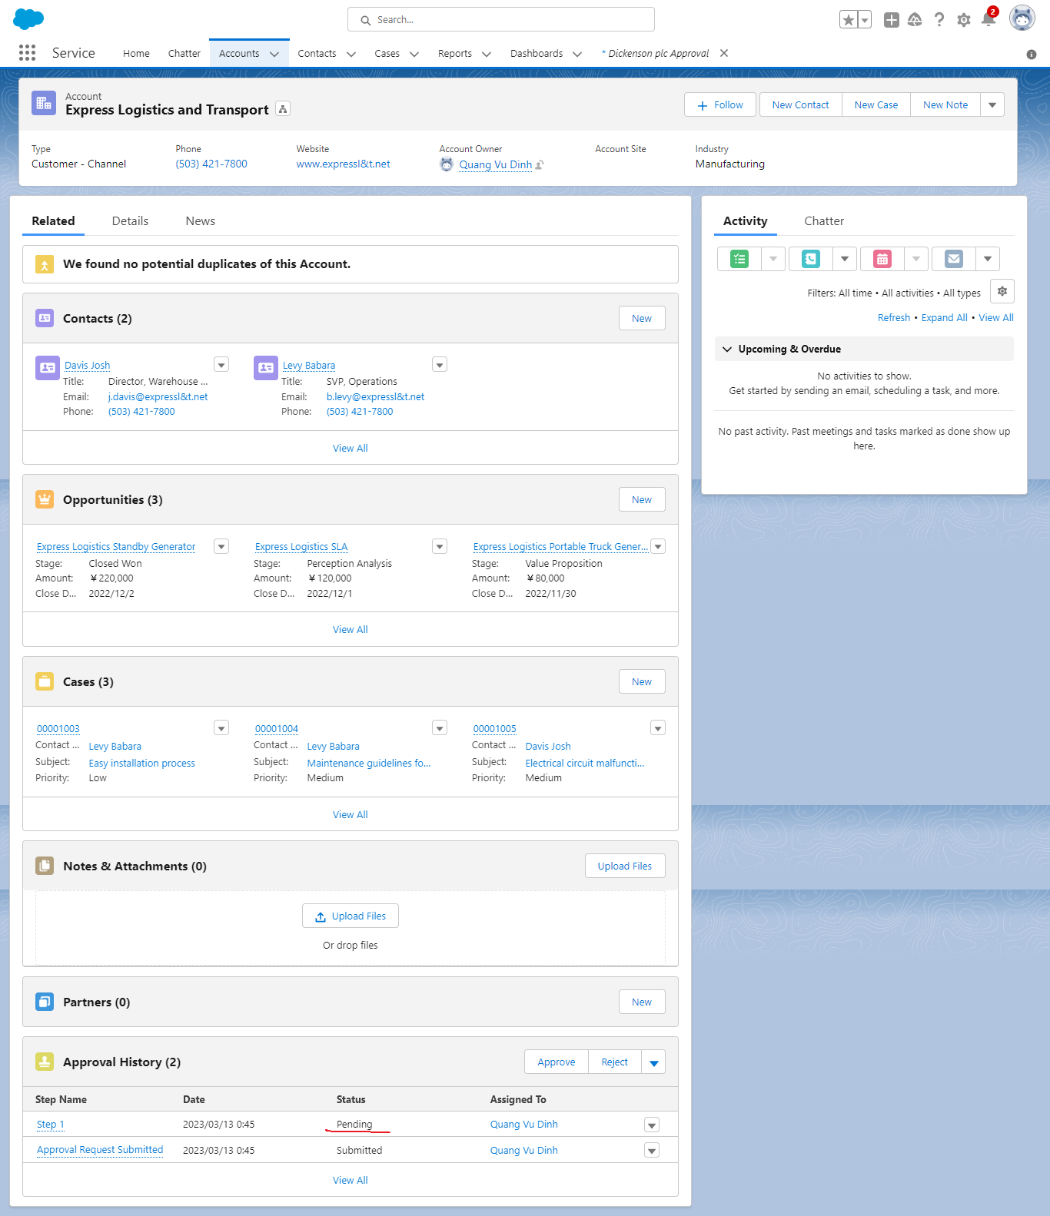

salesforce-trailhead\2.training\2.Manipulating-approval-processes-in-Apex\ApprovalProcessRecipes.apxc

 | public with sharing class ApprovalProcessRecipes {
 | public Approval.ProcessResult startApprovalProcess(Id recordId, String approvalProcessName, Id userId) {

 | // Create an approval request for the account
 | Approval.ProcessSubmitRequest processSubmitRequest = new Approval.ProcessSubmitRequest();
 | processSubmitRequest.setObjectId(recordId);
 | processSubmitRequest.setComments('Submitted for approval by apex code');
 | // Submit the record to specific process
 | processSubmitRequest.setProcessDefinitionNameOrId(approvalProcessName);
 | // Submit on behalf of a specific submitter
 | processSubmitRequest.setSubmitterId(userId);
 | // skip the criteria evaluation
 | processSubmitRequest.setSkipEntryCriteria(true);

 | // Submit the approval request for the account
 | return Approval.process(processSubmitRequest);
 | }

 | /**
 | * @description
 | * Starts a given approval process for the specified record, assuming the submitting user is the apex
 | * execution context user
 | * @param recordId the record to approve
 | * @param approvalProcessName the approval process to use
 | */

 | public Approval.ProcessResult startApprovalProcess(Id recordId, String approvalProcessName) {
 | Id userId = userInfo.getUserId();

 | return startApprovalProcess(recordId, approvalProcessName, userId);
 | }

 | public Approval.ProcessResult approveNextRecordStep(List<ProcessInstanceWorkitem> workItems) {
 | // ProcessInstanceWorkitem activeWorkItemId = workItems[0];

 | // Instantiate the new ProcessWorkitemRequest object and populate it
 | Approval.ProcessWorkitemRequest approveStep = new Approval.ProcessWorkitemRequest();
 | approveStep.setComments('Approving this step via APEX code');
 | approveStep.setAction('Approve');
 | approveStep.setNextApproverIds(new Id[] {UserInfo.getUserId()});

 | // Use the ID from the newly created item to specify the item to be worked
 | approveStep.setWorkitemId(workItems[0].Id);

 | // Submit the request for approval
 | return Approval.process(approveStep);
 | }
 | }

salesforce-trailhead\2.training\2.Manipulating-approval-processes-in-Apex\ApprovalProcessRecipes_Tests.apxc

 | @isTest
 | public with sharing class ApprovalProcessRecipes_Tests {

 | static String approvalProcessName = [SELECT Name FROM ProcessDefinition WHERE Name = 'My Test Process' LIMIT 1][0].Name;

 | @isTest
 | static void testSubmitAccountToApprovalProcessPositive() {
 | // Create account
 | Account acct = new Account(name = 'TestAccount', Industry = 'Not Manufacturing');
 | insert acct;

 | ApprovalProcessRecipes apr = new ApprovalProcessRecipes();
 | Approval.ProcessResult processResult = apr.startApprovalProcess(acct.Id, approvalProcessName);
 | System.assert(processResult.isSuccess(), 'expected to recieve true');
 | //Valid values are: Approved, Rejected, Removed or Pending.
 | System.assertEquals('Pending', processResult.getInstanceStatus());

 | }

 | @isTest
 | static void testSubmitAccountToApprovalProcessPositiveSetUserId() {
 | // Create user
 | User notAdmin = new User(
 | ProfileId = [SELECT Id FROM Profile WHERE Name = 'Standard User'].Id,
 | LastName = 'last',
 | Email = 'puser000@amamama.com',
 | Username = 'puser000@amamama.com' + System.currentTimeMillis(),
 | CompanyName = 'TEST',
 | Title = 'title',
 | Alias = 'alias',
 | TimeZoneSidKey = 'America/Los_Angeles',
 | EmailEncodingKey = 'UTF-8',
 | LanguageLocaleKey = 'en_US',
 | LocaleSidKey = 'en_US'
 | );

 | insert(notAdmin);

 | ApprovalProcessRecipes apr = new ApprovalProcessRecipes();
 | Approval.ProcessResult result = null;
 | System.runAs(notAdmin) {
 | // Create account
 | Account acct = new Account(name = 'TestAccount', Industry = 'Not Manufacturing');
 | insert acct;
 | // test.startTest();
 | result = apr.startApprovalProcess(acct.Id, approvalProcessName, notAdmin.Id);
 | // test.stopTest();
 | }

 | System.assert(result.isSuccess(), 'expected to true');
 | // check the approval process to see who the approver is
 | ProcessInstanceStep step = [
 | SELECT FIELDS(standard)
 | FROM ProcessInstanceStep
 | WHERE
 | StepStatus = 'Started'
 | AND Comments = 'Submitted for approval by apex code'
 | LIMIT 1
 | ];

 | System.assertNotEquals(step.ActorId, step.OriginalActorId, 'expected to see that the actor is not the non-admin user');
 | }

 | @isTest
 | static void testApproveNextRecordStep() {
 | // Create user
 | User notAdmin = new User(
 | ProfileId = [SELECT Id FROM Profile WHERE Name = 'Standard User'].Id,
 | LastName = 'last',
 | Email = 'puser000@amamama.com',
 | Username = 'puser000@amamama.com' + System.currentTimeMillis(),
 | CompanyName = 'TEST',
 | Title = 'title',
 | Alias = 'alias',
 | TimeZoneSidKey = 'America/Los_Angeles',
 | EmailEncodingKey = 'UTF-8',
 | LanguageLocaleKey = 'en_US',
 | LocaleSidKey = 'en_US'
 | );

 | insert(notAdmin);

 | ApprovalProcessRecipes apr = new ApprovalProcessRecipes();
 | Approval.ProcessResult result = null;
 | Id accId;
 | System.runAs(notAdmin) {
 | // Create account
 | Account acct = new Account(name = 'TestAccount', Industry = 'Not Manufacturing');
 | insert acct;
 | accId = acct.Id;
 | }

 | List<ProcessInstanceWorkitem> workItems = [
 | SELECT Id, ProcessInstanceId
 | FROM ProcessInstanceWorkitem
 | WHERE ProcessInstance.TargetObjectId = :accId
 | ];
 | result = apr.approveNextRecordStep(workItems);
 | System.assert(result.isSuccess(), 'expected to recieve true');
 | }
 | }

Run test

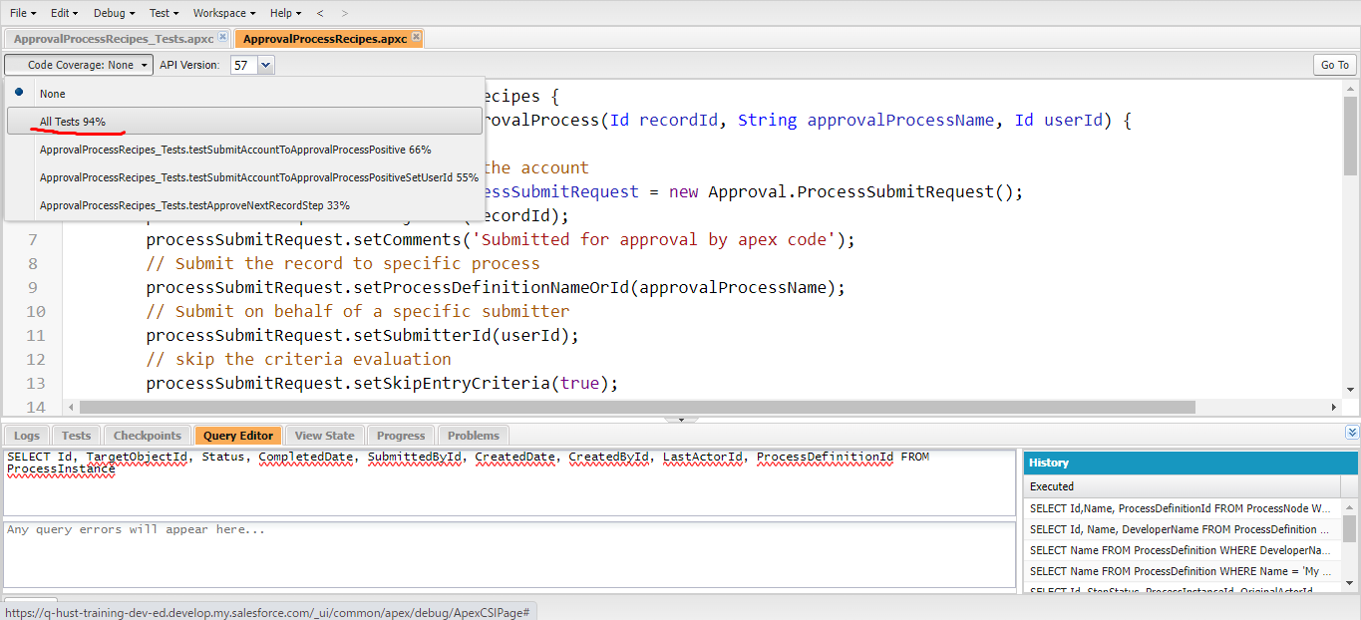

Test
Submit
 | salesforce-trailhead\2.training\2.Manipulating-approval-processes-in-Apex\console1.apxc
 | String approvalProcessName = [SELECT Name FROM ProcessDefinition WHERE Name = 'ApexApproval' LIMIT 1][0].Name;
 | // Create account
 | Account acct = new Account(name = 'TestAccount', Industry = 'Not Manufacturing');
 | insert acct;

 | ApprovalProcessRecipes apr = new ApprovalProcessRecipes();
 | Approval.ProcessResult processResult = apr.startApprovalProcess(acct.Id, approvalProcessName);

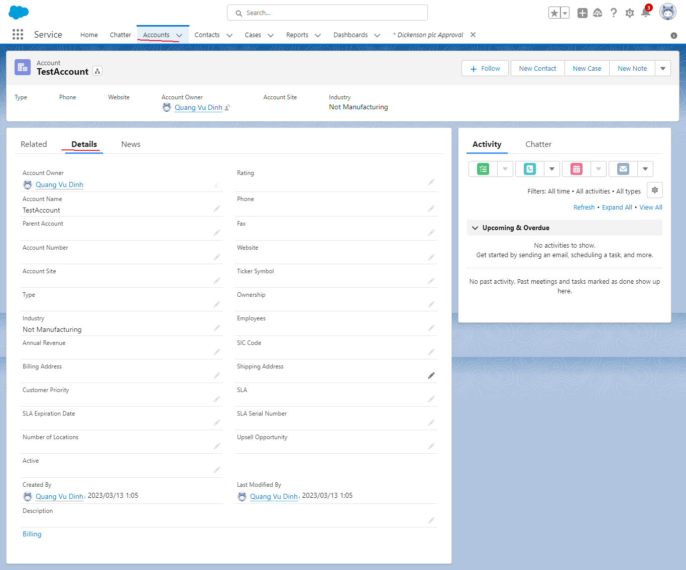

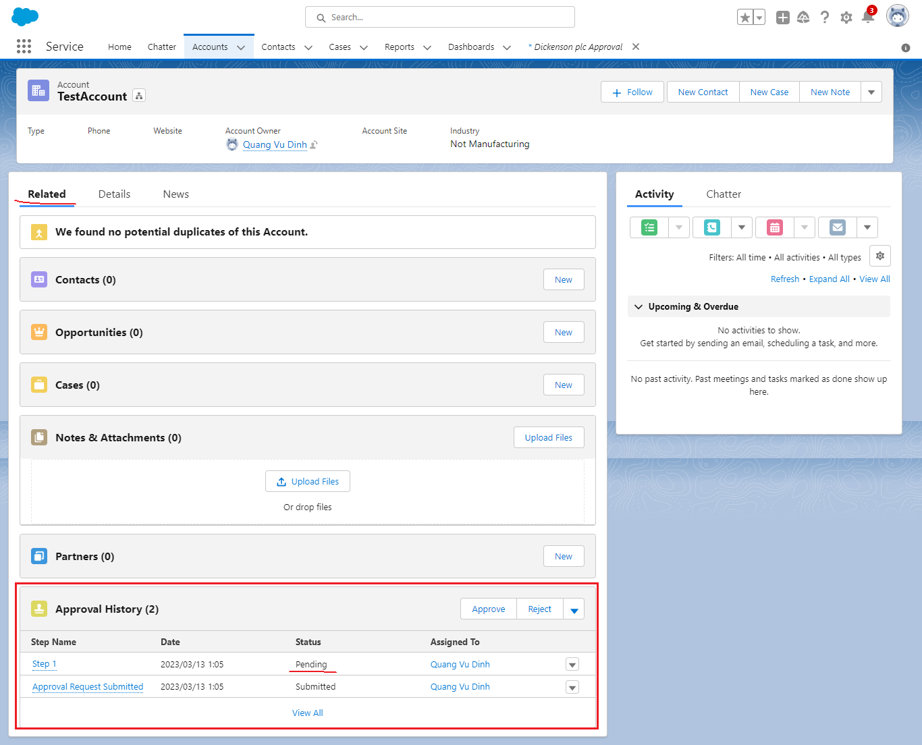

 | SELECT Id, TargetObjectId, Status, CompletedDate, SubmittedById, CreatedDate, CreatedById, LastActorId, ProcessDefinitionId FROM ProcessInstance

Approve
salesforce-trailhead\2.training\2.Manipulating-approval-processes-in-Apex\console2.apxc
 | List<ProcessInstanceWorkitem> workItems = [
 | SELECT Id, ProcessInstanceId
 | FROM ProcessInstanceWorkitem
 | WHERE ProcessInstance.TargetObjectId = '0012w00001OR8HOAA1'
 | ];
 | ApprovalProcessRecipes apr = new ApprovalProcessRecipes();
 | Approval.ProcessResult result = apr.approveNextRecordStep(workItems);

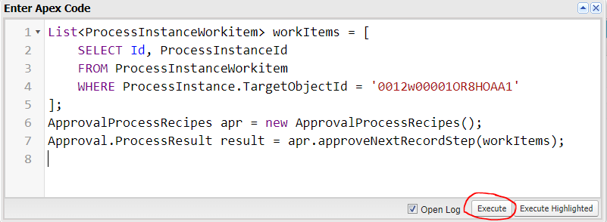

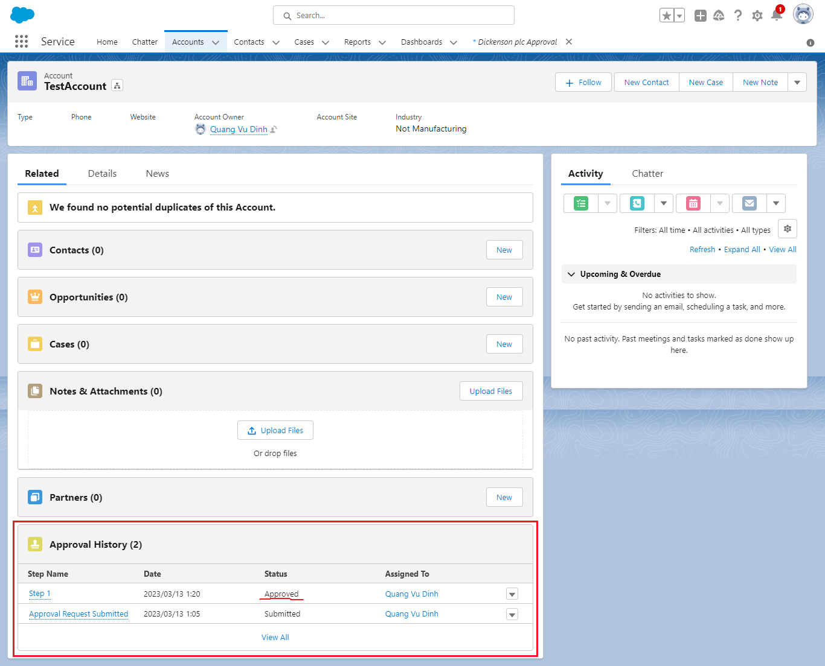

 | SELECT Id, TargetObjectId, Status, CompletedDate, SubmittedById, CreatedDate, CreatedById, LastActorId, ProcessDefinitionId FROM ProcessInstance

