Create And Edit Visualforce Pag
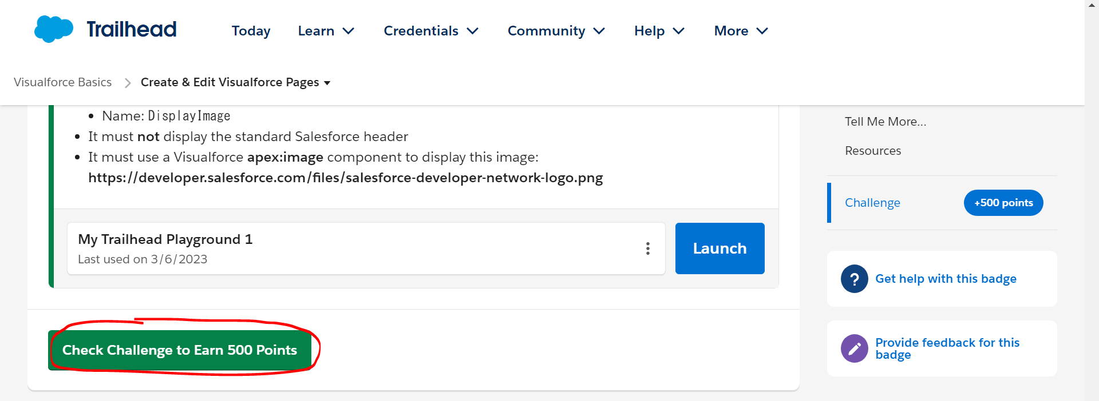
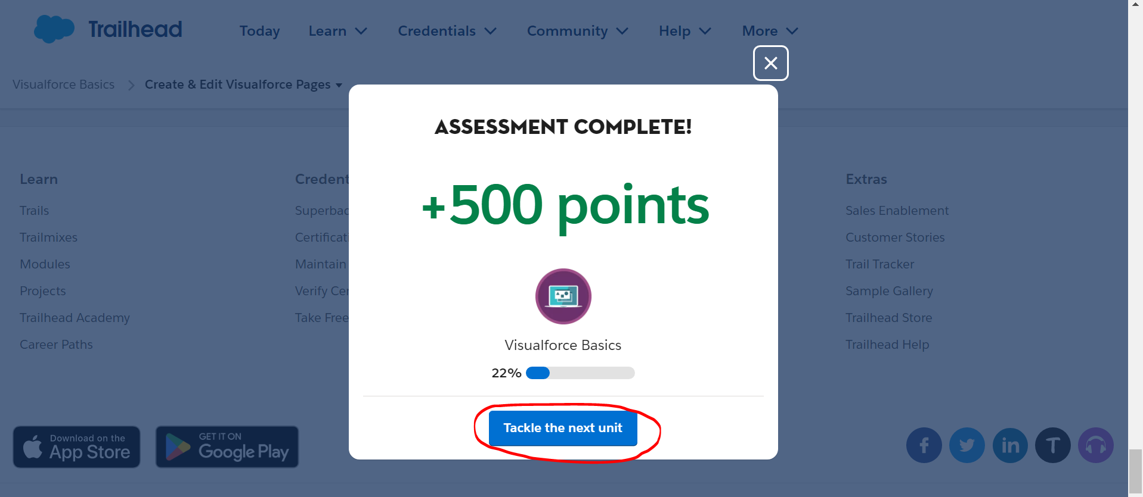
Create & Edit Visualforce Pages
https://trailhead.salesforce.com/content/learn/modules/visualforce_fundamentals/visualforce_creating_pages

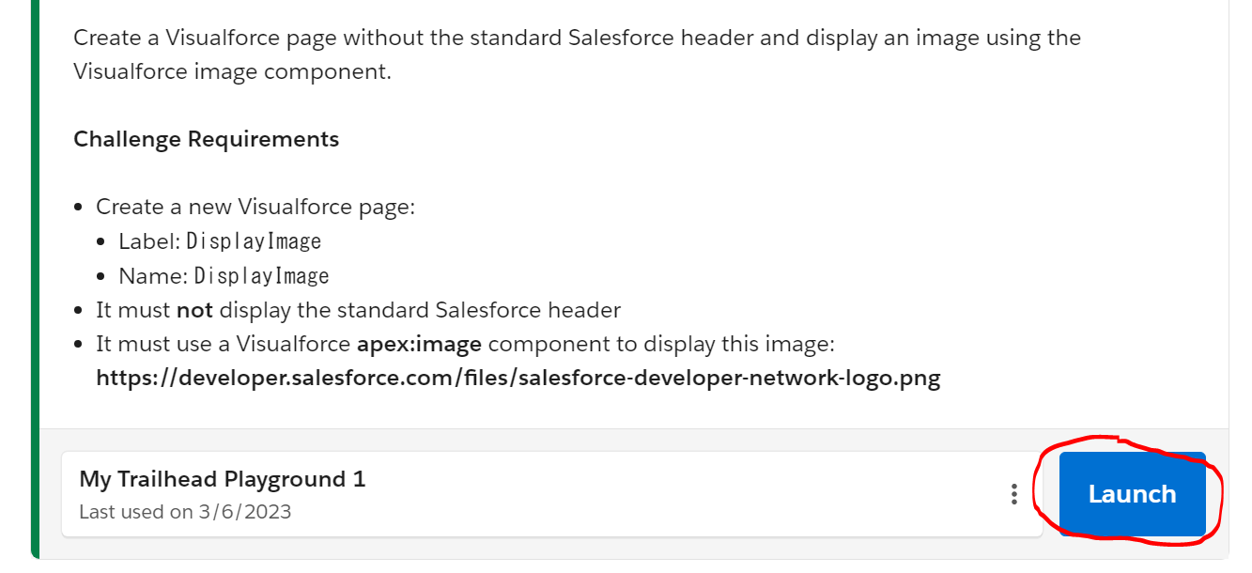

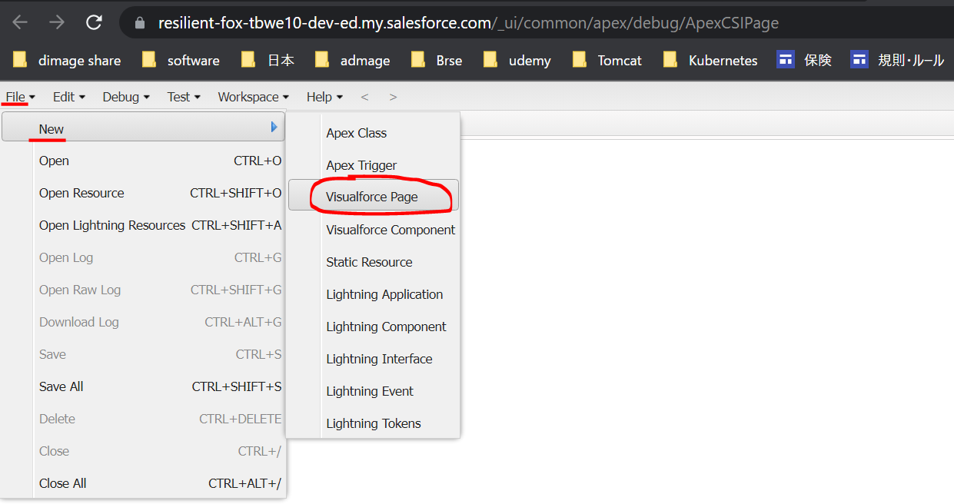

 | DisplayImage
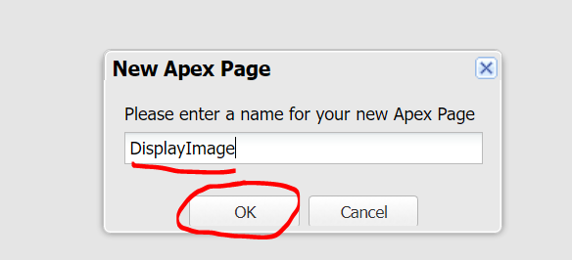

 |  | <apex:page sidebar="false" showHeader="false">
 |  | <apex:image url="https://developer.salesforce.com/files/salesforce-developer-network-logo.png" />
 |  | </apex:page>

UseSimpleVariablesAndFormulas
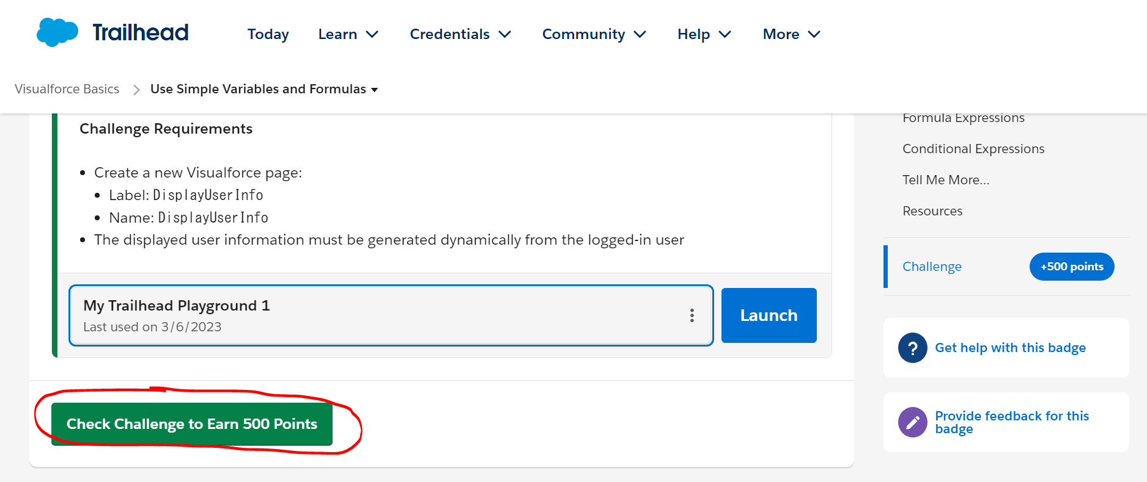
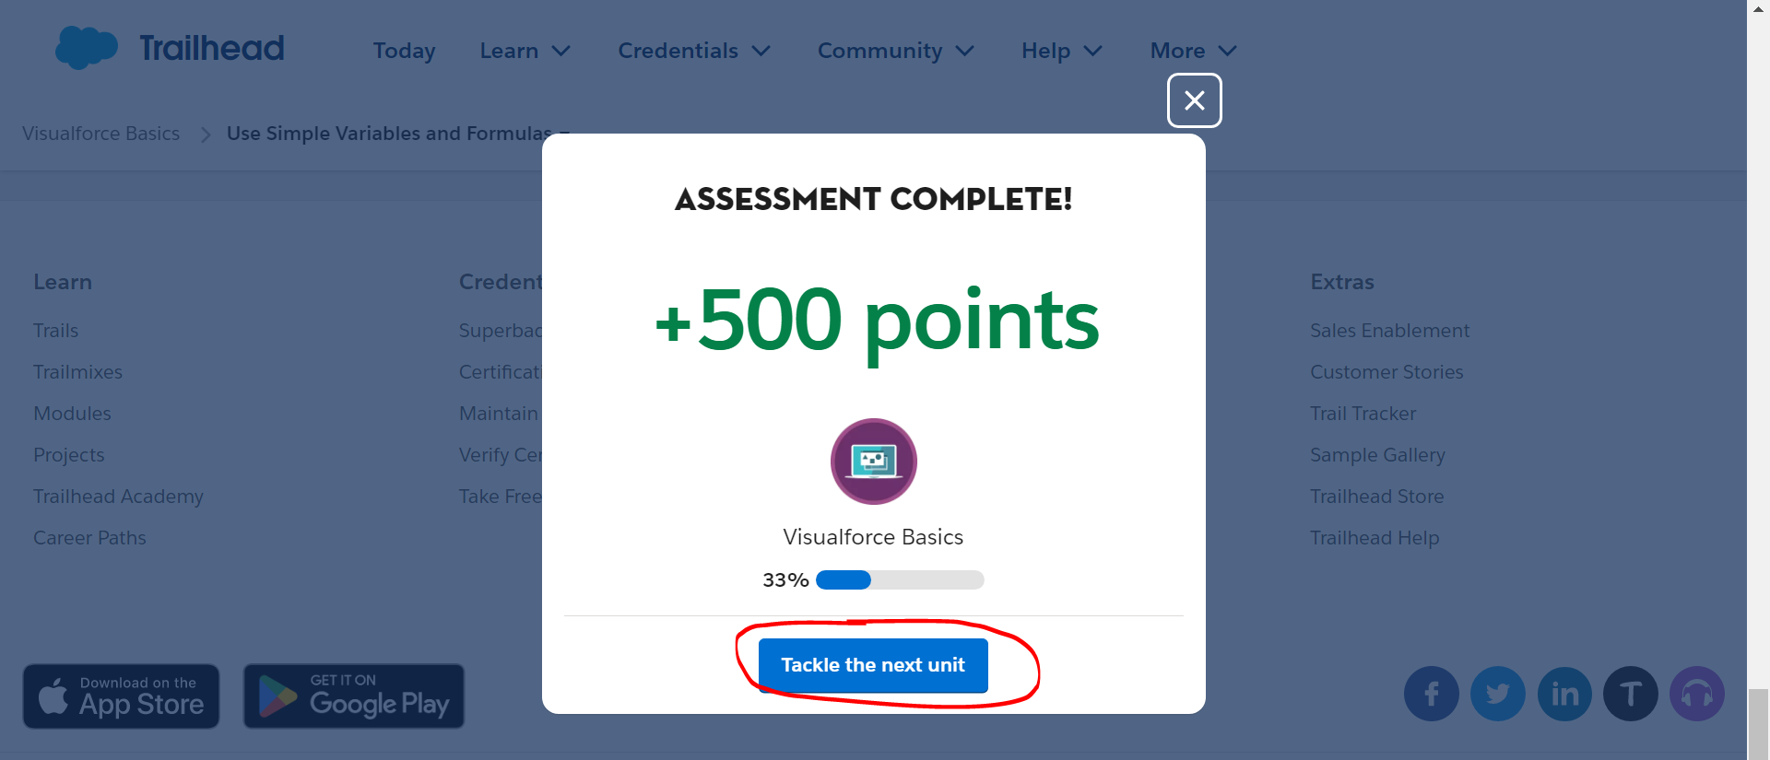
Use Simple Variables and Formulas
https://trailhead.salesforce.com/content/learn/modules/visualforce_fundamentals/visualforce_variables_expressions

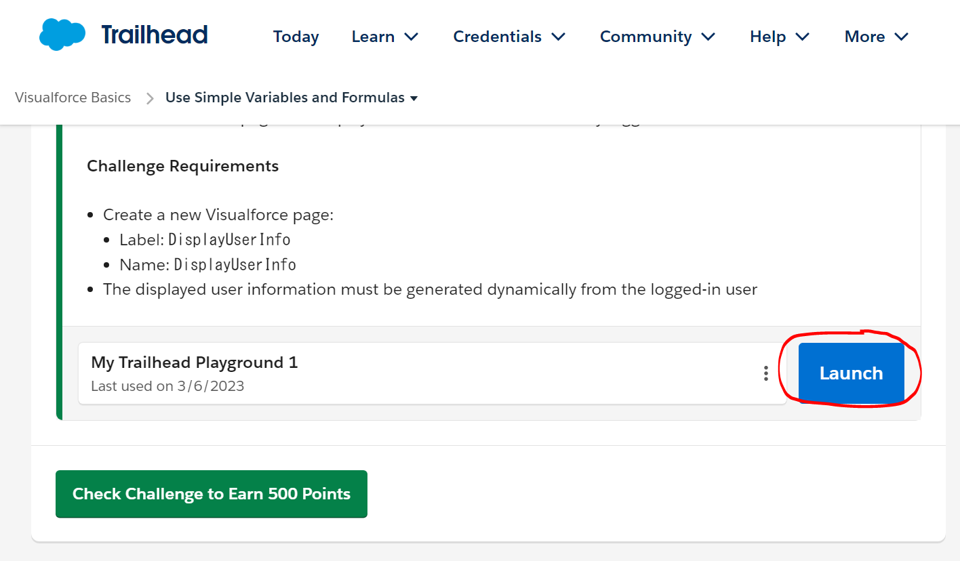

UserStatus
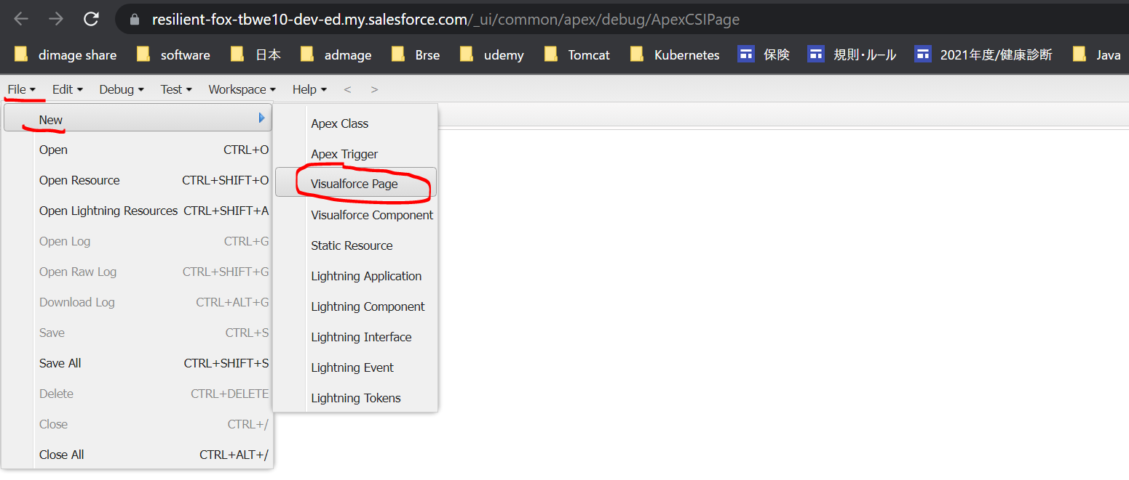

 | UserStatus
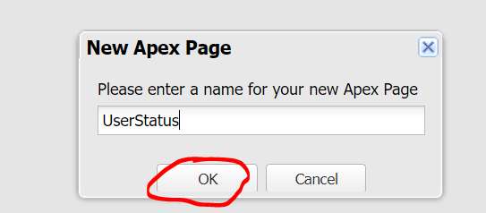

 |  | <apex:page>
 |  | <apex:pageBlock title="User Status">
 |  | <apex:pageBlockSection columns="1">
 |  | {! $User.FirstName } {! $User.LastName }
 |  | ({! $User.Username }) <br />
 |  | {! $User.FirstName & ' ' & $User.LastName }

 |  | <p> Today's Date is {! TODAY() } </p>
 |  | <p> Next week it will be {! TODAY() + 7 } </p>
 |  | <p>The year today is {! YEAR(TODAY()) }</p>
 |  | <p>Tomorrow will be day number {! DAY(TODAY() + 1) }</p>
 |  | <p>Let's find a maximum: {! MAX(1,2,3,4,5,6,5,4,3,2,1) } </p>
 |  | <p>The square root of 49 is {! SQRT(49) }</p>
 |  | <p>Is it true? {! CONTAINS('salesforce.com', 'force.com') }</p>

 |  | <p>{! IF( CONTAINS('salesforce.com','force.com'),
 |  | 'Yep', 'Nope') }</p>
 |  | <p>{! IF( DAY(TODAY()) < 15,
 |  | 'Before the 15th', 'The 15th or after') }</p>
 |  | </apex:pageBlockSection>
 |  | </apex:pageBlock>
 |  | </apex:page>

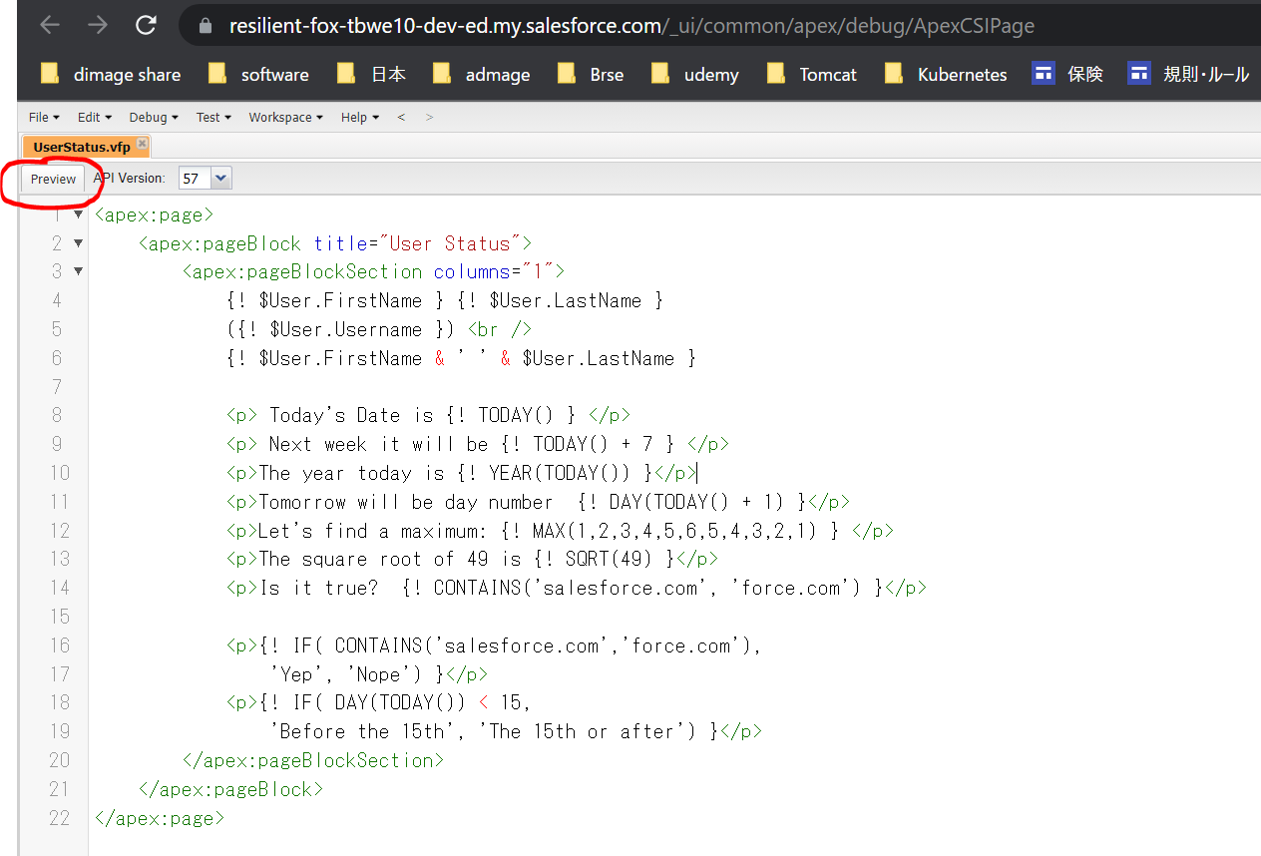

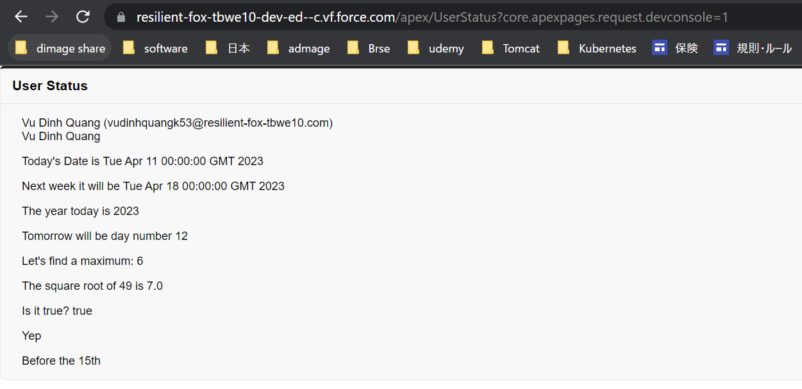

DisplayUserInfo
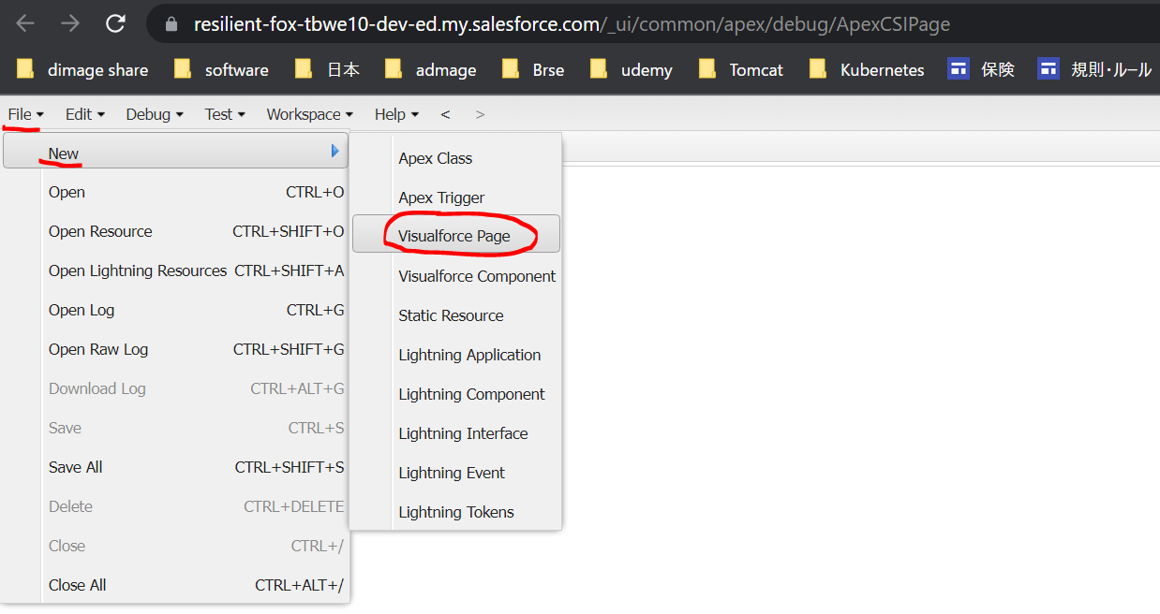

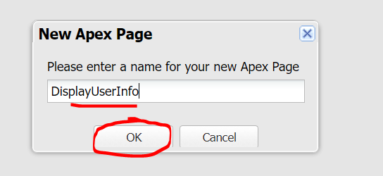

 |  | <apex:page >
 |  | {! $User.FirstName }
 |  | </apex:page>

Use Standard Controllers
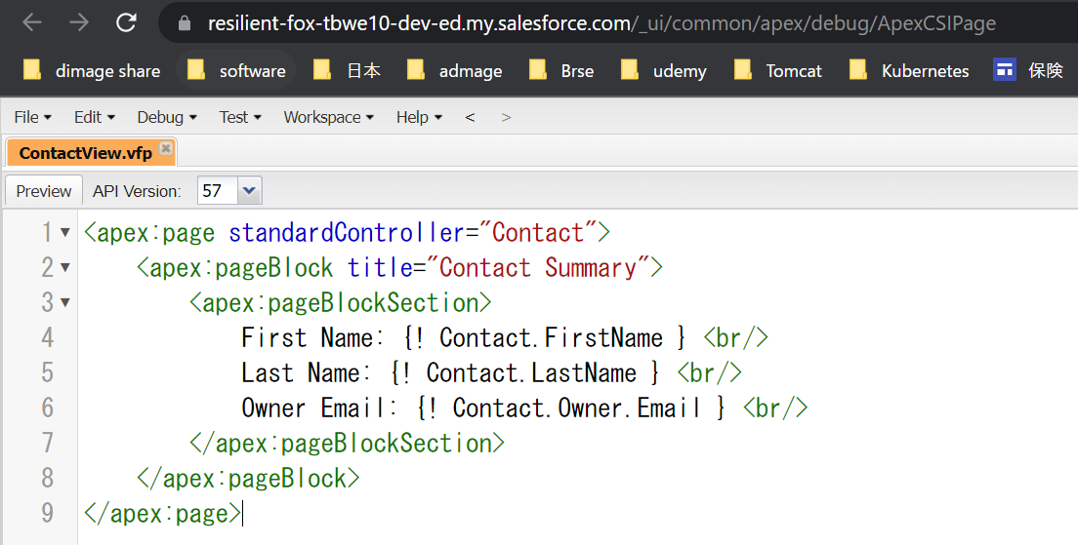
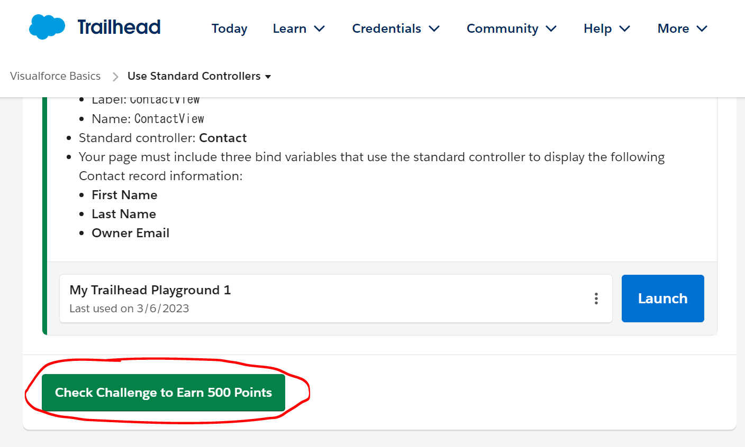
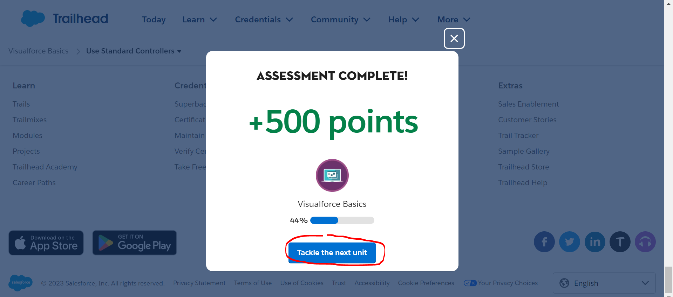
Use Standard Controllers
https://trailhead.salesforce.com/content/learn/modules/visualforce_fundamentals/visualforce_standard_controllers
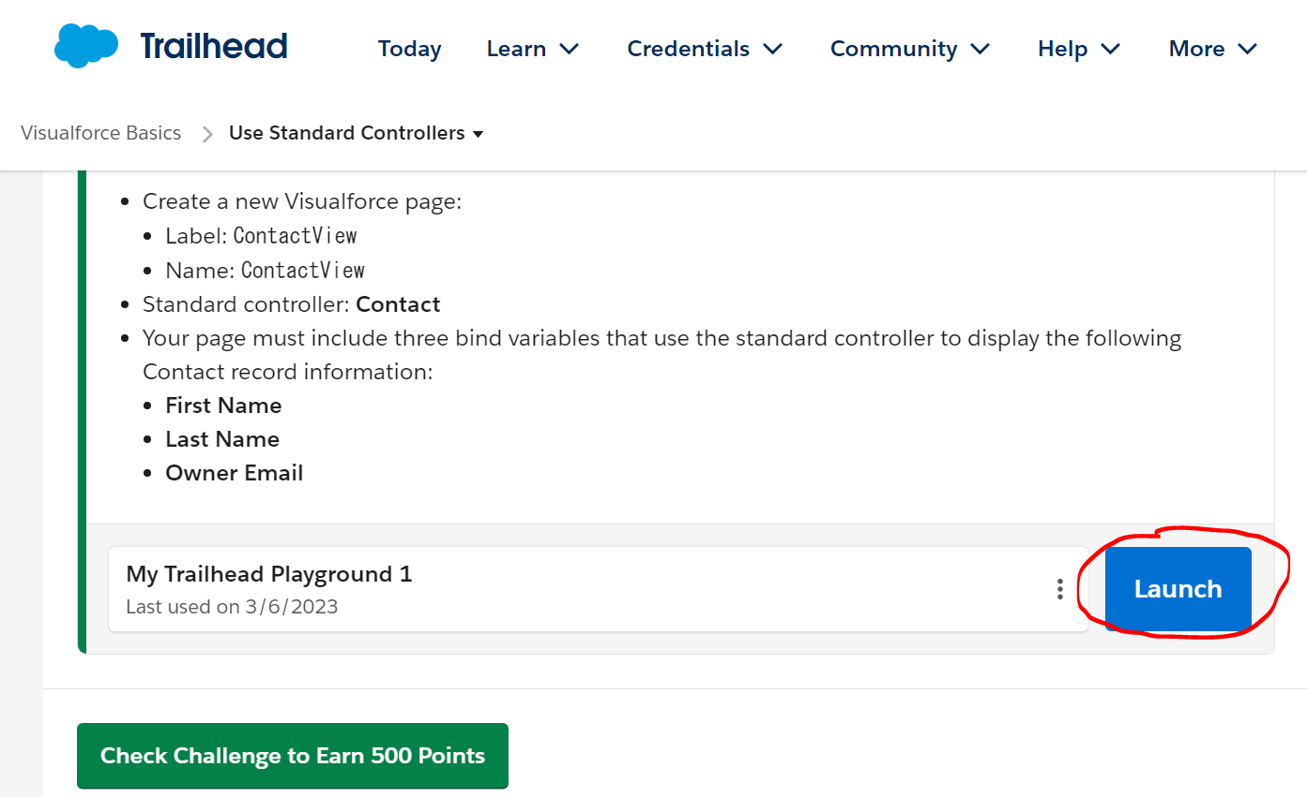

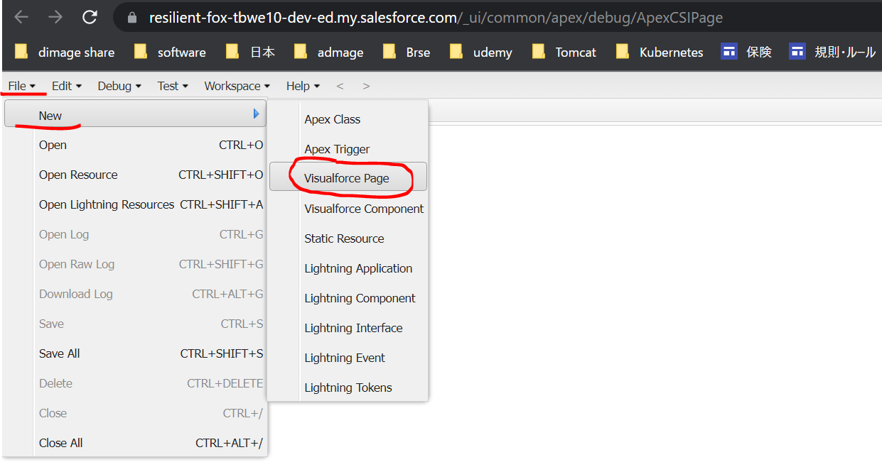

 | ContactView
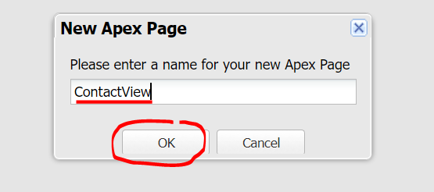

 | <apex:page standardController="Contact">
 | <apex:pageBlock title="Contact Summary">
 | <apex:pageBlockSection>
 | First Name: {! Contact.FirstName } <br/>
 | Last Name: {! Contact.LastName } <br/>
 | Owner Email: {! Contact.Owner.Email } <br/>
 | </apex:pageBlockSection>
 | </apex:pageBlock>
 | </apex:page>

DisplayRecordsFieldsAndTables
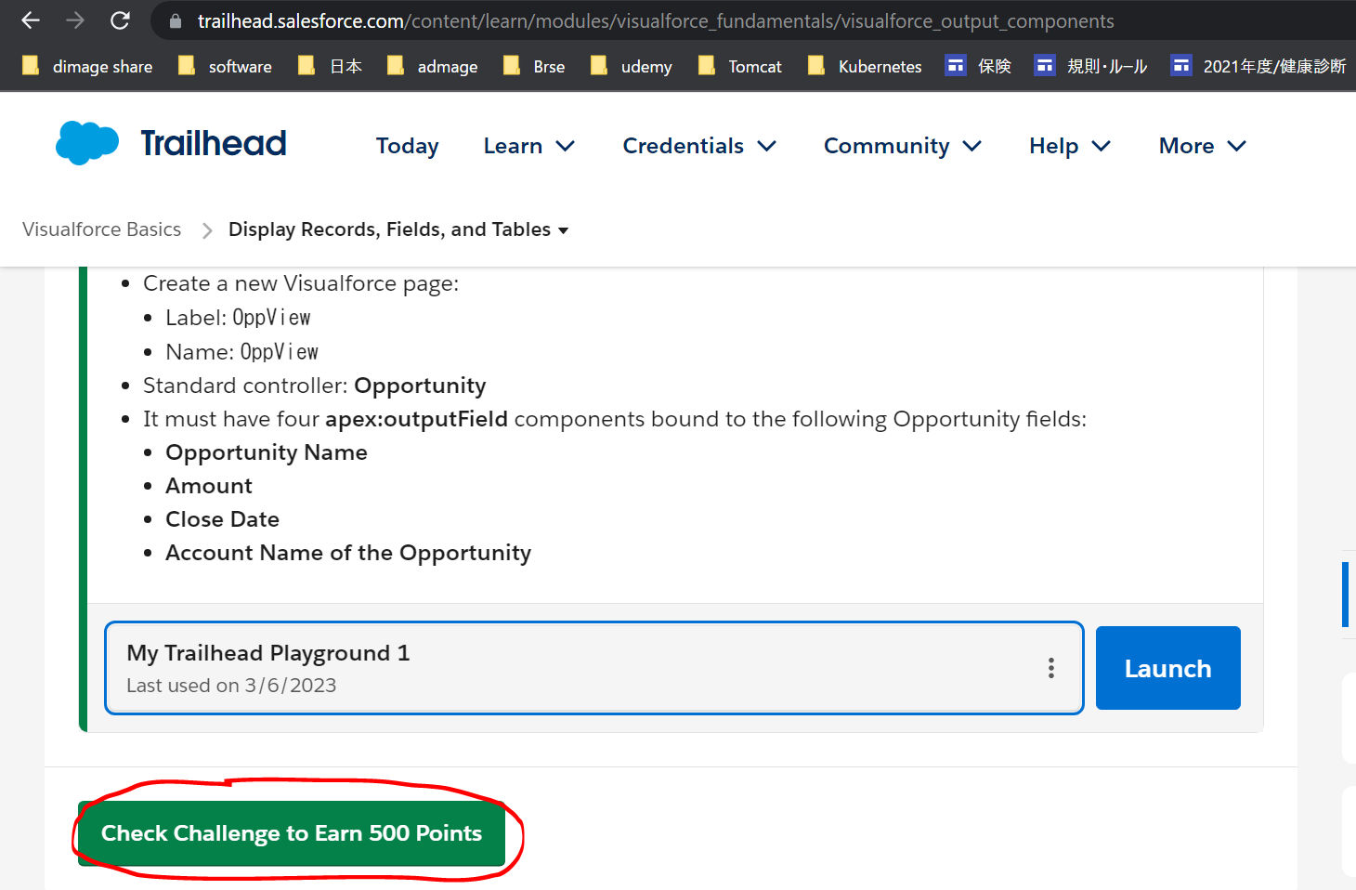
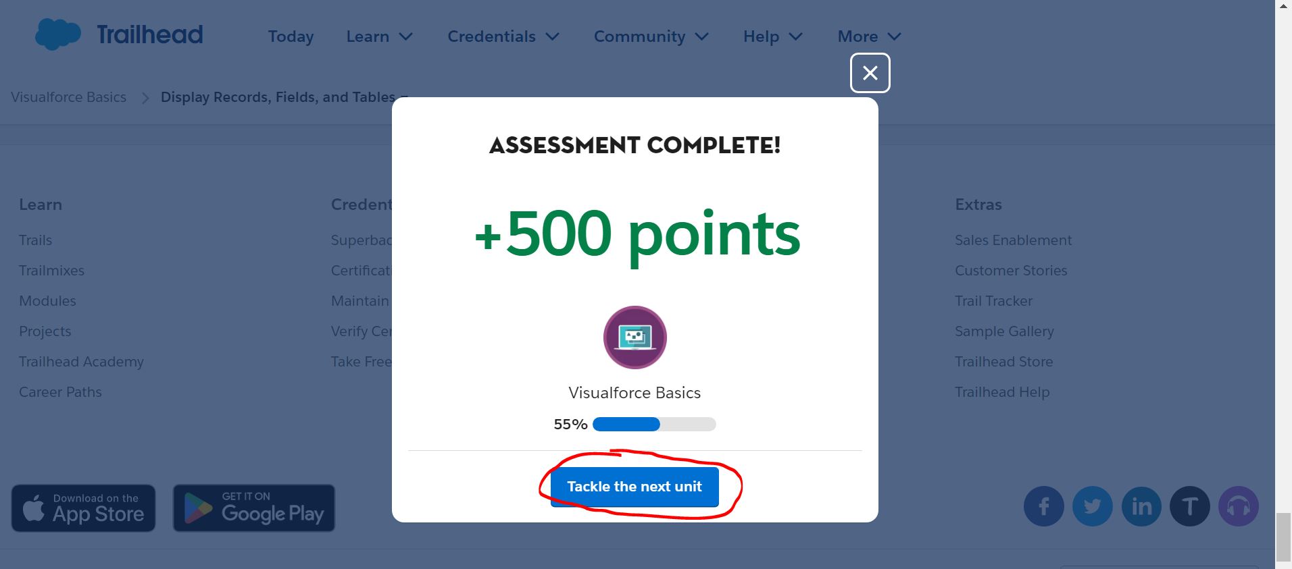
Display Records, Fields, and Tables
https://trailhead.salesforce.com/content/learn/modules/visualforce_fundamentals/visualforce_output_components
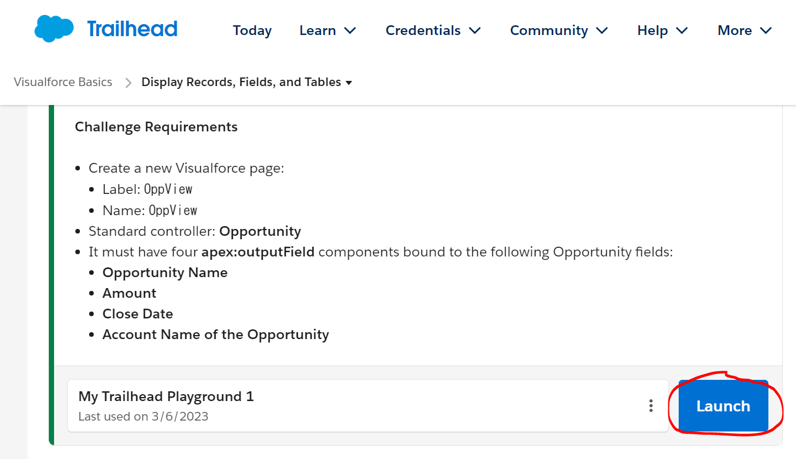

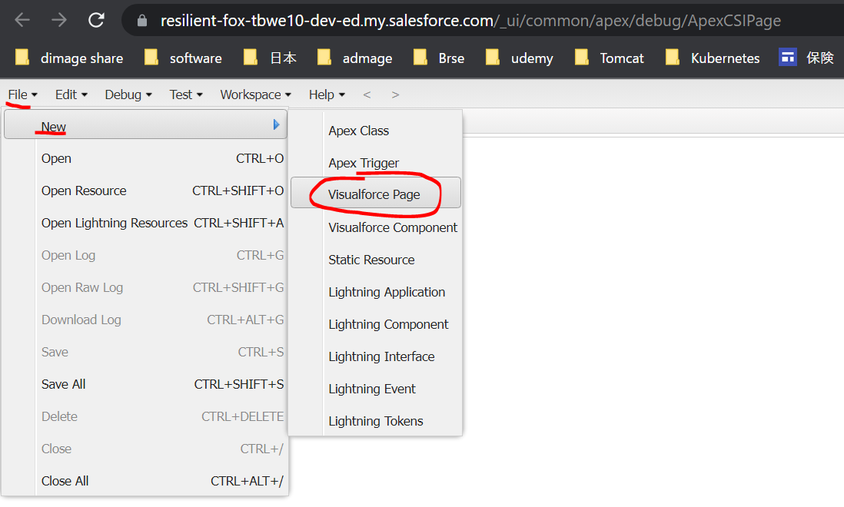

 | OppView
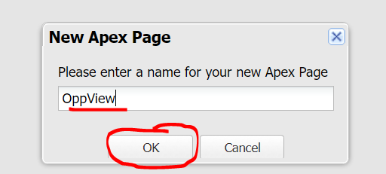

 | <apex:page name="OppView" standardController="Opportunity">
 | <apex:outputField value="{! Opportunity.Name }"/>
 | <apex:outputField value="{! Opportunity.Amount }"/>
 | <apex:outputField value="{! Opportunity.CloseDate }"/>
 | <apex:outputField value="{! Opportunity.Account.Name }"/>
 | </apex:page>

Input Data Using Forms
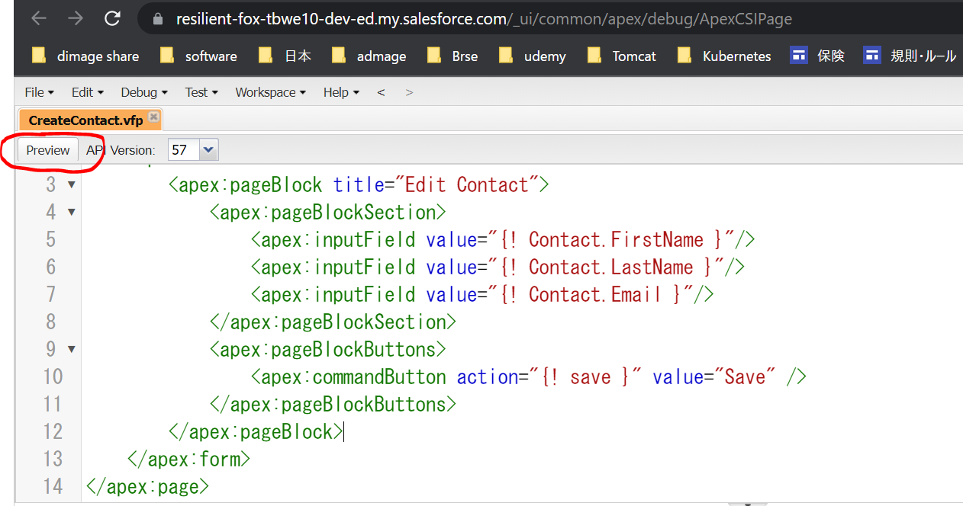
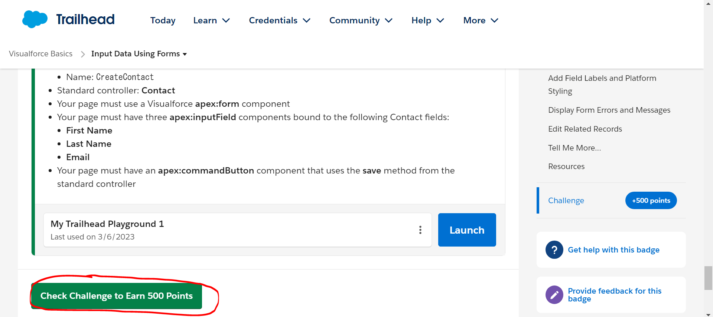
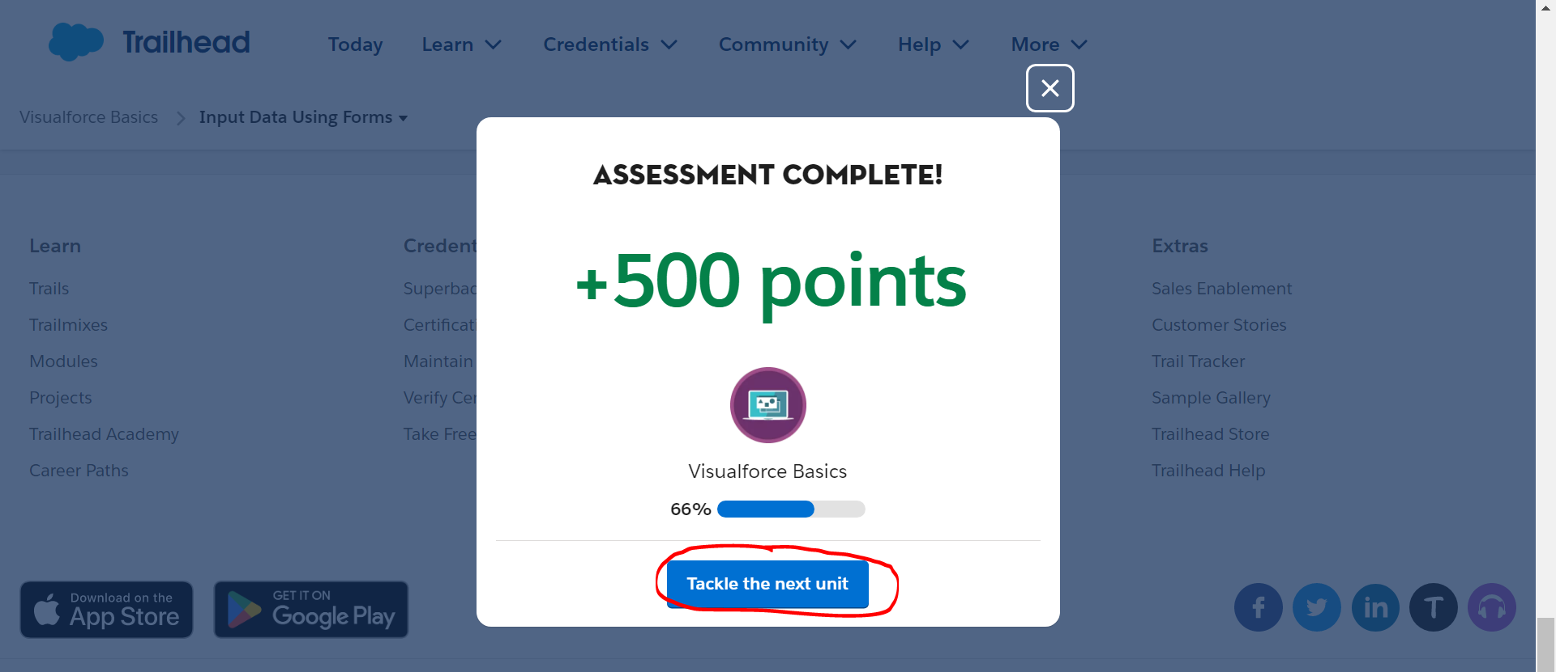
Input Data Using Forms
https://trailhead.salesforce.com/content/learn/modules/visualforce_fundamentals/visualforce_forms
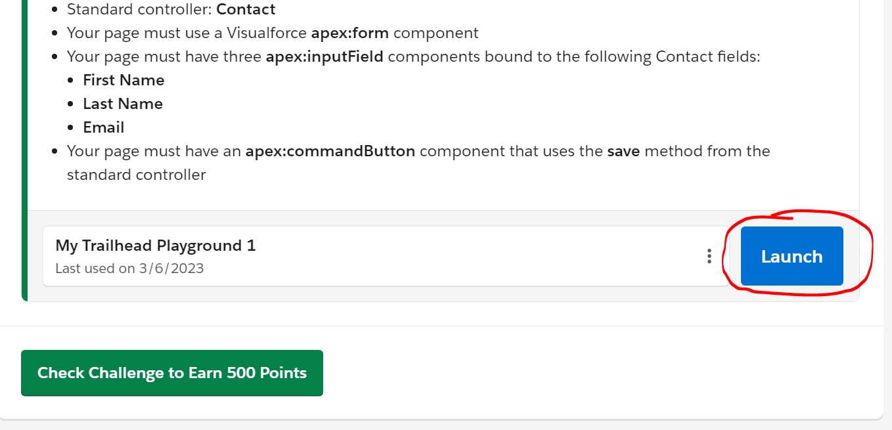



 | CreateContact
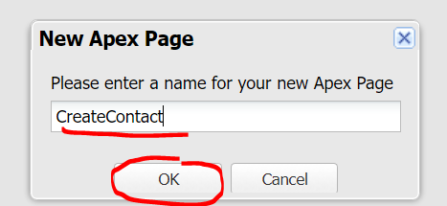

 | <apex:page standardController="Contact">
 | <apex:form>
 | <apex:pageBlock title="Edit Contact">
 | <apex:pageBlockSection>
 | <apex:inputField value="{! Contact.FirstName }"/>
 | <apex:inputField value="{! Contact.LastName }"/>
 | <apex:inputField value="{! Contact.Email }"/>
 | </apex:pageBlockSection>
 | <apex:pageBlockButtons>
 | <apex:commandButton action="{! save }" value="Save" />
 | </apex:pageBlockButtons>
 | </apex:pageBlock>
 | </apex:form>
 | </apex:page>

Use Standard List Controllers
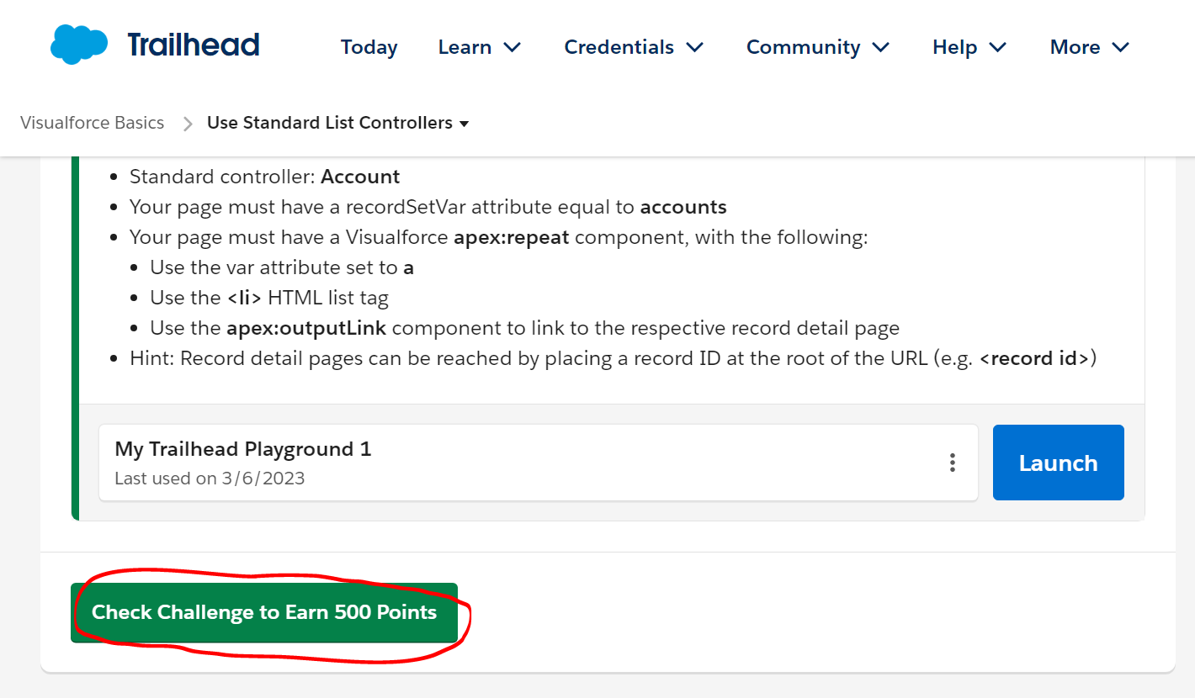
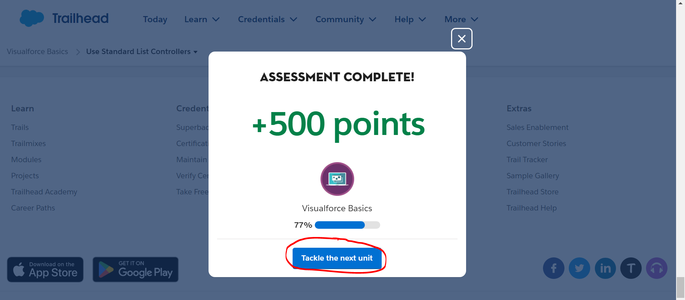
Use Standard List Controllers
https://trailhead.salesforce.com/content/learn/modules/visualforce_fundamentals/visualforce_standard_list_controllers
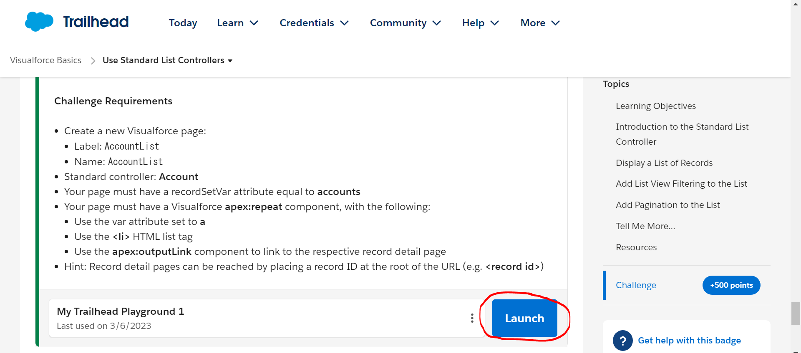



 | AccountList
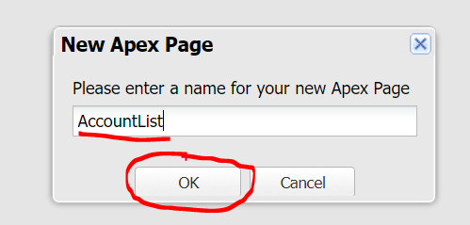

 | <apex:page standardController="Account" recordSetVar="accounts">
 | <apex:repeat var="a" value="{! accounts }">
 | <li>
 | <apex:outputLink value="/{!a.Id}">
 | <apex:outputText value="{! a.Name }"></apex:outputText>
 | </apex:outputLink>
 | </li>
 | </apex:repeat>
 | </apex:page>

Use Static Resources
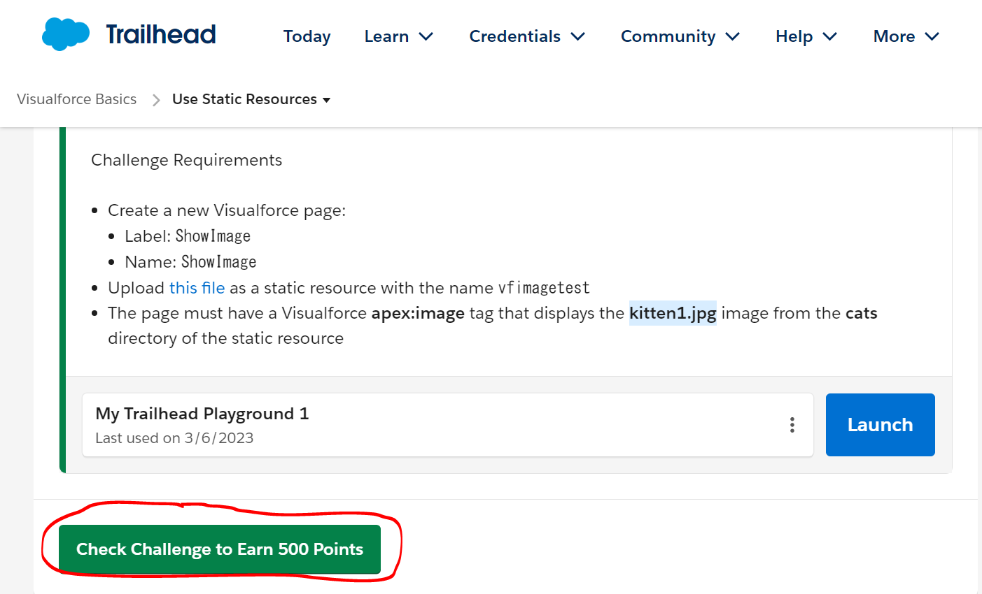
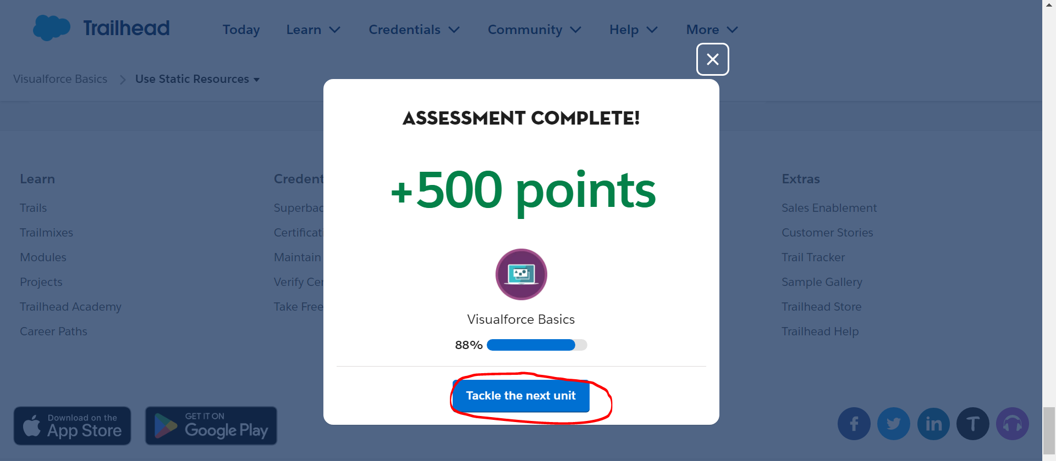
Use Static Resources
https://trailhead.salesforce.com/content/learn/modules/visualforce_fundamentals/visualforce_static_resources

 | download vfimagetest
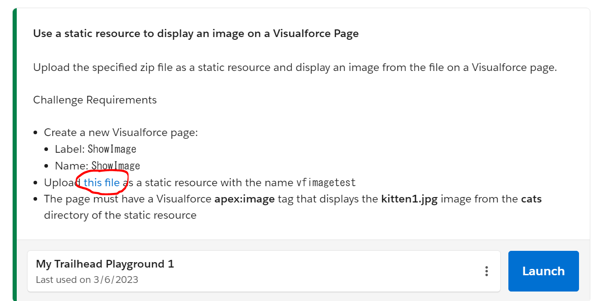

 |  | 解凍
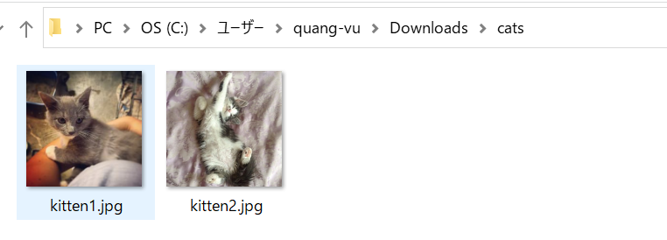

 | Static Resources
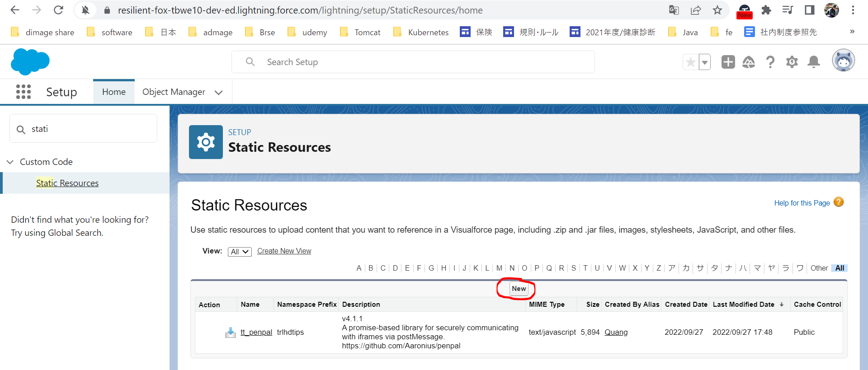

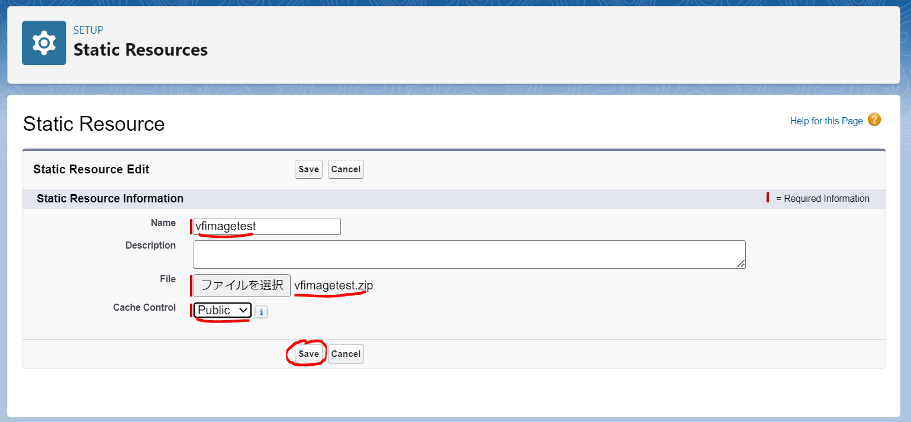

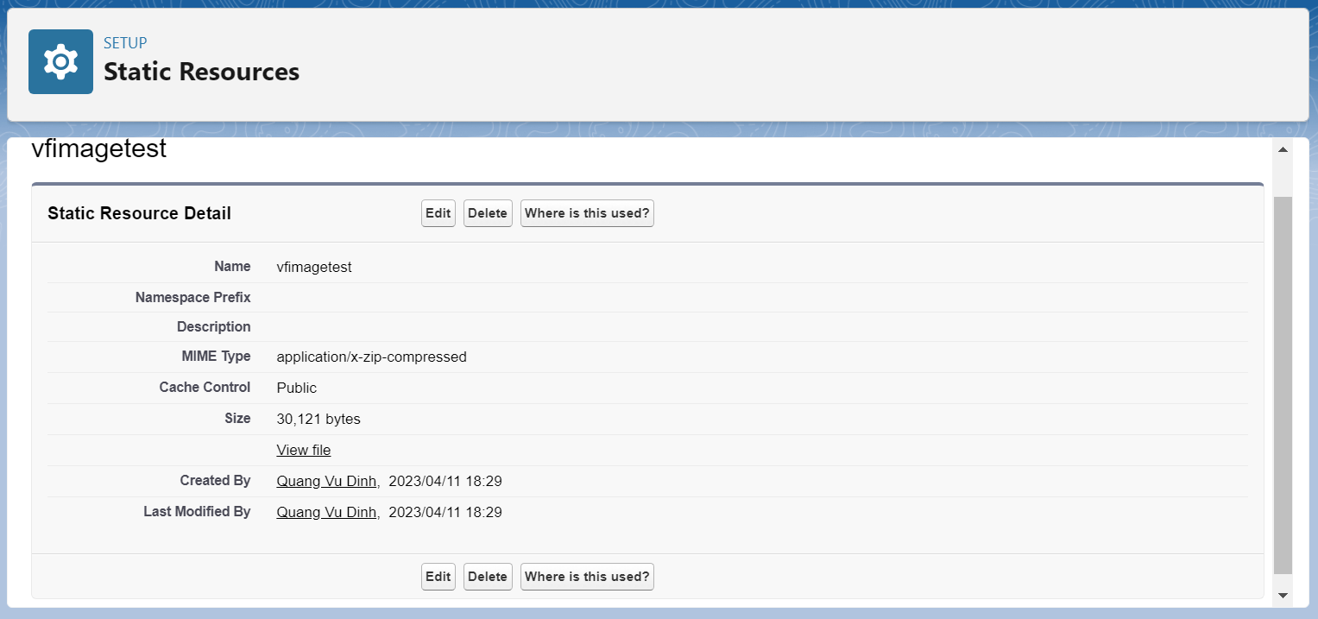

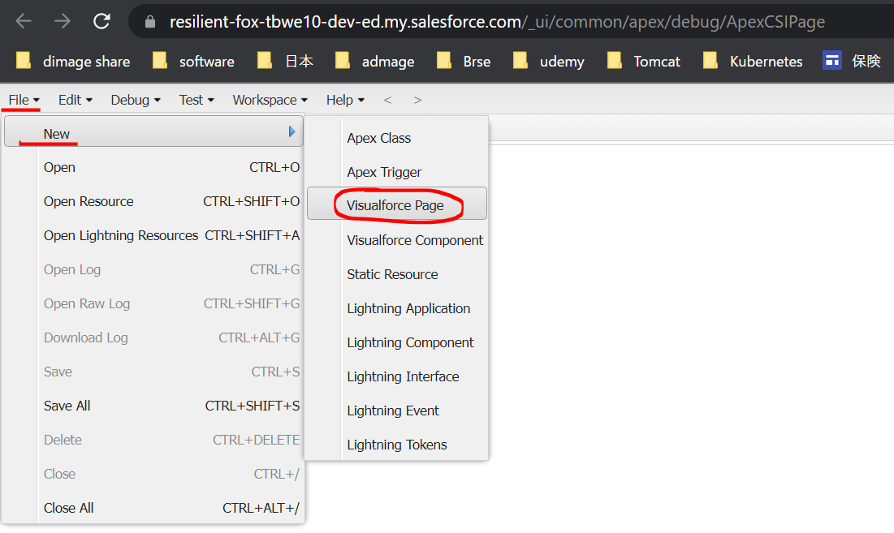

 |  | ShowImage
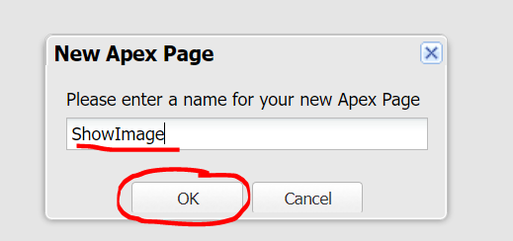

 |  | <apex:page >
 |  | <apex:image alt="eye" title="eye"
 |  | url="{!URLFOR($Resource.vfimagetest, 'cats/kitten1.jpg')}"/>
 |  | </apex:page>

