If-Else Statement
構成
 | salesforce
 |  | 2.Apex-Fundamentals
 |  | 3.Control-Flow-Statements |  | → | new
 |  |  | 1.if-else-statements.txt | → | new

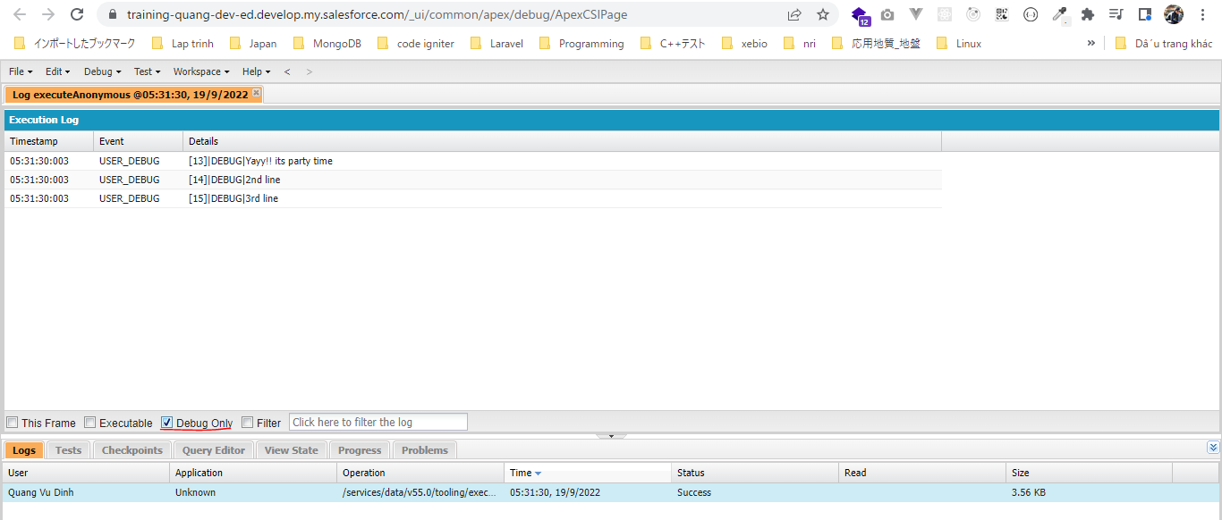
salesforce\3.Control-Flow-Statements\1.if-else-statements.txt
 | Boolean isItSunny = true;
 | Boolean isItRaining = false;
 | Boolean areYouWorking = false;

 | if(isItSunny == false){
 | System.debug('Do not go to party');
 | } else if (isItRaining == true){
 | System.debug('Do not go to party');
 | } else if ( areYouWorking == true){
 | System.debug('Do not go to party');
 | } else{
 | //multi line code block
 | System.debug('Yayy!! its party time');
 | System.debug('2nd line');
 | System.debug('3rd line');
 | }

Switch-When Statement
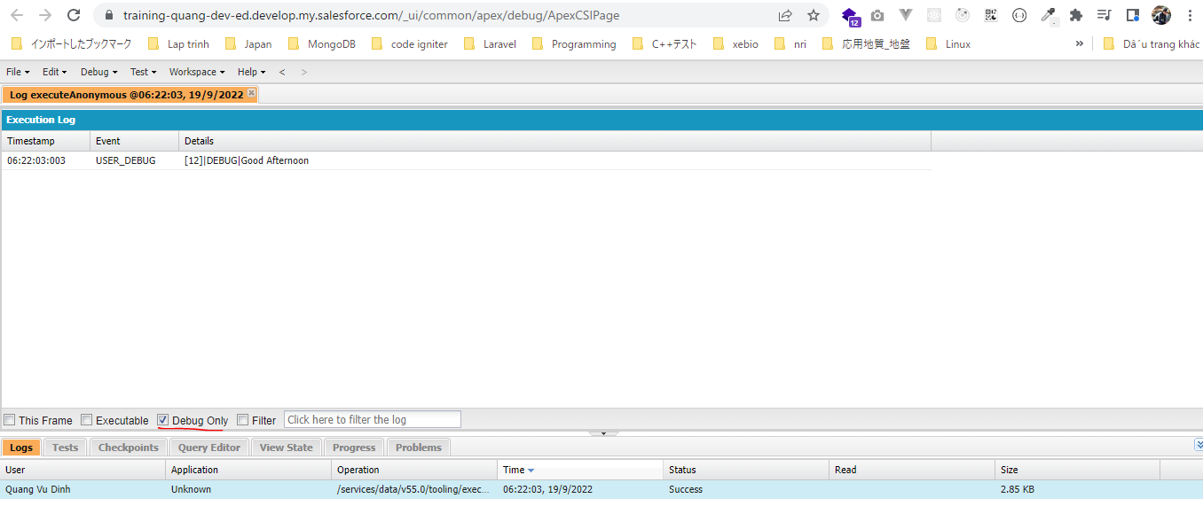
構成
 | salesforce
 |  | 2.Apex-Fundamentals
 |  | 3.Control-Flow-Statements
 |  |  | 1.if-else-statements.txt
 |  |  | 2.switch-when-statements.txt | → | new

salesforce\3.Control-Flow-Statements\2.switch-when-statements.txt
 | // if current hour is in between 0-12 >> Good Morning
 | // else if current hour is in between 12 to 17 >> Good Afternoon
 | // else >> Good Evening

 | Integer currentHour = 12;

 | switch on currentHour {
 | when 0,1,2,3,4,5,6,7,8,9,10,11{
 | System.debug('Good Morning');
 | }
 | when 12,13,14,15,16{
 | System.debug('Good Afternoon');
 | }
 | when else {
 | System.debug('Good Evening');
 | }
 | }

