Trigger overview
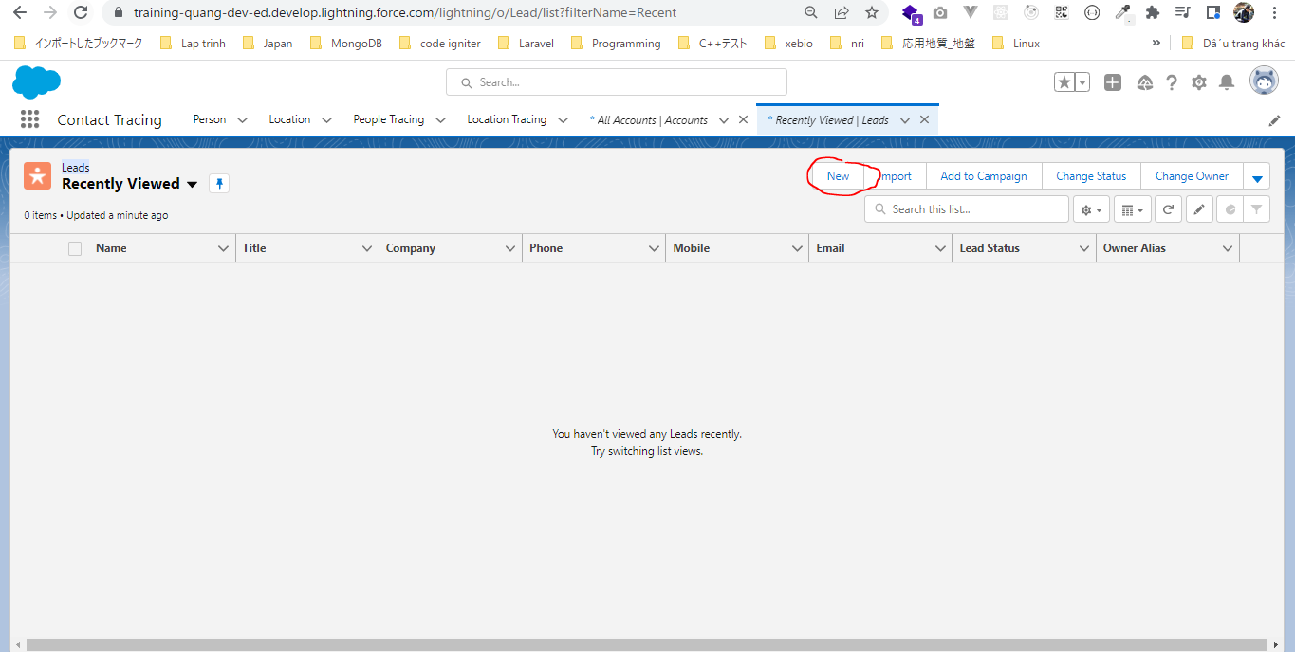
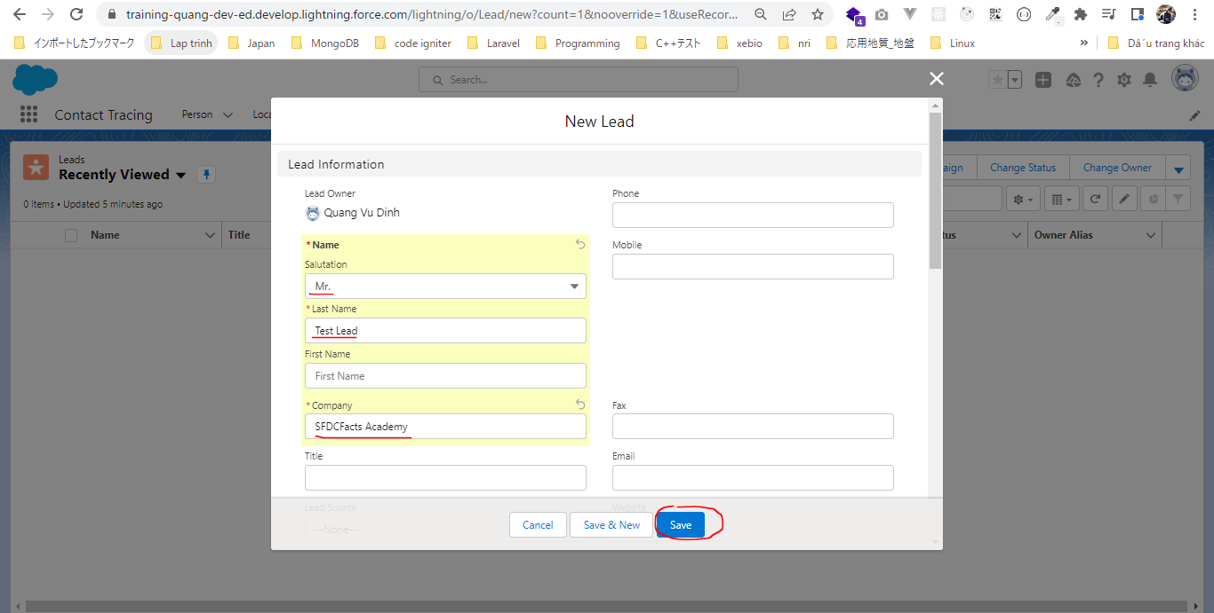
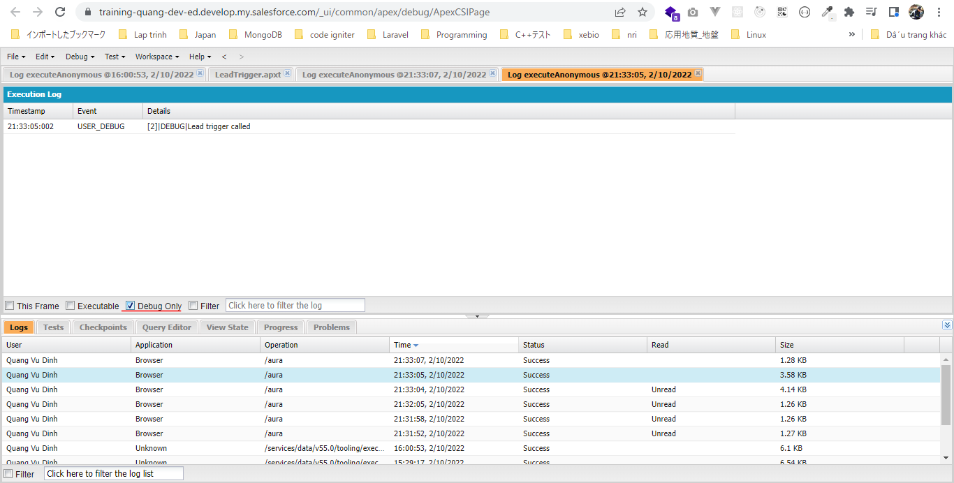
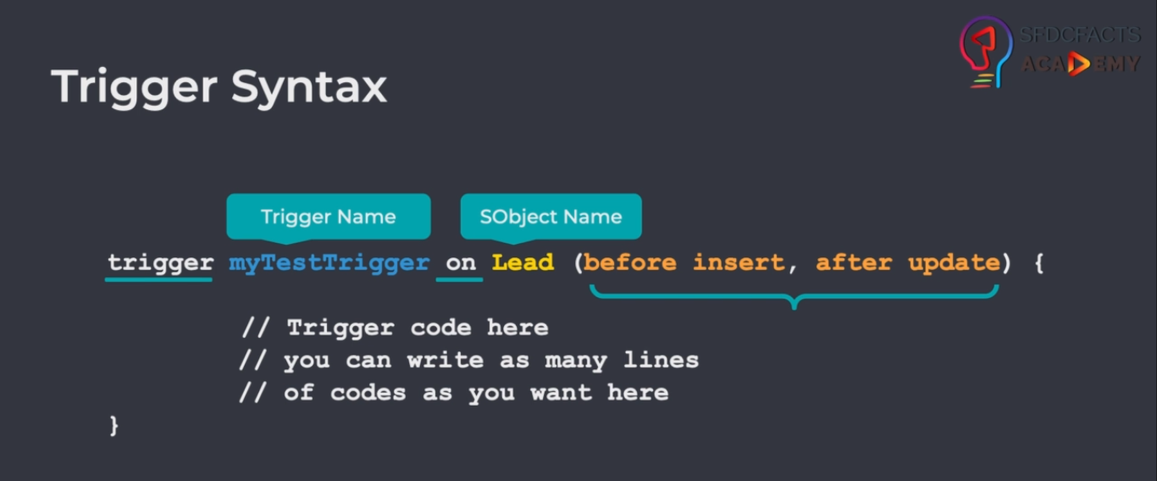

構成
 | salesforce
 |  | 2.Apex-Fundamentals
 |  | 3.Control-Flow-Statements
 |  | 4.Apex-Classes-and-Methods
 |  | 5.Apex-Testing
 |  | 6.Salesforce-Object-Query-Language
 |  | 7.SObject-and-DML
 |  | 8.Exception-Handling
 |  | 9.VS Code-Setup
 |  | 10.Governors-Limits-and-Code-Bulkification
 |  | 11.Advanced-SOQL
 |  | 12.Trigger-overview |  |  | → | new
 |  |  | 1.trigger-overview |  | → | new
 |  |  |  | LeadTrigger.apxt | → | new
 |  | Boss-Level-Challenge

salesforce\12.Trigger-overview\1.trigger-overview\LeadTrigger.apxt
 | trigger LeadTrigger on Lead (before insert, before update) {
 | System.debug('Lead trigger called');
 | }

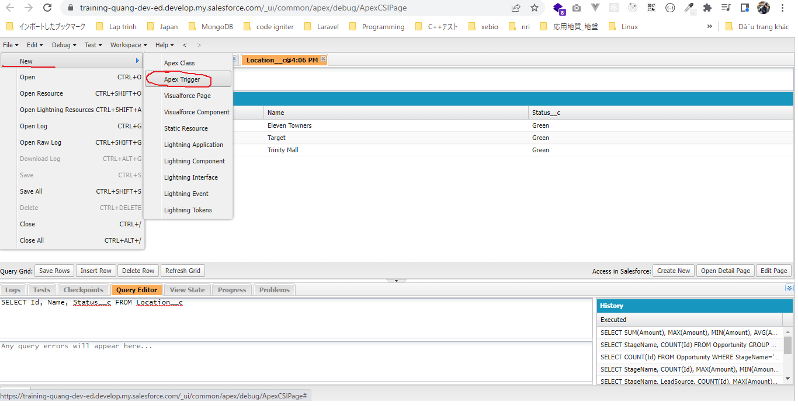

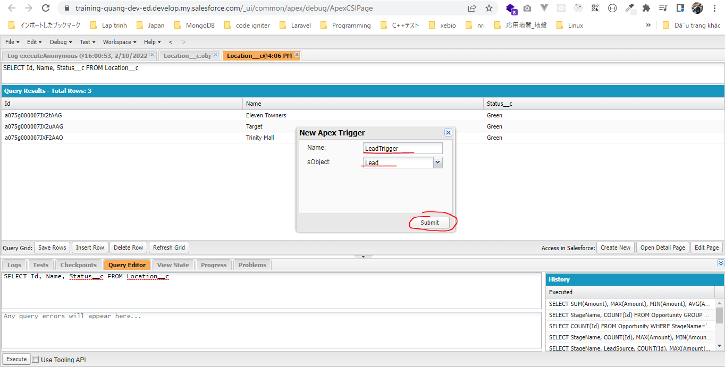

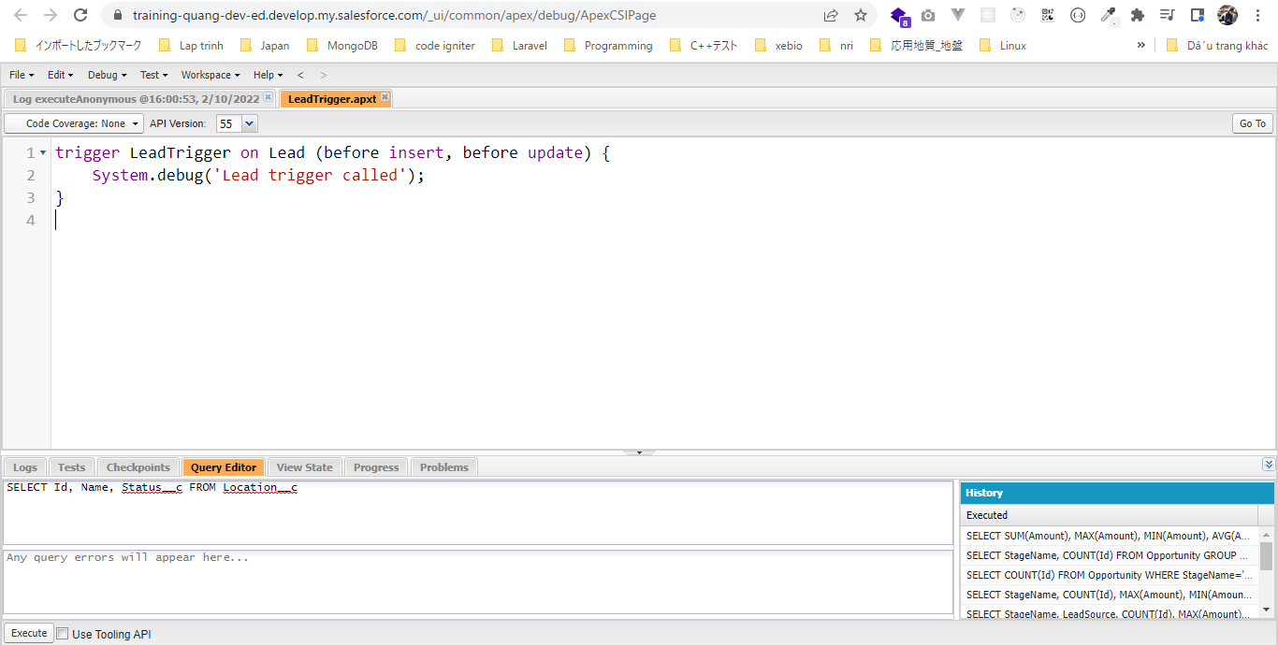

New Leads

Write Your First Automation
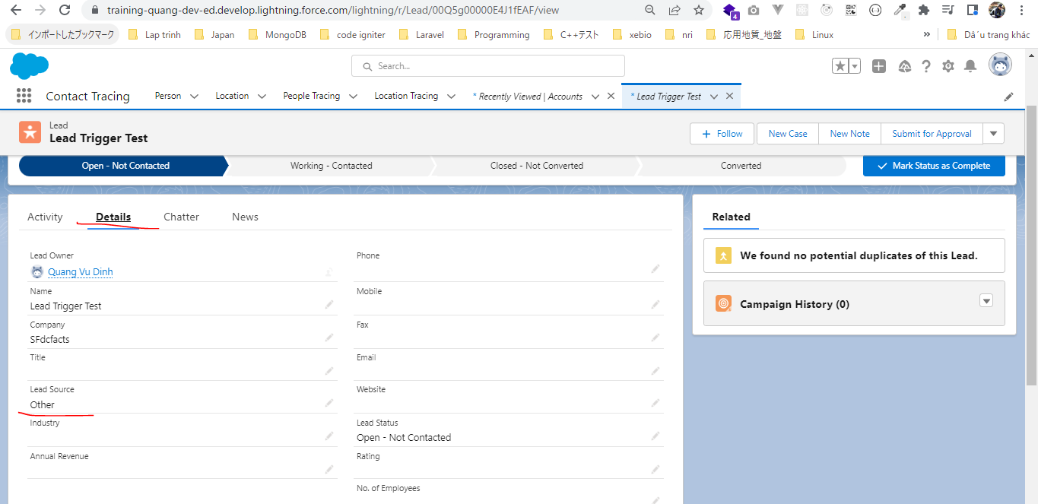
構成
 | salesforce
 |  | 2.Apex-Fundamentals
 |  | 3.Control-Flow-Statements
 |  | 4.Apex-Classes-and-Methods
 |  | 5.Apex-Testing
 |  | 6.Salesforce-Object-Query-Language
 |  | 7.SObject-and-DML
 |  | 8.Exception-Handling
 |  | 9.VS Code-Setup
 |  | 10.Governors-Limits-and-Code-Bulkification
 |  | 11.Advanced-SOQL
 |  | 12.Trigger-overview
 |  |  | 1.trigger-overview
 |  |  |  | LeadTrigger.apxt
 |  |  | 2.trigger-write-first-automation |  |  |  | → | new
 |  |  |  | LeadTrigger.apxt |  |  | → | new
 |  | Boss-Level-Challenge

salesforce\12.Trigger-overview\2.trigger-write-first-automation\LeadTrigger.apxt
 | trigger LeadTrigger on Lead (before insert) {
 | for(Lead leadRecord : Trigger.new){ |  |  |  | → | Trigger.new gives me all the new set of records or the new version of record within my trigger
 | if(String.isBlank(leadRecord.LeadSource)){
 | leadRecord.LeadSource = 'Other';
 | }

 | }
 | }

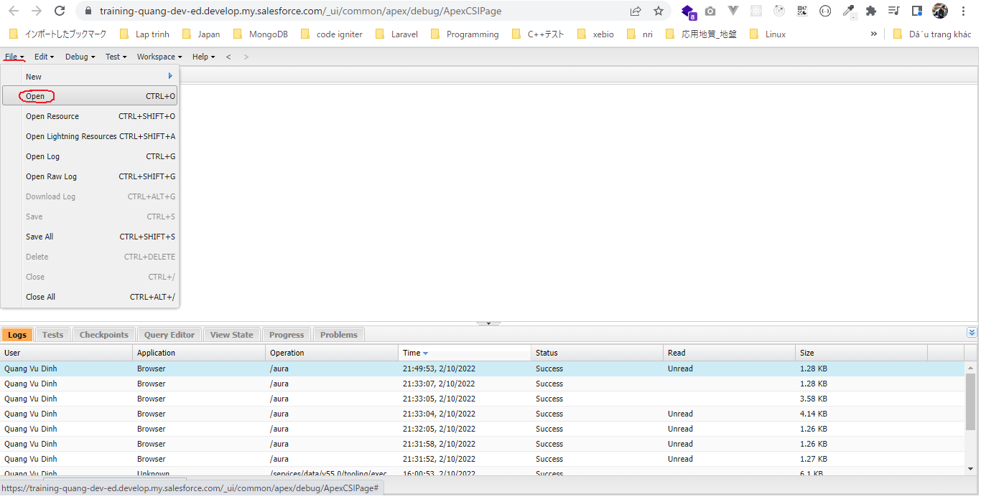

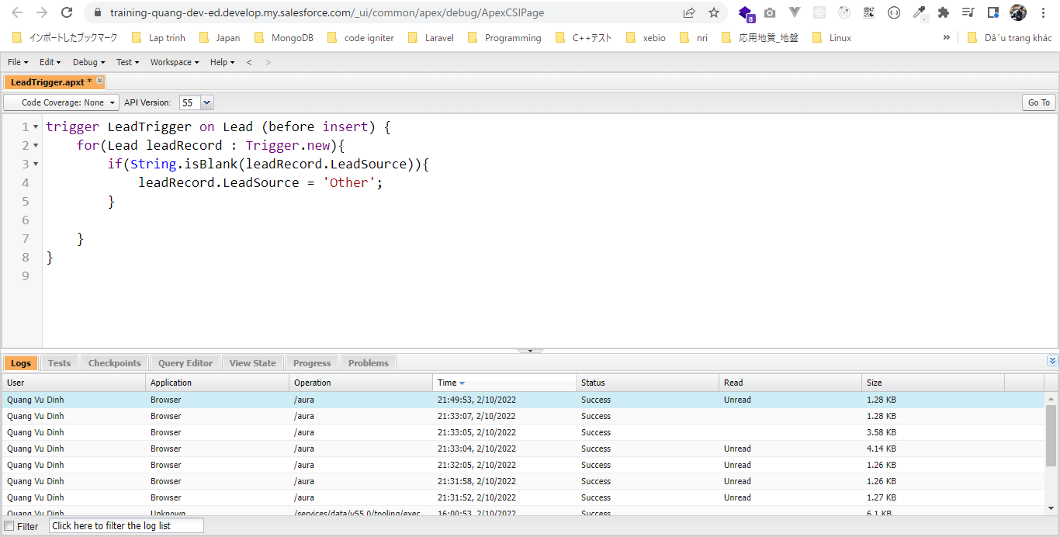

New Leads

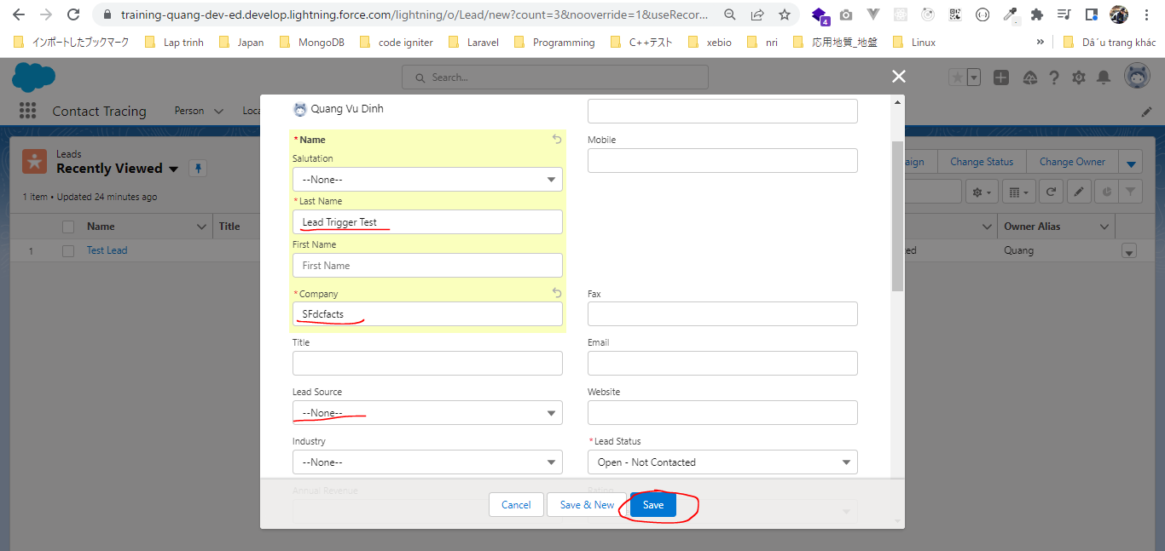

 | LeadSource được update thành Other

Trigger Events
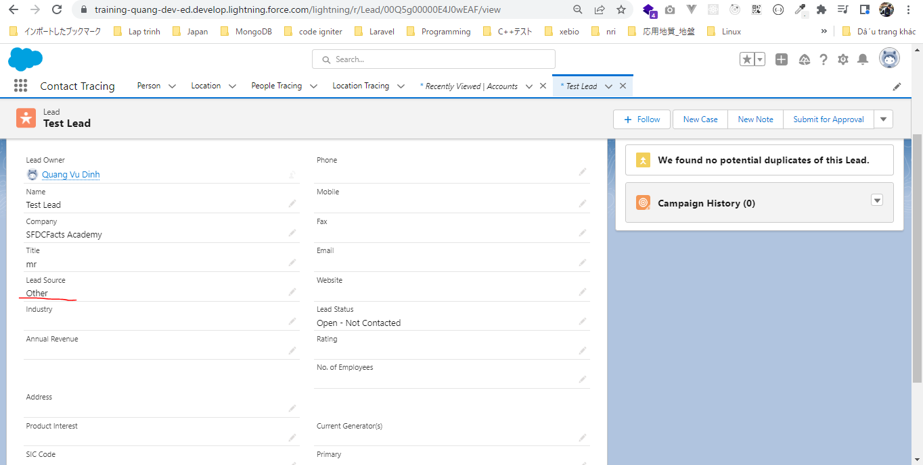
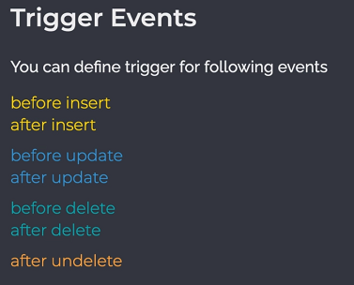

構成
 | salesforce
 |  | 2.Apex-Fundamentals
 |  | 3.Control-Flow-Statements
 |  | 4.Apex-Classes-and-Methods
 |  | 5.Apex-Testing
 |  | 6.Salesforce-Object-Query-Language
 |  | 7.SObject-and-DML
 |  | 8.Exception-Handling
 |  | 9.VS Code-Setup
 |  | 10.Governors-Limits-and-Code-Bulkification
 |  | 11.Advanced-SOQL
 |  | 12.Trigger-overview
 |  |  | 1.trigger-overview
 |  |  |  | LeadTrigger.apxt
 |  |  | 2.trigger-write-first-automation
 |  |  |  | LeadTrigger.apxt
 |  |  | 3.trigger-events |  | → | new
 |  |  |  | LeadTrigger.apxt | → | new
 |  | Boss-Level-Challenge

salesforce\12.Trigger-overview\3.trigger-events\LeadTrigger.apxt
 | trigger LeadTrigger on Lead (before insert, before update) {
 | for(Lead leadRecord : Trigger.new){
 | if(String.isBlank(leadRecord.LeadSource)){
 | leadRecord.LeadSource = 'Other';
 | }

 | }
 | }

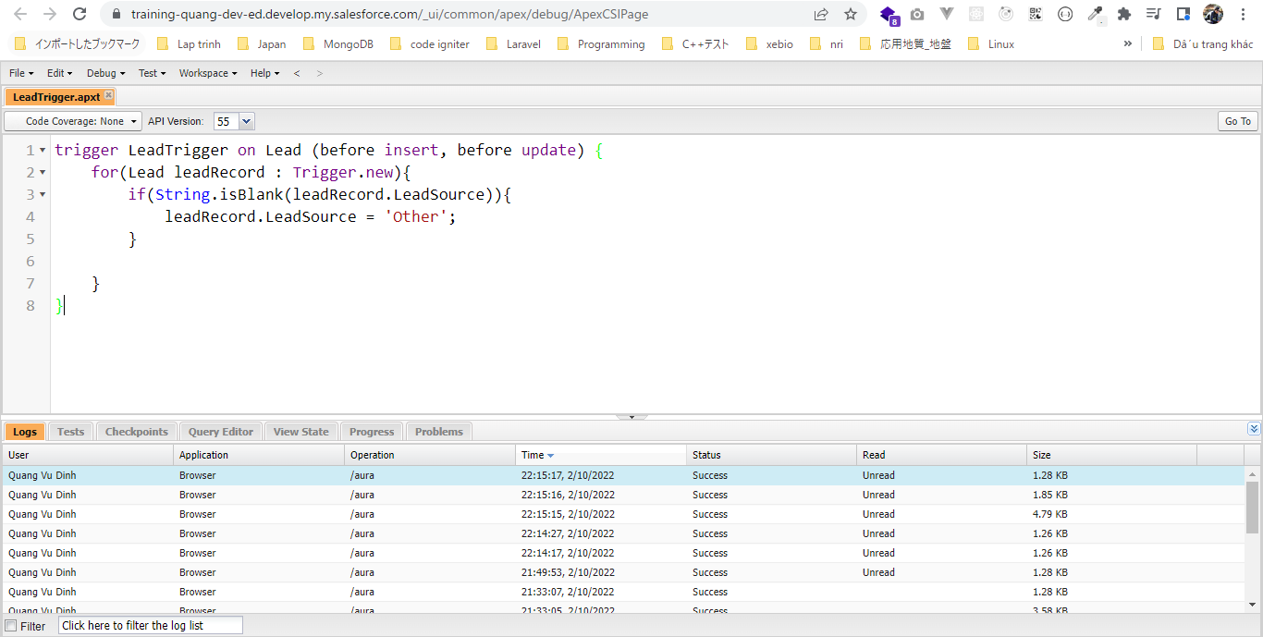

Edit Leads
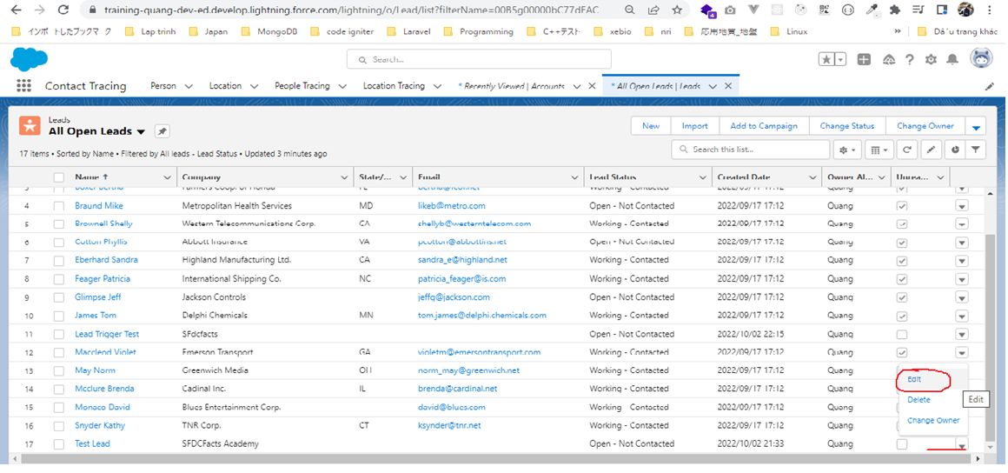

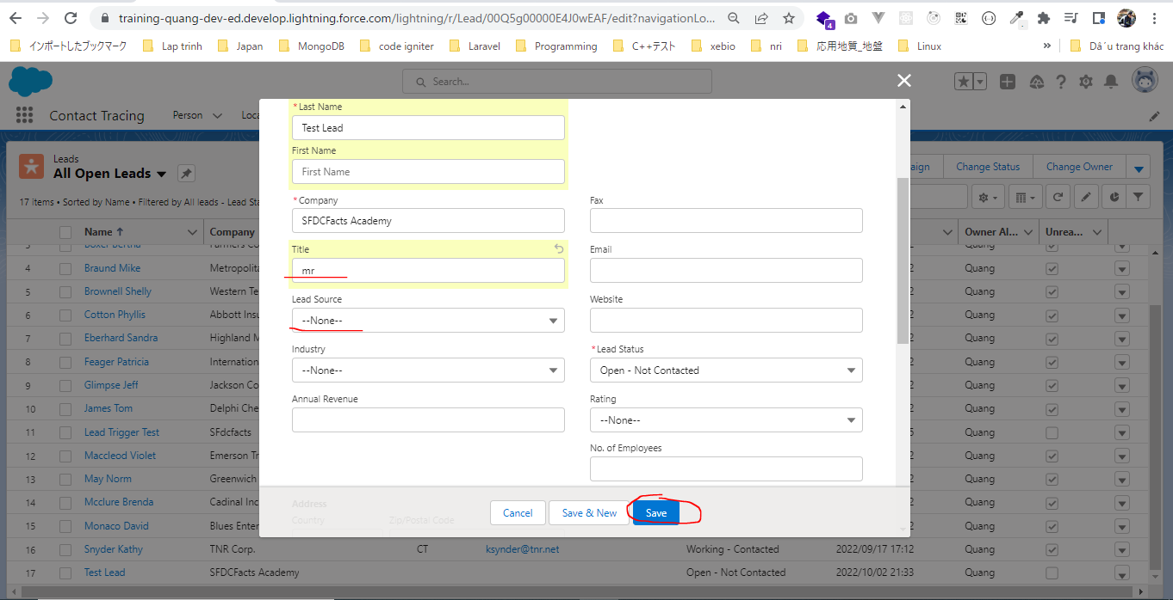

 | LeadSource được update thành Other

ValidateThrowingErrorsInTrigger
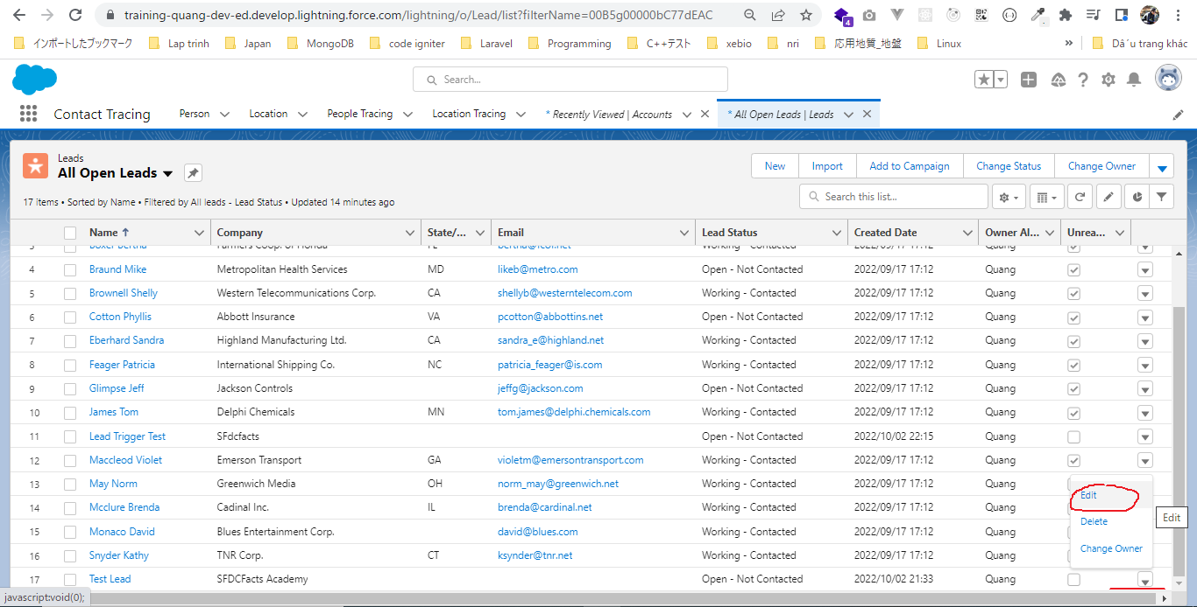
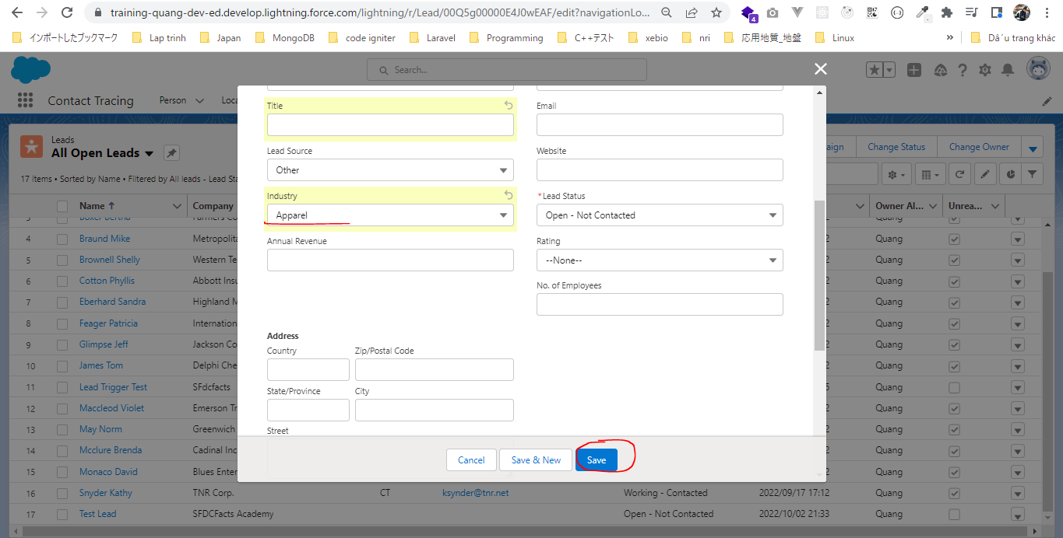
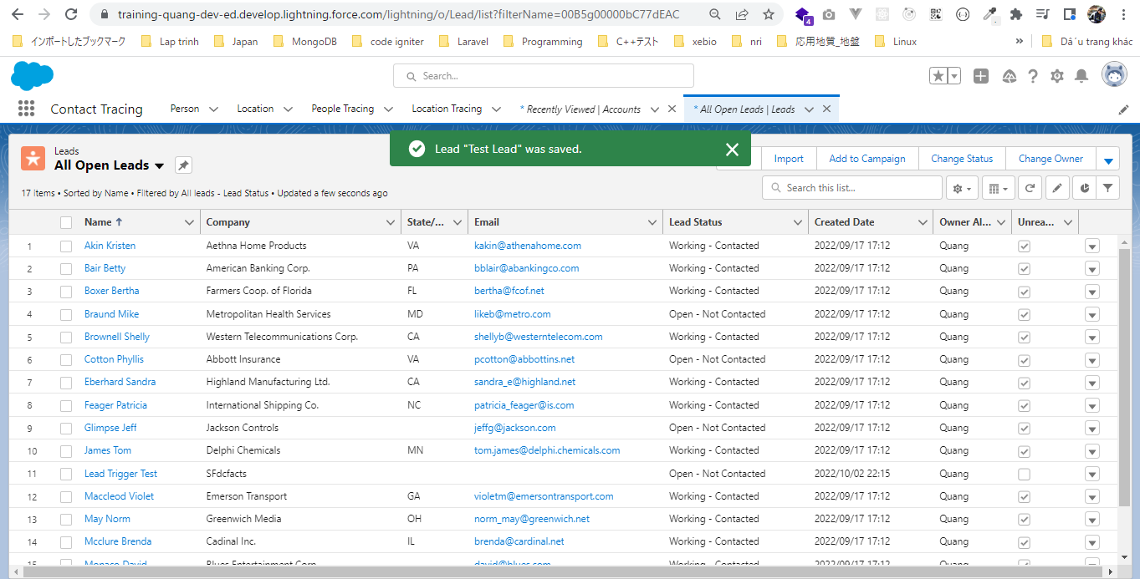
構成
 | salesforce
 |  | 2.Apex-Fundamentals
 |  | 3.Control-Flow-Statements
 |  | 4.Apex-Classes-and-Methods
 |  | 5.Apex-Testing
 |  | 6.Salesforce-Object-Query-Language
 |  | 7.SObject-and-DML
 |  | 8.Exception-Handling
 |  | 9.VS Code-Setup
 |  | 10.Governors-Limits-and-Code-Bulkification
 |  | 11.Advanced-SOQL
 |  | 12.Trigger-overview
 |  |  | 1.trigger-overview
 |  |  |  | LeadTrigger.apxt
 |  |  | 2.trigger-write-first-automation
 |  |  |  | LeadTrigger.apxt
 |  |  | 3.trigger-events
 |  |  |  | LeadTrigger.apxt
 |  |  | 4.trigger-validation |  | → | new
 |  |  |  | LeadTrigger.apxt | → | new
 |  | Boss-Level-Challenge

salesforce\12.Trigger-overview\4.trigger-validation\LeadTrigger.apxt
 | trigger LeadTrigger on Lead (before insert, before update) {
 | for(Lead leadRecord : Trigger.new){
 | if(String.isBlank(leadRecord.LeadSource)){
 | leadRecord.LeadSource = 'Other';
 | }
 | // validation on industry field
 | if(String.isBlank(leadRecord.Industry)){
 | leadRecord.addError('The industry field cannot be blank');
 | }

 | }
 | System.debug('Lead trigger 1 is executing');
 | }

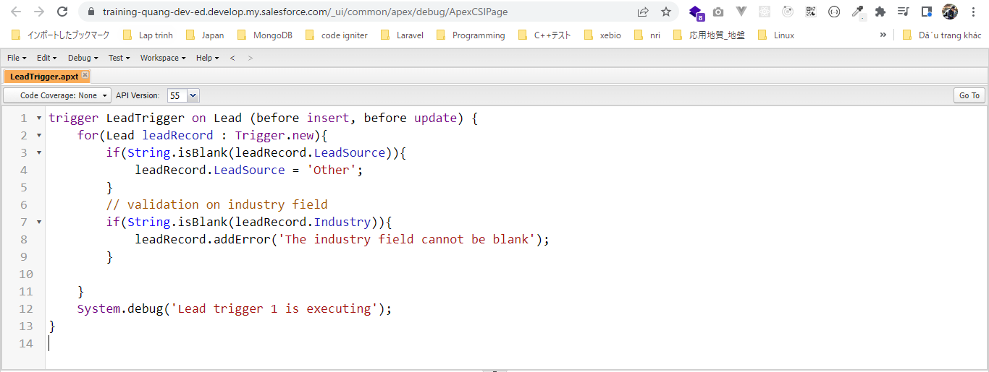

Edit Leads without Industry


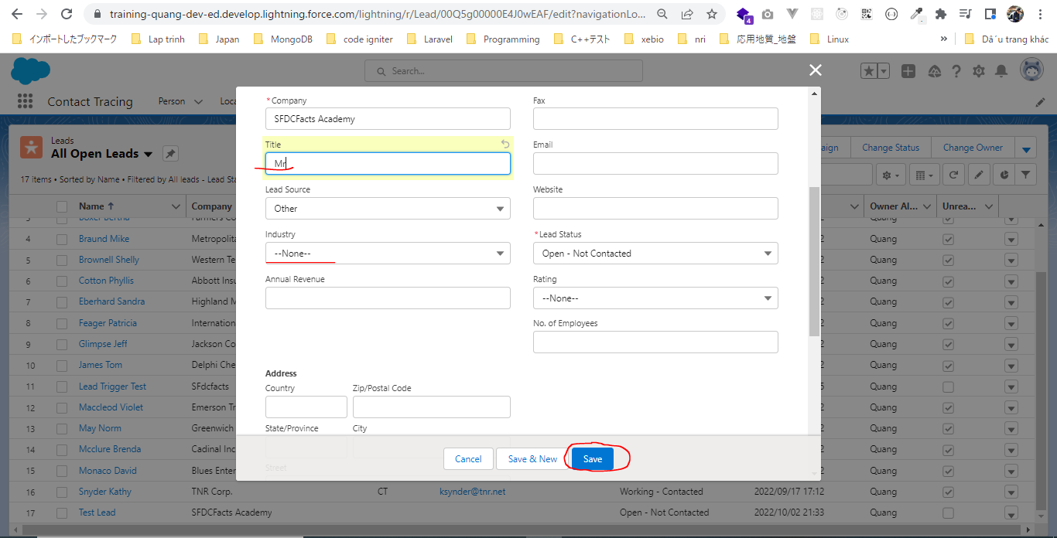

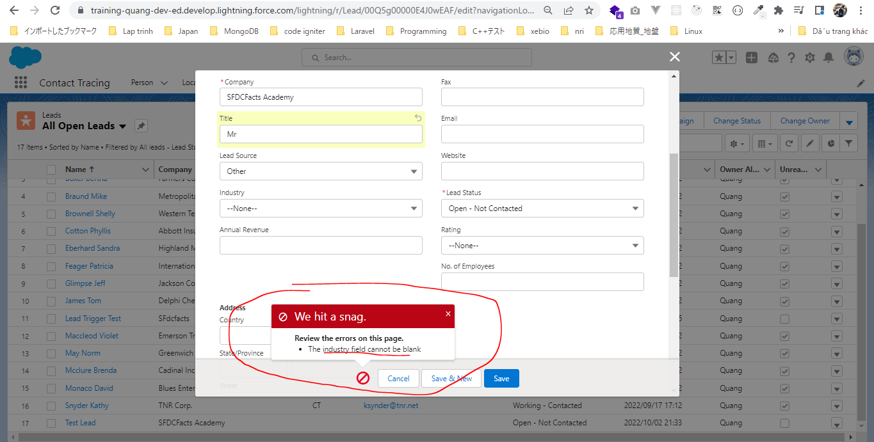

Create Leads without Industry
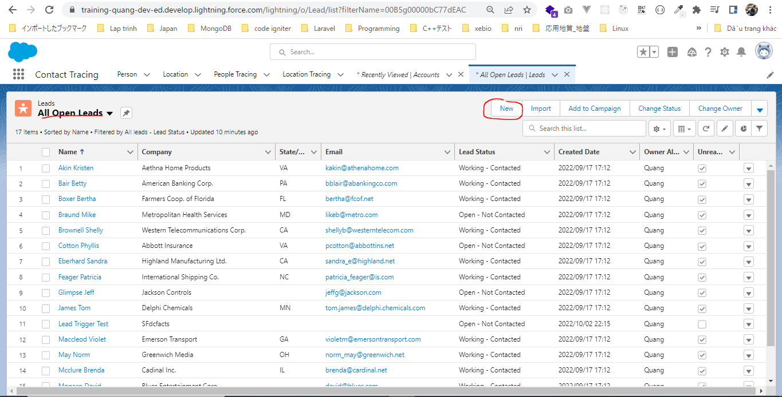

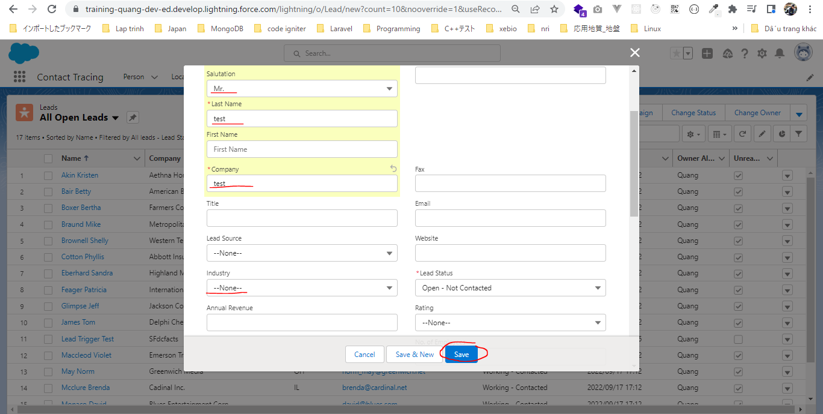

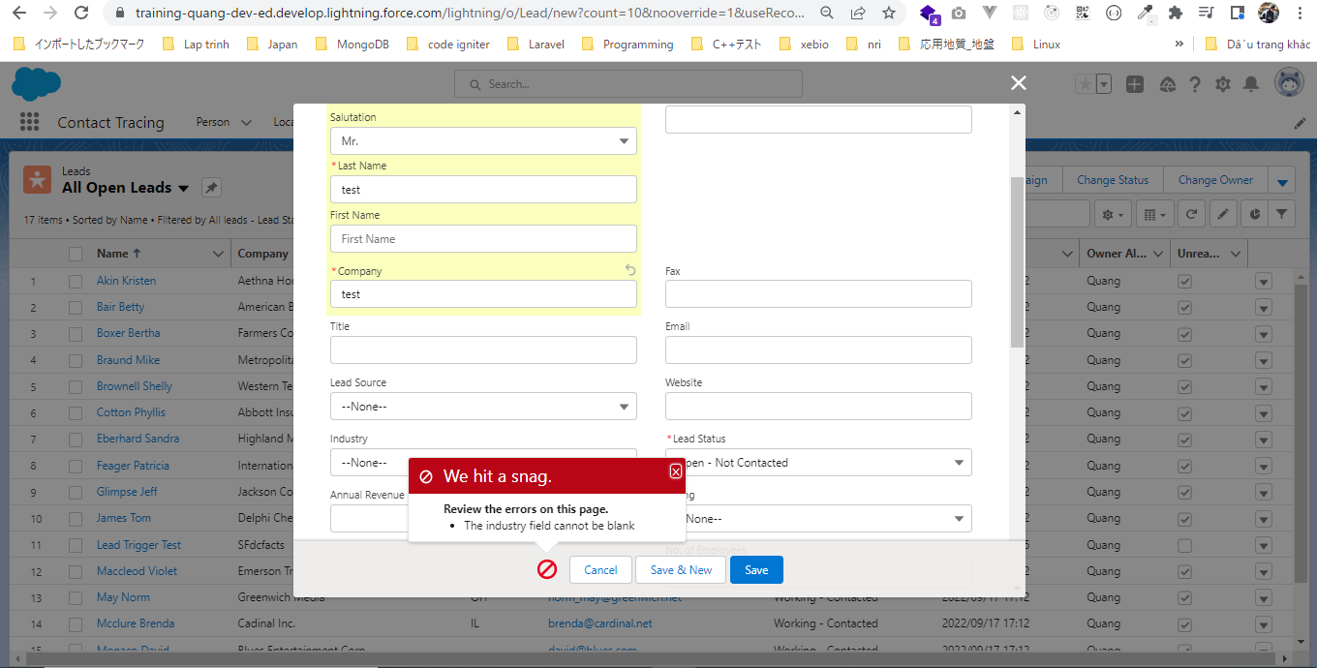

Edit Leads with Industry

