Apex Class
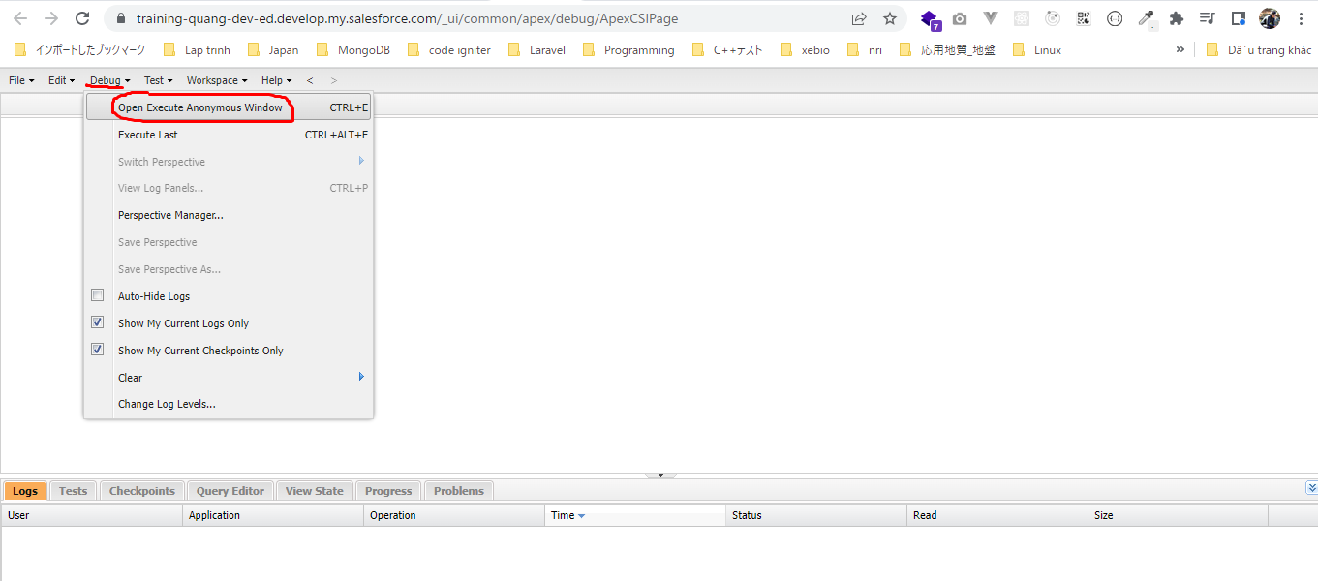
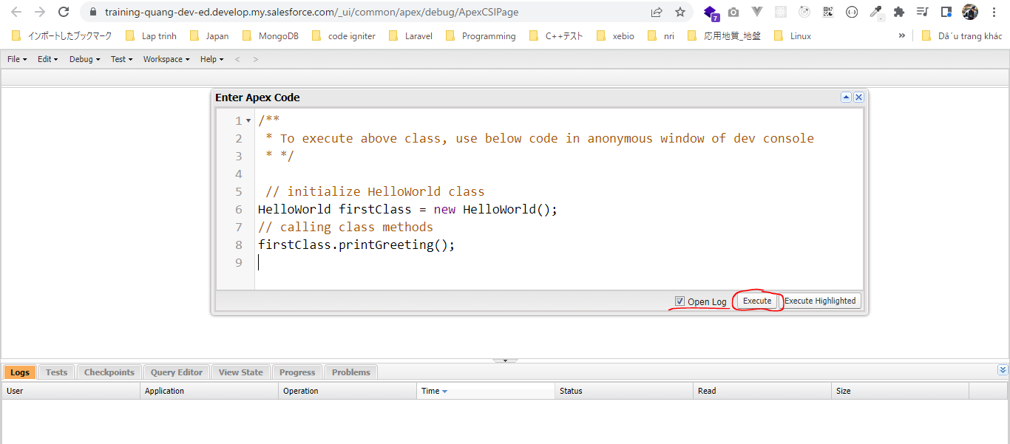
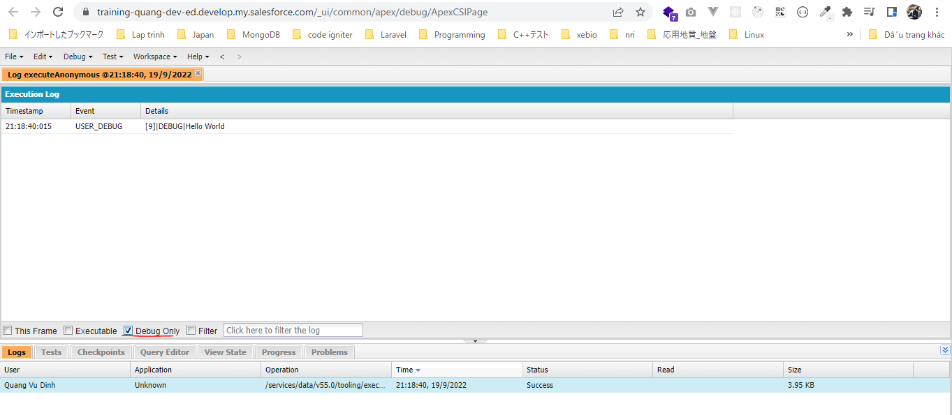
 | Để có overview về các tool khác nhau có thể dùng để viết code Apex trong Salesforce thì thay cho dùng developer console mình sẽ dùng Salesforce set up để tạo class

構成
 | salesforce
 |  | 2.Apex-Fundamentals
 |  | 3.Control-Flow-Statements
 |  | 4.Apex-Classes-and-Methods |  |  | → | new
 |  |  | 1.hello-world-class |  | → | new
 |  |  |  | dev-console.txt | → | new
 |  |  |  | HelloWorld.apxc | → | new

salesforce\4.Apex-Classes-and-Methods\1.hello-world-class\HelloWorld.apxc
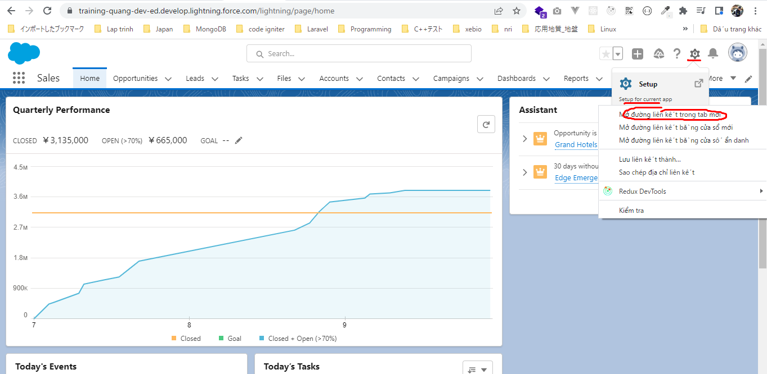

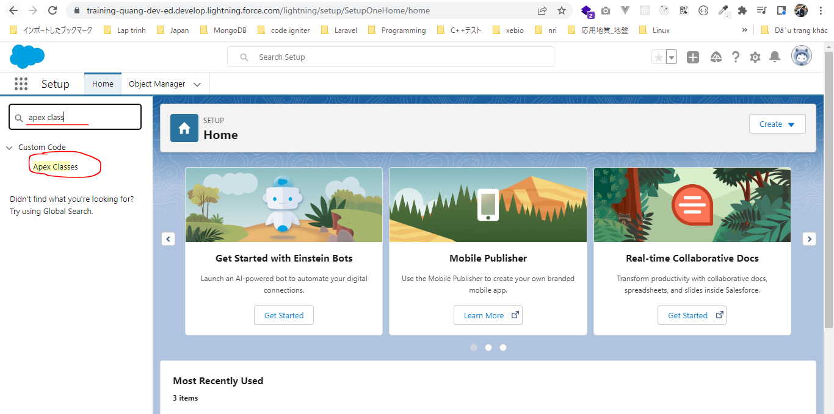

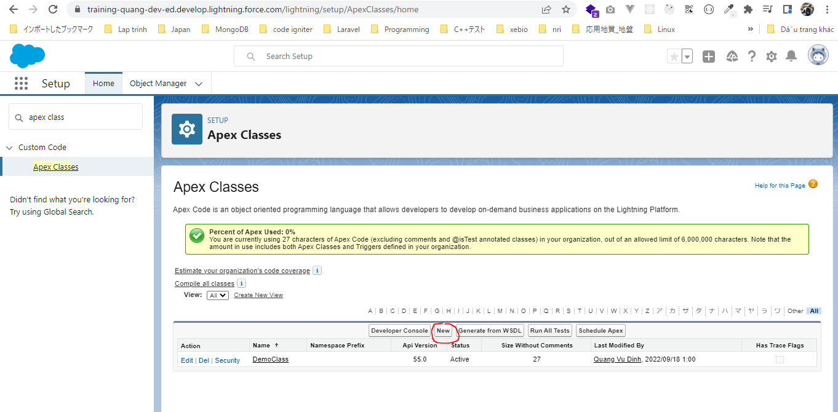

 |  | salesforce\4.Apex-Classes-and-Methods\1.hello-world-class\HelloWorld.apxc
 |  | /**
 |  | * HelloWorld class
 |  | * This is demo class to demonstrate how an apex class is defined and executed
 |  | * */
 |  | public class HelloWorld { |  |  |  |  | → | Khi tạo class thì phải khai báo access modifiers
 |  | String greeting = 'Hello World';

 |  | public void printGreeting() { |  |  |  |  | → | Khai báo public để bên ngoài class có thể gọi được
 |  | System.debug(greeting);
 |  | }

 |  | }

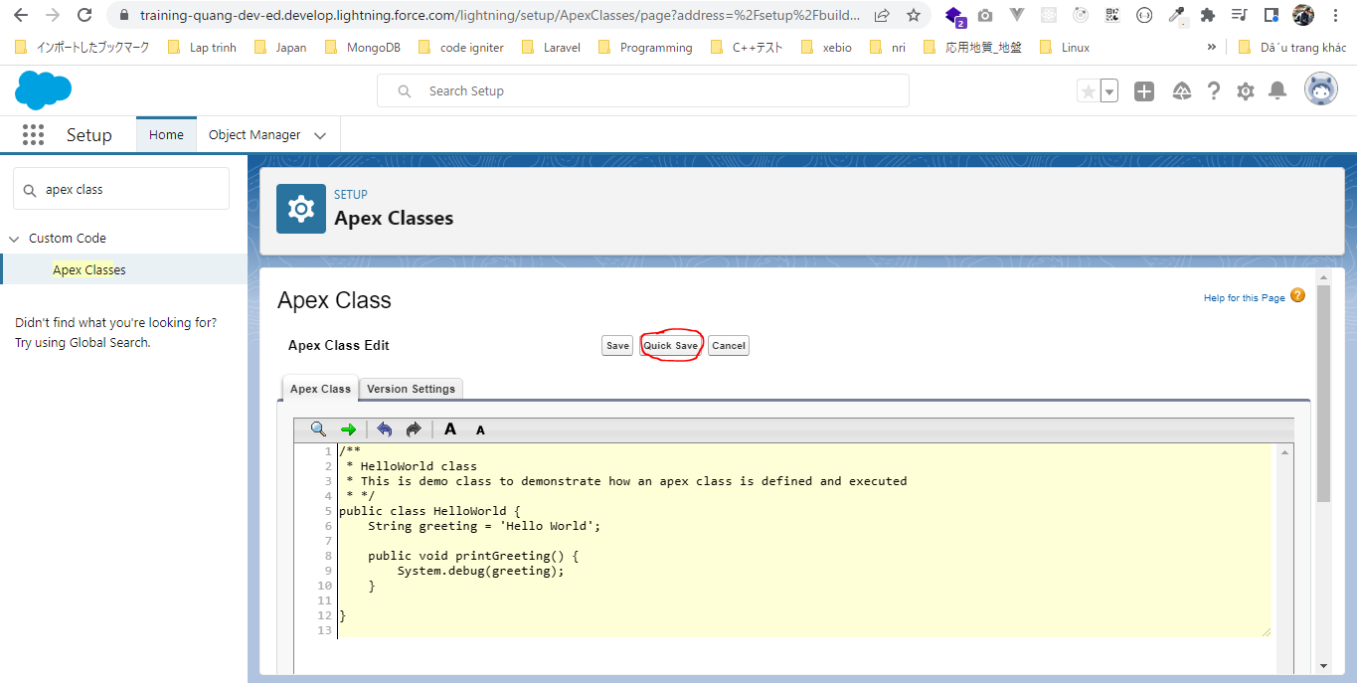

class đã tạo bằng Salesforce set up trên có thể xem được ở developer console
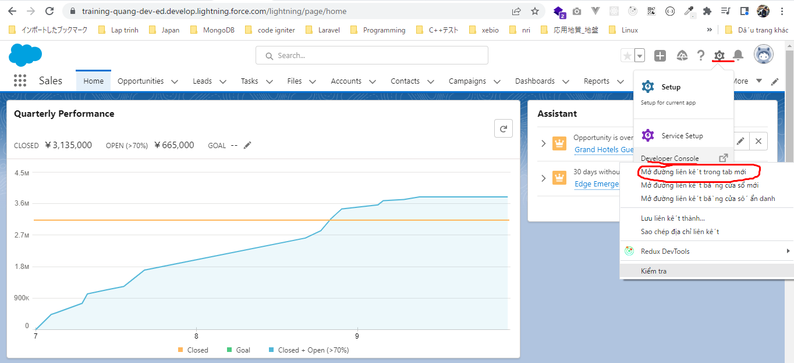

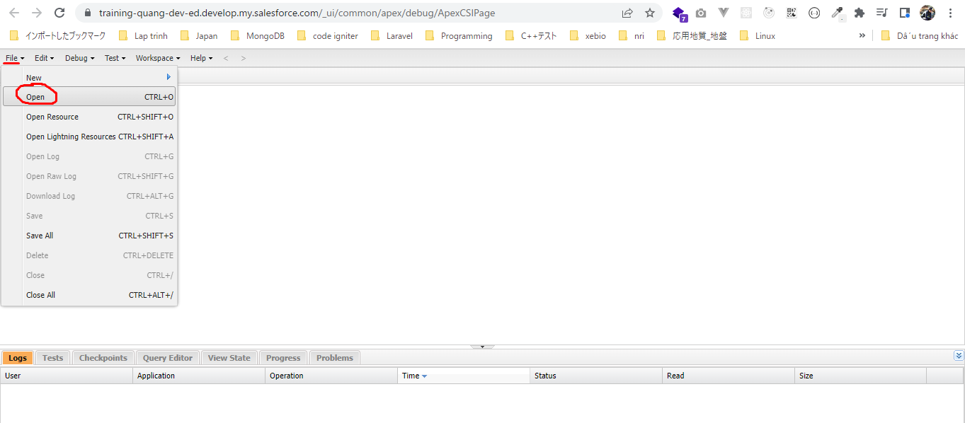

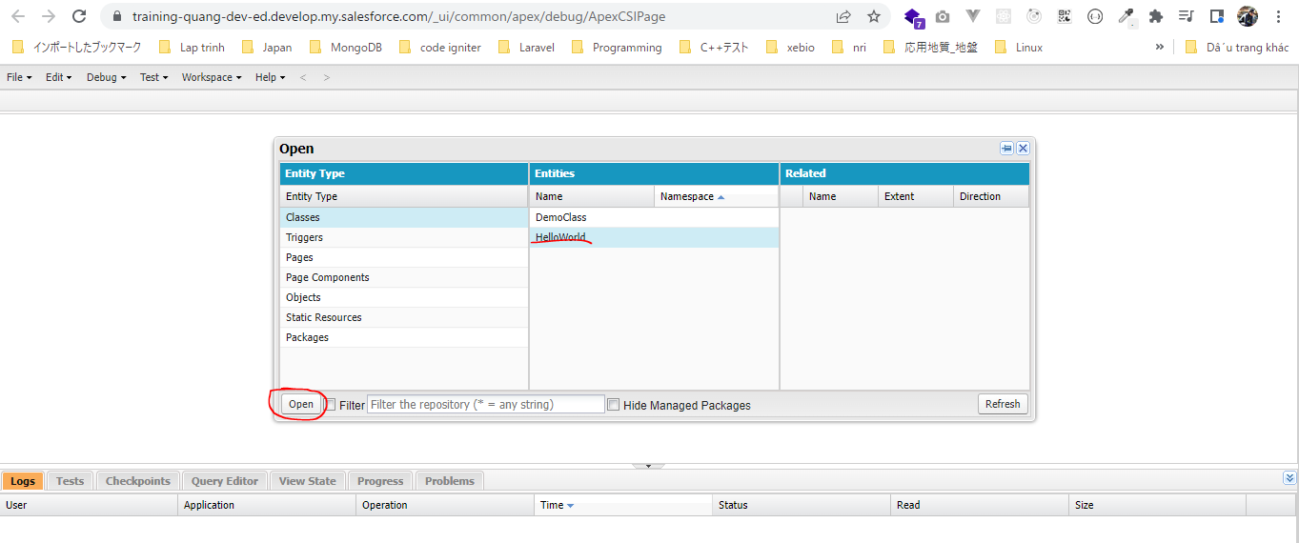

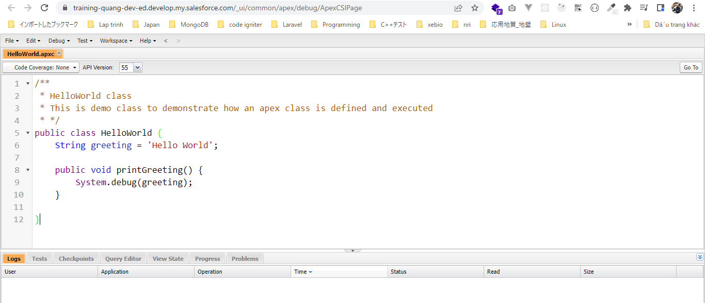

salesforce\4.Apex-Classes-and-Methods\1.hello-world-class\dev-console.txt

 | /**
 | * To execute above class, use below code in anonymous window of dev console
 | * */

 | // initialize HelloWorld class
 | HelloWorld firstClass = new HelloWorld();
 | // calling class methods
 | firstClass.printGreeting();

ApexMethodsAndAccessModifiers
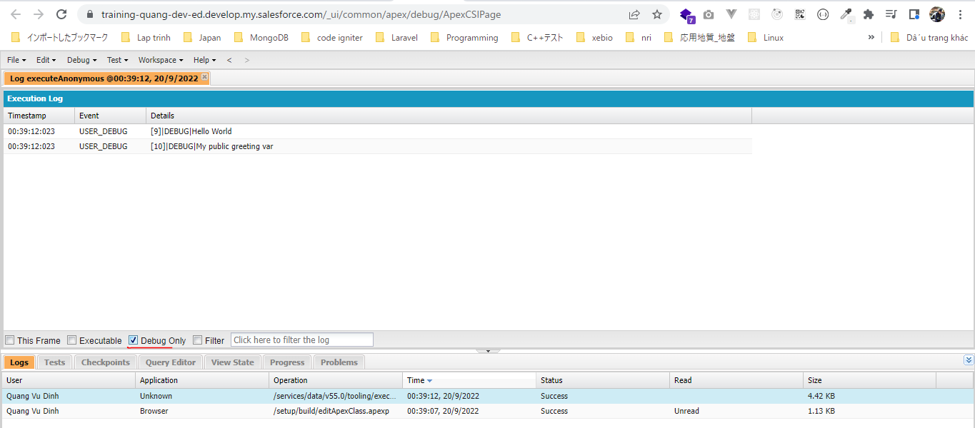
構成
 | salesforce
 |  | 2.Apex-Fundamentals
 |  | 3.Control-Flow-Statements
 |  | 4.Apex-Classes-and-Methods
 |  |  | 1.hello-world-class
 |  |  |  | dev-console.txt
 |  |  |  | HelloWorld.apxc
 |  |  | 2.access-modifier-and-method-practical |  | → | new
 |  |  |  | dev-console.txt | → | new
 |  |  |  | HelloWorld.apxc | → | new

salesforce\4.Apex-Classes-and-Methods\2.access-modifier-and-method-practical\HelloWorld.apxc
 | public class HelloWorld {
 | private String greeting = 'Hello World';

 | // public variable
 | public String publicGreeting = 'My public greeting var';

 | public void printGreeting() {
 | System.debug(greeting);
 | }

 | // get an error about access modifiers
 | /*global void printPublicGreeting() {
 | System.debug(publicGreeting);
 | }*/

 | }

salesforce\4.Apex-Classes-and-Methods\2.access-modifier-and-method-practical\dev-console.txt
 | // initializes the class
 | HelloWorld firstClass = new HelloWorld();

 | // get an error for private variable
 | //System.debug(firstClass.greeting);

 | firstClass.printGreeting();

 | // print public var's value
 | System.debug(firstClass.publicGreeting);

Parameterized Methods
構成
 | salesforce
 |  | 2.Apex-Fundamentals
 |  | 3.Control-Flow-Statements
 |  | 4.Apex-Classes-and-Methods
 |  |  | 1.hello-world-class
 |  |  |  | dev-console.txt
 |  |  |  | HelloWorld.apxc
 |  |  | 2.access-modifier-and-method-practical
 |  |  |  | dev-console.txt
 |  |  |  | HelloWorld.apxc
 |  |  | 3.parameterized-methods |  | → | new
 |  |  |  | dev-console.txt | → | new
 |  |  |  | HelloWorld.apxc | → | new

salesforce\4.Apex-Classes-and-Methods\3.parameterized-methods\HelloWorld.apxc
 | public class HelloWorld {
 | private String greeting = 'Hello World';
 | // public variable
 | public String publicGreeting = 'My public greeting var';

 | /*private String goodMorning = 'Good Morning';
 | private String goodAfternoon = 'Good Afternoon';
 | private String goodEvening = 'Good Evening';*/

 | /*
 | public void printGreeting() {
 | System.debug(greeting);
 | }

 | public void printGoodMorning() {
 | System.debug(goodMorning);
 | }

 | public void printGoodAfternoon() {
 | System.debug(goodAfternoon);
 | }

 | public void printGoodEvening() {
 | System.debug(goodEvening);
 | }
 | */

 | /*
 | * Generic method to print any message
 | * */
 | public void printMessage(String msg){
 | System.debug(msg);
 | }

 | /*
 | * This method accepts a dayNumber and
 | * returns the name of the day
 | * */
 | public String getDay(Integer dayNumber){
 | String dayString = '';

 | switch on dayNumber {
 | when 0 {
 | dayString = 'Sunday';
 | }
 | when 1 {
 | dayString = 'Monday';
 | }
 | when 2 {
 | dayString = 'Tuesday';
 | }
 | when 3 {
 | dayString = 'Wednesday';
 | }
 | when 4 {
 | dayString = 'Thursday';
 | }
 | when 5 {
 | dayString = 'Friday';
 | }
 | when 6 {
 | dayString = 'Saturday';
 | }
 | when else {
 | dayString = 'Invalid day number';
 | }
 | }

 | return dayString;
 | }

 | // get an error about access modifiers
 | /*global void printPublicGreeting() {
 | System.debug(publicGreeting);
 | }*/

 | }

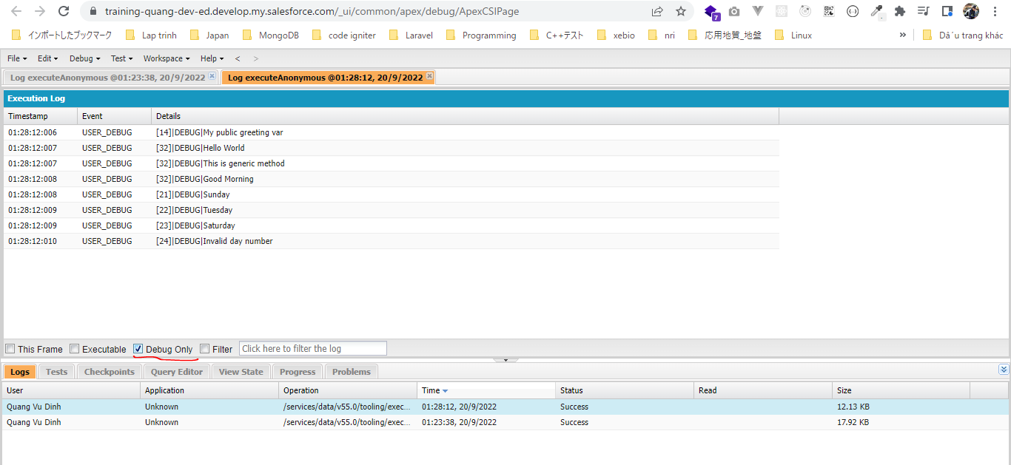
salesforce\4.Apex-Classes-and-Methods\3.parameterized-methods\dev-console.txt
 | // initializes the class
 | HelloWorld firstClass = new HelloWorld();

 | // get an error for private variable
 | //System.debug(firstClass.greeting);
 | /*
 | firstClass.printGreeting();
 | firstClass.printGoodMorning();
 | firstClass.printGoodAfternoon();
 | firstClass.printGoodEvening();
 | */

 | // print public var's value
 | System.debug(firstClass.publicGreeting);

 | firstClass.printMessage('Hello World');
 | firstClass.printMessage('This is generic method');
 | firstClass.printMessage('Good Morning');

 | System.debug(firstClass.getDay(0));
 | System.debug(firstClass.getDay(2));
 | System.debug(firstClass.getDay(6));
 | System.debug(firstClass.getDay(10));

Polymorphic Methods
構成
 | salesforce
 |  | 2.Apex-Fundamentals
 |  | 3.Control-Flow-Statements
 |  | 4.Apex-Classes-and-Methods
 |  |  | 1.hello-world-class
 |  |  |  | dev-console.txt
 |  |  |  | HelloWorld.apxc
 |  |  | 2.access-modifier-and-method-practical
 |  |  |  | dev-console.txt
 |  |  |  | HelloWorld.apxc
 |  |  | 3.parameterized-methods
 |  |  |  | dev-console.txt
 |  |  |  | HelloWorld.apxc
 |  |  | 4.polymorphic-methods |  | → | new
 |  |  |  | dev-console.txt | → | new
 |  |  |  | HelloWorld.apxc | → | new

salesforce\4.Apex-Classes-and-Methods\4.polymorphic-methods\HelloWorld.apxc
 | public class HelloWorld {
 | private String greeting = 'Hello World';
 | // public variable
 | public String publicGreeting = 'My public greeting var';

 | /*private String goodMorning = 'Good Morning';
 | private String goodAfternoon = 'Good Afternoon';
 | private String goodEvening = 'Good Evening';*/

 | /*
 | public void printGreeting() {
 | System.debug(greeting);
 | }

 | public void printGoodMorning() {
 | System.debug(goodMorning);
 | }

 | public void printGoodAfternoon() {
 | System.debug(goodAfternoon);
 | }

 | public void printGoodEvening() {
 | System.debug(goodEvening);
 | }
 | */

 | /*
 | * Generic method to print any message
 | * */
 | public void printMessage(String msg){
 | System.debug(msg);
 | }

 | /*
 | * This method accepts a dayNumber and
 | * returns the name of the day
 | * */
 | public String getDay(Integer dayNumber){ |  |  |  | → | Tham số được truyền vào là Integer
 | String dayString = '';

 | switch on dayNumber {
 | when 0 {
 | dayString = 'Sunday';
 | }
 | when 1 {
 | dayString = 'Monday';
 | }
 | when 2 {
 | dayString = 'Tuesday';
 | }
 | when 3 {
 | dayString = 'Wednesday';
 | }
 | when 4 {
 | dayString = 'Thursday';
 | }
 | when 5 {
 | dayString = 'Friday';
 | }
 | when 6 {
 | dayString = 'Saturday';
 | }
 | when else {
 | dayString = 'Invalid day number';
 | }
 | }

 | return dayString;
 | }

 | /*
 | * This method accepts a day abbreviation and
 | * returns the name of the day
 | * */
 | public String getDay(String dayAbbreviation){ |  |  |  | → | Cùng tên hàm nhưng tham số được truyền vào là String
 | String dayString = '';

 | switch on dayAbbreviation {
 | when 'Sun' {
 | dayString = 'Sunday';
 | }
 | when 'Mon' {
 | dayString = 'Monday';
 | }
 | when 'Tue' {
 | dayString = 'Tuesday';
 | }
 | when 'Wed' {
 | dayString = 'Wednesday';
 | }
 | when 'Thu' {
 | dayString = 'Thursday';
 | }
 | when 'Fri' {
 | dayString = 'Friday';
 | }
 | when 'Sat' {
 | dayString = 'Saturday';
 | }
 | when else {
 | dayString = 'Invalid abbreviation';
 | }
 | }

 | return dayString;
 | }

 | // get an error about access modifiers
 | /*global void printPublicGreeting() {
 | System.debug(publicGreeting);
 | }*/

 | }

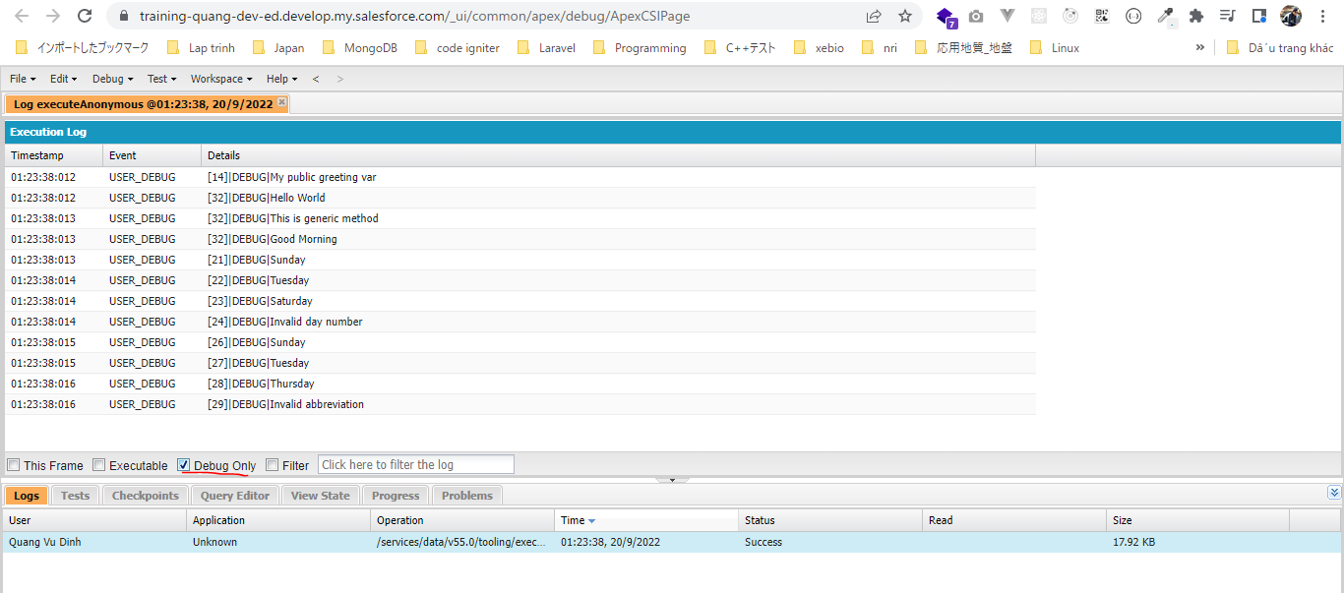
salesforce\4.Apex-Classes-and-Methods\4.polymorphic-methods\dev-console.txt
 | // initializes the class
 | HelloWorld firstClass = new HelloWorld();

 | // get an error for private variable
 | //System.debug(firstClass.greeting);
 | /*
 | firstClass.printGreeting();
 | firstClass.printGoodMorning();
 | firstClass.printGoodAfternoon();
 | firstClass.printGoodEvening();
 | */

 | // print public var's value
 | System.debug(firstClass.publicGreeting);

 | // calling same method multiple times with different values
 | firstClass.printMessage('Hello World');
 | firstClass.printMessage('This is generic method');
 | firstClass.printMessage('Good Morning');

 | System.debug(firstClass.getDay(0));
 | System.debug(firstClass.getDay(2));
 | System.debug(firstClass.getDay(6));
 | System.debug(firstClass.getDay(10));

 | System.debug(firstClass.getDay('Sun'));
 | System.debug(firstClass.getDay('Tue'));
 | System.debug(firstClass.getDay('Thu'));
 | System.debug(firstClass.getDay('asdasda'));

Static Keyword
 | static dùng cho biến hoặc method trong class
 | Áp dụng cho bài toán thông kê số người khỏi bệnh covid ở 1 quốc gia

構成
 | salesforce
 |  | 2.Apex-Fundamentals
 |  | 3.Control-Flow-Statements
 |  | 4.Apex-Classes-and-Methods
 |  |  | 1.hello-world-class
 |  |  |  | dev-console.txt
 |  |  |  | HelloWorld.apxc
 |  |  | 2.access-modifier-and-method-practical
 |  |  |  | dev-console.txt
 |  |  |  | HelloWorld.apxc
 |  |  | 3.parameterized-methods
 |  |  |  | dev-console.txt
 |  |  |  | HelloWorld.apxc
 |  |  | 4.polymorphic-methods
 |  |  |  | dev-console.txt
 |  |  |  | HelloWorld.apxc
 |  |  | 5.static-keyword |  | → | new
 |  |  |  | Covid19.apxc | → | new
 |  |  |  | dev-console.txt | → | new

salesforce\4.Apex-Classes-and-Methods\5.static-keyword\Covid19.apxc
 | /**
 | * Covid19 Class
 | * Track covid19 recovery
 | * */
 | public class Covid19 {
 | public Integer recoveredInArea = 0; |  |  |  | → | Số người khỏi covid ở 1 vùng nào đó của quốc gia(mỗi 1 vùng sẽ là 1 instance của class Covid19)
 | //static variable
 | public static Integer recoveredInCountry = 0; |  |  |  | → | Tổng số người khỏi covid ở 1 quốc gia = tổng của recoveredInArea, do đó recoveredInCountry phải là static và
 |  |  |  |  |  | nó được share là biến sử dụng chung cho tất cả các Instance của class Covid19

 | public void treatPatient(){
 | recoveredInArea++; |  |  |  | → | Khi chưa tạo instance của class Covid19 thì recoveredInArea là null
 | recoveredInCountry++;
 | }

 | // static method
 | public static void printTreated(){ |  |  |  |  | Method printTreated được khai báo static có nghĩa là nó ko phải là method của instance mà nó là method của Class
 | System.debug('Recovered in country : '+recoveredInCountry); |  |  |  | → | Trong static method thì chỉ có thể dùng static variable chứ ko dc dùng normal variable hay non-static variable
 | }

 | }

salesforce\4.Apex-Classes-and-Methods\5.static-keyword\dev-console.txt
 | Covid19 jaipur = new Covid19();

 | System.debug('Recoverd in jaipur : '+jaipur.recoveredInArea);
 | Covid19.printTreated();
 | //System.debug('Recoverd in country : '+Covid19.recoveredInCountry); |  |  |  | → | vì recoveredInCountry là static nên nó ko thể access bằng instance như biến recoveredInArea mà phải access trực
 |  |  |  |  |  | tiếp bằng class Covid19
 | jaipur.treatPatient();
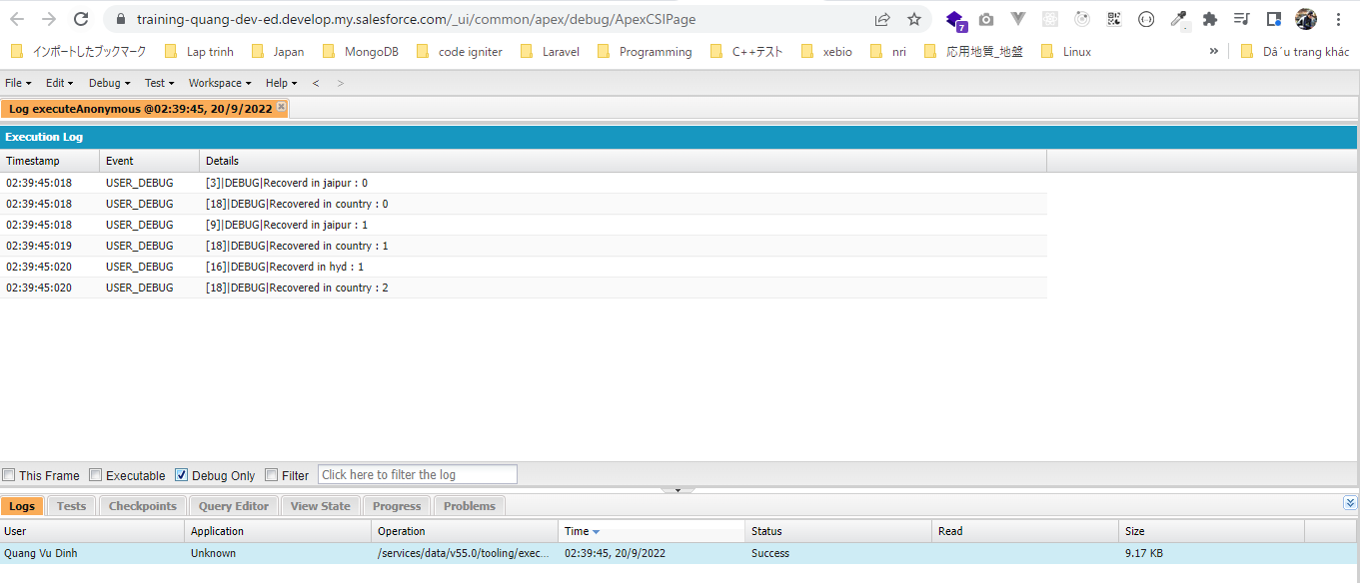
 | System.debug('Recoverd in jaipur : '+jaipur.recoveredInArea);
 | Covid19.printTreated();
 | //System.debug('Recoverd in country : '+Covid19.recoveredInCountry);

 | Covid19 hyd = new Covid19();
 | hyd.treatPatient();

 | System.debug('Recoverd in hyd : '+hyd.recoveredInArea);
 | Covid19.printTreated();
 | //System.debug('Recoverd in country : '+Covid19.recoveredInCountry);

Improve Previous Code
 | Improve Previous Code with Apex Methods

構成
 | salesforce
 |  | 2.Apex-Fundamentals
 |  | 3.Control-Flow-Statements
 |  | 4.Apex-Classes-and-Methods
 |  |  | 1.hello-world-class
 |  |  |  | dev-console.txt
 |  |  |  | HelloWorld.apxc
 |  |  | 2.access-modifier-and-method-practical
 |  |  |  | dev-console.txt
 |  |  |  | HelloWorld.apxc
 |  |  | 3.parameterized-methods
 |  |  |  | dev-console.txt
 |  |  |  | HelloWorld.apxc
 |  |  | 4.polymorphic-methods
 |  |  |  | dev-console.txt
 |  |  |  | HelloWorld.apxc
 |  |  | 5.static-keyword
 |  |  |  | Covid19.apxc
 |  |  |  | dev-console.txt
 |  |  | 6.naming-conventions
 |  |  |  | NamingConventionsDemo.apxc
 |  |  | 7.improve-previous-code-with-methods |  | → | new
 |  |  |  | dev-console.txt | → | new
 |  |  |  | Friends.apxc | → | new

salesforce\4.Apex-Classes-and-Methods\7.improve-previous-code-with-methods\Friends.apxc
 | public class Friends {
 | /*Pizza Rates:
 | 1 slice - $8/slice
 | 2-3 slice - $7/slice
 | >3 slice - $6/slice

 | Ross ordered - 3 slices
 | Chandler ordered - 1 slice
 | Joey ordered - 4 slices
 | */

 | //Create rate card with constants
 | final Integer ONLY_ONE_SLICE = 8;
 | final Integer UPTO_THREE_SLICES = 7;
 | final Integer MORE_THAN_THREE_SLICES = 6;

 | // this method accepts number slices
 | // and returns the amount
 | public Integer getBill(Integer numberOfSlices){
 | Integer billAmount = numberOfSlices == 1 ? ONLY_ONE_SLICE*numberOfSlices :
 | (numberOfSlices <= 3 ? UPTO_THREE_SLICES*numberOfSlices :
 | MORE_THAN_THREE_SLICES*numberOfSlices);
 | return billAmount;
 | }

 | }

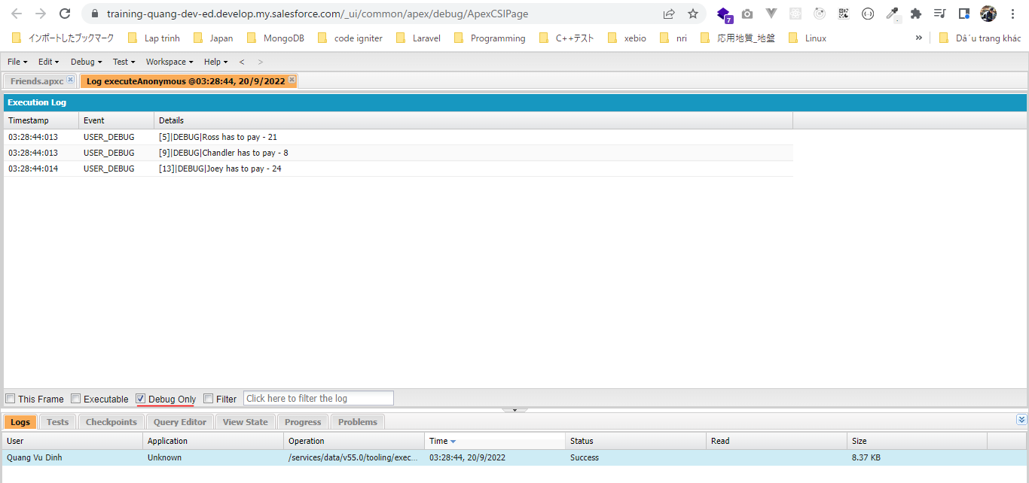
salesforce\4.Apex-Classes-and-Methods\7.improve-previous-code-with-methods\dev-console.txt
 | Friends pizzaNight = new Friends();

 | // Calculate Ross's amount
 | Integer rossHasToPay = pizzaNight.getBill(3);
 | System.debug('Ross has to pay - '+rossHasToPay);

 | // Calculate Chandler's amount
 | Integer chandlerHasToPay = pizzaNight.getBill(1);
 | System.debug('Chandler has to pay - '+chandlerHasToPay);

 | // Calculate Joey's amount
 | Integer joeyHasToPay = pizzaNight.getBill(4);
 | System.debug('Joey has to pay - '+joeyHasToPay);

Challenge - Apex Methods
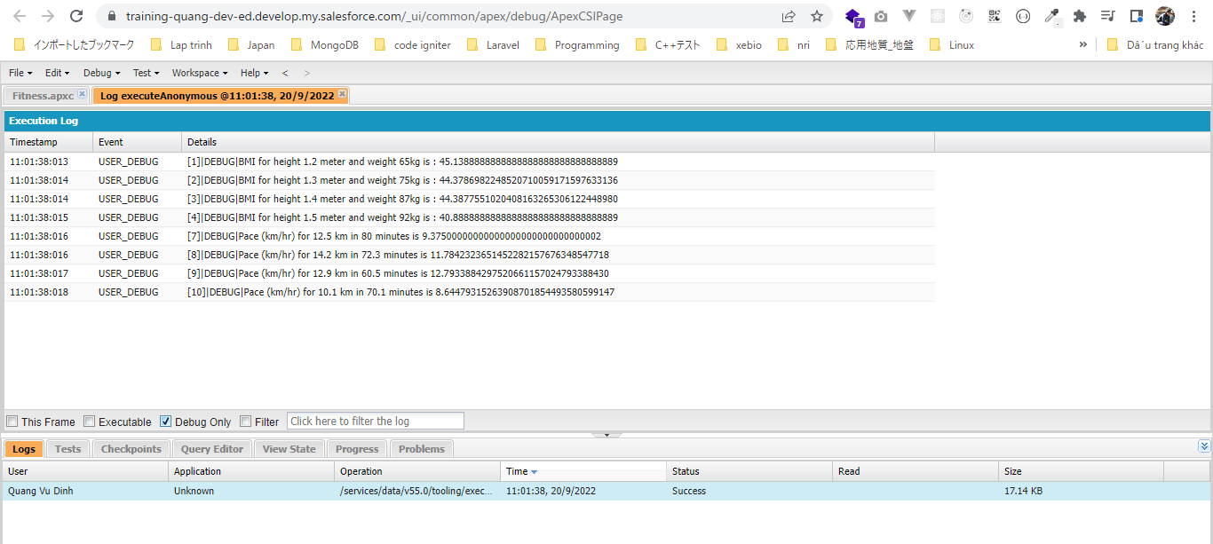
構成
 | salesforce
 |  | 2.Apex-Fundamentals
 |  | 3.Control-Flow-Statements
 |  | 4.Apex-Classes-and-Methods
 |  |  | 1.hello-world-class
 |  |  |  | dev-console.txt
 |  |  |  | HelloWorld.apxc
 |  |  | 2.access-modifier-and-method-practical
 |  |  |  | dev-console.txt
 |  |  |  | HelloWorld.apxc
 |  |  | 3.parameterized-methods
 |  |  |  | dev-console.txt
 |  |  |  | HelloWorld.apxc
 |  |  | 4.polymorphic-methods
 |  |  |  | dev-console.txt
 |  |  |  | HelloWorld.apxc
 |  |  | 5.static-keyword
 |  |  |  | Covid19.apxc
 |  |  |  | dev-console.txt
 |  |  | 6.naming-conventions
 |  |  |  | NamingConventionsDemo.apxc
 |  |  | 7.improve-previous-code-with-methods
 |  |  |  | dev-console.txt
 |  |  |  | Friends.apxc
 |  |  | 8.apex-method-challenge-solution |  | → | new
 |  |  |  | dev-console.txt | → | new
 |  |  |  | Fitness.apxc | → | new

salesforce\4.Apex-Classes-and-Methods\8.apex-method-challenge-solution\Fitness.apxc
 | /**
 | * Fitness class with helpful methods
 | * to calculate human fitness
 | * */
 | public class Fitness {

 | /**
 | * calculateBMI method
 | * accepts body weight (should be in kg)
 | * and body height (should be in meter)
 | * returns BMI value
 | * */
 | public static Decimal calculateBMI(Decimal weight, Decimal height) {
 | Decimal result = weight / (height*height);
 | return result;
 | }

 | /**
 | * calculatePace method
 | * accepts distance (in km)
 | * and minutes
 | * returns pace in km/hr
 | * */
 | public static Decimal calculatePace(Decimal distance, Decimal minutes) {
 | Decimal hr = minutes/60;
 | Decimal pace = distance / hr;
 | return pace;
 | }
 | }

salesforce\4.Apex-Classes-and-Methods\8.apex-method-challenge-solution\dev-console.txt
 | System.debug('BMI for height '+1.2+' meter and weight '+65+'kg is : '+Fitness.calculateBMI(65, 1.2));
 | System.debug('BMI for height '+1.3+' meter and weight '+75+'kg is : '+Fitness.calculateBMI(75, 1.3));
 | System.debug('BMI for height '+1.4+' meter and weight '+87+'kg is : '+Fitness.calculateBMI(87, 1.4));
 | System.debug('BMI for height '+1.5+' meter and weight '+92+'kg is : '+Fitness.calculateBMI(92, 1.5));

 | System.debug('Pace (km/hr) for '+12.5+' km in '+80+' minutes is '+Fitness.calculatePace(12.5, 80));
 | System.debug('Pace (km/hr) for '+14.2+' km in '+72.3+' minutes is '+Fitness.calculatePace(14.2, 72.3));
 | System.debug('Pace (km/hr) for '+12.9+' km in '+60.5+' minutes is '+Fitness.calculatePace(12.9, 60.5));
 | System.debug('Pace (km/hr) for '+10.1+' km in '+70.1+' minutes is '+Fitness.calculatePace(10.1, 70.1));

Class Constructor
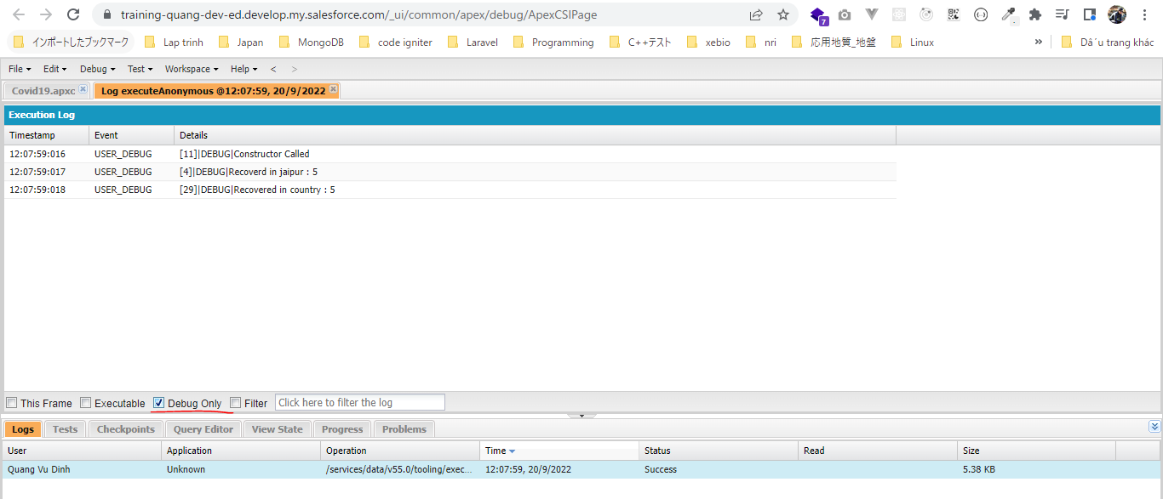
構成
 | salesforce
 |  | 2.Apex-Fundamentals
 |  | 3.Control-Flow-Statements
 |  | 4.Apex-Classes-and-Methods
 |  |  | 1.hello-world-class
 |  |  |  | dev-console.txt
 |  |  |  | HelloWorld.apxc
 |  |  | 2.access-modifier-and-method-practical
 |  |  |  | dev-console.txt
 |  |  |  | HelloWorld.apxc
 |  |  | 3.parameterized-methods
 |  |  |  | dev-console.txt
 |  |  |  | HelloWorld.apxc
 |  |  | 4.polymorphic-methods
 |  |  |  | dev-console.txt
 |  |  |  | HelloWorld.apxc
 |  |  | 5.static-keyword
 |  |  |  | Covid19.apxc
 |  |  |  | dev-console.txt
 |  |  | 6.naming-conventions
 |  |  |  | NamingConventionsDemo.apxc
 |  |  | 7.improve-previous-code-with-methods
 |  |  |  | dev-console.txt
 |  |  |  | Friends.apxc
 |  |  | 8.apex-method-challenge-solution
 |  |  |  | dev-console.txt
 |  |  |  | Fitness.apxc
 |  |  | 9.constructor |  | → | new
 |  |  |  | Covid19.apxc | → | new
 |  |  |  | dev-console.txt | → | new

salesforce\4.Apex-Classes-and-Methods\9.constructor\Covid19.apxc
 | /**
 | * Covid19 Class
 | * Track covid19 recovery
 | * */
 | public class Covid19 {
 | public Integer recoveredInArea = 0; |  |  |  | → | global recoveredInArea
 | public static Integer recoveredInCountry = 0;

 | // blank constructor
 | public Covid19(){ |  |  |  | → | blank constructor vì nó ko có parameter nào. Nó sẽ overwrite lên default blank constructor ngầm của Apex
 | System.debug('Constructor Called');
 | }

 | // parameterized constructor to set class variables value
 | public Covid19(Integer recoveredInArea){ |  |  |  | → | parameter recoveredInArea đóng vai trò là local parameter. Local recoveredInArea của global recoveredInArea
 | // calling blank constructor
 | this(); |  |  |  | → | call blank constructor
 | // use this keyword to refer to global variables
 | this.recoveredInArea = recoveredInArea; |  |  |  | → | this để refer đến global recoveredInArea
 | recoveredInCountry = recoveredInArea;
 | }

 | public void treatPatient(){
 | recoveredInArea++;
 | recoveredInCountry++;
 | }

 | public static void printTreated(){
 | System.debug('Recovered in country : '+recoveredInCountry);
 | }
 | }

salesforce\4.Apex-Classes-and-Methods\9.constructor\dev-console.txt
 | // creating instance with parameterized connstructor
 | Covid19 jaipur = new Covid19(5); |  |  |  | → | Khởi tạo instance bằng contructor có tham số. Lúc này sẽ ko gọi blank constructor mà contructor có tham số sẽ được gọi

 | System.debug('Recoverd in jaipur : '+jaipur.recoveredInArea);
 | Covid19.printTreated();

Initialization Blocks
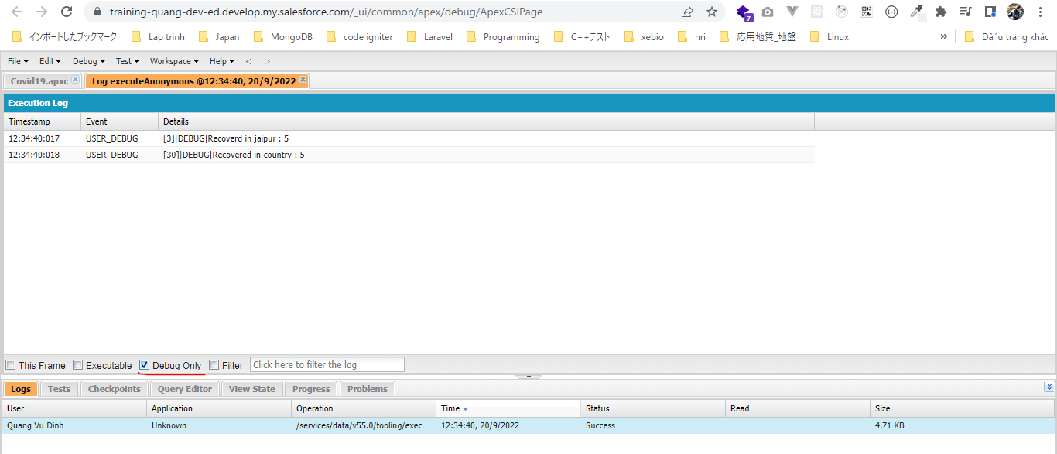
 | Cũng giống như constructor thì Initialization Blocks cũng được execute khi instance class được tạo
 | Thường thì Initialization Blocks được dùng để khởi tạo giá trị cho các variable của class khi class instance được tạo
 | constructor thì nhận giá trị parameter được truyền khi khởi tạo class instance để set giá trị cho variable class. Initialzation block thì ko nhận được parameter được truyền mà sẽ hard code value để
 | set giá trị cho class variable
 | Các giá trị class variable trong initialization block ko được share giữa các class instance với nhau
 | static initialization block thì có thể share variable giữa các class instance

構成
 | salesforce
 |  | 2.Apex-Fundamentals
 |  | 3.Control-Flow-Statements
 |  | 4.Apex-Classes-and-Methods
 |  |  | 1.hello-world-class
 |  |  |  | dev-console.txt
 |  |  |  | HelloWorld.apxc
 |  |  | 2.access-modifier-and-method-practical
 |  |  |  | dev-console.txt
 |  |  |  | HelloWorld.apxc
 |  |  | 3.parameterized-methods
 |  |  |  | dev-console.txt
 |  |  |  | HelloWorld.apxc
 |  |  | 4.polymorphic-methods
 |  |  |  | dev-console.txt
 |  |  |  | HelloWorld.apxc
 |  |  | 5.static-keyword
 |  |  |  | Covid19.apxc
 |  |  |  | dev-console.txt
 |  |  | 6.naming-conventions
 |  |  |  | NamingConventionsDemo.apxc
 |  |  | 7.improve-previous-code-with-methods
 |  |  |  | dev-console.txt
 |  |  |  | Friends.apxc
 |  |  | 8.apex-method-challenge-solution
 |  |  |  | dev-console.txt
 |  |  |  | Fitness.apxc
 |  |  | 9.constructor
 |  |  |  | Covid19.apxc
 |  |  |  | dev-console.txt
 |  |  | 10.initialization-block |  | → | new
 |  |  |  | Covid19.apxc | → | new
 |  |  |  | dev-console.txt | → | new

salesforce\4.Apex-Classes-and-Methods\10.initialization-block\Covid19.apxc
 | /**
 | * Covid19 Class
 | * Track covid19 recovery
 | * */
 | public class Covid19 {
 | public Integer recoveredInArea = 0;
 | public static Integer recoveredInCountry = 0;

 |  | // initialization block 1
 | {
 | recoveredInArea = 5;
 | }

 | // initialization block 2
 | {
 | recoveredInCountry = 5;
 | }

 | // static initialization block
 | static {

 | }

 | public void treatPatient(){
 | recoveredInArea++;
 | recoveredInCountry++;
 | }

 | public static void printTreated(){
 | System.debug('Recovered in country : '+recoveredInCountry);
 | }
 | }

salesforce\4.Apex-Classes-and-Methods\10.initialization-block\dev-console.txt
 | Covid19 jaipur = new Covid19();

 | System.debug('Recoverd in jaipur : '+jaipur.recoveredInArea);
 | Covid19.printTreated();

Apex Class Lifecycle
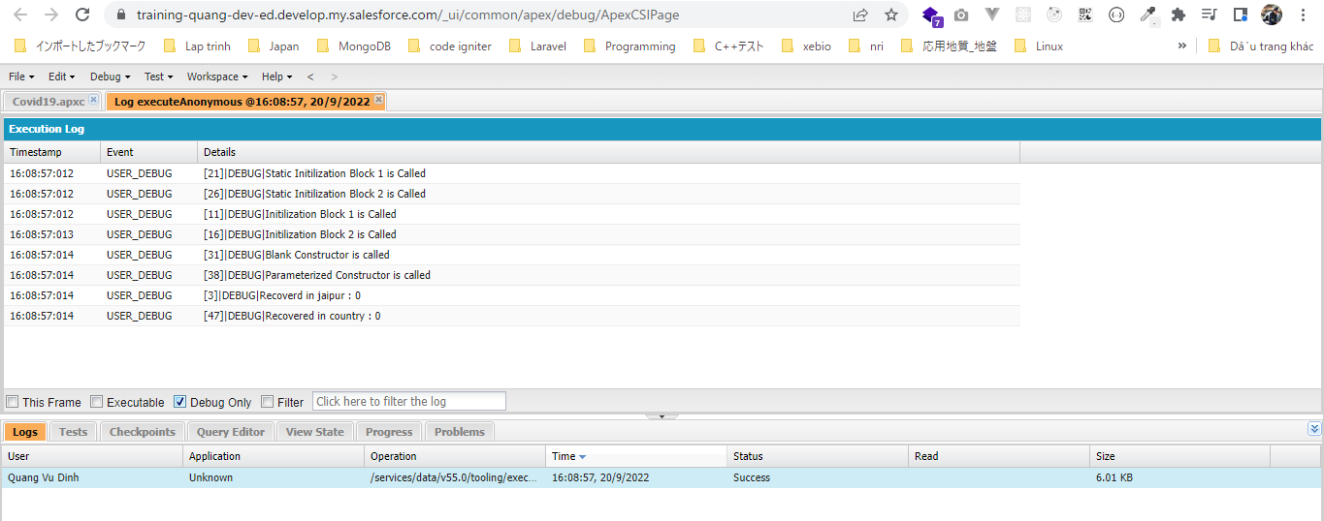
 | Như mình đã biết có 3 cách khởi tạo khi class instance được tạo đó là: constructor, initialization block và static initialization
 | Thứ tự lần lượt là: static initialization -> initialization block -> constructor

構成
 | salesforce
 |  | 2.Apex-Fundamentals
 |  | 3.Control-Flow-Statements
 |  | 4.Apex-Classes-and-Methods
 |  |  | 1.hello-world-class
 |  |  |  | dev-console.txt
 |  |  |  | HelloWorld.apxc
 |  |  | 2.access-modifier-and-method-practical
 |  |  |  | dev-console.txt
 |  |  |  | HelloWorld.apxc
 |  |  | 3.parameterized-methods
 |  |  |  | dev-console.txt
 |  |  |  | HelloWorld.apxc
 |  |  | 4.polymorphic-methods
 |  |  |  | dev-console.txt
 |  |  |  | HelloWorld.apxc
 |  |  | 5.static-keyword
 |  |  |  | Covid19.apxc
 |  |  |  | dev-console.txt
 |  |  | 6.naming-conventions
 |  |  |  | NamingConventionsDemo.apxc
 |  |  | 7.improve-previous-code-with-methods
 |  |  |  | dev-console.txt
 |  |  |  | Friends.apxc
 |  |  | 8.apex-method-challenge-solution
 |  |  |  | dev-console.txt
 |  |  |  | Fitness.apxc
 |  |  | 9.constructor
 |  |  |  | Covid19.apxc
 |  |  |  | dev-console.txt
 |  |  | 10.initialization-block
 |  |  |  | Covid19.apxc
 |  |  |  | dev-console.txt
 |  |  | 11.apex-class-order-of-execution |  | → | new
 |  |  |  | Covid19.apxc | → | new
 |  |  |  | dev-console.txt | → | new

salesforce\4.Apex-Classes-and-Methods\11.apex-class-order-of-execution\Covid19.apxc
 | /**
 | * Covid19 Class
 | * Track covid19 recovery
 | * */
 | public class Covid19 {
 | public Integer recoveredInArea = 0;
 | public static Integer recoveredInCountry = 0;

 |  | // initialization block 1
 | {
 | System.debug('Initilization Block 1 is Called');
 | }

 | // initialization block 2
 | {
 | System.debug('Initilization Block 2 is Called');
 | }

 | // static initialization block 1
 | static {
 | System.debug('Static Initilization Block 1 is Called');
 | }

 | // static initialization block 2
 | static {
 | System.debug('Static Initilization Block 2 is Called');
 | }

 | // blank constructor
 | public Covid19(){
 | System.debug('Blank Constructor is called');
 | }

 | // parameterized constructor to set class variables value
 | public Covid19(Integer recoveredInArea){
 | // calling blank constructor
 | this();
 | System.debug('Parameterized Constructor is called');
 | }

 | public void treatPatient(){
 | recoveredInArea++;
 | recoveredInCountry++;
 | }

 | public static void printTreated(){
 | System.debug('Recovered in country : '+recoveredInCountry);
 | }
 | }

salesforce\4.Apex-Classes-and-Methods\11.apex-class-order-of-execution\dev-console.txt
 | Covid19 jaipur = new Covid19(5);

 | System.debug('Recoverd in jaipur : '+jaipur.recoveredInArea);
 | Covid19.printTreated();

Thứ tự lần lượt là: static initialization -> initialization block -> constructor

InnerApexClassOrWrapperClass
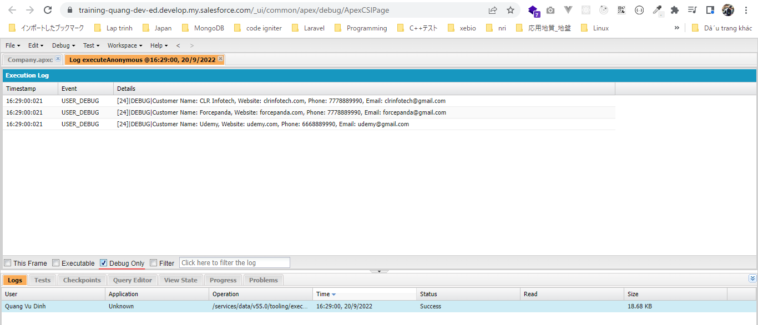
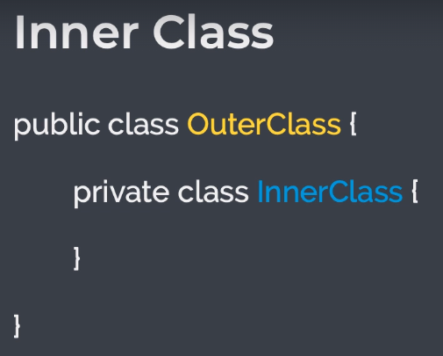

構成
 | salesforce
 |  | 2.Apex-Fundamentals
 |  | 3.Control-Flow-Statements
 |  | 4.Apex-Classes-and-Methods
 |  |  | 1.hello-world-class
 |  |  |  | dev-console.txt
 |  |  |  | HelloWorld.apxc
 |  |  | 2.access-modifier-and-method-practical
 |  |  |  | dev-console.txt
 |  |  |  | HelloWorld.apxc
 |  |  | 3.parameterized-methods
 |  |  |  | dev-console.txt
 |  |  |  | HelloWorld.apxc
 |  |  | 4.polymorphic-methods
 |  |  |  | dev-console.txt
 |  |  |  | HelloWorld.apxc
 |  |  | 5.static-keyword
 |  |  |  | Covid19.apxc
 |  |  |  | dev-console.txt
 |  |  | 6.naming-conventions
 |  |  |  | NamingConventionsDemo.apxc
 |  |  | 7.improve-previous-code-with-methods
 |  |  |  | dev-console.txt
 |  |  |  | Friends.apxc
 |  |  | 8.apex-method-challenge-solution
 |  |  |  | dev-console.txt
 |  |  |  | Fitness.apxc
 |  |  | 9.constructor
 |  |  |  | Covid19.apxc
 |  |  |  | dev-console.txt
 |  |  | 10.initialization-block
 |  |  |  | Covid19.apxc
 |  |  |  | dev-console.txt
 |  |  | 11.apex-class-order-of-execution
 |  |  |  | Covid19.apxc
 |  |  |  | dev-console.txt
 |  |  | 12.inner-class |  | → | new
 |  |  |  | Company.apxc | → | new
 |  |  |  | dev-console.txt | → | new

salesforce\4.Apex-Classes-and-Methods\12.inner-class\Company.apxc
 | /**
 | * Company Class
 | * Stores information about the company
 | * and its customers
 | * */
 | public class Company {
 |  | public String companyName;
 | public String ceo;
 | public Integer employeeCount;
 | public Long revenue;

 | // List of all customers
 | private List<Client> customers = new List<Client>();

 | // add new customer
 | public void addNewCustomer(String name, String website, String email, Long phone) {
 | Client customer = new Client(name, website, email, phone);
 | customers.add(customer);
 | }

 | // print the list of all customers
 | public void getAllCustomers(){
 | for(Client customer : customers){
 | System.debug('Customer Name: '+customer.clientName+', Website: '+customer.website+', Phone: '+customer.phone+', Email: '+customer.email);
 | }
 | }

 | // private inner class to store customer information
 | private class Client {
 | public String clientName;
 | public String website;
 | public String email;
 | public Long phone;

 | Client (String clientName, String website, String email, Long phone){ |  |  |  |  |  | → | inner class Client chỉ được dùng trong class Company
 | this.clientName = clientName;
 | this.website = website;
 | this.email = email;
 | this.phone = phone;
 | }
 | }
 | }

salesforce\4.Apex-Classes-and-Methods\12.inner-class\dev-console.txt
 | Company sfdcfacts = new Company();
 | sfdcfacts.companyName = 'SFDCFacts Academy';
 | sfdcfacts.ceo = 'Manish Choudhari';
 | sfdcfacts.employeeCount = 6;
 | sfdcfacts.revenue = 1000000;

 | sfdcfacts.addNewCustomer('CLR Infotech', 'clrinfotech.com', 'clrinfotech@gmail.com', 7778889990L);
 | sfdcfacts.addNewCustomer('Forcepanda', 'forcepanda.com', 'forcepanda@gmail.com', 7778889990L);
 | sfdcfacts.addNewCustomer('Udemy', 'udemy.com', 'udemy@gmail.com', 6668889990L);

 | sfdcfacts.getAllCustomers();

