Annotations
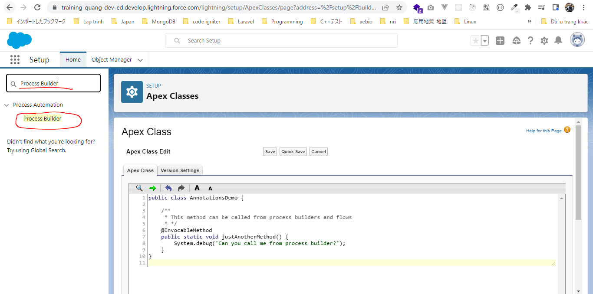
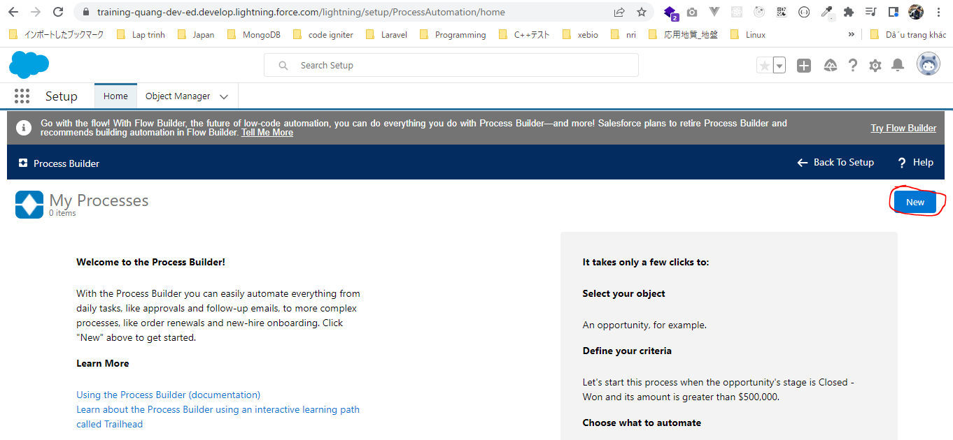
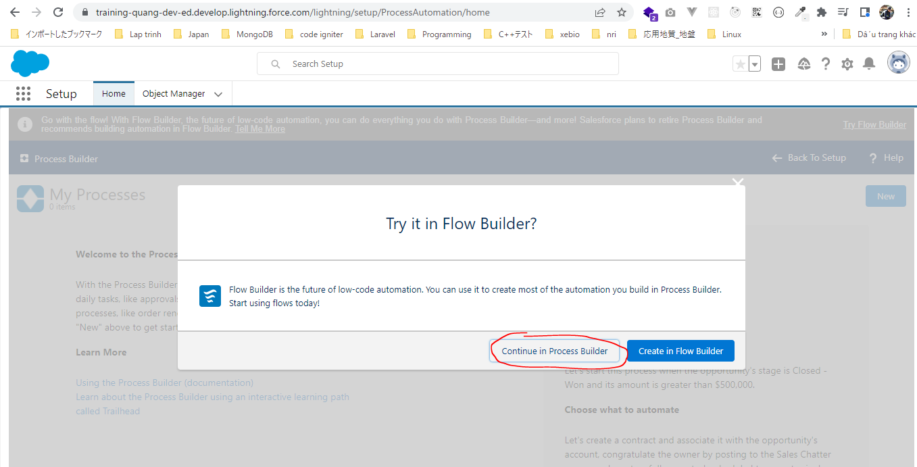
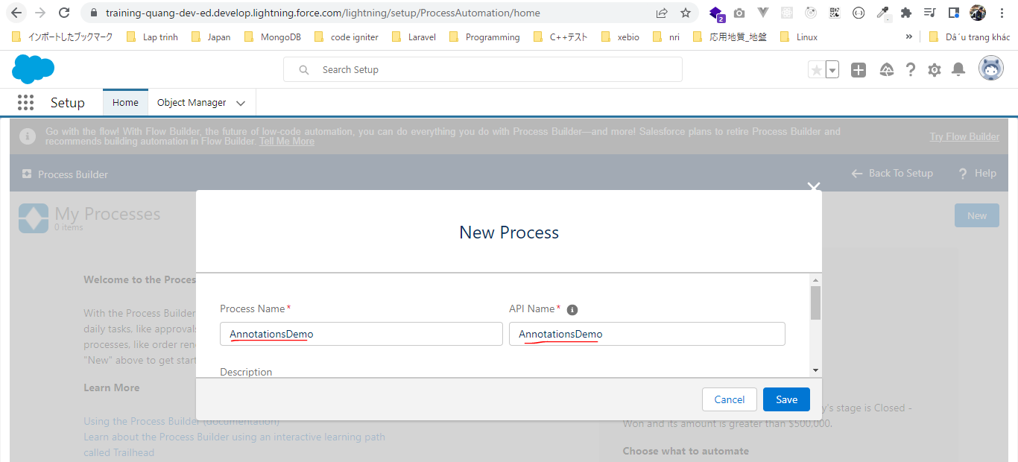
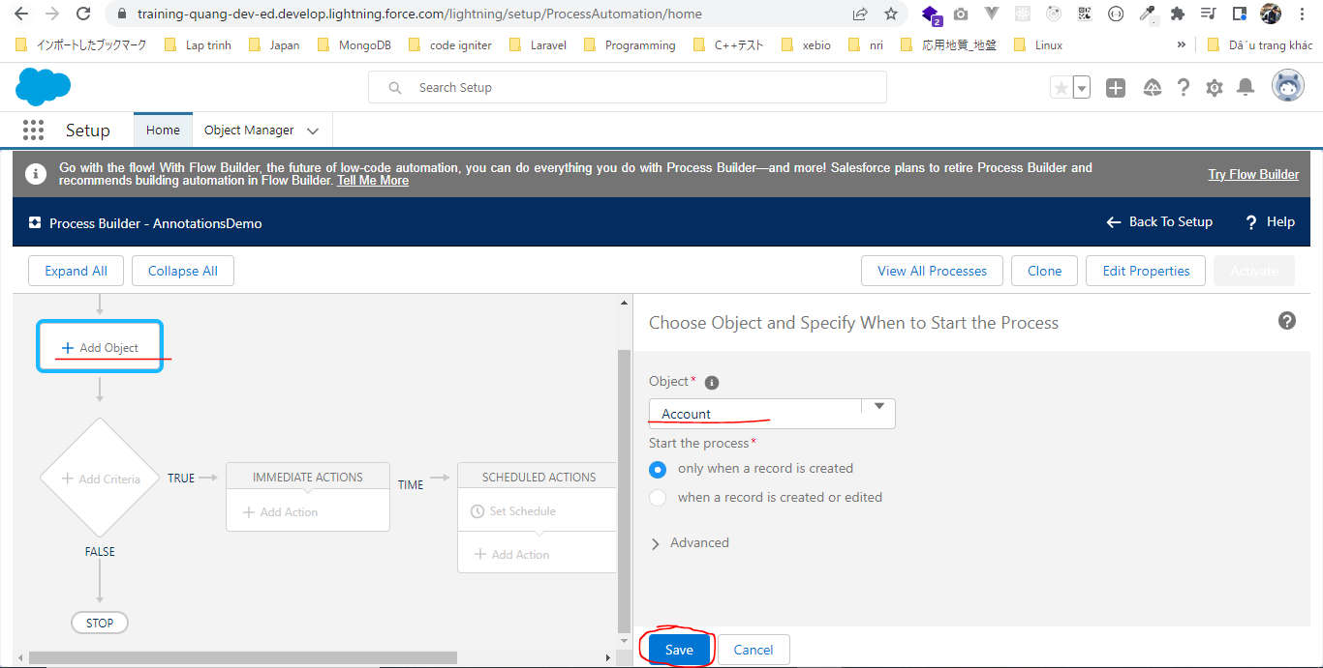
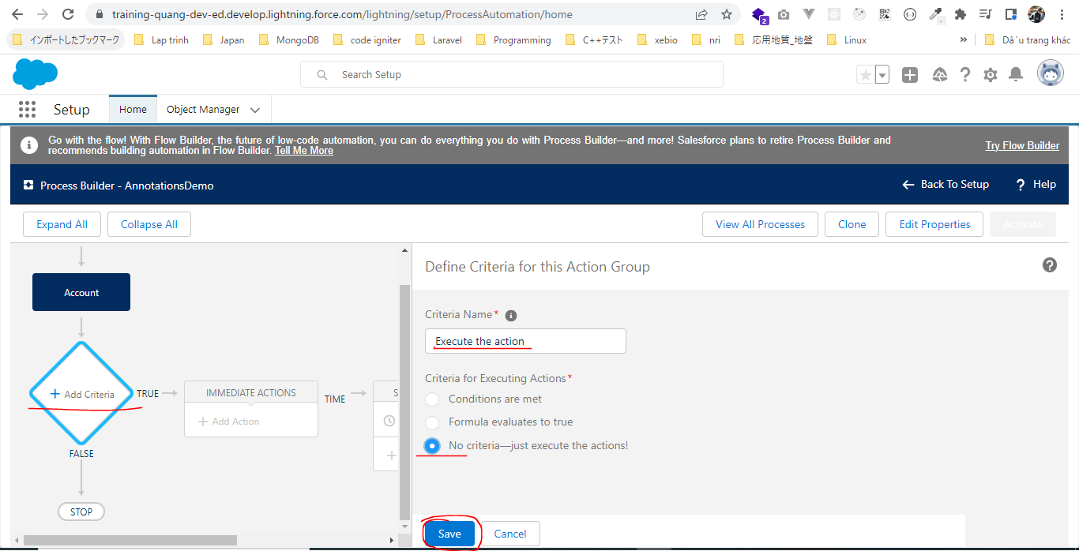
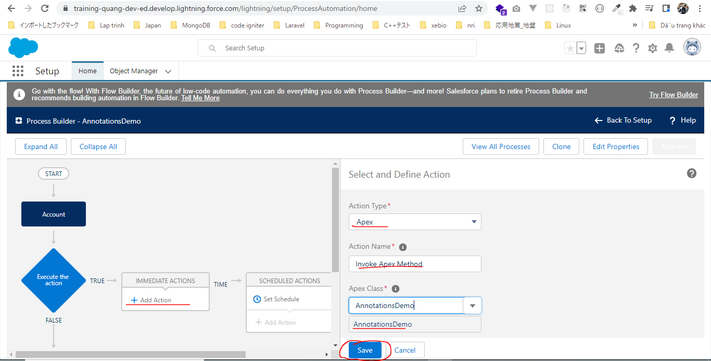
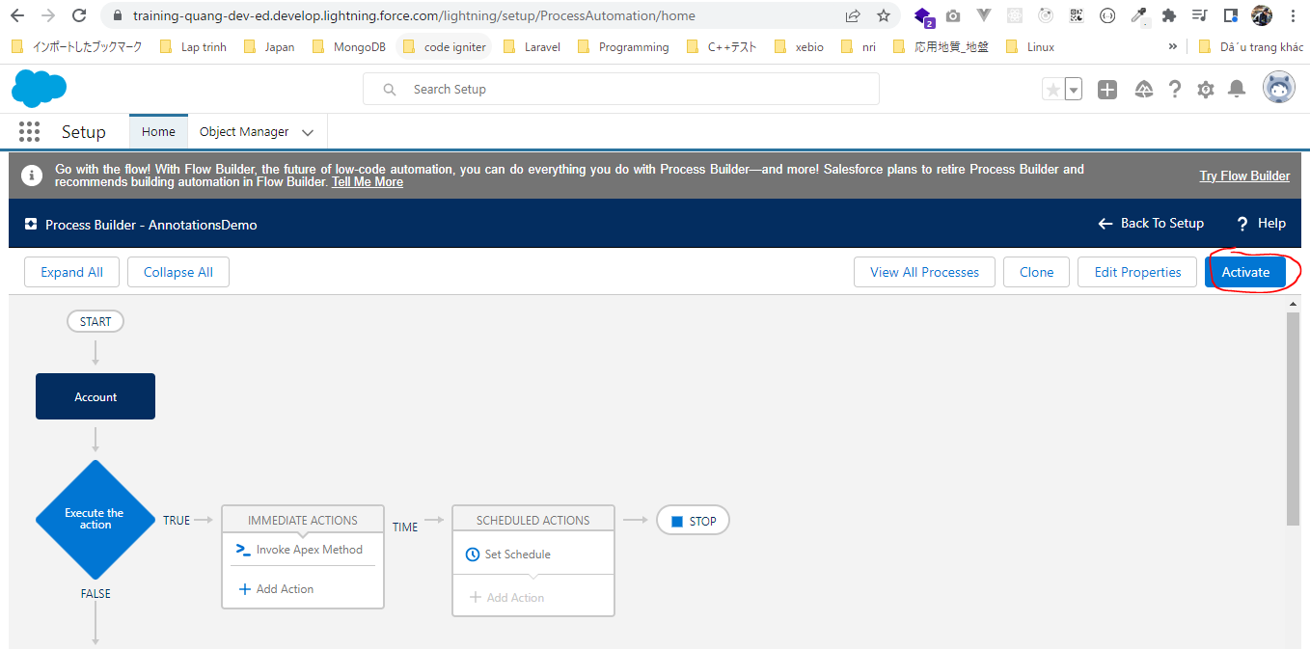
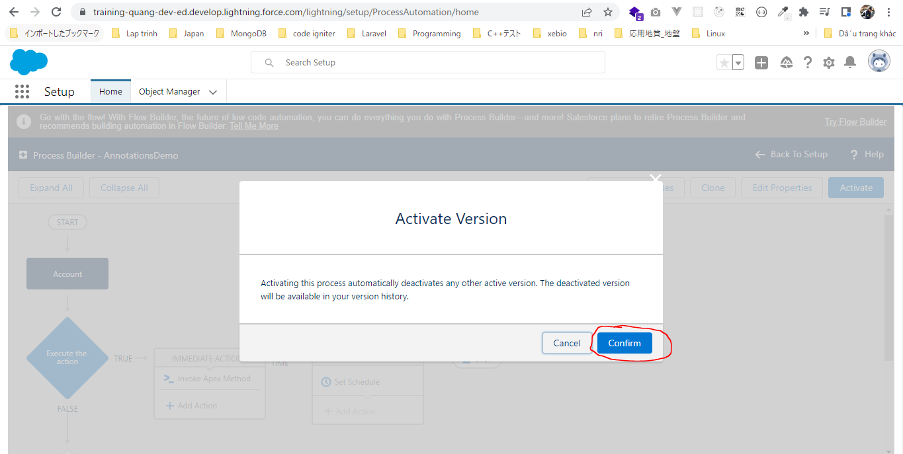
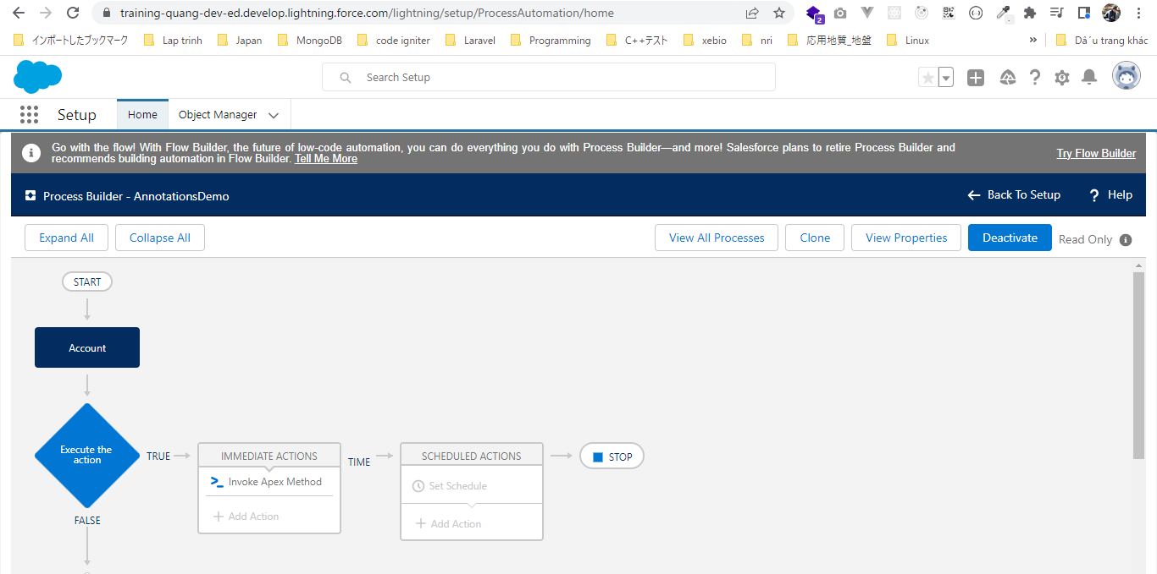
構成
 | salesforce
 |  | 2.Apex-Fundamentals
 |  | 3.Control-Flow-Statements
 |  | 4.Apex-Classes-and-Methods
 |  | 5.Apex-Testing |  |  | → | new
 |  |  | 1.annotations |  | → | new
 |  |  |  | AnnotationsDemo.apxc | → | new

salesforce\5.Apex-Testing\1.annotations\AnnotationsDemo.apxc
 | public class AnnotationsDemo {

 | /**
 | * This method can be called from process builders and flows
 | * */
 | @InvocableMethod |  |  |  | → | this method can be called from process builder or visual flow
 | public static void justAnotherMethod() {
 | System.debug('Can you call me from process builder?');
 | }
 | }

Call justAnotherMethod method from process builder

