Apex Test Data
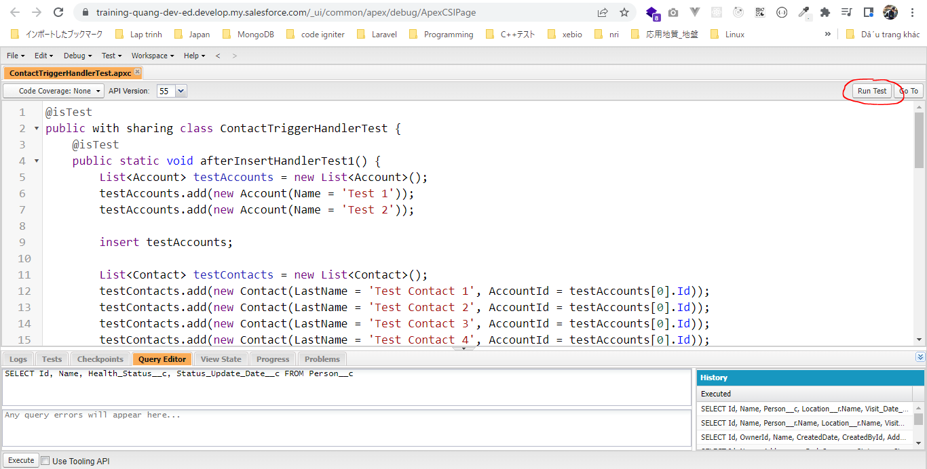
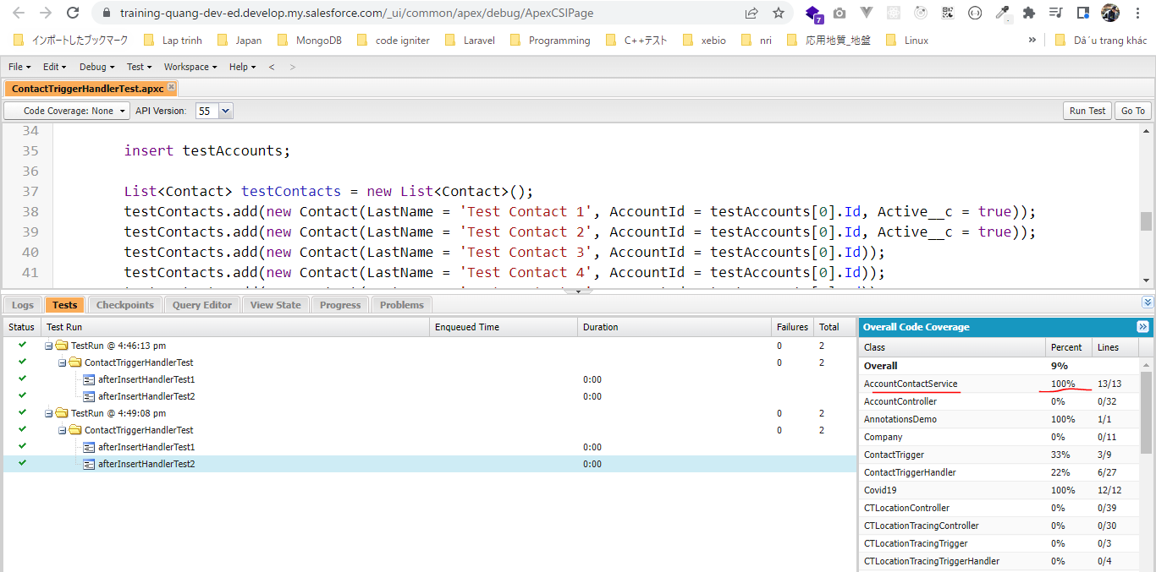
 | Viết test cho ContactTriggerHandler

構成
 | salesforce
 |  | 2.Apex-Fundamentals
 |  | 3.Control-Flow-Statements
 |  | 4.Apex-Classes-and-Methods
 |  | 5.Apex-Testing
 |  | 6.Salesforce-Object-Query-Language
 |  | 7.SObject-and-DML
 |  | 8.Exception-Handling
 |  | 9.VS Code-Setup
 |  | 10.Governors-Limits-and-Code-Bulkification
 |  | 11.Advanced-SOQL
 |  | 12.Trigger-overview
 |  | 13.Apex-Testing-Part-2 |  |  |  |  |  |  | → | new
 |  |  | 1.apex-testing-data |  |  |  |  |  | → | new
 |  |  |  | ContactTriggerHandlerTest.cls |  |  |  |  | → | new
 |  | Boss-Level-Challenge
 |  |  | contact-tracing
 |  |  |  | force-app
 |  |  |  |  | main
 |  |  |  |  |  | default
 |  |  |  |  |  |  | classes
 |  |  |  |  |  |  |  | ContactTriggerHandlerTest.cls | → | new
 |  |  |  |  |  |  |  | CTLocationController.cls
 |  |  |  |  |  |  |  | CTLocationTracingController.cls
 |  |  |  |  |  |  |  | CTLocationTracingTriggerHandler.cls
 |  |  |  |  |  |  |  | CTLocationTriggerHandler.cls
 |  |  |  |  |  |  |  | CTPeopleTracingController.cls
 |  |  |  |  |  |  |  | CTPeopleTracingTriggerHandler.cls
 |  |  |  |  |  |  |  | CTPersonController.cls
 |  |  |  |  |  |  |  | CTPersonTriggerHandler.cls
 |  |  |  |  |  |  | triggers

salesforce\Boss-Level-Challenge\contact-tracing\force-app\main\default\classes\ContactTriggerHandler.cls
 | public with sharing class ContactTriggerHandler {
 | public static void afterInsertHandler(List<Contact> newContacts) {
 | Set<Id> accountIds = new Set<Id>();
 | for (Contact con : newContacts) {
 | if (String.isNotBlank(con.AccountId)) {
 | // write automation logic here
 | accountIds.add(con.AccountId);
 | }
 | }
 | AccountContactService.updateActiveContacts(accountIds);
 | }

 | public static void afterUpdateHandler(List<Contact> newContacts, Map<Id, Contact> oldContactsMap) {
 | Set<Id> accountIds = new Set<Id>();
 | for (Contact con : newContacts) {
 | // capture the account id only if active checkbox value is flipped
 | if (String.isNotBlank(con.AccountId) && oldContactsMap.get(con.Id).Active__c != con.Active__c) {
 | // write automation logic here
 | accountIds.add(con.AccountId);
 | } else if (oldContactsMap.get(con.Id).AccountId != con.AccountId) {
 | accountIds.add(con.AccountId);
 | accountIds.add(oldContactsMap.get(con.Id).AccountId);
 | }
 | }
 | AccountContactService.updateActiveContacts(accountIds);
 | }

 | public static void afterDeleteHandler(List<Contact> oldContacts) {
 | Set<Id> accountIds = new Set<Id>();
 | for (Contact con : oldContacts) {
 | if (String.isNotBlank(con.AccountId)) {
 | // write automation logic here
 | accountIds.add(con.AccountId);
 | }
 | }
 | AccountContactService.updateActiveContacts(accountIds);
 | }

 | public static void afterUndeleteHandler(List<Contact> newContacts) {
 | Set<Id> accountIds = new Set<Id>();
 | for (Contact con : newContacts) {
 | if (String.isNotBlank(con.AccountId)) {
 | // write automation logic here
 | accountIds.add(con.AccountId);
 | }
 | }
 | AccountContactService.updateActiveContacts(accountIds);
 | }
 | }

salesforce\13.Apex-Testing-Part-2\1.apex-test-data\ContactTriggerHandlerTest.cls
salesforce\Boss-Level-Challenge\contact-tracing\force-app\main\default\classes\ContactTriggerHandlerTest.cls
 | @isTest
 | public with sharing class ContactTriggerHandlerTest {
 | @isTest
 | public static void afterInsertHandlerTest1() { |  |  |  |  |  |  |  | → | test method không trả về giá trị gì nên phải để là void
 | List<Account> testAccounts = new List<Account>(); |  |  |  |  |  |  |  |  | phương thức afterInsertHandler của class ContactTriggerHandler có tham số truyền vào là list contact do đó mình phải tạo 1 vài account và contact để test method này
 | testAccounts.add(new Account(Name = 'Test 1'));
 | testAccounts.add(new Account(Name = 'Test 2'));

 | insert testAccounts;

 | List<Contact> testContacts = new List<Contact>();
 | testContacts.add(new Contact(LastName = 'Test Contact 1', AccountId = testAccounts[0].Id)); |  |  |  |  |  |  |  | → | Không chọn active checkbox là true
 | testContacts.add(new Contact(LastName = 'Test Contact 2', AccountId = testAccounts[0].Id)); |  |  |  |  |  |  |  | → | Không chọn active checkbox là true
 | testContacts.add(new Contact(LastName = 'Test Contact 3', AccountId = testAccounts[0].Id)); |  |  |  |  |  |  |  | → | Không chọn active checkbox là true
 | testContacts.add(new Contact(LastName = 'Test Contact 4', AccountId = testAccounts[0].Id)); |  |  |  |  |  |  |  | → | Không chọn active checkbox là true
 | testContacts.add(new Contact(LastName = 'Test Contact 5', AccountId = testAccounts[1].Id)); |  |  |  |  |  |  |  | → | Không chọn active checkbox là true

 | insert testContacts; |  |  |  |  |  |  |  | → | Khi insert statement được execute thì ContactTrigger -> ContactTriggerHandler.afterInsertHandler() -> AccountContactService.updateActiveContacts() được execute

 | List<Account> accs = [SELECT Id, Active_Contacts__c FROM Account]; |  |  |  |  |  |  |  | → | Không cần điều kiện where bởi vì mình sẽ query tất cả test data. Khi SOQL được viết trong test class thì nó sẽ ko query Org data mà chỉ query test data mình đã tạo trong test class
 | System.assertEquals(2, accs.size()); |  |  |  |  |  |  |  | → | Đã insert 2 account
 | System.assertEquals(0, accs[0].Active_Contacts__c); |  |  |  |  |  |  |  | → | Contact không chọn active checkbox là true nên Active_Contacts__c của account sẽ là 0
 | System.assertEquals(0, accs[1].Active_Contacts__c); |  |  |  |  |  |  |  | → | Contact không chọn active checkbox là true nên Active_Contacts__c của account sẽ là 0

 | List<Contact> allContacts = [SELECT Id FROM Contact];
 | System.assertEquals(5, allContacts.size());
 | }

 | @isTest
 | public static void afterInsertHandlerTest2() {
 | List<Account> testAccounts = new List<Account>();
 | testAccounts.add(new Account(Name = 'Test 1'));
 | testAccounts.add(new Account(Name = 'Test 2'));

 | insert testAccounts;

 | List<Contact> testContacts = new List<Contact>();
 | testContacts.add(new Contact(LastName = 'Test Contact 1', AccountId = testAccounts[0].Id, Active__c = true));
 | testContacts.add(new Contact(LastName = 'Test Contact 2', AccountId = testAccounts[0].Id, Active__c = true));
 | testContacts.add(new Contact(LastName = 'Test Contact 3', AccountId = testAccounts[0].Id));
 | testContacts.add(new Contact(LastName = 'Test Contact 4', AccountId = testAccounts[0].Id));
 | testContacts.add(new Contact(LastName = 'Test Contact 5', AccountId = testAccounts[1].Id));

 | insert testContacts;

 | List<Account> accs = [SELECT Id, Name, Active_Contacts__c FROM Account];
 | System.assertEquals(2, accs.size());
 | for (Account acc : accs) {
 | if (acc.Name == 'Test 1') {
 | System.assertEquals(2, acc.Active_Contacts__c);
 | }
 | if (acc.Name == 'Test 2') {
 | System.assertEquals(0, acc.Active_Contacts__c);
 | }
 | }

 | List<Contact> allContacts = [SELECT Id FROM Contact];
 | System.assertEquals(5, allContacts.size());
 | }
 | }

Deploy
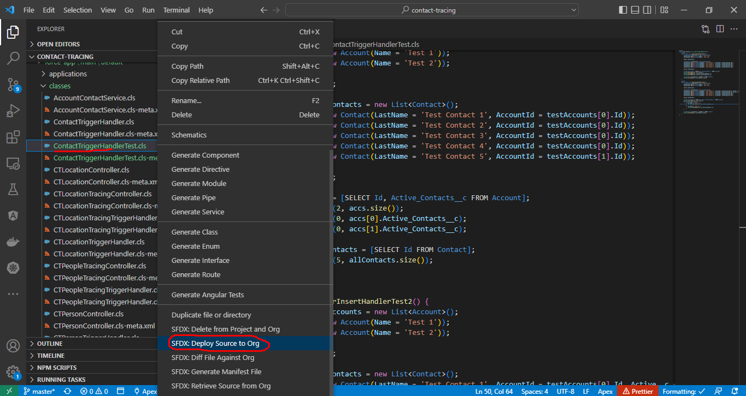

Test

Bulk Test
構成
 | salesforce
 |  | 2.Apex-Fundamentals
 |  | 3.Control-Flow-Statements
 |  | 4.Apex-Classes-and-Methods
 |  | 5.Apex-Testing
 |  | 6.Salesforce-Object-Query-Language
 |  | 7.SObject-and-DML
 |  | 8.Exception-Handling
 |  | 9.VS Code-Setup
 |  | 10.Governors-Limits-and-Code-Bulkification
 |  | 11.Advanced-SOQL
 |  | 12.Trigger-overview
 |  | 13.Apex-Testing-Part-2
 |  |  | 1.apex-testing-data
 |  |  |  | ContactTriggerHandlerTest.cls
 |  |  | 2.apex-testing-bulk-test |  |  |  |  |  | → | new
 |  |  |  | ContactTriggerHandlerTest.cls |  |  |  |  | → | new
 |  | Boss-Level-Challenge
 |  |  | contact-tracing
 |  |  |  | force-app
 |  |  |  |  | main
 |  |  |  |  |  | default
 |  |  |  |  |  |  | classes
 |  |  |  |  |  |  |  | ContactTriggerHandlerTest.cls | → | code
 |  |  |  |  |  |  |  | CTLocationController.cls
 |  |  |  |  |  |  |  | CTLocationTracingController.cls
 |  |  |  |  |  |  |  | CTLocationTracingTriggerHandler.cls
 |  |  |  |  |  |  |  | CTLocationTriggerHandler.cls
 |  |  |  |  |  |  |  | CTPeopleTracingController.cls
 |  |  |  |  |  |  |  | CTPeopleTracingTriggerHandler.cls
 |  |  |  |  |  |  |  | CTPersonController.cls
 |  |  |  |  |  |  |  | CTPersonTriggerHandler.cls
 |  |  |  |  |  |  | triggers

salesforce\13.Apex-Testing-Part-2\2.apex-testing-bulk-test\ContactTriggerHandlerTest.cls
salesforce\Boss-Level-Challenge\contact-tracing\force-app\main\default\classes\ContactTriggerHandlerTest.cls
 | @isTest
 | public with sharing class ContactTriggerHandlerTest {
 | @isTest
 | public static void afterInsertHandlerTest1() {
 | List<Account> testAccounts = new List<Account>();
 | testAccounts.add(new Account(Name = 'Test 1'));
 | testAccounts.add(new Account(Name = 'Test 2'));

 | insert testAccounts;

 | List<Contact> testContacts = new List<Contact>();
 | testContacts.add(new Contact(LastName = 'Test Contact 1', AccountId = testAccounts[0].Id));
 | testContacts.add(new Contact(LastName = 'Test Contact 2', AccountId = testAccounts[0].Id));
 | testContacts.add(new Contact(LastName = 'Test Contact 3', AccountId = testAccounts[0].Id));
 | testContacts.add(new Contact(LastName = 'Test Contact 4', AccountId = testAccounts[0].Id));
 | testContacts.add(new Contact(LastName = 'Test Contact 5', AccountId = testAccounts[1].Id));

 | insert testContacts;

 | List<Account> accs = [SELECT Id, Active_Contacts__c FROM Account];
 | System.assertEquals(2, accs.size());
 | System.assertEquals(0, accs[0].Active_Contacts__c);
 | System.assertEquals(0, accs[1].Active_Contacts__c);

 | List<Contact> allContacts = [SELECT Id FROM Contact];
 | System.assertEquals(5, allContacts.size());
 | }

 | @isTest
 | public static void afterInsertHandlerTest2() {
 | List<Account> testAccounts = new List<Account>();
 | testAccounts.add(new Account(Name = 'Test 1'));
 | testAccounts.add(new Account(Name = 'Test 2'));

 | insert testAccounts;

 | List<Contact> testContacts = new List<Contact>();
 | testContacts.add(new Contact(LastName = 'Test Contact 1', AccountId = testAccounts[0].Id, Active__c = true));
 | testContacts.add(new Contact(LastName = 'Test Contact 2', AccountId = testAccounts[0].Id, Active__c = true));
 | testContacts.add(new Contact(LastName = 'Test Contact 3', AccountId = testAccounts[0].Id));
 | testContacts.add(new Contact(LastName = 'Test Contact 4', AccountId = testAccounts[0].Id));
 | testContacts.add(new Contact(LastName = 'Test Contact 5', AccountId = testAccounts[1].Id));

 | insert testContacts;

 | List<Account> accs = [SELECT Id, Name, Active_Contacts__c FROM Account];
 | System.assertEquals(2, accs.size());
 | for (Account acc : accs) {
 | if (acc.Name == 'Test 1') {
 | System.assertEquals(2, acc.Active_Contacts__c);
 | }
 | if (acc.Name == 'Test 2') {
 | System.assertEquals(0, acc.Active_Contacts__c);
 | }
 | }

 | List<Contact> allContacts = [SELECT Id FROM Contact];
 | System.assertEquals(5, allContacts.size());
 | }

 | @isTest
 | public static void afterInsertHandlerTestBulk() {
 | List<Account> testAccounts = new List<Account>();
 | testAccounts.add(new Account(Name = 'Test 1'));
 | testAccounts.add(new Account(Name = 'Test 2'));

 | insert testAccounts;

 | List<Contact> testContacts = new List<Contact>(); |  |  |  |  |  |  |  |  | → | Thêm 1000 contact với Active__c là true, AccountId là id của account 1
 | for (Integer i = 0; i < 1000; i++) {
 | testContacts.add(new Contact(LastName = 'Test Contact ' + i, AccountId = testAccounts[0].Id, Active__c = true));
 | }
 | testContacts.add(new Contact(LastName = 'Test Contact Inactive 1', AccountId = testAccounts[0].Id)); |  |  |  |  |  |  |  |  | → | Thêm 3 contact với Active__c là false, AccountId là id của account 2
 | testContacts.add(new Contact(LastName = 'Test Contact Inactive 2', AccountId = testAccounts[0].Id));
 | testContacts.add(new Contact(LastName = 'Test Contact Inactive 3', AccountId = testAccounts[1].Id));

 | insert testContacts;

 | List<Account> accs = [SELECT Id, Name, Active_Contacts__c FROM Account];
 | System.assertEquals(2, accs.size());
 | for (Account acc : accs) {
 | if (acc.Name == 'Test 1') {
 | System.assertEquals(1000, acc.Active_Contacts__c);
 | }
 | if (acc.Name == 'Test 2') {
 | System.assertEquals(0, acc.Active_Contacts__c);
 | }
 | }

 | List<Contact> allContacts = [SELECT Id FROM Contact];
 | System.assertEquals(1003, allContacts.size());
 | }
 | }

Deploy
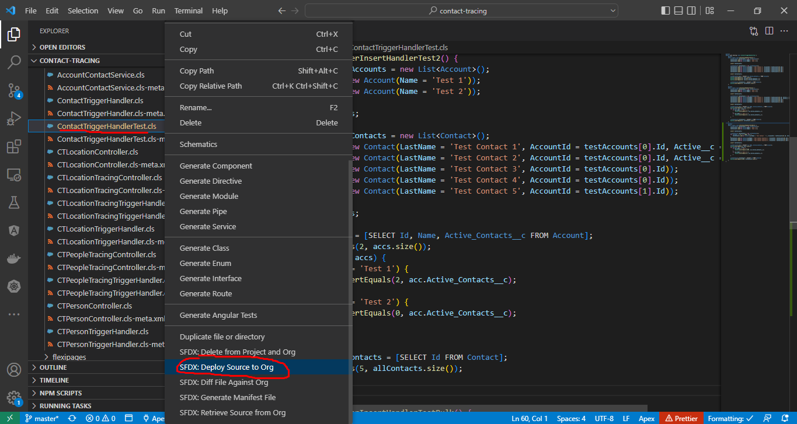

Test
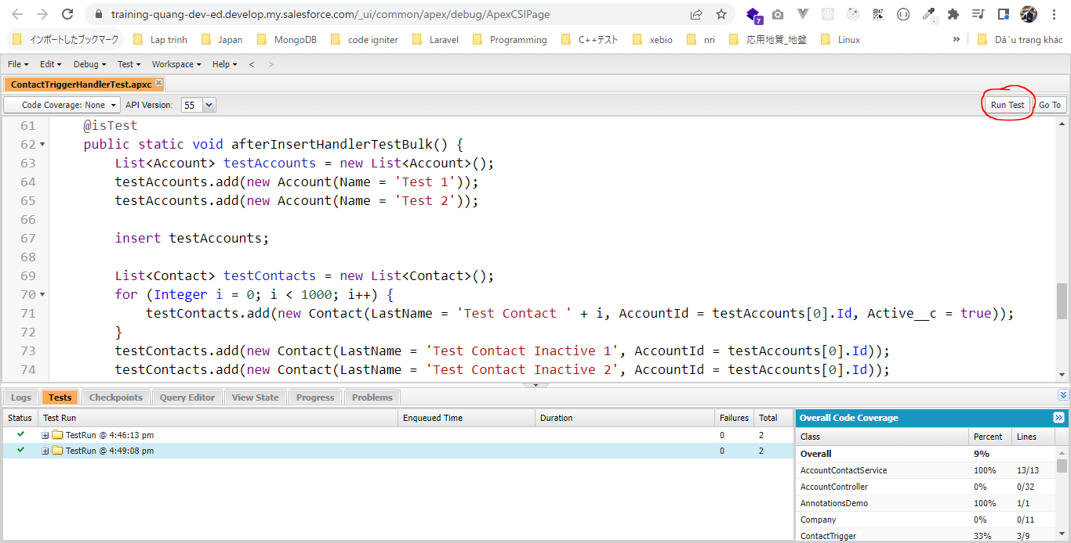

 | Ko có error
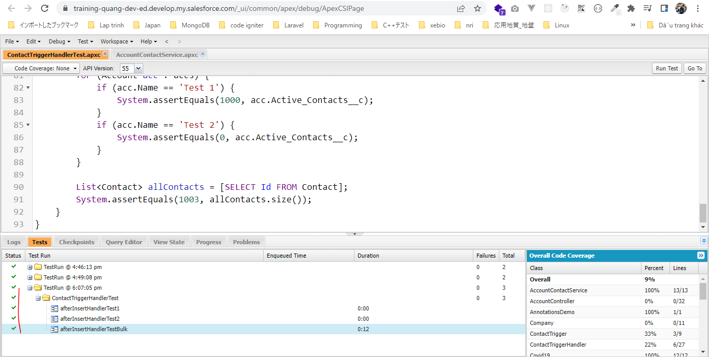

 | AccountContactService class được test 100%
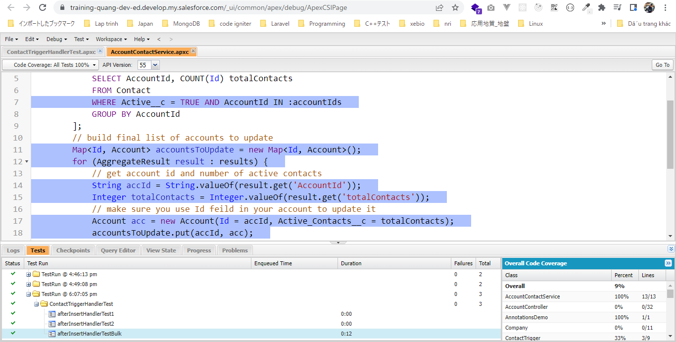

Test on VS Code
 | sfdx force:apex:test:run --tests ContactTriggerHandlerTest

 | sfdx force:apex:test:report -i 7075g00004jHyWX -u vudinhquangk53@gmail.com
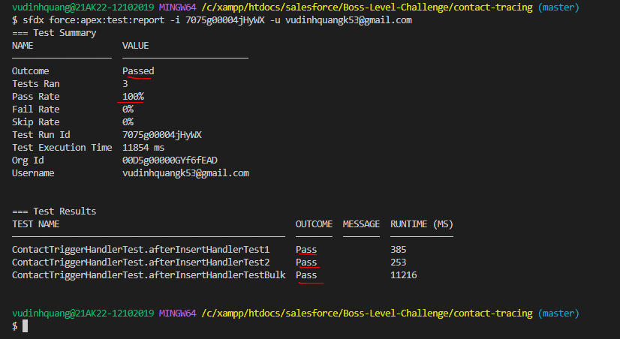

 | sfdx force:apex:test:run --tests ContactTriggerHandlerTest --resultformat human -c
 | Org Wide Coverage bởi 3 method trên là 9% bởi vì mình còn có nhiều class trong developer Org

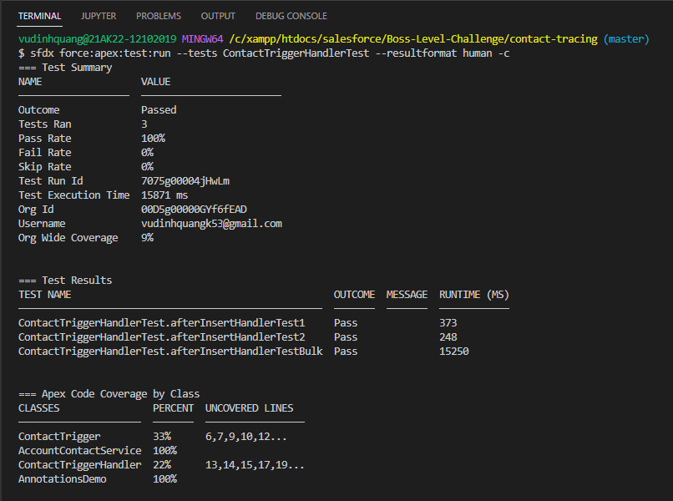

 | 3 method của mình đã test class AccountContactService được 100%
 | class ContactTriggerHandler được 22% và các dòng chưa được test đó là 13,14,15,17,19… lý do là vì 3 method trên của mình chỉ test afterInsertHandler method của ContactTriggerHandler class

StartTest and StopTest
構成
 | salesforce
 |  | 2.Apex-Fundamentals
 |  | 3.Control-Flow-Statements
 |  | 4.Apex-Classes-and-Methods
 |  | 5.Apex-Testing
 |  | 6.Salesforce-Object-Query-Language
 |  | 7.SObject-and-DML
 |  | 8.Exception-Handling
 |  | 9.VS Code-Setup
 |  | 10.Governors-Limits-and-Code-Bulkification
 |  | 11.Advanced-SOQL
 |  | 12.Trigger-overview
 |  | 13.Apex-Testing-Part-2
 |  |  | 1.apex-testing-data
 |  |  |  | ContactTriggerHandlerTest.cls
 |  |  | 2.apex-testing-bulk-test
 |  |  |  | ContactTriggerHandlerTest.cls
 |  |  | 3.apex-testing-startTest-stopTest |  |  |  |  |  | → | new
 |  |  |  | ContactTriggerHandlerTest.cls |  |  |  |  | → | new
 |  | Boss-Level-Challenge
 |  |  | contact-tracing
 |  |  |  | force-app
 |  |  |  |  | main
 |  |  |  |  |  | default
 |  |  |  |  |  |  | classes
 |  |  |  |  |  |  |  | ContactTriggerHandlerTest.cls | → | code
 |  |  |  |  |  |  |  | CTLocationController.cls
 |  |  |  |  |  |  |  | CTLocationTracingController.cls
 |  |  |  |  |  |  |  | CTLocationTracingTriggerHandler.cls
 |  |  |  |  |  |  |  | CTLocationTriggerHandler.cls
 |  |  |  |  |  |  |  | CTPeopleTracingController.cls
 |  |  |  |  |  |  |  | CTPeopleTracingTriggerHandler.cls
 |  |  |  |  |  |  |  | CTPersonController.cls
 |  |  |  |  |  |  |  | CTPersonTriggerHandler.cls
 |  |  |  |  |  |  | triggers

salesforce\13.Apex-Testing-Part-2\3.apex-testing-startTest-stopTest\ContactTriggerHandlerTest.cls
salesforce\Boss-Level-Challenge\contact-tracing\force-app\main\default\classes\ContactTriggerHandlerTest.cls
 | @isTest
 | public with sharing class ContactTriggerHandlerTest {
 | @isTest
 | public static void afterInsertHandlerTest1() {
 | List<Account> testAccounts = new List<Account>();
 | testAccounts.add(new Account(Name = 'Test 1'));
 | testAccounts.add(new Account(Name = 'Test 2'));

 | insert testAccounts;

 | List<Contact> testContacts = new List<Contact>();
 | testContacts.add(new Contact(LastName = 'Test Contact 1', AccountId = testAccounts[0].Id));
 | testContacts.add(new Contact(LastName = 'Test Contact 2', AccountId = testAccounts[0].Id));
 | testContacts.add(new Contact(LastName = 'Test Contact 3', AccountId = testAccounts[0].Id));
 | testContacts.add(new Contact(LastName = 'Test Contact 4', AccountId = testAccounts[0].Id));
 | testContacts.add(new Contact(LastName = 'Test Contact 5', AccountId = testAccounts[1].Id));

 | insert testContacts;

 | List<Account> accs = [SELECT Id, Active_Contacts__c FROM Account];
 | System.assertEquals(2, accs.size());
 | System.assertEquals(0, accs[0].Active_Contacts__c);
 | System.assertEquals(0, accs[1].Active_Contacts__c);

 | List<Contact> allContacts = [SELECT Id FROM Contact];
 | System.assertEquals(5, allContacts.size());
 | }

 | @isTest
 | public static void afterInsertHandlerTest2() {
 | List<Account> testAccounts = new List<Account>();
 | testAccounts.add(new Account(Name = 'Test 1'));
 | testAccounts.add(new Account(Name = 'Test 2'));

 | insert testAccounts;

 | List<Contact> testContacts = new List<Contact>();
 | testContacts.add(new Contact(LastName = 'Test Contact 1', AccountId = testAccounts[0].Id, Active__c = true));
 | testContacts.add(new Contact(LastName = 'Test Contact 2', AccountId = testAccounts[0].Id, Active__c = true));
 | testContacts.add(new Contact(LastName = 'Test Contact 3', AccountId = testAccounts[0].Id));
 | testContacts.add(new Contact(LastName = 'Test Contact 4', AccountId = testAccounts[0].Id));
 | testContacts.add(new Contact(LastName = 'Test Contact 5', AccountId = testAccounts[1].Id));

 | insert testContacts;

 | List<Account> accs = [SELECT Id, Name, Active_Contacts__c FROM Account];
 | System.assertEquals(2, accs.size());
 | for (Account acc : accs) {
 | if (acc.Name == 'Test 1') {
 | System.assertEquals(2, acc.Active_Contacts__c);
 | }
 | if (acc.Name == 'Test 2') {
 | System.assertEquals(0, acc.Active_Contacts__c);
 | }
 | }

 | List<Contact> allContacts = [SELECT Id FROM Contact];
 | System.assertEquals(5, allContacts.size());
 | }

 | @isTest
 | public static void afterInsertHandlerTestBulk() {
 | List<Account> testAccounts = new List<Account>();
 | testAccounts.add(new Account(Name = 'Test 1'));
 | testAccounts.add(new Account(Name = 'Test 2'));

 | insert testAccounts;

 | List<Contact> testContacts = new List<Contact>();
 | for (Integer i = 0; i < 1000; i++) {
 | testContacts.add(new Contact(LastName = 'Test Contact ' + i, AccountId = testAccounts[0].Id, Active__c = true));
 | }
 | testContacts.add(new Contact(LastName = 'Test Contact Inactive 1', AccountId = testAccounts[0].Id));
 | testContacts.add(new Contact(LastName = 'Test Contact Inactive 2', AccountId = testAccounts[0].Id));
 | testContacts.add(new Contact(LastName = 'Test Contact Inactive 3', AccountId = testAccounts[1].Id));

 | insert testContacts;

 | List<Account> accs = [SELECT Id, Name, Active_Contacts__c FROM Account];
 | System.assertEquals(2, accs.size());
 | for (Account acc : accs) {
 | if (acc.Name == 'Test 1') {
 | System.assertEquals(1000, acc.Active_Contacts__c);
 | }
 | if (acc.Name == 'Test 2') {
 | System.assertEquals(0, acc.Active_Contacts__c);
 | }
 | }

 | List<Contact> allContacts = [SELECT Id FROM Contact];
 | System.assertEquals(1003, allContacts.size());
 | }

 | @isTest
 | public static void afterUpdateHandlerTest1() {
 | List<Account> testAccounts = new List<Account>();
 | testAccounts.add(new Account(Name = 'Test 1'));
 | testAccounts.add(new Account(Name = 'Test 2'));

 | insert testAccounts; |  |  |  |  |  |  |  |  | → | Để tạo data test thì mình đã phải dùng 2 DML để insert data test

 | List<Contact> testContacts = new List<Contact>();
 | testContacts.add(new Contact(LastName = 'Test Contact 1', AccountId = testAccounts[0].Id));
 | testContacts.add(new Contact(LastName = 'Test Contact 2', AccountId = testAccounts[0].Id));
 | testContacts.add(new Contact(LastName = 'Test Contact 3', AccountId = testAccounts[0].Id));
 | testContacts.add(new Contact(LastName = 'Test Contact 4', AccountId = testAccounts[0].Id));
 | testContacts.add(new Contact(LastName = 'Test Contact 5', AccountId = testAccounts[1].Id));

 | insert testContacts;

 | List<Contact> allContacts = [SELECT Id, LastName FROM Contact]; |  |  |  |  |  |  |  |  | → | Để phục vụ cho test thì mình phải dùng 2 SOQL để query data
 | for (Contact con : allContacts) {
 | if (con.LastName == 'Test Contact 1' || con.LastName == 'Test Contact 2') {
 | con.Active__c = true;
 | }
 | }

 | // allocate new set of governor limits
 | Test.startTest(); |  |  |  |  |  |  |  |  | → | Đánh dấu bắt đầu test code, this method give us the full set of governor limit again mà ko ảnh hưởng bởi những DML và SOQL đã dùng
 | update allContacts; |  |  |  |  |  |  |  |  |  | Mỗi test method trong test class chỉ cho phép cho dùng method Test.startTest() và Test.stopTest() 1 lần
 | Test.stopTest(); |  |  |  |  |  |  |  |  | → | Đánh dấu kết thúc test code

 | List<Account> accs = [SELECT Id, Name, Active_Contacts__c FROM Account];
 | System.assertEquals(2, accs.size());
 | for (Account acc : accs) {
 | if (acc.Name == 'Test 1') {
 | System.assertEquals(2, acc.Active_Contacts__c);
 | }
 | if (acc.Name == 'Test 2') {
 | System.assertEquals(0, acc.Active_Contacts__c);
 | }
 | }

 | System.assertEquals(5, allContacts.size());
 | }

 | @isTest
 | public static void afterUpdateHandlerTest2() {
 | List<Account> testAccounts = new List<Account>();
 | testAccounts.add(new Account(Name = 'Test 1'));
 | testAccounts.add(new Account(Name = 'Test 2'));

 | insert testAccounts;

 | List<Contact> testContacts = new List<Contact>();
 | testContacts.add(new Contact(LastName = 'Test Contact 1', AccountId = testAccounts[0].Id));
 | testContacts.add(new Contact(LastName = 'Test Contact 2', AccountId = testAccounts[0].Id));
 | testContacts.add(new Contact(LastName = 'Test Contact 3', AccountId = testAccounts[0].Id));
 | testContacts.add(new Contact(LastName = 'Test Contact 4', AccountId = testAccounts[0].Id));
 | testContacts.add(new Contact(LastName = 'Test Contact 5', AccountId = testAccounts[1].Id));

 | insert testContacts;

 | List<Contact> allContacts = [SELECT Id, LastName FROM Contact];
 | for (Contact con : allContacts) {
 | if (con.LastName == 'Test Contact 1') {
 | con.Active__c = true;
 | con.AccountId = testAccounts[1].Id;
 | }
 | }

 | // allocate new set of governor limits
 | Test.startTest();
 | update allContacts;
 | Test.stopTest();

 | List<Account> allAccounts = [SELECT Id, Name, Active_Contacts__c FROM Account];
 | System.assertEquals(2, allAccounts.size());
 | for (Account acc : allAccounts) {
 | if (acc.Name == 'Test 1') {
 | System.assertEquals(0, acc.Active_Contacts__c);
 | }
 | if (acc.Name == 'Test 2') {
 | System.assertEquals(1, acc.Active_Contacts__c);
 | }
 | }

 | System.assertEquals(5, allContacts.size());
 | }
 | }

Deploy
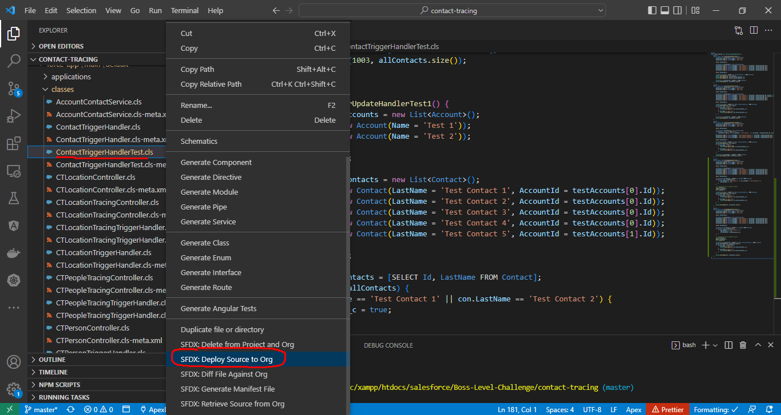

Test
 | sfdx force:apex:test:run --tests ContactTriggerHandlerTest --resultformat human -c
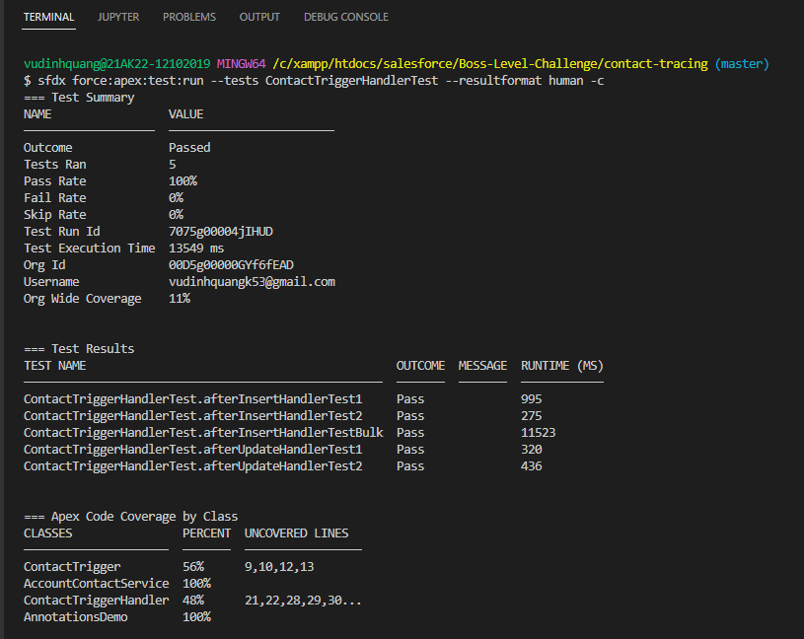

 | ContactTriggerHandler thành 48% bởi vì giờ method afterUpdateHandler trong class ContactTriggerHandler này cũng đã được test

Test Setup Method
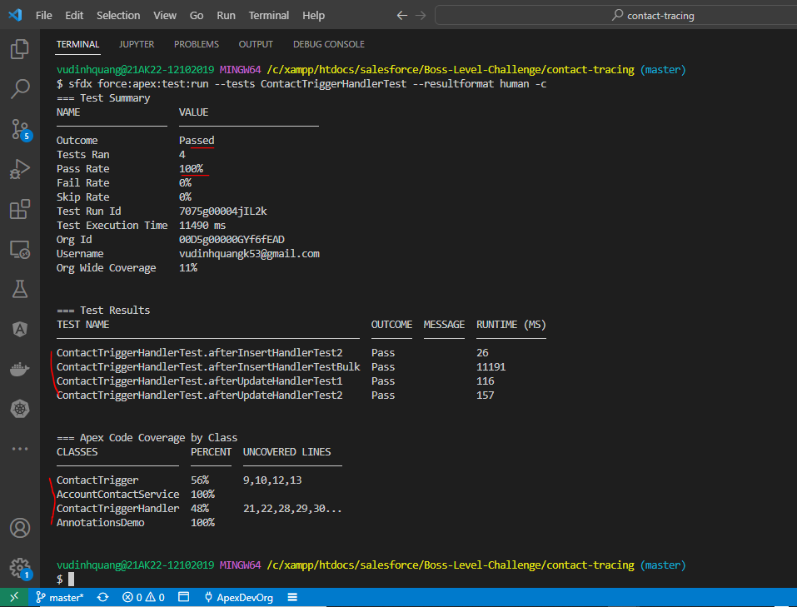
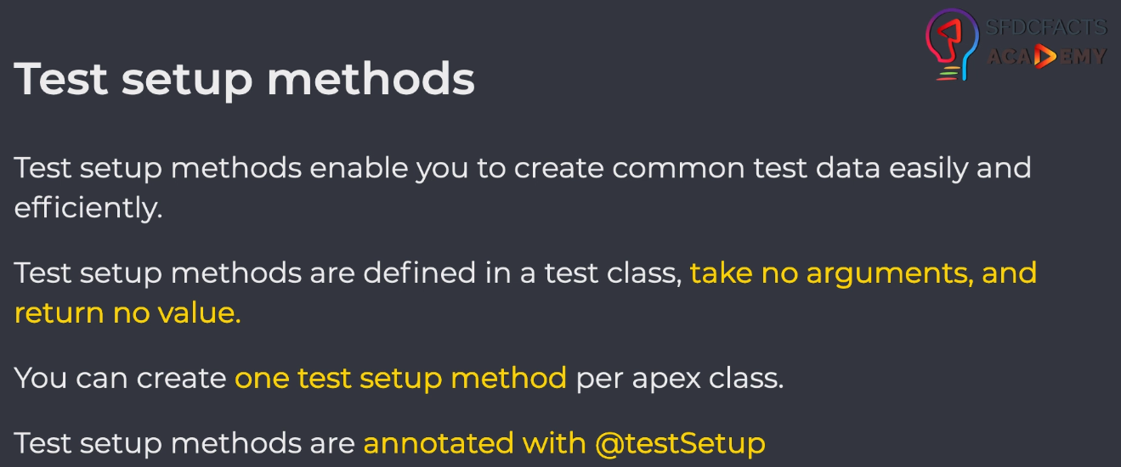

構成
 | salesforce
 |  | 2.Apex-Fundamentals
 |  | 3.Control-Flow-Statements
 |  | 4.Apex-Classes-and-Methods
 |  | 5.Apex-Testing
 |  | 6.Salesforce-Object-Query-Language
 |  | 7.SObject-and-DML
 |  | 8.Exception-Handling
 |  | 9.VS Code-Setup
 |  | 10.Governors-Limits-and-Code-Bulkification
 |  | 11.Advanced-SOQL
 |  | 12.Trigger-overview
 |  | 13.Apex-Testing-Part-2
 |  |  | 1.apex-testing-data
 |  |  |  | ContactTriggerHandlerTest.cls
 |  |  | 2.apex-testing-bulk-test
 |  |  |  | ContactTriggerHandlerTest.cls
 |  |  | 3.apex-testing-startTest-stopTest
 |  |  |  | ContactTriggerHandlerTest.cls
 |  |  | 4.apex-testing-test-setup-method |  |  |  |  |  | → | new
 |  |  |  | ContactTriggerHandlerTest.cls |  |  |  |  | → | new
 |  | Boss-Level-Challenge
 |  |  | contact-tracing
 |  |  |  | force-app
 |  |  |  |  | main
 |  |  |  |  |  | default
 |  |  |  |  |  |  | classes
 |  |  |  |  |  |  |  | ContactTriggerHandlerTest.cls | → | code
 |  |  |  |  |  |  |  | CTLocationController.cls
 |  |  |  |  |  |  |  | CTLocationTracingController.cls
 |  |  |  |  |  |  |  | CTLocationTracingTriggerHandler.cls
 |  |  |  |  |  |  |  | CTLocationTriggerHandler.cls
 |  |  |  |  |  |  |  | CTPeopleTracingController.cls
 |  |  |  |  |  |  |  | CTPeopleTracingTriggerHandler.cls
 |  |  |  |  |  |  |  | CTPersonController.cls
 |  |  |  |  |  |  |  | CTPersonTriggerHandler.cls
 |  |  |  |  |  |  | triggers

salesforce\13.Apex-Testing-Part-2\4.apex-testing-test-setup-method\ContactTriggerHandlerTest.cls
salesforce\Boss-Level-Challenge\contact-tracing\force-app\main\default\classes\ContactTriggerHandlerTest.cls
 | @isTest
 | public with sharing class ContactTriggerHandlerTest {
 | @TestSetup
 | public static void makeData() { |  |  |  |  |  |  |  | → | Tạo test data và tất cả các method test khác trong class test này đều có thể sử dụng được test data này
 | List<Account> testAccounts = new List<Account>();
 | testAccounts.add(new Account(Name = 'Test 1'));
 | testAccounts.add(new Account(Name = 'Test 2'));

 | insert testAccounts;

 | List<Contact> testContacts = new List<Contact>();
 | testContacts.add(new Contact(LastName = 'Test Contact 1', AccountId = testAccounts[0].Id, Active__c = true));
 | testContacts.add(new Contact(LastName = 'Test Contact 2', AccountId = testAccounts[0].Id, Active__c = true));
 | testContacts.add(new Contact(LastName = 'Test Contact 3', AccountId = testAccounts[0].Id));
 | testContacts.add(new Contact(LastName = 'Test Contact 4', AccountId = testAccounts[0].Id));
 | testContacts.add(new Contact(LastName = 'Test Contact 5', AccountId = testAccounts[1].Id));

 | insert testContacts;
 | }

 | @isTest
 | public static void afterInsertHandlerTest2() {
 | List<Account> accs = [SELECT Id, Name, Active_Contacts__c FROM Account];
 | System.assertEquals(2, accs.size());
 | for (Account acc : accs) {
 | if (acc.Name == 'Test 1') {
 | System.assertEquals(2, acc.Active_Contacts__c);
 | }
 | if (acc.Name == 'Test 2') {
 | System.assertEquals(0, acc.Active_Contacts__c);
 | }
 | }

 | List<Contact> allContacts = [SELECT Id FROM Contact];
 | System.assertEquals(5, allContacts.size());
 | }

 | @isTest
 | public static void afterInsertHandlerTestBulk() {
 | Account testAccount1 = [SELECT Id FROM Account WHERE Name = 'Test 1']; |  |  |  |  |  |  |  | → | Để tạo contact thì mình cần phải có account id
 | List<Contact> testContacts = new List<Contact>();
 | for (Integer i = 0; i < 1000; i++) {
 | testContacts.add(new Contact(LastName = 'Test Contact ' + i, AccountId = testAccount1.Id, Active__c = true));
 | }
 | insert testContacts;

 | List<Account> accs = [SELECT Id, Name, Active_Contacts__c FROM Account];
 | System.assertEquals(2, accs.size());
 | for (Account acc : accs) {
 | if (acc.Name == 'Test 1') {
 | System.assertEquals(1002, acc.Active_Contacts__c); |  |  |  |  |  |  |  | → | 1000 + 2 = 1002
 | }
 | if (acc.Name == 'Test 2') {
 | System.assertEquals(0, acc.Active_Contacts__c);
 | }
 | }

 | List<Contact> allContacts = [SELECT Id FROM Contact];
 | System.assertEquals(1005, allContacts.size()); |  |  |  |  |  |  |  | → | 1000 + 5 = 1005
 | }

 | @isTest
 | public static void afterUpdateHandlerTest1() {
 | List<Contact> allContacts = [SELECT Id, LastName FROM Contact];
 | for (Contact con : allContacts) {
 | if (con.LastName == 'Test Contact 3' || con.LastName == 'Test Contact 4') {
 | con.Active__c = true;
 | }
 | }

 | // allocate new set of governor limits
 | Test.startTest();
 | update allContacts;
 | Test.stopTest();

 | List<Account> accs = [SELECT Id, Name, Active_Contacts__c FROM Account];
 | System.assertEquals(2, accs.size());
 | for (Account acc : accs) {
 | if (acc.Name == 'Test 1') {
 | System.assertEquals(4, acc.Active_Contacts__c); |  |  |  |  |  |  |  | → | 2 + 2 = 4
 | }
 | if (acc.Name == 'Test 2') {
 | System.assertEquals(0, acc.Active_Contacts__c);
 | }
 | }

 | System.assertEquals(5, allContacts.size());
 | }

 | @isTest
 | public static void afterUpdateHandlerTest2() {
 | Account testAccount2 = [SELECT Id FROM Account WHERE Name = 'Test 2'];
 | List<Contact> allContacts = [SELECT Id, LastName FROM Contact];
 | for (Contact con : allContacts) {
 | if (con.LastName == 'Test Contact 3') {
 | con.Active__c = true;
 | con.AccountId = testAccount2.Id;
 | }
 | }

 | // allocate new set of governor limits
 | Test.startTest();
 | update allContacts;
 | Test.stopTest();

 | List<Account> allAccounts = [SELECT Id, Name, Active_Contacts__c FROM Account];
 | System.assertEquals(2, allAccounts.size());
 | for (Account acc : allAccounts) {
 | if (acc.Name == 'Test 1') {
 | System.assertEquals(2, acc.Active_Contacts__c);
 | }
 | if (acc.Name == 'Test 2') {
 | System.assertEquals(1, acc.Active_Contacts__c);
 | }
 | }

 | System.assertEquals(5, allContacts.size());
 | }
 | }

Deploy
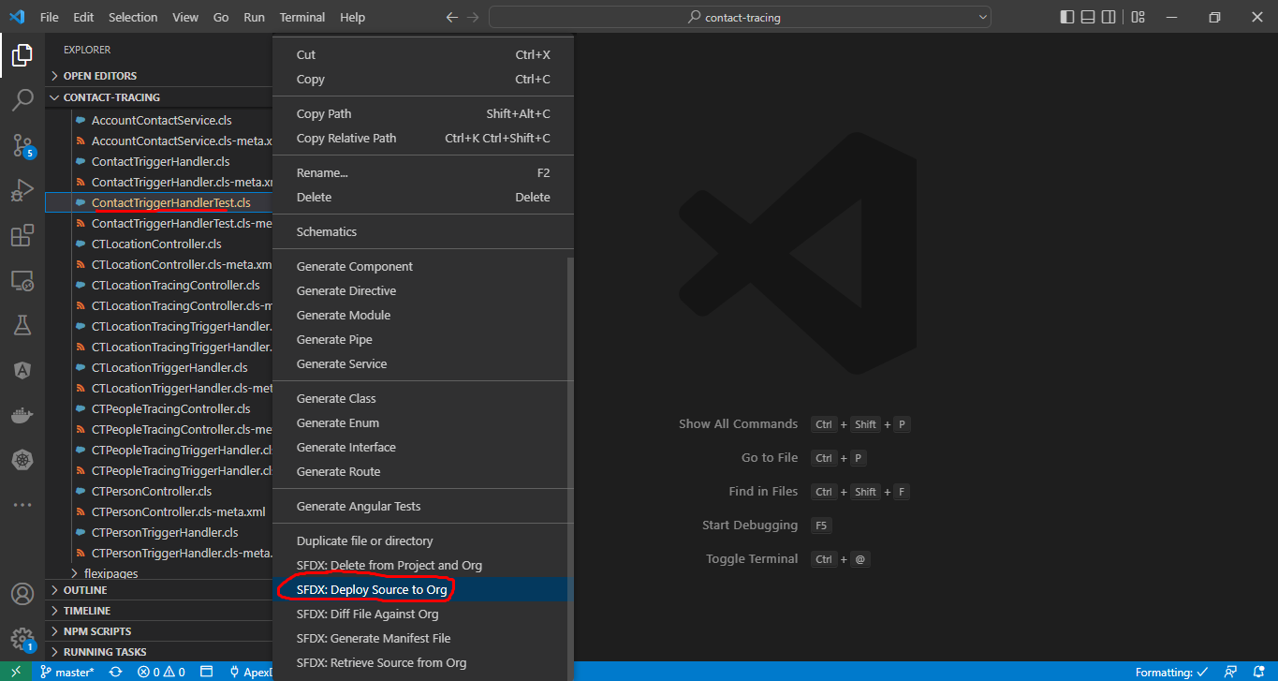

Test
 | sfdx force:apex:test:run --tests ContactTriggerHandlerTest --resultformat human -c

Finish Test Class
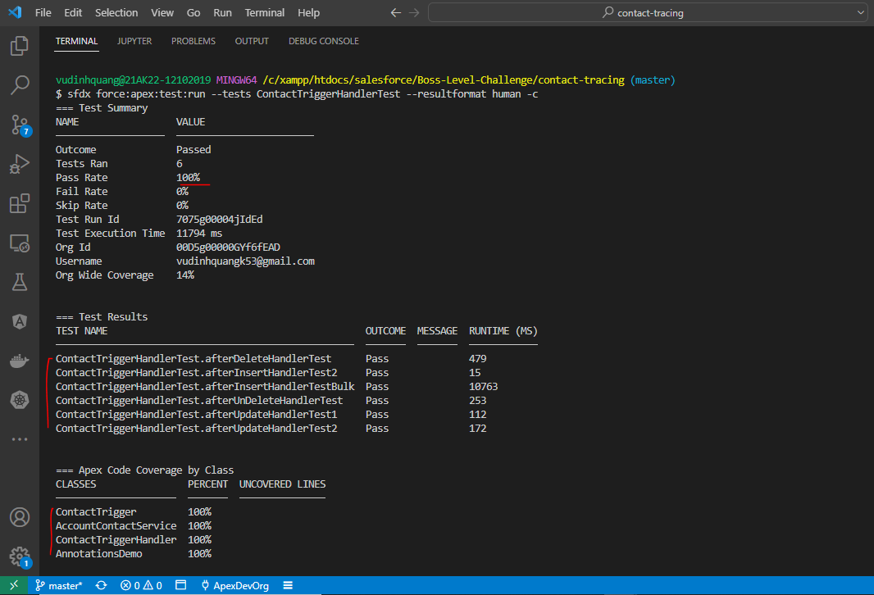
構成
 | salesforce
 |  | 2.Apex-Fundamentals
 |  | 3.Control-Flow-Statements
 |  | 4.Apex-Classes-and-Methods
 |  | 5.Apex-Testing
 |  | 6.Salesforce-Object-Query-Language
 |  | 7.SObject-and-DML
 |  | 8.Exception-Handling
 |  | 9.VS Code-Setup
 |  | 10.Governors-Limits-and-Code-Bulkification
 |  | 11.Advanced-SOQL
 |  | 12.Trigger-overview
 |  | 13.Apex-Testing-Part-2
 |  |  | 1.apex-testing-data
 |  |  |  | ContactTriggerHandlerTest.cls
 |  |  | 2.apex-testing-bulk-test
 |  |  |  | ContactTriggerHandlerTest.cls
 |  |  | 3.apex-testing-startTest-stopTest
 |  |  |  | ContactTriggerHandlerTest.cls
 |  |  | 4.apex-testing-test-setup-method
 |  |  |  | ContactTriggerHandlerTest.cls
 |  |  | 5.apex-testing-seealldata
 |  |  |  | ContactTriggerHandlerTest.cls
 |  |  | 6.apex-testing-finish |  |  |  |  |  | → | new
 |  |  |  | ContactTriggerHandlerTest.cls |  |  |  |  | → | new
 |  | Boss-Level-Challenge
 |  |  | contact-tracing
 |  |  |  | force-app
 |  |  |  |  | main
 |  |  |  |  |  | default
 |  |  |  |  |  |  | classes
 |  |  |  |  |  |  |  | ContactTriggerHandler.cls | → | code
 |  |  |  |  |  |  |  | ContactTriggerHandlerTest.cls | → | code
 |  |  |  |  |  |  |  | CTLocationController.cls
 |  |  |  |  |  |  |  | CTLocationTracingController.cls
 |  |  |  |  |  |  |  | CTLocationTracingTriggerHandler.cls
 |  |  |  |  |  |  |  | CTLocationTriggerHandler.cls
 |  |  |  |  |  |  |  | CTPeopleTracingController.cls
 |  |  |  |  |  |  |  | CTPeopleTracingTriggerHandler.cls
 |  |  |  |  |  |  |  | CTPersonController.cls
 |  |  |  |  |  |  |  | CTPersonTriggerHandler.cls
 |  |  |  |  |  |  | triggers

salesforce\13.Apex-Testing-Part-2\6.apex-testing-finish\ContactTriggerHandlerTest.cls

 | @isTest
 | public with sharing class ContactTriggerHandlerTest {
 | @TestSetup
 | public static void makeData() {
 | List<Account> testAccounts = new List<Account>();
 | testAccounts.add(new Account(Name = 'Test 1'));
 | testAccounts.add(new Account(Name = 'Test 2'));

 | insert testAccounts;

 | List<Contact> testContacts = new List<Contact>();
 | testContacts.add(new Contact(LastName = 'Test Contact 1', AccountId = testAccounts[0].Id, Active__c = true));
 | testContacts.add(new Contact(LastName = 'Test Contact 2', AccountId = testAccounts[0].Id, Active__c = true));
 | testContacts.add(new Contact(LastName = 'Test Contact 3', AccountId = testAccounts[0].Id));
 | testContacts.add(new Contact(LastName = 'Test Contact 4', AccountId = testAccounts[0].Id));
 | testContacts.add(new Contact(LastName = 'Test Contact 5', AccountId = testAccounts[1].Id));

 | insert testContacts;
 | }

 | @isTest
 | public static void afterInsertHandlerTest2() {
 | List<Account> accs = [SELECT Id, Name, Active_Contacts__c FROM Account];
 | System.assertEquals(2, accs.size());
 | for (Account acc : accs) {
 | if (acc.Name == 'Test 1') {
 | System.assertEquals(2, acc.Active_Contacts__c);
 | }
 | if (acc.Name == 'Test 2') {
 | System.assertEquals(0, acc.Active_Contacts__c);
 | }
 | }

 | List<Contact> allContacts = [SELECT Id FROM Contact];
 | System.assertEquals(5, allContacts.size());
 | }

 | @isTest
 | public static void afterInsertHandlerTestBulk() {
 | Account testAccount1 = [SELECT Id FROM Account WHERE Name = 'Test 1'];
 | List<Contact> testContacts = new List<Contact>();
 | for (Integer i = 0; i < 1000; i++) {
 | testContacts.add(new Contact(LastName = 'Test Contact ' + i, AccountId = testAccount1.Id, Active__c = true));
 | }
 | insert testContacts;

 | List<Account> accs = [SELECT Id, Name, Active_Contacts__c FROM Account];
 | System.assertEquals(2, accs.size());
 | for (Account acc : accs) {
 | if (acc.Name == 'Test 1') {
 | System.assertEquals(1002, acc.Active_Contacts__c);
 | }
 | if (acc.Name == 'Test 2') {
 | System.assertEquals(0, acc.Active_Contacts__c);
 | }
 | }

 | List<Contact> allContacts = [SELECT Id FROM Contact];
 | System.assertEquals(1005, allContacts.size());
 | }

 | @isTest
 | public static void afterUpdateHandlerTest1() {
 | List<Contact> allContacts = [SELECT Id, LastName FROM Contact];
 | for (Contact con : allContacts) {
 | if (con.LastName == 'Test Contact 3' || con.LastName == 'Test Contact 4') {
 | con.Active__c = true;
 | }
 | }

 | // allocate new set of governor limits
 | Test.startTest();
 | update allContacts;
 | Test.stopTest();

 | List<Account> accs = [SELECT Id, Name, Active_Contacts__c FROM Account];
 | System.assertEquals(2, accs.size());
 | for (Account acc : accs) {
 | if (acc.Name == 'Test 1') {
 | System.assertEquals(4, acc.Active_Contacts__c);
 | }
 | if (acc.Name == 'Test 2') {
 | System.assertEquals(0, acc.Active_Contacts__c);
 | }
 | }

 | System.assertEquals(5, allContacts.size());
 | }

 | @isTest
 | public static void afterUpdateHandlerTest2() {
 | Account testAccount2 = [SELECT Id FROM Account WHERE Name = 'Test 2'];
 | List<Contact> allContacts = [SELECT Id, LastName FROM Contact];
 | for (Contact con : allContacts) {
 | if (con.LastName == 'Test Contact 3') {
 | con.Active__c = true;
 | con.AccountId = testAccount2.Id;
 | }
 | }

 | // allocate new set of governor limits
 | Test.startTest();
 | update allContacts;
 | Test.stopTest();

 | List<Account> allAccounts = [SELECT Id, Name, Active_Contacts__c FROM Account];
 | System.assertEquals(2, allAccounts.size());
 | for (Account acc : allAccounts) {
 | if (acc.Name == 'Test 1') {
 | System.assertEquals(2, acc.Active_Contacts__c);
 | }
 | if (acc.Name == 'Test 2') {
 | System.assertEquals(1, acc.Active_Contacts__c);
 | }
 | }

 | System.assertEquals(5, allContacts.size());
 | }

 | @isTest
 | public static void afterDeleteHandlerTest() {
 | List<Contact> allContacts = [SELECT Id, LastName FROM Contact WHERE Name IN ('Test Contact 1', 'Test Contact 5')]; |  |  |  |  |  |  |  |  |  | → | LastName | Active__c
 |  |  |  |  |  |  |  |  |  |  |  | Test Contact 1 | TRUE
 | Test.startTest(); |  |  |  |  |  |  |  |  |  |  | Test Contact 5 | FALSE
 | delete allContacts;
 | Test.stopTest();

 | List<Account> allAccounts = [SELECT Id, Name, Active_Contacts__c FROM Account];
 | System.assertEquals(2, allAccounts.size());
 | for (Account acc : allAccounts) {
 | if (acc.Name == 'Test 1') {
 | System.assertEquals(1, acc.Active_Contacts__c); |  |  |  |  |  |  |  |  |  | → | Ban đầu là 2 nhưng xóa 1 nên còn 1
 | }
 | if (acc.Name == 'Test 2') {
 | System.assertEquals(0, acc.Active_Contacts__c);
 | }
 | }

 | allContacts = [SELECT Id, LastName FROM Contact];
 | System.assertEquals(3, allContacts.size()); |  |  |  |  |  |  |  |  |  | → | Ban đầu là 5, xóa 2 nên còn 3
 | }

 | @isTest
 | public static void afterUnDeleteHandlerTest() {
 | List<Contact> contactsToDelete = [SELECT Id, LastName FROM Contact WHERE Name IN ('Test Contact 1', 'Test Contact 5')];
 | delete contactsToDelete;

 | Test.startTest();
 | undelete contactsToDelete; |  |  |  |  |  |  |  |  |  | → | Xóa xong undelete
 | Test.stopTest();

 | List<Account> allAccounts = [SELECT Id, Name, Active_Contacts__c FROM Account];
 | System.assertEquals(2, allAccounts.size());
 | for (Account acc : allAccounts) {
 | if (acc.Name == 'Test 1') {
 | System.assertEquals(2, acc.Active_Contacts__c);
 | }
 | if (acc.Name == 'Test 2') {
 | System.assertEquals(0, acc.Active_Contacts__c);
 | }
 | }

 | List<Contact> allContacts = [SELECT Id, LastName FROM Contact];
 | System.assertEquals(5, allContacts.size());
 | }
 | }

salesforce\Boss-Level-Challenge\contact-tracing\force-app\main\default\classes\ContactTriggerHandler.cls
 | public with sharing class ContactTriggerHandler {
 | public static void afterInsertHandler(List<Contact> newContacts) {
 | Set<Id> accountIds = new Set<Id>();
 | for (Contact con : newContacts) {
 | if (String.isNotBlank(con.AccountId)) {
 | // write automation logic here
 | accountIds.add(con.AccountId);
 | }
 | }
 | AccountContactService.updateActiveContacts(accountIds);
 | }

 | public static void afterUpdateHandler(List<Contact> newContacts, Map<Id, Contact> oldContactsMap) {
 | Set<Id> accountIds = new Set<Id>();
 | for (Contact con : newContacts) {
 | // capture the account id only if active checkbox value is flipped
 | if (String.isNotBlank(con.AccountId) && oldContactsMap.get(con.Id).Active__c != con.Active__c) {
 | // write automation logic here
 | accountIds.add(con.AccountId);
 | }
 | if (oldContactsMap.get(con.Id).AccountId != con.AccountId) {
 | accountIds.add(con.AccountId);
 | accountIds.add(oldContactsMap.get(con.Id).AccountId);
 | }
 | }
 | AccountContactService.updateActiveContacts(accountIds);
 | }

 | public static void afterDeleteHandler(List<Contact> oldContacts) {
 | Set<Id> accountIds = new Set<Id>();
 | for (Contact con : oldContacts) {
 | if (String.isNotBlank(con.AccountId)) {
 | // write automation logic here
 | accountIds.add(con.AccountId);
 | }
 | }
 | AccountContactService.updateActiveContacts(accountIds);
 | }

 | public static void afterUndeleteHandler(List<Contact> newContacts) {
 | Set<Id> accountIds = new Set<Id>();
 | for (Contact con : newContacts) {
 | if (String.isNotBlank(con.AccountId)) {
 | // write automation logic here
 | accountIds.add(con.AccountId);
 | }
 | }
 | AccountContactService.updateActiveContacts(accountIds);
 | }
 | }

Deploy
 | ①salesforce\Boss-Level-Challenge\contact-tracing\force-app\main\default\classes\ContactTriggerHandlerTest.cls
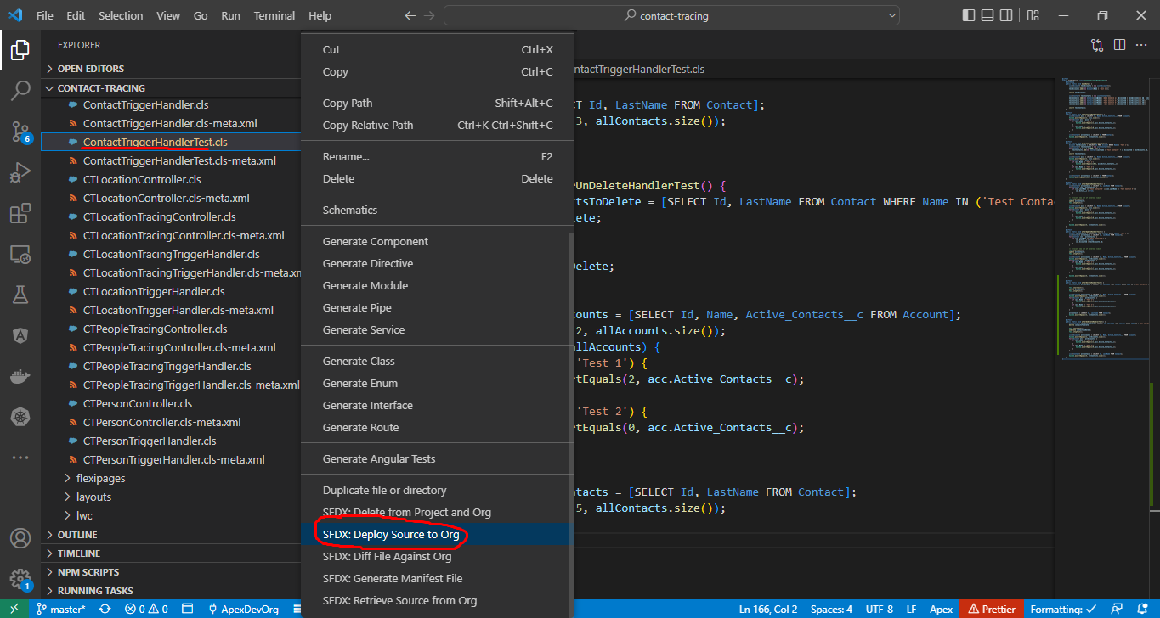

 | ②salesforce\Boss-Level-Challenge\contact-tracing\force-app\main\default\classes\ContactTriggerHandler.cls
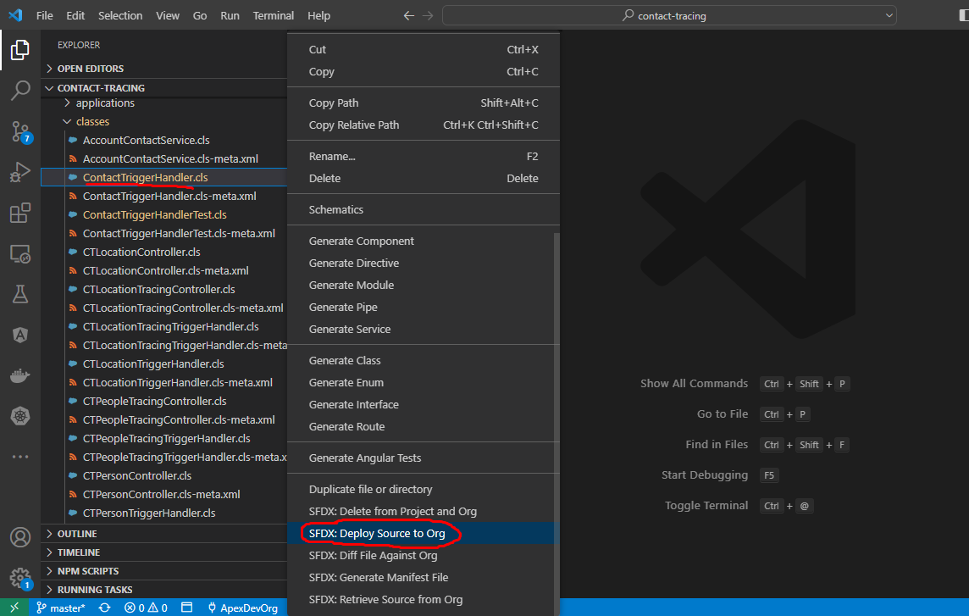

Test
 | sfdx force:apex:test:run --tests ContactTriggerHandlerTest --resultformat human -c

