CTPersonController
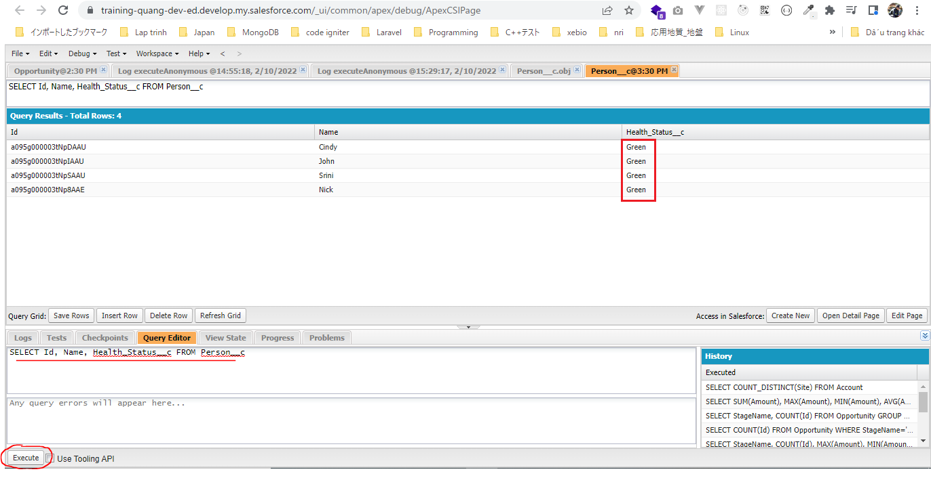
 | CT Challenge 7 - CTPersonController

構成
 | salesforce
 |  | 2.Apex-Fundamentals
 |  | 3.Control-Flow-Statements
 |  | 4.Apex-Classes-and-Methods
 |  | 5.Apex-Testing
 |  | 6.Salesforce-Object-Query-Language
 |  | 7.SObject-and-DML
 |  | 8.Exception-Handling
 |  | 9.VS Code-Setup
 |  | 10.Governors-Limits-and-Code-Bulkification
 |  | 11.Advanced-SOQL
 |  | Boss-Level-Challenge
 |  |  | contact-tracing
 |  |  |  | force-app
 |  |  |  |  | main
 |  |  |  |  |  | default
 |  |  |  |  |  |  | classes
 |  |  |  |  |  |  |  | CTLocationController
 |  |  |  |  |  |  |  | CTLocationTracingController
 |  |  |  |  |  |  |  | CTPeopleTracingController
 |  |  |  |  |  |  |  | CTPersonController | → | code
 |  |  | 1.dev-console.txt
 |  |  | 2.dev-console.txt
 |  |  | 3.dev-console.txt
 |  |  | 4.dev-console.txt |  |  |  |  |  | → | new

salesforce\Boss-Level-Challenge\contact-tracing\force-app\main\default\classes\CTPersonController.cls
 | /**
 | * CTPersonController
 | * Main controller class for Person__c object
 | * @author Manish
 | */
 | public with sharing class CTPersonController {
 | /**
 | * generate unique token using mobile number
 | * use MD5 algorithm to generate one-way hash
 | * @param mobile
 | * @return string token
 | */
 | public static String getToken(String mobileNo){
 | Blob value = Blob.valueOf(mobileNo);
 | Blob hash = Crypto.generateDigest('MD5', value);
 | // return encoded string
 | return EncodingUtil.base64Encode(hash);
 | }

 | /**
 | * Get 100 contacts with recent health status change
 | * @return List<Person__c>
 | */
 | public static List<Person__c> getRecentHealthChanges(){
 | return [SELECT Id, Name, Health_Status__c, Mobile__c, Status_Update_Date__c, Token__c FROM Person__c ORDER BY Status_Update_Date__c DESC NULLS LAST LIMIT 100];
 | }

 | /**
 | * Search a person by name, token or mobile
 | * @return List<Person__c>
 | */
 | public static List<Person__c> searchPeople(String searchTerm){
 | // appending the wild card
 | searchTerm = searchTerm + '%';
 | return [SELECT Id, Name, Health_Status__c, Mobile__c, Status_Update_Date__c, Token__c
 | FROM Person__c
 | WHERE Name LIKE :searchTerm
 | OR Mobile__c LIKE :searchTerm
 | OR Token__c LIKE :searchTerm
 | ORDER BY Status_Update_Date__c DESC NULLS LAST];
 | }

 | /**
 | * Search a person by id
 | * @return Person__c
 | */
 | public static Person__c getPersonById(String personId){
 | List<Person__c> people = [SELECT Id, Name, Health_Status__c, Mobile__c, Status_Update_Date__c, Token__c
 | FROM Person__c
 | WHERE Id =:personId];
 | if(people != null && people.size() > 0){
 | return people[0];
 | }
 | return null;
 | }

 | /**
 | * Get count of people in each health status
 | * @return Map<String, Integer>
 | */
 | public static Map<String, Integer> getHealthStatusCount() {
 | Map<String, Integer> healthCountMap = new Map<String, Integer>();
 | for(AggregateResult ar : [SELECT Health_Status__c, COUNT(Id) total
 | FROM Person__c
 | GROUP BY Health_Status__c]){
 | String healthStatus = String.valueOf(ar.get('Health_Status__c'));
 | Integer count = Integer.valueOf(ar.get('total'));
 | healthCountMap.put(healthStatus, count);
 | }
 | return healthCountMap;
 | }
 | }

Deploy to salesforce
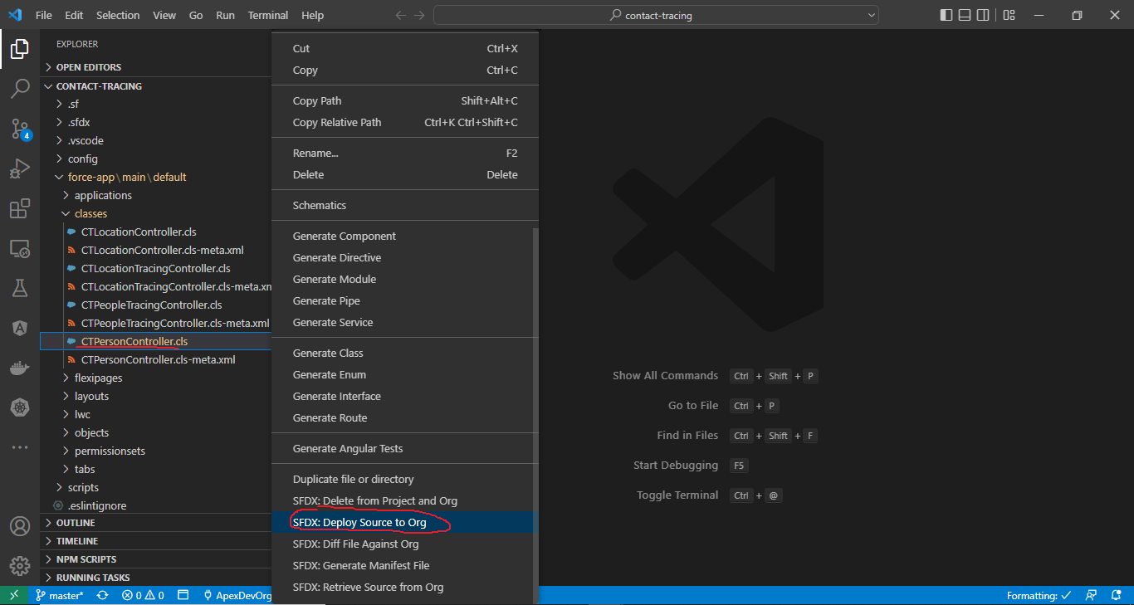

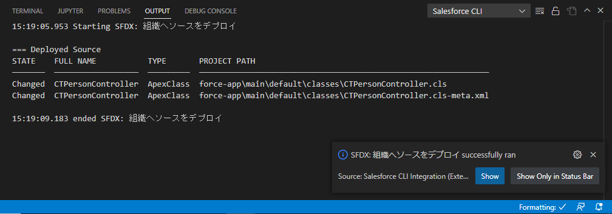

salesforce\Boss-Level-Challenge\4.dev-console.txt
 | Map<String, Integer> healthCountMap = CTPersonController.getHealthStatusCount();
 | System.debug('Health Count Map: ' + healthCountMap);

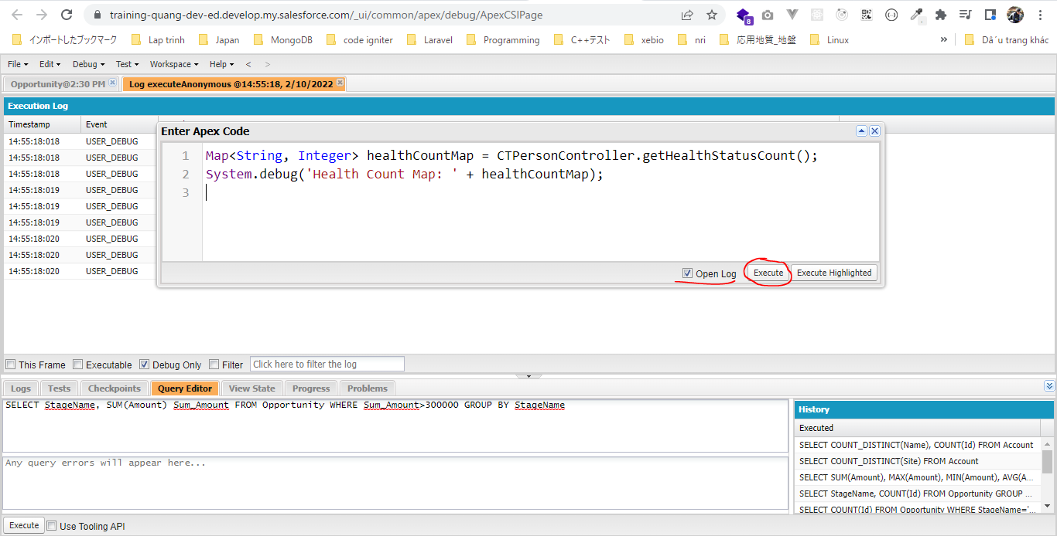

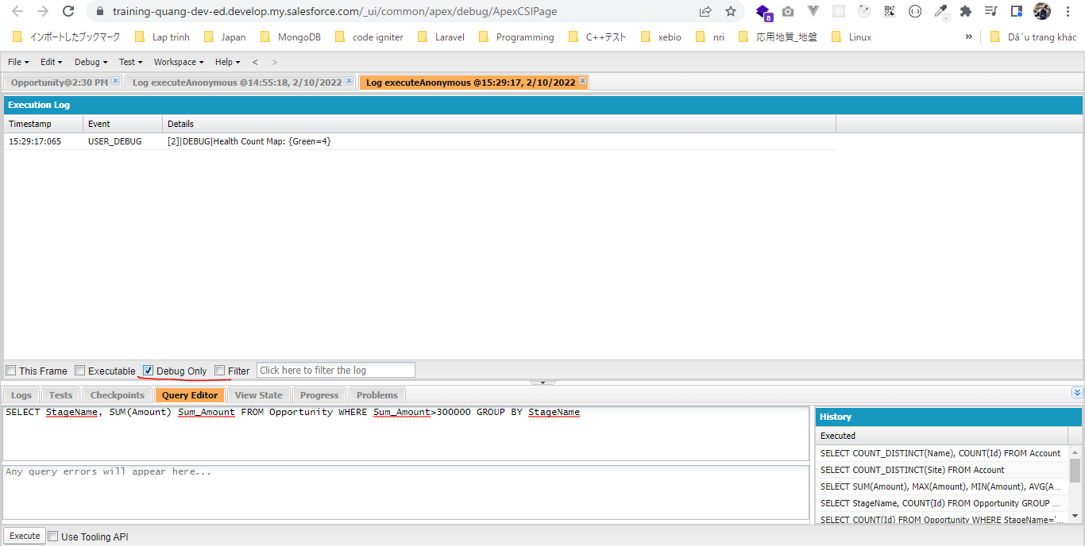

 | SELECT Id, Name, Health_Status__c FROM Person__c

CTLocationController
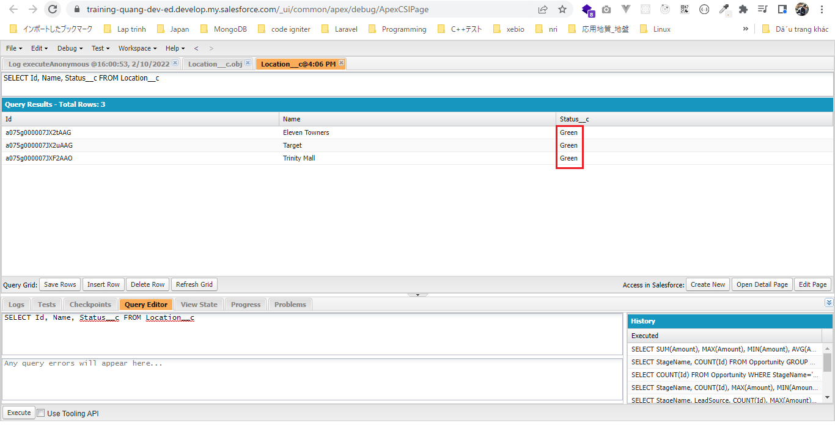
 | CT Challenge 8 - CTLocationController

構成
 | salesforce
 |  | 2.Apex-Fundamentals
 |  | 3.Control-Flow-Statements
 |  | 4.Apex-Classes-and-Methods
 |  | 5.Apex-Testing
 |  | 6.Salesforce-Object-Query-Language
 |  | 7.SObject-and-DML
 |  | 8.Exception-Handling
 |  | 9.VS Code-Setup
 |  | 10.Governors-Limits-and-Code-Bulkification
 |  | 11.Advanced-SOQL
 |  | Boss-Level-Challenge
 |  |  | contact-tracing
 |  |  |  | force-app
 |  |  |  |  | main
 |  |  |  |  |  | default
 |  |  |  |  |  |  | classes
 |  |  |  |  |  |  |  | CTLocationController | → | code
 |  |  |  |  |  |  |  | CTLocationTracingController
 |  |  |  |  |  |  |  | CTPeopleTracingController
 |  |  |  |  |  |  |  | CTPersonController
 |  |  | 1.dev-console.txt
 |  |  | 2.dev-console.txt
 |  |  | 3.dev-console.txt
 |  |  | 4.dev-console.txt
 |  |  | 5.dev-console.txt |  |  |  |  |  | → | new

salesforce\Boss-Level-Challenge\contact-tracing\force-app\main\default\classes\CTLocationController.cls
 | /**
 | * CTLocationController
 | * Main controller class for Location__c object
 | * @author Manish
 | */
 | public with sharing class CTLocationController {

 | /**
 | * Get 100 location with recent status change
 | * @return List<Location__c>
 | */
 | public static List<Location__c> getRecentStatusChanges(){
 | return [SELECT Id, Name, Address__c, Pincode__c, Red_Score__c, Status_Update_Date__c, Status__c FROM Location__c ORDER BY Status_Update_Date__c DESC NULLS LAST LIMIT 100];
 | }

 | /**
 | * Search a location by name, zipcode or address
 | * @return List<Person__c>
 | */
 | public static List<Location__c> searchLocations(String searchTerm){
 | // appending the wild card
 | searchTerm = searchTerm + '%';
 | return [SELECT Id, Name, Address__c, Pincode__c, Red_Score__c, Status_Update_Date__c, Status__c
 | FROM Location__c
 | WHERE Name LIKE :searchTerm
 | OR Pincode__c LIKE :searchTerm
 | OR Address__c LIKE :searchTerm
 | ORDER BY Status_Update_Date__c DESC NULLS LAST];
 | }

 | /**
 | * Search a location by id
 | * @return Location__c
 | */
 | public static Location__c getLocationById(String locationId){
 | List<Location__c> locations = [SELECT Id, Name, Address__c, Pincode__c, Red_Score__c, Status_Update_Date__c, Status__c
 | FROM Location__c
 | WHERE Id =: locationId];
 | if(locations != null && locations.size() > 0){
 | return locations[0];
 | }
 | return null;
 | }

 | /**
 | * Get count of locations in each status
 | * @return Map<String, Integer>
 | */
 | public static Map<String, Integer> getStatusCount(){
 | Map<String, Integer> healthCountMap = new Map<String, Integer>();

 | for (AggregateResult ar : [SELECT Status__c, COUNT(Id) total
 | FROM Location__c
 | GROUP BY Status__c]) {
 | healthCountMap.put(String.valueOf(ar.get('Status__c')), Integer.valueOf(ar.get('total')));
 | }
 | return healthCountMap;
 | }
 | }

Deploy to salesforce
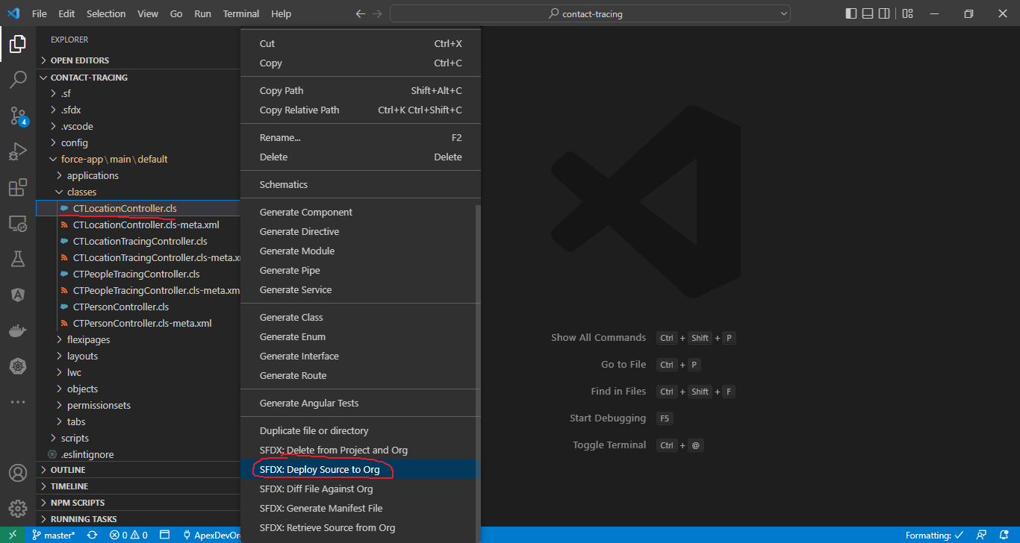

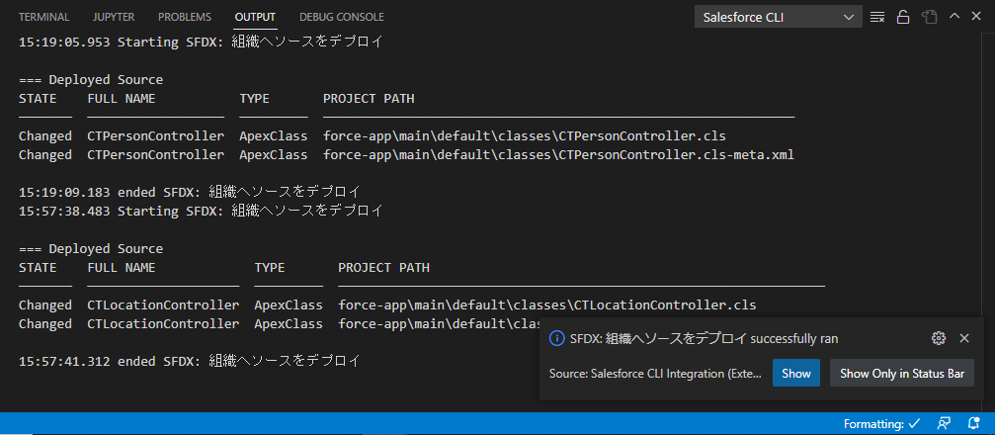

salesforce\Boss-Level-Challenge\5.dev-console.txt
 | Map<String, Integer> healthCountMap = CTLocationController.getStatusCount();
 | System.debug('Health Count Map: ' + healthCountMap);

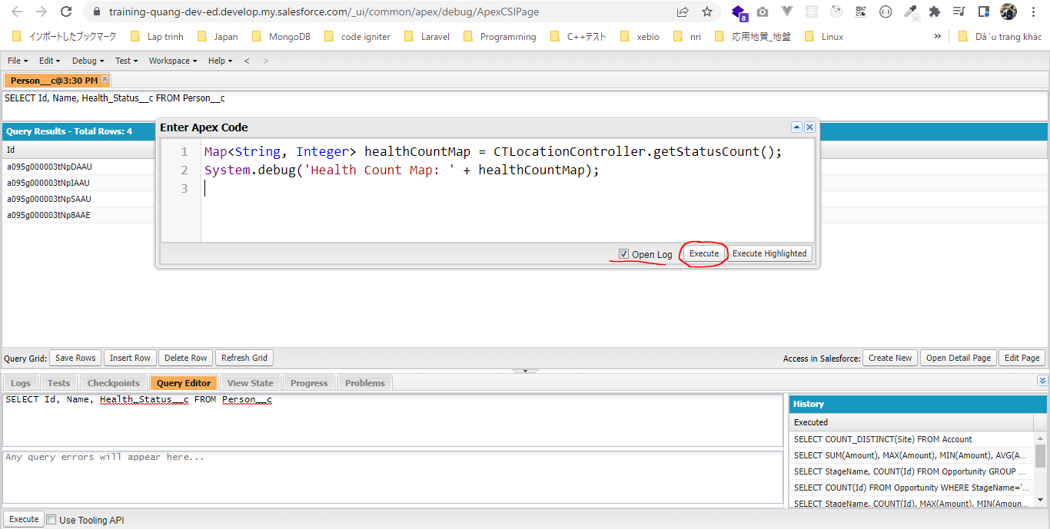

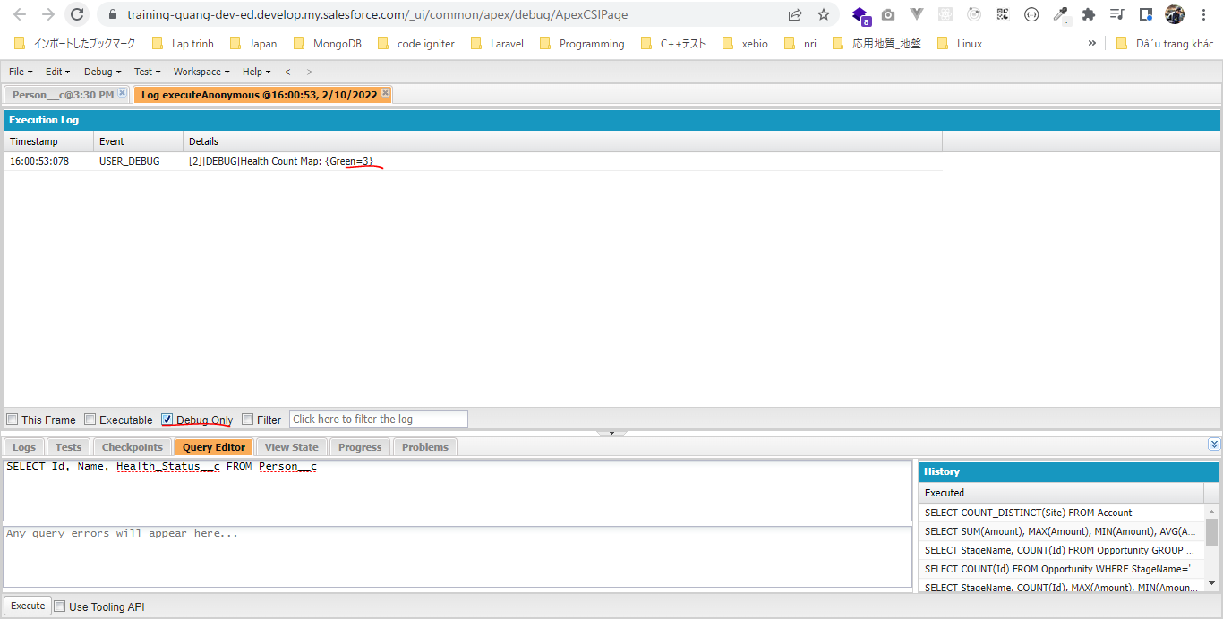

 | SELECT Id, Name, Status__c FROM Location__c

