Person Trigger
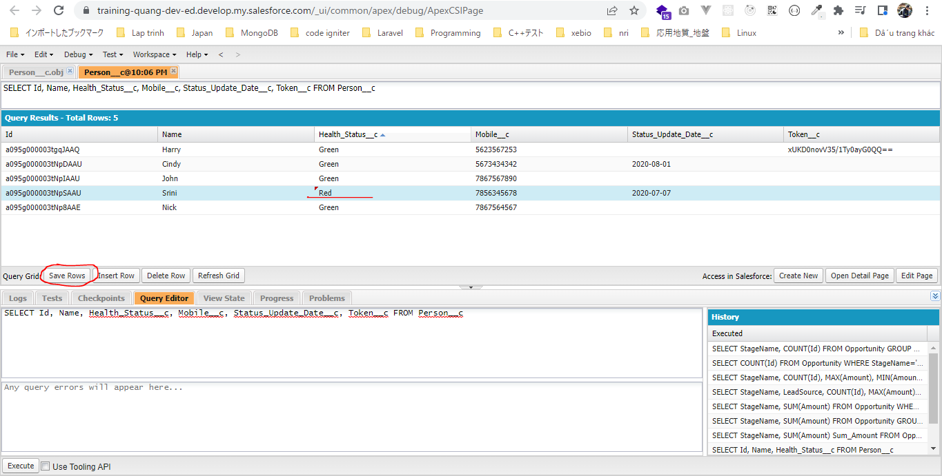
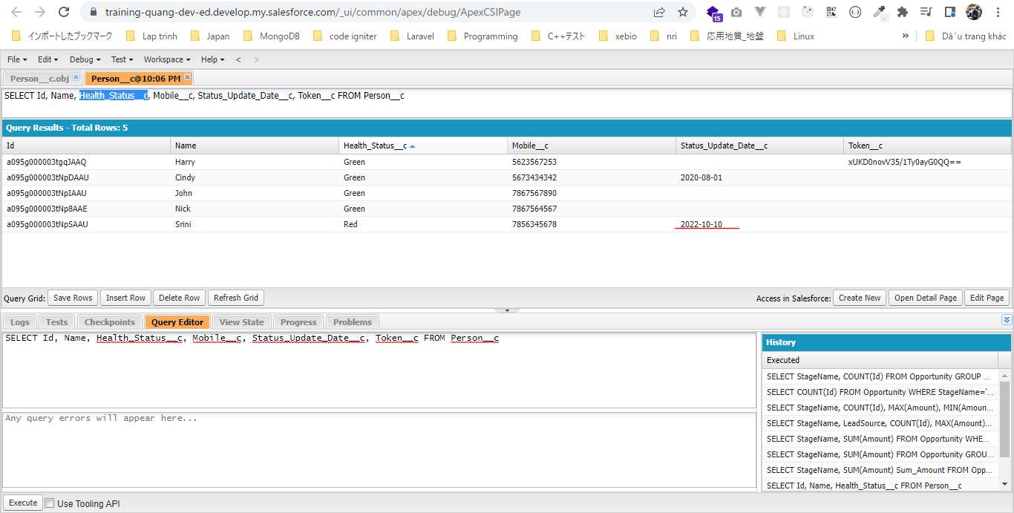
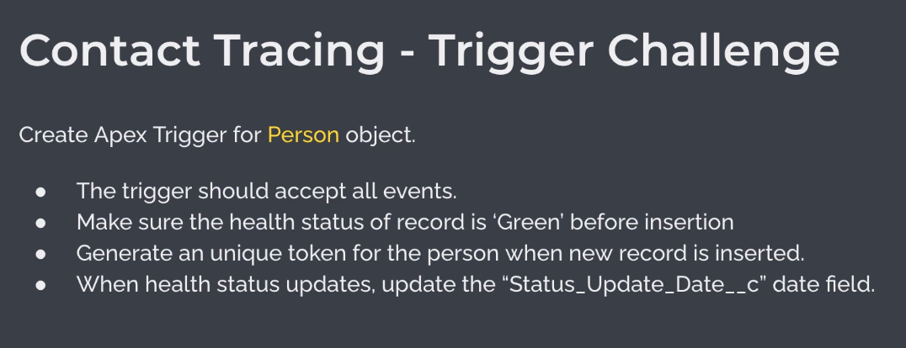

構成
 | salesforce
 |  | 2.Apex-Fundamentals
 |  | 3.Control-Flow-Statements
 |  | 4.Apex-Classes-and-Methods
 |  | 5.Apex-Testing
 |  | 6.Salesforce-Object-Query-Language
 |  | 7.SObject-and-DML
 |  | 8.Exception-Handling
 |  | 9.VS Code-Setup
 |  | 10.Governors-Limits-and-Code-Bulkification
 |  | 11.Advanced-SOQL
 |  | 12.Trigger-overview
 |  | Boss-Level-Challenge
 |  |  | contact-tracing
 |  |  |  | force-app
 |  |  |  |  | main
 |  |  |  |  |  | default
 |  |  |  |  |  |  | classes
 |  |  |  |  |  |  |  | CTLocationController.cls
 |  |  |  |  |  |  |  | CTLocationTracingController.cls
 |  |  |  |  |  |  |  | CTPeopleTracingController.cls
 |  |  |  |  |  |  |  | CTPersonController.cls
 |  |  |  |  |  |  |  | CTPersonTriggerHandler.cls | → | new
 |  |  |  |  |  |  | triggers |  | → | new
 |  |  |  |  |  |  |  | CTPersonTrigger.trigger | → | new
 |  |  | 1.dev-console.txt
 |  |  | 2.dev-console.txt
 |  |  | 3.dev-console.txt
 |  |  | 4.dev-console.txt
 |  |  | 5.dev-console.txt

salesforce\Boss-Level-Challenge\contact-tracing\force-app\main\default\triggers\CTPersonTrigger.trigger
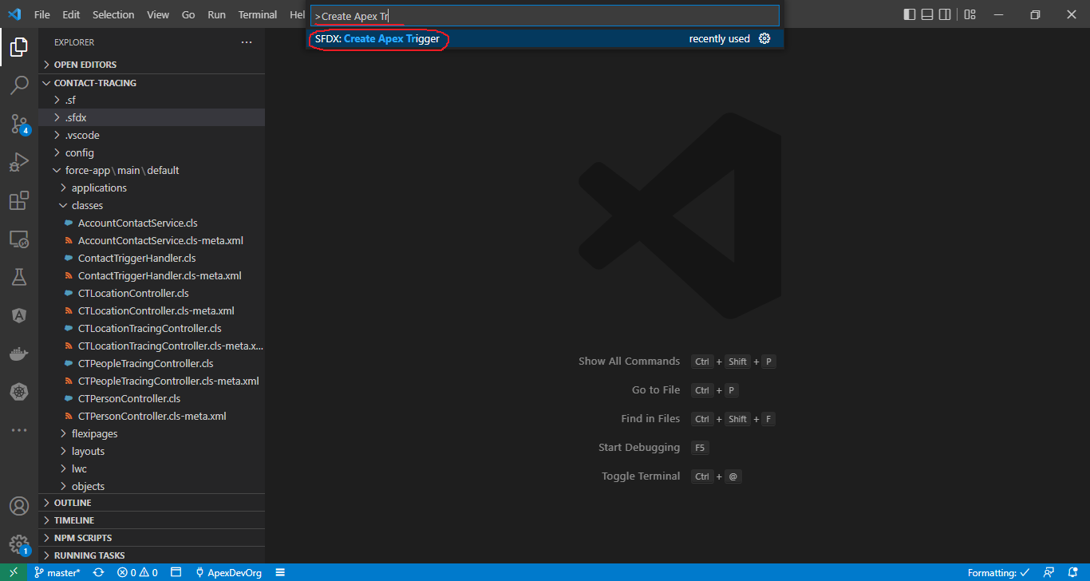

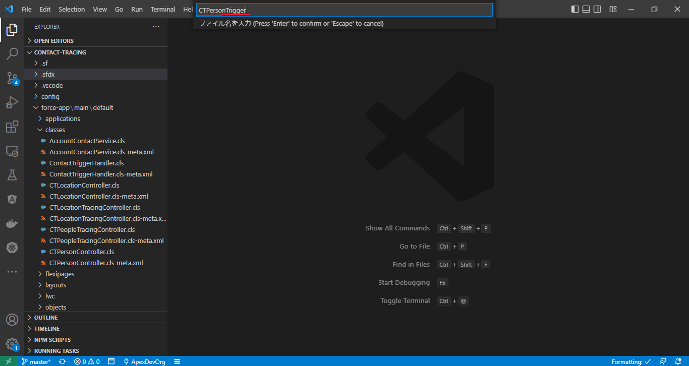

 | /**
 | * @description :
 | * @author : ChangeMeIn@UserSettingsUnder.SFDoc
 | * @group :
 | * @last modified on : 06-02-2021
 | * @last modified by : ChangeMeIn@UserSettingsUnder.SFDoc
 | * Modifications Log
 | * Ver Date Author Modification
 | * 1.0 06-02-2021 ChangeMeIn@UserSettingsUnder.SFDoc Initial Version
 | * PersonTrigger
 | * Trigger on Person__c object
 | * @author Manish
 | **/
 | trigger CTPersonTrigger on Person__c (before insert, after insert, before update, after update, before delete, after delete, after undelete) {

 | switch on Trigger.operationType {
 | when BEFORE_INSERT {
 | // todo: update health status to green
 | // todo: generate unique token for the person record
 | CTPersonTriggerHandler.beforeInsert(Trigger.new);
 | }
 | when BEFORE_UPDATE {
 | CTPersonTriggerHandler.beforeUpdate(Trigger.new, Trigger.oldMap);
 | }
 | }

 | }

salesforce\Boss-Level-Challenge\contact-tracing\force-app\main\default\classes\CTPersonTriggerHandler.cls
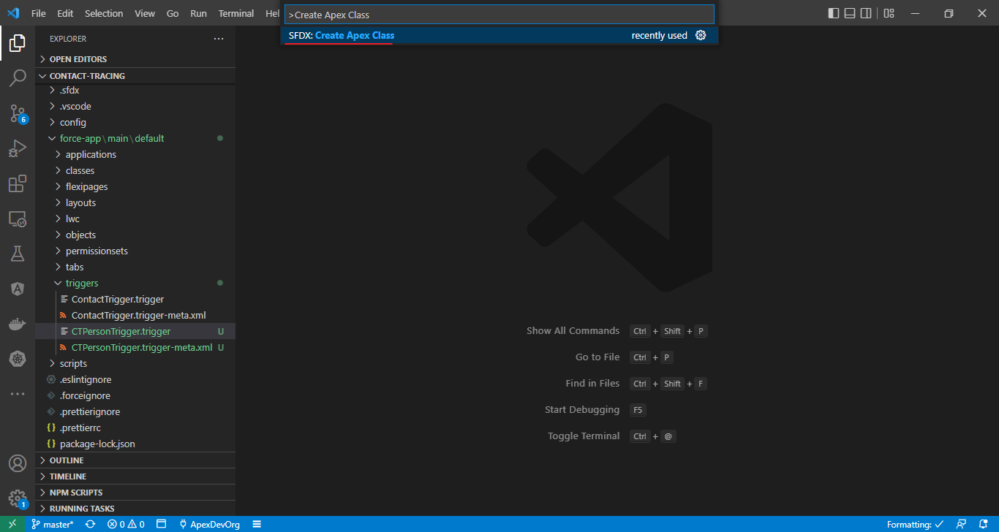

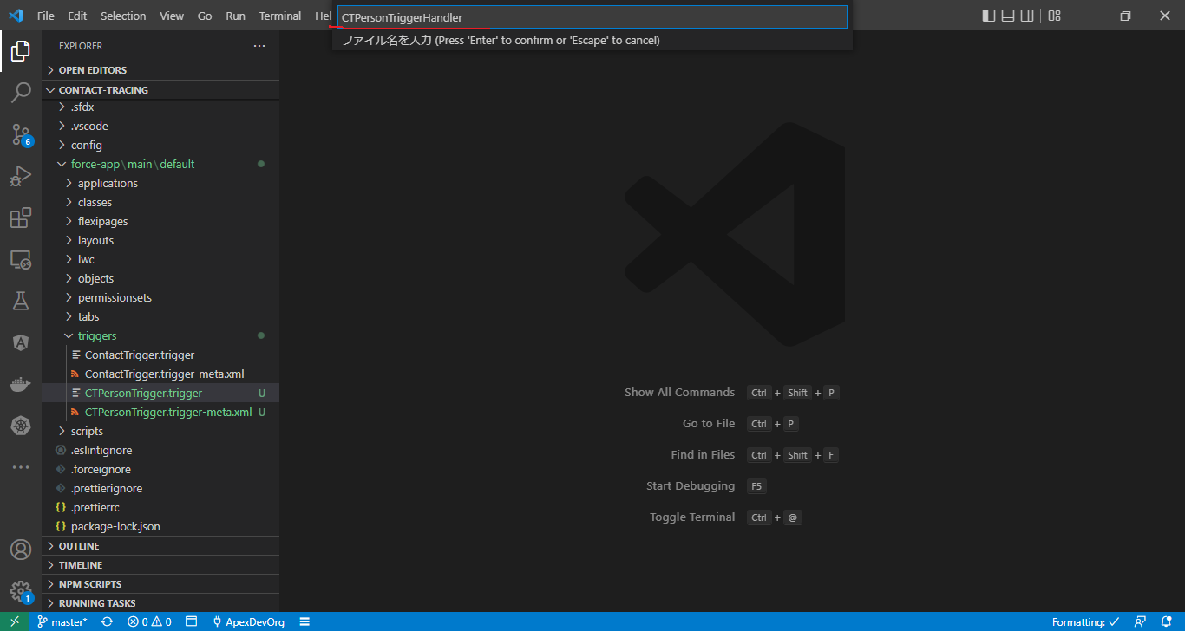

 | /**
 | * @description :
 | * @author : ChangeMeIn@UserSettingsUnder.SFDoc
 | * @group :
 | * @last modified on : 06-02-2021
 | * @last modified by : ChangeMeIn@UserSettingsUnder.SFDoc
 | * Modifications Log
 | * Ver Date Author Modification
 | * 1.0 06-02-2021 ChangeMeIn@UserSettingsUnder.SFDoc Initial Version
 | **/
 | public with sharing class CTPersonTriggerHandler {

 | public static void beforeInsert(List<Person__c> newRecords){
 | // Before insert operation for Person__c object
 | // make sure the health status is green
 | // generate unique token for each record
 | for(Person__c person: newRecords){
 | // update person status to Green
 | person.Health_Status__c = 'Green';
 | // generate unique token
 | person.Token__c = CTPersonController.getToken(person.Mobile__c);
 | }
 | }

 | // Before update operation for Person__c object
 | public static void beforeUpdate(List<Person__c> newRecords, Map<Id, Person__c> oldRecordsMap){
 | for(Person__c person : newRecords){
 | // check if the status changed in this transaction
 | // also update Status_Update_Date__c
 | if( person.Health_Status__c != oldRecordsMap.get(person.id).Health_Status__c){
 | person.Status_Update_Date__c = Date.today();
 | }
 | }
 | }
 | }

Deploy
Phải deploy class CTPersonTriggerHandler trước
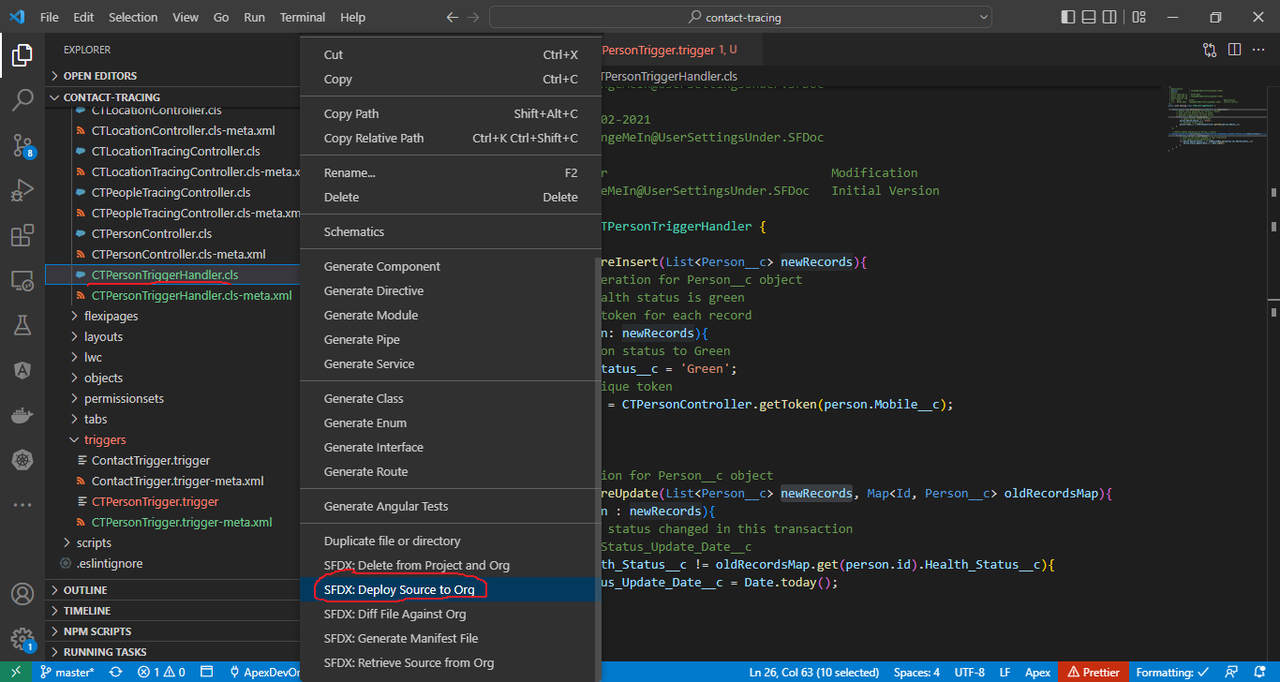

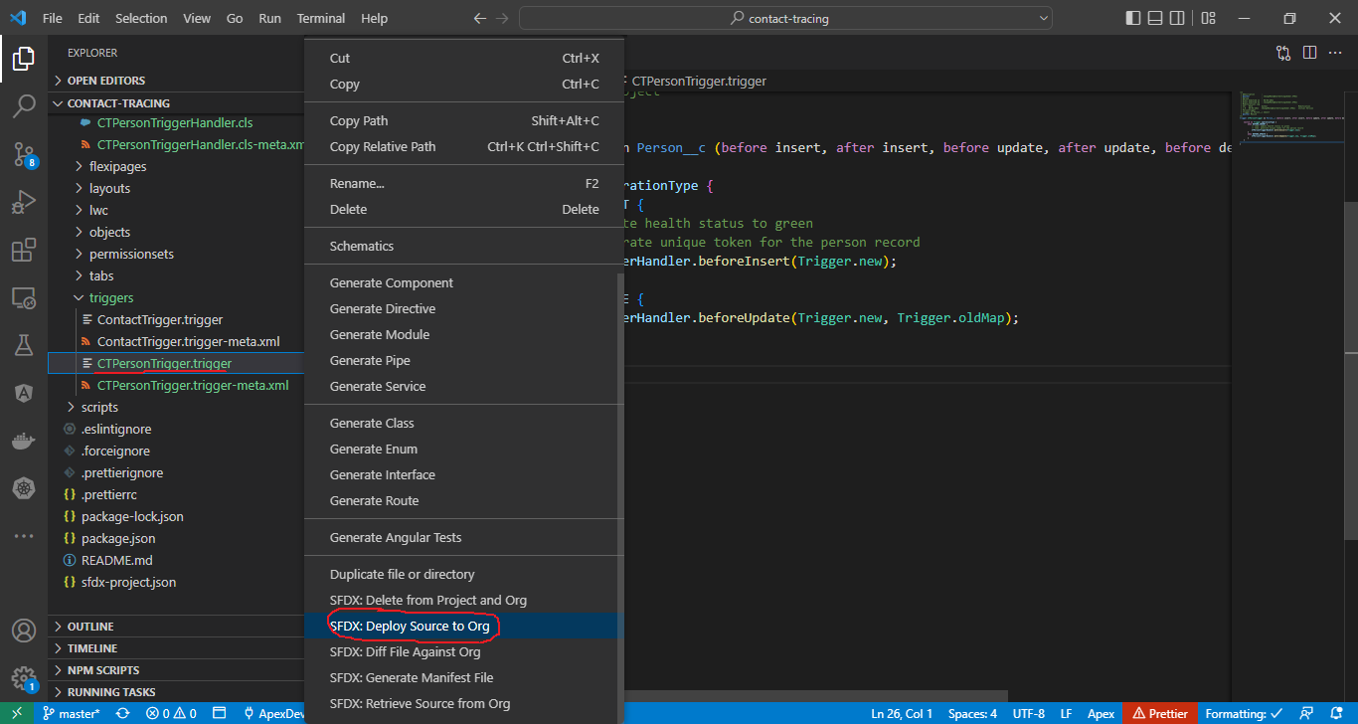

Create new Person
Sau khi tạo thì Health_Status__c sẽ là "Green", Token__c sẽ có giá trị

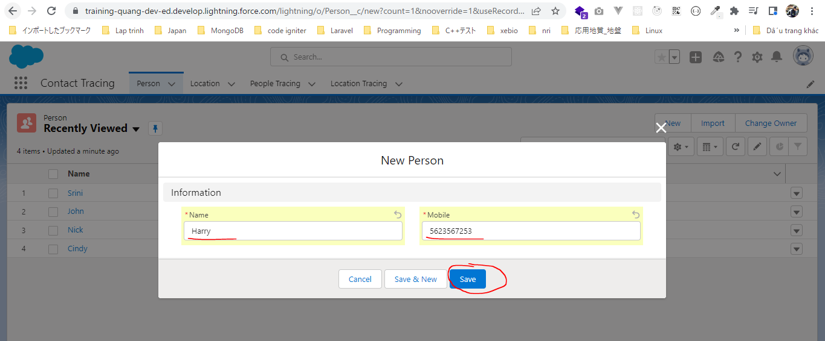

 | SELECT Id, Name, Health_Status__c, Mobile__c, Status_Update_Date__c, Token__c FROM Person__c
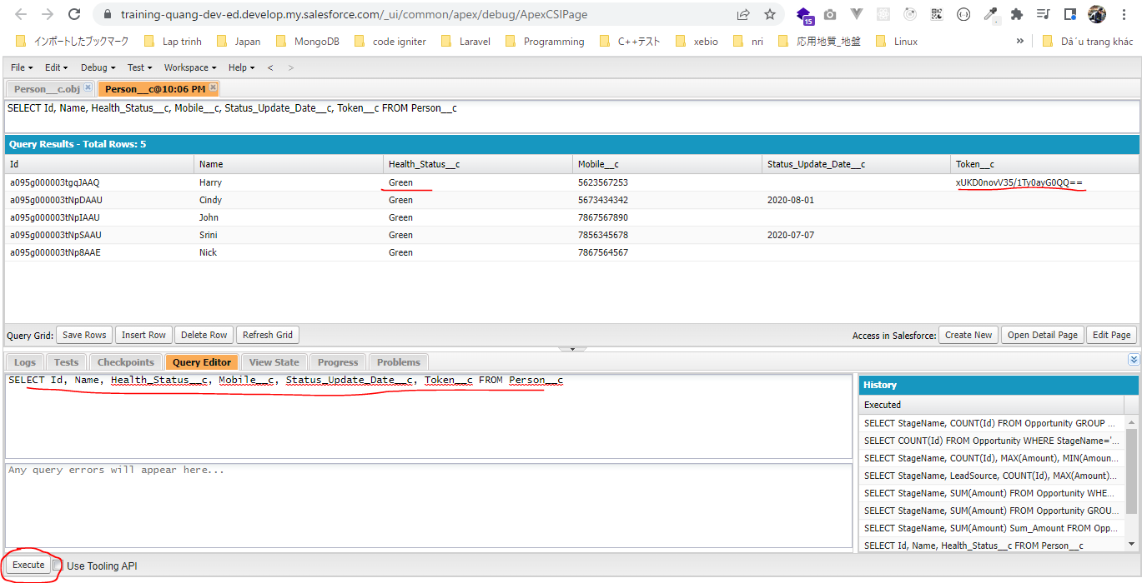

Edit Health_Status__c từ "Green" thành "Red"
Status_Update_Date__c sẽ tự động được cập nhật

