Salesforce Objects and Fields
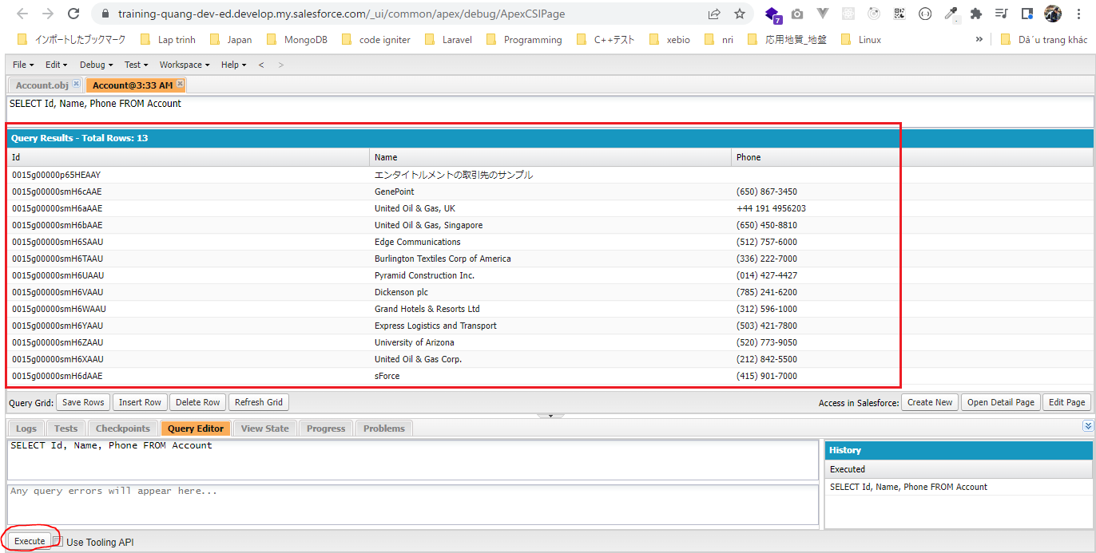
Accounts table
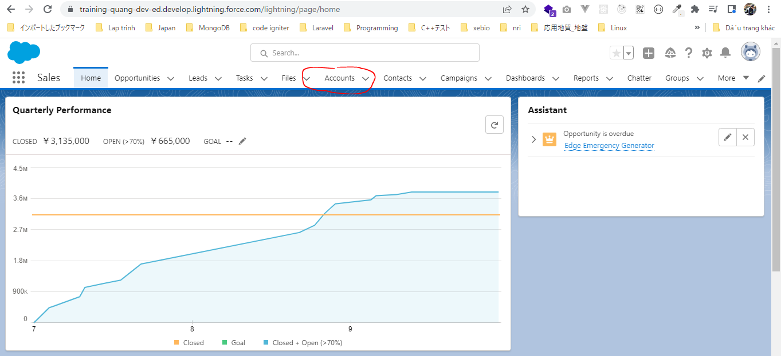

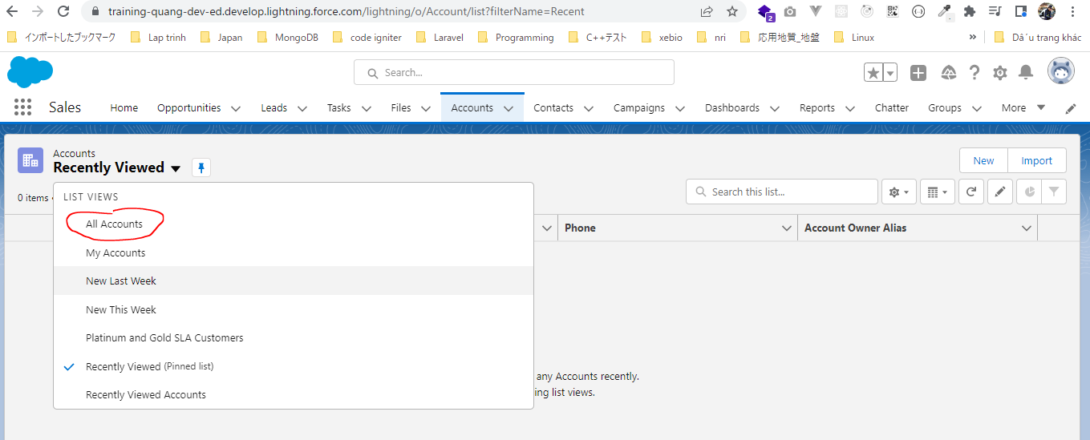

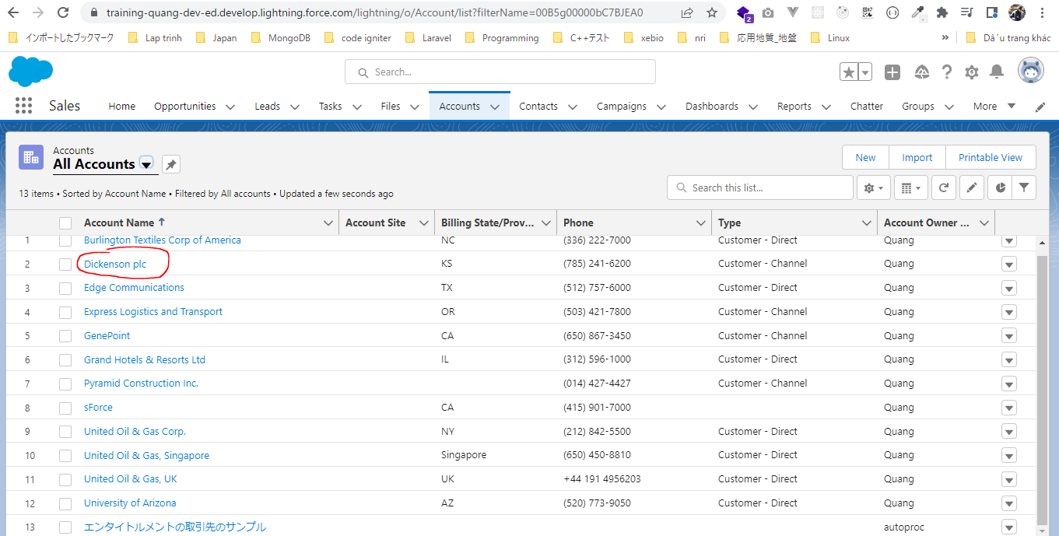

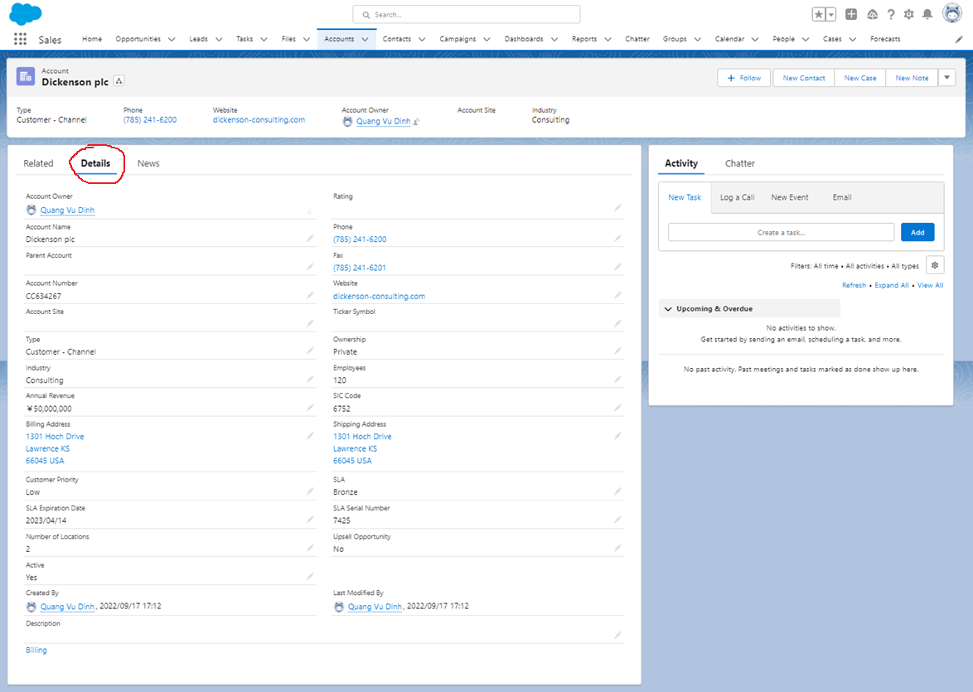

Accounts object
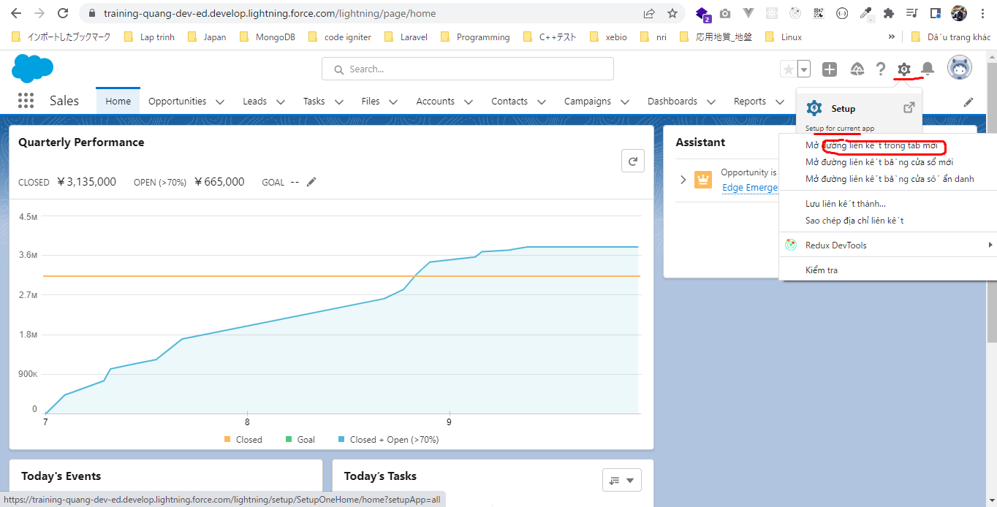

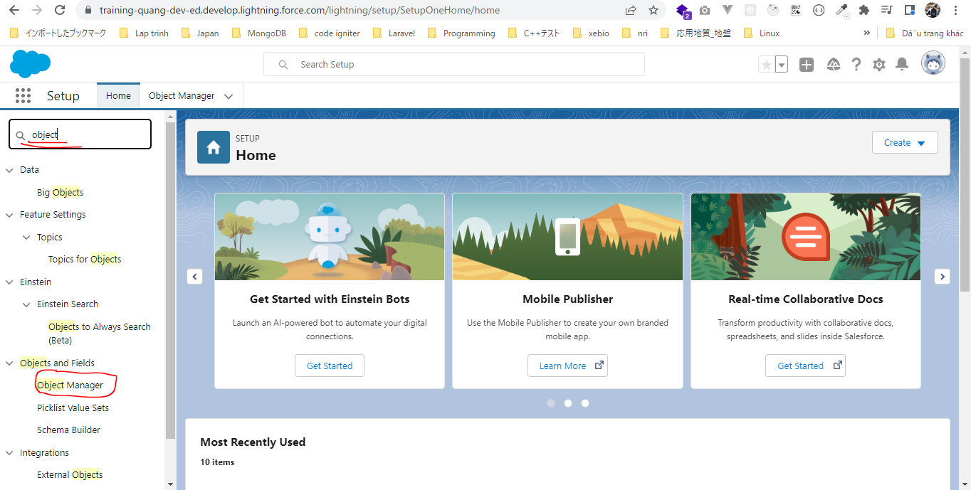

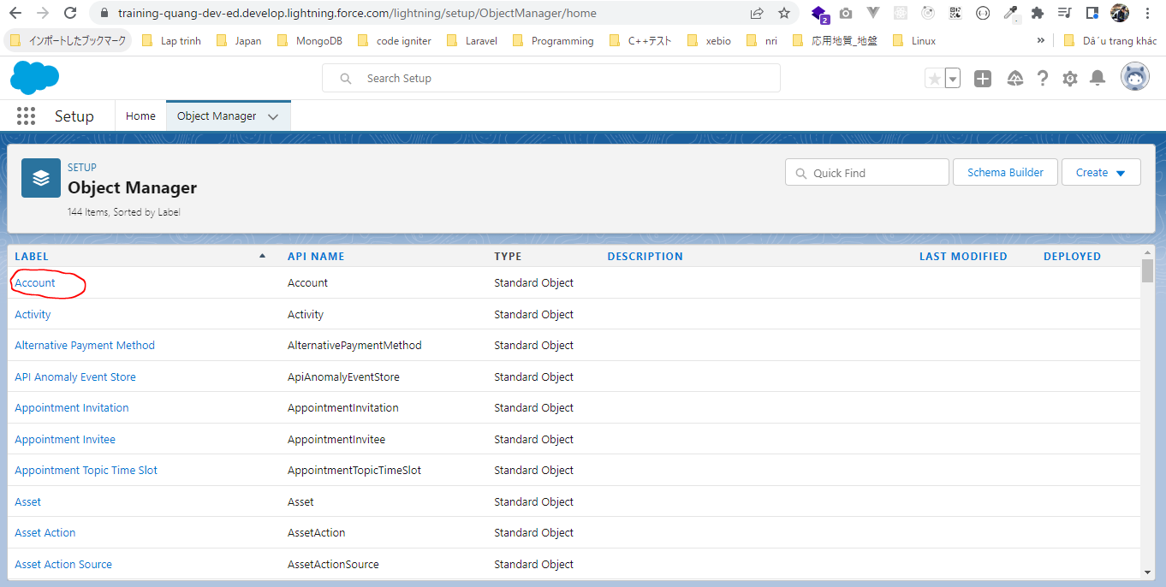

Ta cũng có các field tương ứng
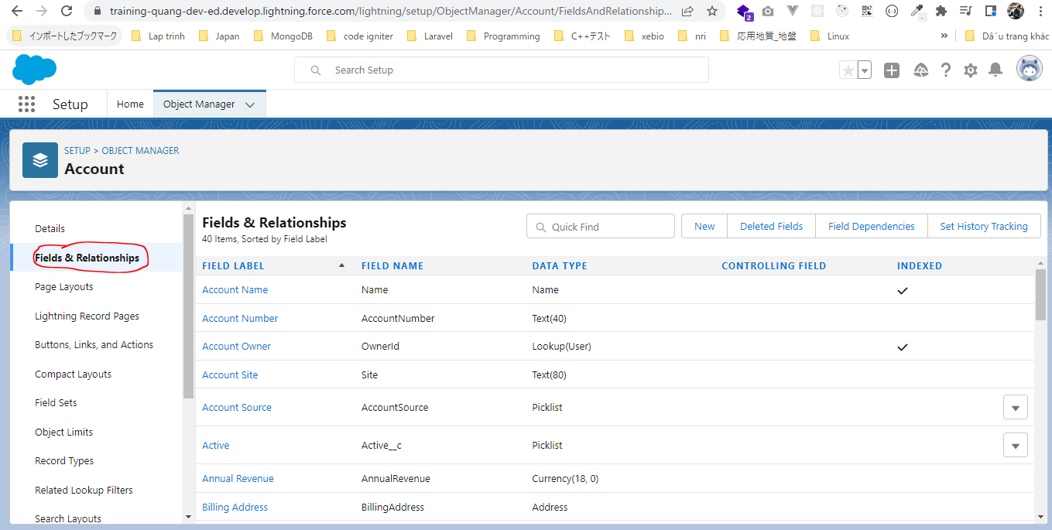

Salesforce Object Query Language
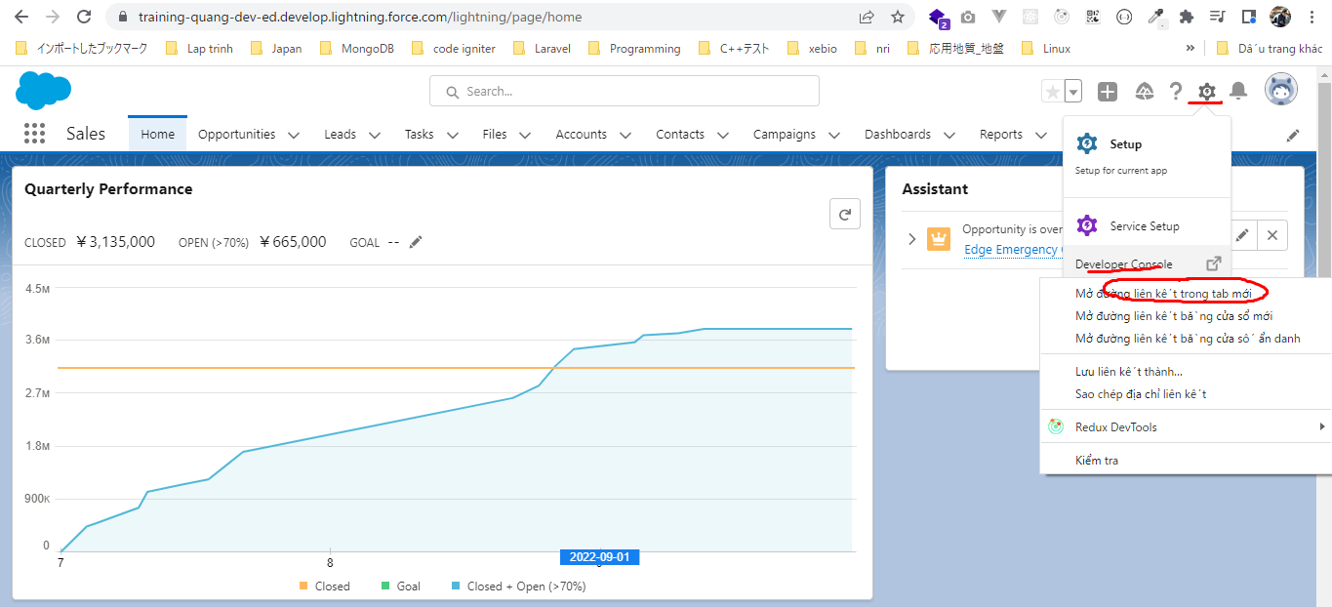

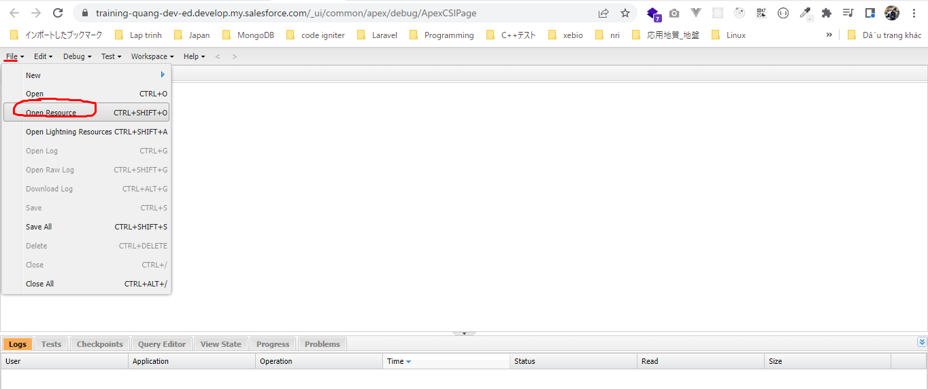

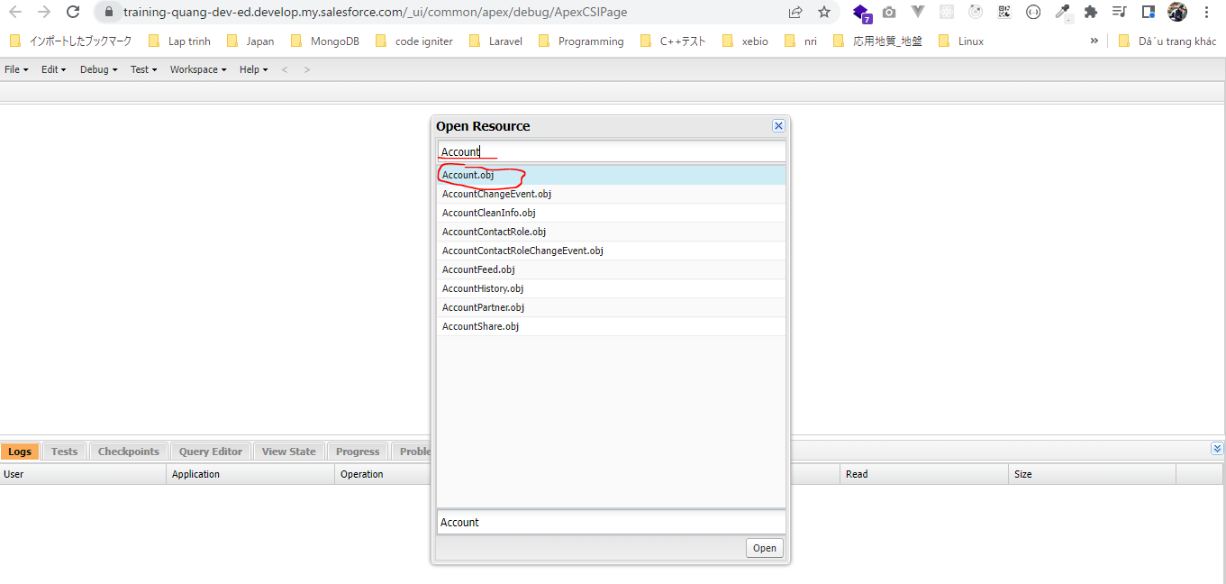

Nhấn Ctrl rồi chọn Name và Phone rồi nhấn Query lần 1. Sau khi nhấn Query lần đầu tiên thì Query Editor được mở ra, nhấn Query lần nữa thì ta được câu query
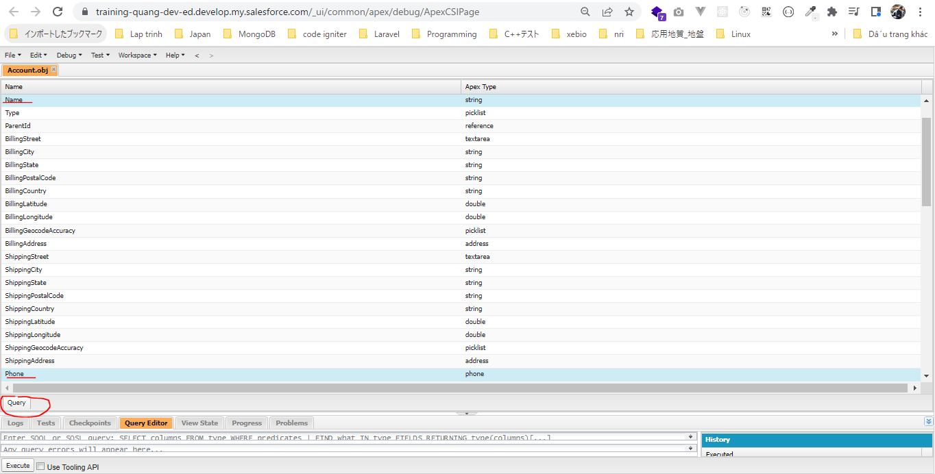

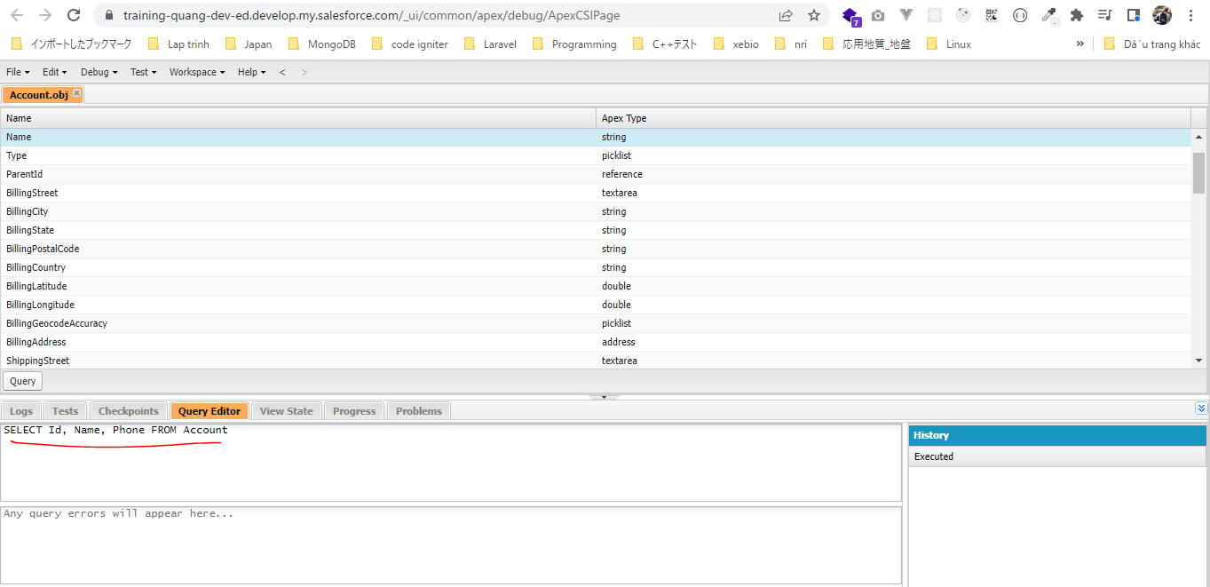

Nhấn Execute ta được kết quả. Cũng thu được 13 kết quả

Understand SOQL
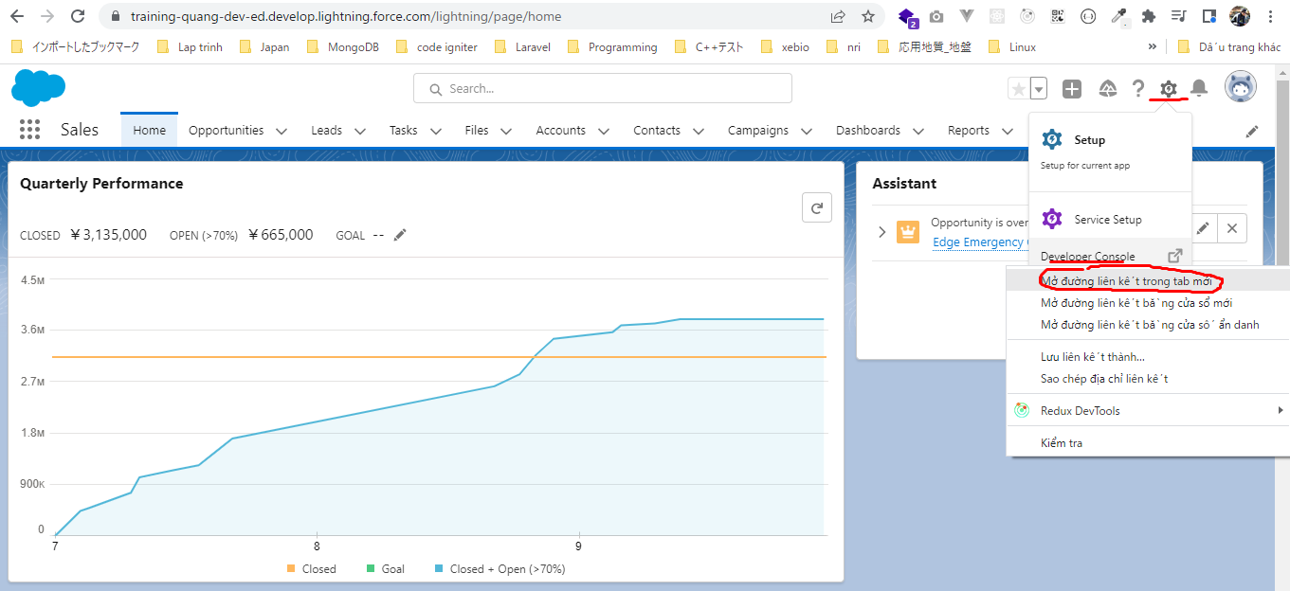
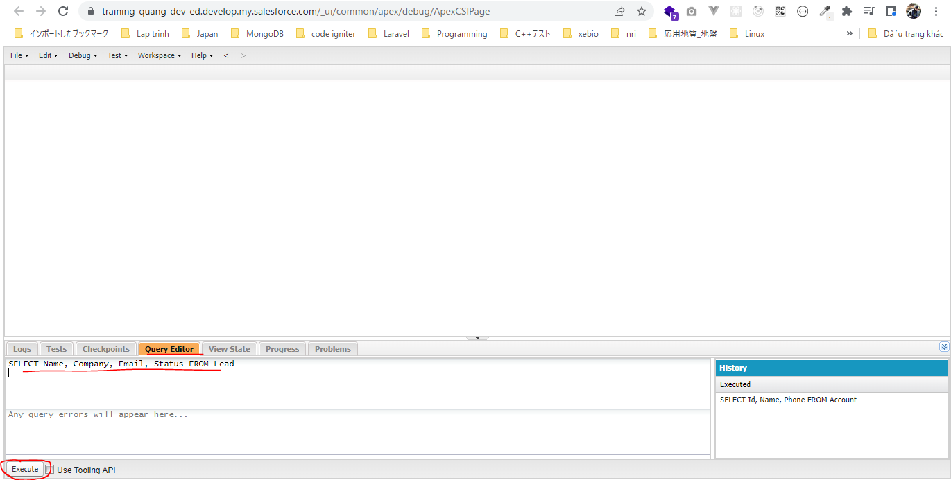
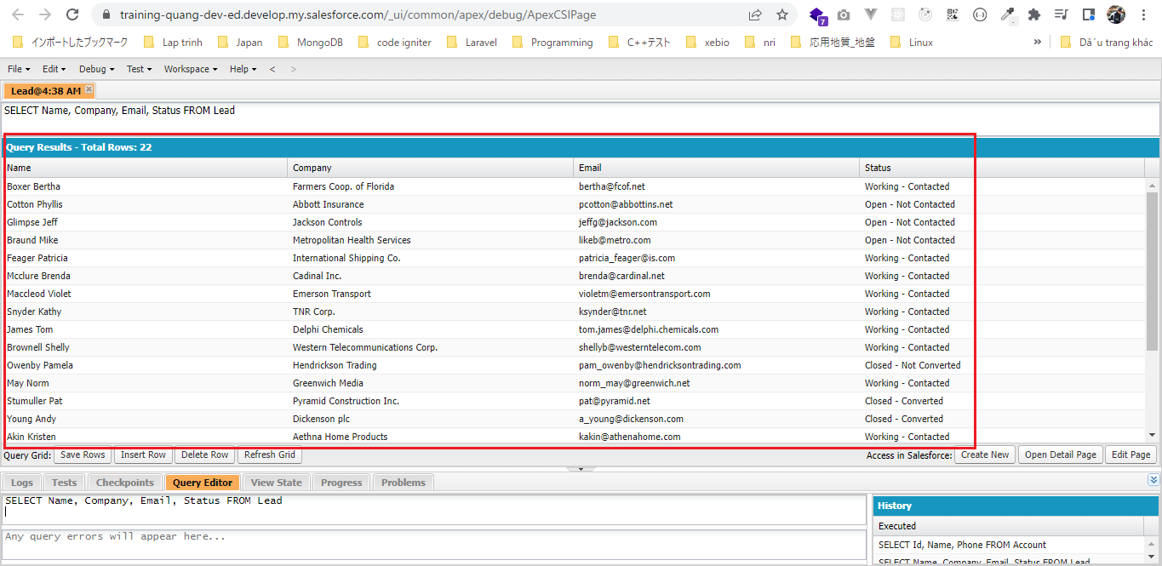
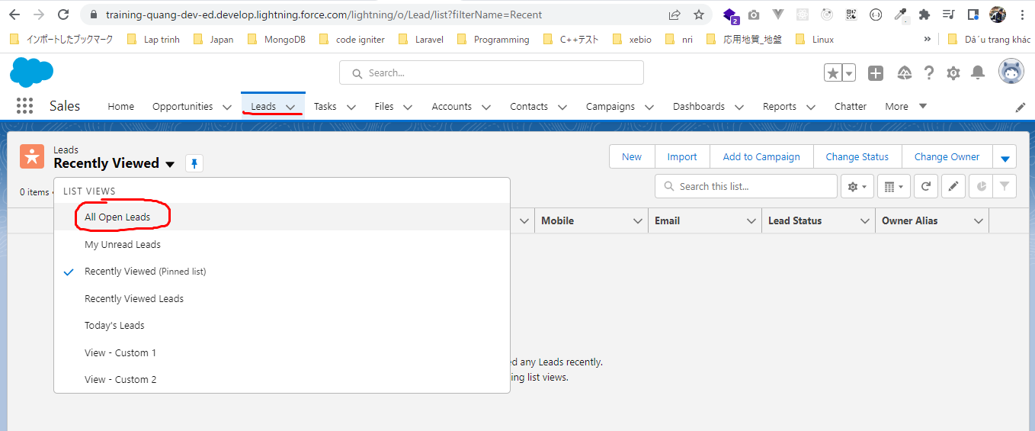
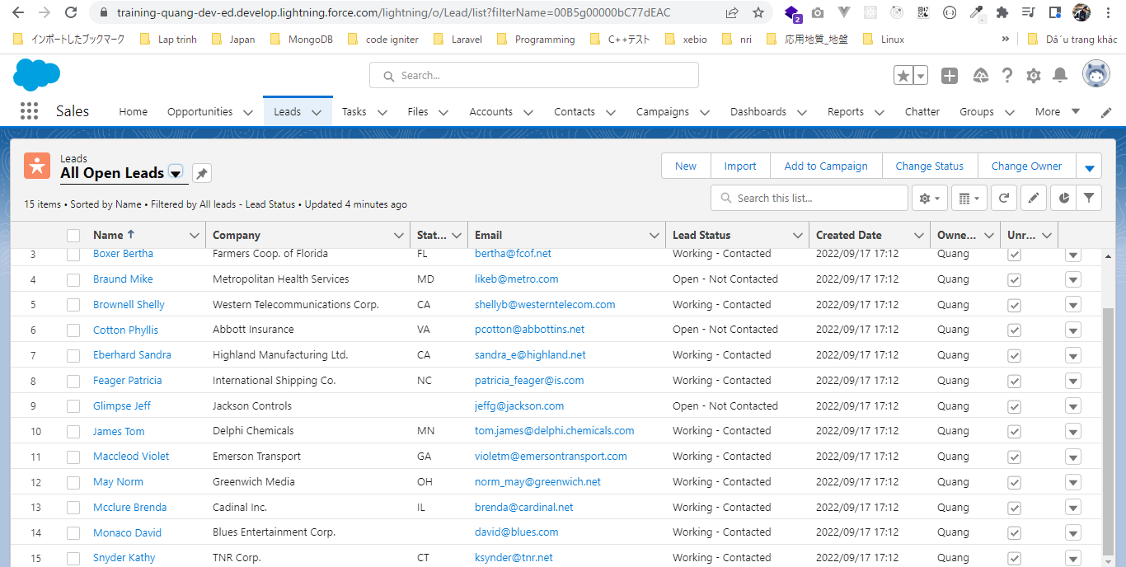
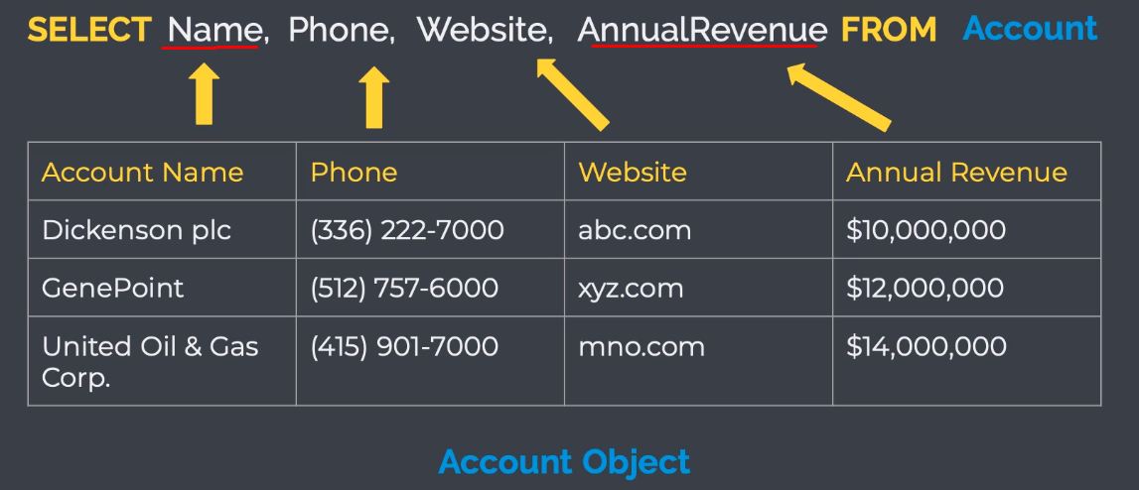

 | 'Account Name' và 'Annual Revenue' là label
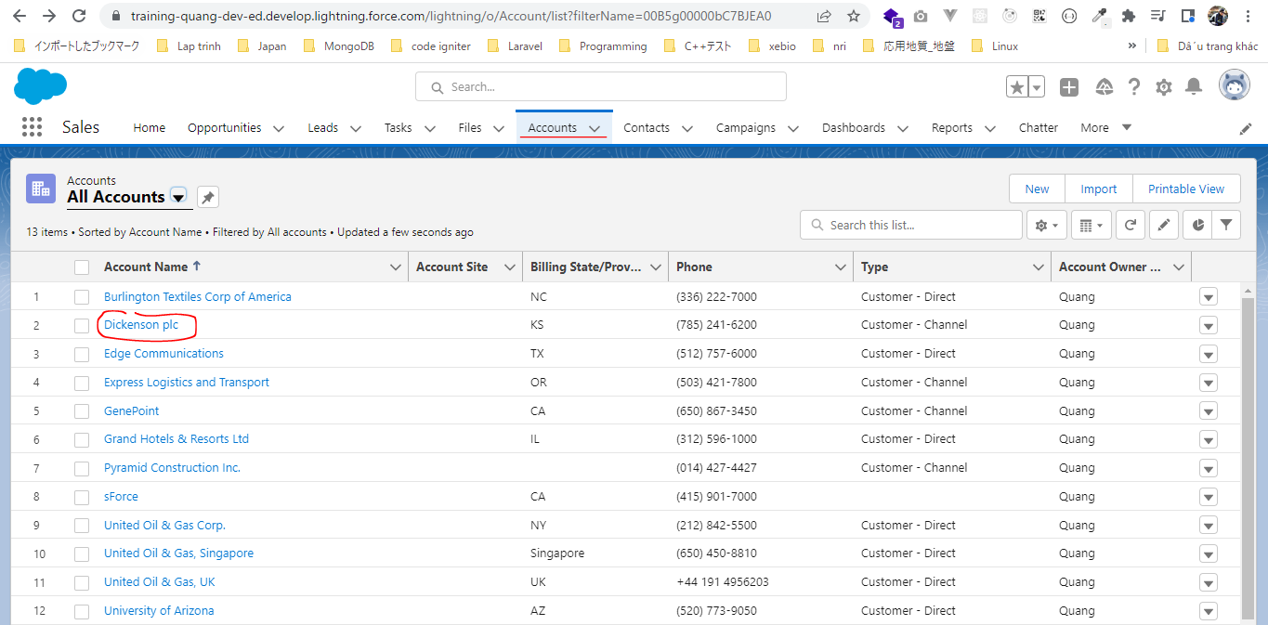

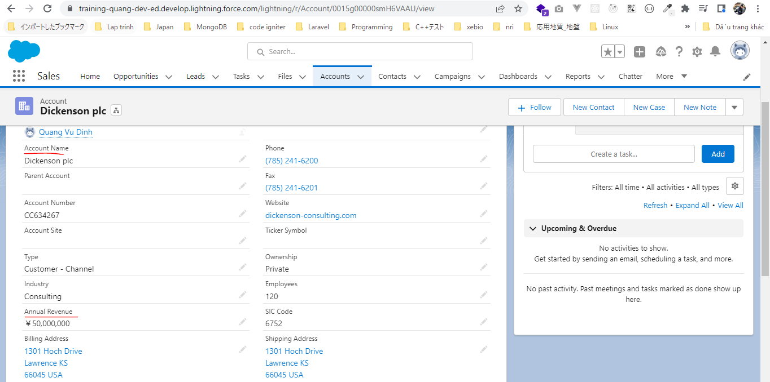

 | Salesforce setup
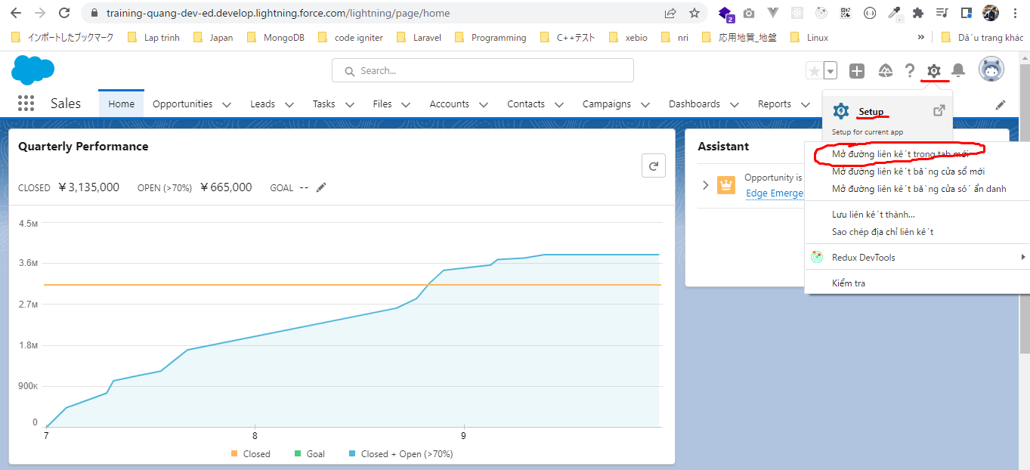

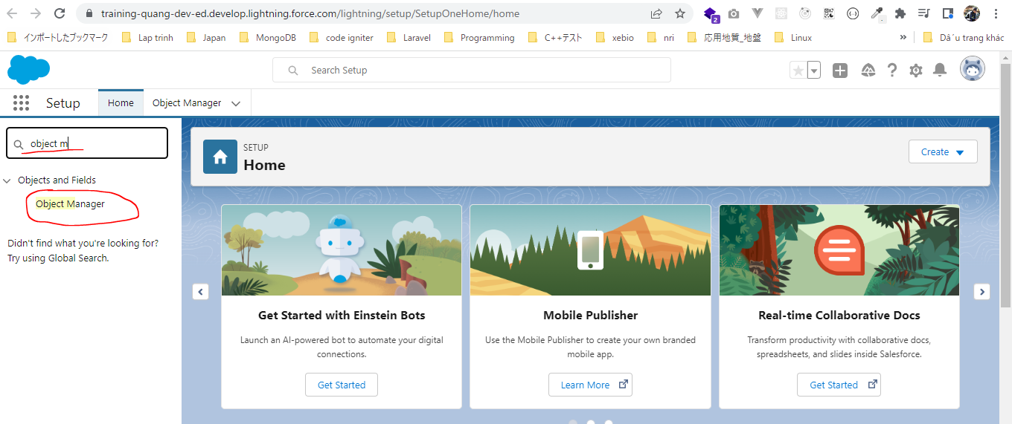

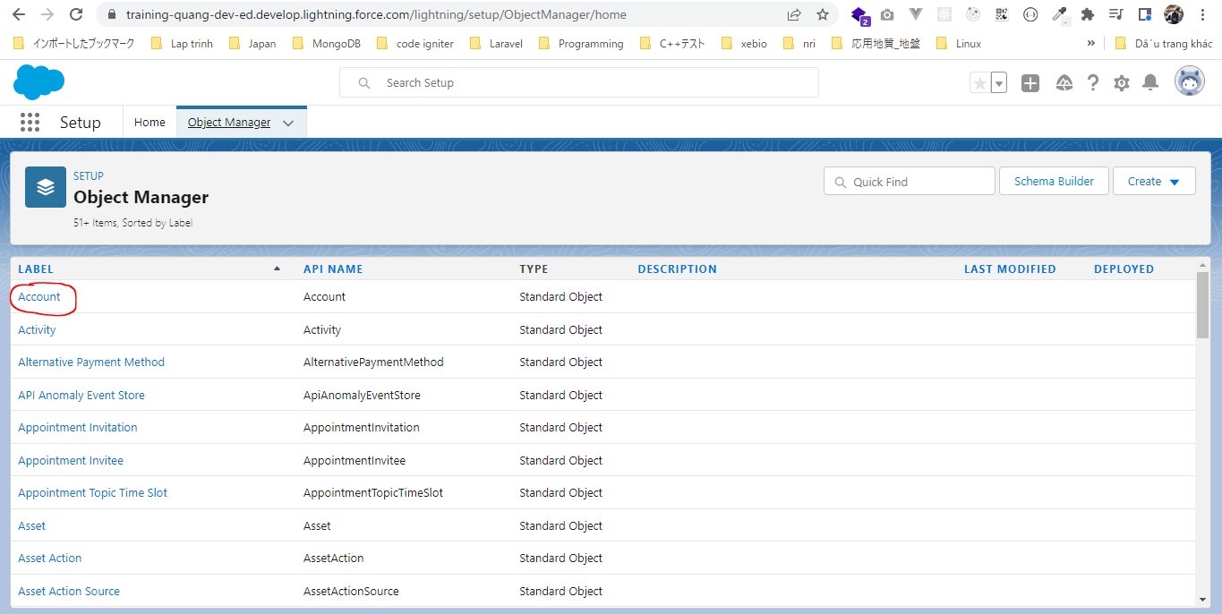

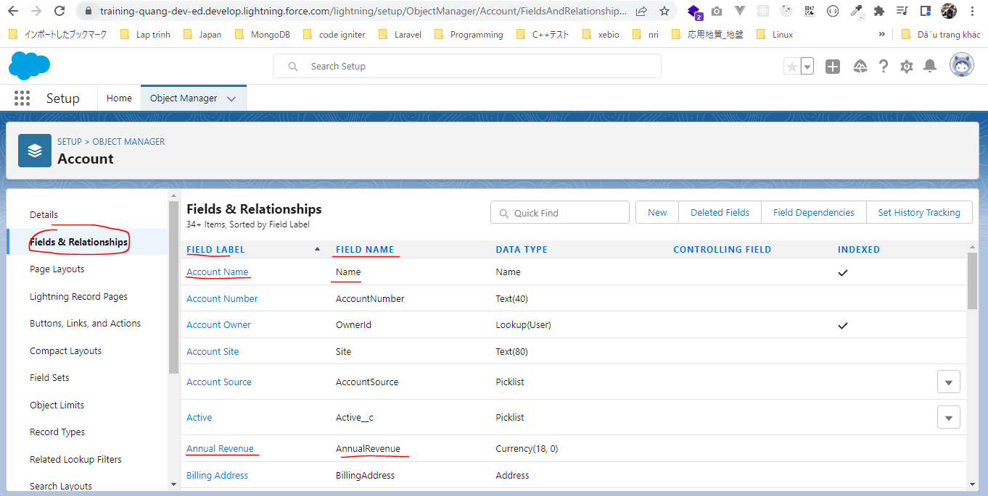

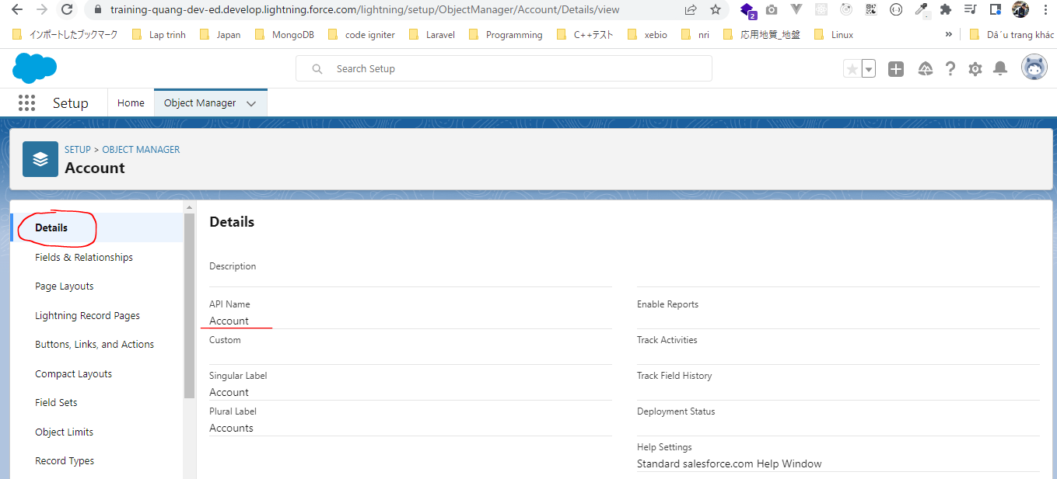

構成
 | salesforce
 |  | 2.Apex-Fundamentals
 |  | 3.Control-Flow-Statements
 |  | 4.Apex-Classes-and-Methods
 |  | 5.Apex-Testing
 |  | 6.Salesforce-Object-Query-Language |  |  | → | new
 |  |  | 1.understand-soql |  | → | new
 |  |  |  | queries.txt | → | new

salesforce\6.Salesforce-Object-Query-Language\1.understand-soql\queries.txt
 | SELECT Name, Company, Email, Status FROM Lead

WHERE ClauseAND and OR Operator
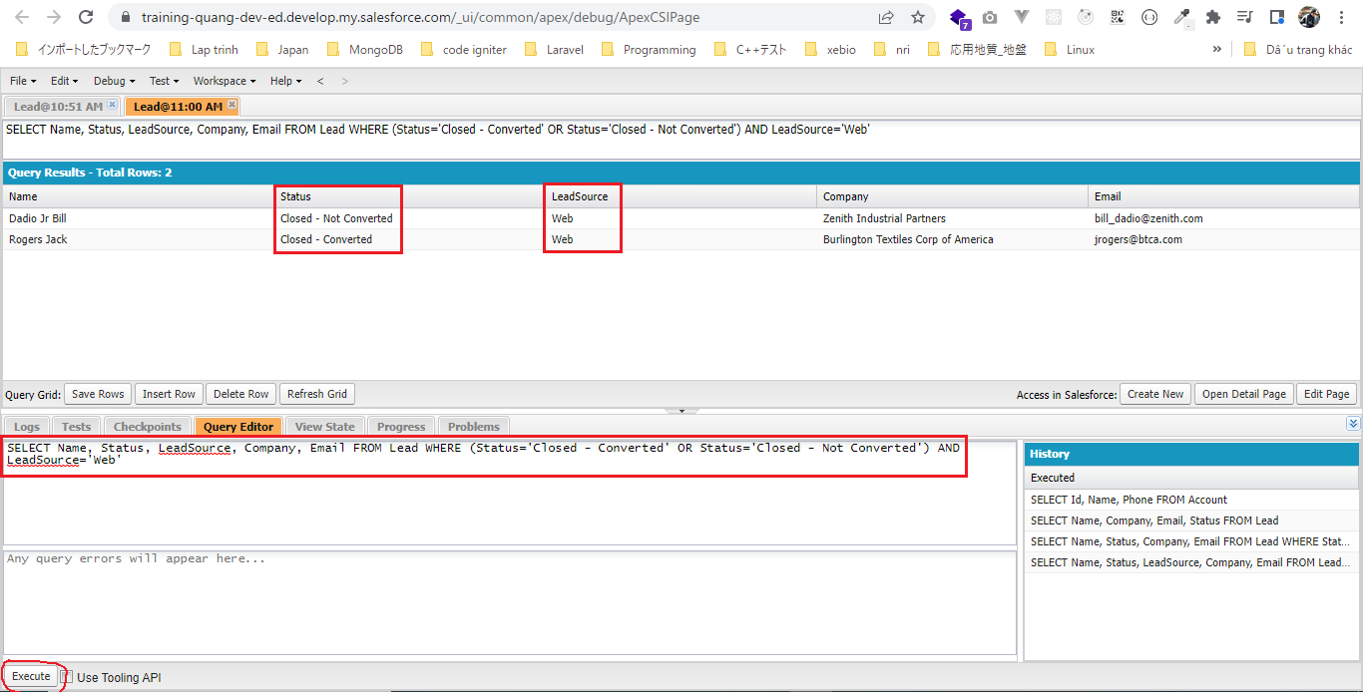
構成
 | salesforce
 |  | 2.Apex-Fundamentals
 |  | 3.Control-Flow-Statements
 |  | 4.Apex-Classes-and-Methods
 |  | 5.Apex-Testing
 |  | 6.Salesforce-Object-Query-Language
 |  |  | 1.understand-soql
 |  |  |  | queries.txt
 |  |  | 2.soql-where-clause |  | → | new
 |  |  |  | queries.txt | → | new

salesforce\6.Salesforce-Object-Query-Language\2.soql-where-clause\queries.txt
 | // OR Keyword
 | SELECT Name, Status, Company, Email FROM Lead WHERE Status='Closed - Converted' OR Status='Closed - Not Converted'

 | // OR and AND Keyword
 | SELECT Name, Status, LeadSource, Company, Email FROM Lead WHERE (Status='Closed - Converted' OR Status='Closed - Not Converted') AND LeadSource='Web'

 | SELECT Name, Status, Company, Email FROM Lead WHERE Status='Closed - Converted' OR Status='Closed - Not Converted'
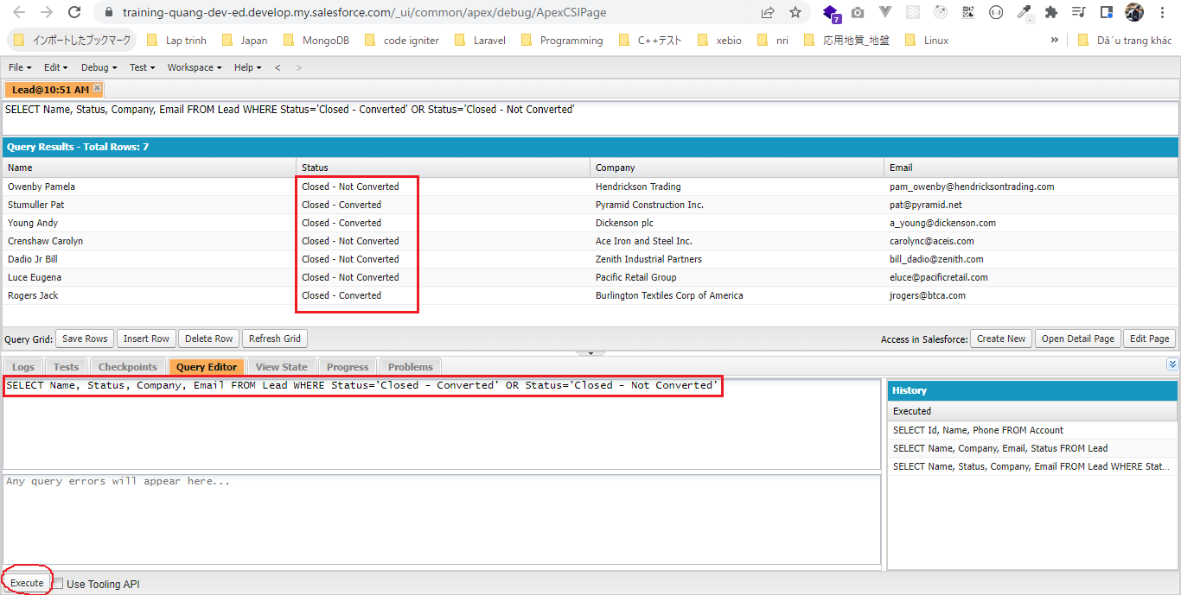

 | SELECT Name, Status, LeadSource, Company, Email FROM Lead WHERE (Status='Closed - Converted' OR Status='Closed - Not Converted') AND LeadSource='Web'

IN and LIKE Operators
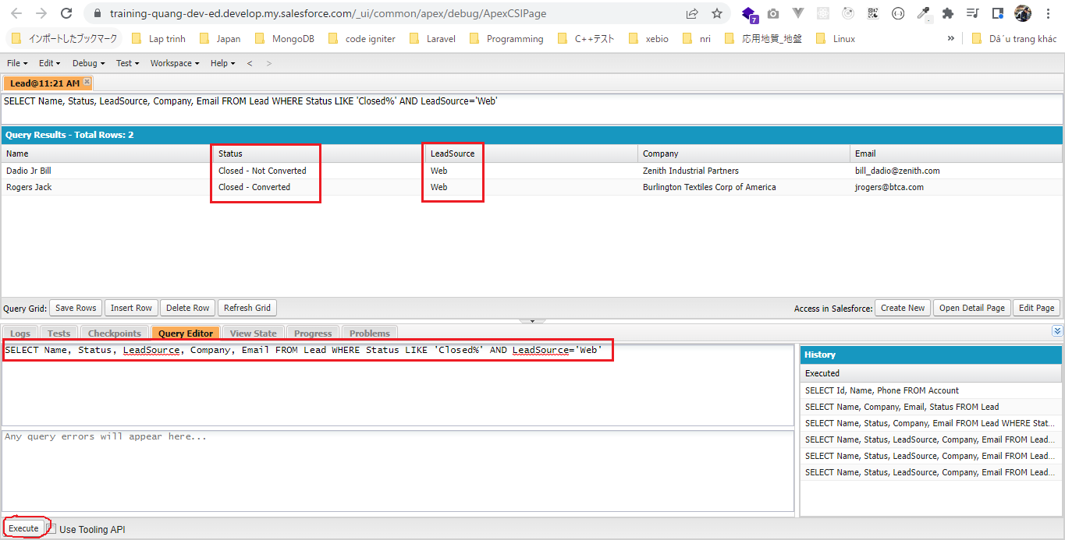
構成
 | salesforce
 |  | 2.Apex-Fundamentals
 |  | 3.Control-Flow-Statements
 |  | 4.Apex-Classes-and-Methods
 |  | 5.Apex-Testing
 |  | 6.Salesforce-Object-Query-Language
 |  |  | 1.understand-soql
 |  |  |  | queries.txt
 |  |  | 2.soql-where-clause
 |  |  |  | queries.txt
 |  |  | 3.soql-in-and-like-operator |  | → | new
 |  |  |  | queries.txt | → | new

salesforce\6.Salesforce-Object-Query-Language\3.soql-in-and-like-operator\queries.txt
 | // IN Operator
 | SELECT Name, Status, LeadSource, Company, Email FROM Lead WHERE Status IN ('Closed - Converted', 'Closed - Not Converted') AND LeadSource='Web' |  |  |  |  |  | = | SELECT Name, Status, LeadSource, Company, Email FROM Lead WHERE (Status='Closed - Converted' OR Status='Closed - Not Converted') AND LeadSource='Web'

 | // LIKE Operator
 | SELECT Name, Status, LeadSource, Company, Email FROM Lead WHERE Status LIKE 'Closed%' AND LeadSource='Web'

 | SELECT Name, Status, LeadSource, Company, Email FROM Lead WHERE Status IN ('Closed - Converted', 'Closed - Not Converted') AND LeadSource='Web'
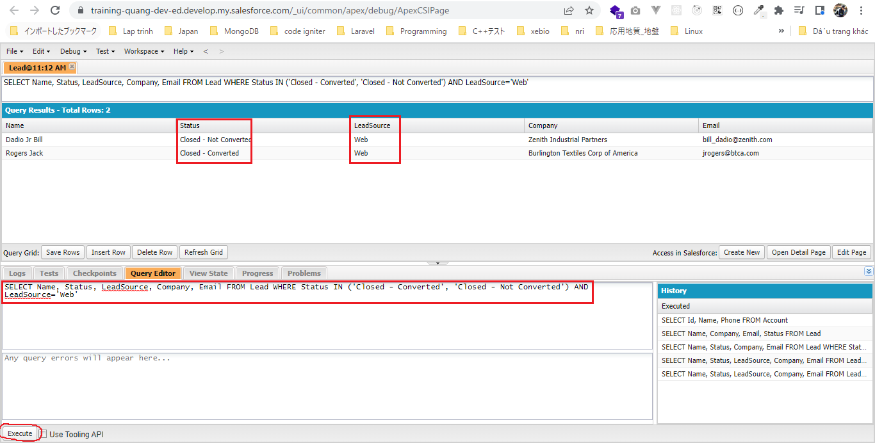

 | SELECT Name, Status, LeadSource, Company, Email FROM Lead WHERE Status LIKE 'Closed%' AND LeadSource='Web'

ORDER BY Clause
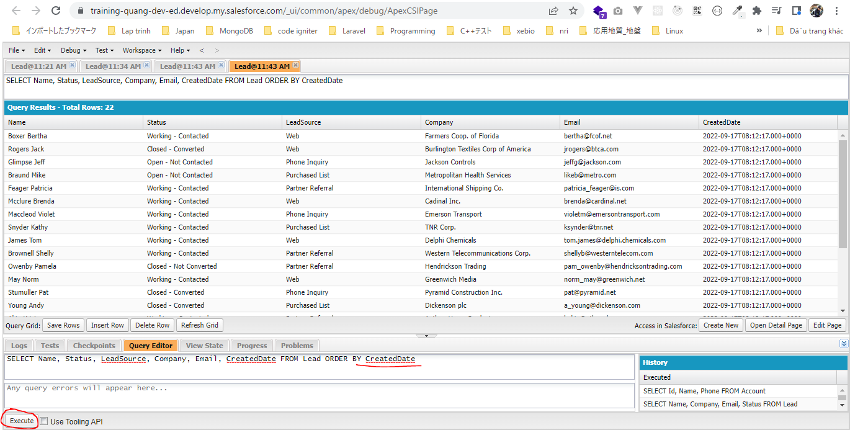
 | ORDER BY để sort giá trị của các field ngoại trừ các field lớn như text area hay các field đã được mã hóa encrypt
 | Các field bình thường, number hay date đều được support

構成
 | salesforce
 |  | 2.Apex-Fundamentals
 |  | 3.Control-Flow-Statements
 |  | 4.Apex-Classes-and-Methods
 |  | 5.Apex-Testing
 |  | 6.Salesforce-Object-Query-Language
 |  |  | 1.understand-soql
 |  |  |  | queries.txt
 |  |  | 2.soql-where-clause
 |  |  |  | queries.txt
 |  |  | 3.soql-in-and-like-operator
 |  |  |  | queries.txt
 |  |  | 4.soql-order-by-clause |  | → | new
 |  |  |  | queries.txt | → | new

salesforce\6.Salesforce-Object-Query-Language\4.soql-order-by-clause\queries.txt
 | // Sorting by Name
 | SELECT Name, Status, LeadSource, Company, Email FROM Lead ORDER BY Name |  |  |  |  |  | → | Mặc định là sort tăng dần ASC

 | // Sorting by Name in descending order
 | SELECT Name, Status, LeadSource, Company, Email FROM Lead ORDER BY Name DESC

 | // Sorting by Company
 | SELECT Name, Status, LeadSource, Company, Email FROM Lead ORDER BY Company

 | //Sorting by CreatedDate
 | SELECT Name, Status, LeadSource, Company, Email, CreatedDate FROM Lead ORDER BY CreatedDate

 | //Sorting by CreatedDate in descending order
 | SELECT Name, Status, LeadSource, Company, Email, CreatedDate FROM Lead ORDER BY CreatedDate DESC

 | //Order by clause with Where clause
 | SELECT Name, Status, Company, Email FROM Lead WHERE Status='Closed - Converted' ORDER BY Name

 | SELECT Name, Status, LeadSource, Company, Email FROM Lead ORDER BY Name
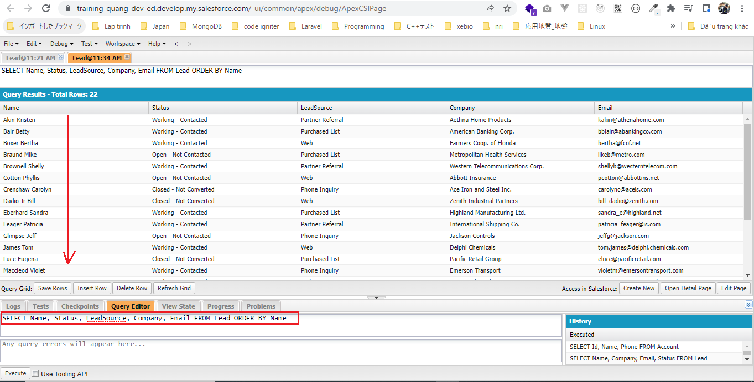

 | SELECT Name, Status, LeadSource, Company, Email, CreatedDate FROM Lead ORDER BY CreatedDate

LIMIT and OFFSET
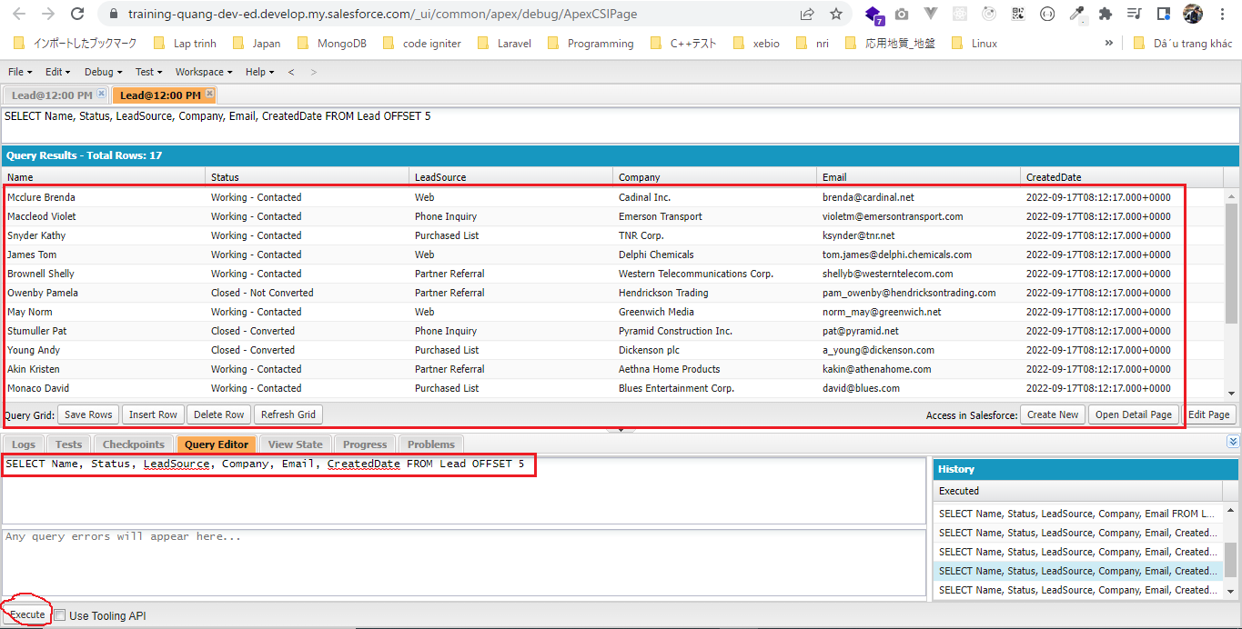
構成
 | salesforce
 |  | 2.Apex-Fundamentals
 |  | 3.Control-Flow-Statements
 |  | 4.Apex-Classes-and-Methods
 |  | 5.Apex-Testing
 |  | 6.Salesforce-Object-Query-Language
 |  |  | 1.understand-soql
 |  |  |  | queries.txt
 |  |  | 2.soql-where-clause
 |  |  |  | queries.txt
 |  |  | 3.soql-in-and-like-operator
 |  |  |  | queries.txt
 |  |  | 4.soql-order-by-clause
 |  |  |  | queries.txt
 |  |  | 5.soql-limit-and-offset |  | → | new
 |  |  |  | queries.txt | → | new

salesforce\6.Salesforce-Object-Query-Language\5.soql-limit-and-offset\queries.txt
 | // Limit 10 rows
 | SELECT Name, Status, LeadSource, Company, Email, CreatedDate FROM Lead LIMIT 10

 | // Limit with Order By clause
 | SELECT Name, Status, LeadSource, Company, Email, CreatedDate FROM Lead Order By Name LIMIT 10 |  |  |  |  |  | → | Lấy 10 record mới nhất

 | // Limit with Order By and Where clause
 | SELECT Name, Status, Company, Email FROM Lead WHERE Status='Closed - Converted' ORDER BY Name LIMIT 1

 | // Get latest record
 | SELECT Name, Status, LeadSource, Company, Email, CreatedDate FROM Lead ORDER BY CreatedDate DESC LIMIT 1

 | // OFFSET 5
 | SELECT Name, Status, LeadSource, Company, Email, CreatedDate FROM Lead OFFSET 5 |  |  |  |  |  | → | Bỏ qua 5 record đầu

 | // Get latest 5 records and skip first 5
 | SELECT Name, Status, LeadSource, Company, Email, CreatedDate FROM Lead ORDER BY CreatedDate DESC LIMIT 5 OFFSET 5

 | SELECT Name, Status, LeadSource, Company, Email, CreatedDate FROM Lead LIMIT 10
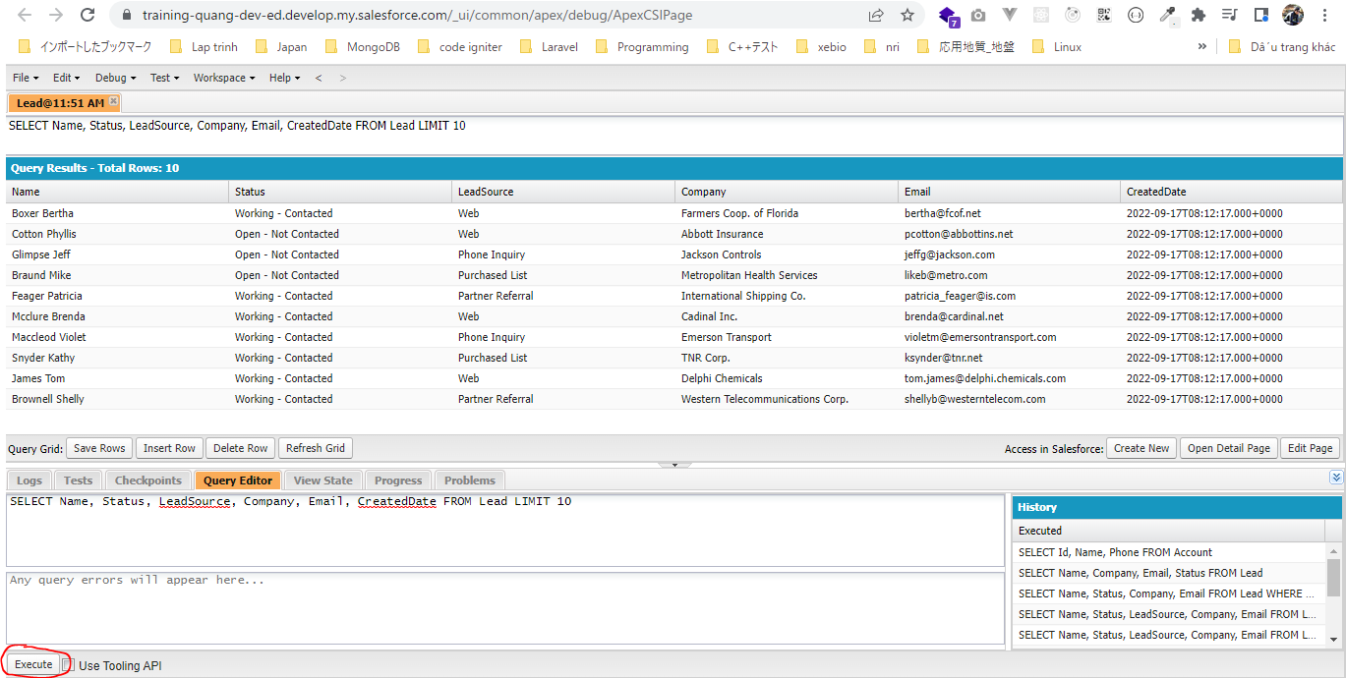

 | SELECT Name, Status, LeadSource, Company, Email, CreatedDate FROM Lead
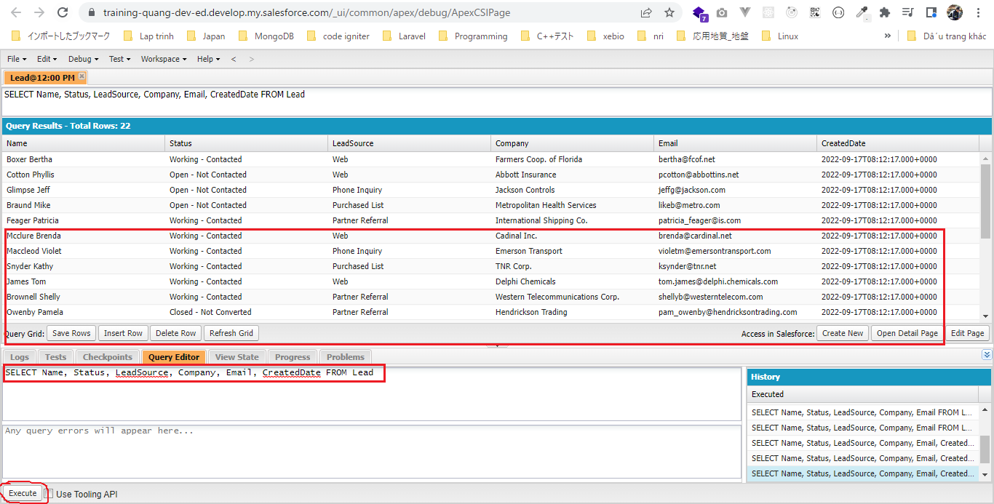

 | Bỏ qua 5 record đầu
 | SELECT Name, Status, LeadSource, Company, Email, CreatedDate FROM Lead OFFSET 5

