Annotations
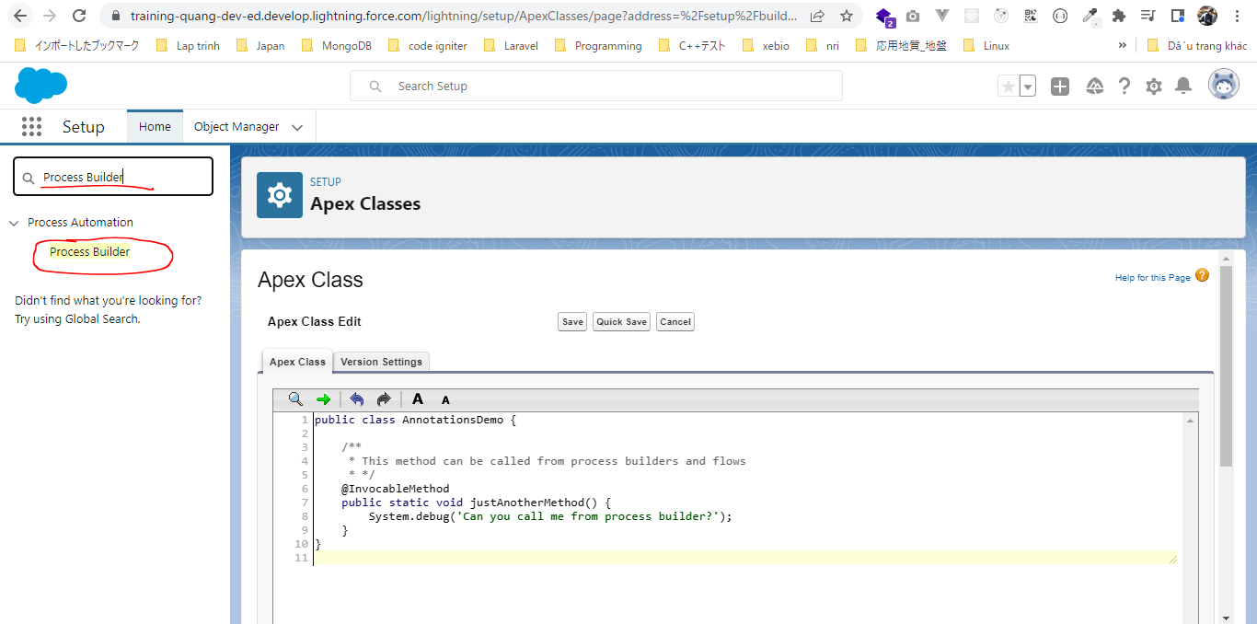
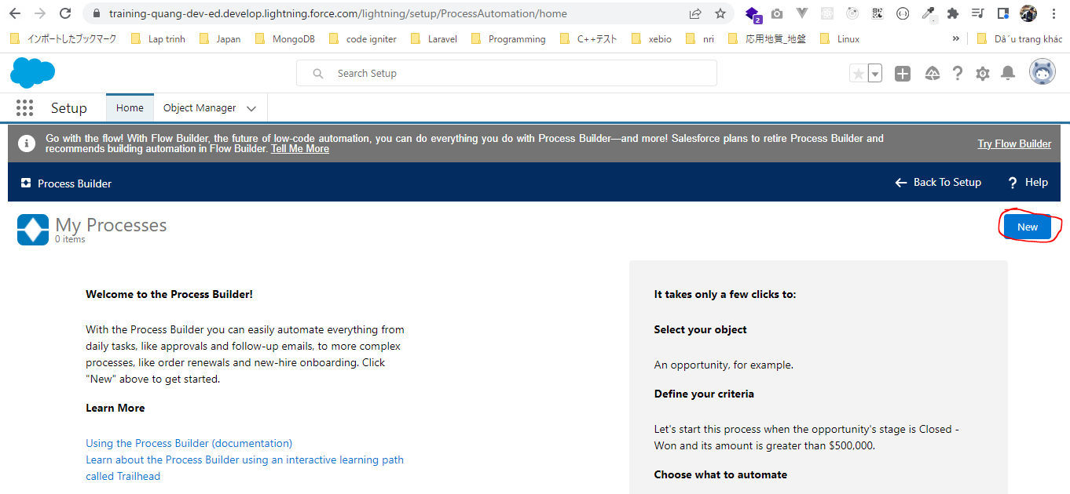
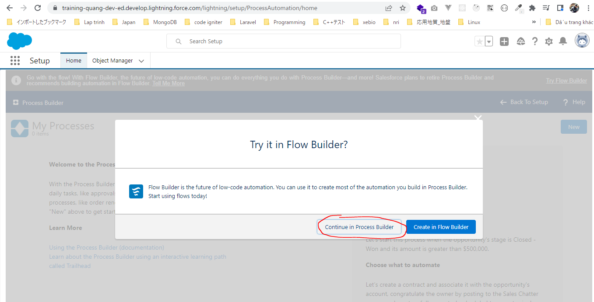
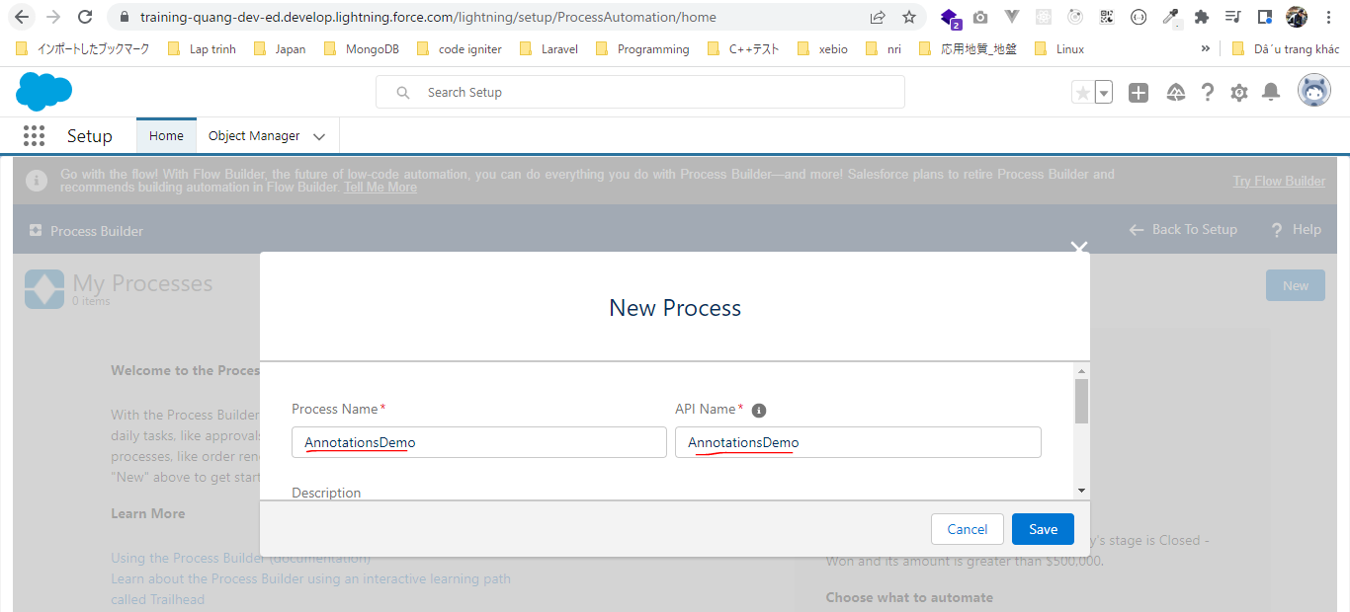
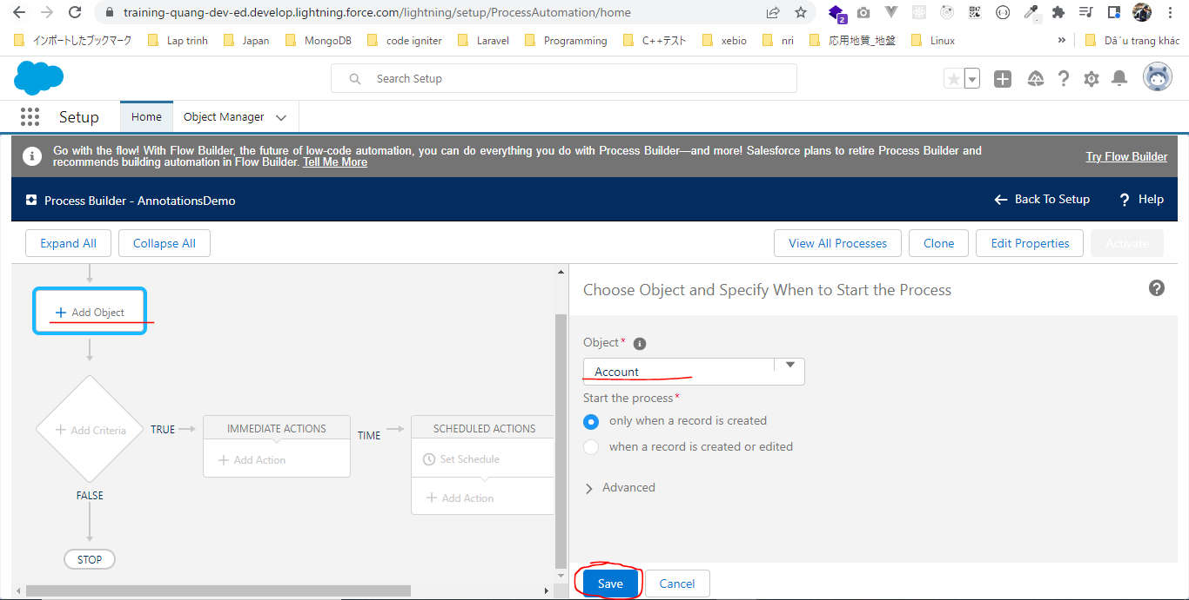
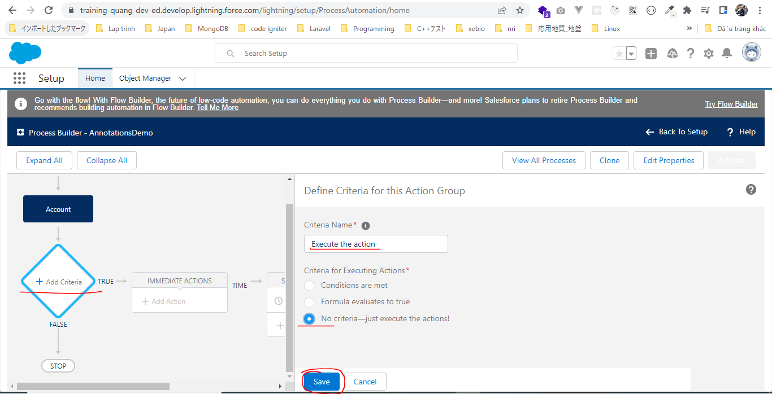
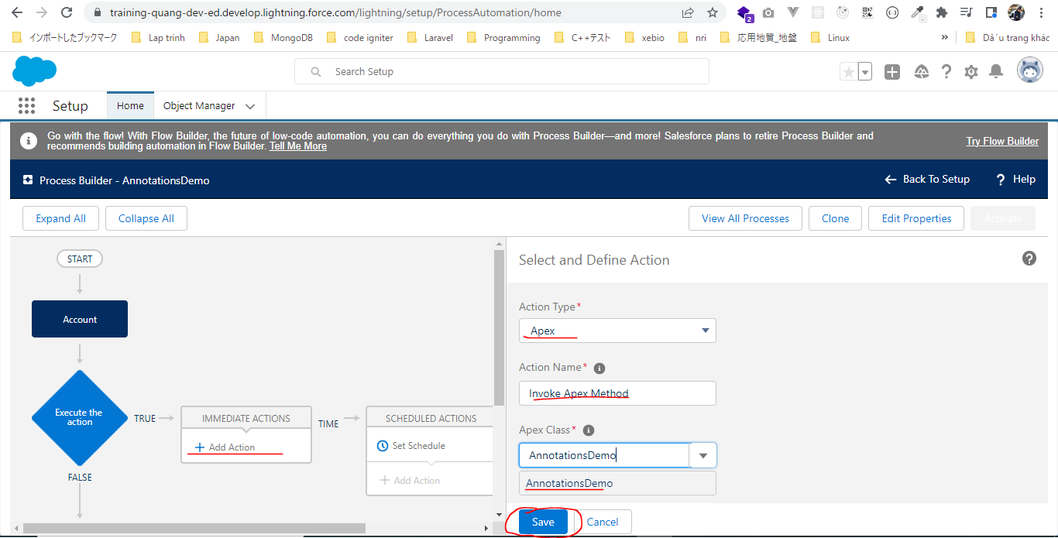
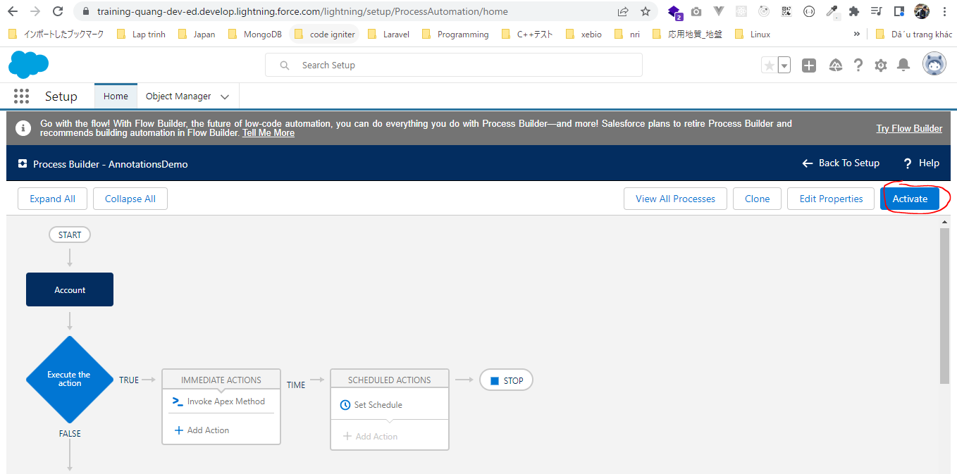
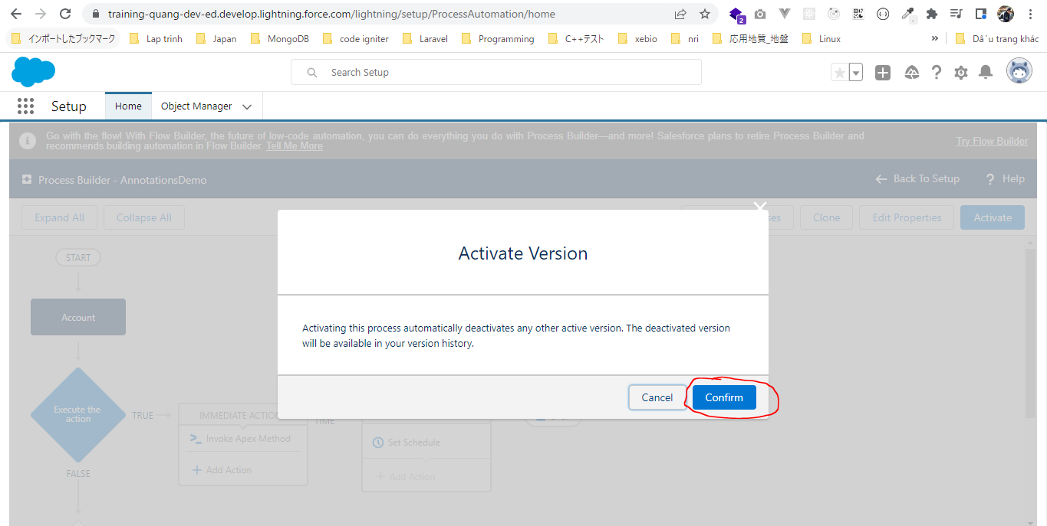
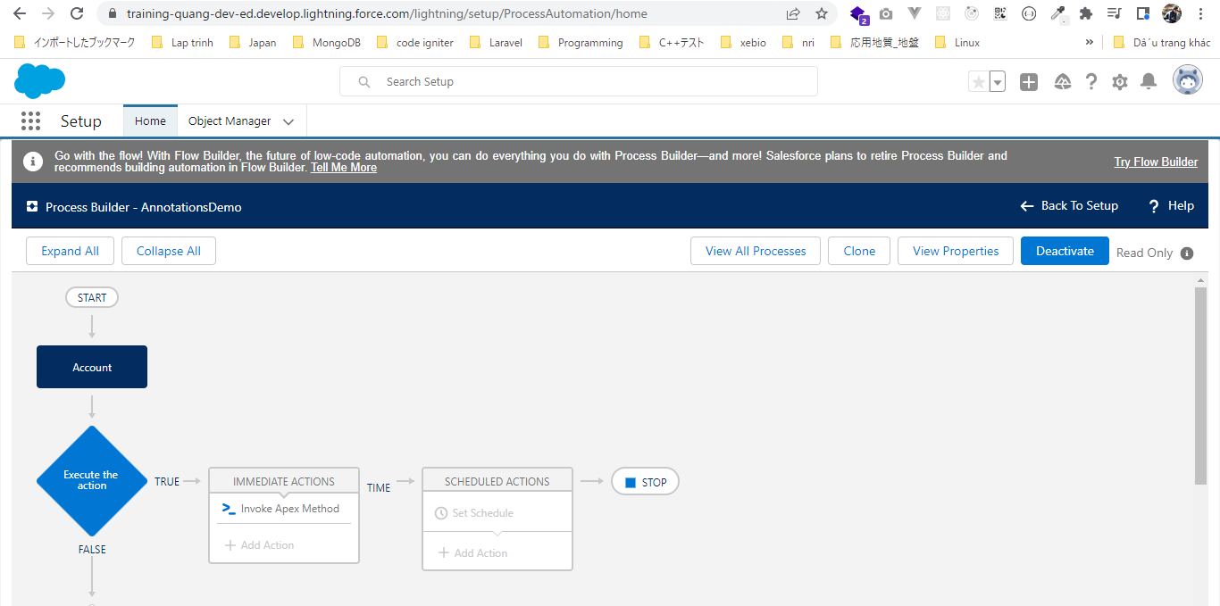
 | Apex supports the following annotations
 | https://developer.salesforce.com/docs/atlas.en-us.apexcode.meta/apexcode/apex_classes_annotation.htm
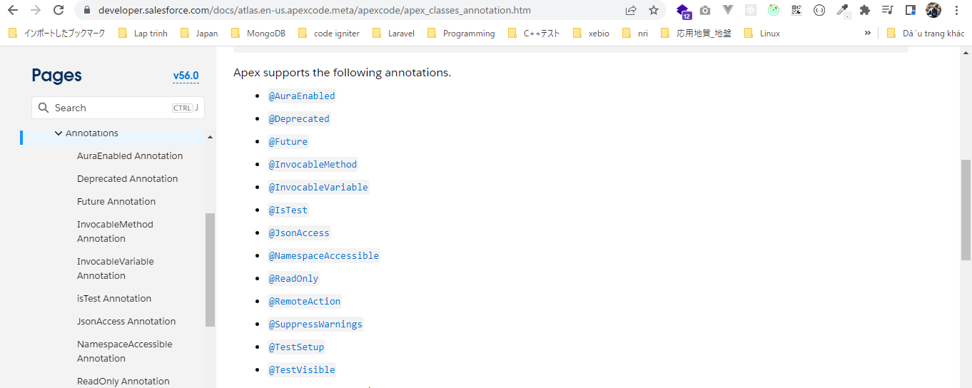

構成
 | salesforce
 |  | 2.Apex-Fundamentals
 |  | 3.Control-Flow-Statements
 |  | 4.Apex-Classes-and-Methods
 |  | 5.Apex-Testing |  |  | → | new
 |  |  | 1.annotations |  | → | new
 |  |  |  | AnnotationsDemo.apxc | → | new

salesforce\5.Apex-Testing\1.annotations\AnnotationsDemo.apxc
 | public class AnnotationsDemo {

 | /**
 | * This method can be called from process builders and flows
 | * */
 | @InvocableMethod |  |  |  | → | this method can be called from process builder or visual flow
 | public static void justAnotherMethod() {
 | System.debug('Can you call me from process builder?');
 | }
 | }

Call justAnotherMethod method from process builder

Write First Test Class
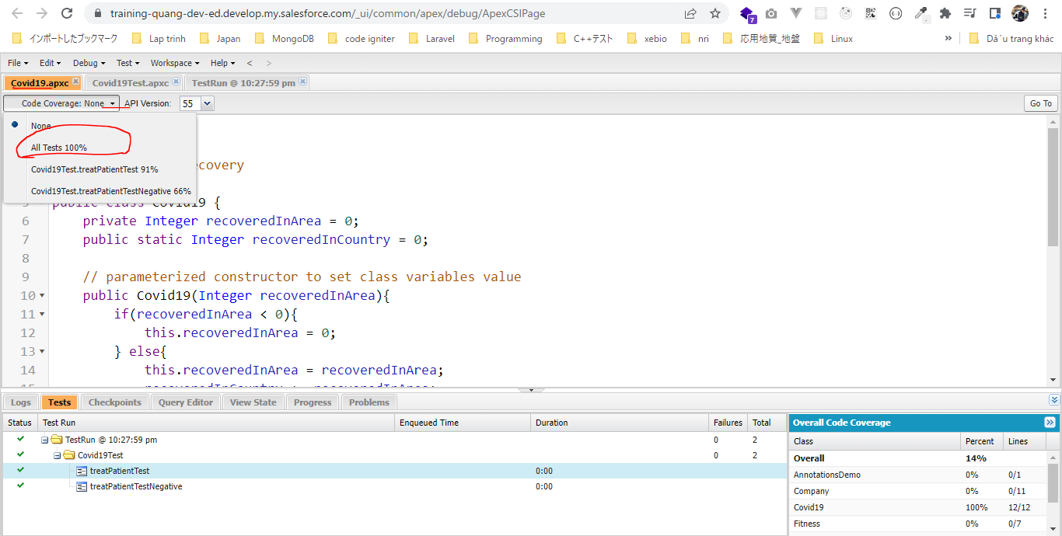
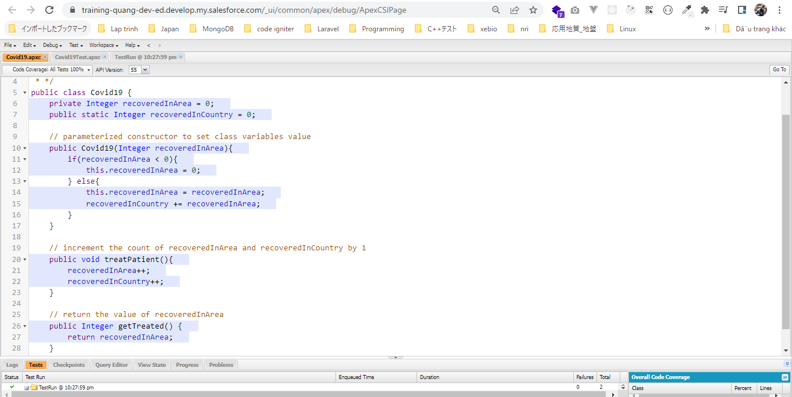
 | Dùng annotation @isTest để khai báo class và method test

構成
 | salesforce
 |  | 2.Apex-Fundamentals
 |  | 3.Control-Flow-Statements
 |  | 4.Apex-Classes-and-Methods
 |  | 5.Apex-Testing
 |  |  | 1.annotations
 |  |  |  | AnnotationsDemo.apxc
 |  |  | 2.writing-test-class |  | → | new
 |  |  |  | Covid19.apxc | → | new
 |  |  |  | Covid19Test.apxc | → | new

salesforce\5.Apex-Testing\2.writing-test-class\Covid19.apxc
 | /**
 | * Covid19 Class
 | * Track covid19 recovery
 | * */
 | public class Covid19 {
 | private Integer recoveredInArea = 0; |  |  |  |  | → | Không thể là số âm(khi tạo instance mà truyền vào số âm thì trong constructor set nó = 0)
 | public static Integer recoveredInCountry = 0;

 | // parameterized constructor to set class variables value
 | public Covid19(Integer recoveredInArea){
 | if(recoveredInArea < 0){
 | this.recoveredInArea = 0;
 | } else{
 | this.recoveredInArea = recoveredInArea;
 | recoveredInCountry += recoveredInArea;
 | }
 | }

 | // increment the count of recoveredInArea and recoveredInCountry by 1
 | public void treatPatient(){
 | recoveredInArea++;
 | recoveredInCountry++;
 | }

 | // return the value of recoveredInArea
 | public Integer getTreated() {
 | return recoveredInArea;
 | }
 | }

salesforce\5.Apex-Testing\2.writing-test-class\Covid19Test.apxc
Dùng annotation @isTest để khai báo class và method test
 | @isTest |  |  |  |  |  | → | Dùng annotation @isTest để khai báo class test
 | public class Covid19Test {

 | @isTest |  |  |  |  |  | → | Dùng annotation @isTest để khai báo method test
 | public static void treatPatientTest(){ |  |  |  |  |  | → | method test chỉ có thể là public hoặc global
 | // create the the instance of the class
 | Covid19 jaipur = new Covid19(10);

 | Integer treated = jaipur.getTreated();
 | // check if the count is 10 or not
 | System.assertEquals(10, treated, 'Treated count does not match');

 | // create the the instance of the class
 | Covid19 hyd = new Covid19(112); |  |  |  |  |  | → | Tạo thêm 1 instance mới nữa để check xem recoveredInCountry cũng được cập nhật: 10 + 112 = 122

 | treated = hyd.getTreated();
 | // check if the count is 112 or not
 | System.assertEquals(112, treated, 'Treated count does not match');

 | // check the count of recoveredInCountry, it should be 122
 | System.assertEquals(122, Covid19.recoveredInCountry, 'Treated count does not match');

 | jaipur.treatPatient();
 | treated = jaipur.getTreated();
 | System.assert(treated == 11, 'Treated count does not match');
 | System.assert(Covid19.recoveredInCountry == 123, 'Treated count does not match');

 | }

 | @isTest |  |  |  |  |  | → | Dùng annotation @isTest để khai báo method test
 | public static void treatPatientTestNegative(){
 | // create the the instance of the class
 | Covid19 jaipur = new Covid19(-10);

 | Integer treated = jaipur.getTreated();
 | // check if the count is 0 or not
 | System.assertEquals(0, treated, 'Treated count does not match');

 | }
 | }

Run Test
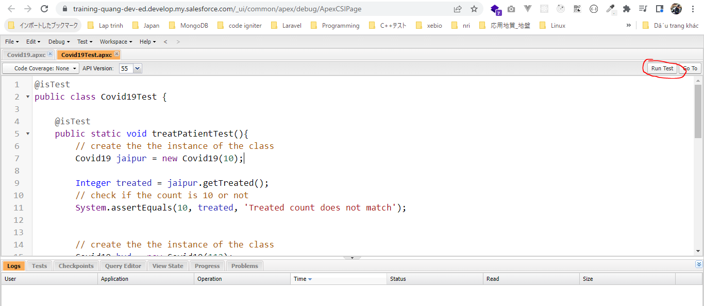

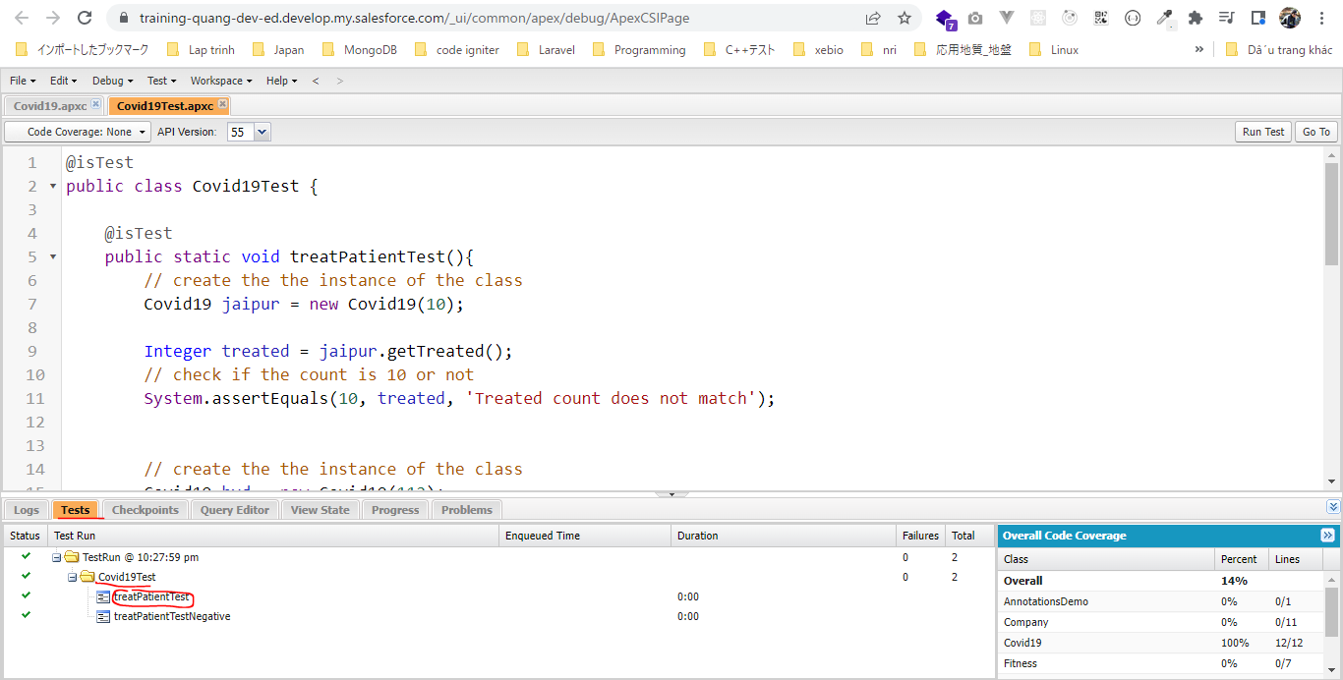

 | double click treatPatientTest để check comparison
 | ko có lỗi gì có nghĩa là class Covid19 và class test Covid19Test ko có vấn đề gì
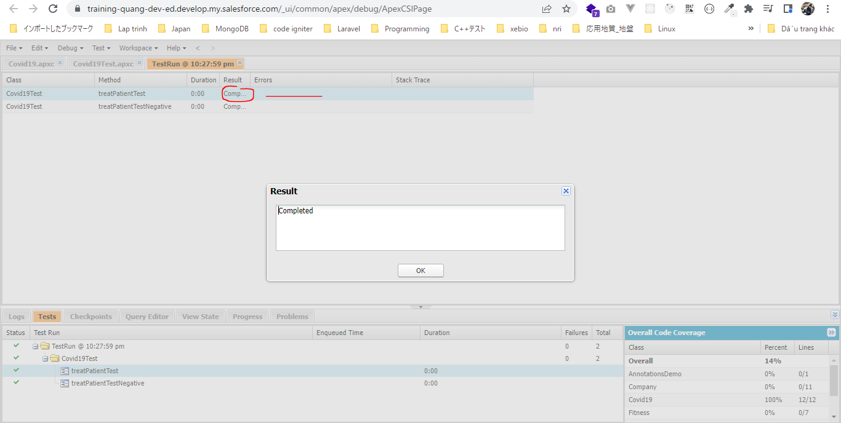

 | Xem bao nhiêu dòng code trong class Covid19 đã được cover test. Màu xanh có nghĩa là đã được cover

Challenge - Apex Tests
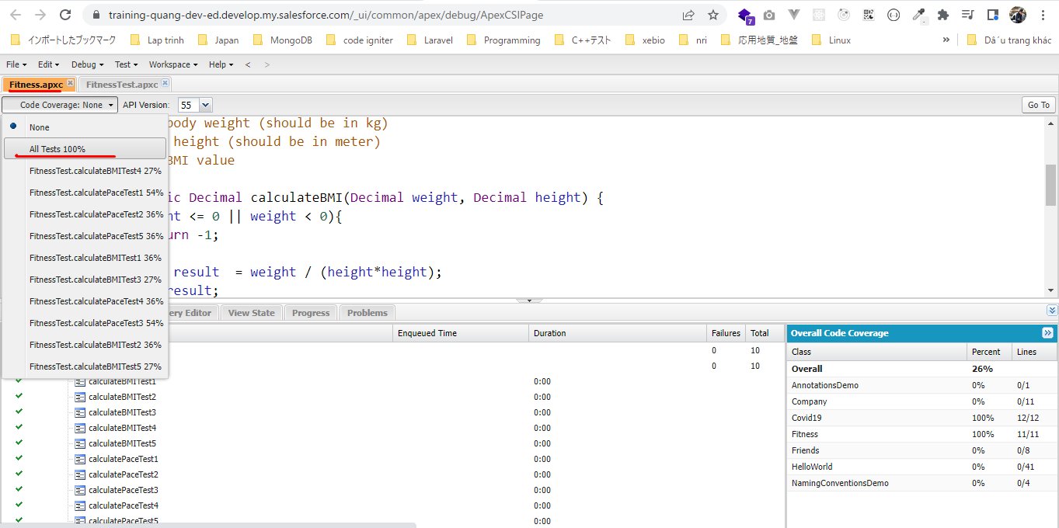
 | Test for Fitness class
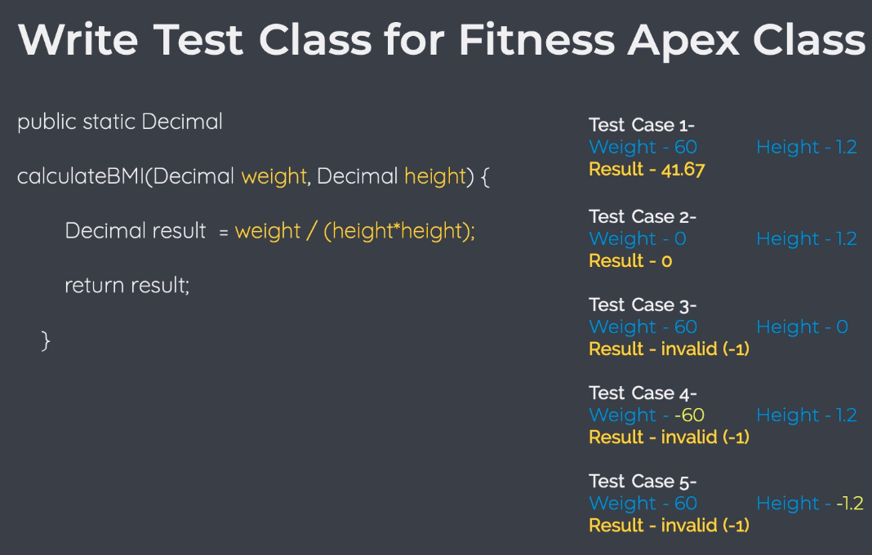

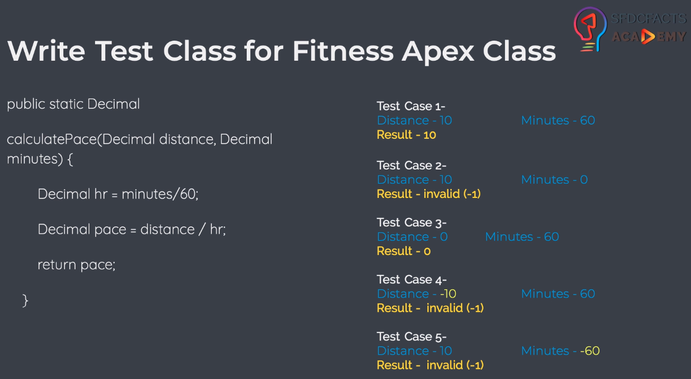

構成
 | salesforce
 |  | 2.Apex-Fundamentals
 |  | 3.Control-Flow-Statements
 |  | 4.Apex-Classes-and-Methods
 |  | 5.Apex-Testing
 |  |  | 1.annotations
 |  |  |  | AnnotationsDemo.apxc
 |  |  | 2.writing-test-class
 |  |  |  | Covid19.apxc
 |  |  |  | Covid19Test.apxc
 |  |  | 3.test-class-challenge-solution |  | → | new
 |  |  |  | Fitness.apxc | → | new
 |  |  |  | FitnessTest.apxc | → | new

salesforce\5.Apex-Testing\3.test-class-challenge-solution\Fitness.apxc
 | /**
 | * Fitness class with helpful methods
 | * to calculate human fitness
 | * */
 | public class Fitness {

 | /**
 | * calculateBMI method
 | * accepts body weight (should be in kg)
 | * and body height (should be in meter)
 | * returns BMI value
 | * */
 | public static Decimal calculateBMI(Decimal weight, Decimal height) {
 | if(height <= 0 || weight < 0){
 | return -1; |  |  |  |  | → | -1 cũng có kiểu dữ liệu là Decimal
 | }
 | Decimal result = weight / (height*height);
 | return result;
 | }

 | /**
 | * calculatePace method
 | * accepts distance (in km)
 | * and minutes
 | * returns pace in km/hr
 | * */
 | public static Decimal calculatePace(Decimal distance, Decimal minutes) {
 | if(distance < 0 || minutes <= 0){
 | return -1; |  |  |  |  | → | -1 cũng có kiểu dữ liệu là Decimal
 | }
 | Decimal hr = minutes/60;
 | Decimal pace = distance / hr;
 | return pace;
 | }
 | }

salesforce\5.Apex-Testing\3.test-class-challenge-solution\FitnessTest.apxc
 | @isTest
 | public class FitnessTest {

 | @isTest
 | public static void calculateBMITest1(){
 |  |  | Decimal weight = 60;
 | Decimal height = 1.2;

 | Decimal result = Fitness.calculateBMI(weight, height);
 | result = result.setScale(2); |  |  |  |  |  |  | → | Lấy 2 số sau dấu phẩy
 | System.assertEquals(41.67, result, 'BMI should be 41.67 for 60kg weight and 1.2 mtr height');
 | }

 | @isTest
 | public static void calculateBMITest2(){
 |  |  | Decimal weight = 0;
 | Decimal height = 1.2;

 | Decimal result = Fitness.calculateBMI(weight, height);
 | System.assertEquals(0, result, 'BMI should be 0 for 0kg weight and 1.2 mtr height');
 | }

 | @isTest
 | public static void calculateBMITest3(){
 |  |  | Decimal weight = 60;
 | Decimal height = 0;

 | Decimal result = Fitness.calculateBMI(weight, height);
 | System.assertEquals(-1, result, 'Invalid input');
 | }

 | @isTest
 | public static void calculateBMITest4(){
 |  |  | Decimal weight = -60;
 | Decimal height = 1.2;

 | Decimal result = Fitness.calculateBMI(weight, height);
 | System.assertEquals(-1, result, 'Invalid input');
 | }

 | @isTest
 | public static void calculateBMITest5(){
 |  |  | Decimal weight = 60;
 | Decimal height = -1.2;

 | Decimal result = Fitness.calculateBMI(weight, height);
 | System.assertEquals(-1, result, 'Invalid input');
 | }

 | @isTest
 | public static void calculatePaceTest1(){
 | Decimal distance = 10;
 | Decimal minutes = 60;

 | Decimal result = Fitness.calculatePace(distance, minutes);
 | System.assertEquals(10, result, 'Pace should 10km/hr for 10 km in 60 minutes');
 | }

 | @isTest
 | public static void calculatePaceTest2(){
 | Decimal distance = 10;
 | Decimal minutes = 0;

 | Decimal result = Fitness.calculatePace(distance, minutes);
 | System.assertEquals(-1, result, 'Invalid input');
 | }

 | @isTest
 | public static void calculatePaceTest3(){
 | Decimal distance = 0;
 | Decimal minutes = 60;

 | Decimal result = Fitness.calculatePace(distance, minutes);
 | System.assertEquals(0, result, 'Pace should 0km/hr for 0 km in 60 minutes');
 | }

 | @isTest
 | public static void calculatePaceTest4(){
 | Decimal distance = -10;
 | Decimal minutes = 60;

 | Decimal result = Fitness.calculatePace(distance, minutes);
 | System.assertEquals(-1, result, 'Invalid input');
 | }

 | @isTest
 | public static void calculatePaceTest5(){
 | Decimal distance = 10;
 | Decimal minutes = -60;

 | Decimal result = Fitness.calculatePace(distance, minutes);
 | System.assertEquals(-1, result, 'Invalid input');
 | }
 | }

Run test
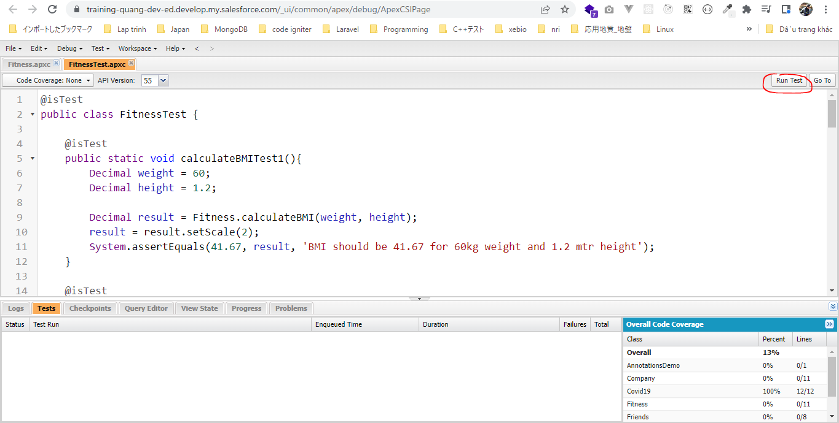

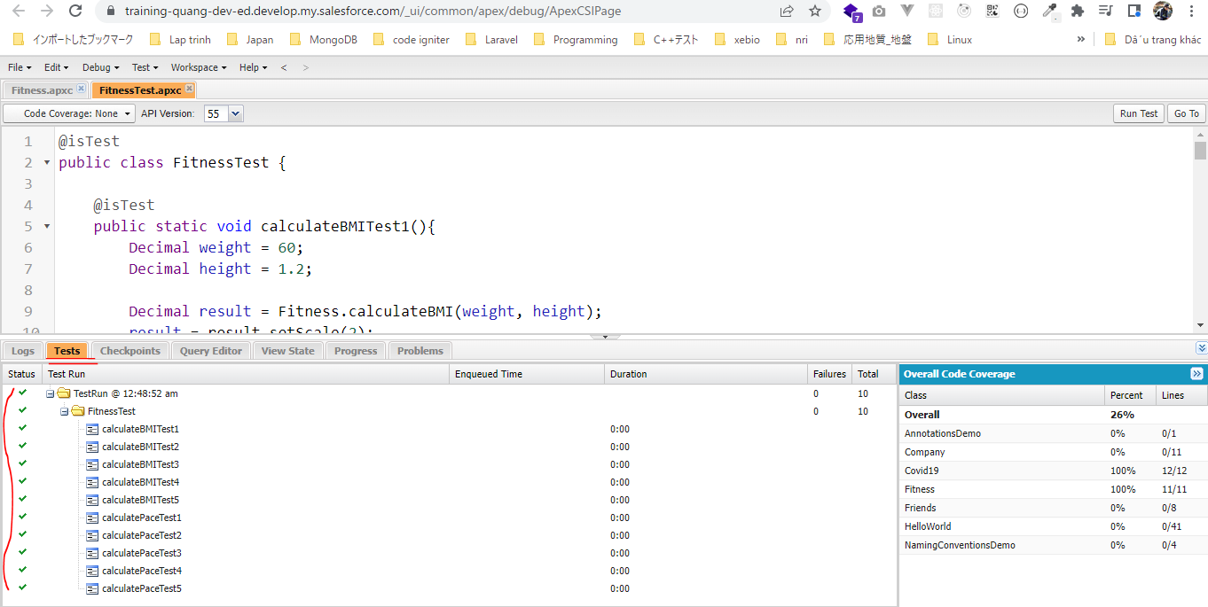

Cover is 100%

