If-Else Statement
構成
 | salesforce
 |  | 2.Apex-Fundamentals
 |  | 3.Control-Flow-Statements |  | → | new
 |  |  | 1.if-else-statements.txt | → | new

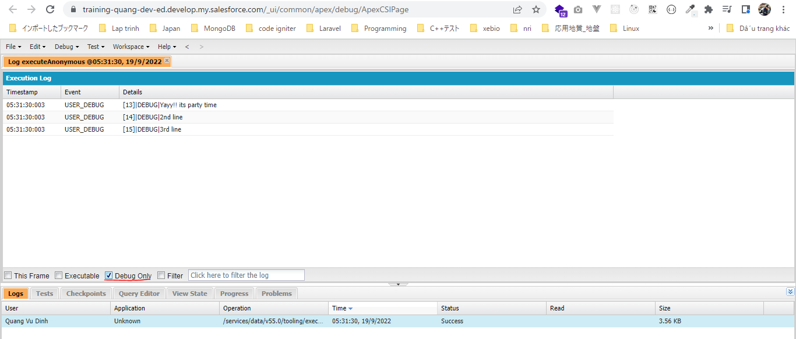
salesforce\3.Control-Flow-Statements\1.if-else-statements.txt
 | Boolean isItSunny = true;
 | Boolean isItRaining = false;
 | Boolean areYouWorking = false;

 | if(isItSunny == false){
 | System.debug('Do not go to party');
 | } else if (isItRaining == true){
 | System.debug('Do not go to party');
 | } else if ( areYouWorking == true){
 | System.debug('Do not go to party');
 | } else{
 | //multi line code block
 | System.debug('Yayy!! its party time');
 | System.debug('2nd line');
 | System.debug('3rd line');
 | }

