What is an Exception
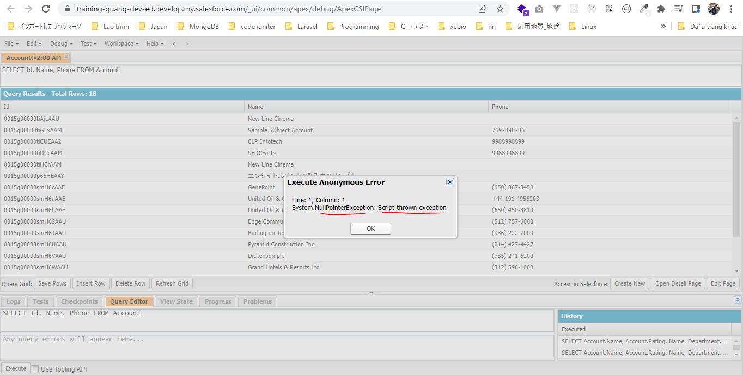
構成
 | salesforce
 |  | 2.Apex-Fundamentals
 |  | 3.Control-Flow-Statements
 |  | 4.Apex-Classes-and-Methods
 |  | 5.Apex-Testing
 |  | 6.Salesforce-Object-Query-Language
 |  | 7.SObject-and-DML
 |  | 8.Exception-Handling |  |  |  |  |  | → | new
 |  |  | 1.exception-overview |  |  |  |  | → | new
 |  |  |  | dev-console.txt |  |  |  | → | new

salesforce\8.Exception-Handling\1.exception-overview\dev-console.txt
 | // Math Exception
 | //Double result = 10/0;
 | //System.debug('Result: '+result);

 | // DML Exception
 | //Account accRec = new Account();
 | //insert accRec;

 | // Null Pointer Exception
 | //String str;
 | //System.debug(str.toLowerCase());

 | // throw an exception Programmatically
 | throw new NullPointerException();

Math Exception
 | Double result = 10/0; |  |  |  |  | → | Chia cho 0
 | System.debug('Result: '+result);

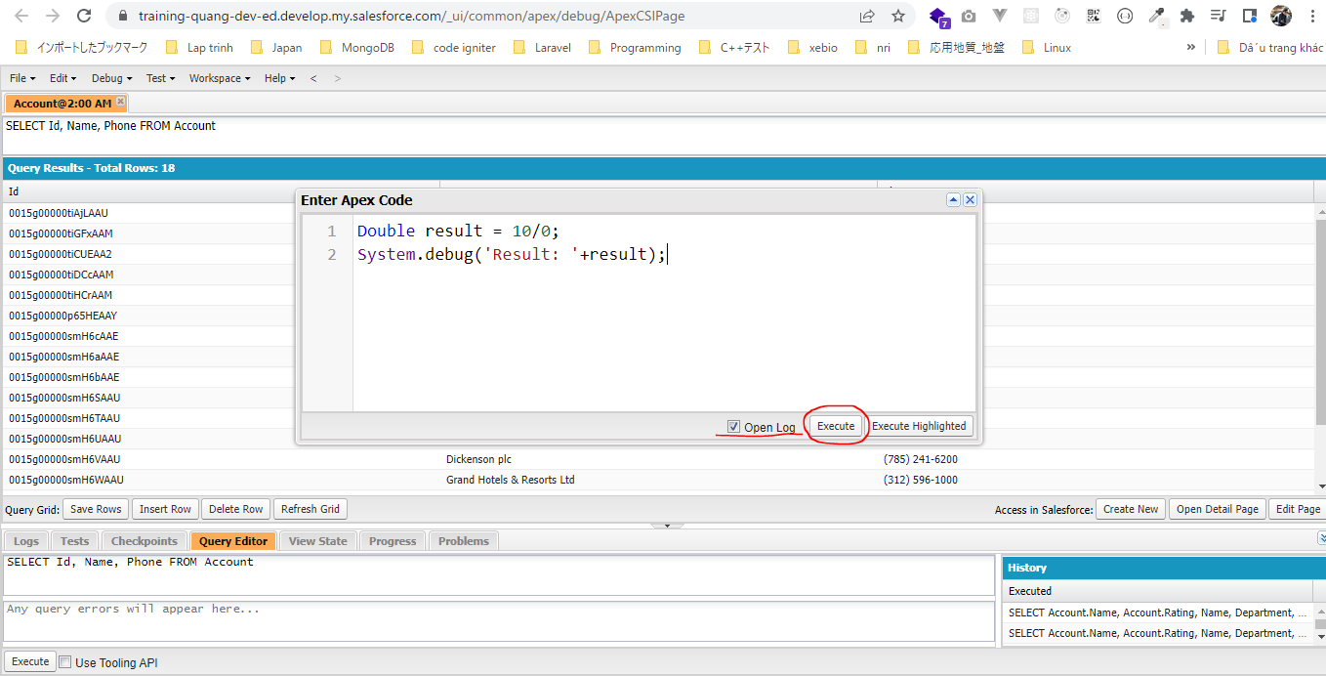

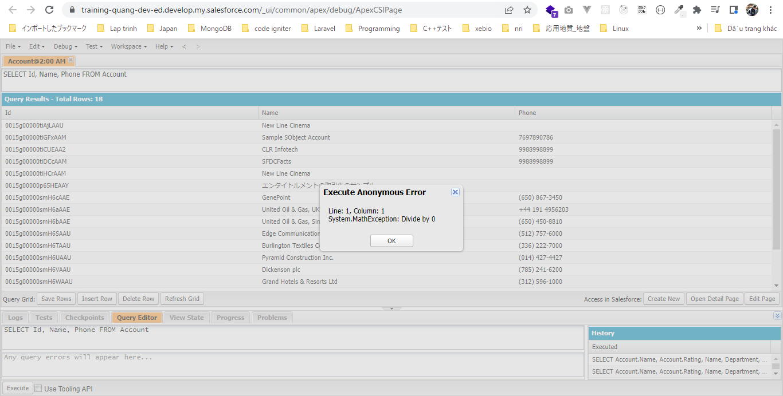

DML Exception
 | Account accRec = new Account(); |  |  |  |  | → | Tạo new instance account nhưng ko truyền giá trị name(Trường bắt buộc)
 | insert accRec;

 | Account Name là trường bắt buộc
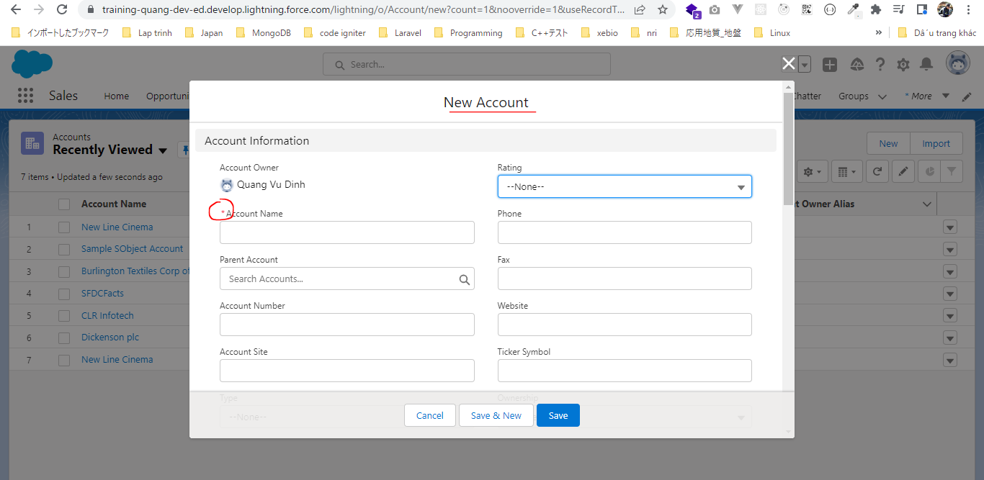

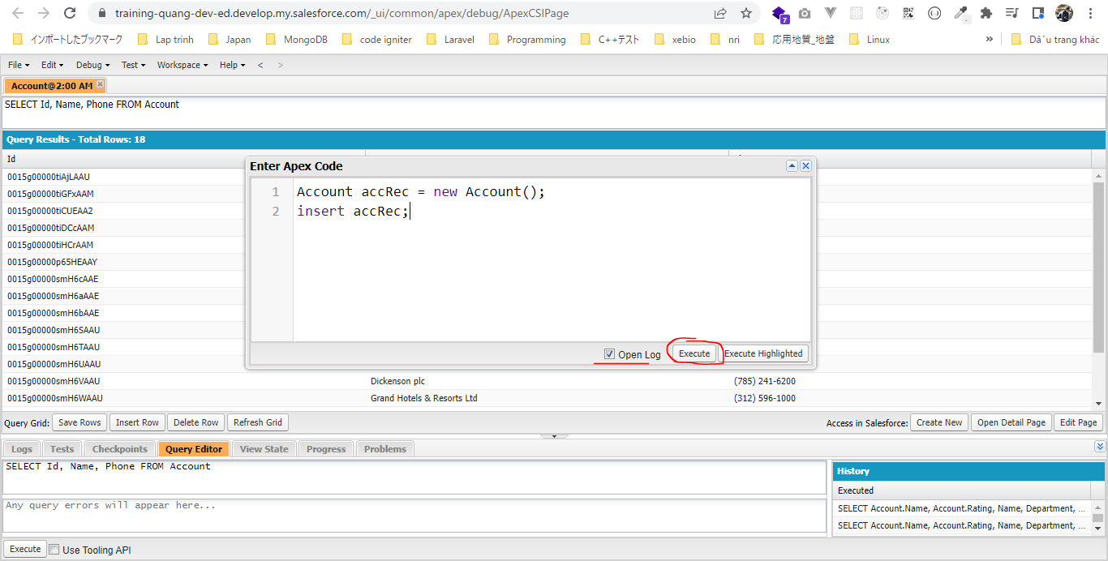

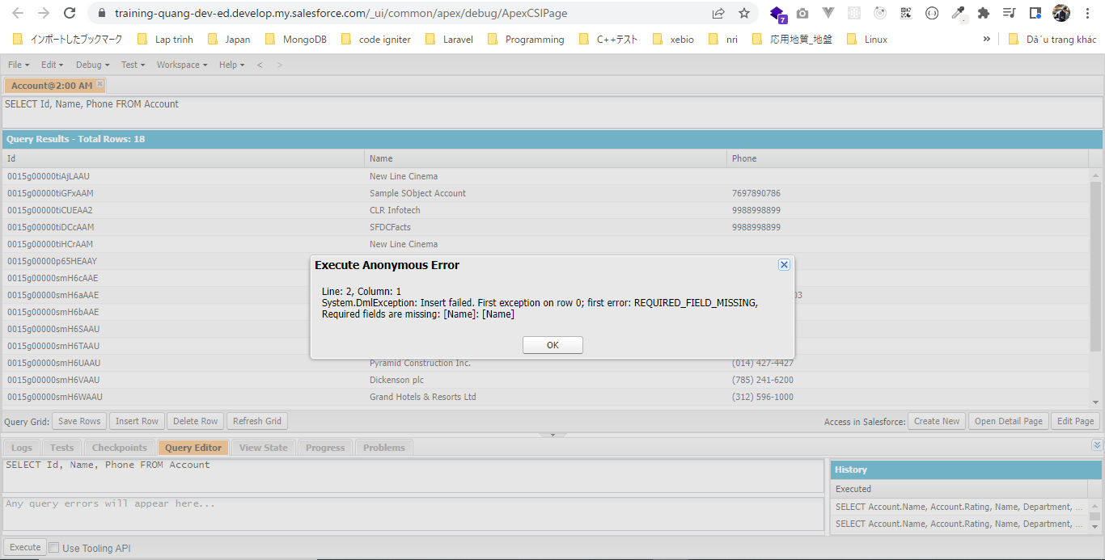

Null Pointer Exception
 | String str; |  |  |  | → | Chưa set giá trị cho biến(mặc định nó sẽ là null)
 | System.debug(str.toLowerCase());

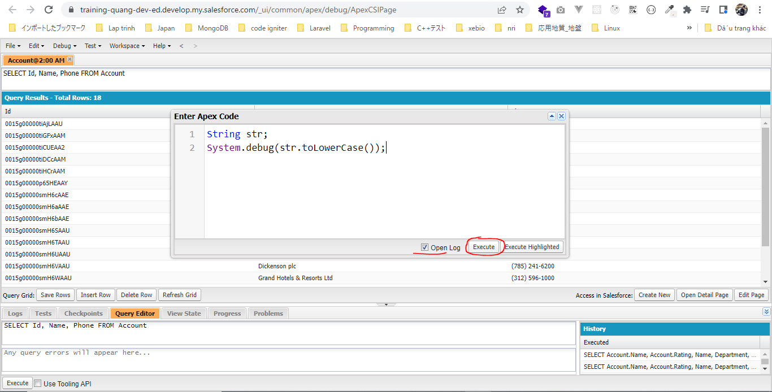

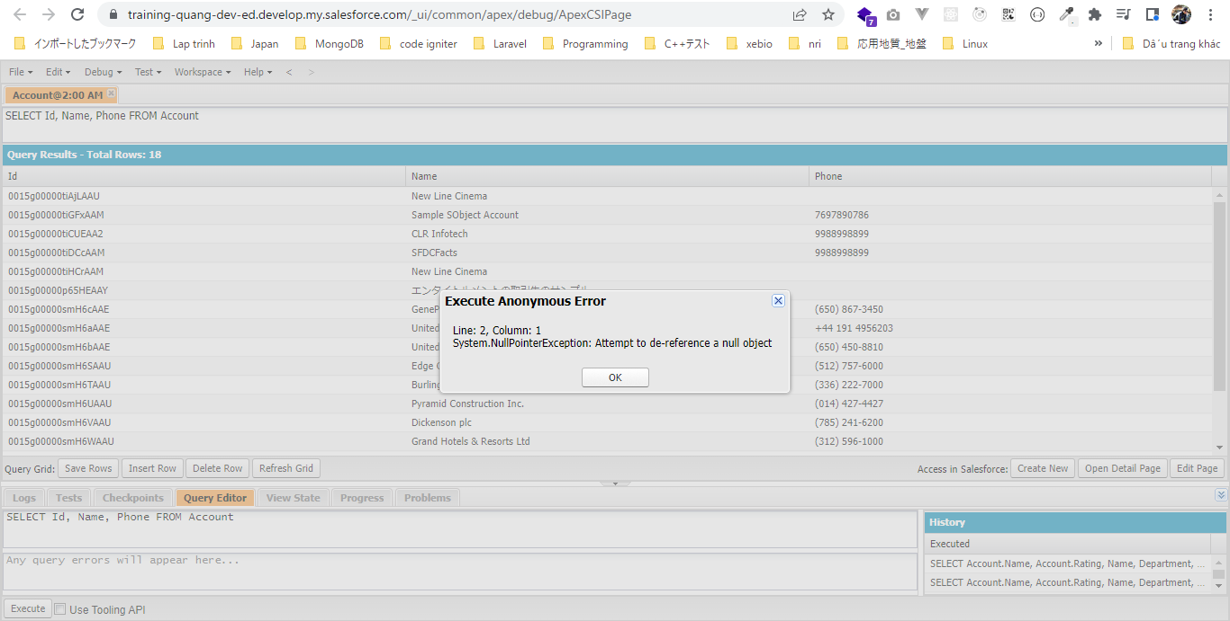

throw an exception Programmatically
 | throw new NullPointerException();



 | Câu thông báo "Script-thrown exception" có nghĩa là mình đã cố tình throw ra 1 Exception

Try, Catch and Finally
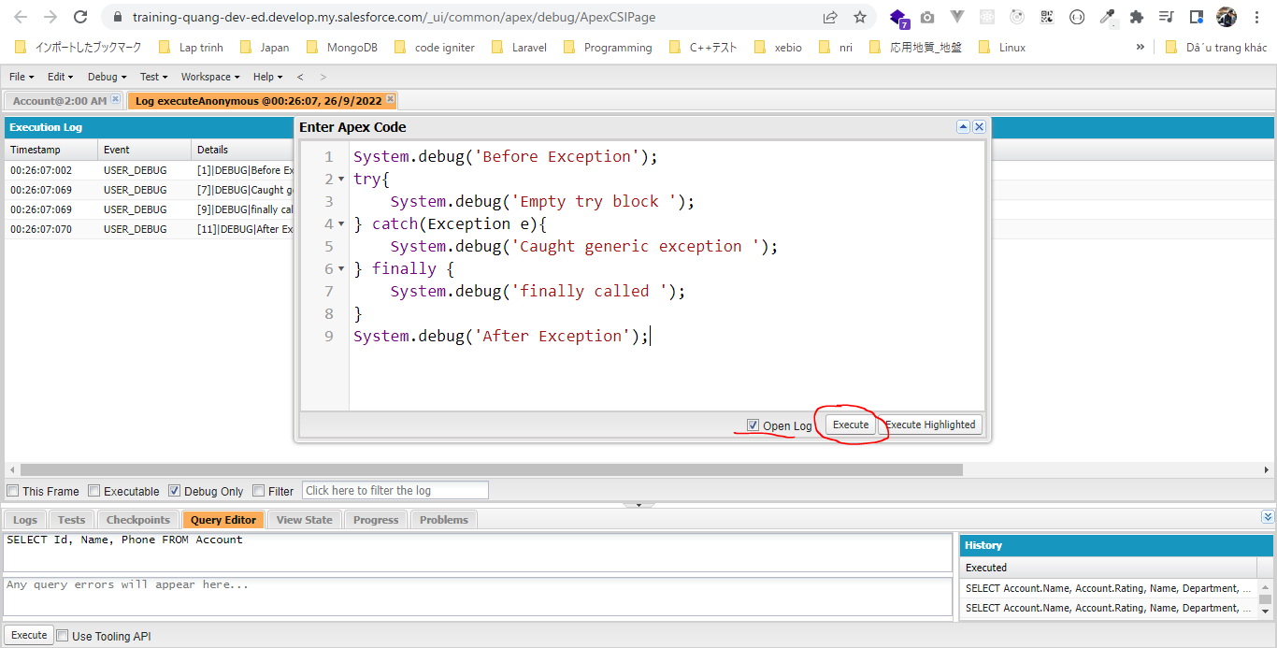
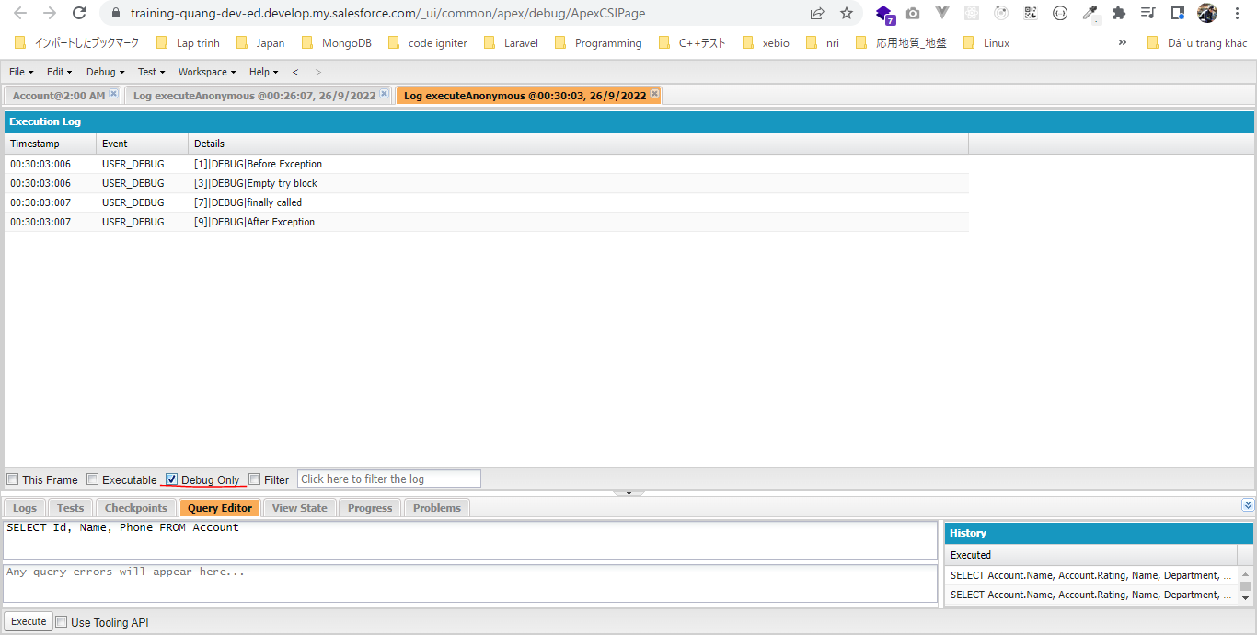
構成
 | salesforce
 |  | 2.Apex-Fundamentals
 |  | 3.Control-Flow-Statements
 |  | 4.Apex-Classes-and-Methods
 |  | 5.Apex-Testing
 |  | 6.Salesforce-Object-Query-Language
 |  | 7.SObject-and-DML
 |  | 8.Exception-Handling
 |  |  | 1.exception-overview
 |  |  |  | dev-console.txt
 |  |  | 2.exception-try-catch-finally |  | → | new
 |  |  |  | dev-console.txt | → | new

salesforce\8.Exception-Handling\2.exception-try-catch-finally\dev-console.txt
 | System.debug('Before Exception');
 | try{
 | // Math Exception
 | Double result = 10/0;
 | System.debug('Result: '+result);

 | // DML Exception
 | // Account accRec = new Account();
 | // insert accRec;
 | System.debug('Empty try block ');
 | } catch(Exception e){
 | System.debug('Caught generic exception ');
 | } finally {
 | System.debug('finally called ');
 | }
 | System.debug('After Exception');

Math Exception
 | System.debug('Before Exception');
 | try{
 | // Math Exception
 | Double result = 10/0;
 | System.debug('Result: '+result);

 | } catch(Exception e){
 | System.debug('Caught generic exception ');
 | } finally {
 | System.debug('finally called ');
 | }
 | System.debug('After Exception');

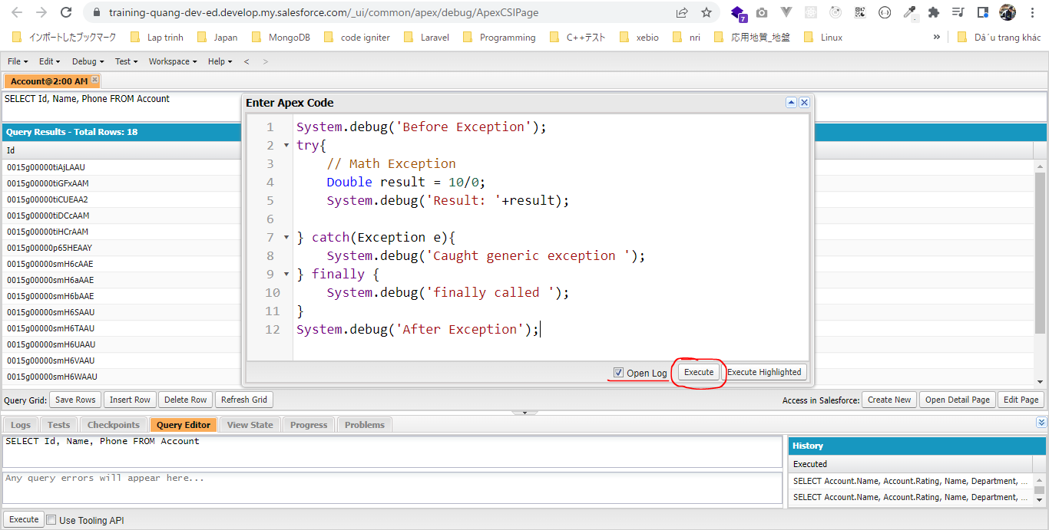

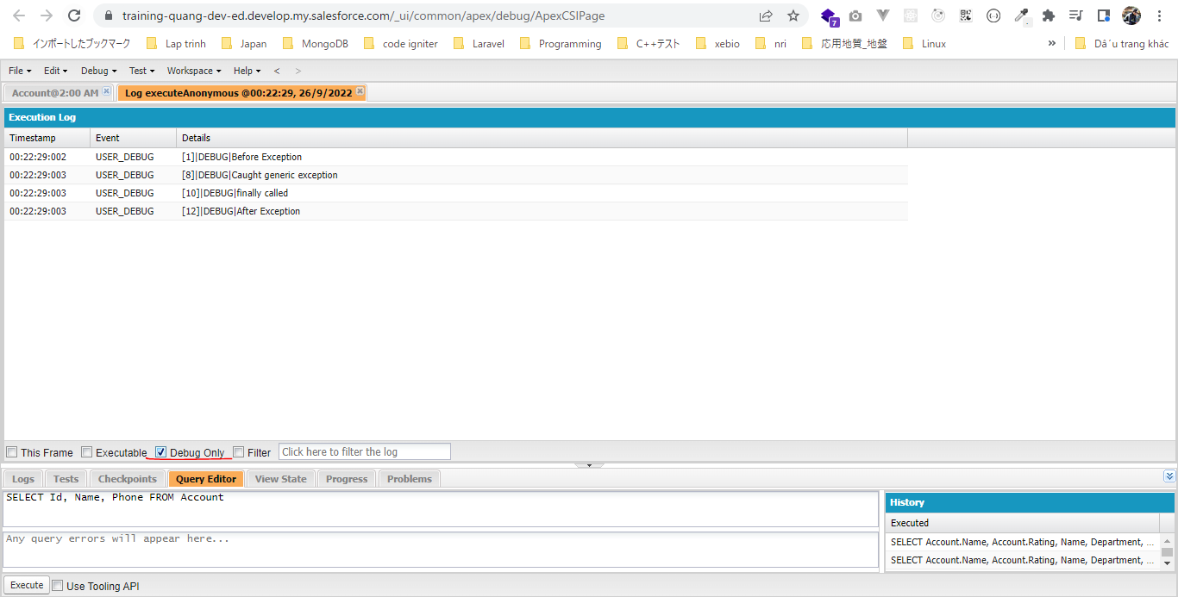

DML Exception
 | System.debug('Before Exception');
 | try{
 | // DML Exception
 | Account accRec = new Account();
 | insert accRec;
 | } catch(Exception e){
 | System.debug('Caught generic exception ');
 | } finally {
 | System.debug('finally called ');
 | }
 | System.debug('After Exception');

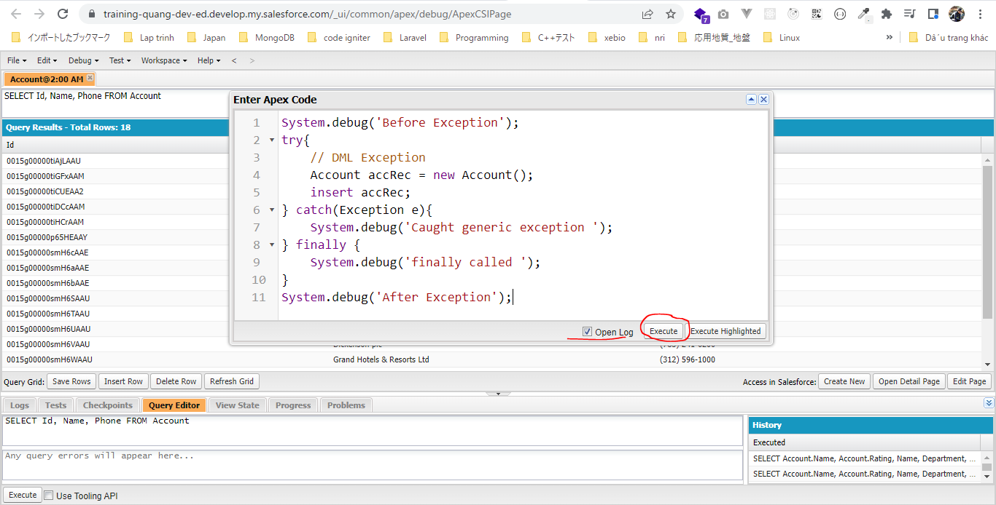

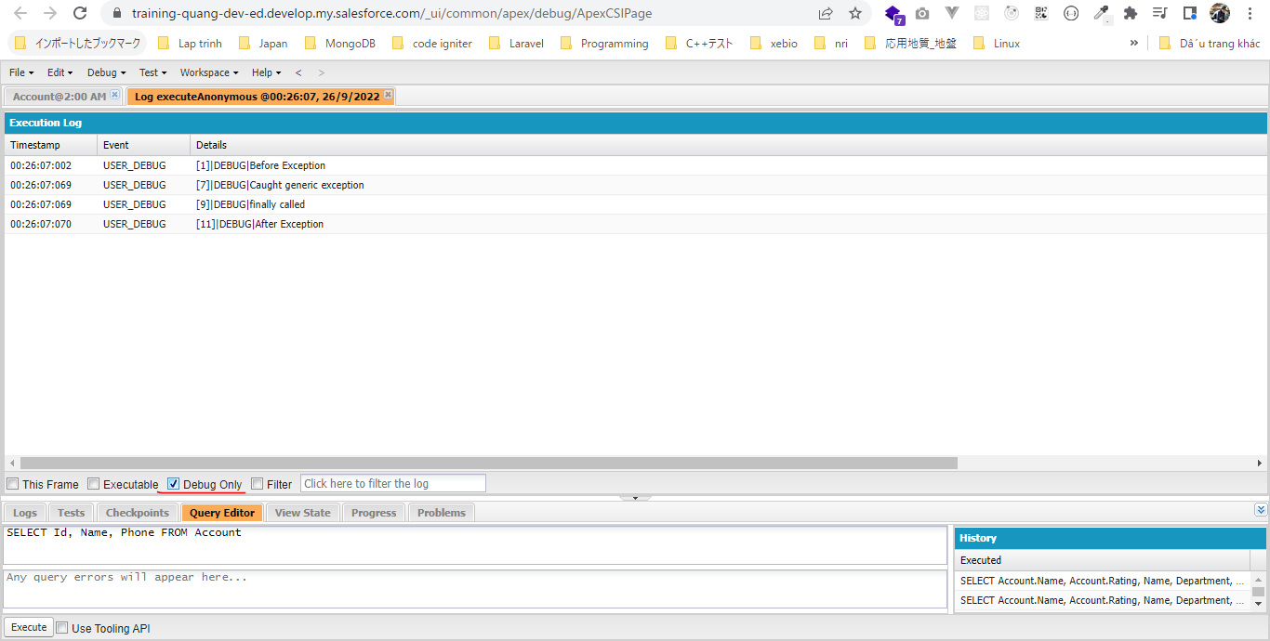

Empty try block
Không có Exception nào xảy ra
 | System.debug('Before Exception');
 | try{
 | System.debug('Empty try block ');
 | } catch(Exception e){
 | System.debug('Caught generic exception ');
 | } finally {
 | System.debug('finally called ');
 | }
 | System.debug('After Exception');

Exception Methods
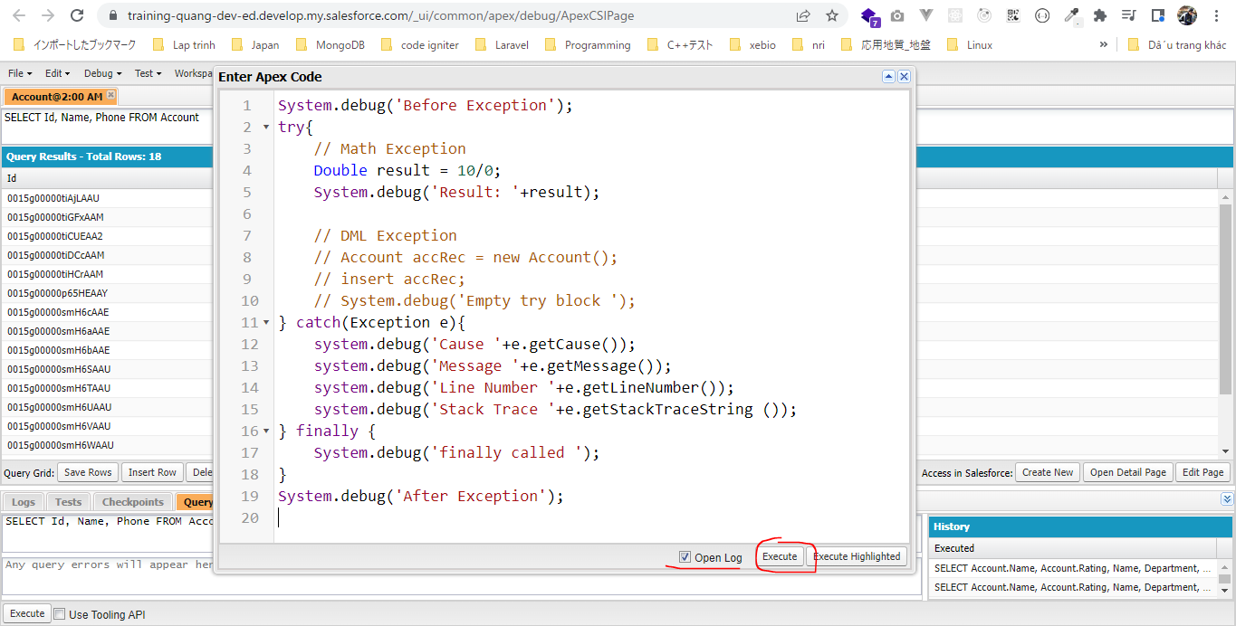
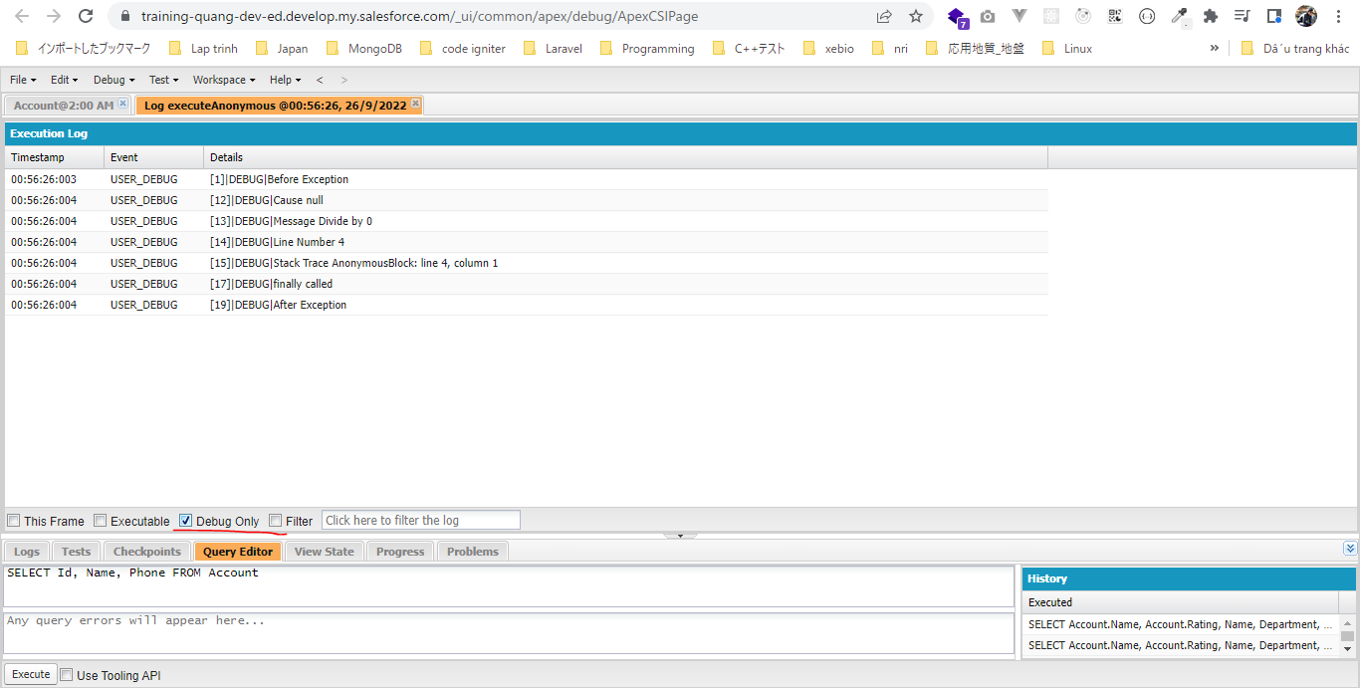
 | Common Exception Methods
 | https://developer.salesforce.com/docs/atlas.en-us.apexref.meta/apexref/apex_classes_exception_methods.htm
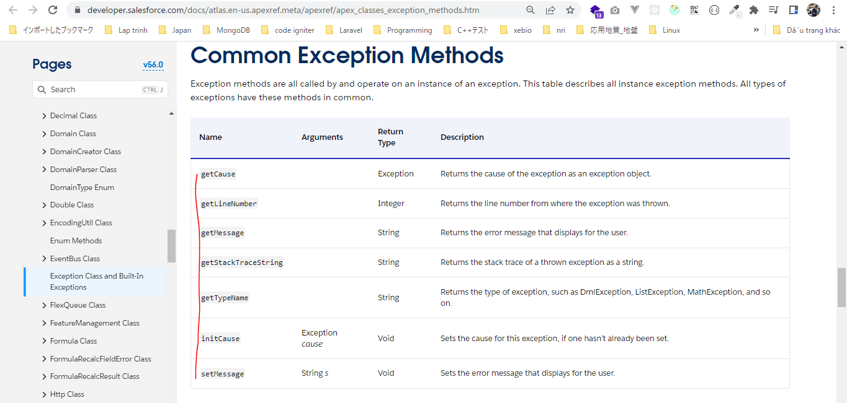

構成
 | salesforce
 |  | 2.Apex-Fundamentals
 |  | 3.Control-Flow-Statements
 |  | 4.Apex-Classes-and-Methods
 |  | 5.Apex-Testing
 |  | 6.Salesforce-Object-Query-Language
 |  | 7.SObject-and-DML
 |  | 8.Exception-Handling
 |  |  | 1.exception-overview
 |  |  |  | dev-console.txt
 |  |  | 2.exception-try-catch-finally
 |  |  |  | dev-console.txt
 |  |  | 3.exception-methods |  | → | new
 |  |  |  | dev-console.txt | → | new

salesforce\8.Exception-Handling\3.exception-methods\dev-console.txt
 | System.debug('Before Exception');
 | try{
 | // Math Exception
 | Double result = 10/0;
 | System.debug('Result: '+result);

 | // DML Exception
 | // Account accRec = new Account();
 | // insert accRec;
 | // System.debug('Empty try block ');
 | } catch(Exception e){
 | system.debug('Cause '+e.getCause()); |  |  |  | → | Nguyên nhân Exception
 | system.debug('Message '+e.getMessage()); |  |  |  | →
 | system.debug('Line Number '+e.getLineNumber()); |  |  |  | → | Vị trí gây ra Exception
 | system.debug('Stack Trace '+e.getStackTraceString ()); |  |  |  | → | Trả về đầy đủ vị Exception xảy ra ở đâu, method nào đã gọi ở Exception đó, và class mà method đã xãy ra Exception
 | } finally {
 | System.debug('finally called ');
 | }
 | System.debug('After Exception');

Throw a Custom Exception
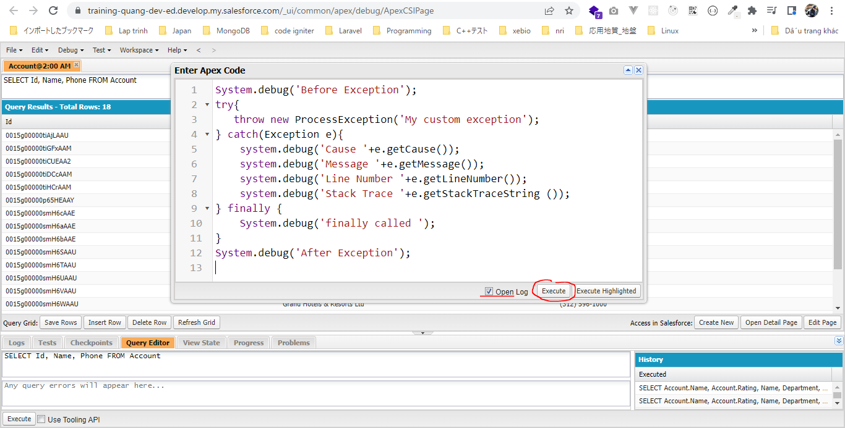
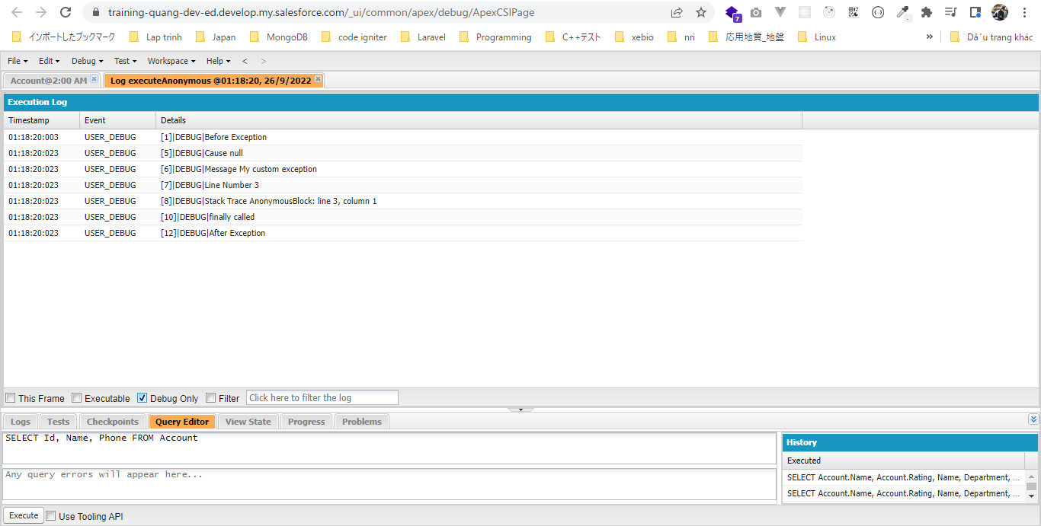
構成
 | salesforce
 |  | 2.Apex-Fundamentals
 |  | 3.Control-Flow-Statements
 |  | 4.Apex-Classes-and-Methods
 |  | 5.Apex-Testing
 |  | 6.Salesforce-Object-Query-Language
 |  | 7.SObject-and-DML
 |  | 8.Exception-Handling
 |  |  | 1.exception-overview
 |  |  |  | dev-console.txt
 |  |  | 2.exception-try-catch-finally
 |  |  |  | dev-console.txt
 |  |  | 3.exception-methods
 |  |  |  | dev-console.txt
 |  |  | 4.exception-throw-custom |  | → | new
 |  |  |  | dev-console.txt | → | new
 |  |  |  | ProcessException.apxc | → | new

a custom exception class
phải được extend từ Exception
 | salesforce\8.Exception-Handling\4.exception-throw-custom\ProcessException.apxc
 | // a custom exception class
 | public class ProcessException extends Exception {

 | }

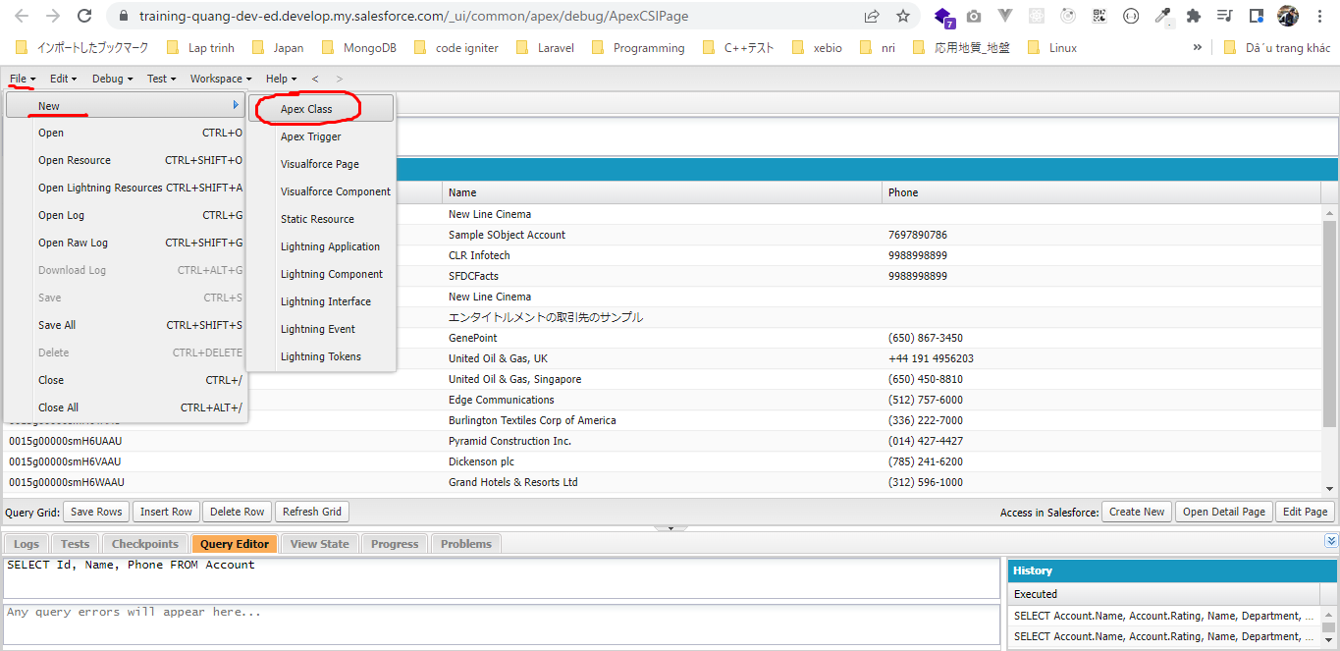

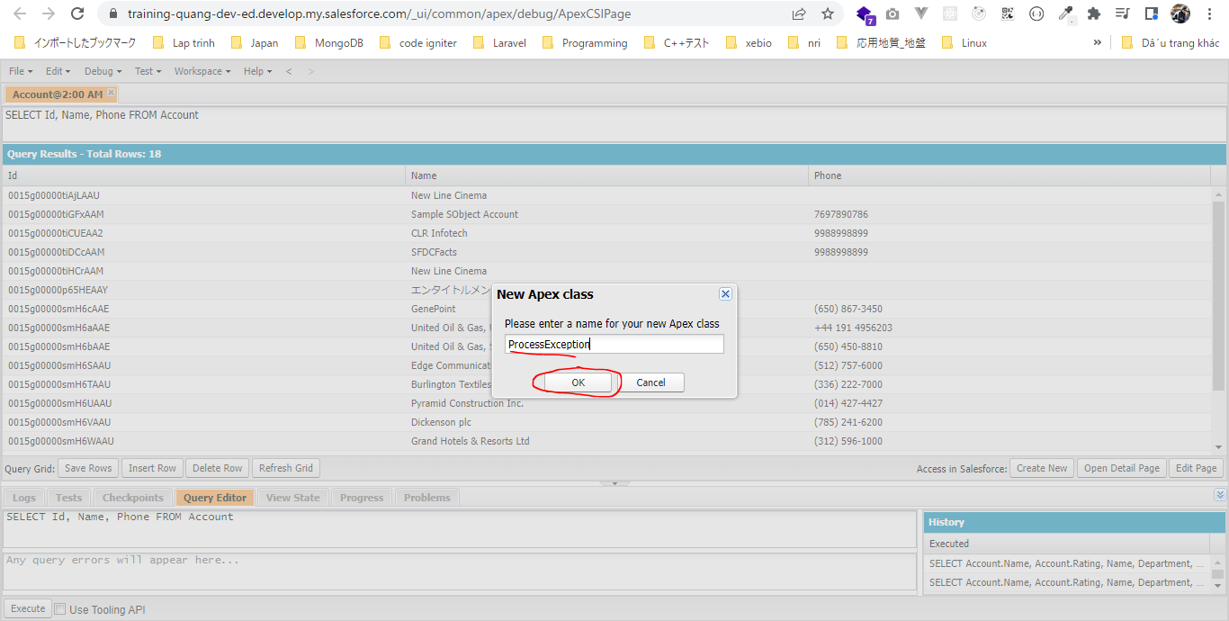

salesforce\8.Exception-Handling\4.exception-throw-custom\dev-console.txt
 | System.debug('Before Exception');
 | try{
 | throw new ProcessException('My custom exception');
 | } catch(Exception e){
 | system.debug('Cause '+e.getCause());
 | system.debug('Message '+e.getMessage());
 | system.debug('Line Number '+e.getLineNumber());
 | system.debug('Stack Trace '+e.getStackTraceString ());
 | } finally {
 | System.debug('finally called ');
 | }
 | System.debug('After Exception');

