If-Else Statement
構成
 | salesforce
 |  | 2.Apex-Fundamentals
 |  | 3.Control-Flow-Statements |  | → | new
 |  |  | 1.if-else-statements.txt | → | new

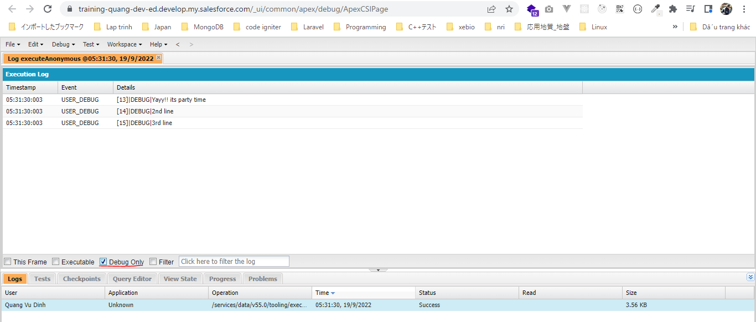
salesforce\3.Control-Flow-Statements\1.if-else-statements.txt
 | Boolean isItSunny = true;
 | Boolean isItRaining = false;
 | Boolean areYouWorking = false;

 | if(isItSunny == false){
 | System.debug('Do not go to party');
 | } else if (isItRaining == true){
 | System.debug('Do not go to party');
 | } else if ( areYouWorking == true){
 | System.debug('Do not go to party');
 | } else{
 | //multi line code block
 | System.debug('Yayy!! its party time');
 | System.debug('2nd line');
 | System.debug('3rd line');
 | }

Switch-When Statement
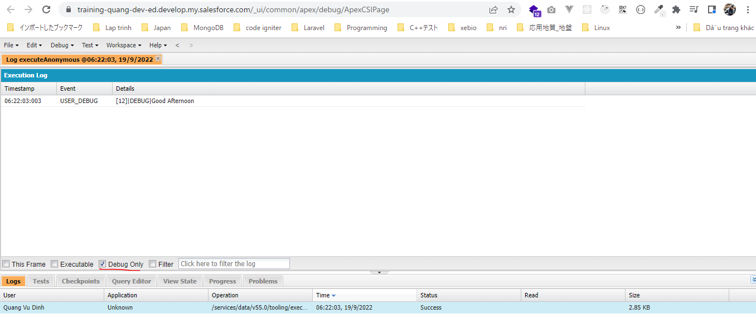
構成
 | salesforce
 |  | 2.Apex-Fundamentals
 |  | 3.Control-Flow-Statements
 |  |  | 1.if-else-statements.txt
 |  |  | 2.switch-when-statements.txt | → | new

salesforce\3.Control-Flow-Statements\2.switch-when-statements.txt
 | // if current hour is in between 0-12 >> Good Morning
 | // else if current hour is in between 12 to 17 >> Good Afternoon
 | // else >> Good Evening

 | Integer currentHour = 12;

 | switch on currentHour {
 | when 0,1,2,3,4,5,6,7,8,9,10,11{ |  |  | → | Là 1 trong các giá trị 0,1,2,3,4,5,6,7,8,9,10,11 thì là "Good Morning"
 | System.debug('Good Morning');
 | }
 | when 12,13,14,15,16{ |  |  | → | Là 1 trong các giá trị 12,13,14,15,16 thì là "Good Afternoon"
 | System.debug('Good Afternoon');
 | }
 | when else {
 | System.debug('Good Evening');
 | }
 | }

Challenge-Conditional Statement
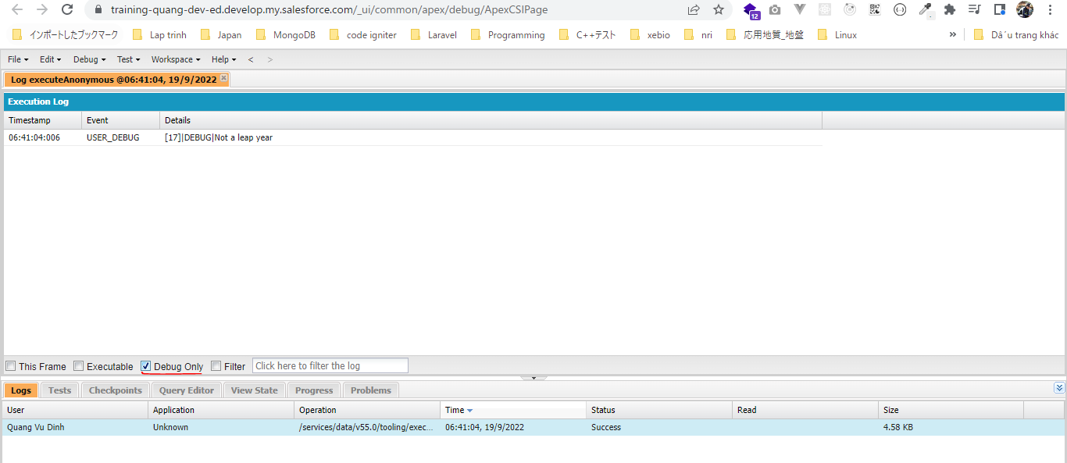
 | Năm nhuận
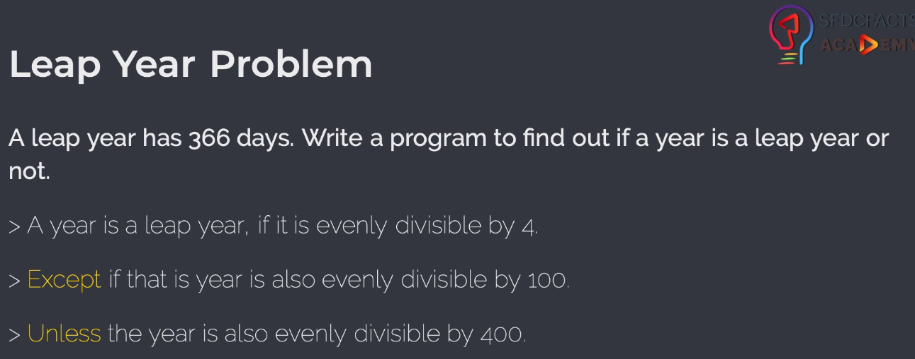

構成
 | salesforce
 |  | 2.Apex-Fundamentals
 |  | 3.Control-Flow-Statements
 |  |  | 1.if-else-statements.txt
 |  |  | 2.switch-when-statements.txt
 |  |  | 3.leap-year-challenge-solution.txt |  | → | new

salesforce\3.Control-Flow-Statements\3.leap-year-challenge-solution.txt
 | /*
 | > A year is a leap year, if it is evenly divisible by 4.
 | > Except if that is year is also evenly divisible by 100.
 | > Unless the year is also evenly divisible by 400.
 | */

 | Integer year = 2200; |  |  | → | Chia hết cho 4 nhưng cũng chia hết cho 100 và ko chia hết cho 400 nên nó ko phải năm nhuận

 | // check if year is evenly divisible by 4
 | if(Math.mod(year, 4) == 0){ |  |  | → | Math.mod() để chia lấy phần dư
 | //check if year is evenly divisible by 100
 | if(Math.mod(year, 100) == 0){
 | // check if year is evenly divisible by 400
 | if(Math.mod(year, 400) == 0){
 | System.debug('Its a leap year');
 | } else{
 | System.debug('Not a leap year');
 | }
 | } else{
 | System.debug('Its a leap year');
 | }
 | } else{
 | System.debug('Not a leap year');
 | }

Do-While Loop
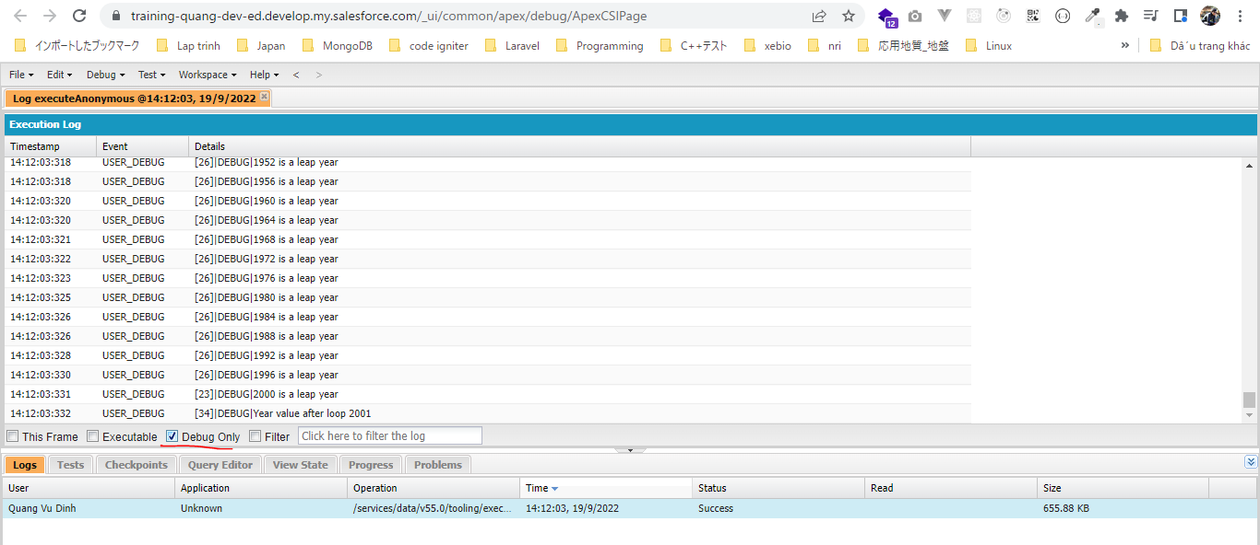
 | Vòng lặp do-while: logic trong vòng lặp sẽ được execute ít nhất 1 lần

構成
 | salesforce
 |  | 2.Apex-Fundamentals
 |  | 3.Control-Flow-Statements
 |  |  | 1.if-else-statements.txt
 |  |  | 2.switch-when-statements.txt
 |  |  | 3.leap-year-challenge-solution.txt
 |  |  | 4.do-while-loop.txt | → | new

salesforce\3.Control-Flow-Statements\4.do-while-loop.txt
 | /*
 | > A year is a leap year, if it is evenly divisible by 4.
 | > Except if that is year is also evenly divisible by 100.
 | > Unless the year is also evenly divisible by 400.
 | */

 | // Print all leap years from year 1100 to year 2000

 | Integer year = 1100; |  |  |  | → | logic trong vòng lặp do-while sẽ được execute ít nhất 1 lần nên nếu khởi tạo year=2200 đã lớn hơn 2000
 |  |  |  |  |  | thì logic trong vòng lặp vẫn được thực hiện 1 lần đầu tiên và year sau vòng lặp sẽ là 2201
 | do {
 | //System.debug('Processing year '+year);
 |  | // loop code block
 | // check if year is leap year or not

 | // check if year is evenly divisible by 4
 | if(Math.mod(year, 4) == 0){
 | //check if year is evenly divisible by 100
 | if(Math.mod(year, 100) == 0){
 | // check if year is evenly divisible by 400
 | if(Math.mod(year, 400) == 0){
 | System.debug(year + ' is a leap year');
 | }
 | } else{
 | System.debug(year + ' is a leap year');
 | }
 | }

 | // increment year value
 | year++;
 | } while(year <= 2000);// year value must less than or equal to 2000

 | System.debug('Year value after loop '+ year); |  |  |  | → | Giá trị của year sau khi kết thúc vòng lặp do-while

Challenge - Do-While Loop
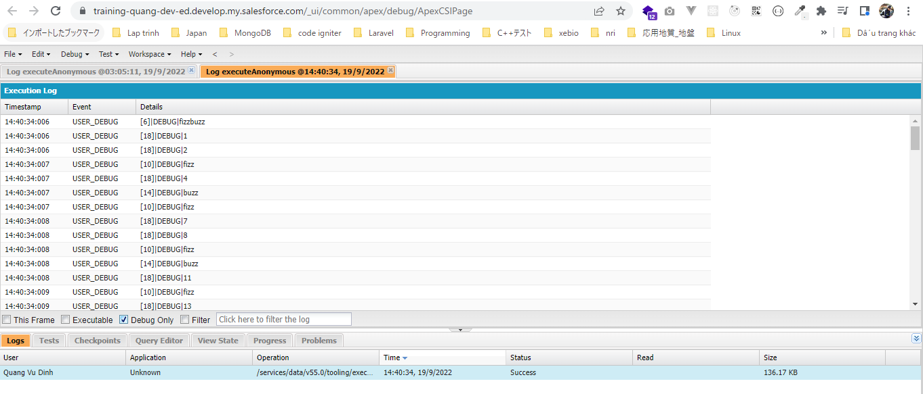
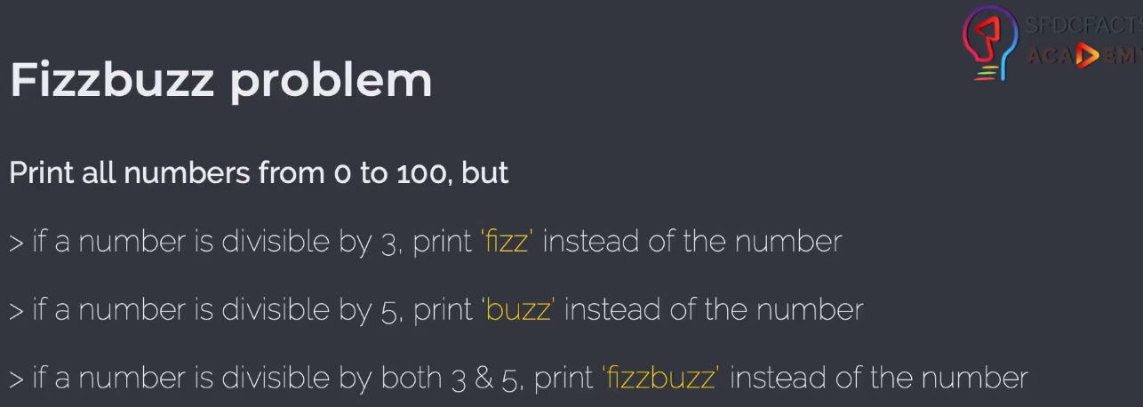

構成
 | salesforce
 |  | 2.Apex-Fundamentals
 |  | 3.Control-Flow-Statements
 |  |  | 1.if-else-statements.txt
 |  |  | 2.switch-when-statements.txt
 |  |  | 3.leap-year-challenge-solution.txt
 |  |  | 4.do-while-loop.txt
 |  |  | 5.do-while-challenge-solution.txt | → | new

salesforce\3.Control-Flow-Statements\5.do-while-challenge-solution.txt
 | Integer i = 0;

 | do {
 | // check if i is divisible by both 3 and 5
 | if(Math.mod(i, 3) == 0 && Math.mod(i, 5) == 0){
 | System.debug('fizzbuzz');
 | } else {
 | //check if i is divisible by 3
 | if(Math.mod(i, 3) == 0){
 | System.debug('fizz');
 | }
 | //check if i is divisible by 5
 | else if(Math.mod(i, 5) == 0){
 | System.debug('buzz');
 | }
 | // if none of above is true, then print i as is
 | else {
 | System.debug(i);
 | }
 | }

 | // increment i's value
 | i++;
 | } while ( i<=100);//i's value is less than or equal to 100

While Loop
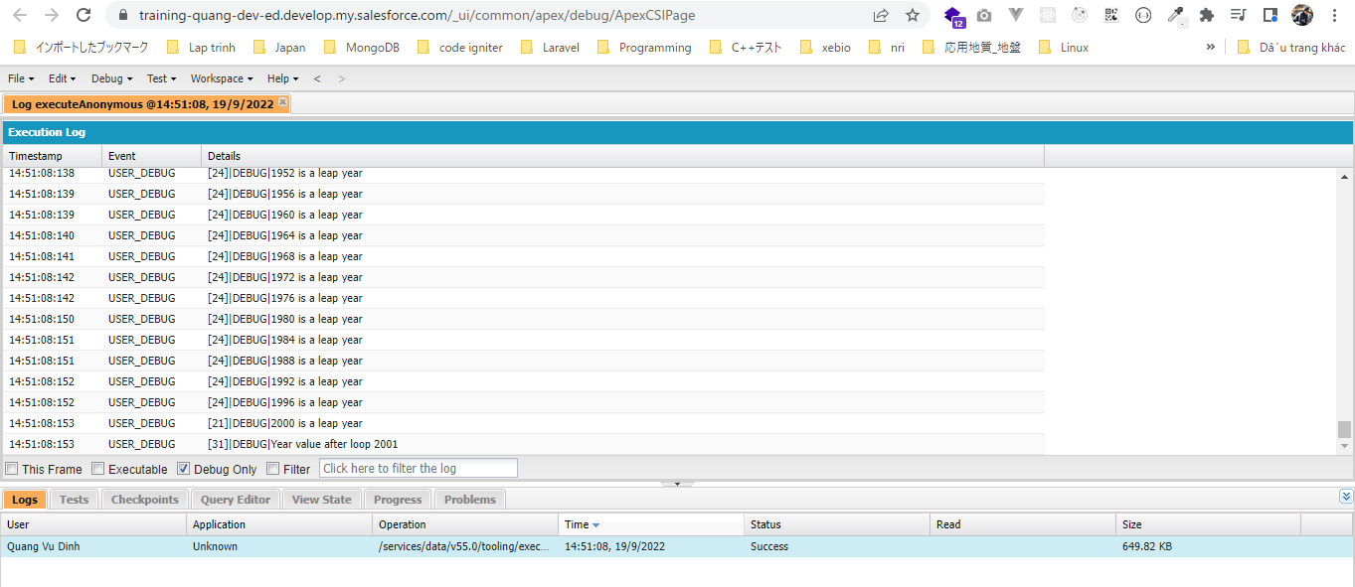
 | Khác với do-while thì while-do thực hiện check điều kiện trước khi thực hiện logic, do đó nếu điều kiện ko thỏa mãn thì logic sẽ ko được thực hiện bất cứ lần nào

構成
 | salesforce
 |  | 2.Apex-Fundamentals
 |  | 3.Control-Flow-Statements
 |  |  | 1.if-else-statements.txt
 |  |  | 2.switch-when-statements.txt
 |  |  | 3.leap-year-challenge-solution.txt
 |  |  | 4.do-while-loop.txt
 |  |  | 5.do-while-challenge-solution.txt
 |  |  | 6.while-loop.txt | → | new

salesforce\3.Control-Flow-Statements\6.while-loop.txt
 | /*
 | > A year is a leap year, if it is evenly divisible by 4.
 | > Except if that is year is also evenly divisible by 100.
 | > Unless the year is also evenly divisible by 400.
 | */

 | // Print all leap years from year 1100 to year 2000

 | Integer year = 1100; |  |  |  | → | Khác với do-while, nếu year được khởi tạo là 2200 lơn hơn 2000 nên logic sẽ ko được thực hiện bất cứ lần nào

 | while(year <= 2000) {// year value must less than or equal to 2000
 | // System.debug('Processing year '+year);
 |  | // loop code block
 | // check if year is leap year or not
 | // check if year is evenly divisible by 4
 | if(Math.mod(year, 4) == 0){
 | //check if year is evenly divisible by 100
 | if(Math.mod(year, 100) == 0){
 | // check if year is evenly divisible by 400
 | if(Math.mod(year, 400) == 0){
 | System.debug(year + ' is a leap year');
 | }
 | } else{
 | System.debug(year + ' is a leap year');
 | }
 | }
 | // increment year value
 | year++;
 | }

 | System.debug('Year value after loop '+ year);

Challenge - While Loop
 | In ra 20 số đầu trong dãy Fibonacci
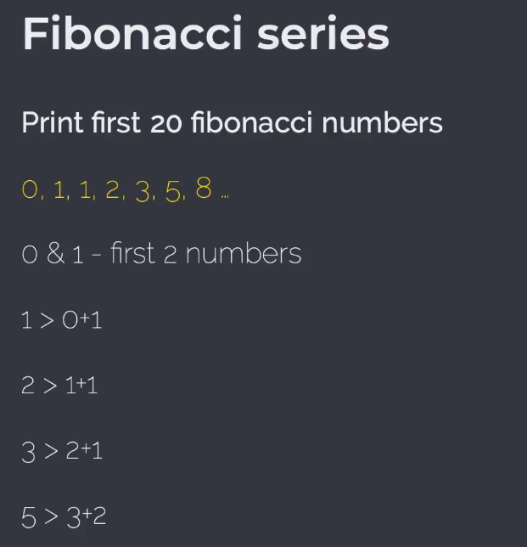

構成
 | salesforce
 |  | 2.Apex-Fundamentals
 |  | 3.Control-Flow-Statements
 |  |  | 1.if-else-statements.txt
 |  |  | 2.switch-when-statements.txt
 |  |  | 3.leap-year-challenge-solution.txt
 |  |  | 4.do-while-loop.txt
 |  |  | 5.do-while-challenge-solution.txt
 |  |  | 6.while-loop.txt
 |  |  | 7.while-loop-challege-solution.txt | → | new

salesforce\3.Control-Flow-Statements\7.while-loop-challege-solution.txt
 | /*
 | Print first 20 fibonacci numbers
 | 0, 1, 1, 2, 3, 5, 8 …
 | 0 & 1 - first 2 numbers
 | 1 > 0+1
 | 2 > 1+1
 | 3 > 2+1
 | 5 > 3+2
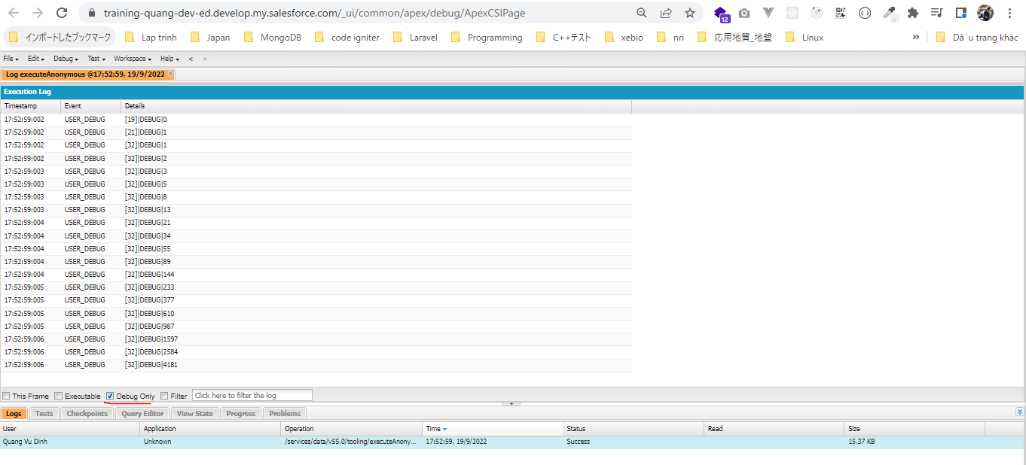
 | */

 | Integer current;
 | Integer previous = 1;
 | Integer beforePrevious = 0;

 | // current = previous + beforePrevious
 | // current = 1 + 0 = 1

 | // print very first number
 | System.debug(beforePrevious);
 | // print 2nd number
 | System.debug(previous);

 | // print next 18 numbers
 | Integer i = 0;

 | while(i<18){//run loop 18 times
 |  | //print fibonacci numbers here

 | //calculate current number
 | current = previous + beforePrevious;
 | //print current value
 | System.debug(current);

 | //update beforePrevious with previous
 | beforePrevious = previous;
 | //update previous with current
 | previous = current;

 | //increment i's value
 | i++;
 | }

For Loop
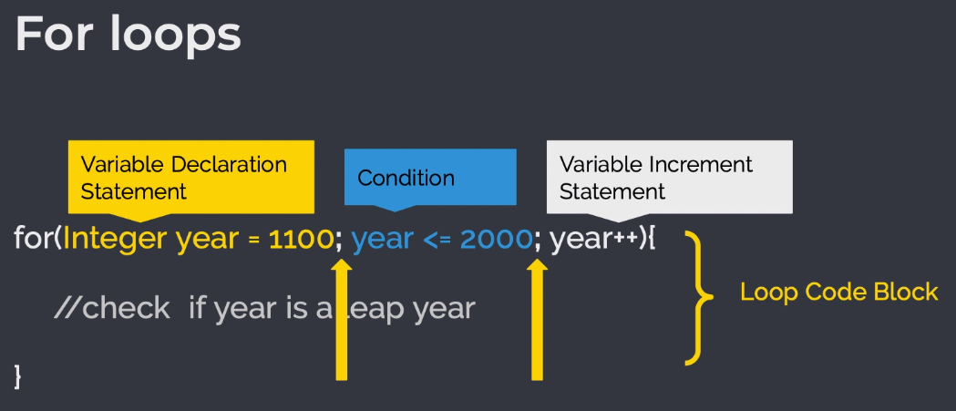

構成
 | salesforce
 |  | 2.Apex-Fundamentals
 |  | 3.Control-Flow-Statements
 |  |  | 1.if-else-statements.txt
 |  |  | 2.switch-when-statements.txt
 |  |  | 3.leap-year-challenge-solution.txt
 |  |  | 4.do-while-loop.txt
 |  |  | 5.do-while-challenge-solution.txt
 |  |  | 6.while-loop.txt
 |  |  | 7.while-loop-challege-solution.txt
 |  |  | 8.for-loops.txt | → | new

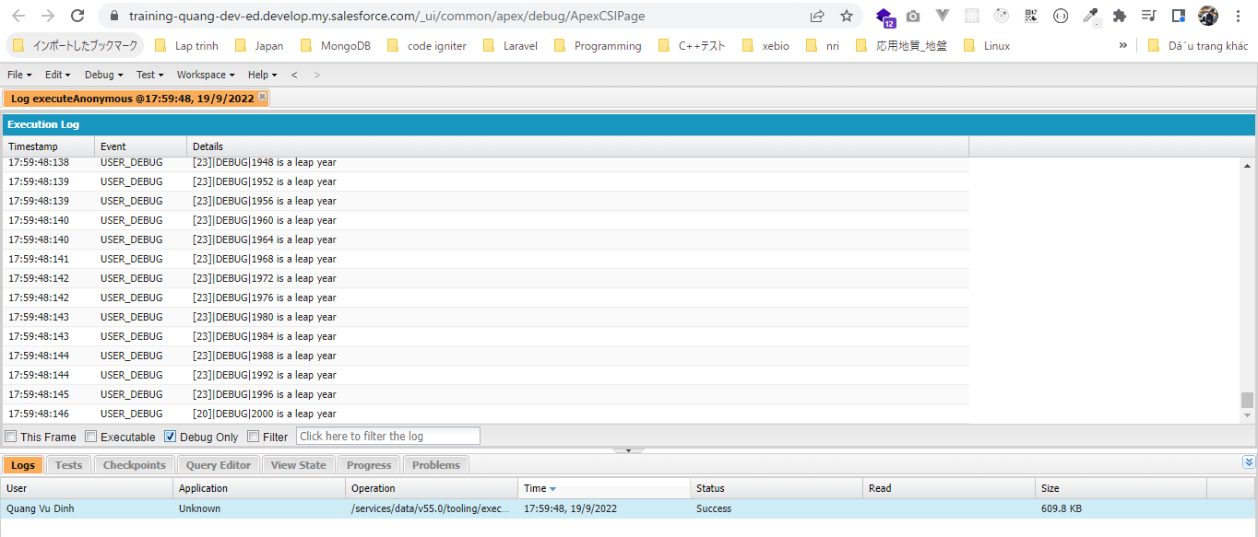
salesforce\3.Control-Flow-Statements\8.for-loops.txt
 | /*
 | > A year is a leap year, if it is evenly divisible by 4.
 | > Except if that is year is also evenly divisible by 100.
 | > Unless the year is also evenly divisible by 400.
 | */

 | // Print all leap years from year 1100 to year 2000

 | // for loop
 | for(Integer year = 1100; year <= 2000; year++){
 | // System.debug('Processing year '+year);
 |  | // loop code block
 | // check if year is leap year or not
 | // check if year is evenly divisible by 4
 | if(Math.mod(year, 4) == 0){
 | //check if year is evenly divisible by 100
 | if(Math.mod(year, 100) == 0){
 | // check if year is evenly divisible by 400
 | if(Math.mod(year, 400) == 0){
 | System.debug(year + ' is a leap year');
 | }
 | } else{
 | System.debug(year + ' is a leap year');
 | }
 | }
 | }

Challenge - For Loop
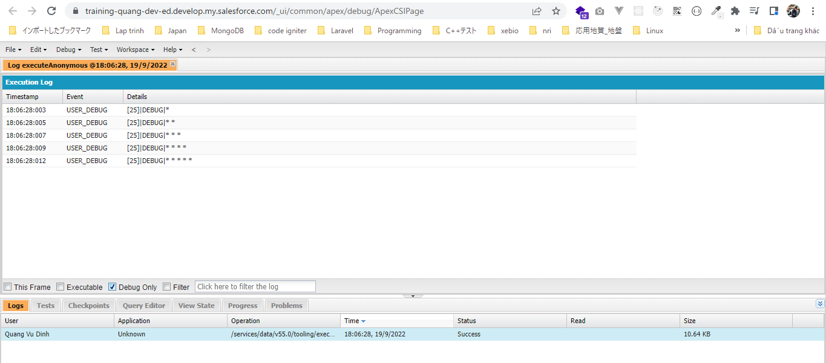
構成
 | salesforce
 |  | 2.Apex-Fundamentals
 |  | 3.Control-Flow-Statements
 |  |  | 1.if-else-statements.txt
 |  |  | 2.switch-when-statements.txt
 |  |  | 3.leap-year-challenge-solution.txt
 |  |  | 4.do-while-loop.txt
 |  |  | 5.do-while-challenge-solution.txt
 |  |  | 6.while-loop.txt
 |  |  | 7.while-loop-challege-solution.txt
 |  |  | 8.for-loops.txt
 |  |  | 9.for-loop-challenge-solution.txt | → | new

salesforce\3.Control-Flow-Statements\9.for-loop-challenge-solution.txt
 | /*

 | *
 | * *
 | * * *
 | * * * *
 | * * * * *

 | */

 | Integer n = 5;

 | // for loop to build rows
 | for(Integer row = 0; row < n; row++) {
 |  | String pattern = '';
 | //System.debug('*');
 | // for loop to build columns
 | for(Integer column = 0; column <= row; column++) {
 | //System.debug('*');
 | pattern = pattern + '* '; // or pattern+='* ';
 | }

 | //print pattern here
 | System.debug(pattern);
 | }

Break Statement
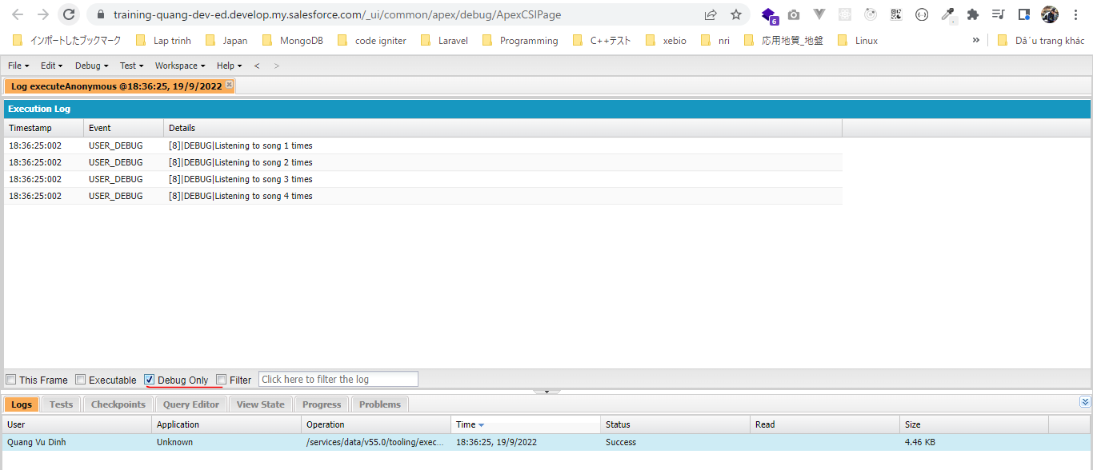
 | Dùng break để thoát ra khỏi vòng lặp và ko cần thực hiện các vòng lặp tiếp theo nữa

構成
 | salesforce
 |  | 2.Apex-Fundamentals
 |  | 3.Control-Flow-Statements
 |  |  | 1.if-else-statements.txt
 |  |  | 2.switch-when-statements.txt
 |  |  | 3.leap-year-challenge-solution.txt
 |  |  | 4.do-while-loop.txt
 |  |  | 5.do-while-challenge-solution.txt
 |  |  | 6.while-loop.txt
 |  |  | 7.while-loop-challege-solution.txt
 |  |  | 8.for-loops.txt
 |  |  | 9.for-loop-challenge-solution.txt
 |  |  | 10.break-statement.txt | → | new

salesforce\3.Control-Flow-Statements\10.break-statement.txt
 | // get goosebumps after listening to the song these many time
 | Integer gooseBumpsAfter = 4;

 | // Iterate over the map for a maximum 1000 times
 | Integer n = 1000;

 | for(Integer i=1; i<=n; i++){
 | System.debug('Listening to song ' + i + ' times');
 | // break the loop if i equals to gooseBumpsAfter
 | if(i == gooseBumpsAfter){
 | break;
 | }
 | }

Continue Statement
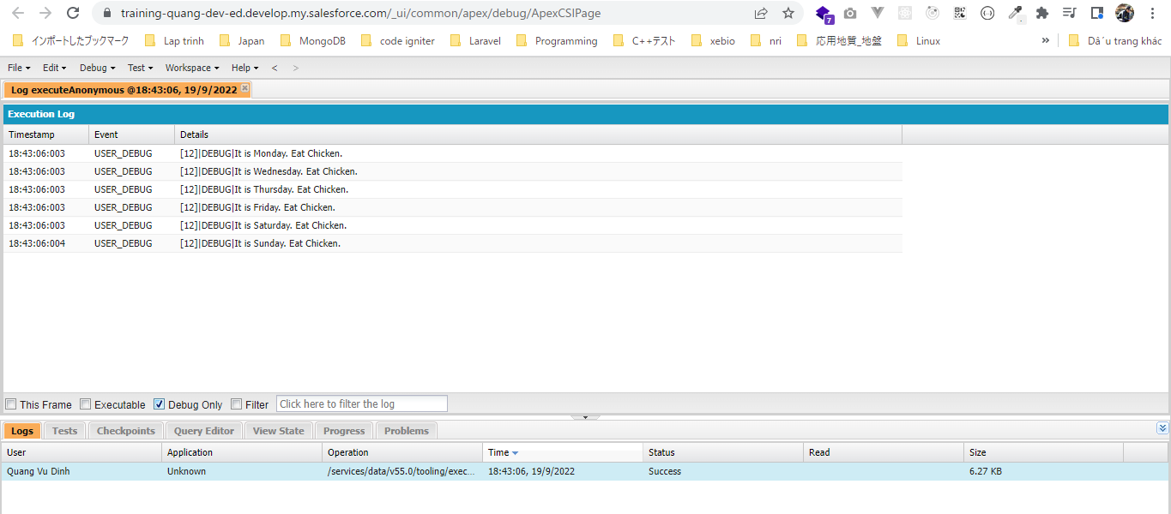
 | Dùng continue để bỏ qua bước lặp hiện tại để nhẩy đến bước lặp tiếp theo

構成
 | salesforce
 |  | 2.Apex-Fundamentals
 |  | 3.Control-Flow-Statements
 |  |  | 1.if-else-statements.txt
 |  |  | 2.switch-when-statements.txt
 |  |  | 3.leap-year-challenge-solution.txt
 |  |  | 4.do-while-loop.txt
 |  |  | 5.do-while-challenge-solution.txt
 |  |  | 6.while-loop.txt
 |  |  | 7.while-loop-challege-solution.txt
 |  |  | 8.for-loops.txt
 |  |  | 9.for-loop-challenge-solution.txt
 |  |  | 10.break-statement.txt
 |  |  | 11.continue-statement.txt | → | new

salesforce\3.Control-Flow-Statements\11.continue-statement.txt
 | //List of all days
 | List<String> days = new List<String>{'Monday','Tuesday','Wednesday','Thursday','Friday','Saturday','Sunday'};

 | // get the list size
 | Integer listSize = days.size();

 | //iterate over the list
 | for(Integer i=0; i < listSize; i++){
 | if(days.get(i) == 'Tuesday'){ |  |  |  |  | → | Nếu là 'Tuesday' thì ko thực hiện gì ở bước lặp này nữa mà nhảy đến bước lặp
 | continue; |  |  |  |  |  | tiếp theo
 | }
 | System.debug('It is '+days.get(i)+'. Eat Chicken.');
 | }

List Iteration For Loops

 | List/Set Iteration For Loops
 | Lặp tất cả các item trong List hoặc Set, nó cũng được gọi là vòng lặp for nhưng nó giúp lặp các item trong List và Set 1 cách dễ dàng

構成
 | salesforce
 |  | 2.Apex-Fundamentals
 |  | 3.Control-Flow-Statements
 |  |  | 1.if-else-statements.txt
 |  |  | 2.switch-when-statements.txt
 |  |  | 3.leap-year-challenge-solution.txt
 |  |  | 4.do-while-loop.txt
 |  |  | 5.do-while-challenge-solution.txt
 |  |  | 6.while-loop.txt
 |  |  | 7.while-loop-challege-solution.txt
 |  |  | 8.for-loops.txt
 |  |  | 9.for-loop-challenge-solution.txt
 |  |  | 10.break-statement.txt
 |  |  | 11.continue-statement.txt
 |  |  | 12.list-iteration-for-loop.txt | → | new

salesforce\3.Control-Flow-Statements\12.list-iteration-for-loop.txt
 | //List of all days
 | List<String> days = new List<String>{'Monday','Tuesday','Wednesday','Thursday','Friday','Saturday','Sunday'};

 | // list iteration for loop to iterate over days
 | for(String day : days){
 | if(day == 'Tuesday'){
 | continue;
 | }
 | System.debug('It is '+day+'. Eat Chicken');
 | }

