Insert Operation
構成
 | salesforce
 |  | 2.Apex-Fundamentals
 |  | 3.Control-Flow-Statements
 |  | 4.Apex-Classes-and-Methods
 |  | 5.Apex-Testing
 |  | 6.Salesforce-Object-Query-Language
 |  | 7.SObject-and-DML |  |  |  | → | new
 |  |  | 1.dml-insert-operation |  |  | → | new
 |  |  |  | AccountController.apxc |  | → | new
 |  |  |  | dev-console.txt |  | → | new

salesforce\7.SObject-and-DML\1.dml-insert-operation\dev-console.txt
 | // Inserting one single account
 | Account acc = new Account(Name='CLR Infotech', Phone='9988998899');
 | acc.Rating = 'Hot';
 | insert acc;

 | List<Account> accounts = new List<Account>();
 | Account acc1 = new Account(Name='Test Account 1');
 | Account acc2 = new Account(Name='Test Account 2');
 | Account acc3 = new Account(Name='Test Account 3');
 | Account acc4 = new Account(Name='Test Account 4');
 | Account acc5 = new Account(Name='Test Account 5');
 | accounts.add(acc1);
 | accounts.add(acc2);
 | accounts.add(acc3);
 | accounts.add(acc4);
 | accounts.add(acc5);
 | // Inserting a list of account
 | // insert accounts;

 | // Alternate way to insert the accounts
 | Database.insert(accounts, false);

Inserting one single account
 | Account acc = new Account(Name='CLR Infotech', Phone='9988998899'); |  |  |  |  | → | Khi insert 1 row mới thì lúc khởi tạo Instance thì mình truyền trực tiếp value của các field
 | acc.Rating = 'Hot'; |  |  |  |  | → | add more field
 | insert acc; |  |  |  |  | → | insert 1 row

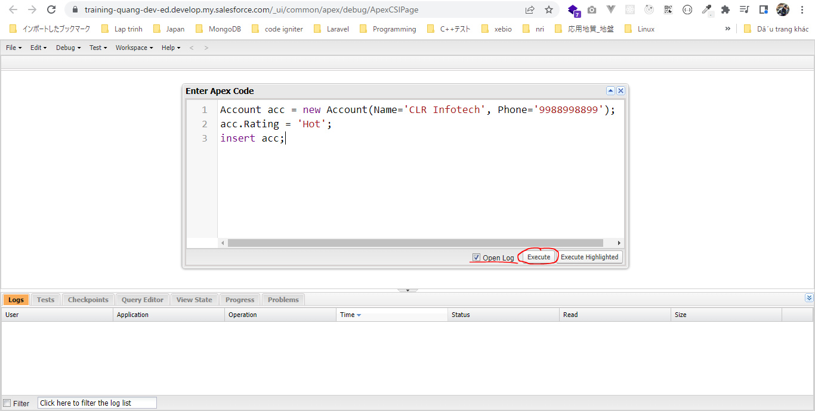

 | Có 1 phần tử được insert
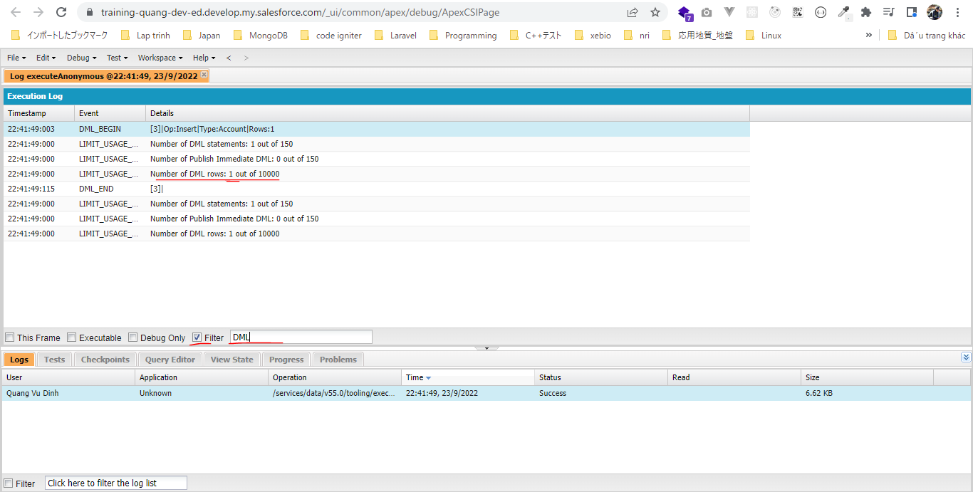

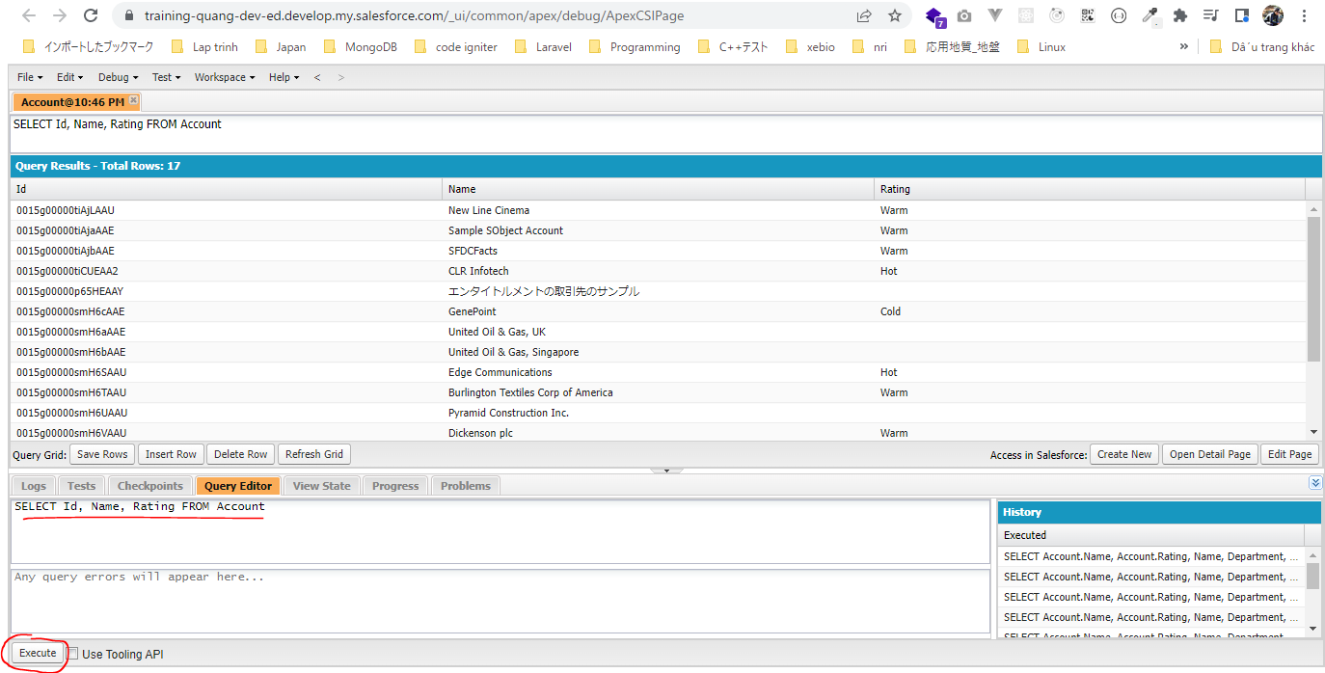

Inserting a list of account bằng cách dùng insert
 | List<Account> accounts = new List<Account>();
 | Account acc1 = new Account(Name='Test Account 1');
 | Account acc2 = new Account(Name='Test Account 2');
 | Account acc3 = new Account(Name='Test Account 3');
 | Account acc4 = new Account(Name='Test Account 4');
 | Account acc5 = new Account(Name='Test Account 5');
 | accounts.add(acc1);
 | accounts.add(acc2);
 | accounts.add(acc3);
 | accounts.add(acc4);
 | accounts.add(acc5);
 | // Inserting a list of account
 | insert accounts; |  |  |  | → | insert nhiều row
 |  |  |  |  |  | dùng insert accounts thì khi bất kỳ 1 account nào có lỗi ko insert được thì tất cả các account trong accounts sẽ ko insert được
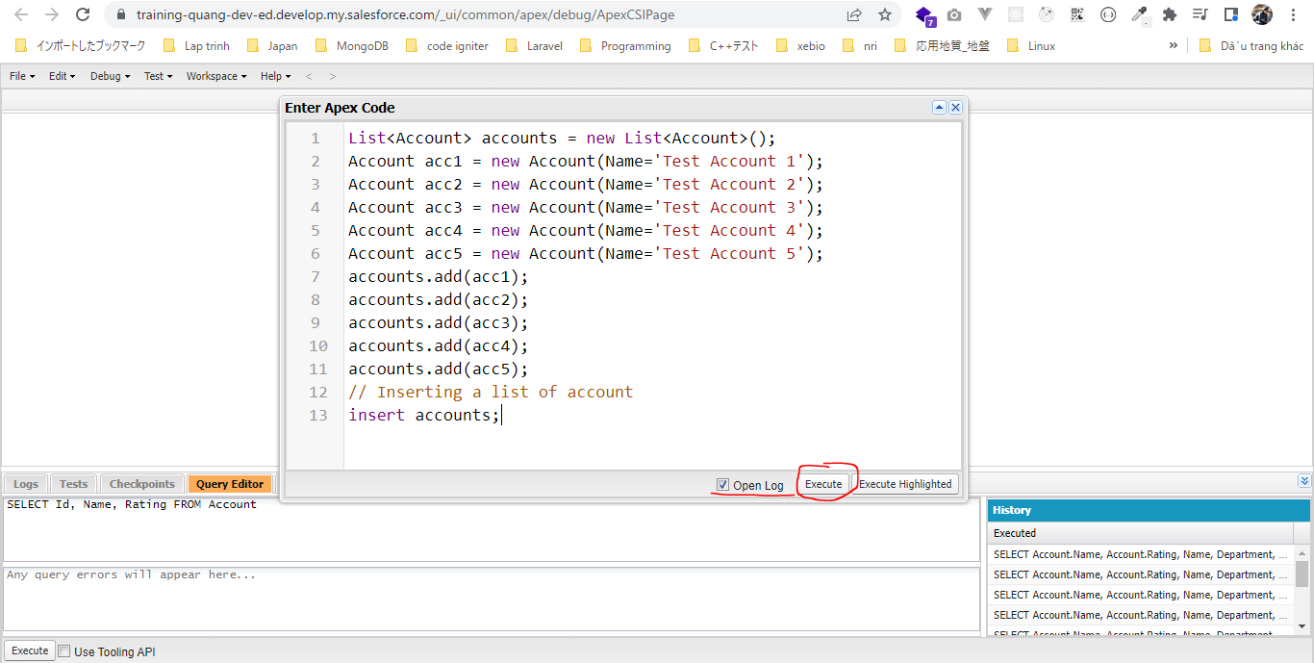

 | 5 row được thêm, 5 row này chỉ cần 1 insert execute statement để insert
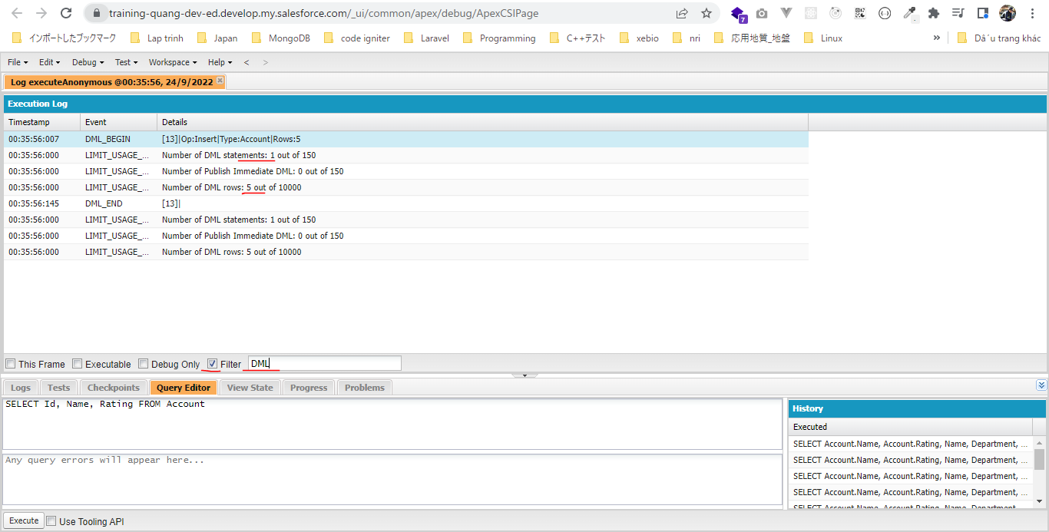

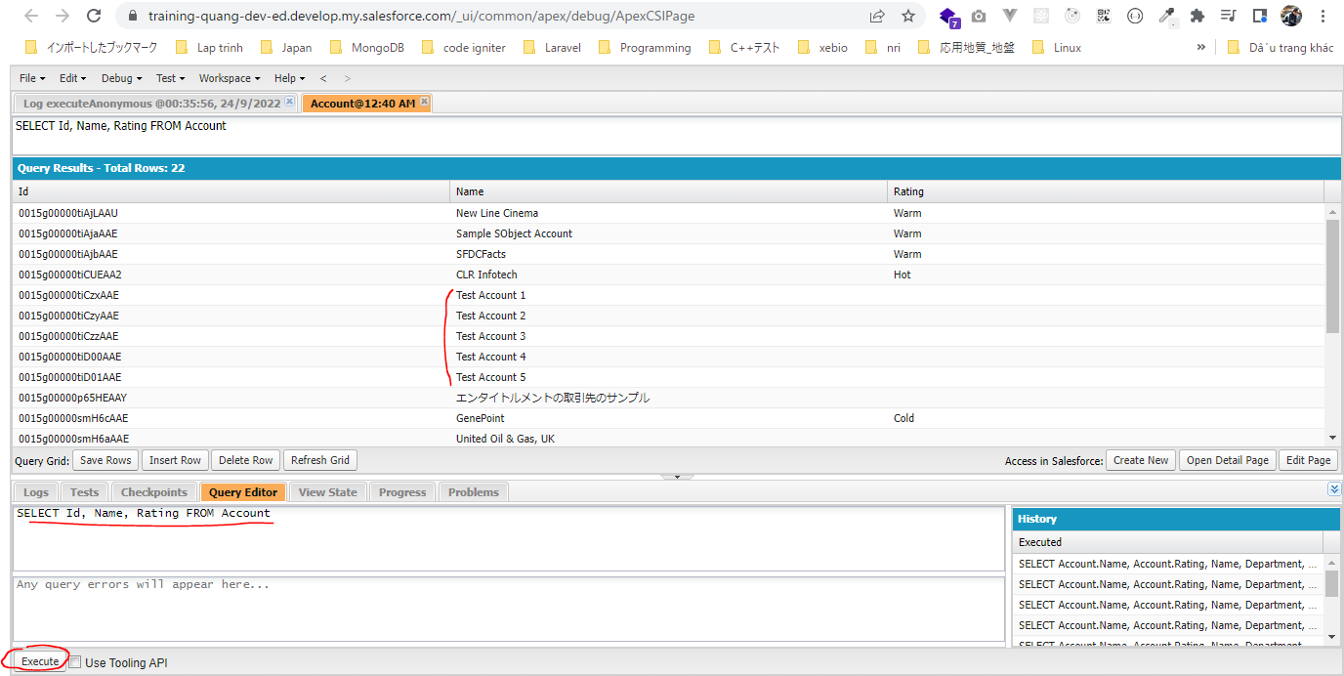

Inserting a list of account bằng cách dùng Database.insert()
 | List<Account> accounts = new List<Account>();
 | Account acc1 = new Account(Name='Test Account 1');
 | Account acc2 = new Account(Name='Test Account 2');
 | Account acc3 = new Account(Name='Test Account 3');
 | Account acc4 = new Account(Name='Test Account 4');
 | Account acc5 = new Account(Name='Test Account 5');
 | accounts.add(acc1);
 | accounts.add(acc2);
 | accounts.add(acc3);
 | accounts.add(acc4);
 | accounts.add(acc5);
 | // insert accounts;

 | Database.insert(accounts, false); |  |  |  |  | → | Dùng Database.insert(accounts, false) với tham số thứ 2 allOrNone có giá trị false thì khi có 1 account nào đó trong
 |  |  |  |  |  |  | accounts lỗi thì chỉ có account đó ko được insert và các account còn lại vẫn được insert và ko bị ảnh hưởng gì
 |  |  |  |  |  |  | Do vậy khi có account nào đó ko insert được mình có thể dùng method này để xem lý do tại sao ko insert được

 | phương thức Database.insert() có tham số thứ 2 là allOrNone
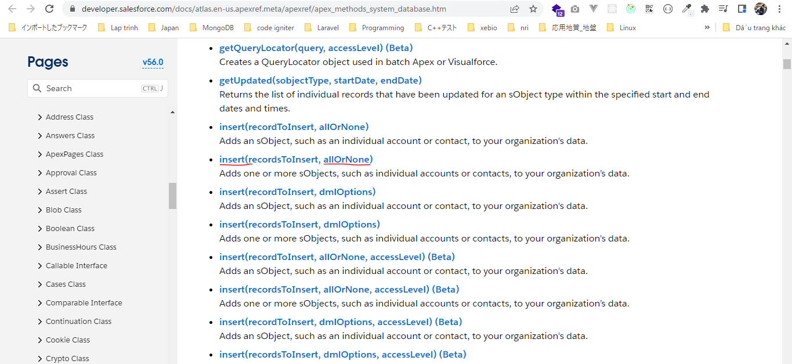

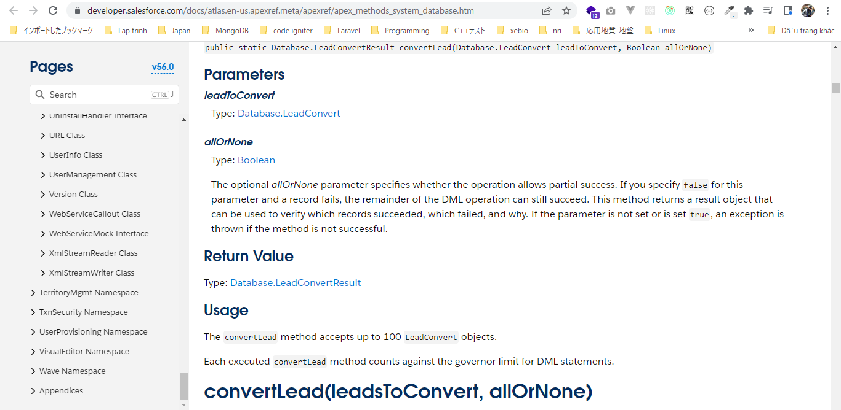

 | Xóa các row đã insert ở trên bằng insert accounts
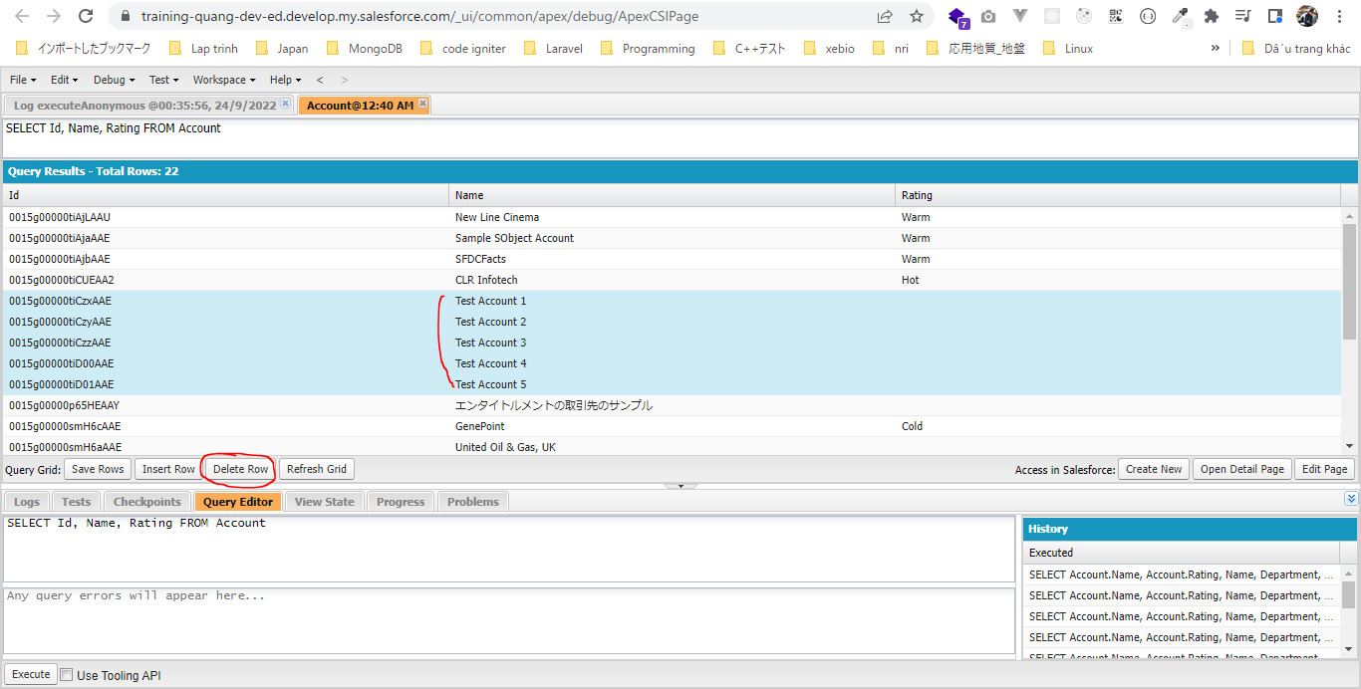

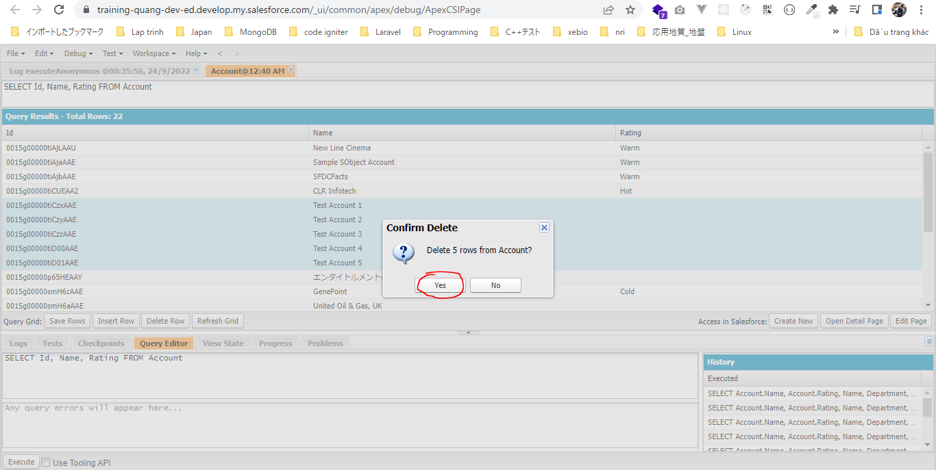

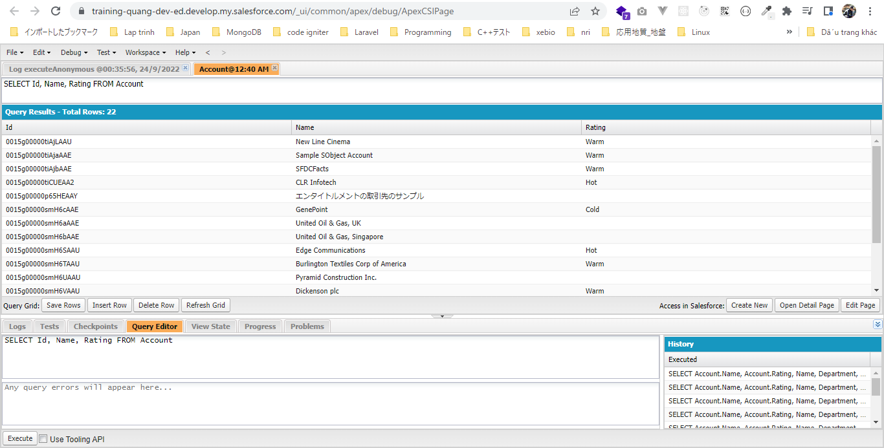

 | Insert bằng Database.insert(accounts, false)
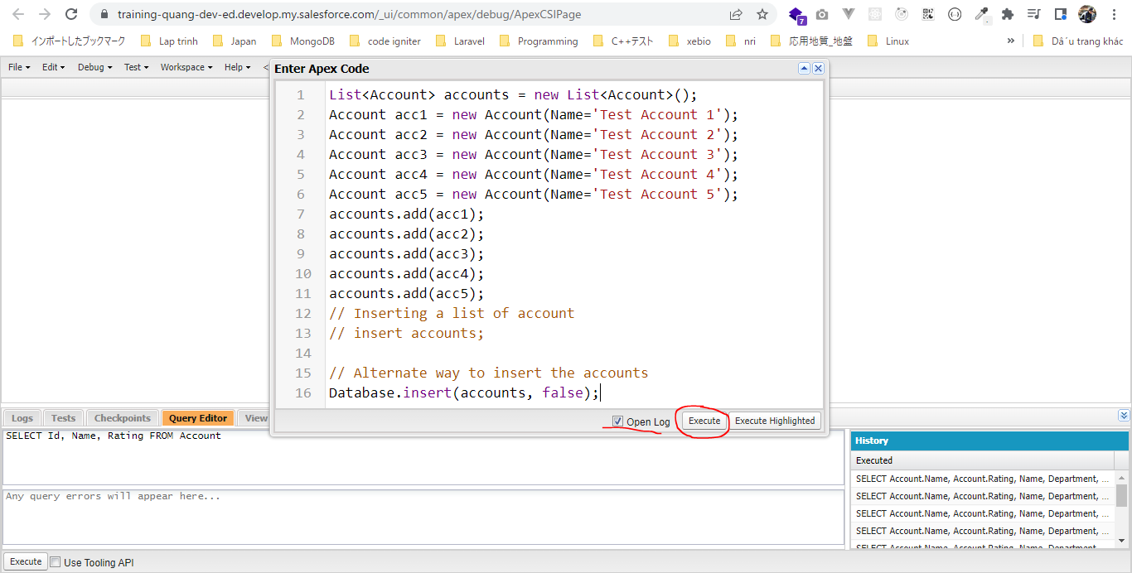



salesforce\7.SObject-and-DML\1.dml-insert-operation\AccountController.apxc
 | /**
 | * AccountController Class
 | * This class has helpful methods to work with Account object
 | * */
 | public class AccountController {

 | // Insert a list of account
 | public static List<Account> insertAccounts(List<Account> accountToInsert){
 | insert accountToInsert;
 | return accountToInsert;
 | }

 | // Insert an account record
 | public static Account insertAccount(Account accountToInsert){
 | insert accountToInsert;
 | return accountToInsert;
 | }

 | // Get all accounts
 | public static List<Account> getAllAccounts(){
 | // Retrieve all accounts and assign to a List collection
 | List<Account> accounts = [SELECT Name, Phone FROM Account];
 | return accounts;
 | }

 | // Print all accounts
 | public static void printAllAccounts(){
 | // Retrieve all accounts using getAllAccounts method
 | List<Account> accounts = getAllAccounts();
 | // iterate over all accounts and print account information
 | for(Account account : accounts){
 | System.debug('Account Name: '+account.Name+' Account Phone: '+account.Phone);
 | }
 | }

 | public static Integer getAccountSize(){
 | // Retrieve all accounts using getAllAccounts method
 | List<Account> accounts = getAllAccounts();
 | return accounts.size();
 | }
 | }

DML Logs Discussion
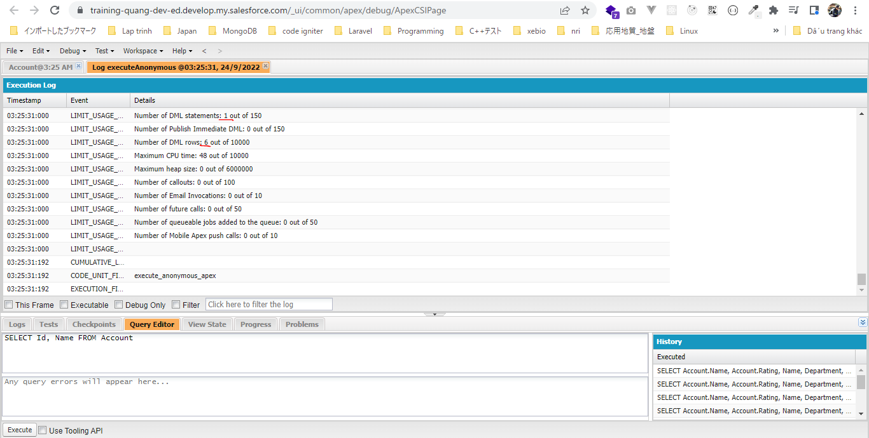
構成
 | salesforce
 |  | 2.Apex-Fundamentals
 |  | 3.Control-Flow-Statements
 |  | 4.Apex-Classes-and-Methods
 |  | 5.Apex-Testing
 |  | 6.Salesforce-Object-Query-Language
 |  | 7.SObject-and-DML
 |  |  | 1.dml-insert-operation
 |  |  |  | AccountController.apxc
 |  |  |  | dev-console.txt
 |  |  | 2.dml-logs-discussion |  | → | new
 |  |  |  | dev-console.txt | → | new

salesforce\7.SObject-and-DML\2.dml-logs-discussion\dev-console.txt
 | // Inserting records one by one
 | // Each record is inserted with separate insert statement
 | // Debug logs
 | // Number of DML statements: 5 out of 150
 | // Number of DML rows: 5 out of 10000
 | Account acc1 = new Account(Name='Test Account 1');
 | insert acc1;
 | Account acc2 = new Account(Name='Test Account 2');
 | insert acc2;
 | Account acc3 = new Account(Name='Test Account 3');
 | insert acc3;
 | Account acc4 = new Account(Name='Test Account 4');
 | insert acc4;
 | Account acc5 = new Account(Name='Test Account 5');
 | insert acc5;

 | // Inserting all records at once
 | // all records are added to a list first and then inserted with one single insert statement
 | // Debug logs
 | // Number of DML statements: 1 out of 150
 | // Number of DML rows: 6 out of 10000
 | List<Account> accounts = new List<Account>();
 | Account acc1 = new Account(Name='Test Account 1');
 | Account acc2 = new Account(Name='Test Account 2');
 | Account acc3 = new Account(Name='Test Account 3');
 | Account acc4 = new Account(Name='Test Account 4');
 | Account acc5 = new Account(Name='Test Account 5');
 | Account acc6 = new Account(Name='Test Account 6');
 | accounts.add(acc1);
 | accounts.add(acc2);
 | accounts.add(acc3);
 | accounts.add(acc4);
 | accounts.add(acc5);
 | accounts.add(acc6);
 | // Inserting a list of account
 | insert accounts;

Inserting records one by one
 | // Inserting records one by one
 | // Each record is inserted with separate insert statement
 | // Debug logs
 | // Number of DML statements: 5 out of 150
 | // Number of DML rows: 5 out of 10000
 | Account acc1 = new Account(Name='Test Account 1');
 | insert acc1;
 | Account acc2 = new Account(Name='Test Account 2');
 | insert acc2;
 | Account acc3 = new Account(Name='Test Account 3');
 | insert acc3;
 | Account acc4 = new Account(Name='Test Account 4');
 | insert acc4;
 | Account acc5 = new Account(Name='Test Account 5');
 | insert acc5;

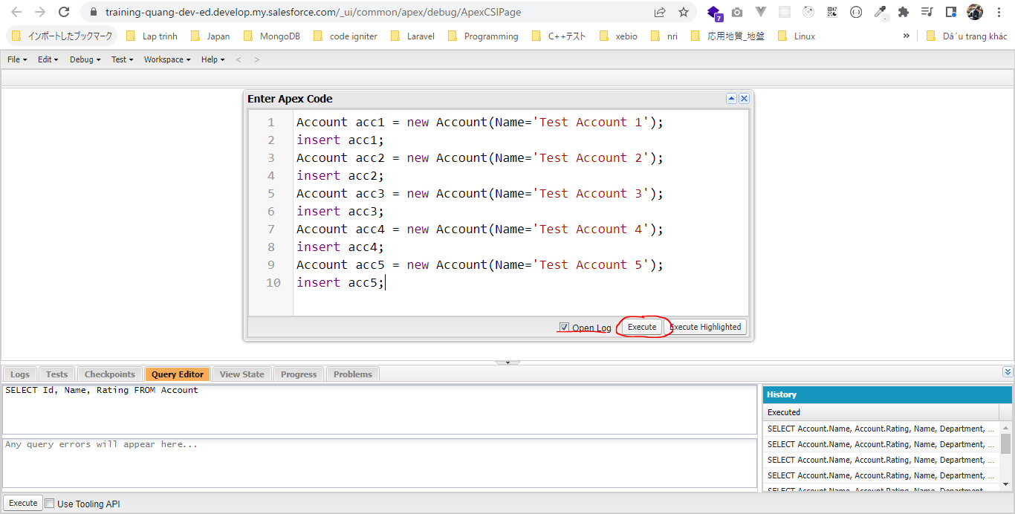

 | 5 row account được insert và để insert được 5 row này thì cần 5 DML statement. Chỉ cho phép thực hiện được 150 DML statement trong 1 single transaction
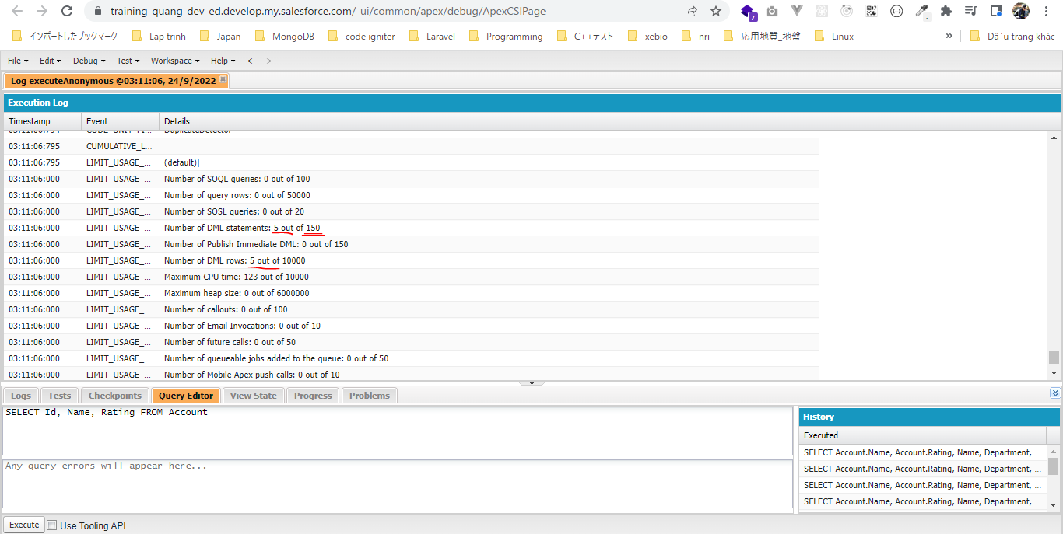

Inserting all records at once
 | // Inserting all records at once
 | // all records are added to a list first and then inserted with one single insert statement
 | // Debug logs
 | // Number of DML statements: 1 out of 150
 | // Number of DML rows: 6 out of 10000
 | List<Account> accounts = new List<Account>();
 | Account acc1 = new Account(Name='Test Account 1');
 | Account acc2 = new Account(Name='Test Account 2');
 | Account acc3 = new Account(Name='Test Account 3');
 | Account acc4 = new Account(Name='Test Account 4');
 | Account acc5 = new Account(Name='Test Account 5');
 | Account acc6 = new Account(Name='Test Account 6');
 | accounts.add(acc1);
 | accounts.add(acc2);
 | accounts.add(acc3);
 | accounts.add(acc4);
 | accounts.add(acc5);
 | accounts.add(acc6);
 | // Inserting a list of account
 | insert accounts;

 | Delete các row account đã insert ở trên
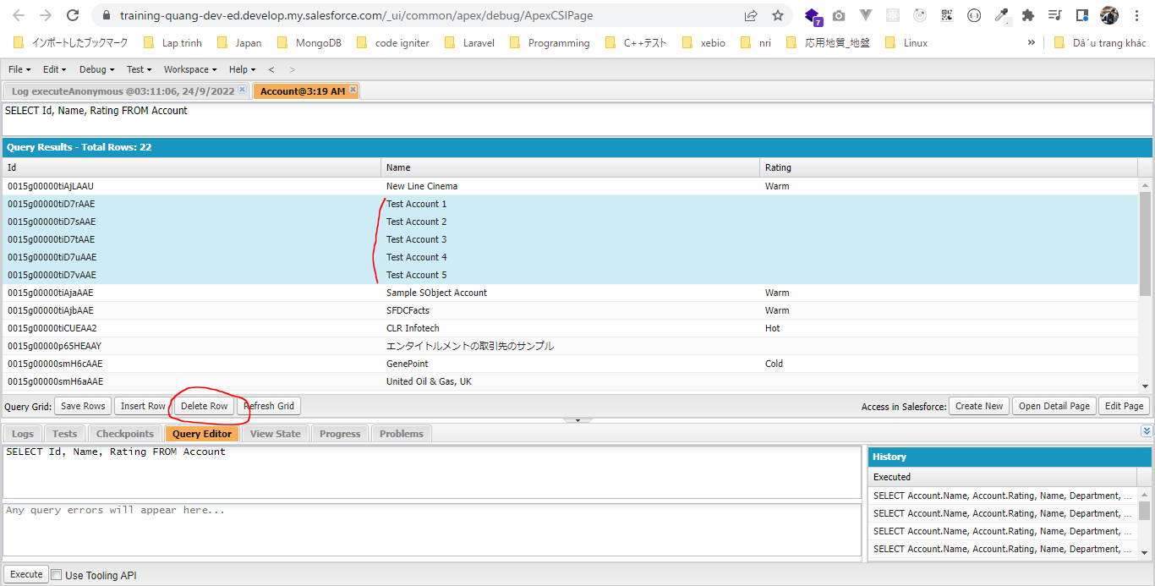

 | Inserting all records at once
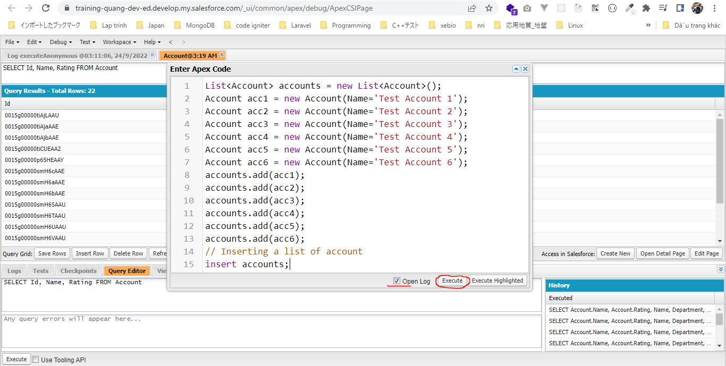

 | Insert được 6 row account nhưng chỉ cần 1 DML statement

DatabaseMethodsVsDML Statements
