Future Methods
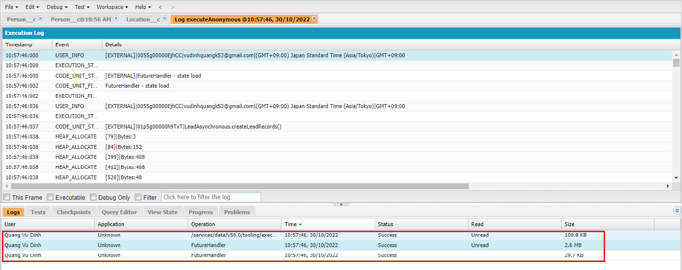
 | Future methods are the most used async features on salesforce platform. We can use future methods to separate into 2 different transactions. That means there will be a separate async
 | transaction along with your synchronous transaction. They can be used to perform long running operations like if we want to fetch more number of records, may be like more than 50000 records,
 | if we want to update more number of records or even if we want to make a call out to third party system
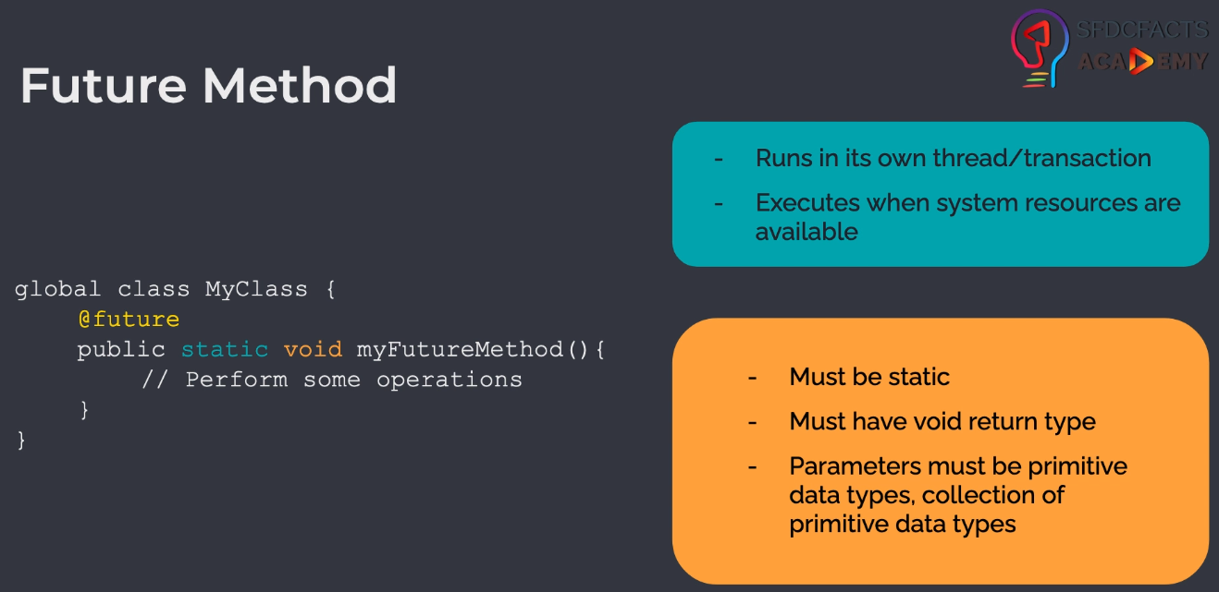

構成
 | salesforce
 |  | 2.Apex-Fundamentals
 |  | 3.Control-Flow-Statements
 |  | 4.Apex-Classes-and-Methods
 |  | 5.Apex-Testing
 |  | 6.Salesforce-Object-Query-Language
 |  | 7.SObject-and-DML
 |  | 8.Exception-Handling
 |  | 9.VS Code-Setup
 |  | 10.Governors-Limits-and-Code-Bulkification
 |  | 11.Advanced-SOQL
 |  | 12.Trigger-overview
 |  | 13.Apex-Testing-Part-2
 |  | 14.Aura-Framework
 |  | 15.Async-Apex |  |  |  |  |  |  |  |  | → | new
 |  |  | 1.async-future-method |  |  |  |  |  |  |  | → | new
 |  |  |  | dev-console.txt |  |  |  |  |  |  | → | new
 |  |  |  | LeadAsynchronous.apxc |  |  |  |  |  |  | → | new
 |  | Boss-Level-Challenge
 |  |  | contact-tracing
 |  |  |  | force-app
 |  |  |  |  | main
 |  |  |  |  |  | default
 |  |  |  |  |  |  | classes
 |  |  |  |  |  |  |  | AccountContactService.cls
 |  |  |  |  |  |  |  | BoardPanelController.cls
 |  |  |  |  |  |  |  | ContactTriggerHandler.cls
 |  |  |  |  |  |  |  | ContactTriggerHandlerTest.cls
 |  |  |  |  |  |  |  | CTHealthHeaderController.cls
 |  |  |  |  |  |  |  | CTLocationController.cls
 |  |  |  |  |  |  |  | CTLocationTabController.cls
 |  |  |  |  |  |  |  | CTLocationTracingController.cls
 |  |  |  |  |  |  |  | CTLocationTracingTriggerHandler.cls
 |  |  |  |  |  |  |  | CTLocationTriggerHandler.cls
 |  |  |  |  |  |  |  | CTPeopleTracingController.cls
 |  |  |  |  |  |  |  | CTPeopleTracingTriggerHandler.cls
 |  |  |  |  |  |  |  | CTPersonController.cls
 |  |  |  |  |  |  |  | CTPersonTabController.cls
 |  |  |  |  |  |  |  | CTPersonTriggerHandler.cls
 |  |  |  |  |  |  |  | CTPersonViewController.cls
 |  |  |  |  |  |  |  | CTRecentChangesController.cls
 |  |  |  |  |  |  |  | GameResultController.cls
 |  |  |  |  |  |  | aura
 |  |  |  |  |  |  |  | Block
 |  |  |  |  |  |  |  | BlockClickEvent
 |  |  |  |  |  |  |  | Board
 |  |  |  |  |  |  |  | BoardPanel
 |  |  |  |  |  |  |  | CTHealthAdmin
 |  |  |  |  |  |  |  |  | CTHealthAdmin.cmp
 |  |  |  |  |  |  |  |  | CTHealthAdminController.js
 |  |  |  |  |  |  |  | CTHealthHeader
 |  |  |  |  |  |  |  |  | CTHealthHeader.css
 |  |  |  |  |  |  |  |  | CTHealthHeader.cmp
 |  |  |  |  |  |  |  |  | CTHealthHeaderController.js
 |  |  |  |  |  |  |  |  | CTHealthHeaderHelper.js
 |  |  |  |  |  |  |  | CTLocationSelectEvent
 |  |  |  |  |  |  |  |  | CTLocationSelectEvent.evt
 |  |  |  |  |  |  |  | CTLocationTab
 |  |  |  |  |  |  |  |  | CTLocationTab.cmp
 |  |  |  |  |  |  |  |  | CTLocationTab.css
 |  |  |  |  |  |  |  |  | CTLocationTabController.js
 |  |  |  |  |  |  |  |  | CTLocationTabHelper.js
 |  |  |  |  |  |  |  | CTLocationView
 |  |  |  |  |  |  |  |  | CTLocationView.cmp
 |  |  |  |  |  |  |  |  | CTLocationView.css
 |  |  |  |  |  |  |  |  | CTLocationViewController.js
 |  |  |  |  |  |  |  | CTPersonSelectEvent
 |  |  |  |  |  |  |  |  | CTPersonSelectEvent.evt
 |  |  |  |  |  |  |  | CTPersonTab
 |  |  |  |  |  |  |  |  | CTPersonTab.cmp
 |  |  |  |  |  |  |  |  | CTPersonTab.css
 |  |  |  |  |  |  |  |  | CTPersonTabController.js
 |  |  |  |  |  |  |  |  | CTPersonTabHelper.js
 |  |  |  |  |  |  |  | CTPersonView
 |  |  |  |  |  |  |  |  | CTPersonView.cmp
 |  |  |  |  |  |  |  |  | CTPersonView.css
 |  |  |  |  |  |  |  |  | CTPersonViewController.js
 |  |  |  |  |  |  |  | CTRecentChanges
 |  |  |  |  |  |  |  |  | CTRecentChanges.cmp
 |  |  |  |  |  |  |  |  | CTRecentChangesController.js
 |  |  |  |  |  |  |  |  | CTRecentChangesHelper.js
 |  |  |  |  |  |  |  | GameResult
 |  |  |  |  |  |  |  | HelloWorld
 |  |  |  |  |  |  |  | ResultApplicationEvent
 |  |  |  | .prettierrc

salesforce\15.Async-Apex\async-future-method\LeadAsynchronous.apxc
 | public class LeadAsynchronous {

 | @future
 | public static void updateLeadRecords(Set<Id> existingRecordIds){ |  |  |  |  |  |  |  |  |  |  |  | → | id of these records to update. Use Id(in Set<Id) because feture methods can only accept primitive data types
 | List<Lead> existingRecords = [SELECT Id, LeadSource FROM Lead WHERE Id IN :existingRecordIds];
 | for(Lead record : existingRecords){
 | record.LeadSource = 'Web';
 | }
 | update existingRecords;

 | // calling another future method - NOT ALLOWED
 | // createLeadRecords(); |  |  |  |  |  |  |  |  |  |  |  | → | future method can not be called from another future method
 | }

 | @future
 | public static void createLeadRecords(){
 | Lead anotherLead = new Lead(LastName='Test Lead Single', Status='Open - Not Contacted', Company='SFDCFacts', Industry='Finance');
 | insert anotherLead;
 | }
 | }

salesforce\15.Async-Apex\async-future-method\dev-console.txt
 | Map<Id, Lead> leadRecords = new Map<Id, Lead> ([SELECT Id FROM Lead]);

 | // call first future method
 | LeadAsynchronous.updateLeadRecords(leadRecords.keySet());
 | // call 2nd future method
 | LeadAsynchronous.createLeadRecords(); |  |  |  |  |  |  |  | → | We can call mutiple future methods in synchronous

Test
 | ①updateLeadRecords
 | Map<Id, Lead> leadRecords = new Map<Id, Lead> ([SELECT Id FROM Lead]); |  |  |  |  |  |  |  | → | synchronous transaction

 | // call first future method
 | LeadAsynchronous.updateLeadRecords(leadRecords.keySet()); |  |  |  |  |  |  |  | → | Asynchronous transaction

 | Kết quả thực thi ta thu được 2 log bởi vì có 2 transaction khác nhau đã được thực thiđó là synchronous và asynchronous
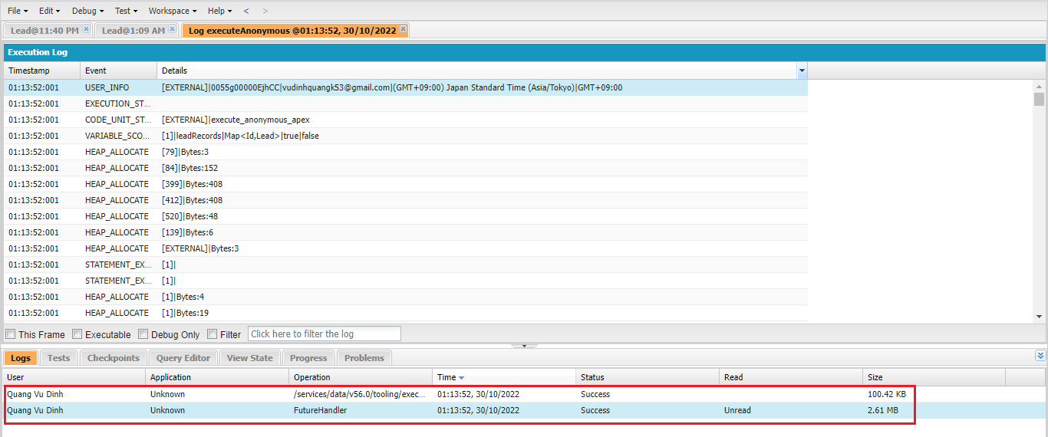

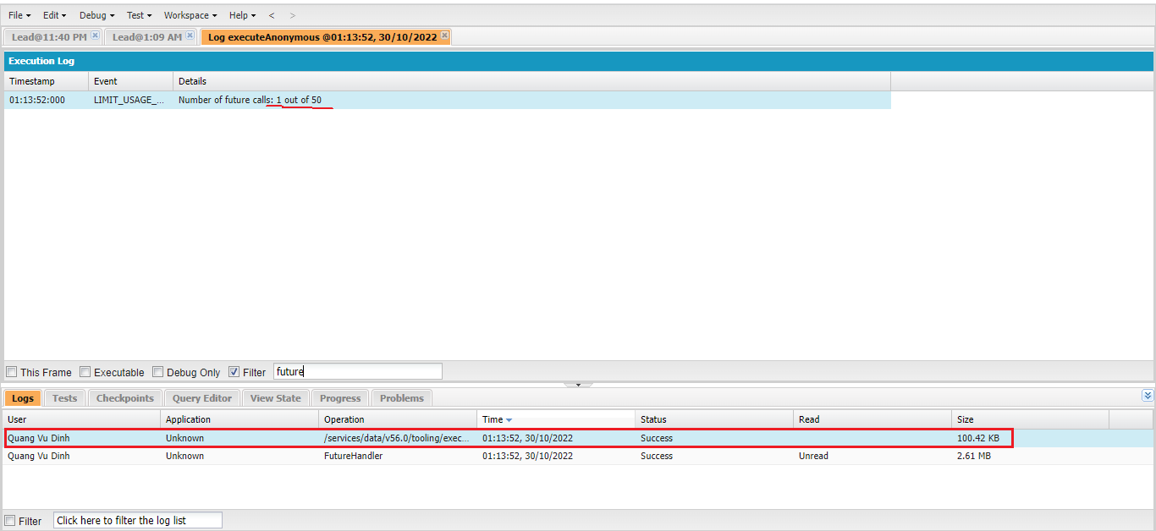

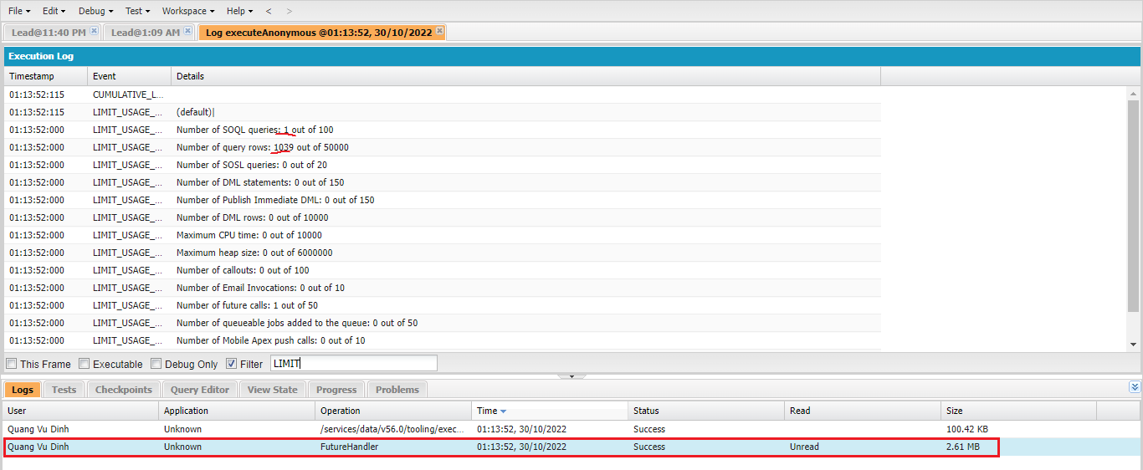

 | SELECT COUNT(Id) FROM Lead
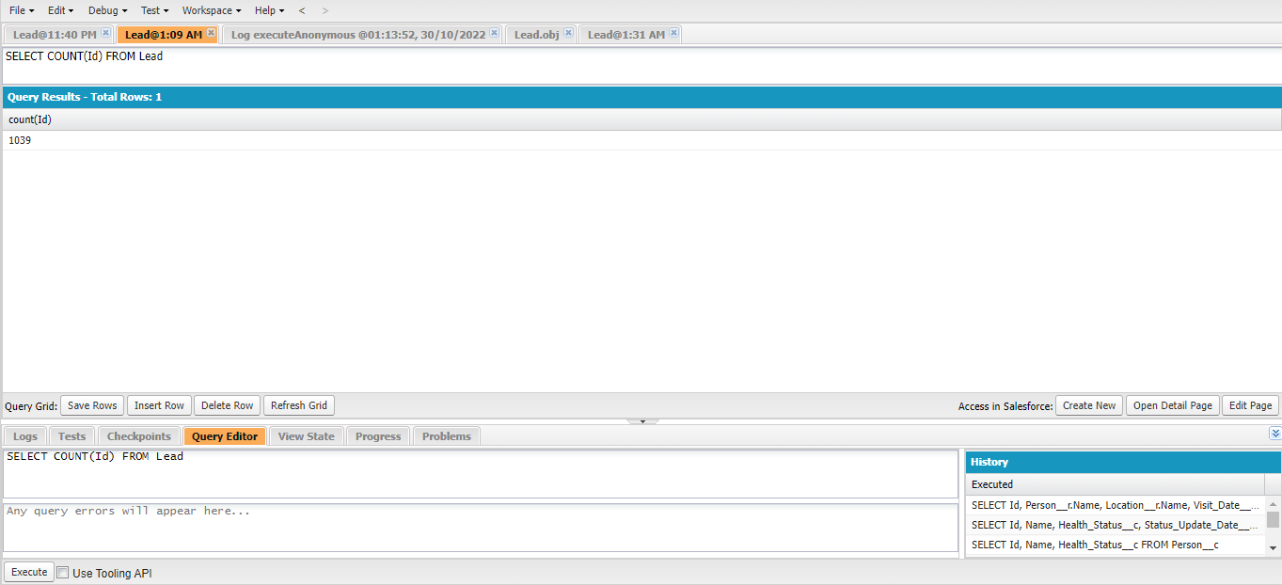

 | SELECT Id, Name, LeadSource, LastModifiedDate FROM Lead
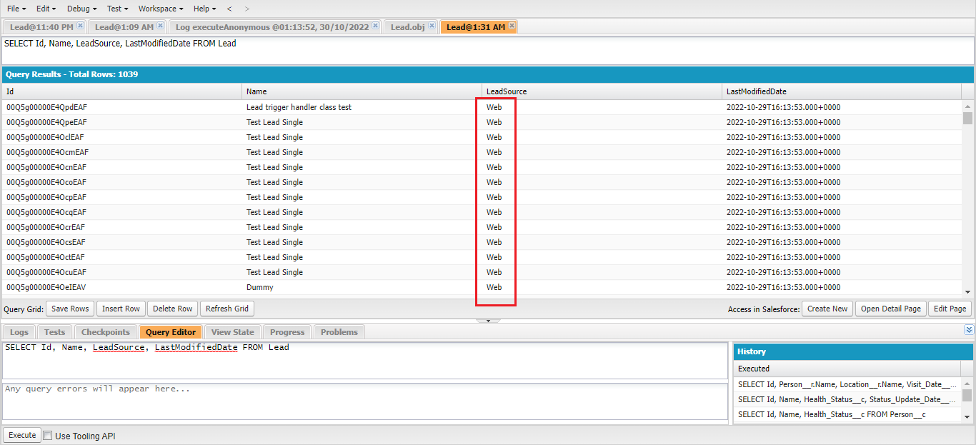

 | ②Call mutiple future methods in synchronous
 | Map<Id, Lead> leadRecords = new Map<Id, Lead> ([SELECT Id FROM Lead]);

 | // call first future method
 | LeadAsynchronous.updateLeadRecords(leadRecords.keySet());
 | // call 2nd future method
 | LeadAsynchronous.createLeadRecords();

 | Thu được 3 log trong đó có 1 log synchronous và 2 log asynchronous của future method

Batch Apex
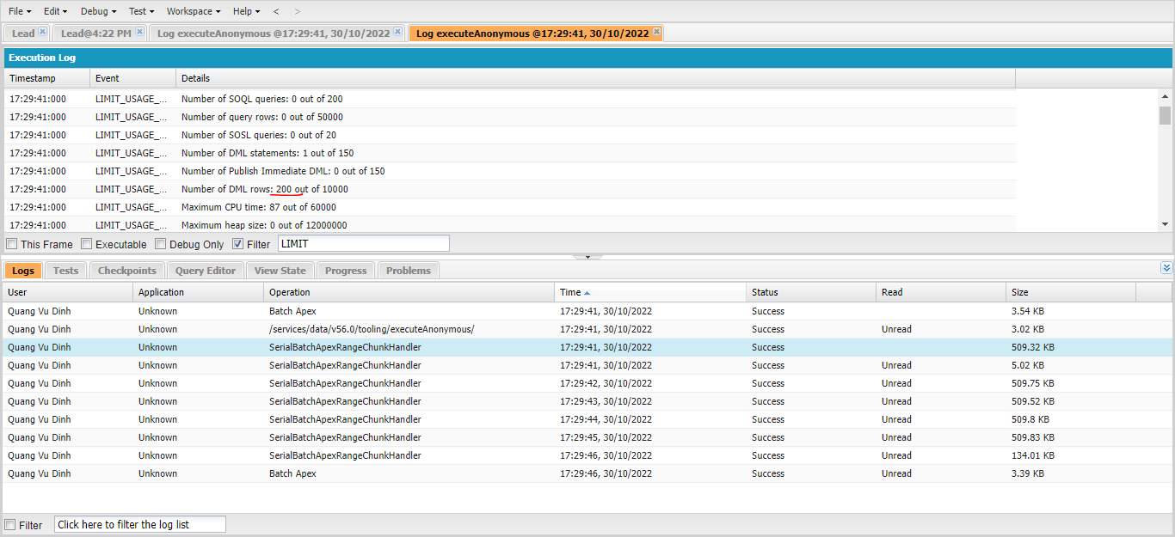
 | Batch Apex is the second most common used async feature. Batch Apex is the best tool when we want to operate over millions and millions of records, because this Batch Apex divides our
 | records into smaller chunks or batches and then it operates over those batches. So whenever we are talking about mullions of records, Batch Apex is the tool for us.
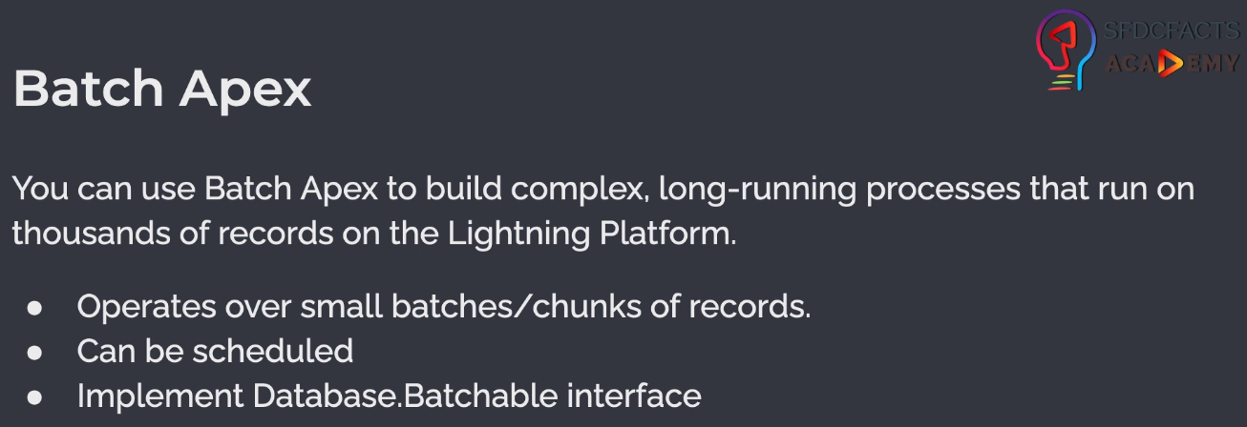

 | Batch Apex can be scheduled, so we can run these batch jobs as per our schedule something like may be weekly once or daily once. To define a Batch Apex, we need to implement Database.Batchable
 | This interface comes with three methods are start, execute and finish.
 | Giả sử ở start query được 50000 records, điều đó có nghĩa là batch scope có 50000 records và nếu batch size là 2000 thì execute method sẽ được thực thi 25 lần
 | start và finish chỉ được thực thi 1 lần còn execute method thì có thể được thực thi nhiều lần. Trong finish method có thể thực hiện gọi batch khác hoặc send mail báo rằng batch đã thực thi xong
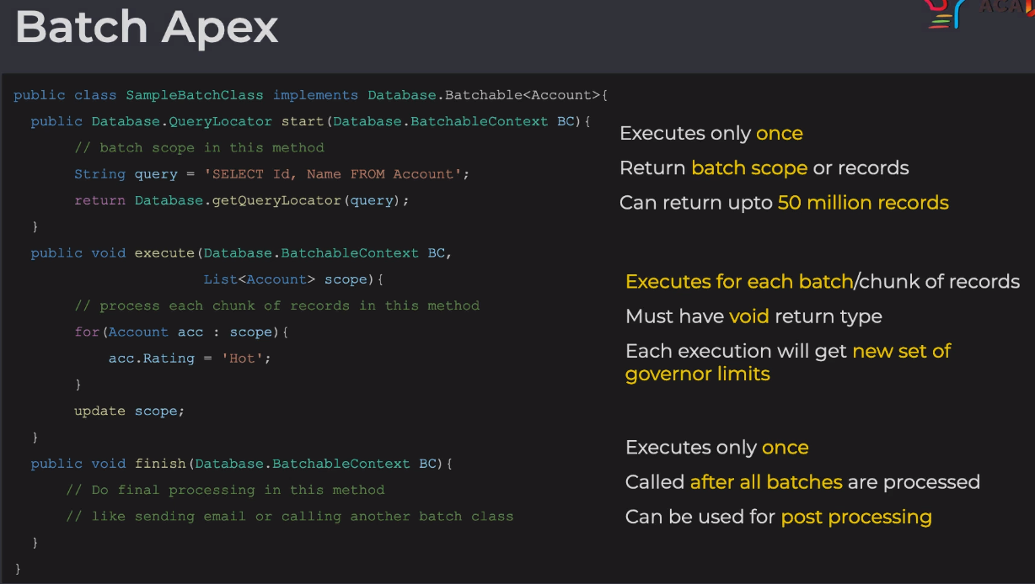

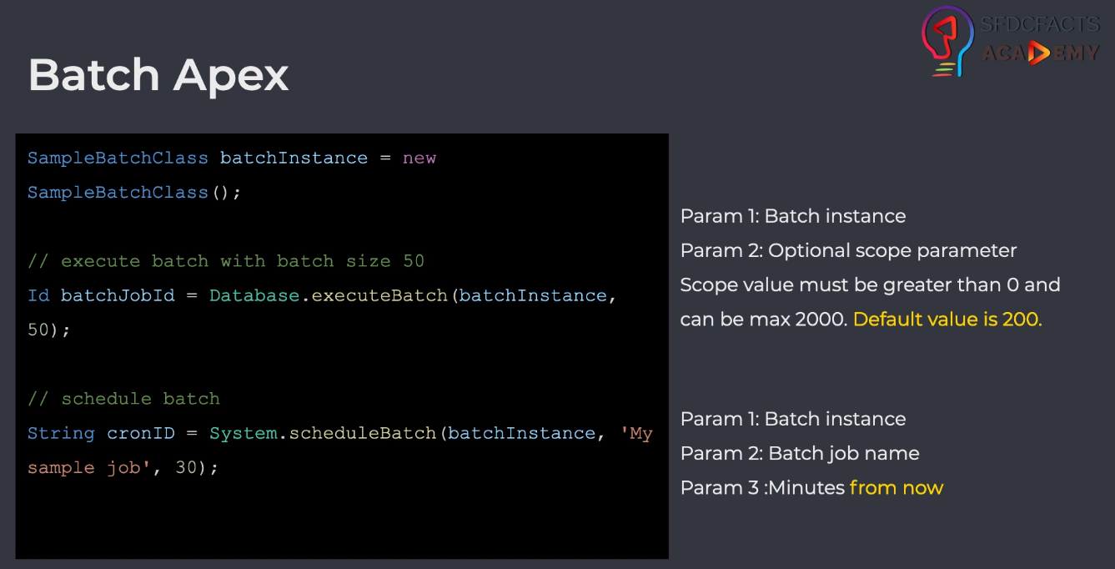

構成
 | salesforce
 |  | 2.Apex-Fundamentals
 |  | 3.Control-Flow-Statements
 |  | 4.Apex-Classes-and-Methods
 |  | 5.Apex-Testing
 |  | 6.Salesforce-Object-Query-Language
 |  | 7.SObject-and-DML
 |  | 8.Exception-Handling
 |  | 9.VS Code-Setup
 |  | 10.Governors-Limits-and-Code-Bulkification
 |  | 11.Advanced-SOQL
 |  | 12.Trigger-overview
 |  | 13.Apex-Testing-Part-2
 |  | 14.Aura-Framework
 |  | 15.Async-Apex
 |  |  | 1.async-future-method
 |  |  |  | dev-console.txt
 |  |  |  | LeadAsynchronous.apxc
 |  |  | 2.async-batch-apex |  |  |  |  |  |  | → | new
 |  |  |  | dev-console.txt
 |  |  |  | LeadBatch.apxc
 |  | Boss-Level-Challenge
 |  |  | contact-tracing
 |  |  |  | force-app
 |  |  |  |  | main
 |  |  |  |  |  | default
 |  |  |  |  |  |  | classes
 |  |  |  |  |  |  |  | AccountContactService.cls
 |  |  |  |  |  |  |  | BoardPanelController.cls
 |  |  |  |  |  |  |  | ContactTriggerHandler.cls
 |  |  |  |  |  |  |  | ContactTriggerHandlerTest.cls
 |  |  |  |  |  |  |  | CTHealthHeaderController.cls
 |  |  |  |  |  |  |  | CTLocationController.cls
 |  |  |  |  |  |  |  | CTLocationTabController.cls
 |  |  |  |  |  |  |  | CTLocationTracingController.cls
 |  |  |  |  |  |  |  | CTLocationTracingTriggerHandler.cls
 |  |  |  |  |  |  |  | CTLocationTriggerHandler.cls
 |  |  |  |  |  |  |  | CTPeopleTracingController.cls
 |  |  |  |  |  |  |  | CTPeopleTracingTriggerHandler.cls
 |  |  |  |  |  |  |  | CTPersonController.cls
 |  |  |  |  |  |  |  | CTPersonTabController.cls
 |  |  |  |  |  |  |  | CTPersonTriggerHandler.cls
 |  |  |  |  |  |  |  | CTPersonViewController.cls
 |  |  |  |  |  |  |  | CTRecentChangesController.cls
 |  |  |  |  |  |  |  | GameResultController.cls
 |  |  |  |  |  |  | aura
 |  |  |  |  |  |  |  | Block
 |  |  |  |  |  |  |  | BlockClickEvent
 |  |  |  |  |  |  |  | Board
 |  |  |  |  |  |  |  | BoardPanel
 |  |  |  |  |  |  |  | CTHealthAdmin
 |  |  |  |  |  |  |  |  | CTHealthAdmin.cmp
 |  |  |  |  |  |  |  |  | CTHealthAdminController.js
 |  |  |  |  |  |  |  | CTHealthHeader
 |  |  |  |  |  |  |  |  | CTHealthHeader.css
 |  |  |  |  |  |  |  |  | CTHealthHeader.cmp
 |  |  |  |  |  |  |  |  | CTHealthHeaderController.js
 |  |  |  |  |  |  |  |  | CTHealthHeaderHelper.js
 |  |  |  |  |  |  |  | CTLocationSelectEvent
 |  |  |  |  |  |  |  |  | CTLocationSelectEvent.evt
 |  |  |  |  |  |  |  | CTLocationTab
 |  |  |  |  |  |  |  |  | CTLocationTab.cmp
 |  |  |  |  |  |  |  |  | CTLocationTab.css
 |  |  |  |  |  |  |  |  | CTLocationTabController.js
 |  |  |  |  |  |  |  |  | CTLocationTabHelper.js
 |  |  |  |  |  |  |  | CTLocationView
 |  |  |  |  |  |  |  |  | CTLocationView.cmp
 |  |  |  |  |  |  |  |  | CTLocationView.css
 |  |  |  |  |  |  |  |  | CTLocationViewController.js
 |  |  |  |  |  |  |  | CTPersonSelectEvent
 |  |  |  |  |  |  |  |  | CTPersonSelectEvent.evt
 |  |  |  |  |  |  |  | CTPersonTab
 |  |  |  |  |  |  |  |  | CTPersonTab.cmp
 |  |  |  |  |  |  |  |  | CTPersonTab.css
 |  |  |  |  |  |  |  |  | CTPersonTabController.js
 |  |  |  |  |  |  |  |  | CTPersonTabHelper.js
 |  |  |  |  |  |  |  | CTPersonView
 |  |  |  |  |  |  |  |  | CTPersonView.cmp
 |  |  |  |  |  |  |  |  | CTPersonView.css
 |  |  |  |  |  |  |  |  | CTPersonViewController.js
 |  |  |  |  |  |  |  | CTRecentChanges
 |  |  |  |  |  |  |  |  | CTRecentChanges.cmp
 |  |  |  |  |  |  |  |  | CTRecentChangesController.js
 |  |  |  |  |  |  |  |  | CTRecentChangesHelper.js
 |  |  |  |  |  |  |  | GameResult
 |  |  |  |  |  |  |  | HelloWorld
 |  |  |  |  |  |  |  | ResultApplicationEvent
 |  |  |  | .prettierrc

salesforce\15.Async-Apex\2.async-batch-apex\LeadBatch.apxc
 | public class LeadBatch implements Database.Batchable<SObject> {

 | /**
 | * Start Method
 | * Executes only once
 | * Return batch scope or records
 | * Can return upto 50 million records
 | * */
 | public Database.QueryLocator start(Database.BatchableContext BC){
 | return Database.getQueryLocator('SELECT Id, LeadSource FROM Lead');
 | }

 | /**
 | * Execute Method
 | * Executes for each batch/chunk of records
 | * Must have void return type
 | * Each execution will get new set of governor limits
 | * */
 | public void execute(Database.BatchableContext BC, List<Lead> scope){
 | for(Lead leadRecord : scope){
 | leadRecord.LeadSource = 'Web batch';
 | }
 | update scope;
 | }

 | /**
 | * Finish Method
 | * Executes only once
 | * Called after all batches are processed
 | * Can be used for post processing
 | * */
 | public void finish(Database.BatchableContext BC){
 | System.debug('Batch finished');
 | }

 | }

salesforce\15.Async-Apex\2.async-batch-apex\dev-console.txt
 | LeadBatch leadBatchInstance = new LeadBatch();

 | // calling with a batch size 50
 | Database.executeBatch(leadBatchInstance, 50);

 | // calling with a batch size 2000
 | Database.executeBatch(leadBatchInstance, 2000);

 | // calling with default batch size 200
 | Database.executeBatch(leadBatchInstance);

Test
 | ①batch size 50
 | LeadBatch leadBatchInstance = new LeadBatch();

 | // calling with a batch size 50
 | Database.executeBatch(leadBatchInstance, 50);

 | There are 21 execute methods that were called
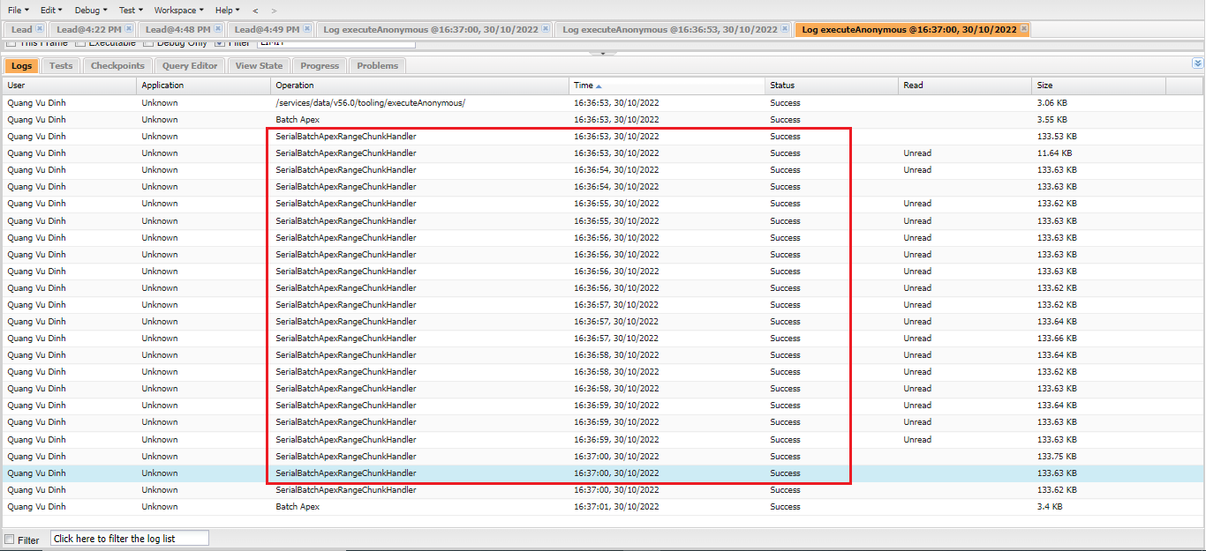

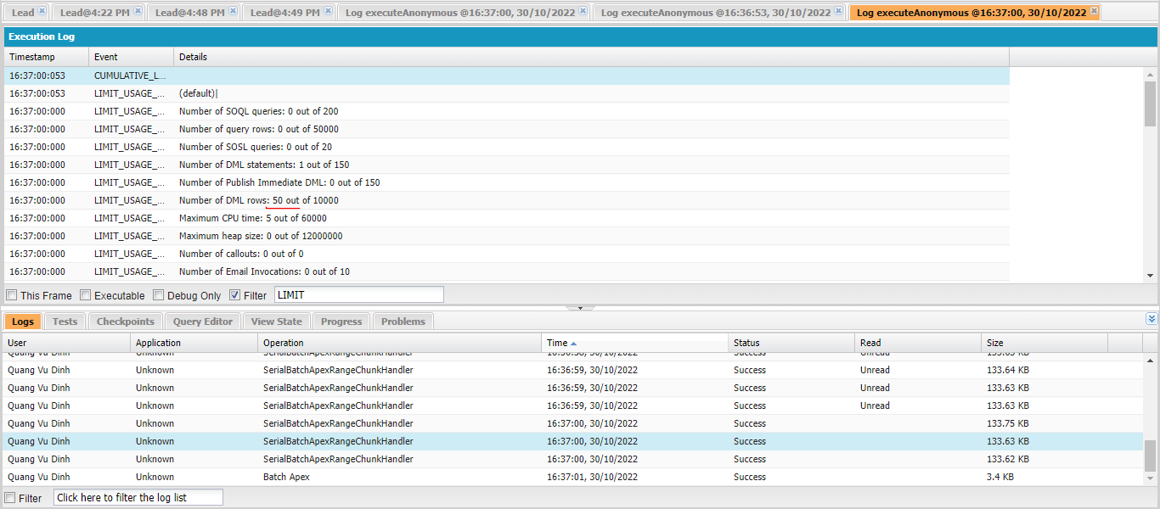

 | 20*50 + 45 = 1045(21 execute)
 | SELECT Id, LeadSource, CreatedDate FROM Lead
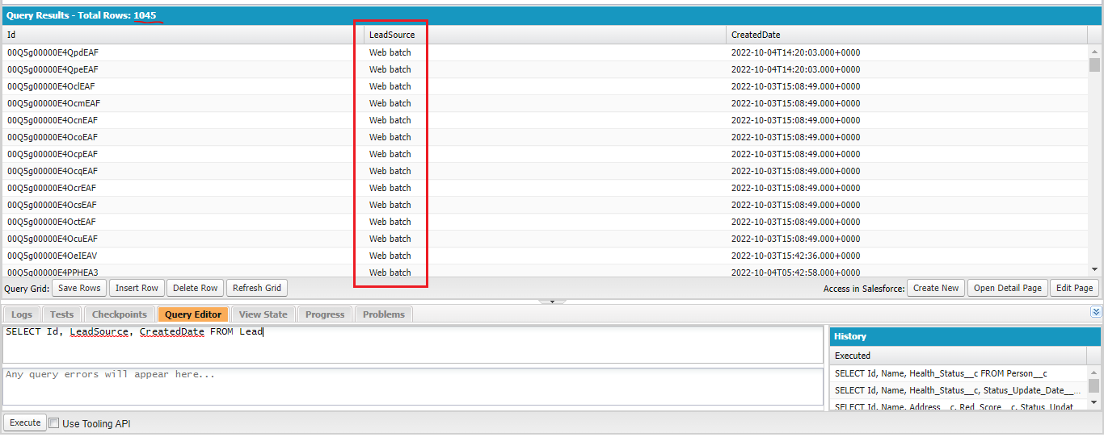

 | ②batch size 2000
 | LeadBatch leadBatchInstance = new LeadBatch();

 | // calling with a batch size 2000
 | Database.executeBatch(leadBatchInstance, 2000);
 | Tổng record có là 1045, batch size được set là 2000 nên chỉ cần 1 execute là thực thi được hết
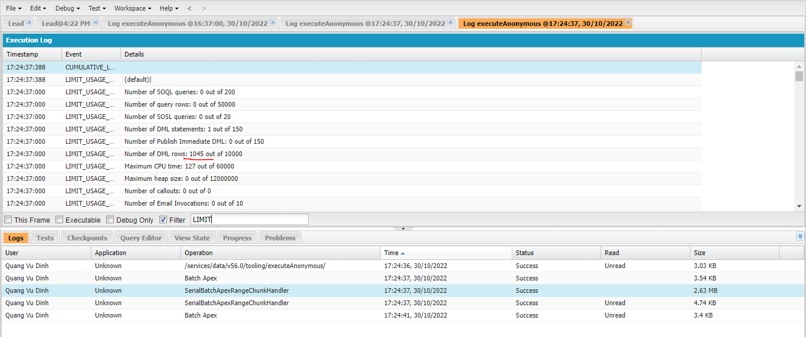

 | ③batch size default is 200
 | LeadBatch leadBatchInstance = new LeadBatch();

 | // calling with a batch size 2000
 | Database.executeBatch(leadBatchInstance);

Queueable Apex
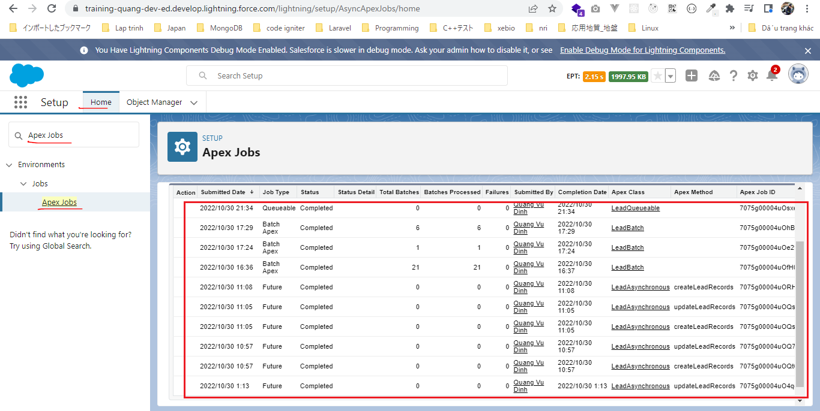
 | Queueable Apex is very similar to the future methods, but it overcomes some of the limitations of future methods
 | Queueable Apex can handle the non-primitive data types so we can directly pass our s-object records in side the Queueable Apex
 | Queueable Apex also allows us to monitor our Apex jobs. So if we define Queueable Apex, then we can track the progress from the setup page
 | Queueable Apex allow us to chain our job, this means we can call another queueable class from a queueable class
 | Prefer using the future methods than Queueable Apex
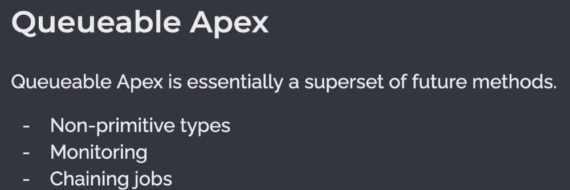

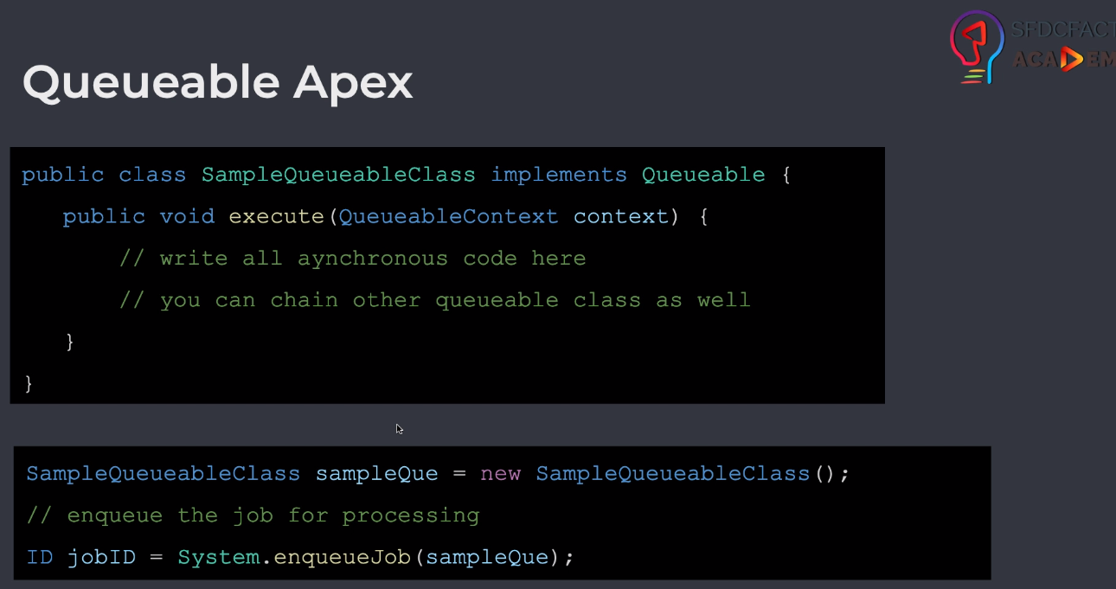

構成
 | salesforce
 |  | 2.Apex-Fundamentals
 |  | 3.Control-Flow-Statements
 |  | 4.Apex-Classes-and-Methods
 |  | 5.Apex-Testing
 |  | 6.Salesforce-Object-Query-Language
 |  | 7.SObject-and-DML
 |  | 8.Exception-Handling
 |  | 9.VS Code-Setup
 |  | 10.Governors-Limits-and-Code-Bulkification
 |  | 11.Advanced-SOQL
 |  | 12.Trigger-overview
 |  | 13.Apex-Testing-Part-2
 |  | 14.Aura-Framework
 |  | 15.Async-Apex
 |  |  | 1.async-future-method
 |  |  |  | dev-console.txt
 |  |  |  | LeadAsynchronous.apxc
 |  |  | 2.async-batch-apex
 |  |  |  | dev-console.txt
 |  |  |  | LeadBatch.apxc
 |  |  | 3.async-queueable-apex |  |  |  |  |  |  | → | new
 |  |  |  | dev-console.txt
 |  |  |  | LeadQueueable.apxc
 |  | Boss-Level-Challenge
 |  |  | contact-tracing
 |  |  |  | force-app
 |  |  |  |  | main
 |  |  |  |  |  | default
 |  |  |  |  |  |  | classes
 |  |  |  |  |  |  |  | AccountContactService.cls
 |  |  |  |  |  |  |  | BoardPanelController.cls
 |  |  |  |  |  |  |  | ContactTriggerHandler.cls
 |  |  |  |  |  |  |  | ContactTriggerHandlerTest.cls
 |  |  |  |  |  |  |  | CTHealthHeaderController.cls
 |  |  |  |  |  |  |  | CTLocationController.cls
 |  |  |  |  |  |  |  | CTLocationTabController.cls
 |  |  |  |  |  |  |  | CTLocationTracingController.cls
 |  |  |  |  |  |  |  | CTLocationTracingTriggerHandler.cls
 |  |  |  |  |  |  |  | CTLocationTriggerHandler.cls
 |  |  |  |  |  |  |  | CTPeopleTracingController.cls
 |  |  |  |  |  |  |  | CTPeopleTracingTriggerHandler.cls
 |  |  |  |  |  |  |  | CTPersonController.cls
 |  |  |  |  |  |  |  | CTPersonTabController.cls
 |  |  |  |  |  |  |  | CTPersonTriggerHandler.cls
 |  |  |  |  |  |  |  | CTPersonViewController.cls
 |  |  |  |  |  |  |  | CTRecentChangesController.cls
 |  |  |  |  |  |  |  | GameResultController.cls
 |  |  |  |  |  |  | aura
 |  |  |  |  |  |  |  | Block
 |  |  |  |  |  |  |  | BlockClickEvent
 |  |  |  |  |  |  |  | Board
 |  |  |  |  |  |  |  | BoardPanel
 |  |  |  |  |  |  |  | CTHealthAdmin
 |  |  |  |  |  |  |  |  | CTHealthAdmin.cmp
 |  |  |  |  |  |  |  |  | CTHealthAdminController.js
 |  |  |  |  |  |  |  | CTHealthHeader
 |  |  |  |  |  |  |  |  | CTHealthHeader.css
 |  |  |  |  |  |  |  |  | CTHealthHeader.cmp
 |  |  |  |  |  |  |  |  | CTHealthHeaderController.js
 |  |  |  |  |  |  |  |  | CTHealthHeaderHelper.js
 |  |  |  |  |  |  |  | CTLocationSelectEvent
 |  |  |  |  |  |  |  |  | CTLocationSelectEvent.evt
 |  |  |  |  |  |  |  | CTLocationTab
 |  |  |  |  |  |  |  |  | CTLocationTab.cmp
 |  |  |  |  |  |  |  |  | CTLocationTab.css
 |  |  |  |  |  |  |  |  | CTLocationTabController.js
 |  |  |  |  |  |  |  |  | CTLocationTabHelper.js
 |  |  |  |  |  |  |  | CTLocationView
 |  |  |  |  |  |  |  |  | CTLocationView.cmp
 |  |  |  |  |  |  |  |  | CTLocationView.css
 |  |  |  |  |  |  |  |  | CTLocationViewController.js
 |  |  |  |  |  |  |  | CTPersonSelectEvent
 |  |  |  |  |  |  |  |  | CTPersonSelectEvent.evt
 |  |  |  |  |  |  |  | CTPersonTab
 |  |  |  |  |  |  |  |  | CTPersonTab.cmp
 |  |  |  |  |  |  |  |  | CTPersonTab.css
 |  |  |  |  |  |  |  |  | CTPersonTabController.js
 |  |  |  |  |  |  |  |  | CTPersonTabHelper.js
 |  |  |  |  |  |  |  | CTPersonView
 |  |  |  |  |  |  |  |  | CTPersonView.cmp
 |  |  |  |  |  |  |  |  | CTPersonView.css
 |  |  |  |  |  |  |  |  | CTPersonViewController.js
 |  |  |  |  |  |  |  | CTRecentChanges
 |  |  |  |  |  |  |  |  | CTRecentChanges.cmp
 |  |  |  |  |  |  |  |  | CTRecentChangesController.js
 |  |  |  |  |  |  |  |  | CTRecentChangesHelper.js
 |  |  |  |  |  |  |  | GameResult
 |  |  |  |  |  |  |  | HelloWorld
 |  |  |  |  |  |  |  | ResultApplicationEvent
 |  |  |  | .prettierrc

salesforce\15.Async-Apex\3.async-queueable-apex\LeadQueueable.apxc
 | public class LeadQueueable implements Queueable{

 | public void execute(QueueableContext context){
 | List<Lead> existingRecords = [SELECT Id, LeadSource FROM Lead];
 | // write async code
 | for(Lead record : existingRecords){
 | record.LeadSource = 'Web Queueable';
 | }
 | update existingRecords;

 | // you can call another queueable class as well
 | }
 | }

salesforce\15.Async-Apex\3.async-queueable-apex\dev-console.txt
 | LeadQueueable leadQueuableInstance = new LeadQueueable();

 | Id jobId = System.enqueueJob(leadQueuableInstance); |  |  |  |  |  |  | → | Batch Apex or Queueable Apex is we can get this id in our code and we can use this id to track the progress using the Apex code which is not possible in future methods
 |  |  |  |  |  |  |  |  | The future methods we only track the progress from Apex Jobs, we can see the results compled or failed

Test

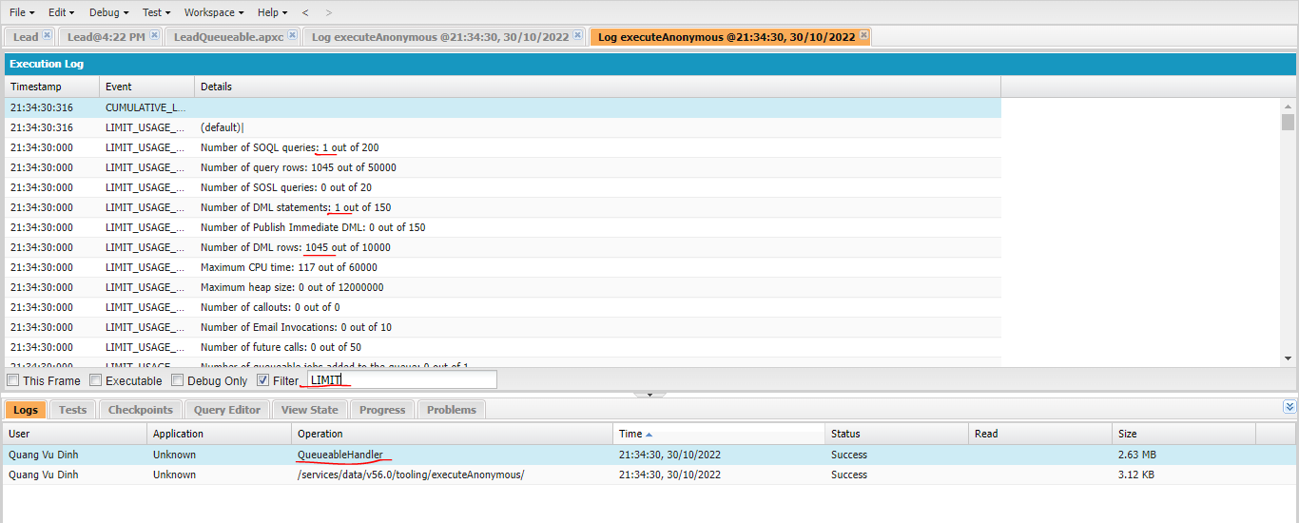

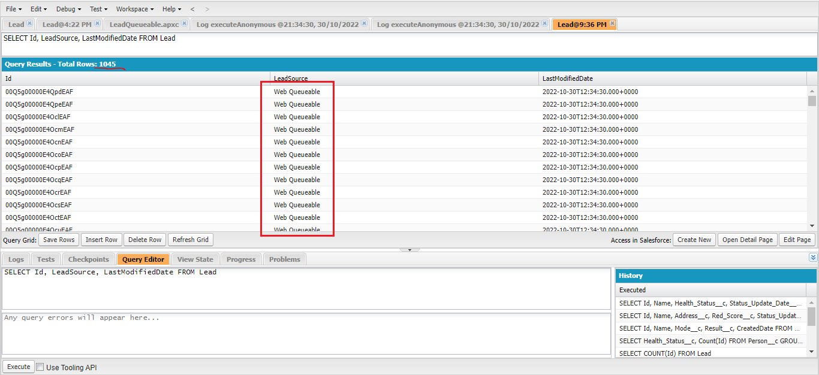

Track the progress of async operations

Scheduled Apex
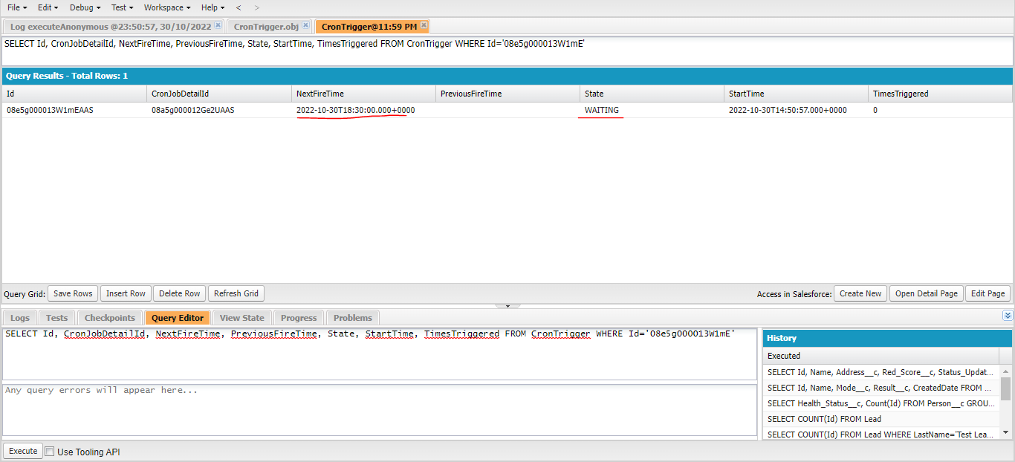
 | Scheduled Apex is something that runs on a particular schedule
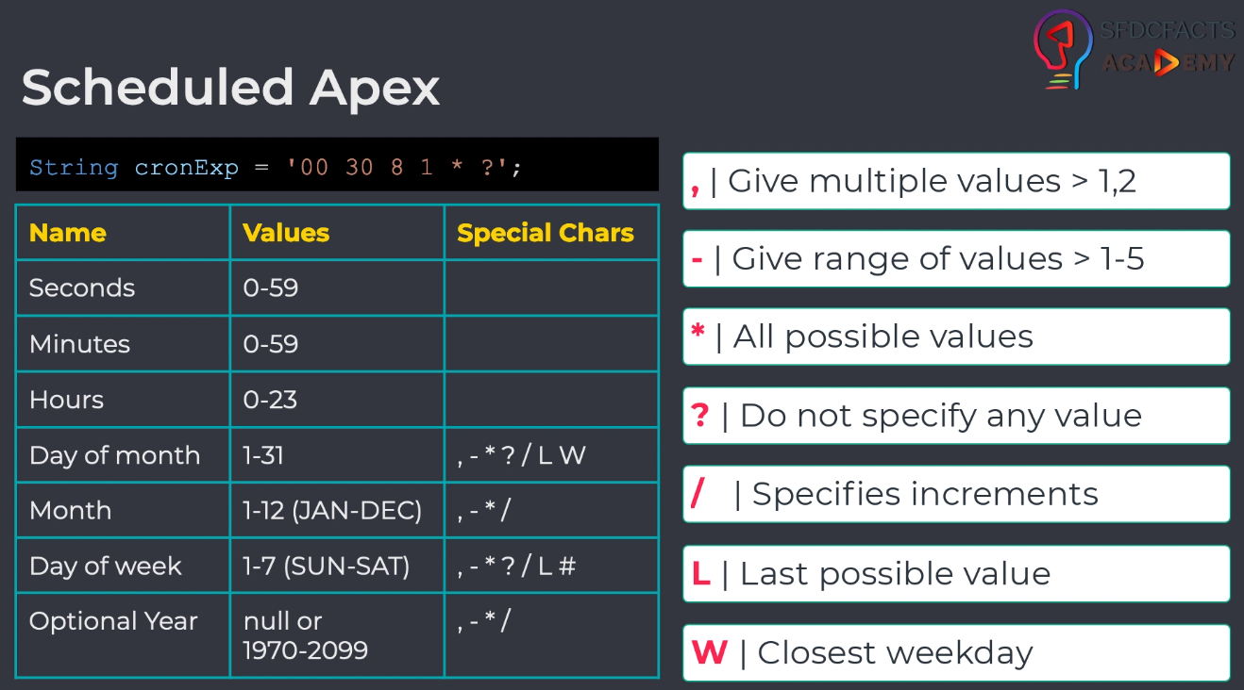

構成
 | salesforce
 |  | 2.Apex-Fundamentals
 |  | 3.Control-Flow-Statements
 |  | 4.Apex-Classes-and-Methods
 |  | 5.Apex-Testing
 |  | 6.Salesforce-Object-Query-Language
 |  | 7.SObject-and-DML
 |  | 8.Exception-Handling
 |  | 9.VS Code-Setup
 |  | 10.Governors-Limits-and-Code-Bulkification
 |  | 11.Advanced-SOQL
 |  | 12.Trigger-overview
 |  | 13.Apex-Testing-Part-2
 |  | 14.Aura-Framework
 |  | 15.Async-Apex
 |  |  | 1.async-future-method
 |  |  |  | dev-console.txt
 |  |  |  | LeadAsynchronous.apxc
 |  |  | 2.async-batch-apex
 |  |  |  | dev-console.txt
 |  |  |  | LeadBatch.apxc
 |  |  | 3.async-queueable-apex
 |  |  |  | dev-console.txt
 |  |  |  | LeadQueueable.apxc
 |  |  | 4.async-schedulable-apex |  |  |  |  |  |  | → | new
 |  |  |  | dev-console.txt
 |  |  |  | LeadSchedulable.apxc
 |  | Boss-Level-Challenge
 |  |  | contact-tracing
 |  |  |  | force-app
 |  |  |  |  | main
 |  |  |  |  |  | default
 |  |  |  |  |  |  | classes
 |  |  |  |  |  |  |  | AccountContactService.cls
 |  |  |  |  |  |  |  | BoardPanelController.cls
 |  |  |  |  |  |  |  | ContactTriggerHandler.cls
 |  |  |  |  |  |  |  | ContactTriggerHandlerTest.cls
 |  |  |  |  |  |  |  | CTHealthHeaderController.cls
 |  |  |  |  |  |  |  | CTLocationController.cls
 |  |  |  |  |  |  |  | CTLocationTabController.cls
 |  |  |  |  |  |  |  | CTLocationTracingController.cls
 |  |  |  |  |  |  |  | CTLocationTracingTriggerHandler.cls
 |  |  |  |  |  |  |  | CTLocationTriggerHandler.cls
 |  |  |  |  |  |  |  | CTPeopleTracingController.cls
 |  |  |  |  |  |  |  | CTPeopleTracingTriggerHandler.cls
 |  |  |  |  |  |  |  | CTPersonController.cls
 |  |  |  |  |  |  |  | CTPersonTabController.cls
 |  |  |  |  |  |  |  | CTPersonTriggerHandler.cls
 |  |  |  |  |  |  |  | CTPersonViewController.cls
 |  |  |  |  |  |  |  | CTRecentChangesController.cls
 |  |  |  |  |  |  |  | GameResultController.cls
 |  |  |  |  |  |  | aura
 |  |  |  |  |  |  |  | Block
 |  |  |  |  |  |  |  | BlockClickEvent
 |  |  |  |  |  |  |  | Board
 |  |  |  |  |  |  |  | BoardPanel
 |  |  |  |  |  |  |  | CTHealthAdmin
 |  |  |  |  |  |  |  |  | CTHealthAdmin.cmp
 |  |  |  |  |  |  |  |  | CTHealthAdminController.js
 |  |  |  |  |  |  |  | CTHealthHeader
 |  |  |  |  |  |  |  |  | CTHealthHeader.css
 |  |  |  |  |  |  |  |  | CTHealthHeader.cmp
 |  |  |  |  |  |  |  |  | CTHealthHeaderController.js
 |  |  |  |  |  |  |  |  | CTHealthHeaderHelper.js
 |  |  |  |  |  |  |  | CTLocationSelectEvent
 |  |  |  |  |  |  |  |  | CTLocationSelectEvent.evt
 |  |  |  |  |  |  |  | CTLocationTab
 |  |  |  |  |  |  |  |  | CTLocationTab.cmp
 |  |  |  |  |  |  |  |  | CTLocationTab.css
 |  |  |  |  |  |  |  |  | CTLocationTabController.js
 |  |  |  |  |  |  |  |  | CTLocationTabHelper.js
 |  |  |  |  |  |  |  | CTLocationView
 |  |  |  |  |  |  |  |  | CTLocationView.cmp
 |  |  |  |  |  |  |  |  | CTLocationView.css
 |  |  |  |  |  |  |  |  | CTLocationViewController.js
 |  |  |  |  |  |  |  | CTPersonSelectEvent
 |  |  |  |  |  |  |  |  | CTPersonSelectEvent.evt
 |  |  |  |  |  |  |  | CTPersonTab
 |  |  |  |  |  |  |  |  | CTPersonTab.cmp
 |  |  |  |  |  |  |  |  | CTPersonTab.css
 |  |  |  |  |  |  |  |  | CTPersonTabController.js
 |  |  |  |  |  |  |  |  | CTPersonTabHelper.js
 |  |  |  |  |  |  |  | CTPersonView
 |  |  |  |  |  |  |  |  | CTPersonView.cmp
 |  |  |  |  |  |  |  |  | CTPersonView.css
 |  |  |  |  |  |  |  |  | CTPersonViewController.js
 |  |  |  |  |  |  |  | CTRecentChanges
 |  |  |  |  |  |  |  |  | CTRecentChanges.cmp
 |  |  |  |  |  |  |  |  | CTRecentChangesController.js
 |  |  |  |  |  |  |  |  | CTRecentChangesHelper.js
 |  |  |  |  |  |  |  | GameResult
 |  |  |  |  |  |  |  | HelloWorld
 |  |  |  |  |  |  |  | ResultApplicationEvent
 |  |  |  | .prettierrc

salesforce\15.Async-Apex\4.async-schedulable-apex\LeadSchedulable.apxc
 | public class LeadSchedulable implements Schedulable{

 | public void execute(SchedulableContext sc){
 | // write your code here
 | List<Lead> existingRecords = [SELECT Id, LeadSource FROM Lead];
 | // write async code
 | for(Lead record : existingRecords){
 | record.LeadSource = 'Web Scheduled';
 | }
 | update existingRecords;
 | }
 | }

salesforce\15.Async-Apex\4.async-schedulable-apex\dev-console.txt
 | LeadSchedulable leadSchedulableInstance = new LeadSchedulable();

 | String cronExp = '00 30 3 ? * MON';

 | String jobId = System.schedule('Sample Job', cronExp, leadSchedulableInstance);
 | system.debug('Job id:'+ jobId);

Test

 | Job id: 08e5g000013W1mE
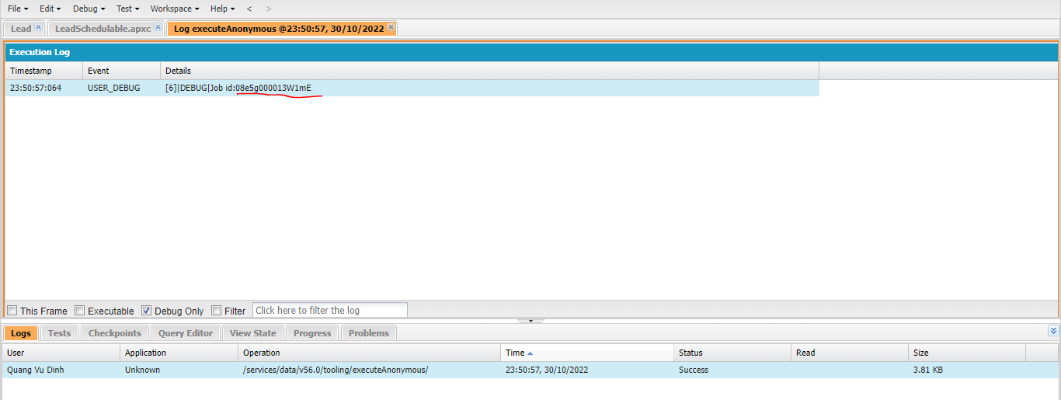

Scheduled Jobs
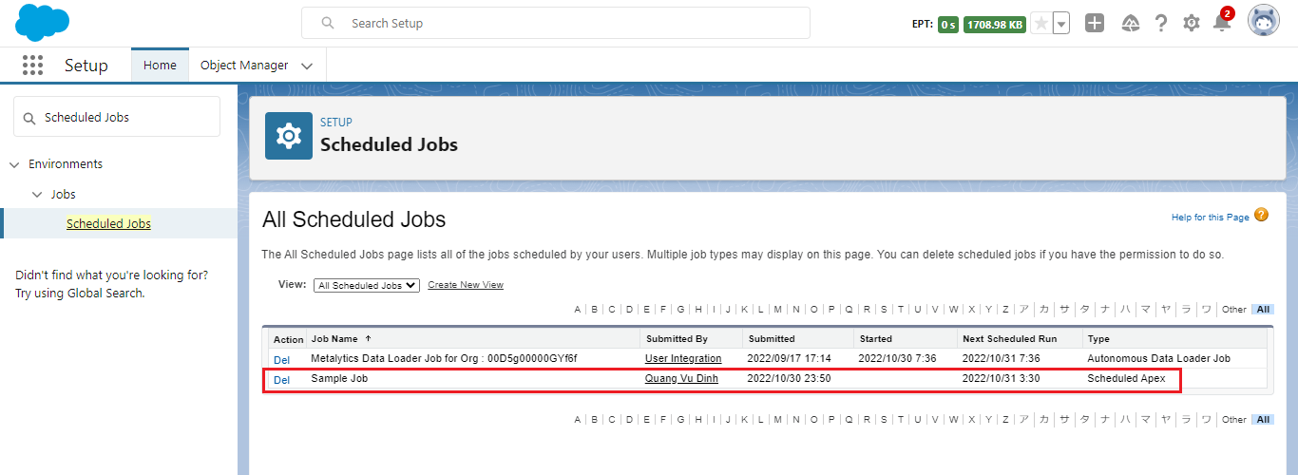

Use job id to track the progress by run SOQL query
 | SELECT Id, CronJobDetailId, NextFireTime, PreviousFireTime, State, StartTime, TimesTriggered FROM CronTrigger WHERE Id='08e5g000013W1mE'

