Salesforce Objects and Fields
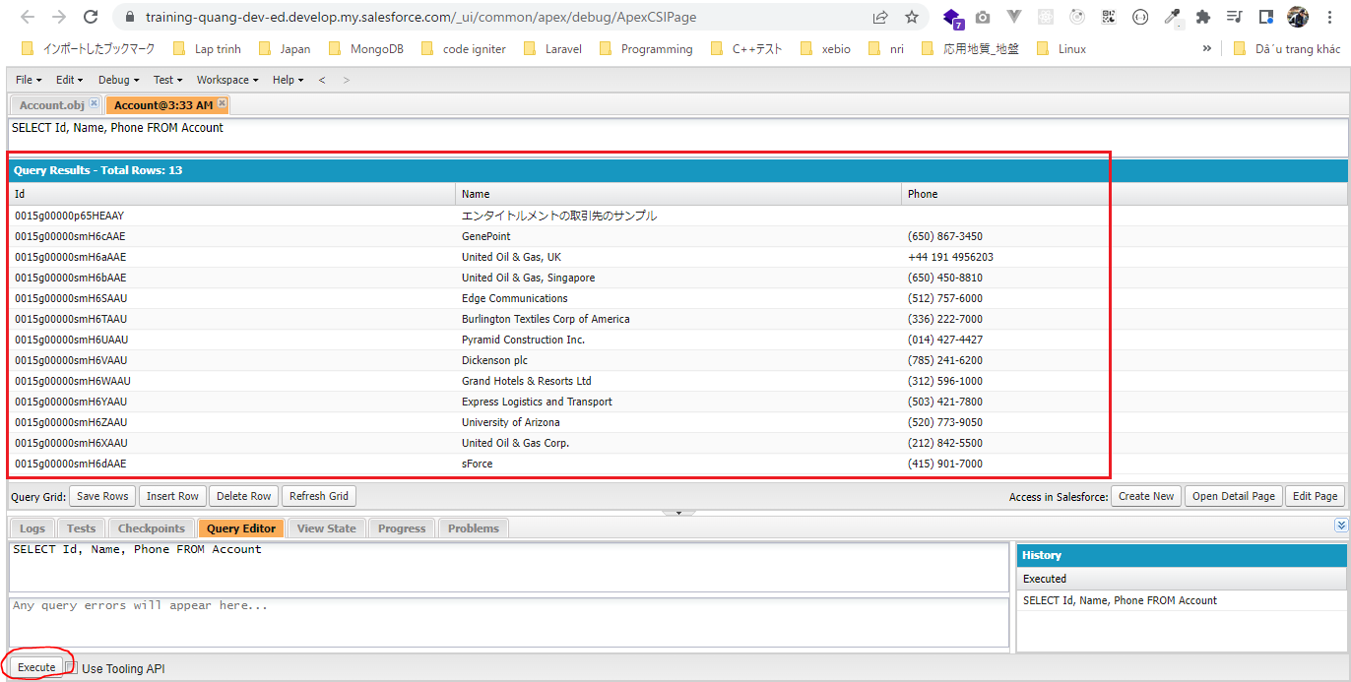
Accounts table
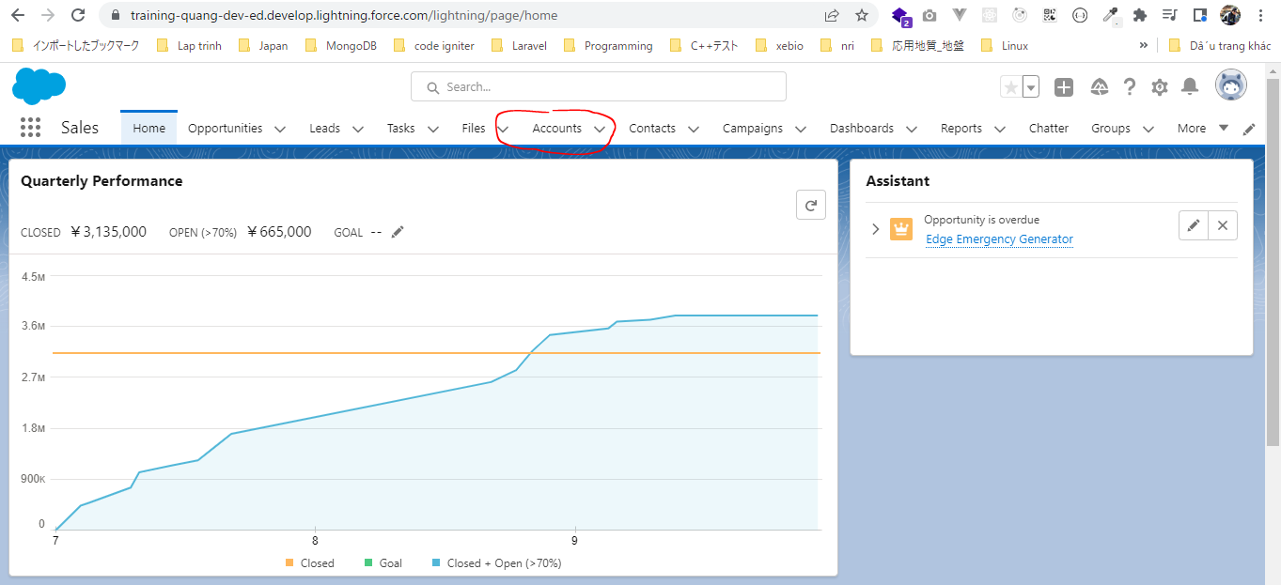

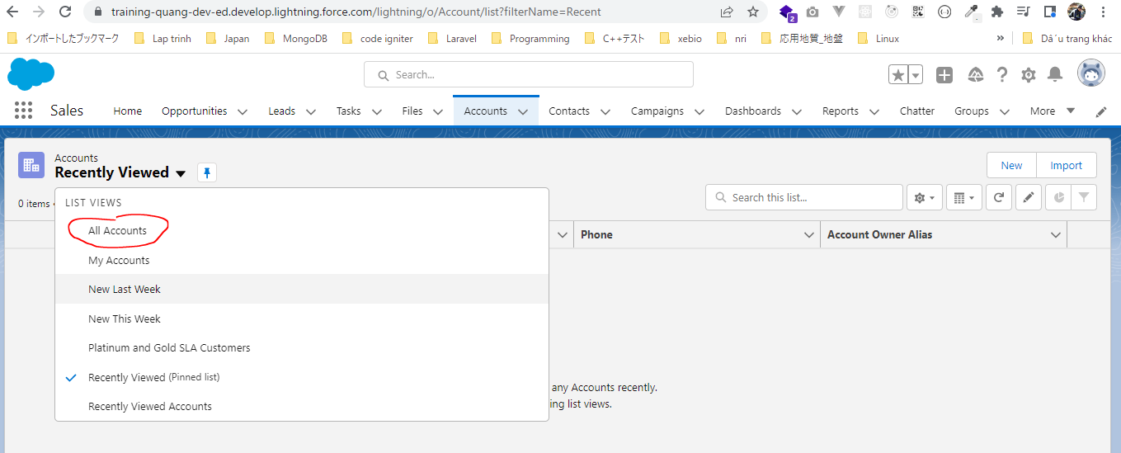

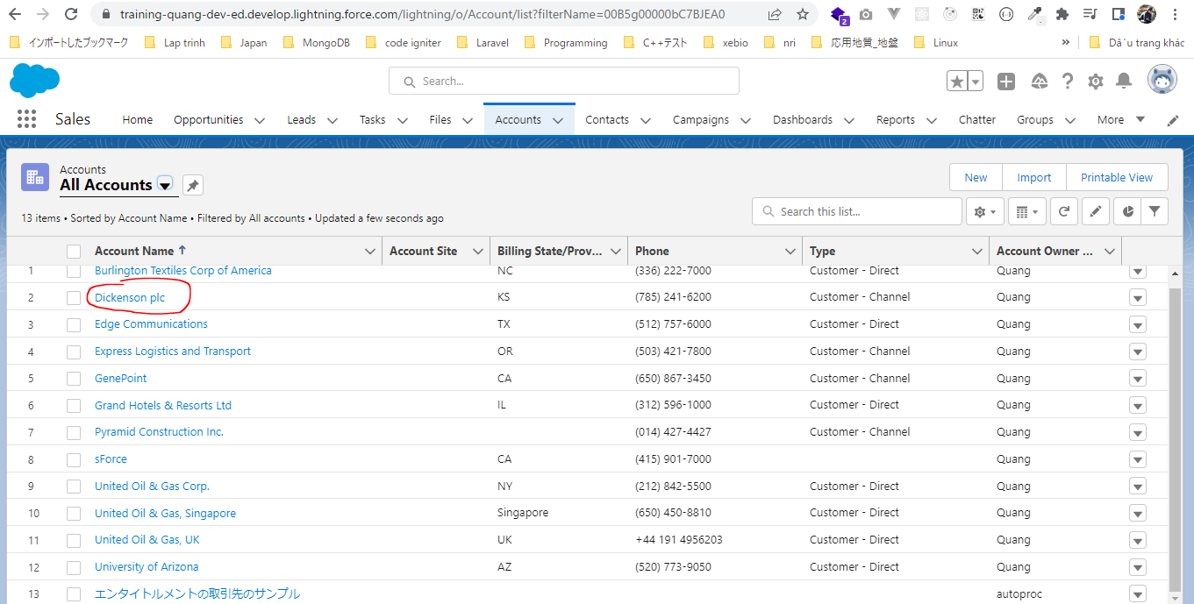

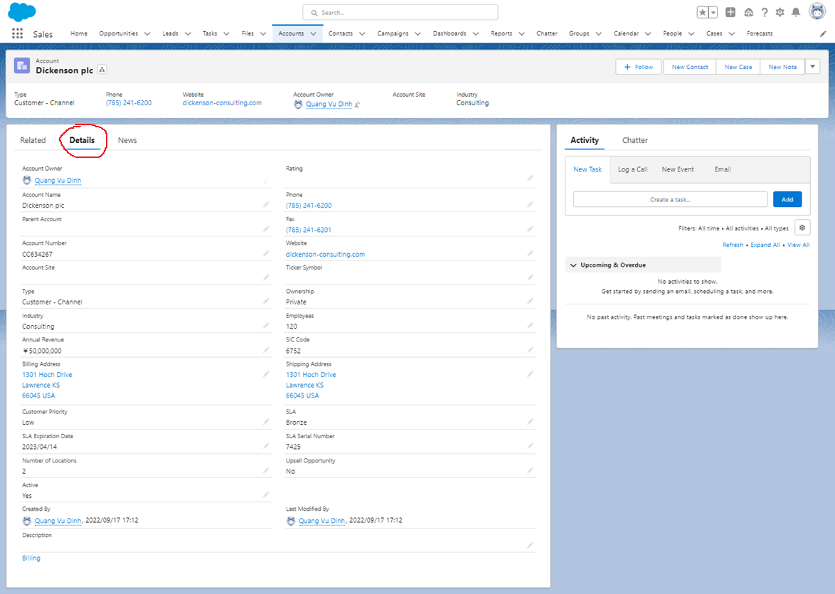

Accounts object
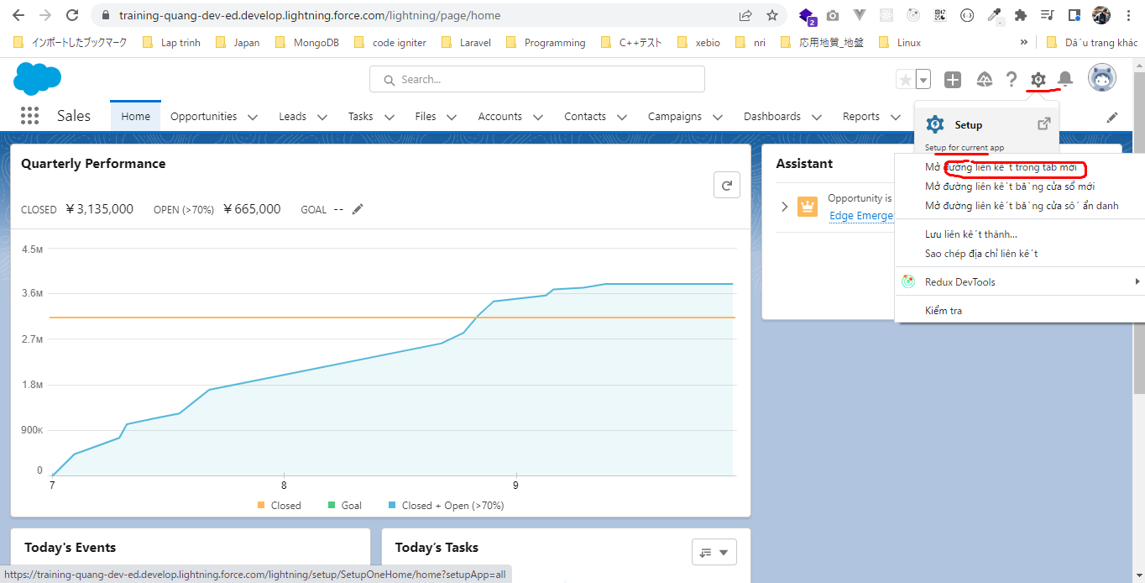

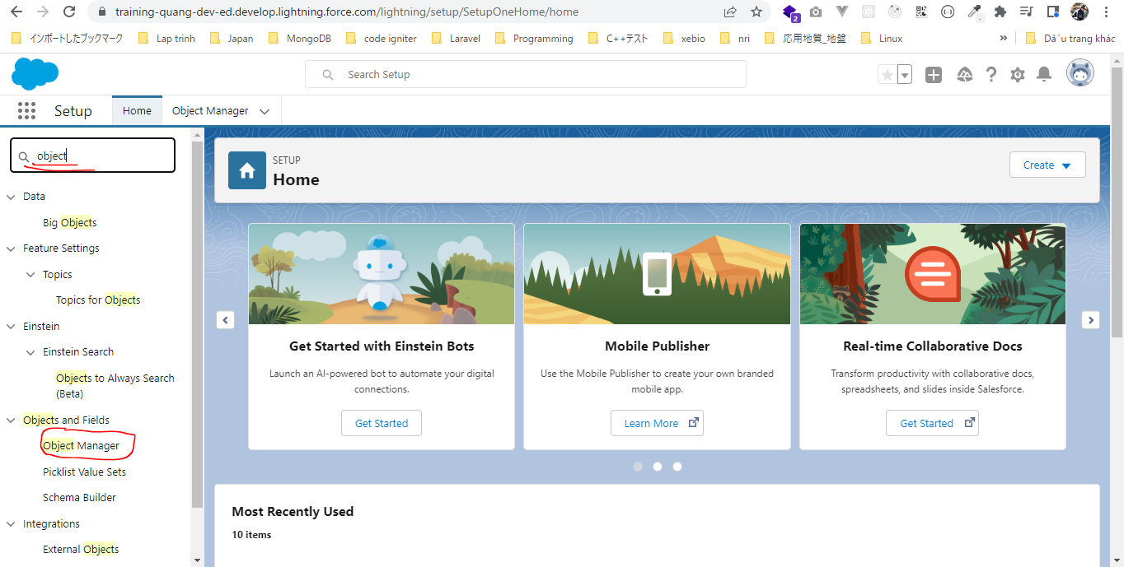

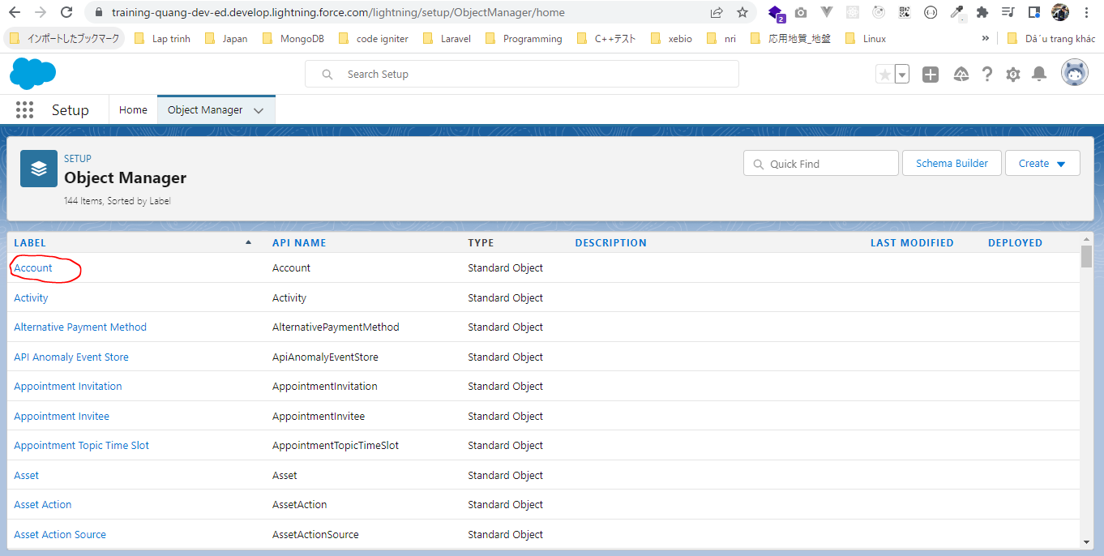

Ta cũng có các field tương ứng
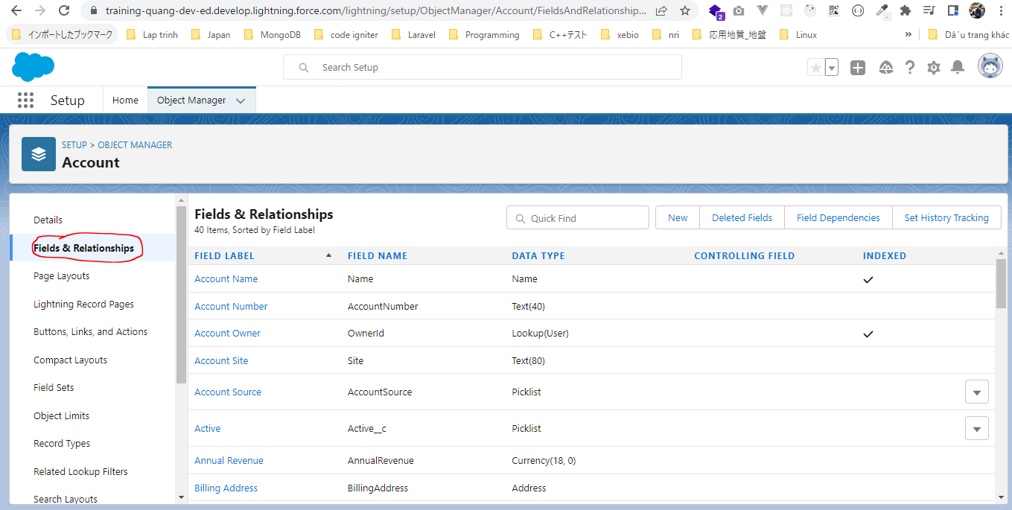

Salesforce Object Query Language
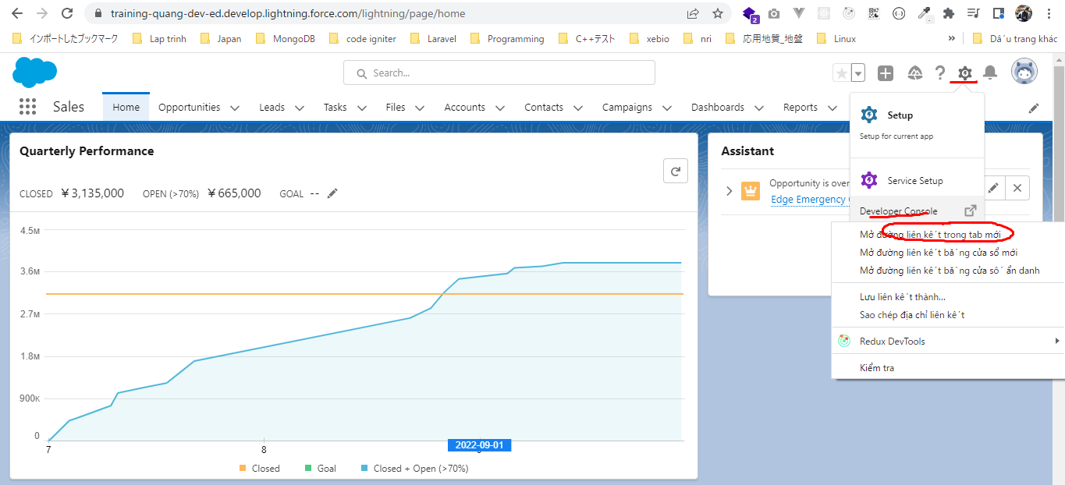

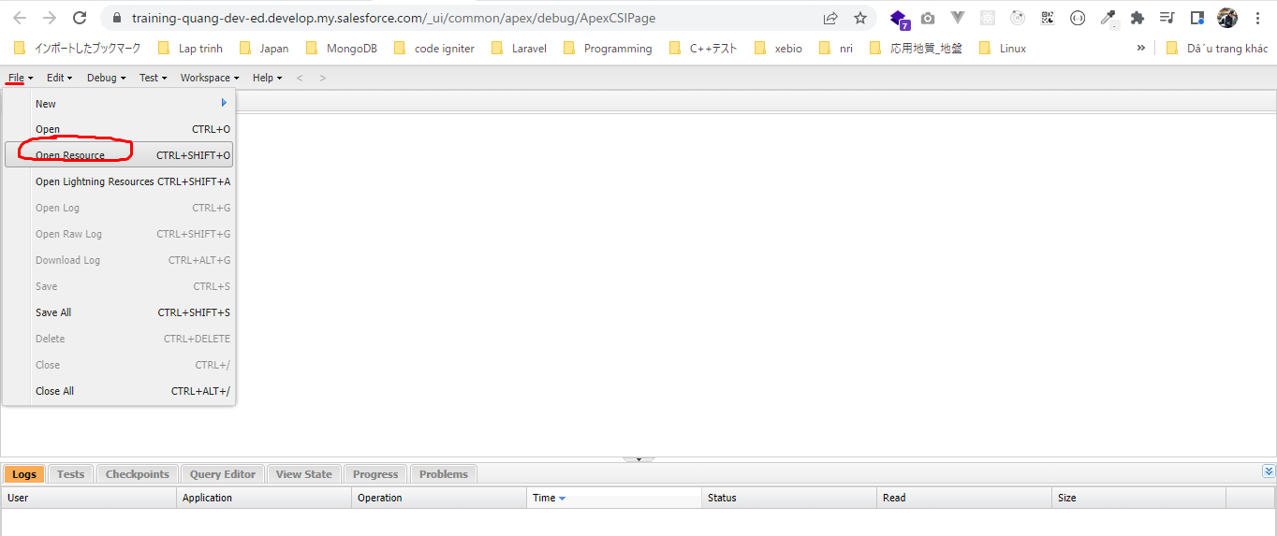

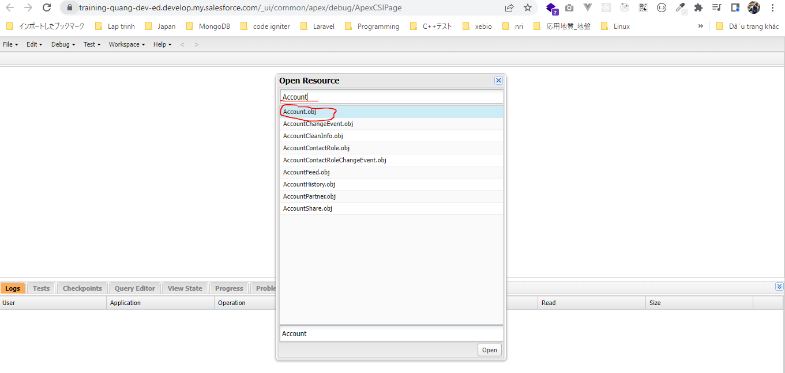

Nhấn Ctrl rồi chọn Name và Phone rồi nhấn Query lần 1. Sau khi nhấn Query lần đầu tiên thì Query Editor được mở ra, nhấn Query lần nữa thì ta được câu query
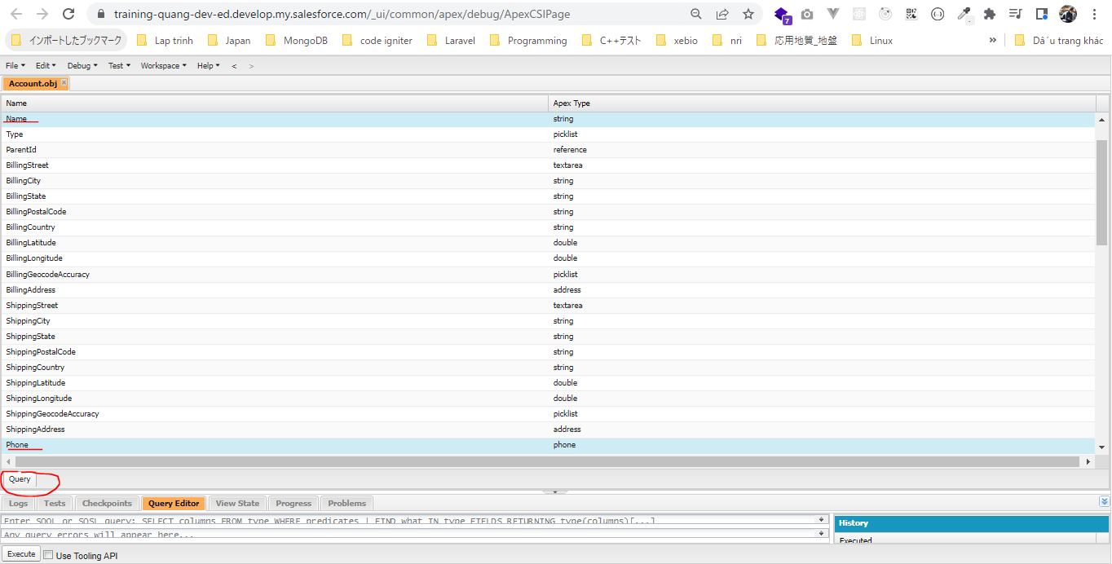

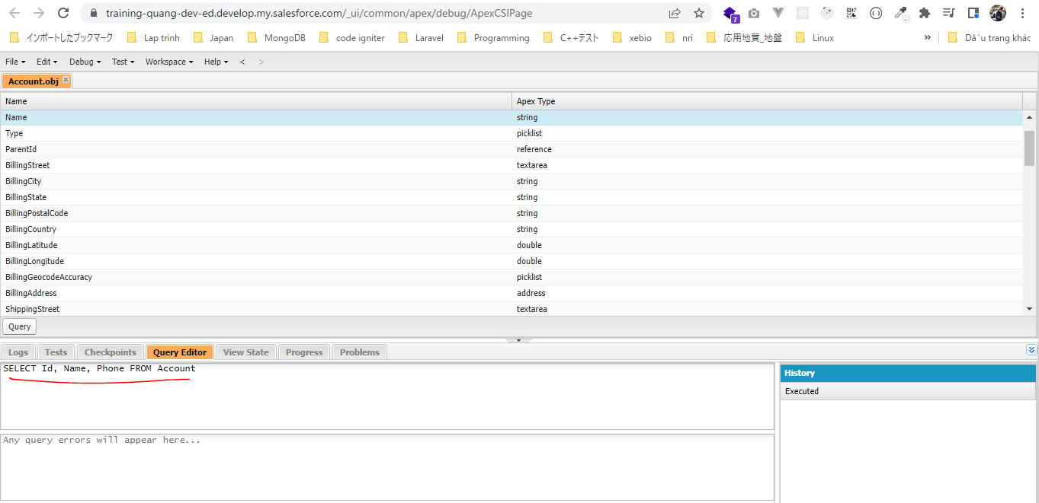

Nhấn Execute ta được kết quả. Cũng thu được 13 kết quả

Understand SOQL
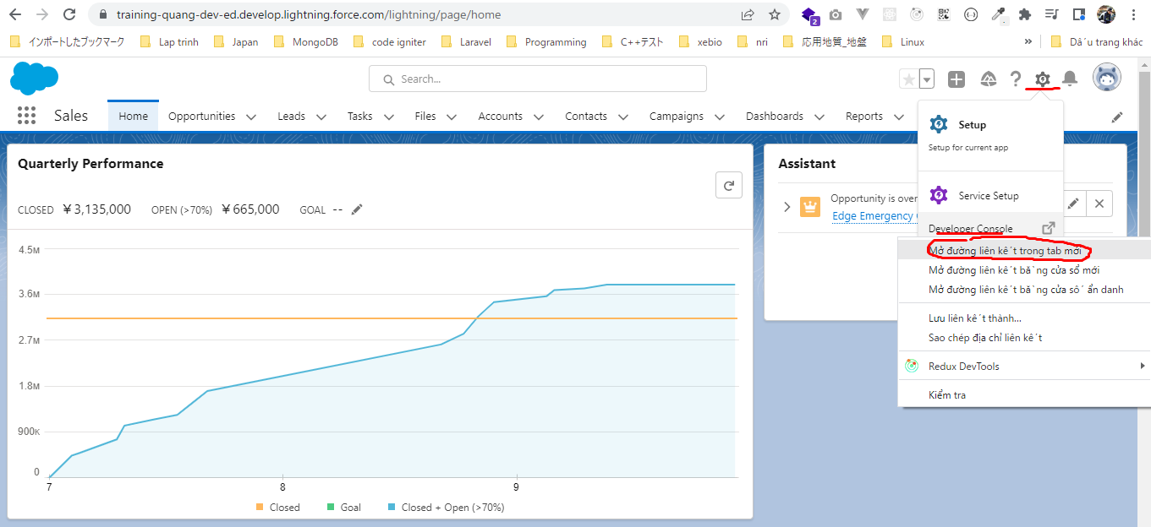
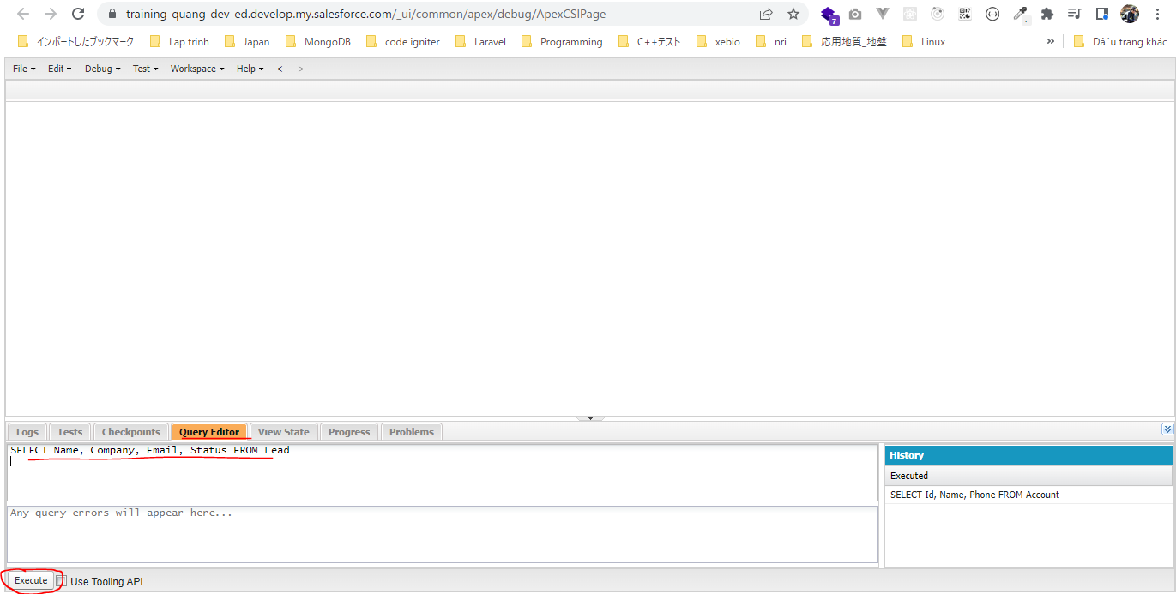
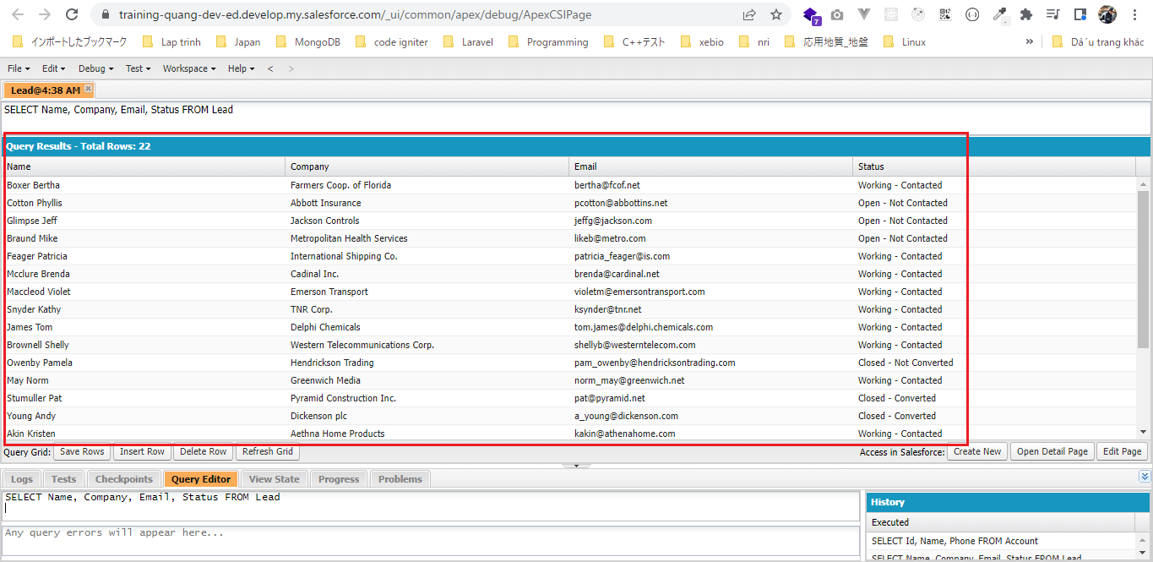
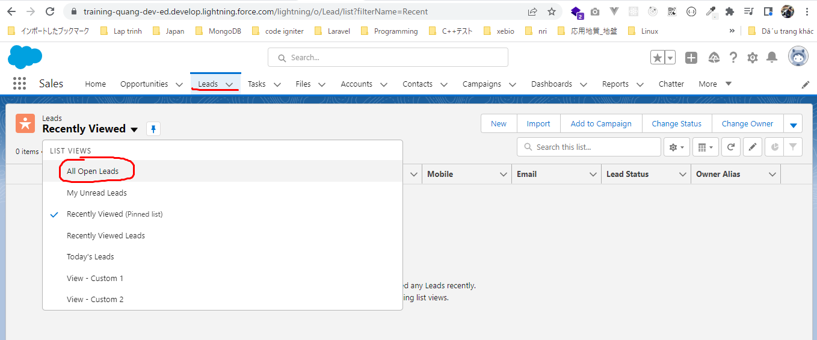
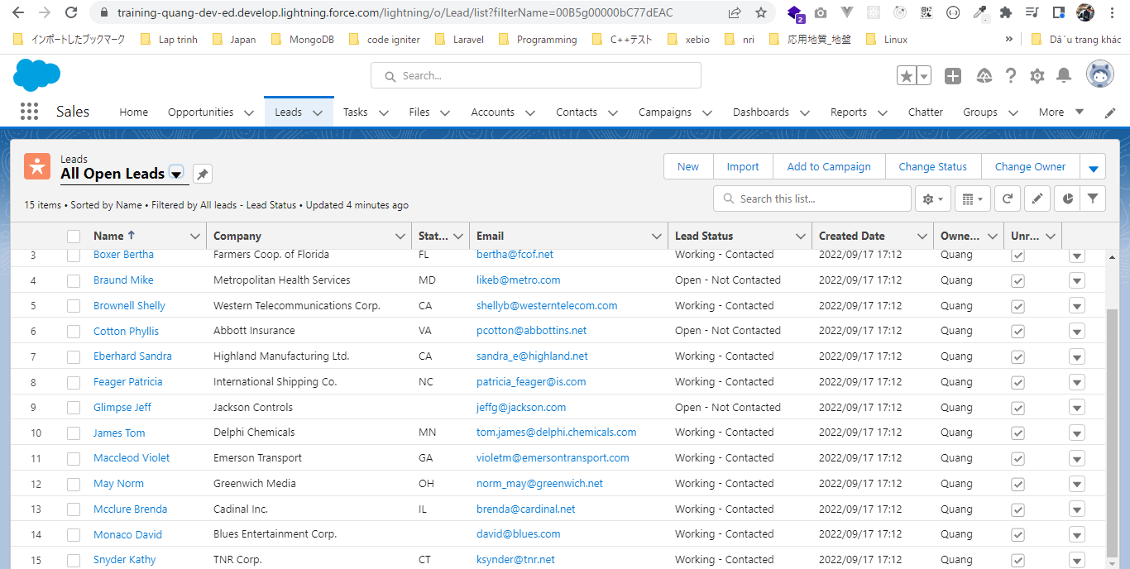
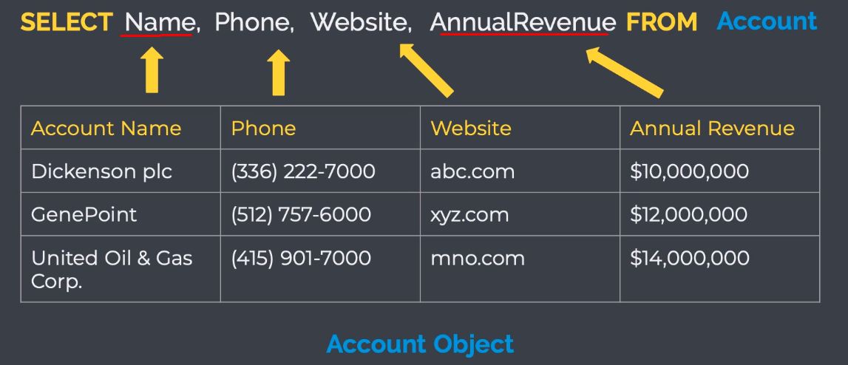

 | 'Account Name' và 'Annual Revenue' là label
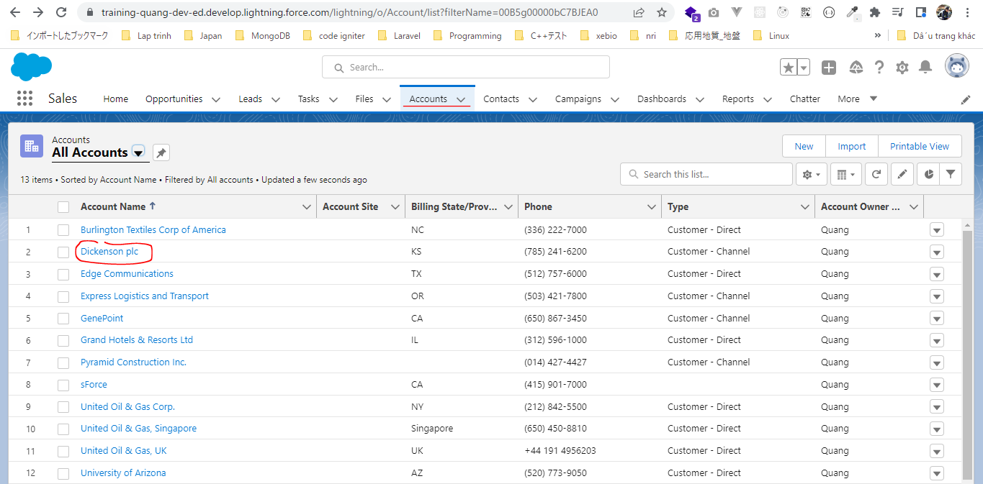

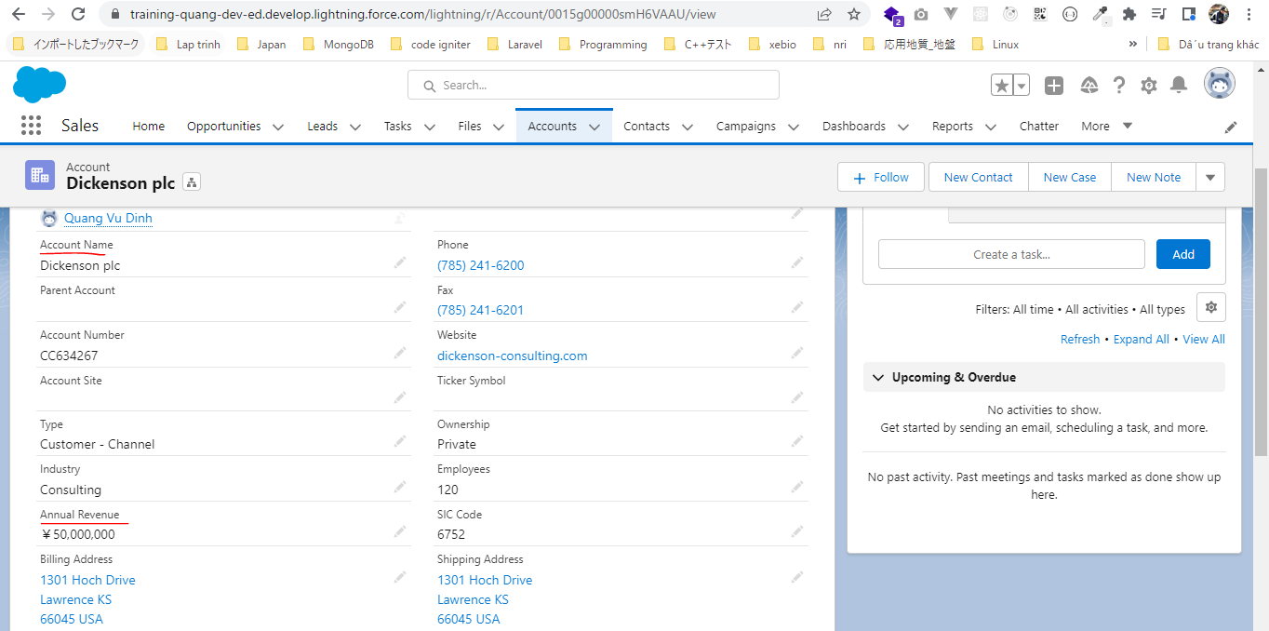

 | Salesforce setup
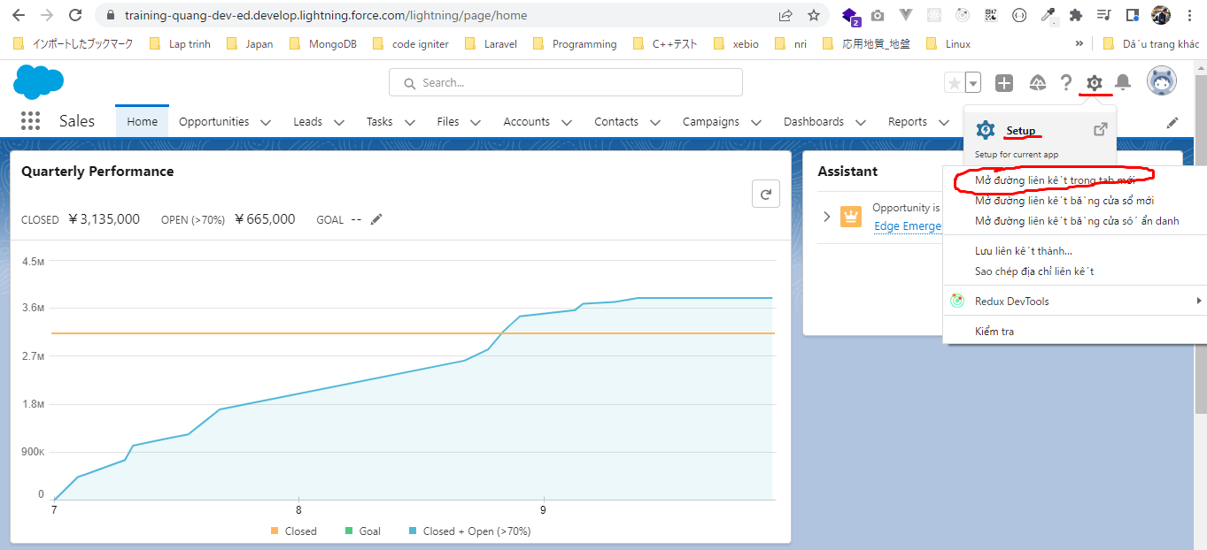

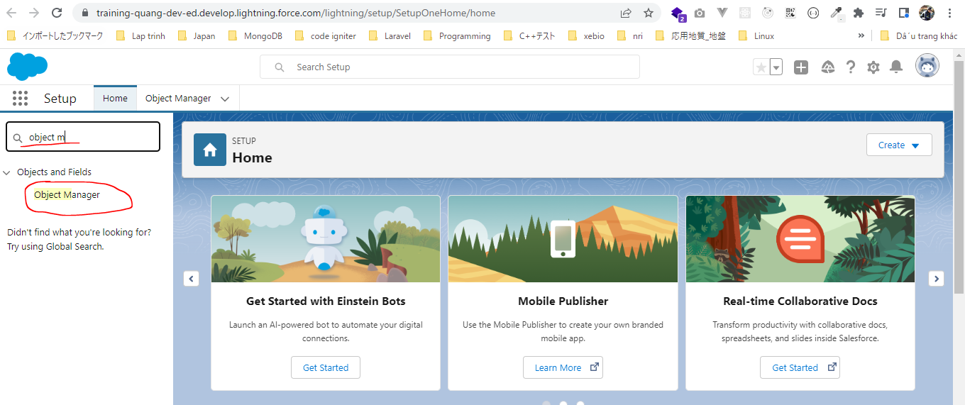

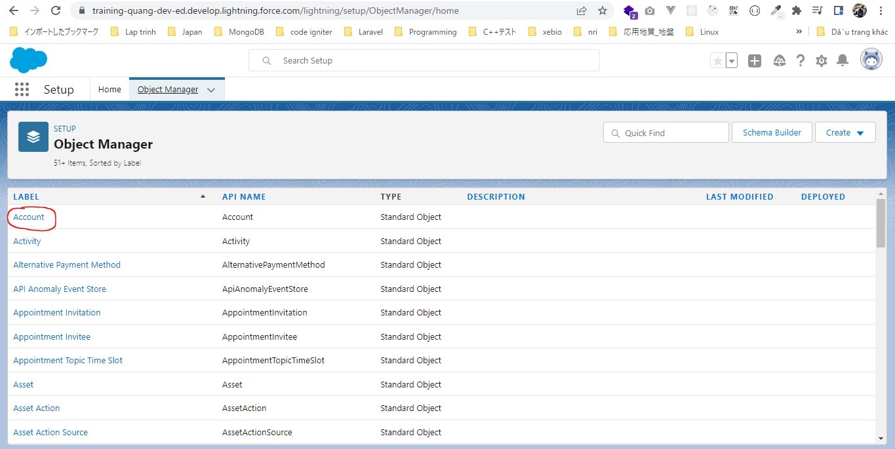

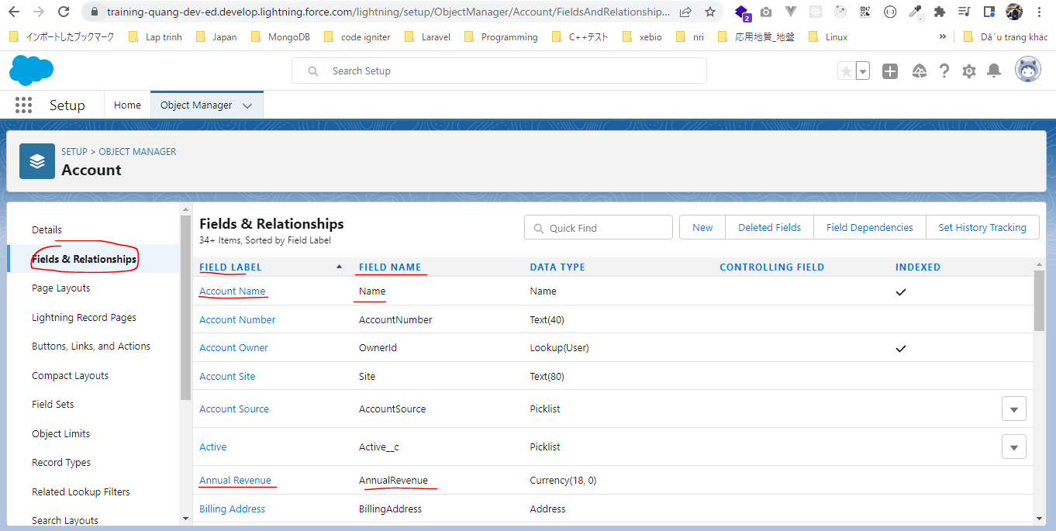

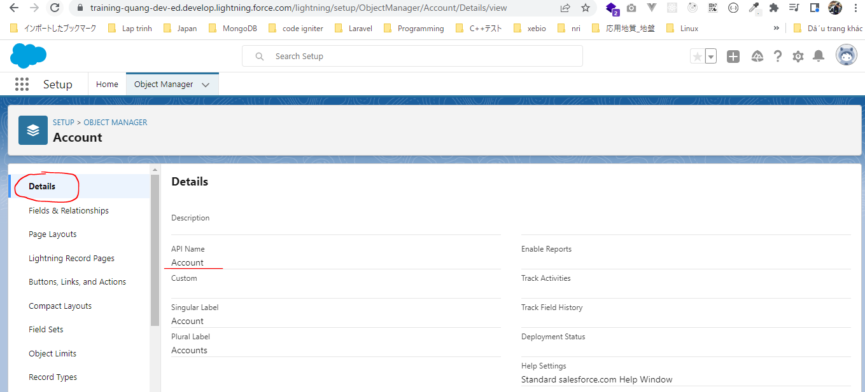

構成
 | salesforce
 |  | 2.Apex-Fundamentals
 |  | 3.Control-Flow-Statements
 |  | 4.Apex-Classes-and-Methods
 |  | 5.Apex-Testing
 |  | 6.Salesforce-Object-Query-Language |  |  | → | new
 |  |  | 1.understand-soql |  | → | new
 |  |  |  | queries.txt | → | new

salesforce\6.Salesforce-Object-Query-Language\1.understand-soql\queries.txt
 | SELECT Name, Company, Email, Status FROM Lead

WHERE ClauseAND and OR Operator
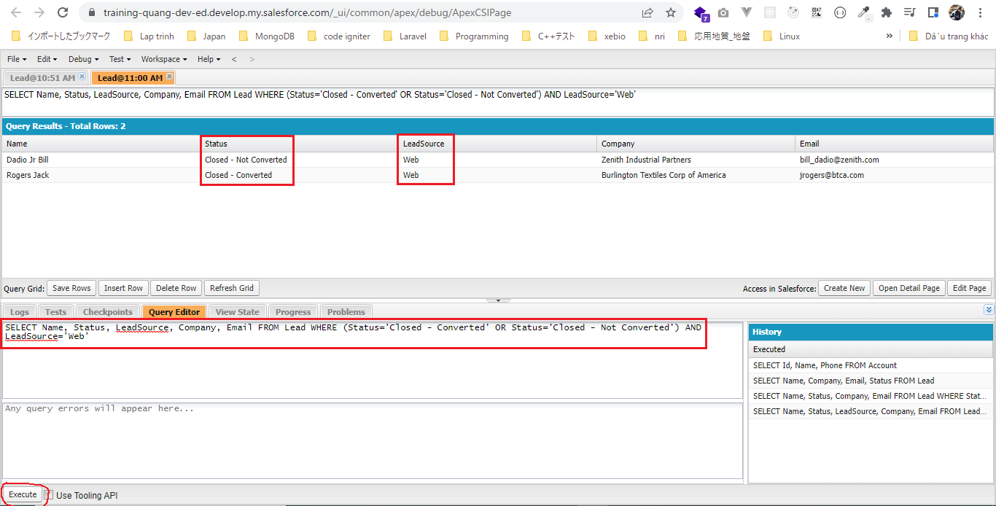
構成
 | salesforce
 |  | 2.Apex-Fundamentals
 |  | 3.Control-Flow-Statements
 |  | 4.Apex-Classes-and-Methods
 |  | 5.Apex-Testing
 |  | 6.Salesforce-Object-Query-Language
 |  |  | 1.understand-soql
 |  |  |  | queries.txt
 |  |  | 2.soql-where-clause |  | → | new
 |  |  |  | queries.txt | → | new

salesforce\6.Salesforce-Object-Query-Language\2.soql-where-clause\queries.txt
 | // OR Keyword
 | SELECT Name, Status, Company, Email FROM Lead WHERE Status='Closed - Converted' OR Status='Closed - Not Converted'

 | // OR and AND Keyword
 | SELECT Name, Status, LeadSource, Company, Email FROM Lead WHERE (Status='Closed - Converted' OR Status='Closed - Not Converted') AND LeadSource='Web'

 | SELECT Name, Status, Company, Email FROM Lead WHERE Status='Closed - Converted' OR Status='Closed - Not Converted'
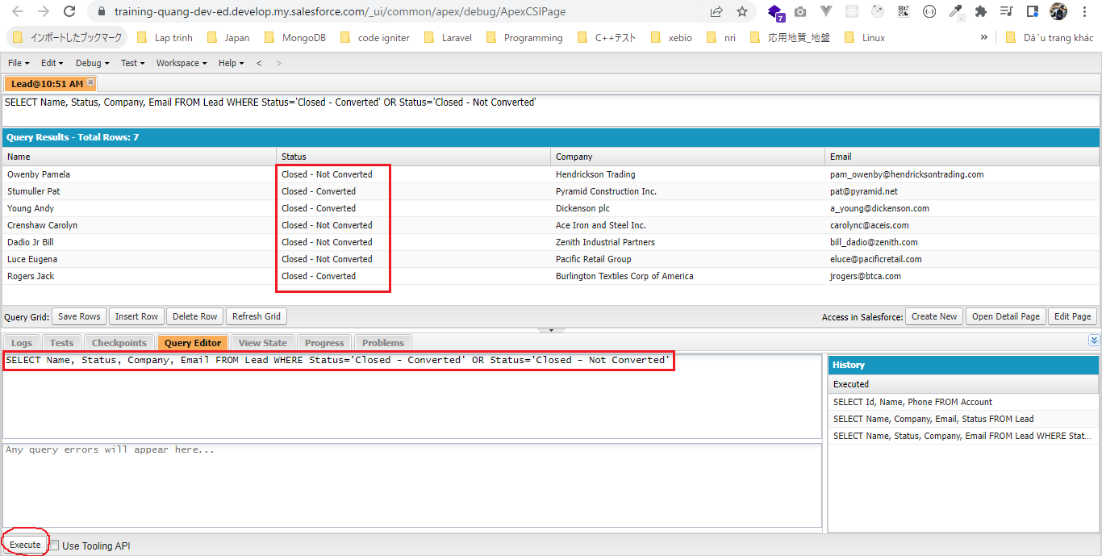

 | SELECT Name, Status, LeadSource, Company, Email FROM Lead WHERE (Status='Closed - Converted' OR Status='Closed - Not Converted') AND LeadSource='Web'

IN and LIKE Operators
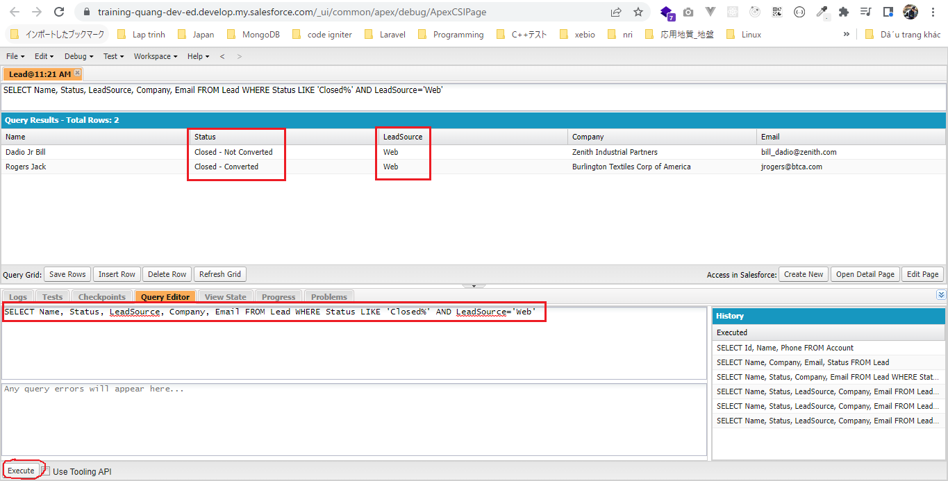
構成
 | salesforce
 |  | 2.Apex-Fundamentals
 |  | 3.Control-Flow-Statements
 |  | 4.Apex-Classes-and-Methods
 |  | 5.Apex-Testing
 |  | 6.Salesforce-Object-Query-Language
 |  |  | 1.understand-soql
 |  |  |  | queries.txt
 |  |  | 2.soql-where-clause
 |  |  |  | queries.txt
 |  |  | 3.soql-in-and-like-operator |  | → | new
 |  |  |  | queries.txt | → | new

salesforce\6.Salesforce-Object-Query-Language\3.soql-in-and-like-operator\queries.txt
 | // IN Operator
 | SELECT Name, Status, LeadSource, Company, Email FROM Lead WHERE Status IN ('Closed - Converted', 'Closed - Not Converted') AND LeadSource='Web' |  |  |  |  |  | = | SELECT Name, Status, LeadSource, Company, Email FROM Lead WHERE (Status='Closed - Converted' OR Status='Closed - Not Converted') AND LeadSource='Web'

 | // LIKE Operator
 | SELECT Name, Status, LeadSource, Company, Email FROM Lead WHERE Status LIKE 'Closed%' AND LeadSource='Web'

 | SELECT Name, Status, LeadSource, Company, Email FROM Lead WHERE Status IN ('Closed - Converted', 'Closed - Not Converted') AND LeadSource='Web'
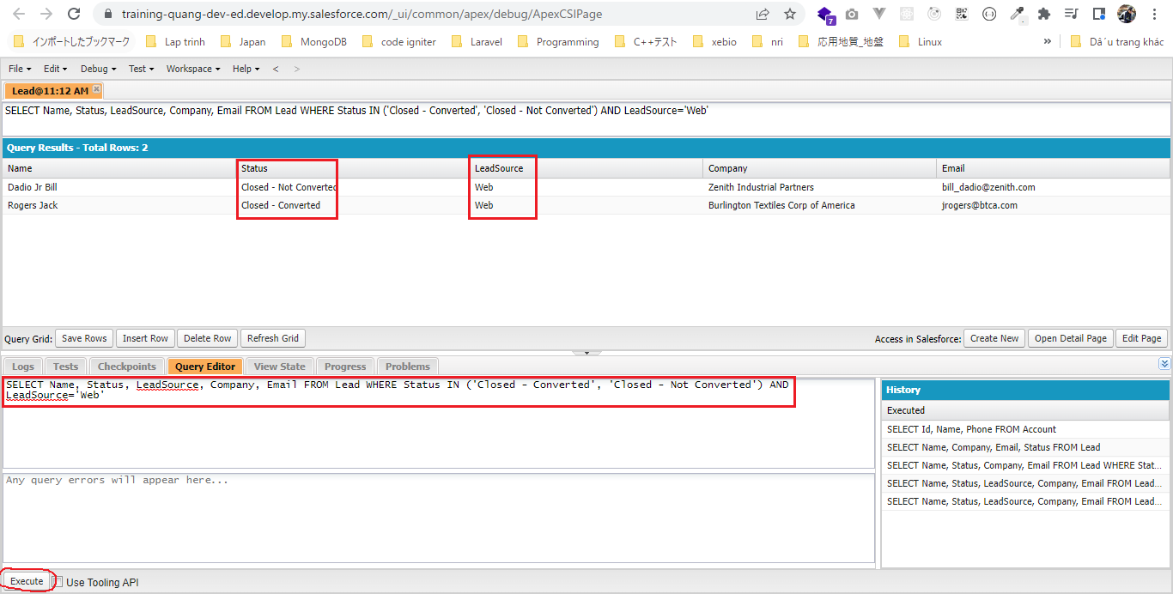

 | SELECT Name, Status, LeadSource, Company, Email FROM Lead WHERE Status LIKE 'Closed%' AND LeadSource='Web'

