Governor Limits Overview
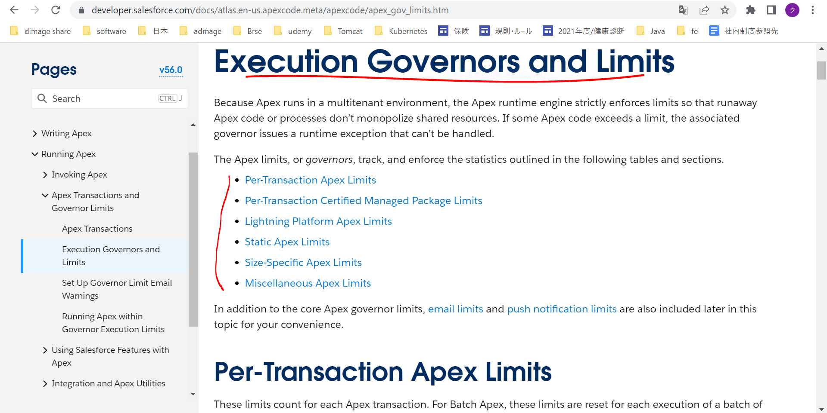
Execution Governors and Limits
 | https://developer.salesforce.com/docs/atlas.en-us.apexcode.meta/apexcode/apex_gov_limits.htm

