Aggregate Functions
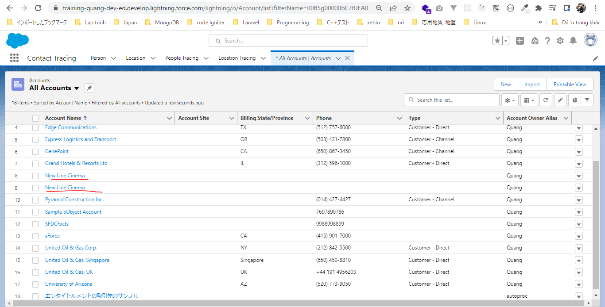
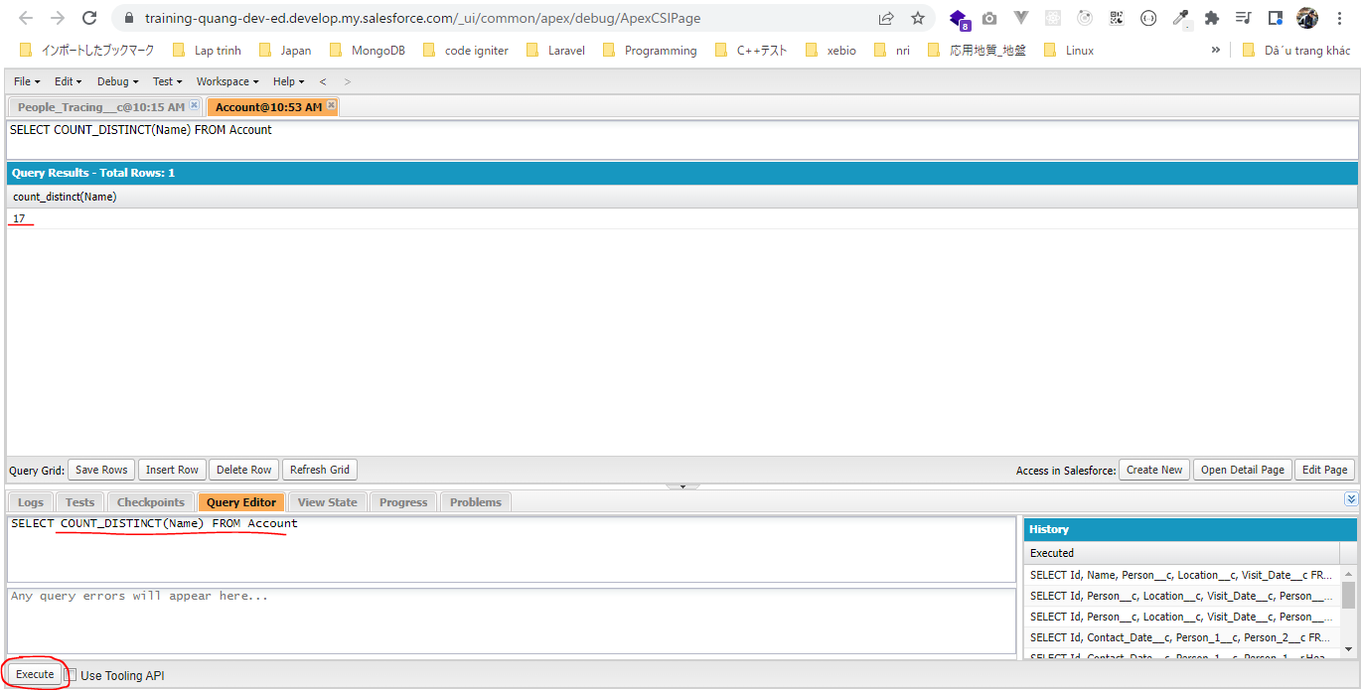
構成
 | salesforce
 |  | 2.Apex-Fundamentals
 |  | 3.Control-Flow-Statements
 |  | 4.Apex-Classes-and-Methods
 |  | 5.Apex-Testing
 |  | 6.Salesforce-Object-Query-Language
 |  | 7.SObject-and-DML
 |  | 8.Exception-Handling
 |  | 9.VS Code-Setup
 |  | 10.Governors-Limits-and-Code-Bulkification
 |  | 11.Advanced-SOQL |  |  | → | new
 |  |  | 1.soql-aggregate-functions |  | → | new
 |  |  |  | queries.txt | → | new
 |  | Boss-Level-Challenge

salesforce\11.Advanced-SOQL\1.soql-aggregate-functions\queries.txt
 | // get count of account
 | SELECT COUNT() FROM Account

 | // get count of ids in Account
 | SELECT COUNT(Id) FROM Account

 | // get count of distinct names in Account
 | SELECT COUNT_DISTINCT(Name) FROM Account

 | // multiple functions
 | SELECT COUNT_DISTINCT(Name), COUNT(Id) FROM Account

 | // Sum of amount in Opportunity
 | SELECT SUM(Amount) FROM Opportunity

 | // Max of amount in Opportunity
 | SELECT MAX(Amount) FROM Opportunity

 | // Min of amount in Opportunity
 | SELECT MIN(Amount) FROM Opportunity

 | // Avg of amount in Opportunity
 | SELECT AVG(Amount) FROM Opportunity

 | // Multiple functions
 | SELECT SUM(Amount), MAX(Amount), MIN(Amount), AVG(Amount) FROM Opportunity

①get count of account
SELECT COUNT() FROM Account
 | Chỉ tra về kết quả là 18 rows, và không có bất cứ column nào trong field result
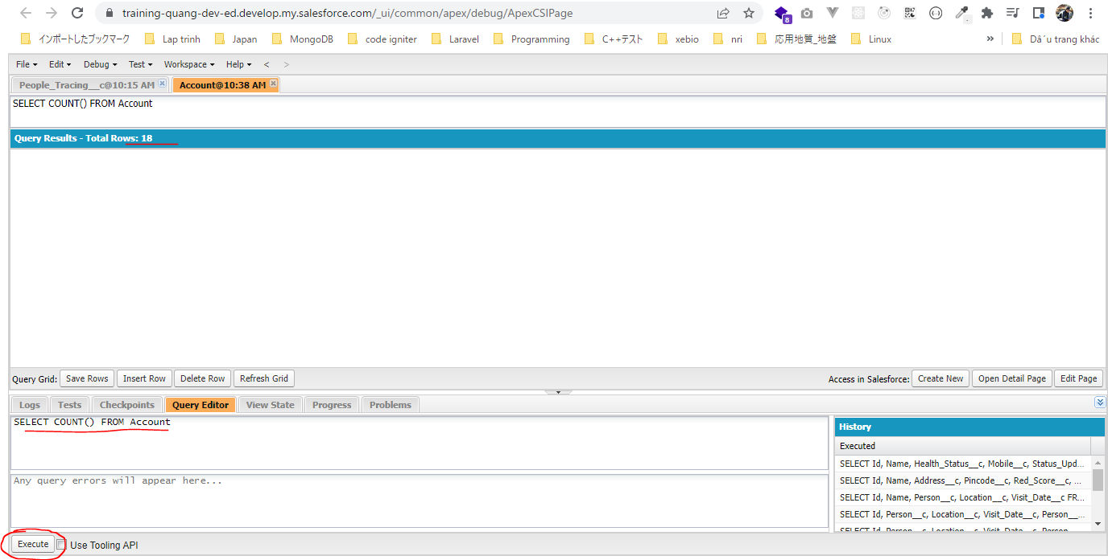

②get count of ids in Account
SELECT COUNT(Id) FROM Account
 | Kết quả có row trả về cùng số lượng row
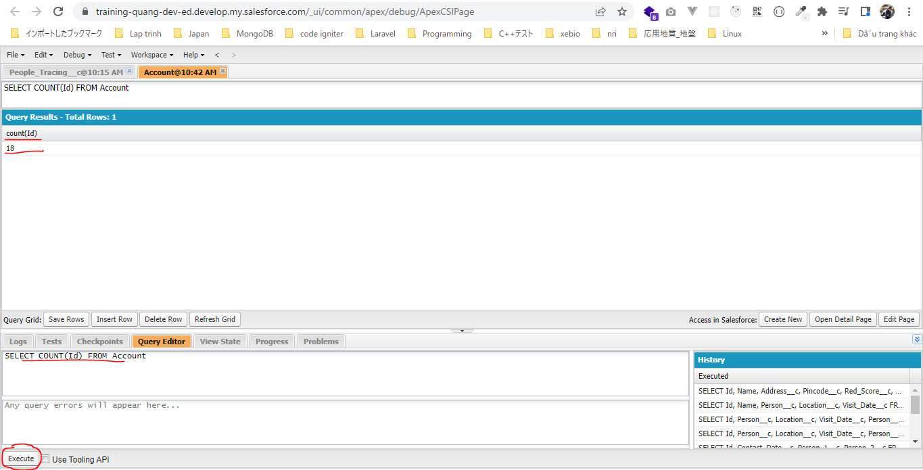

③get count of distinct names in Account
SELECT COUNT_DISTINCT(Name) FROM Account
Kết quả trả về số lượng row có Name ko null và ko trùng nhau
 | Dùng COUNT() thì nhận được kết quả là 18 nhưng vì có 1 cặp Name giống nhau nên kết quả của COUNT_DISTINCT(Name) là 17

GROUP BY Clause
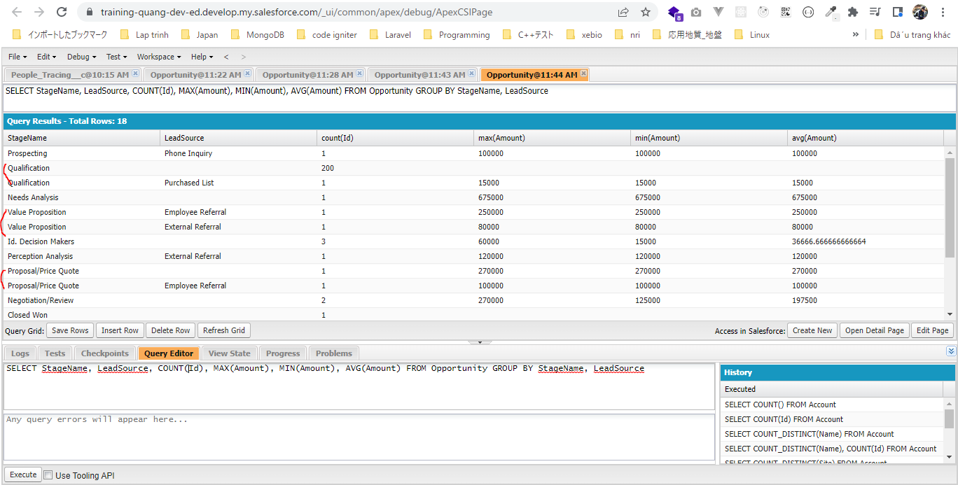
構成
 | salesforce
 |  | 2.Apex-Fundamentals
 |  | 3.Control-Flow-Statements
 |  | 4.Apex-Classes-and-Methods
 |  | 5.Apex-Testing
 |  | 6.Salesforce-Object-Query-Language
 |  | 7.SObject-and-DML
 |  | 8.Exception-Handling
 |  | 9.VS Code-Setup
 |  | 10.Governors-Limits-and-Code-Bulkification
 |  | 11.Advanced-SOQL
 |  |  | 1.soql-aggregate-functions
 |  |  |  | queries.txt
 |  |  | 2.soql-group-by-clause |  | → | new
 |  |  |  | queries.txt | → | new
 |  | Boss-Level-Challenge

salesforce\11.Advanced-SOQL\2.soql-group-by-clause\queries.txt
 | SELECT StageName, COUNT(Id) FROM Opportunity GROUP BY StageName

 | // Multiple aggregate functions
 | SELECT StageName, COUNT(Id), MAX(Amount), MIN(Amount), AVG(Amount) FROM Opportunity GROUP BY StageName

 | //Selecting multiple fields
 | SELECT StageName, LeadSource, COUNT(Id), MAX(Amount), MIN(Amount), AVG(Amount) FROM Opportunity GROUP BY StageName, LeadSource

SELECT StageName, COUNT(Id) FROM Opportunity GROUP BY StageName
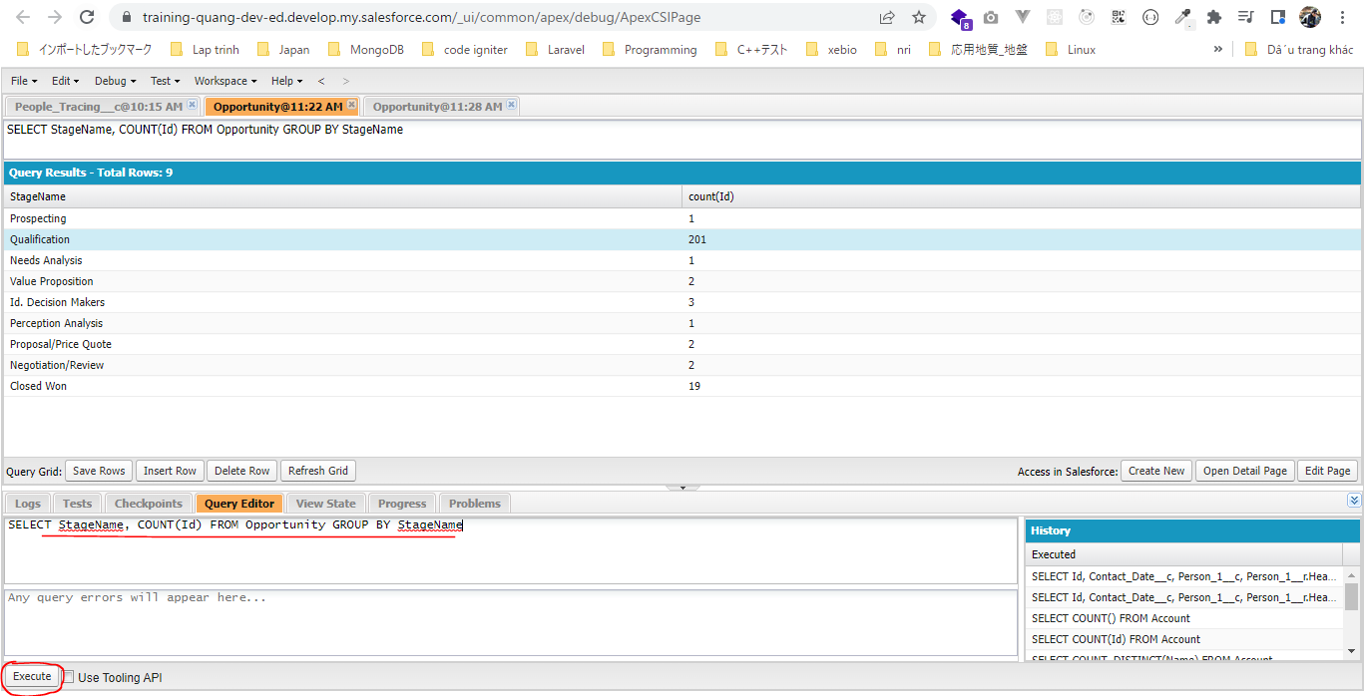

 | SELECT COUNT(Id) FROM Opportunity WHERE StageName='Qualification'
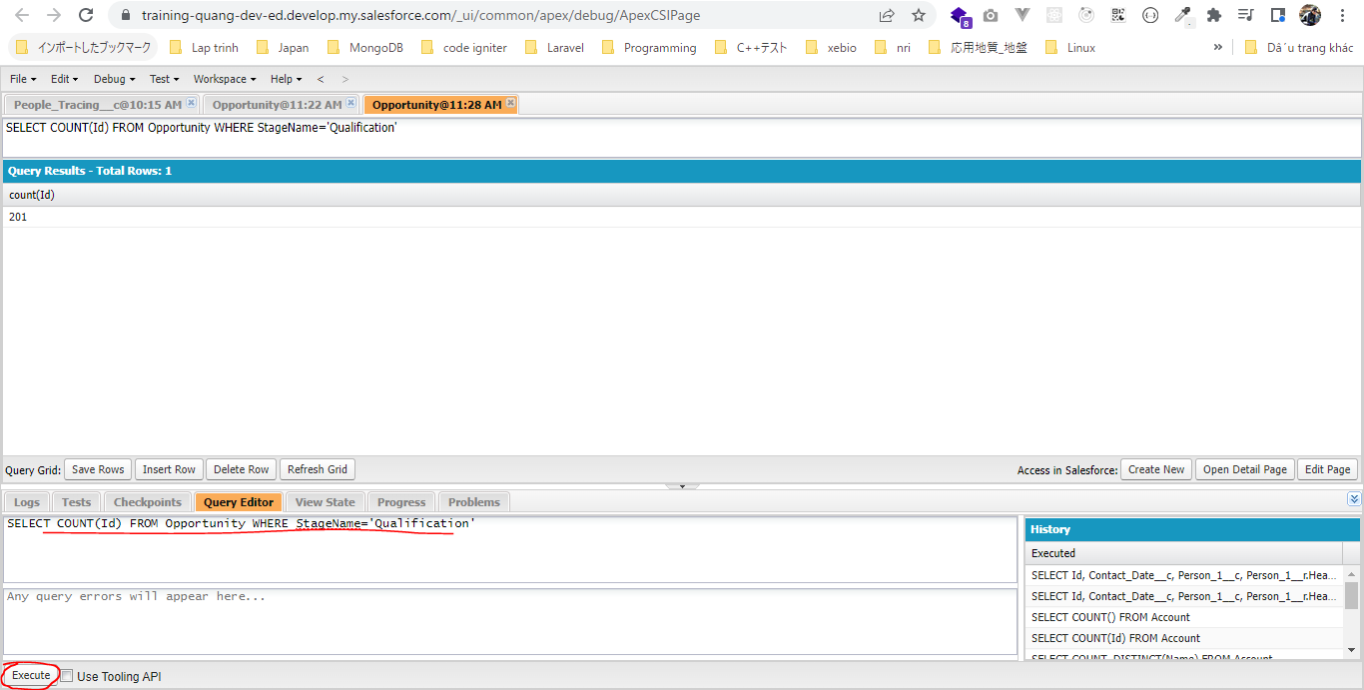

Multiple aggregate functions
SELECT StageName, COUNT(Id), MAX(Amount), MIN(Amount), AVG(Amount) FROM Opportunity GROUP BY StageName
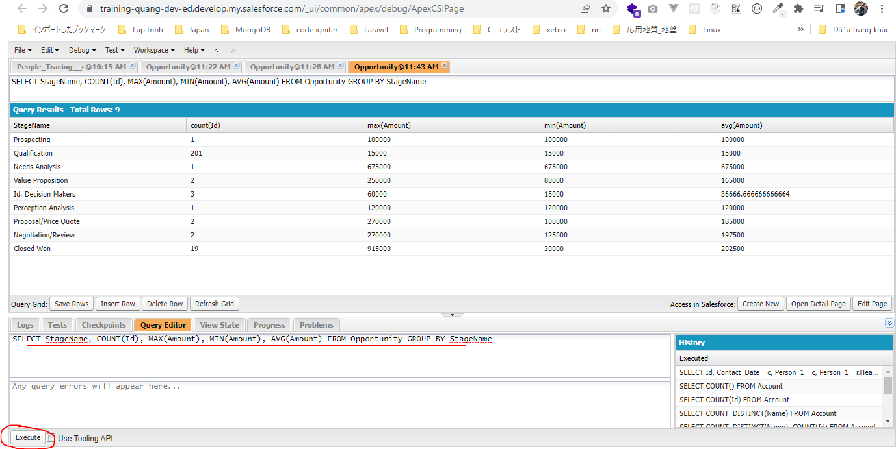

Selecting multiple fields
Ban đầu GROUP BY theo StageName trước rồi sau đó GROUP BY theo LeadSource
 | SELECT StageName, LeadSource, COUNT(Id), MAX(Amount), MIN(Amount), AVG(Amount) FROM Opportunity GROUP BY StageName, LeadSource

HAVING Clause
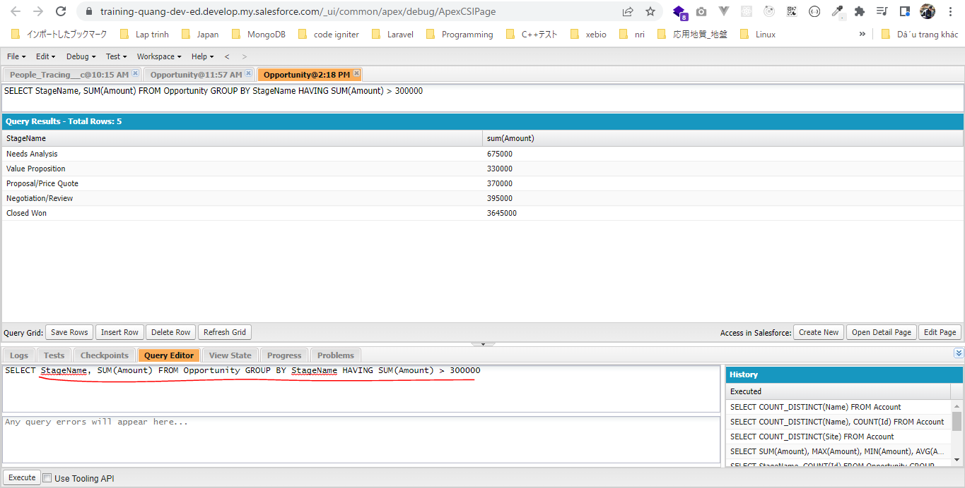
 | HAVING Clause
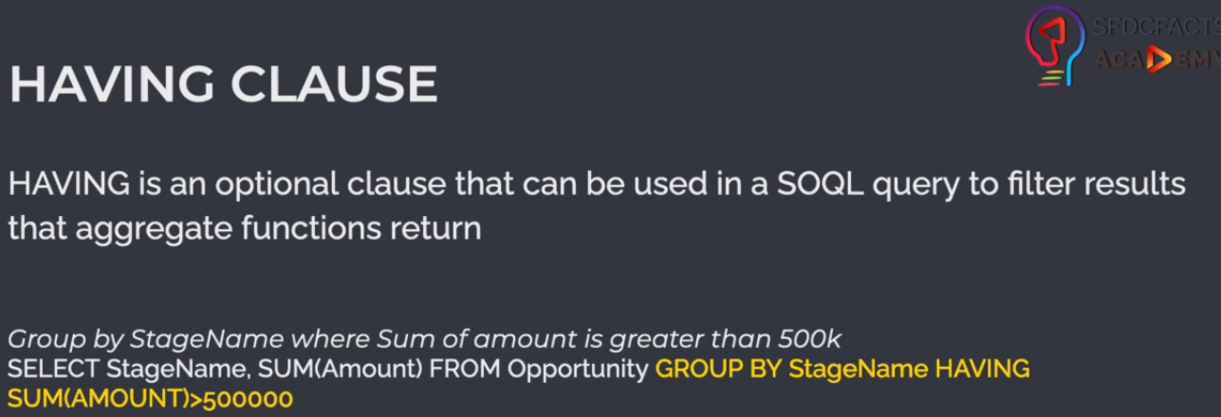

構成
 | salesforce
 |  | 2.Apex-Fundamentals
 |  | 3.Control-Flow-Statements
 |  | 4.Apex-Classes-and-Methods
 |  | 5.Apex-Testing
 |  | 6.Salesforce-Object-Query-Language
 |  | 7.SObject-and-DML
 |  | 8.Exception-Handling
 |  | 9.VS Code-Setup
 |  | 10.Governors-Limits-and-Code-Bulkification
 |  | 11.Advanced-SOQL
 |  |  | 1.soql-aggregate-functions
 |  |  |  | queries.txt
 |  |  | 2.soql-group-by-clause
 |  |  |  | queries.txt
 |  |  | 3.soql-having-clause |  | → | new
 |  |  |  | queries.txt | → | new
 |  | Boss-Level-Challenge

salesforce\11.Advanced-SOQL\3.soql-having-clause\queries.txt
 | // get sum of amount where sum is greater than 300k
 | SELECT StageName, SUM(Amount) FROM Opportunity GROUP BY StageName HAVING SUM(Amount) > 300000

Aggregate Functions in Apex
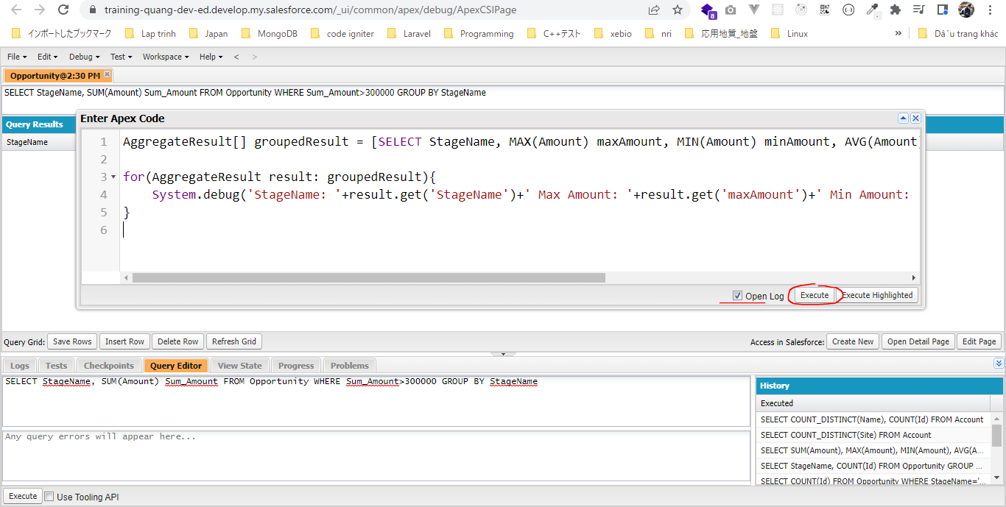
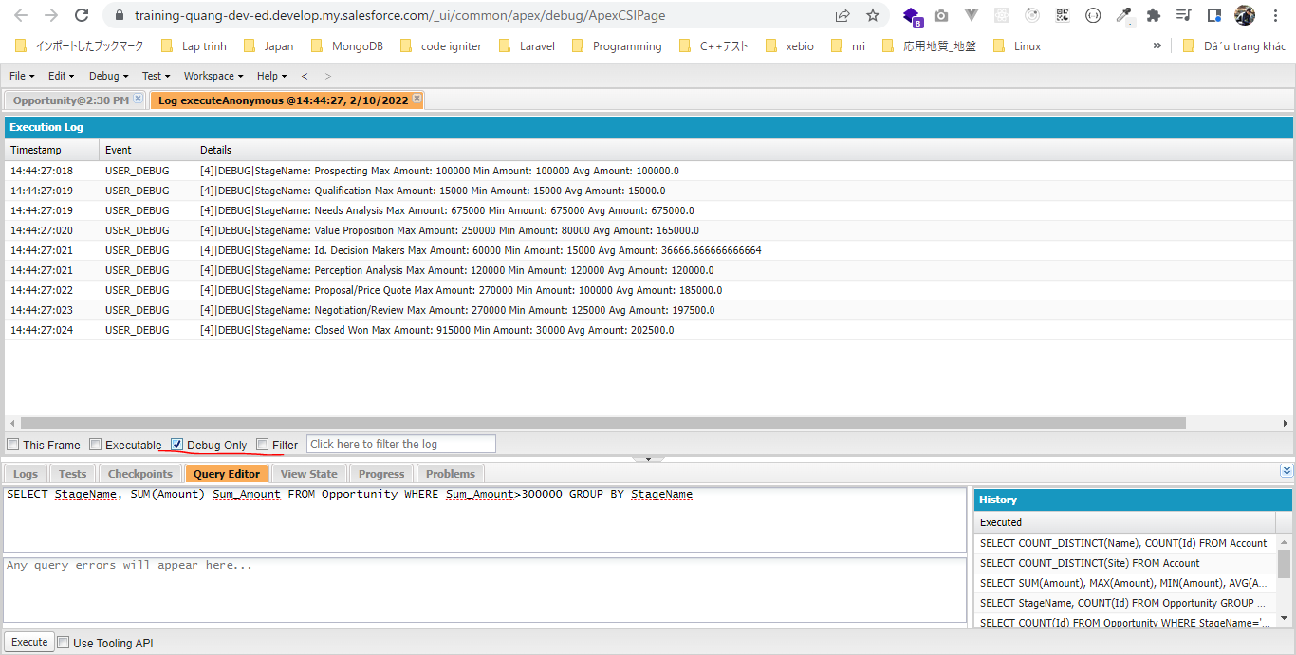
構成
 | salesforce
 |  | 2.Apex-Fundamentals
 |  | 3.Control-Flow-Statements
 |  | 4.Apex-Classes-and-Methods
 |  | 5.Apex-Testing
 |  | 6.Salesforce-Object-Query-Language
 |  | 7.SObject-and-DML
 |  | 8.Exception-Handling
 |  | 9.VS Code-Setup
 |  | 10.Governors-Limits-and-Code-Bulkification
 |  | 11.Advanced-SOQL
 |  |  | 1.soql-aggregate-functions
 |  |  |  | queries.txt
 |  |  | 2.soql-group-by-clause
 |  |  |  | queries.txt
 |  |  | 3.soql-having-clause
 |  |  |  | queries.txt
 |  |  | 4.soql-aggregate-result |  | → | new
 |  |  |  | dev-console.txt | → | new
 |  | Boss-Level-Challenge

salesforce\11.Advanced-SOQL\4.soql-aggregate-result\dev-console.txt
 | // Without Aliases / Using Expressions
 | AggregateResult[] groupedResult = [SELECT StageName, MAX(Amount), MIN(Amount), AVG(Amount) FROM Opportunity GROUP BY StageName];

 | for(AggregateResult result: groupedResult){
 | System.debug('StageName: '+result.get('StageName')+' Max Amount: '+result.get('expr0')+' Min Amount: '+result.get('expr1')+' Avg Amount: '+result.get('expr2'));
 | }

 | // Using Aliases
 | AggregateResult[] groupedResult = [SELECT StageName, MAX(Amount) maxAmount, MIN(Amount) minAmount, AVG(Amount) avgAmount FROM Opportunity GROUP BY StageName];

 | for(AggregateResult result: groupedResult){
 | System.debug('StageName: '+result.get('StageName')+' Max Amount: '+result.get('maxAmount')+' Min Amount: '+result.get('minAmount')+' Avg Amount: '+result.get('avgAmount'));
 | }

Without Aliases / Using Expressions
 | // Without Aliases / Using Expressions
 | AggregateResult[] groupedResult = [SELECT StageName, MAX(Amount), MIN(Amount), AVG(Amount) FROM Opportunity GROUP BY StageName];

 | for(AggregateResult result: groupedResult){
 | System.debug('StageName: '+result.get('StageName')+' Max Amount: '+result.get('expr0')+' Min Amount: '+result.get('expr1')+' Avg Amount: '+result.get('expr2'));
 | }

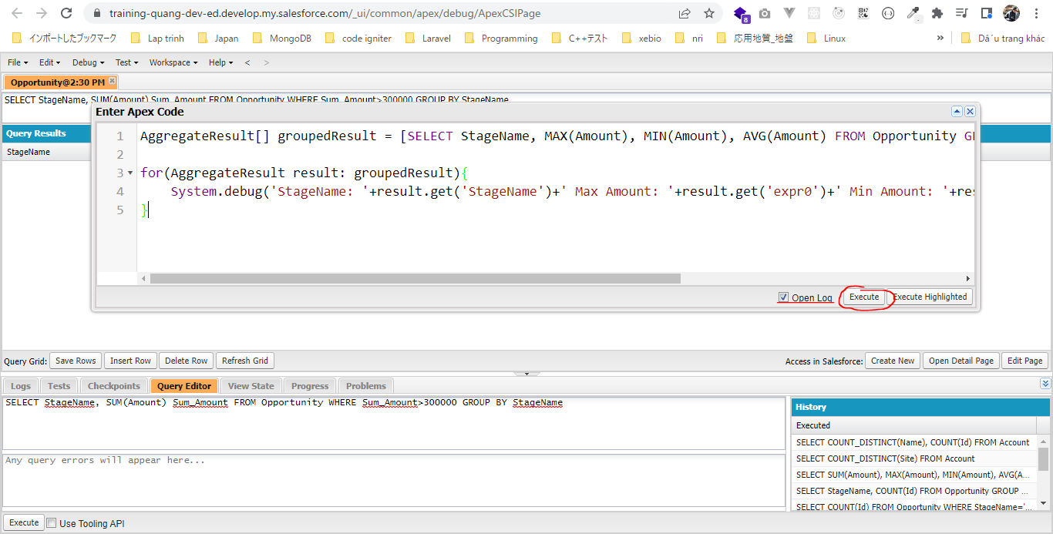



Using Aliases
 | AggregateResult[] groupedResult = [SELECT StageName, MAX(Amount) maxAmount, MIN(Amount) minAmount, AVG(Amount) avgAmount FROM Opportunity GROUP BY StageName];

 | for(AggregateResult result: groupedResult){
 | System.debug('StageName: '+result.get('StageName')+' Max Amount: '+result.get('maxAmount')+' Min Amount: '+result.get('minAmount')+' Avg Amount: '+result.get('avgAmount'));
 | }

SOQL For Loops
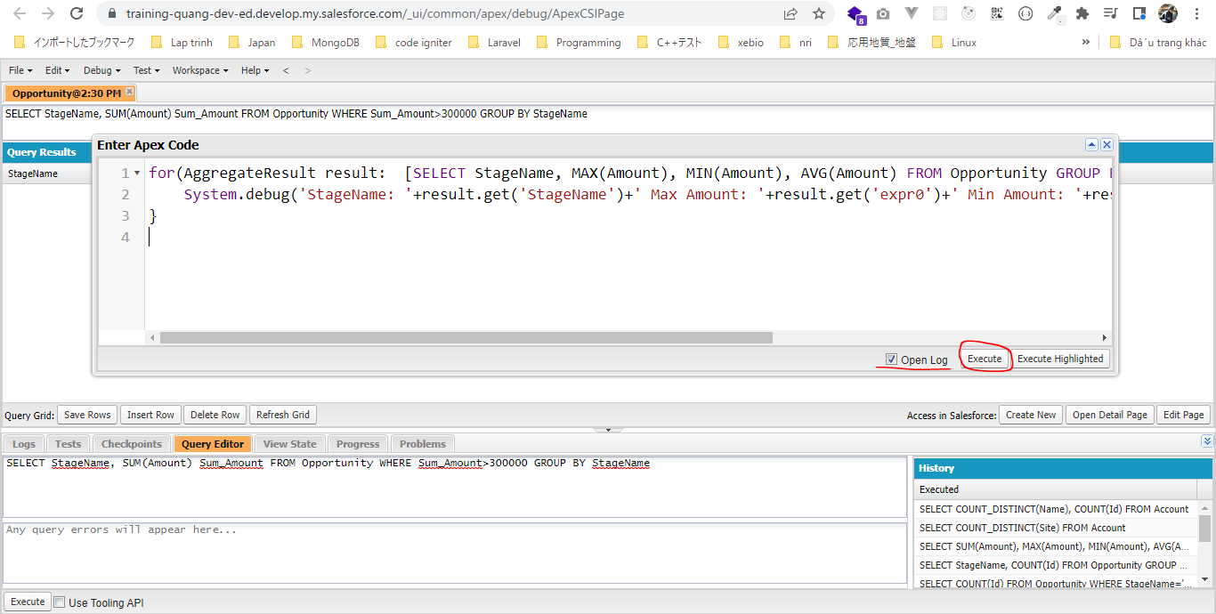
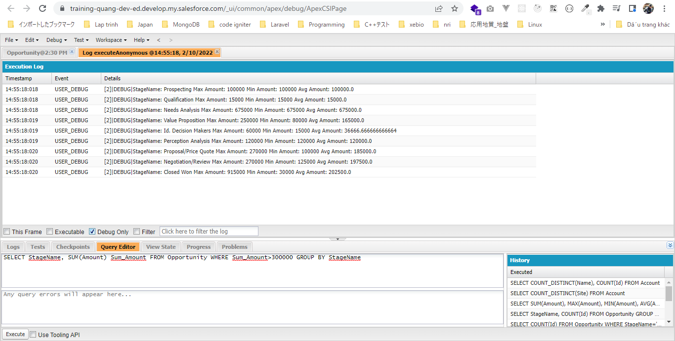
構成
 | salesforce
 |  | 2.Apex-Fundamentals
 |  | 3.Control-Flow-Statements
 |  | 4.Apex-Classes-and-Methods
 |  | 5.Apex-Testing
 |  | 6.Salesforce-Object-Query-Language
 |  | 7.SObject-and-DML
 |  | 8.Exception-Handling
 |  | 9.VS Code-Setup
 |  | 10.Governors-Limits-and-Code-Bulkification
 |  | 11.Advanced-SOQL
 |  |  | 1.soql-aggregate-functions
 |  |  |  | queries.txt
 |  |  | 2.soql-group-by-clause
 |  |  |  | queries.txt
 |  |  | 3.soql-having-clause
 |  |  |  | queries.txt
 |  |  | 4.soql-aggregate-result
 |  |  |  | dev-console.txt
 |  |  | 5.soql-for-loop |  | → | new
 |  |  |  | dev-console.txt | → | new
 |  | Boss-Level-Challenge

salesforce\11.Advanced-SOQL\5.soql-for-loop\dev-console.txt
 | Việc xử dụng SOQL For Loops như vậy giúp tiết kiệm được heap hơn so với việc gán kết quả SELECT cho variable trước khi dùng vòng lặp loop điều này giúp tăng performance
 | for(AggregateResult result: [SELECT StageName, MAX(Amount), MIN(Amount), AVG(Amount) FROM Opportunity GROUP BY StageName]){
 | System.debug('StageName: '+result.get('StageName')+' Max Amount: '+result.get('expr0')+' Min Amount: '+result.get('expr1')+' Avg Amount: '+result.get('expr2'));
 | }

