Future Methods
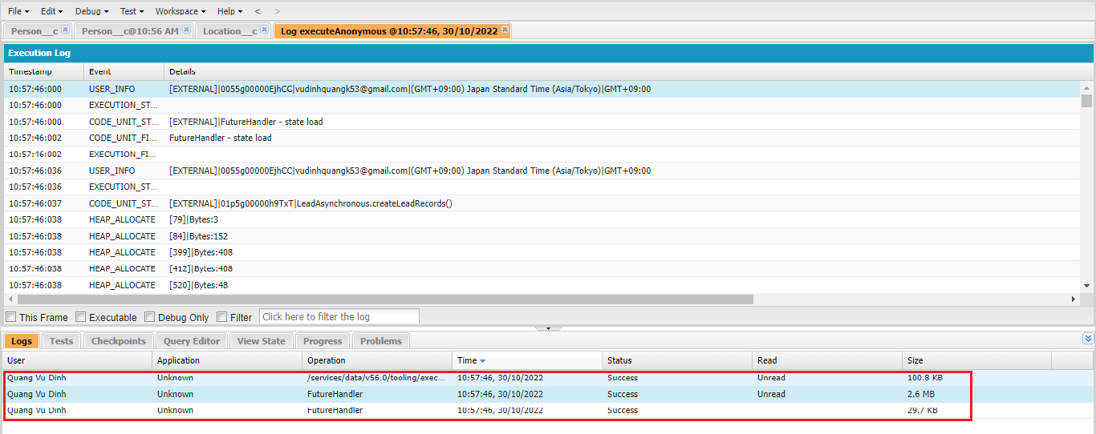
 | Future methods are the most used async features on salesforce platform. We can use future methods to separate into 2 different transactions. That means there will be a separate async
 | transaction along with your synchronous transaction. They can be used to perform long running operations like if we want to fetch more number of records, may be like more than 50000 records,
 | if we want to update more number of records or even if we want to make a call out to third party system
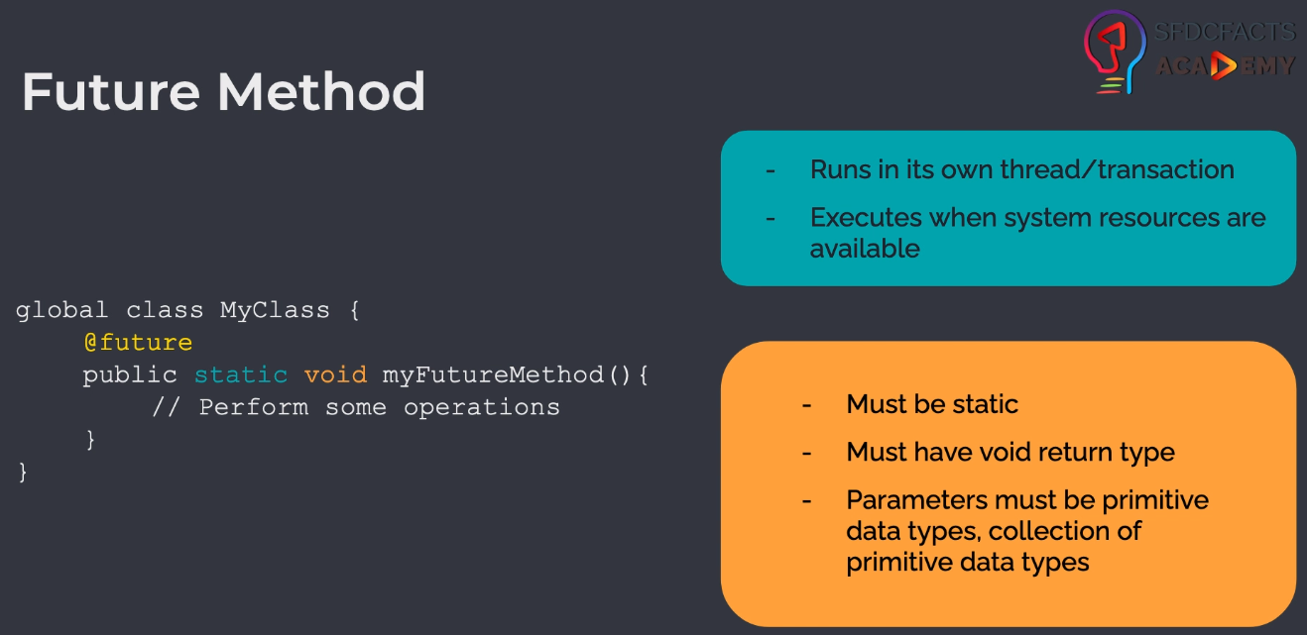

構成
 | salesforce
 |  | 2.Apex-Fundamentals
 |  | 3.Control-Flow-Statements
 |  | 4.Apex-Classes-and-Methods
 |  | 5.Apex-Testing
 |  | 6.Salesforce-Object-Query-Language
 |  | 7.SObject-and-DML
 |  | 8.Exception-Handling
 |  | 9.VS Code-Setup
 |  | 10.Governors-Limits-and-Code-Bulkification
 |  | 11.Advanced-SOQL
 |  | 12.Trigger-overview
 |  | 13.Apex-Testing-Part-2
 |  | 14.Aura-Framework
 |  | 15.Async-Apex |  |  |  |  |  |  |  |  | → | new
 |  |  | 1.async-future-method |  |  |  |  |  |  |  | → | new
 |  |  |  | dev-console.txt |  |  |  |  |  |  | → | new
 |  |  |  | LeadAsynchronous.apxc |  |  |  |  |  |  | → | new
 |  | Boss-Level-Challenge
 |  |  | contact-tracing
 |  |  |  | force-app
 |  |  |  |  | main
 |  |  |  |  |  | default
 |  |  |  |  |  |  | classes
 |  |  |  |  |  |  |  | AccountContactService.cls
 |  |  |  |  |  |  |  | BoardPanelController.cls
 |  |  |  |  |  |  |  | ContactTriggerHandler.cls
 |  |  |  |  |  |  |  | ContactTriggerHandlerTest.cls
 |  |  |  |  |  |  |  | CTHealthHeaderController.cls
 |  |  |  |  |  |  |  | CTLocationController.cls
 |  |  |  |  |  |  |  | CTLocationTabController.cls
 |  |  |  |  |  |  |  | CTLocationTracingController.cls
 |  |  |  |  |  |  |  | CTLocationTracingTriggerHandler.cls
 |  |  |  |  |  |  |  | CTLocationTriggerHandler.cls
 |  |  |  |  |  |  |  | CTPeopleTracingController.cls
 |  |  |  |  |  |  |  | CTPeopleTracingTriggerHandler.cls
 |  |  |  |  |  |  |  | CTPersonController.cls
 |  |  |  |  |  |  |  | CTPersonTabController.cls
 |  |  |  |  |  |  |  | CTPersonTriggerHandler.cls
 |  |  |  |  |  |  |  | CTPersonViewController.cls
 |  |  |  |  |  |  |  | CTRecentChangesController.cls
 |  |  |  |  |  |  |  | GameResultController.cls
 |  |  |  |  |  |  | aura
 |  |  |  |  |  |  |  | Block
 |  |  |  |  |  |  |  | BlockClickEvent
 |  |  |  |  |  |  |  | Board
 |  |  |  |  |  |  |  | BoardPanel
 |  |  |  |  |  |  |  | CTHealthAdmin
 |  |  |  |  |  |  |  |  | CTHealthAdmin.cmp
 |  |  |  |  |  |  |  |  | CTHealthAdminController.js
 |  |  |  |  |  |  |  | CTHealthHeader
 |  |  |  |  |  |  |  |  | CTHealthHeader.css
 |  |  |  |  |  |  |  |  | CTHealthHeader.cmp
 |  |  |  |  |  |  |  |  | CTHealthHeaderController.js
 |  |  |  |  |  |  |  |  | CTHealthHeaderHelper.js
 |  |  |  |  |  |  |  | CTLocationSelectEvent
 |  |  |  |  |  |  |  |  | CTLocationSelectEvent.evt
 |  |  |  |  |  |  |  | CTLocationTab
 |  |  |  |  |  |  |  |  | CTLocationTab.cmp
 |  |  |  |  |  |  |  |  | CTLocationTab.css
 |  |  |  |  |  |  |  |  | CTLocationTabController.js
 |  |  |  |  |  |  |  |  | CTLocationTabHelper.js
 |  |  |  |  |  |  |  | CTLocationView
 |  |  |  |  |  |  |  |  | CTLocationView.cmp
 |  |  |  |  |  |  |  |  | CTLocationView.css
 |  |  |  |  |  |  |  |  | CTLocationViewController.js
 |  |  |  |  |  |  |  | CTPersonSelectEvent
 |  |  |  |  |  |  |  |  | CTPersonSelectEvent.evt
 |  |  |  |  |  |  |  | CTPersonTab
 |  |  |  |  |  |  |  |  | CTPersonTab.cmp
 |  |  |  |  |  |  |  |  | CTPersonTab.css
 |  |  |  |  |  |  |  |  | CTPersonTabController.js
 |  |  |  |  |  |  |  |  | CTPersonTabHelper.js
 |  |  |  |  |  |  |  | CTPersonView
 |  |  |  |  |  |  |  |  | CTPersonView.cmp
 |  |  |  |  |  |  |  |  | CTPersonView.css
 |  |  |  |  |  |  |  |  | CTPersonViewController.js
 |  |  |  |  |  |  |  | CTRecentChanges
 |  |  |  |  |  |  |  |  | CTRecentChanges.cmp
 |  |  |  |  |  |  |  |  | CTRecentChangesController.js
 |  |  |  |  |  |  |  |  | CTRecentChangesHelper.js
 |  |  |  |  |  |  |  | GameResult
 |  |  |  |  |  |  |  | HelloWorld
 |  |  |  |  |  |  |  | ResultApplicationEvent
 |  |  |  | .prettierrc

salesforce\15.Async-Apex\async-future-method\LeadAsynchronous.apxc
 | public class LeadAsynchronous {

 | @future
 | public static void updateLeadRecords(Set<Id> existingRecordIds){ |  |  |  |  |  |  |  |  |  |  |  | → | id of these records to update. Use Id(in Set<Id) because feture methods can only accept primitive data types
 | List<Lead> existingRecords = [SELECT Id, LeadSource FROM Lead WHERE Id IN :existingRecordIds];
 | for(Lead record : existingRecords){
 | record.LeadSource = 'Web';
 | }
 | update existingRecords;

 | // calling another future method - NOT ALLOWED
 | // createLeadRecords(); |  |  |  |  |  |  |  |  |  |  |  | → | future method can not be called from another future method
 | }

 | @future
 | public static void createLeadRecords(){
 | Lead anotherLead = new Lead(LastName='Test Lead Single', Status='Open - Not Contacted', Company='SFDCFacts', Industry='Finance');
 | insert anotherLead;
 | }
 | }

salesforce\15.Async-Apex\async-future-method\dev-console.txt
 | Map<Id, Lead> leadRecords = new Map<Id, Lead> ([SELECT Id FROM Lead]);

 | // call first future method
 | LeadAsynchronous.updateLeadRecords(leadRecords.keySet());
 | // call 2nd future method
 | LeadAsynchronous.createLeadRecords(); |  |  |  |  |  |  |  | → | We can call mutiple future methods in synchronous

Test
 | ①updateLeadRecords
 | Map<Id, Lead> leadRecords = new Map<Id, Lead> ([SELECT Id FROM Lead]); |  |  |  |  |  |  |  | → | synchronous transaction

 | // call first future method
 | LeadAsynchronous.updateLeadRecords(leadRecords.keySet()); |  |  |  |  |  |  |  | → | Asynchronous transaction

 | Kết quả thực thi ta thu được 2 log bởi vì có 2 transaction khác nhau đã được thực thiđó là synchronous và asynchronous
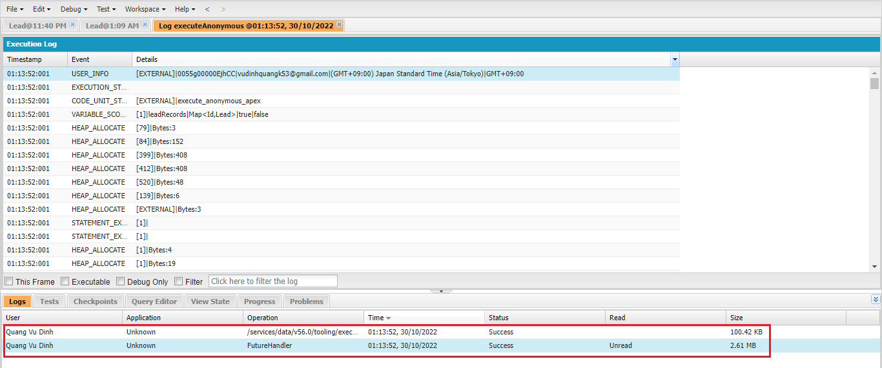

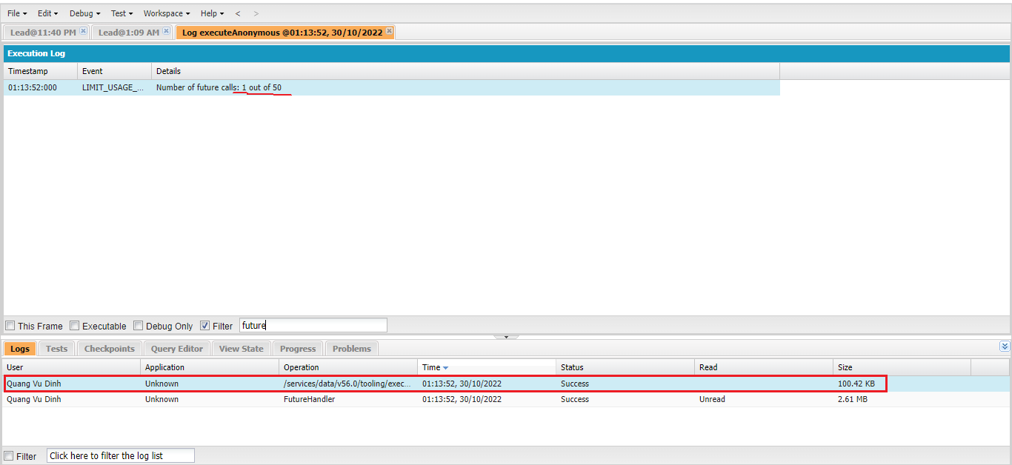

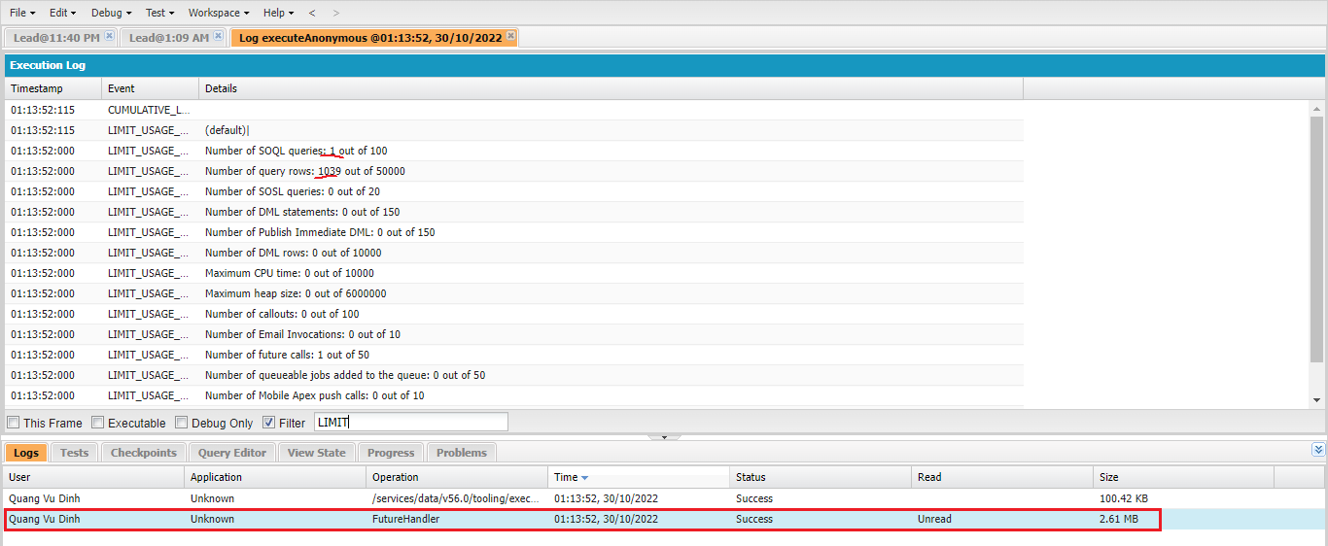

 | SELECT COUNT(Id) FROM Lead
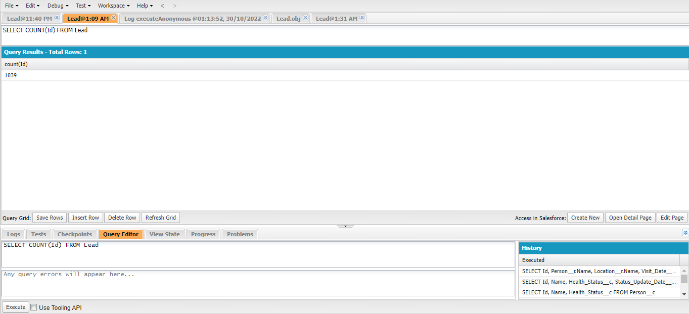

 | SELECT Id, Name, LeadSource, LastModifiedDate FROM Lead
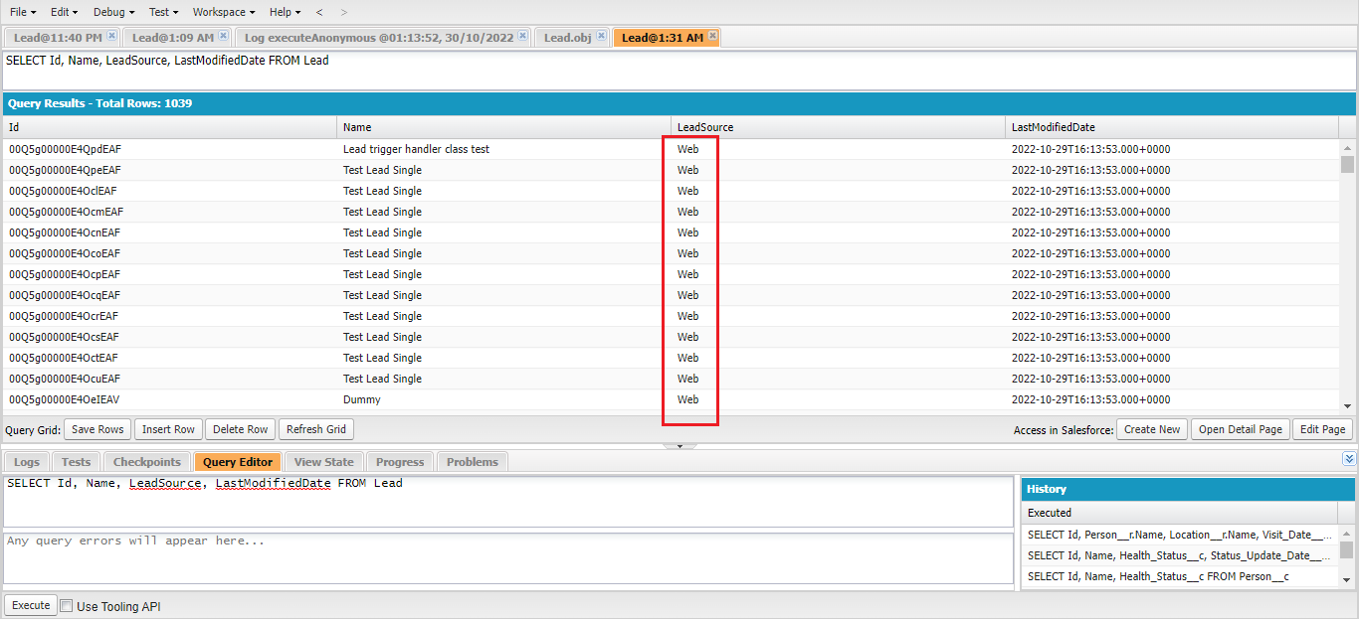

 | ②Call mutiple future methods in synchronous
 | Map<Id, Lead> leadRecords = new Map<Id, Lead> ([SELECT Id FROM Lead]);

 | // call first future method
 | LeadAsynchronous.updateLeadRecords(leadRecords.keySet());
 | // call 2nd future method
 | LeadAsynchronous.createLeadRecords();

 | Thu được 3 log trong đó có 1 log synchronous và 2 log asynchronous của future method

