Health Admin Custom Tab
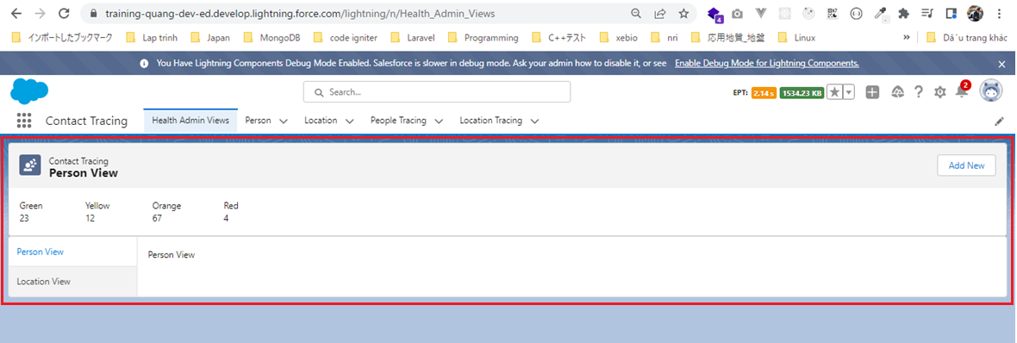
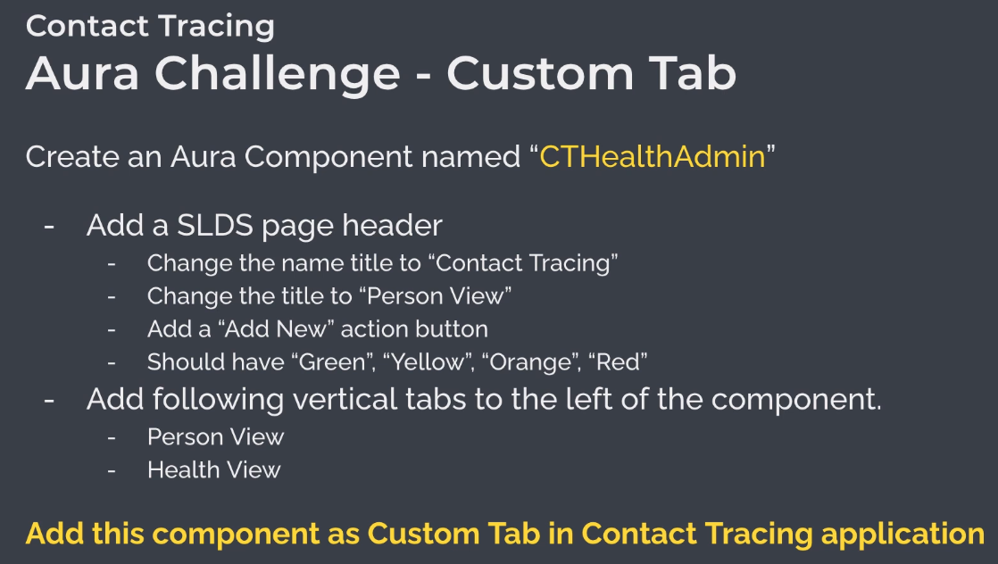

構成
 | salesforce
 |  | 2.Apex-Fundamentals
 |  | 3.Control-Flow-Statements
 |  | 4.Apex-Classes-and-Methods
 |  | 5.Apex-Testing
 |  | 6.Salesforce-Object-Query-Language
 |  | 7.SObject-and-DML
 |  | 8.Exception-Handling
 |  | 9.VS Code-Setup
 |  | 10.Governors-Limits-and-Code-Bulkification
 |  | 11.Advanced-SOQL
 |  | 12.Trigger-overview
 |  | 13.Apex-Testing-Part-2
 |  | 14.Aura-Framework
 |  | Boss-Level-Challenge
 |  |  | contact-tracing
 |  |  |  | force-app
 |  |  |  |  | main
 |  |  |  |  |  | default
 |  |  |  |  |  |  | classes
 |  |  |  |  |  |  |  | AccountContactService.cls
 |  |  |  |  |  |  |  | BoardPanelController.cls
 |  |  |  |  |  |  |  | ContactTriggerHandler.cls
 |  |  |  |  |  |  |  | ContactTriggerHandlerTest.cls
 |  |  |  |  |  |  |  | CTLocationController.cls
 |  |  |  |  |  |  |  | CTLocationTracingController.cls
 |  |  |  |  |  |  |  | CTLocationTracingTriggerHandler.cls
 |  |  |  |  |  |  |  | CTLocationTriggerHandler.cls
 |  |  |  |  |  |  |  | CTPeopleTracingController.cls
 |  |  |  |  |  |  |  | CTPeopleTracingTriggerHandler.cls
 |  |  |  |  |  |  |  | CTPersonController.cls
 |  |  |  |  |  |  |  | CTPersonTriggerHandler.cls
 |  |  |  |  |  |  |  | GameResultController.cls
 |  |  |  |  |  |  | aura
 |  |  |  |  |  |  |  | Block
 |  |  |  |  |  |  |  | BlockClickEvent
 |  |  |  |  |  |  |  | Board
 |  |  |  |  |  |  |  | BoardPanel
 |  |  |  |  |  |  |  | CTHealthAdmin |  | → | Create aura component
 |  |  |  |  |  |  |  |  | CTHealthAdmin.cmp
 |  |  |  |  |  |  |  | GameResult
 |  |  |  |  |  |  |  | HelloWorld
 |  |  |  |  |  |  |  | ResultApplicationEvent
 |  |  |  | .prettierrc

Create CTHealthAdmin component
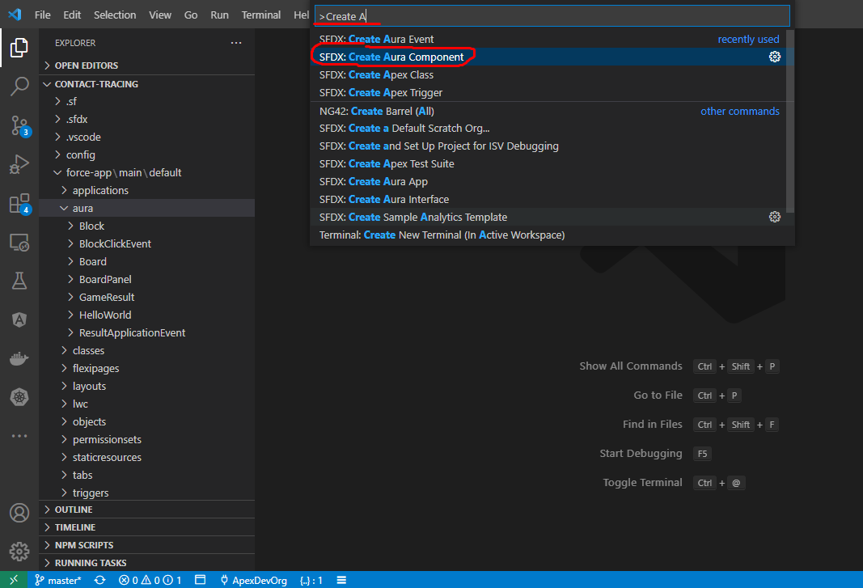

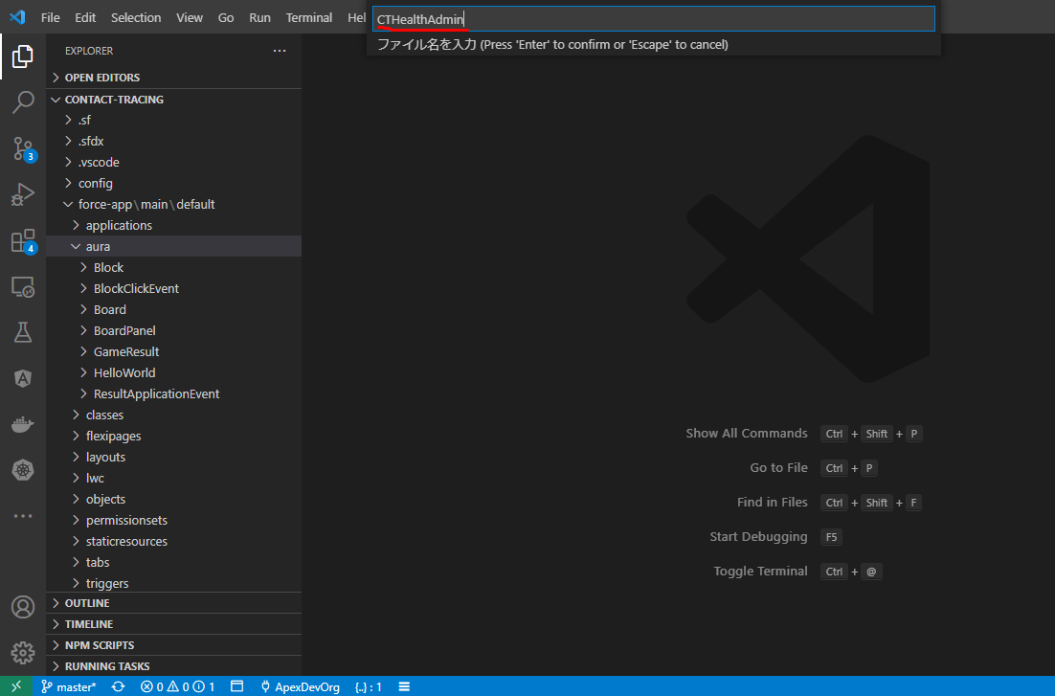

salesforce\Boss-Level-Challenge\contact-tracing\force-app\main\default\aura\CTHealthAdmin\CTHealthAdmin.cmp
 | Page Headers
 | https://www.lightningdesignsystem.com/components/page-headers/
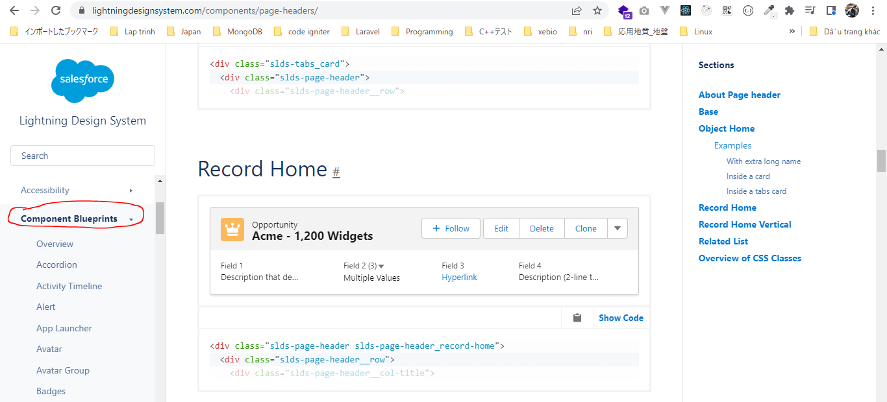

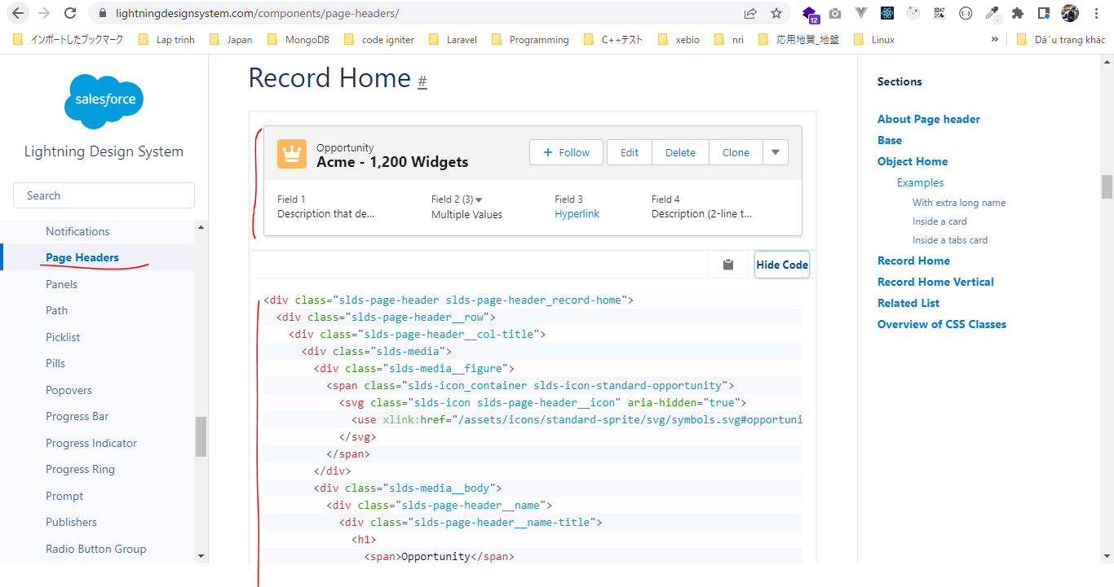

 | icon component
 | https://developer.salesforce.com/docs/component-library/bundle/lightning:icon/example
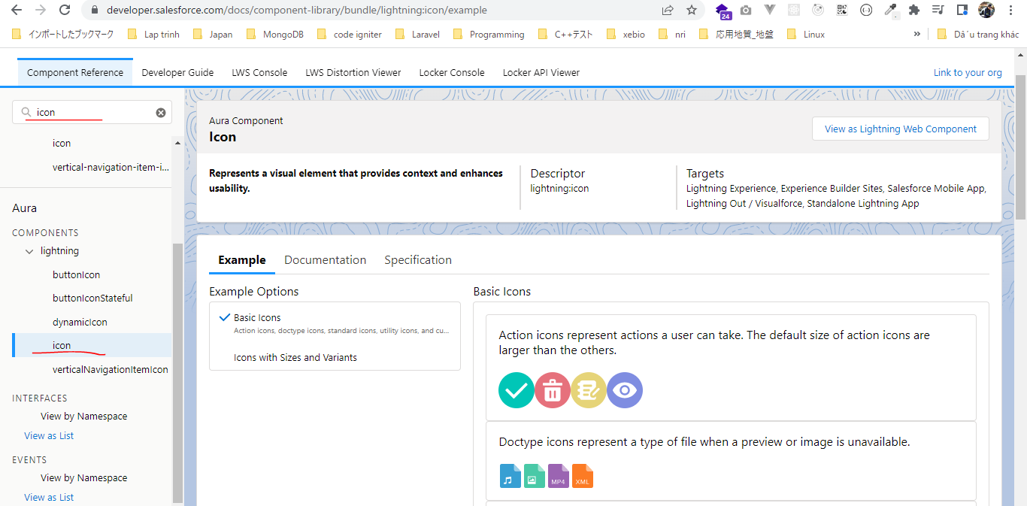

 | queue icon
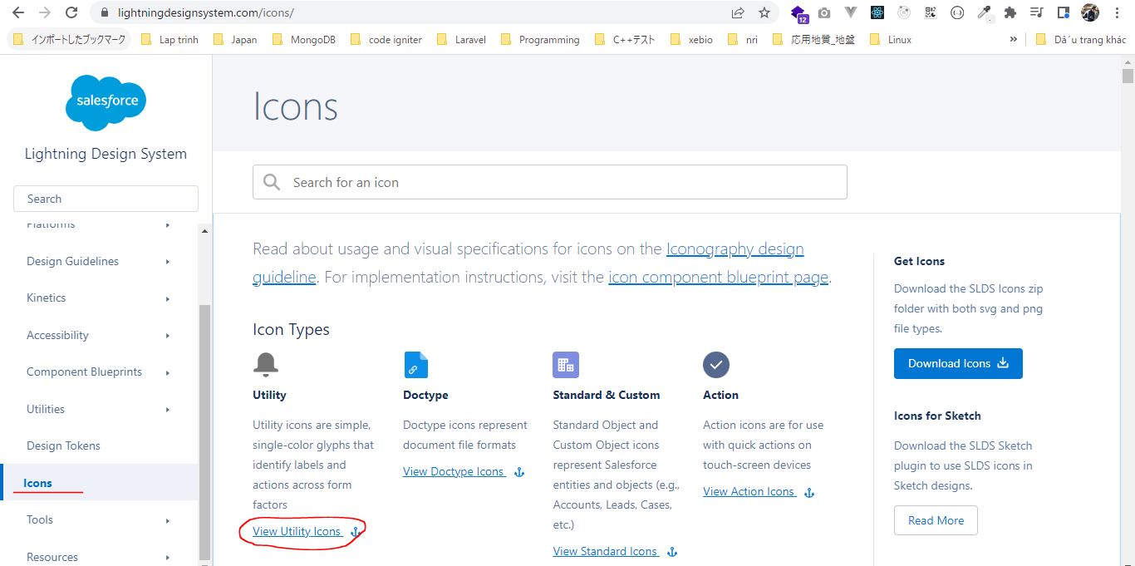

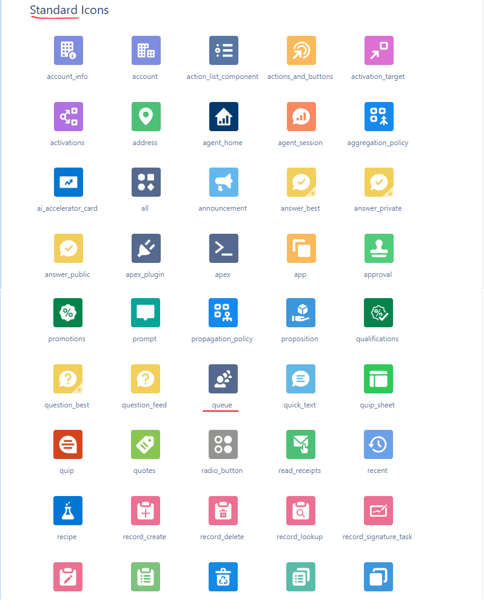

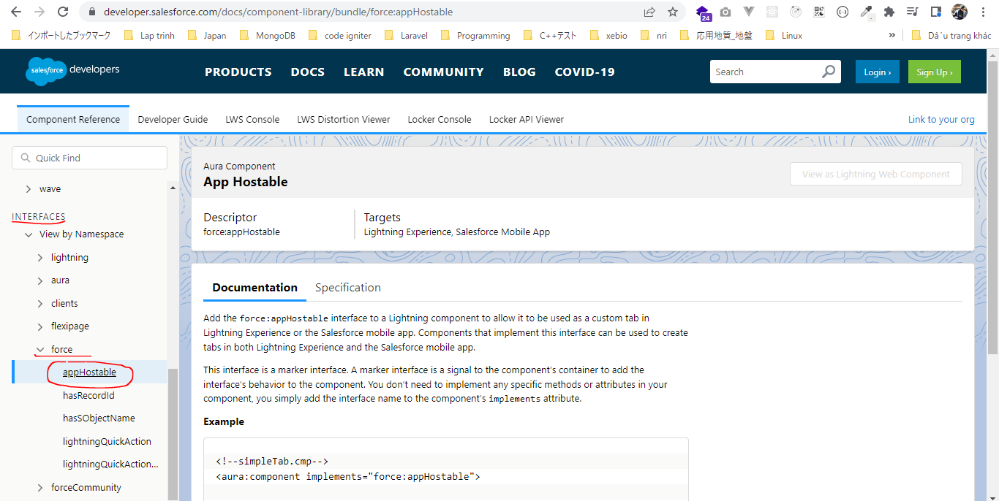
 | <!-- |  |  |  |  |  |  |  |  |  |  |  | Interfaces
 | @description : |  |  |  |  |  |  |  |  |  |  |  | https://developer.salesforce.com/docs/component-library/bundle/force:appHostable
 | @author : ChangeMeIn@UserSettingsUnder.SFDoc
 | @group :
 | @last modified on : 06-10-2021
 | @last modified by : ChangeMeIn@UserSettingsUnder.SFDoc
 | Modifications Log
 | Ver Date Author Modification
 | 1.0 06-10-2021 ChangeMeIn@UserSettingsUnder.SFDoc Initial Version
 | -->
 | <aura:component implements="force:appHostable"> |  |  |  |  |  |  |  |  |  | → | Deploy this component as a custom lightning tab inside contact tracing application
 | <lightning:layout multipleRows="true"> |  |  |  |  |  |  |  |  |  |  | so eplement force:appHostable
 | <lightning:layoutItem size="12">
 | <div class="slds-page-header slds-page-header_record-home">
 | <div class="slds-page-header__row">
 | <div class="slds-page-header__col-title">
 | <div class="slds-media">
 | <div class="slds-media__figure">
 | <span class="slds-icon_container slds-icon-standard-opportunity">
 | <lightning:icon iconName="standard:queue" alternativeText="Contact Tracing" title="Contact Tracing" />
 | </span>
 | </div>
 | <div class="slds-media__body">
 | <div class="slds-page-header__name">
 | <div class="slds-page-header__name-title">
 | <h1>
 | <span>Contact Tracing</span>
 | <span class="slds-page-header__title slds-truncate" title="Person View">Person View</span>
 | </h1>
 | </div>
 | </div>
 | </div>
 | </div>
 | </div>
 | <div class="slds-page-header__col-actions">
 | <div class="slds-page-header__controls">
 | <div class="slds-page-header__control">
 | <ul class="slds-button-group-list">
 | <li>
 | <button class="slds-button slds-button_neutral">Add New</button>
 | </li>
 | </ul>
 | </div>
 | </div>
 | </div>
 | </div>
 | <div class="slds-page-header__row slds-page-header__row_gutters">
 | <div class="slds-page-header__col-details">
 | <ul class="slds-page-header__detail-row">
 | <li class="slds-page-header__detail-block">
 | <div class="" title="Green">Green</div>
 | <div class="" title="">23</div>
 | </li>
 | <li class="slds-page-header__detail-block">
 | <div class="" title="Yellow">Yellow</div>
 | <div class="" title="">12</div>
 | </li>
 | <li class="slds-page-header__detail-block">
 | <div class="" title="Orange">Orange</div>
 | <div class="" title="">67</div>
 | </li>
 | <li class="slds-page-header__detail-block">
 | <div class="" title="Red">Red</div>
 | <div class="" title="">4</div>
 | </li>
 | </ul>
 | </div>
 | </div>
 | </div>
 | </lightning:layoutItem>
 | <lightning:layoutItem size="12">
 | <lightning:tabset variant="vertical">
 | <lightning:tab label="Person View" id="person">
 | Person View
 | </lightning:tab>
 | <lightning:tab label="Location View" id="location">
 | Location View
 | </lightning:tab>
 | </lightning:tabset>
 | </lightning:layoutItem>
 | </lightning:layout>
 | </aura:component>

 | tabset component
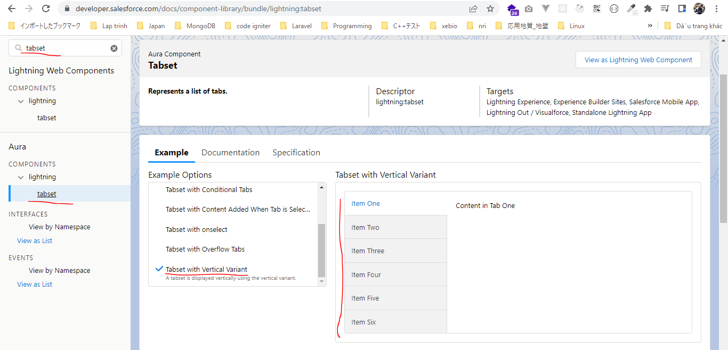

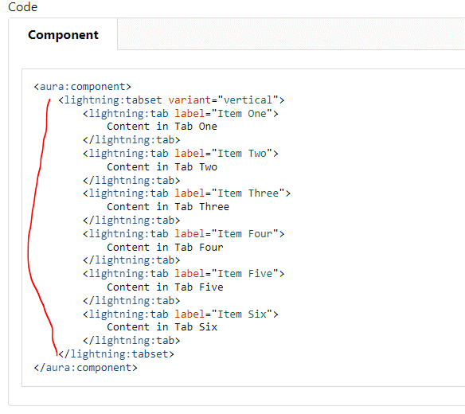

Deploy
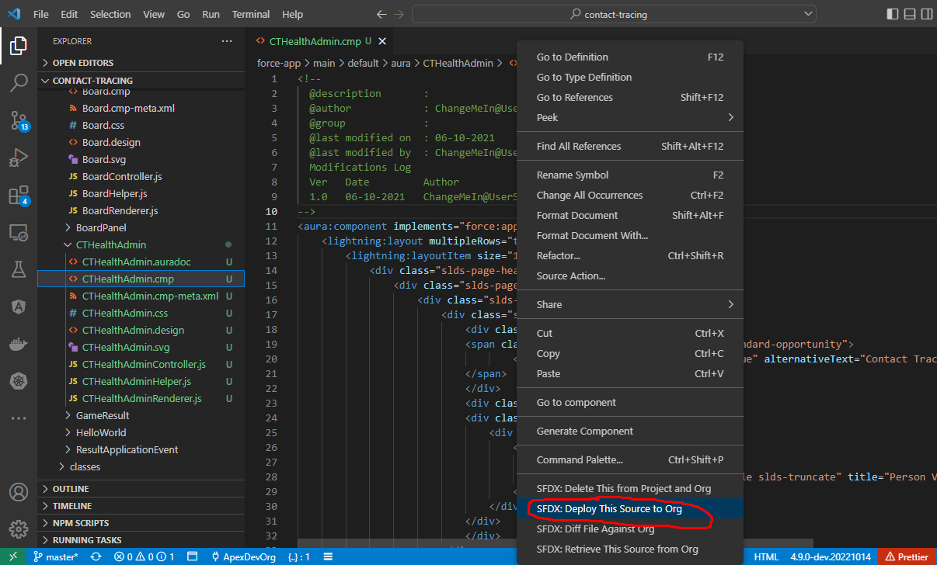

Create a new custom lightning
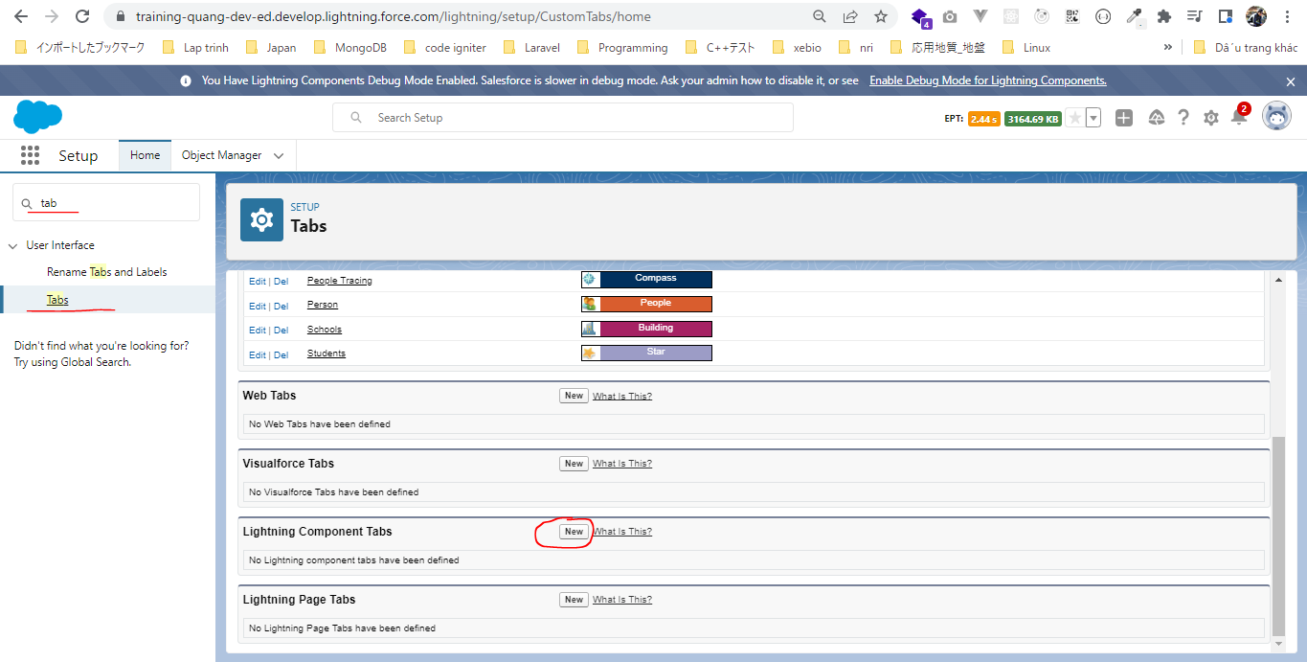

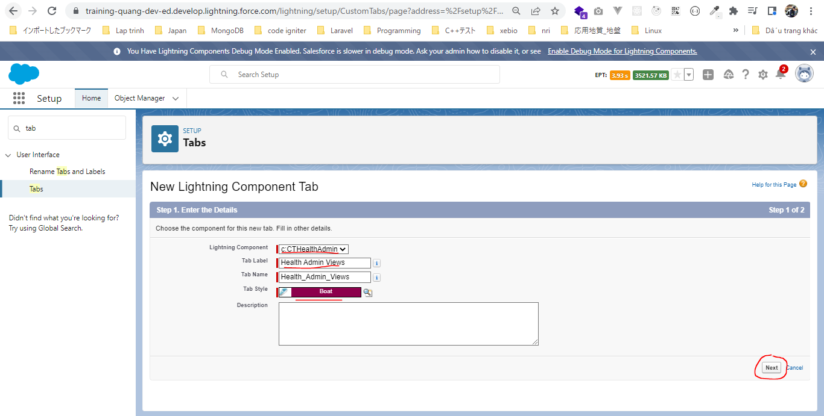

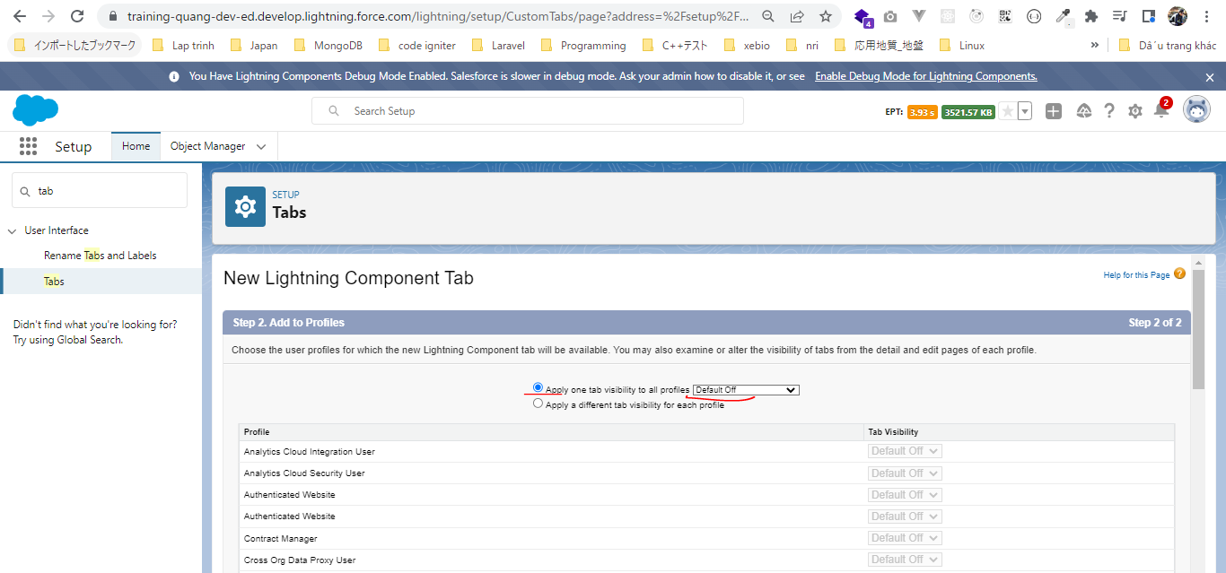

Permission Sets
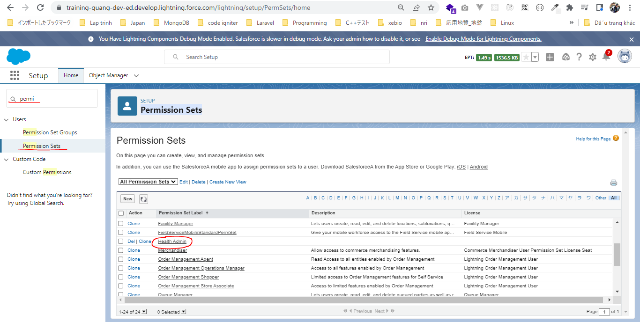

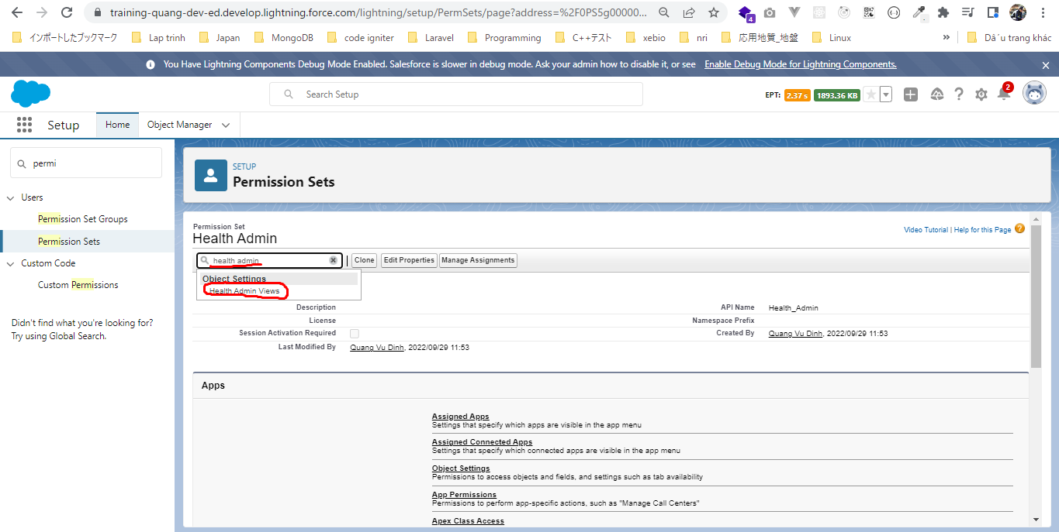

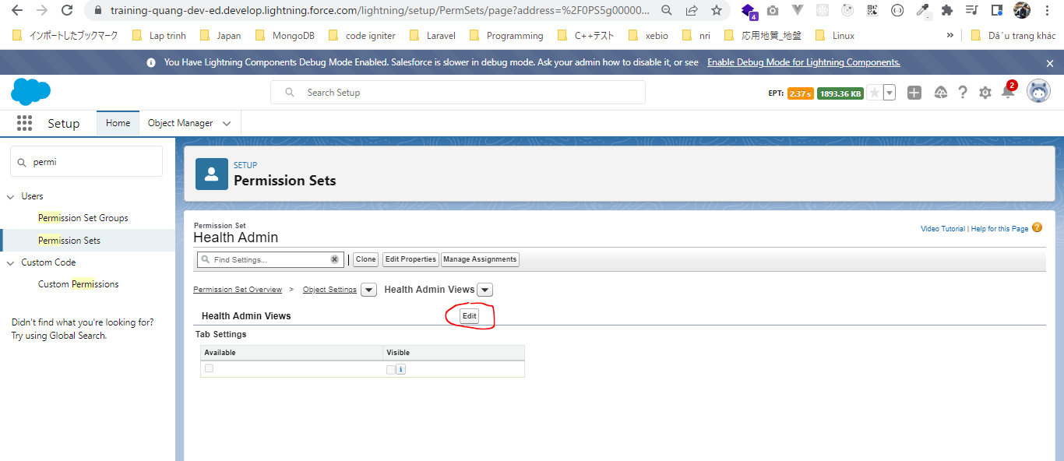

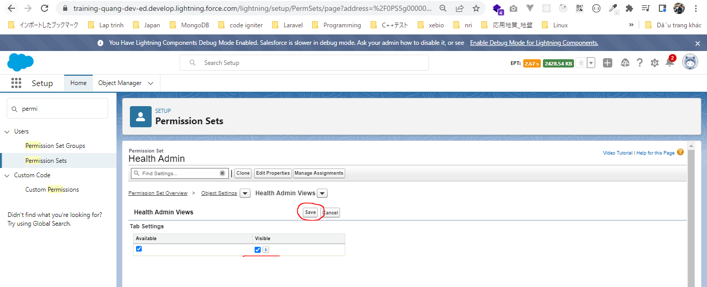

Add new custom tab to our contact tracing application
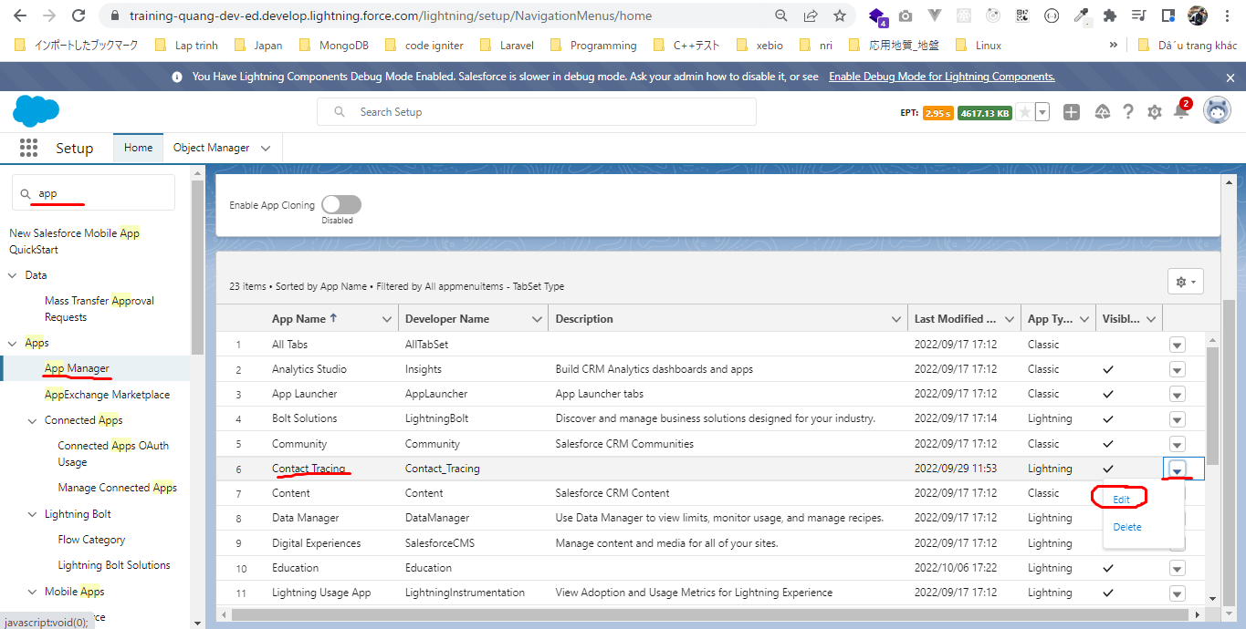

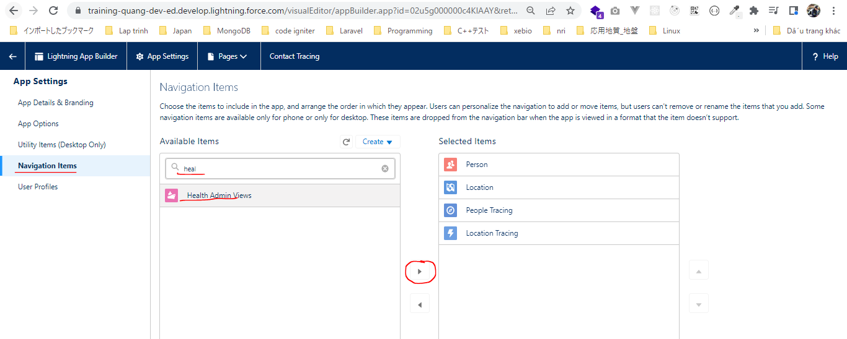

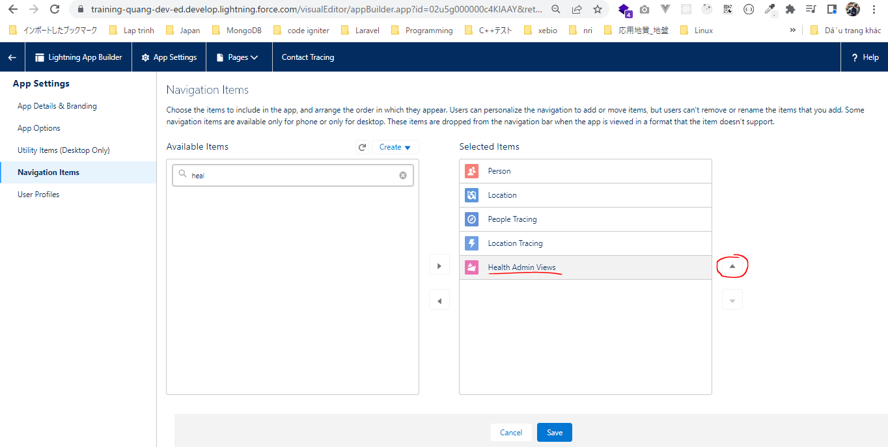

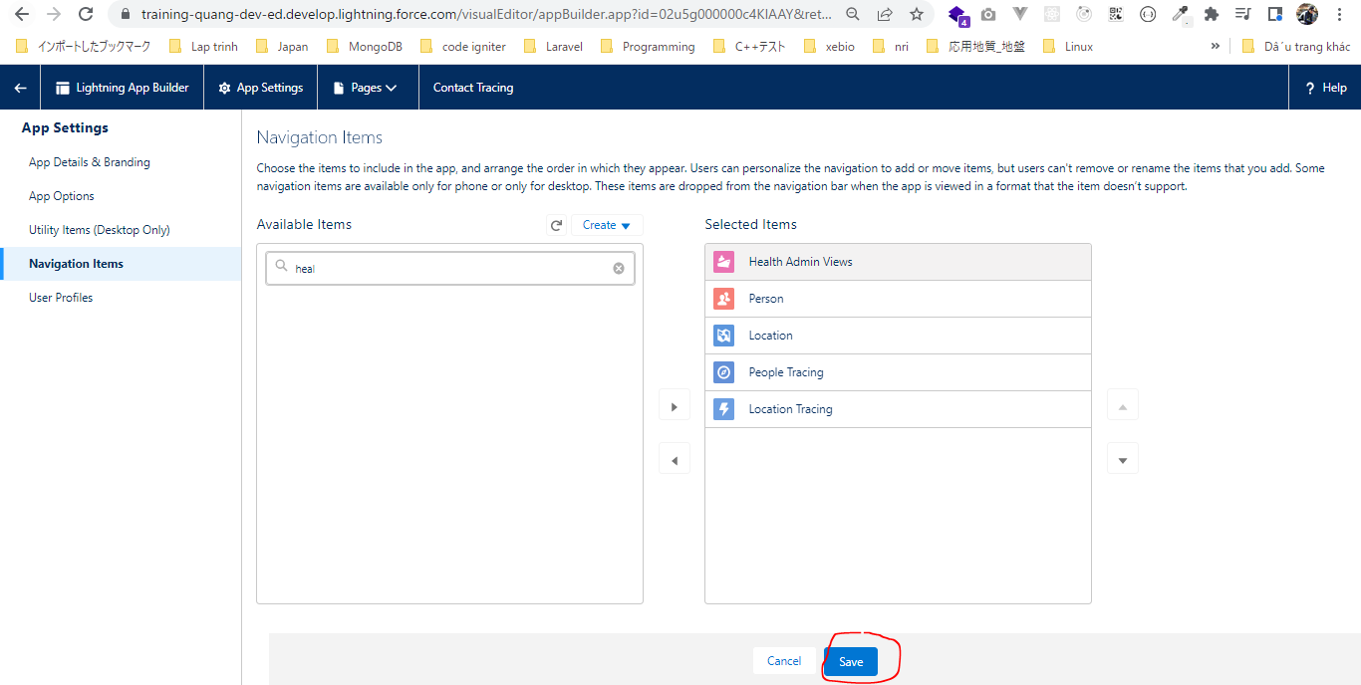

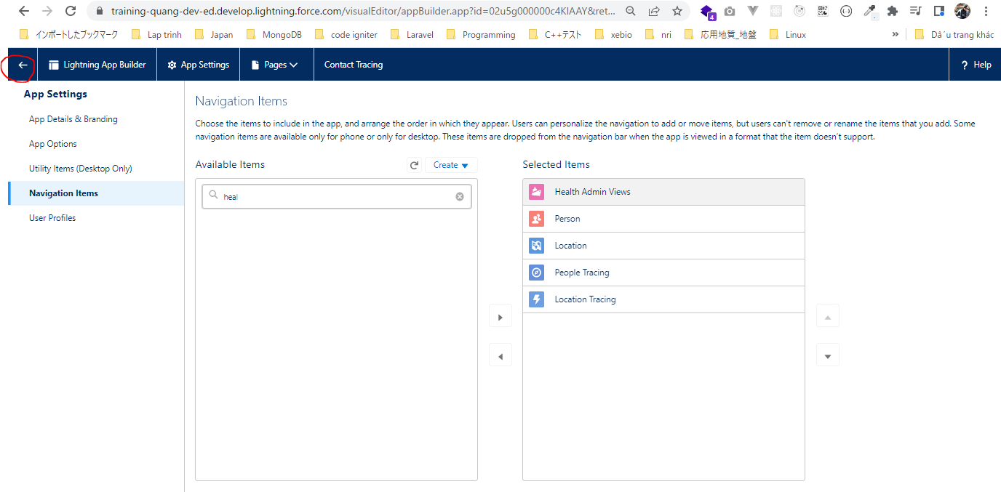

Clear cache then refresh and check
 | Có thêm tab Heath Amin Views

Style With Custom CSS
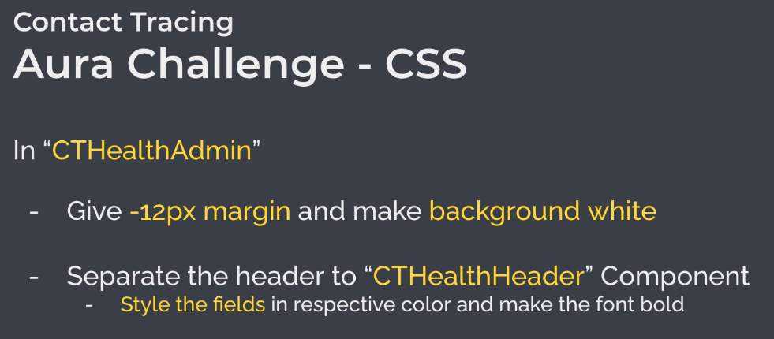

構成
 | salesforce
 |  | 2.Apex-Fundamentals
 |  | 3.Control-Flow-Statements
 |  | 4.Apex-Classes-and-Methods
 |  | 5.Apex-Testing
 |  | 6.Salesforce-Object-Query-Language
 |  | 7.SObject-and-DML
 |  | 8.Exception-Handling
 |  | 9.VS Code-Setup
 |  | 10.Governors-Limits-and-Code-Bulkification
 |  | 11.Advanced-SOQL
 |  | 12.Trigger-overview
 |  | 13.Apex-Testing-Part-2
 |  | 14.Aura-Framework
 |  | Boss-Level-Challenge
 |  |  | contact-tracing
 |  |  |  | force-app
 |  |  |  |  | main
 |  |  |  |  |  | default
 |  |  |  |  |  |  | classes
 |  |  |  |  |  |  |  | AccountContactService.cls
 |  |  |  |  |  |  |  | BoardPanelController.cls
 |  |  |  |  |  |  |  | ContactTriggerHandler.cls
 |  |  |  |  |  |  |  | ContactTriggerHandlerTest.cls
 |  |  |  |  |  |  |  | CTLocationController.cls
 |  |  |  |  |  |  |  | CTLocationTracingController.cls
 |  |  |  |  |  |  |  | CTLocationTracingTriggerHandler.cls
 |  |  |  |  |  |  |  | CTLocationTriggerHandler.cls
 |  |  |  |  |  |  |  | CTPeopleTracingController.cls
 |  |  |  |  |  |  |  | CTPeopleTracingTriggerHandler.cls
 |  |  |  |  |  |  |  | CTPersonController.cls
 |  |  |  |  |  |  |  | CTPersonTriggerHandler.cls
 |  |  |  |  |  |  |  | GameResultController.cls
 |  |  |  |  |  |  | aura
 |  |  |  |  |  |  |  | Block
 |  |  |  |  |  |  |  | BlockClickEvent
 |  |  |  |  |  |  |  | Board
 |  |  |  |  |  |  |  | BoardPanel
 |  |  |  |  |  |  |  | CTHealthAdmin
 |  |  |  |  |  |  |  |  | CTHealthAdmin.cmp | → | code
 |  |  |  |  |  |  |  | CTHealthHeader |  | → | Create new aura component
 |  |  |  |  |  |  |  |  | CTHealthHeader.cmp
 |  |  |  |  |  |  |  |  | CTHealthHeader.css
 |  |  |  |  |  |  |  | GameResult
 |  |  |  |  |  |  |  | HelloWorld
 |  |  |  |  |  |  |  | ResultApplicationEvent
 |  |  |  | .prettierrc

Create CTHealthHeader component
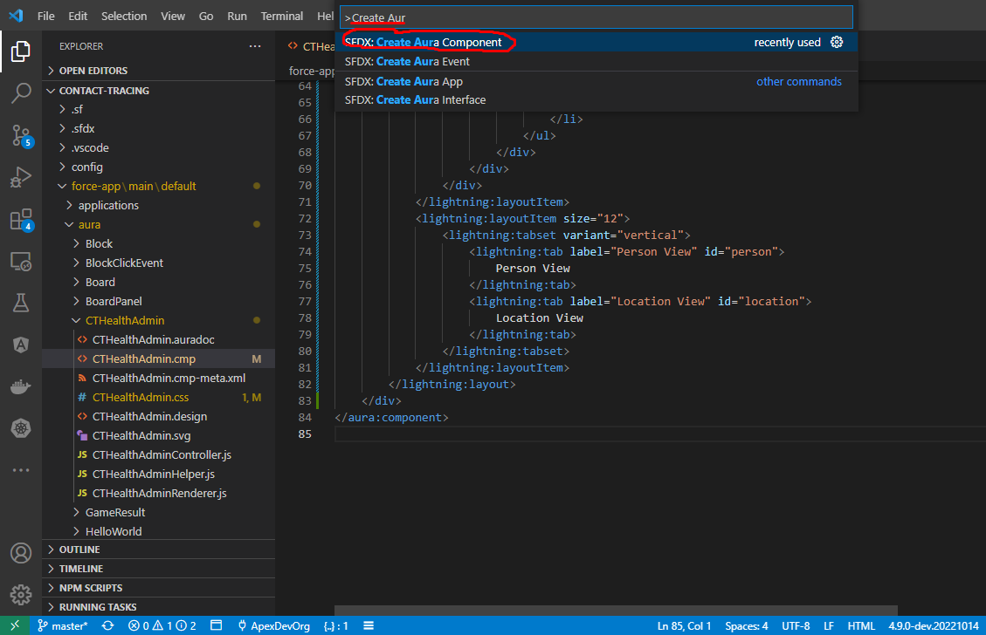

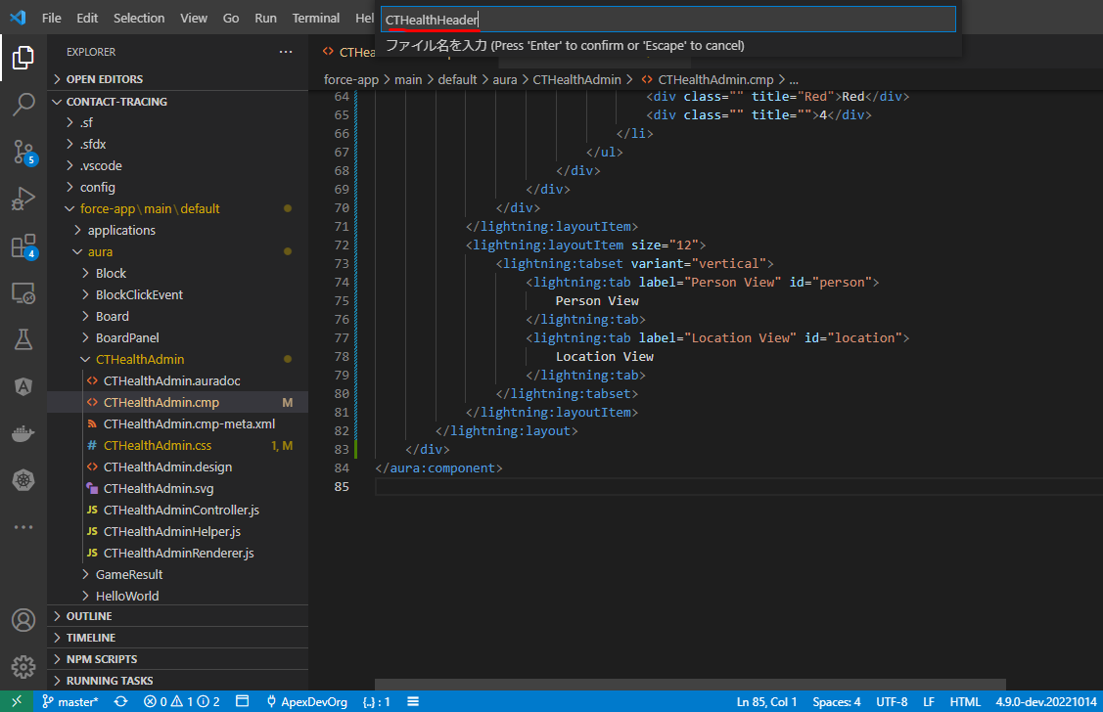

salesforce\Boss-Level-Challenge\contact-tracing\force-app\main\default\aura\CTHealthHeader\CTHealthHeader.cmp
 | <aura:component>
 | <div class="slds-page-header slds-page-header_record-home">
 | <div class="slds-page-header__row">
 | <div class="slds-page-header__col-title">
 | <div class="slds-media">
 | <div class="slds-media__figure">
 | <span class="slds-icon_container slds-icon-standard-opportunity">
 | <lightning:icon iconName="standard:queue" alternativeText="Contact Tracing" title="Contact Tracing" />
 | </span>
 | </div>
 | <div class="slds-media__body">
 | <div class="slds-page-header__name">
 | <div class="slds-page-header__name-title">
 | <h1>
 | <span>Contact Tracing</span>
 | <span class="slds-page-header__title slds-truncate" title="Person View">Person View</span>
 | </h1>
 | </div>
 | </div>
 | </div>
 | </div>
 | </div>
 | <div class="slds-page-header__col-actions">
 | <div class="slds-page-header__controls">
 | <div class="slds-page-header__control">
 | <ul class="slds-button-group-list">
 | <li>
 | <button class="slds-button slds-button_neutral">Add New</button>
 | </li>
 | </ul>
 | </div>
 | </div>
 | </div>
 | </div>
 | <div class="slds-page-header__row slds-page-header__row_gutters">
 | <div class="slds-page-header__col-details">
 | <ul class="slds-page-header__detail-row">
 | <li class="slds-page-header__detail-block">
 | <div class="header-item green" title="Green">Green</div>
 | <div class="header-item green" title="">23</div>
 | </li>
 | <li class="slds-page-header__detail-block">
 | <div class="header-item yellow" title="Yellow">Yellow</div>
 | <div class="header-item yellow" title="">12</div>
 | </li>
 | <li class="slds-page-header__detail-block">
 | <div class="header-item orange" title="Orange">Orange</div>
 | <div class="header-item orange" title="">67</div>
 | </li>
 | <li class="slds-page-header__detail-block">
 | <div class="header-item red" title="Red">Red</div>
 | <div class="header-item red" title="">4</div>
 | </li>
 | </ul>
 | </div>
 | </div>
 | </div>
 | </aura:component>

salesforce\Boss-Level-Challenge\contact-tracing\force-app\main\default\aura\CTHealthHeader\CTHealthHeader.css
 | .THIS {
 | }
 | .THIS .header-item {
 | font-size: small;
 | letter-spacing: 0.5px;
 | font-weight: 600;
 | text-transform: uppercase;
 | }

 | .THIS .green {
 | color: green;
 | }

 | .THIS .yellow {
 | color: #baba00;
 | }

 | .THIS .orange {
 | color: orange;
 | }

 | .THIS .red {
 | color: red;
 | }

salesforce\Boss-Level-Challenge\contact-tracing\force-app\main\default\aura\CTHealthAdmin\CTHealthAdmin.cmp
 | <!--
 | @description :
 | @author : ChangeMeIn@UserSettingsUnder.SFDoc
 | @group :
 | @last modified on : 06-10-2021
 | @last modified by : ChangeMeIn@UserSettingsUnder.SFDoc
 | Modifications Log
 | Ver Date Author Modification
 | 1.0 06-10-2021 ChangeMeIn@UserSettingsUnder.SFDoc Initial Version
 | -->
 | <aura:component implements="force:appHostable">
 | <div class="container">
 | <lightning:layout multipleRows="true">
 | <lightning:layoutItem size="12">
 | <c:CTHealthHeader />
 | </lightning:layoutItem>
 | <lightning:layoutItem size="12">
 | <lightning:tabset variant="vertical">
 | <lightning:tab label="Person View" id="person">
 | Person View
 | </lightning:tab>
 | <lightning:tab label="Location View" id="location">
 | Location View
 | </lightning:tab>
 | </lightning:tabset>
 | </lightning:layoutItem>
 | </lightning:layout>
 | </div>
 | </aura:component>

salesforce\Boss-Level-Challenge\contact-tracing\force-app\main\default\aura\CTHealthAdmin\CTHealthAdmin.css
 | .THIS {
 | }

 | .THIS.container {
 | margin: -12px;
 | background: white;
 | }

Deploy
 | ①CTHealthHeader
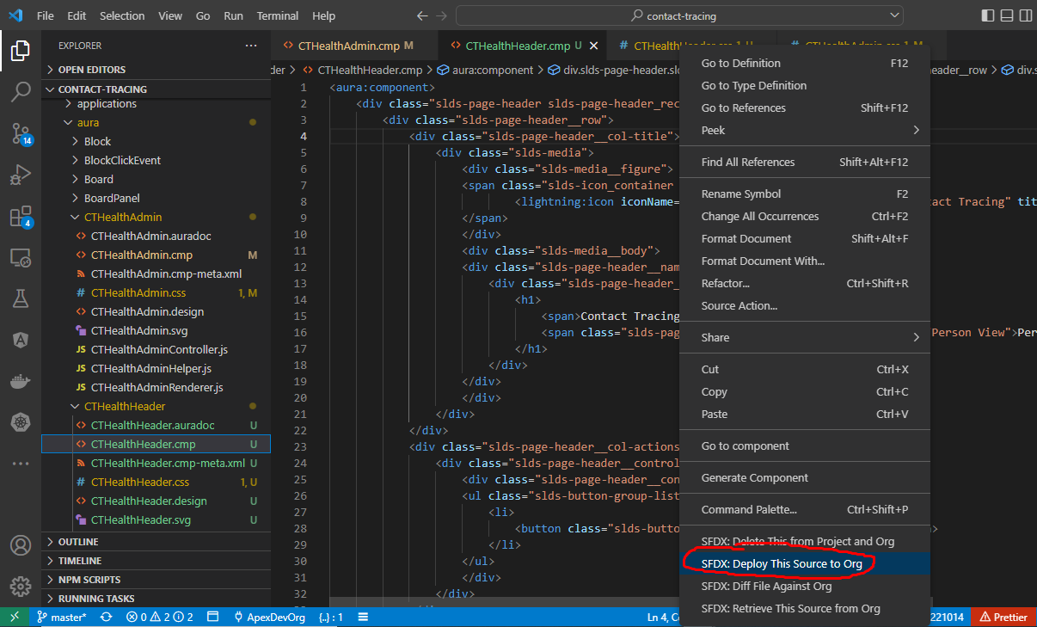

 | ②CTHealthAdmin
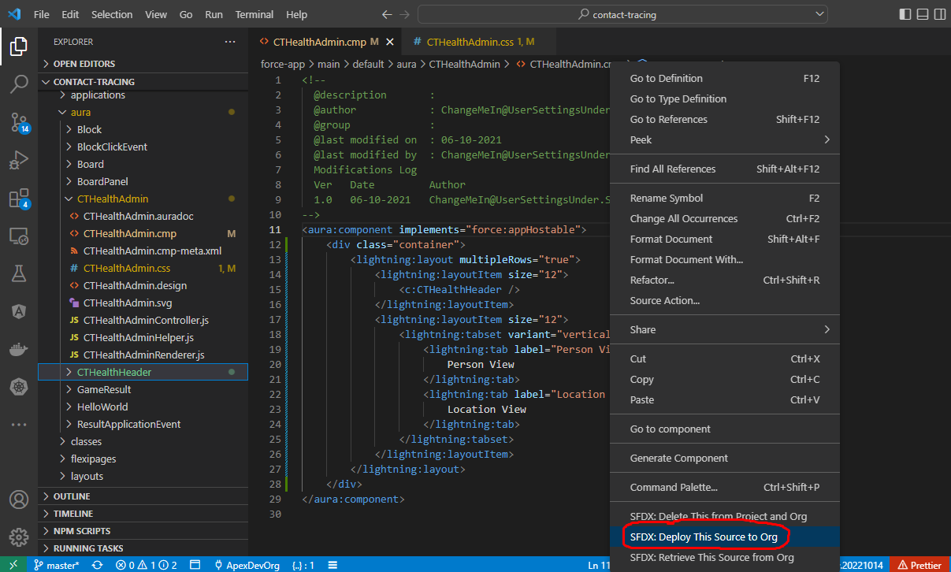

Clear cache then refresh and check

Make Interactive WithJavascript
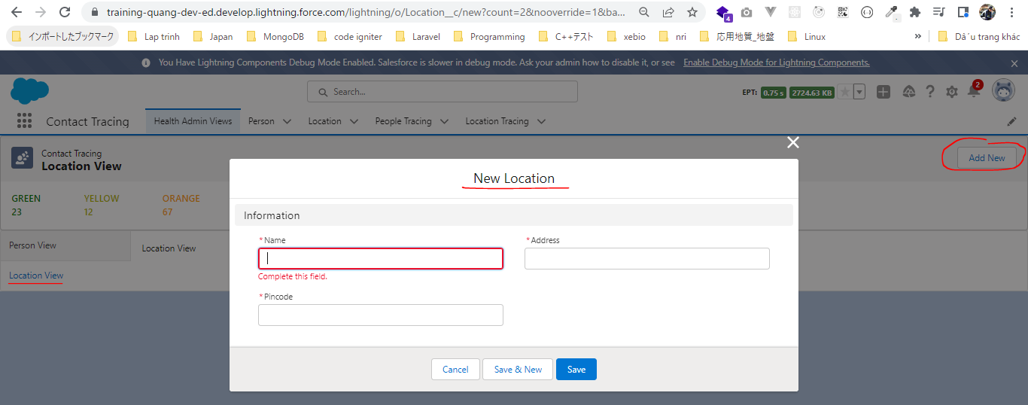
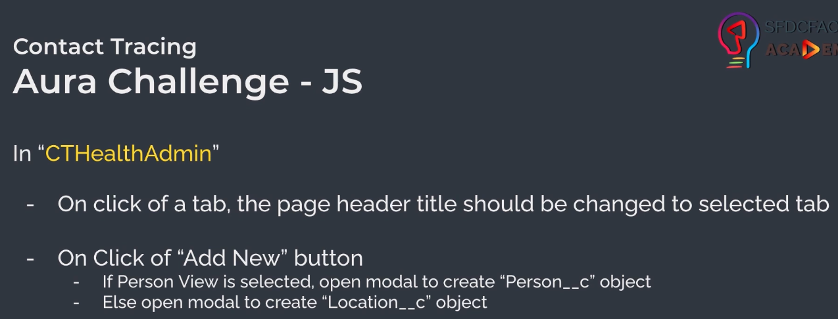

構成
 | salesforce
 |  | 2.Apex-Fundamentals
 |  | 3.Control-Flow-Statements
 |  | 4.Apex-Classes-and-Methods
 |  | 5.Apex-Testing
 |  | 6.Salesforce-Object-Query-Language
 |  | 7.SObject-and-DML
 |  | 8.Exception-Handling
 |  | 9.VS Code-Setup
 |  | 10.Governors-Limits-and-Code-Bulkification
 |  | 11.Advanced-SOQL
 |  | 12.Trigger-overview
 |  | 13.Apex-Testing-Part-2
 |  | 14.Aura-Framework
 |  | Boss-Level-Challenge
 |  |  | contact-tracing
 |  |  |  | force-app
 |  |  |  |  | main
 |  |  |  |  |  | default
 |  |  |  |  |  |  | classes
 |  |  |  |  |  |  |  | AccountContactService.cls
 |  |  |  |  |  |  |  | BoardPanelController.cls
 |  |  |  |  |  |  |  | ContactTriggerHandler.cls
 |  |  |  |  |  |  |  | ContactTriggerHandlerTest.cls
 |  |  |  |  |  |  |  | CTLocationController.cls
 |  |  |  |  |  |  |  | CTLocationTracingController.cls
 |  |  |  |  |  |  |  | CTLocationTracingTriggerHandler.cls
 |  |  |  |  |  |  |  | CTLocationTriggerHandler.cls
 |  |  |  |  |  |  |  | CTPeopleTracingController.cls
 |  |  |  |  |  |  |  | CTPeopleTracingTriggerHandler.cls
 |  |  |  |  |  |  |  | CTPersonController.cls
 |  |  |  |  |  |  |  | CTPersonTriggerHandler.cls
 |  |  |  |  |  |  |  | GameResultController.cls
 |  |  |  |  |  |  | aura
 |  |  |  |  |  |  |  | Block
 |  |  |  |  |  |  |  | BlockClickEvent
 |  |  |  |  |  |  |  | Board
 |  |  |  |  |  |  |  | BoardPanel
 |  |  |  |  |  |  |  | CTHealthAdmin
 |  |  |  |  |  |  |  |  | CTHealthAdmin.cmp |  |  | → | code
 |  |  |  |  |  |  |  |  | CTHealthAdminController.js |  |  | → | code
 |  |  |  |  |  |  |  | CTHealthHeader
 |  |  |  |  |  |  |  |  | CTHealthHeader.cmp |  |  | → | code
 |  |  |  |  |  |  |  |  | CTHealthHeader.css |  |  | → | code
 |  |  |  |  |  |  |  | GameResult
 |  |  |  |  |  |  |  | HelloWorld
 |  |  |  |  |  |  |  | ResultApplicationEvent
 |  |  |  | .prettierrc

salesforce\Boss-Level-Challenge\contact-tracing\force-app\main\default\aura\CTHealthAdmin\CTHealthAdmin.cmp
 | Tabset onselect event
 | https://developer.salesforce.com/docs/component-library/bundle/lightning:tabset/example#lightningcomponentdemo:exampleTabsetSelect
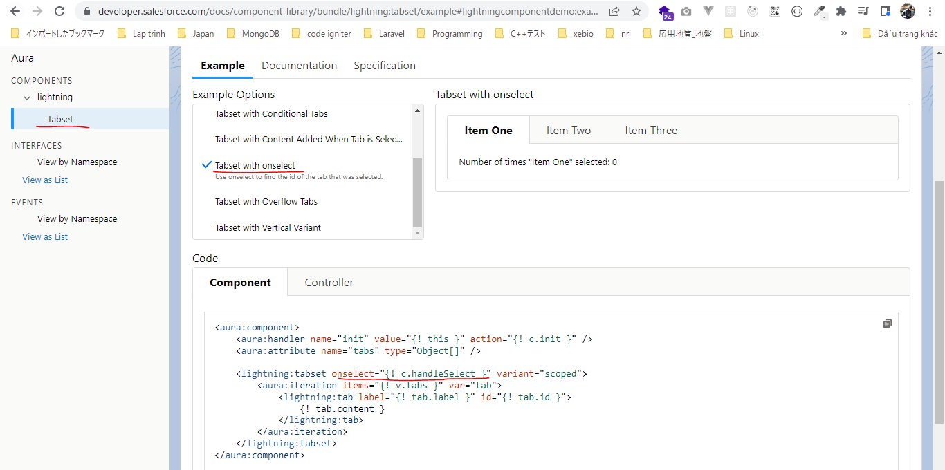

 | <!--
 | @description :
 | @author : ChangeMeIn@UserSettingsUnder.SFDoc
 | @group :
 | @last modified on : 06-10-2021
 | @last modified by : ChangeMeIn@UserSettingsUnder.SFDoc
 | Modifications Log
 | Ver Date Author Modification
 | 1.0 06-10-2021 ChangeMeIn@UserSettingsUnder.SFDoc Initial Version
 | -->
 | <aura:component implements="force:appHostable">
 | <aura:attribute name="scope" type="String" default="person" /> |  |  |  |  |  |  |  |  | → | store which selected id
 | <aura:attribute name="headerTitle" type="String" default="Person View" /> |  |  |  |  |  |  |  |  | → | use to change the title

 | <div class="container">
 | <lightning:layout multipleRows="true">
 | <lightning:layoutItem size="12">
 | <c:CTHealthHeader headerTitle="{!v.headerTitle}" scope="{!v.scope}" /> |  |  |  |  |  |  |  |  | → | pass headerTitle and scope value from CTHealthAdmin component to CTHealthHeader component
 | </lightning:layoutItem>
 | <lightning:layoutItem size="12">
 | <lightning:tabset onselect="{!c.tabSelectHandler}" variant="vertical">
 | <lightning:tab label="Person View" id="person">
 | Person View
 | </lightning:tab>
 | <lightning:tab label="Location View" id="location">
 | Location View
 | </lightning:tab>
 | </lightning:tabset>
 | </lightning:layoutItem>
 | </lightning:layout>
 | </div>
 | </aura:component>

salesforce\Boss-Level-Challenge\contact-tracing\force-app\main\default\aura\CTHealthAdmin\CTHealthAdminController.js
 | ({
 | tabSelectHandler: function (component, event, helper) {
 | const selectedTabId = event.getParam("id");
 | if (selectedTabId === "person") {
 | component.set("v.headerTitle", "Person View");
 | } else {
 | component.set("v.headerTitle", "Location View");
 | }
 | component.set("v.scope", selectedTabId);
 | }
 | });

salesforce\Boss-Level-Challenge\contact-tracing\force-app\main\default\aura\CTHealthHeader\CTHealthHeader.cmp
 | <aura:component>
 | <aura:attribute name="scope" type="String" default="person" />
 | <aura:attribute name="headerTitle" type="String" default="Person View" />

 | <div class="slds-page-header slds-page-header_record-home">
 | <div class="slds-page-header__row">
 | <div class="slds-page-header__col-title">
 | <div class="slds-media">
 | <div class="slds-media__figure">
 | <span class="slds-icon_container slds-icon-standard-opportunity">
 | <lightning:icon iconName="standard:queue" alternativeText="Contact Tracing" title="Contact Tracing" />
 | </span>
 | </div>
 | <div class="slds-media__body">
 | <div class="slds-page-header__name">
 | <div class="slds-page-header__name-title">
 | <h1>
 | <span>Contact Tracing</span>
 | <span class="slds-page-header__title slds-truncate" title="{!v.headerTitle}">{!v.headerTitle}</span>
 | </h1>
 | </div>
 | </div>
 | </div>
 | </div>
 | </div>
 | <div class="slds-page-header__col-actions">
 | <div class="slds-page-header__controls">
 | <div class="slds-page-header__control">
 | <ul class="slds-button-group-list">
 | <li>
 | <button class="slds-button slds-button_neutral" onclick="{!c.createRecord}">Add New</button>
 | </li>
 | </ul>
 | </div>
 | </div>
 | </div>
 | </div>
 | <div class="slds-page-header__row slds-page-header__row_gutters">
 | <div class="slds-page-header__col-details">
 | <ul class="slds-page-header__detail-row">
 | <li class="slds-page-header__detail-block">
 | <div class="header-item green" title="Green">Green</div>
 | <div class="header-item green" title="">23</div>
 | </li>
 | <li class="slds-page-header__detail-block">
 | <div class="header-item yellow" title="Yellow">Yellow</div>
 | <div class="header-item yellow" title="">12</div>
 | </li>
 | <li class="slds-page-header__detail-block">
 | <div class="header-item orange" title="Orange">Orange</div>
 | <div class="header-item orange" title="">67</div>
 | </li>
 | <li class="slds-page-header__detail-block">
 | <div class="header-item red" title="Red">Red</div>
 | <div class="header-item red" title="">4</div>
 | </li>
 | </ul>
 | </div>
 | </div>
 | </div>
 | </aura:component>

salesforce\Boss-Level-Challenge\contact-tracing\force-app\main\default\aura\CTHealthHeader\CTHealthHeaderController.js
 | use our standard lighting event to create or show the modal to create a record
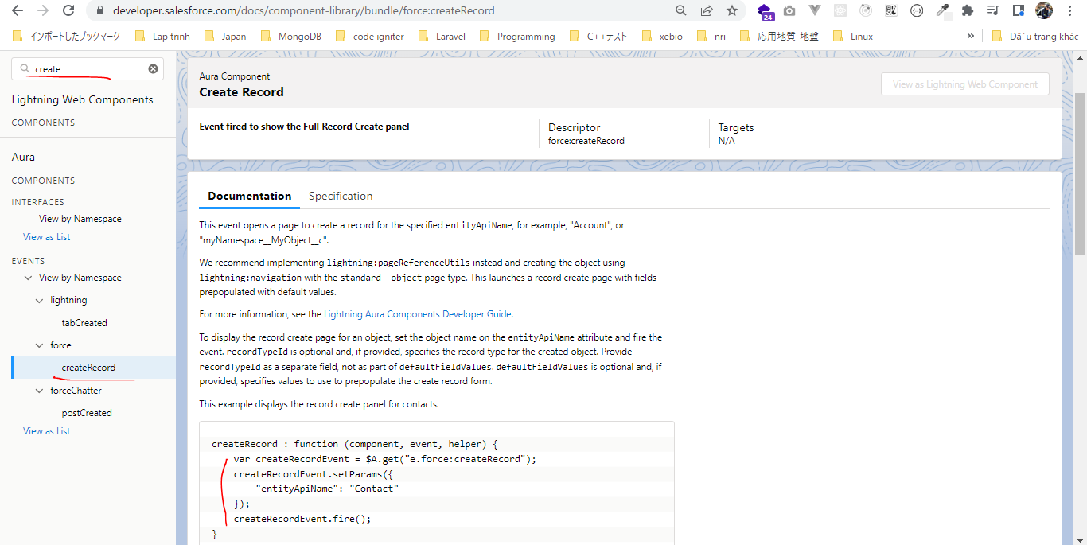

 | ({
 | createRecord: function (component, event, helper) {
 | const createRecordEvent = $A.get("e.force:createRecord");
 | const scope = component.get("v.scope");
 | createRecordEvent.setParams({
 | entityApiName: scope === "person" ? "Person__c" : "Location__c" |  |  |  |  |  |  |  | → | Khi click tab person thì create Person__c, click location thì create Location__c
 | });
 | createRecordEvent.fire();
 | }
 | });

Depoy
 | ①CTHealthHeader component
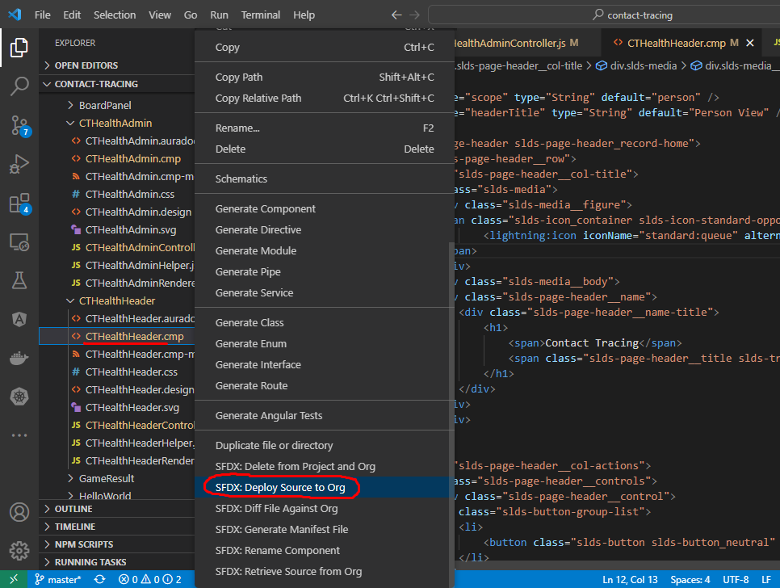

 | ②CTHealthAdmin
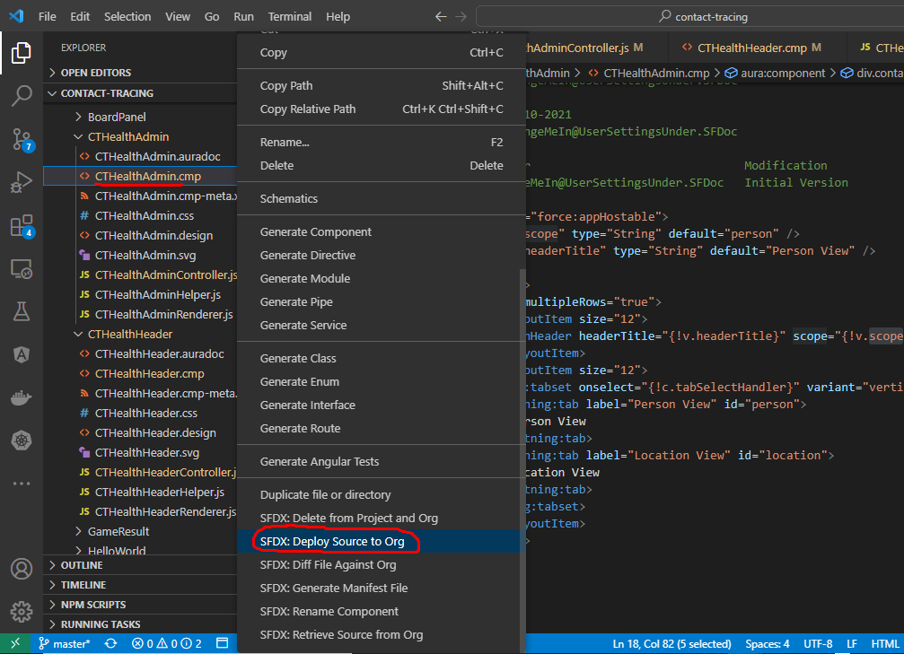

Clear cache then refresh and check
①header title should be changed to selected tab
 | Mặc định ban đầu Person View được chọn và header title được hiển thị là Person View

 | Click Location View tab thì header title cũng hiển thị sang Location View

②Click Add New button
 | Chọn tab Person View rồi click Add New button -> modal được hiện ra để add New Person
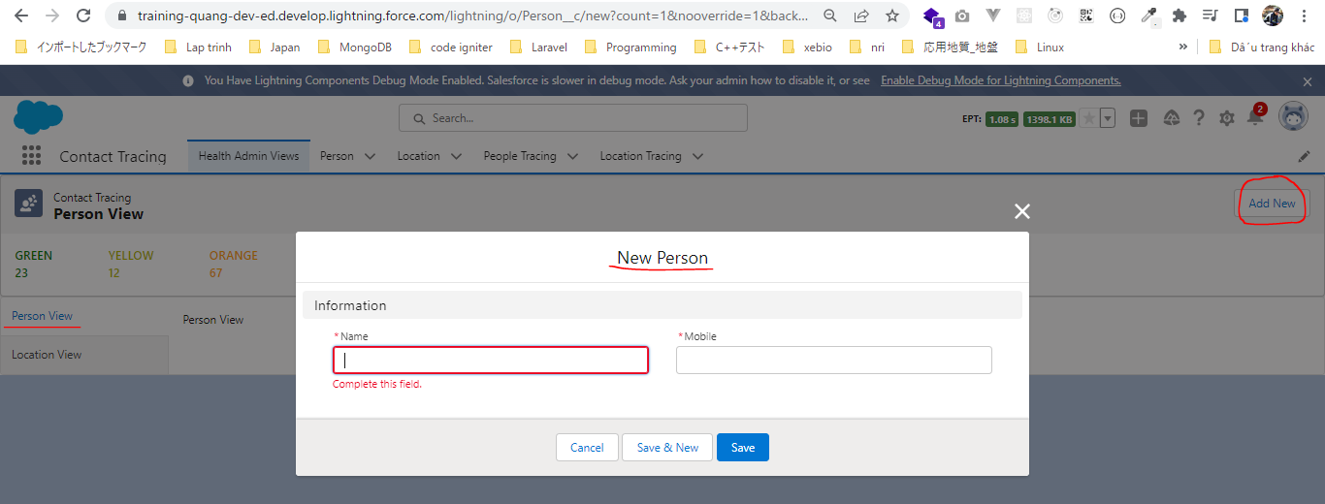

 | Chọn tab Location View rồi click Add New button -> modal được hiện ra để add New Location

