CT Data Model and Features
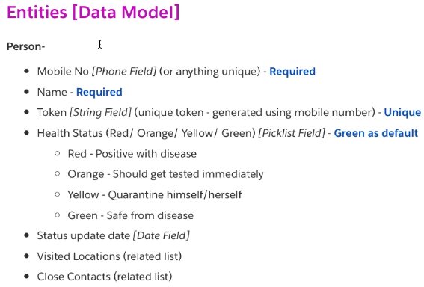
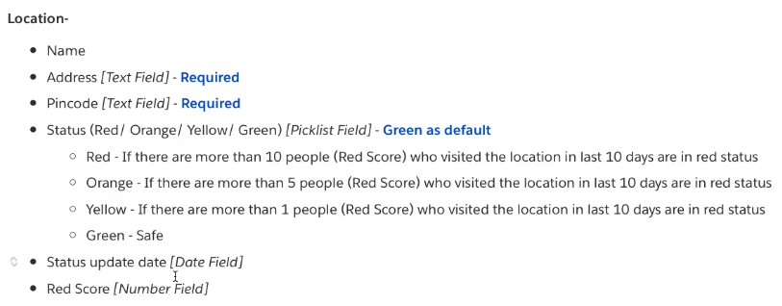
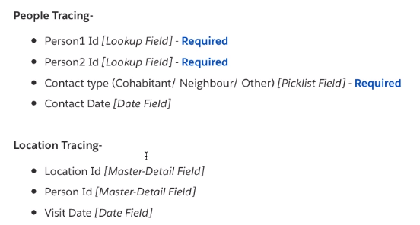
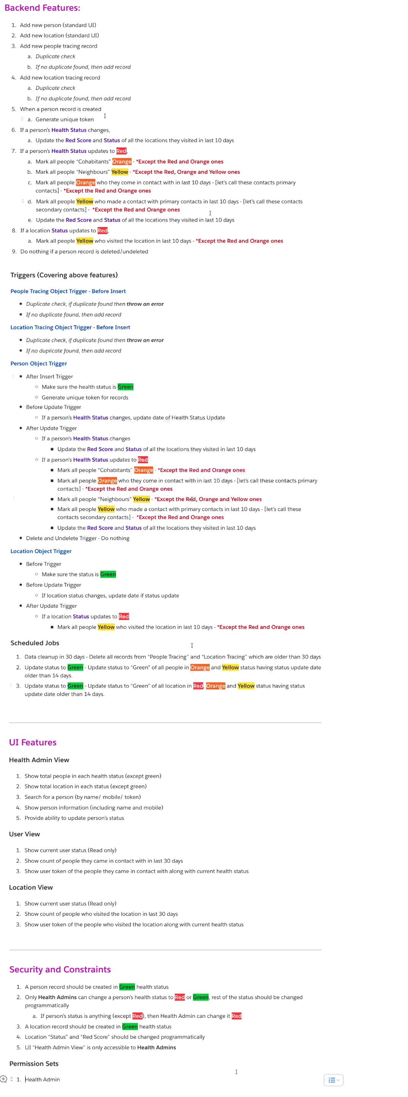
Contact Tracing App

CT Deploy Metadata
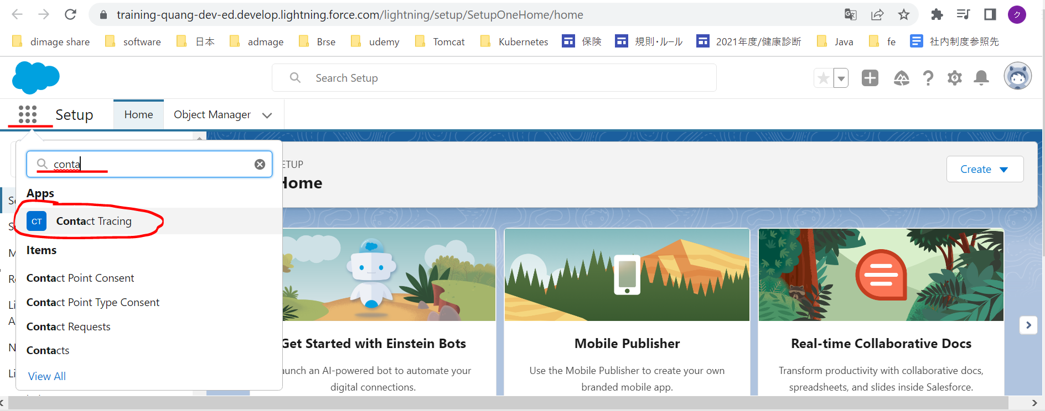
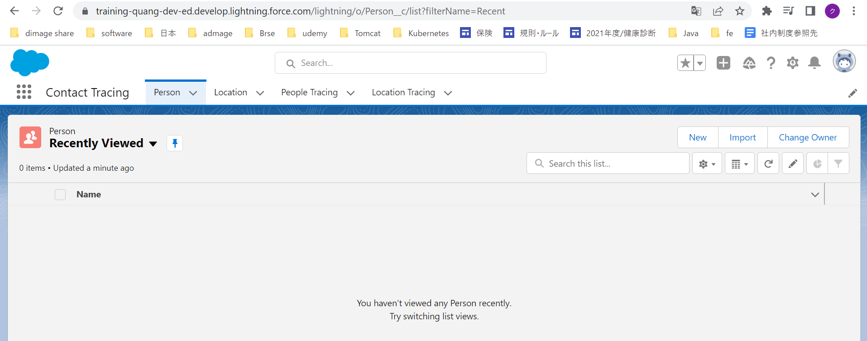
構成
 | salesforce
 |  | 2.Apex-Fundamentals
 |  | 3.Control-Flow-Statements
 |  | 4.Apex-Classes-and-Methods
 |  | 5.Apex-Testing
 |  | 6.Salesforce-Object-Query-Language
 |  | 7.SObject-and-DML
 |  | 8.Exception-Handling
 |  | 9.VS Code-Setup
 |  | 10.Governors-Limits-and-Code-Bulkification
 |  | Boss-Level-Challenge |  | → | new
 |  |  | contact-tracing | → | git clone --branch schema-metadata https://github.com/choudharymanish8585/contact-tracing.git

 | Install Object Schema
 | https://github.com/choudharymanish8585/contact-tracing
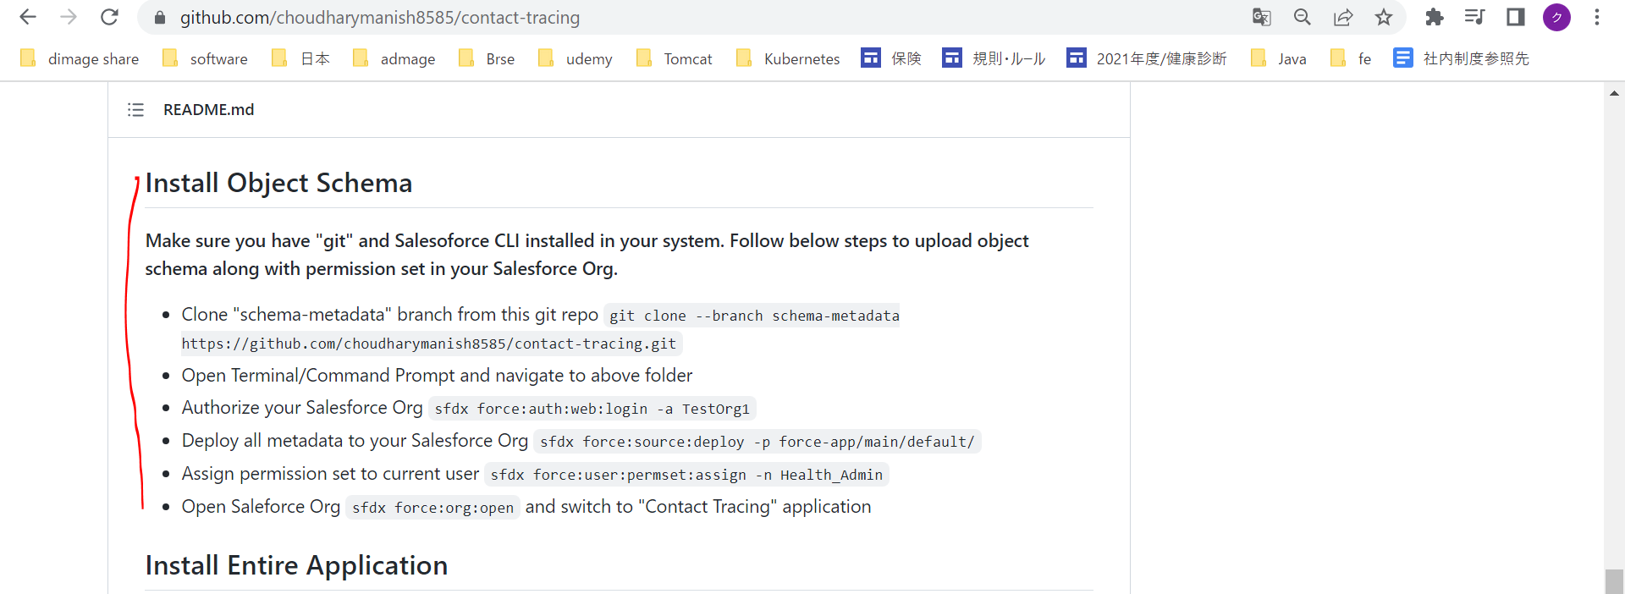

 | Open contact-tracing
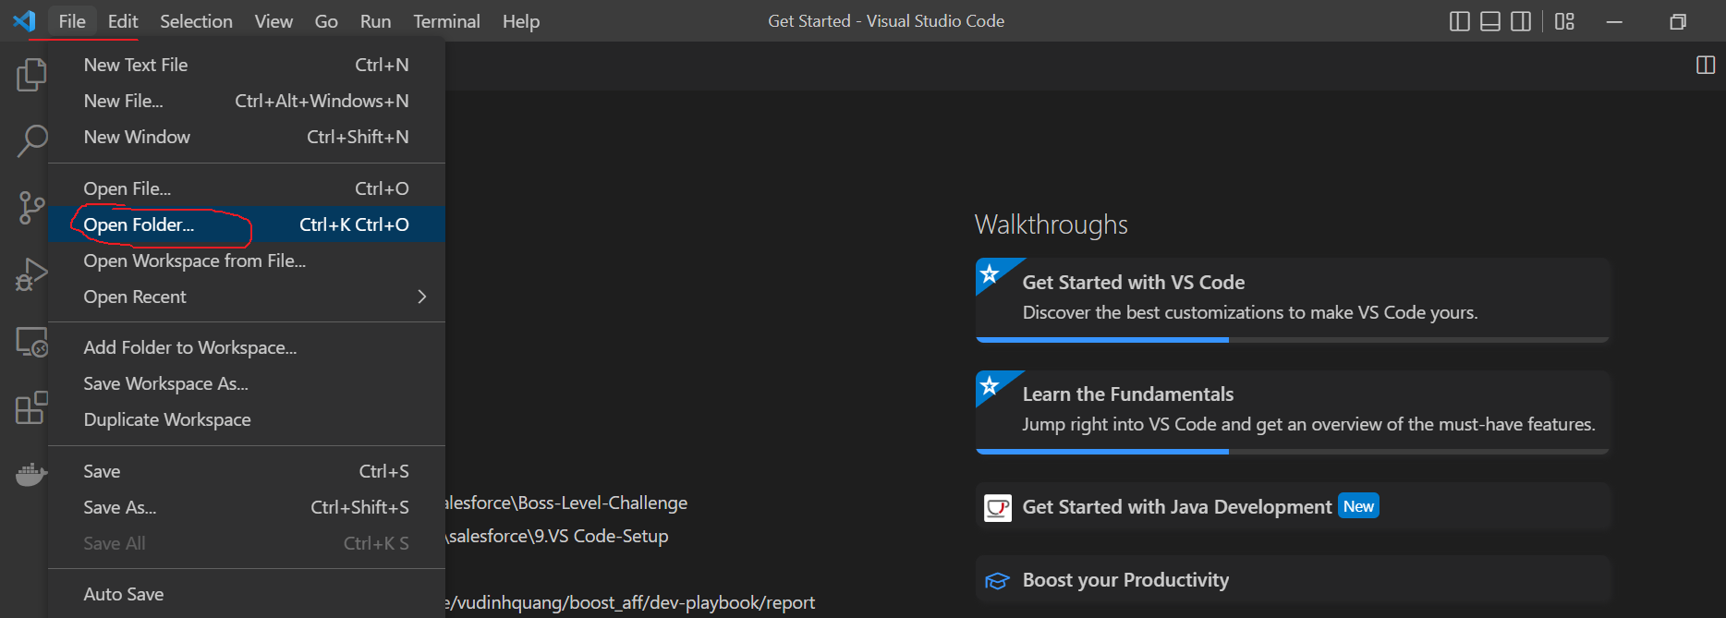

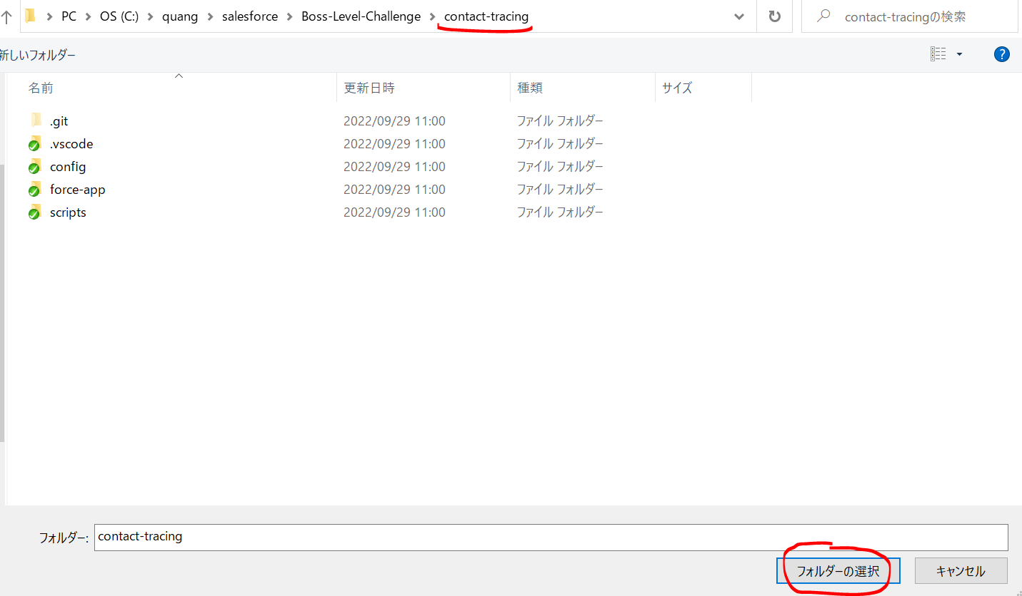

 | Có sẵn các đối tượng và layout cho Contact Tracing sau khi clone
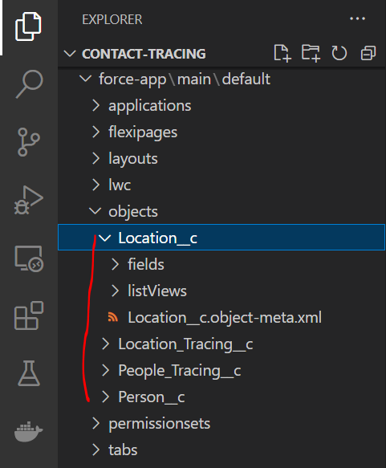

 | Authorize Saleforce
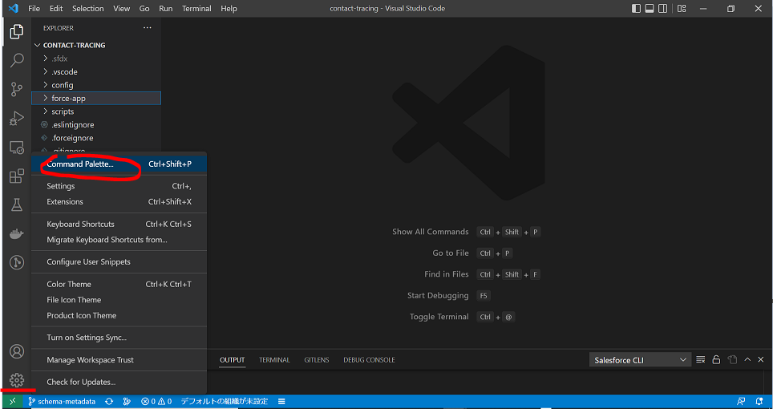

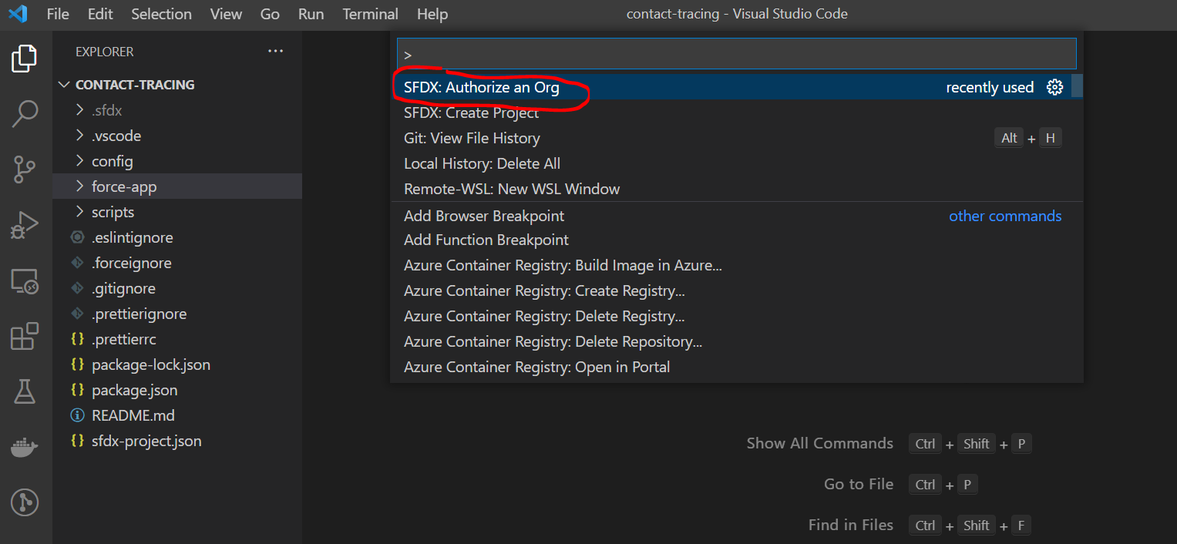

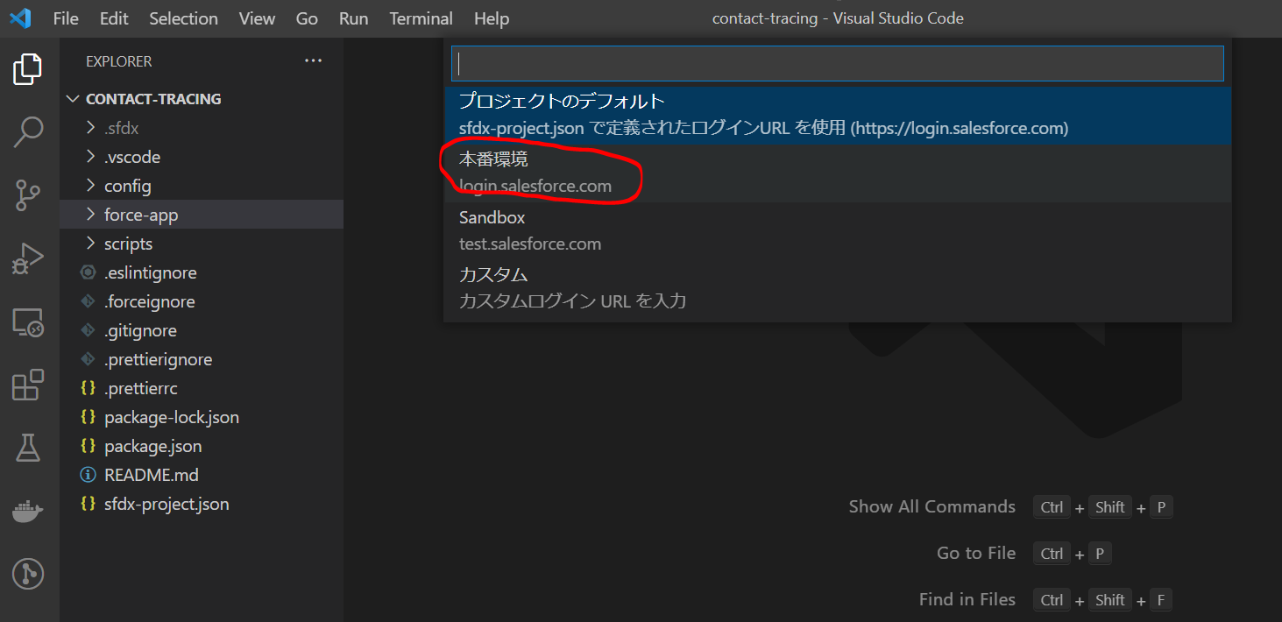

 | Gõ ApexDevOrg và Enter
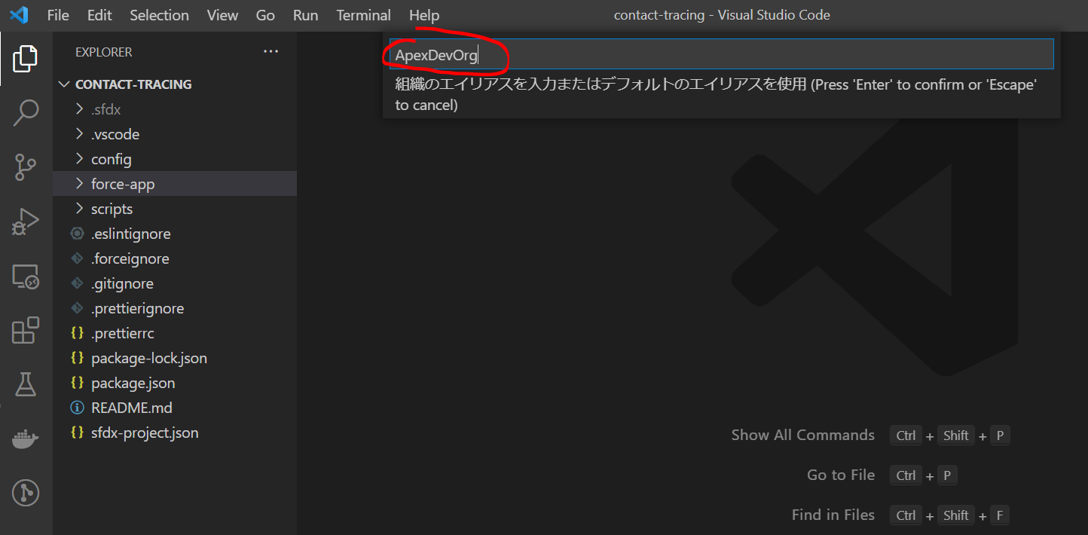



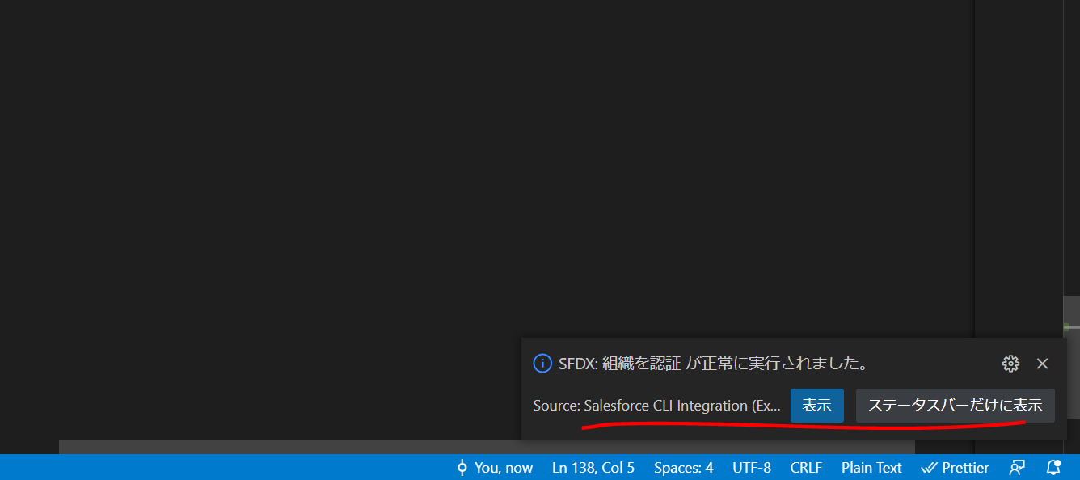

 | Deploy all metadata to Salesforce Org
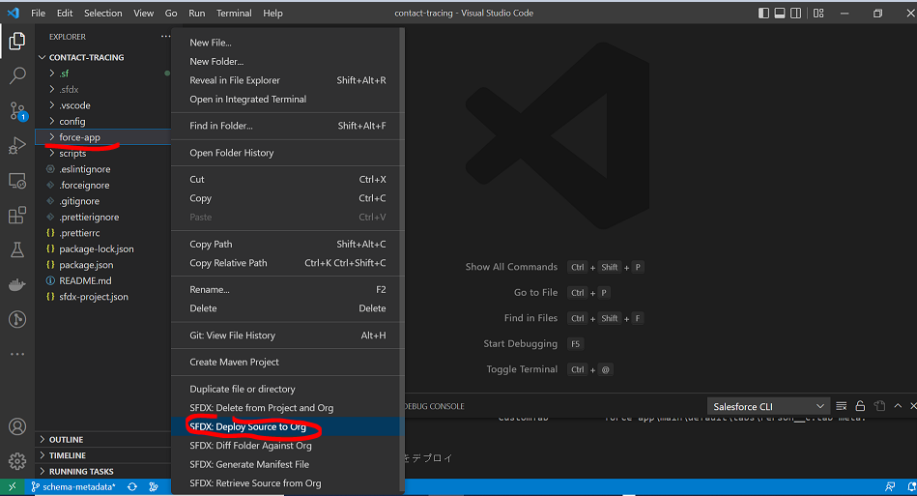

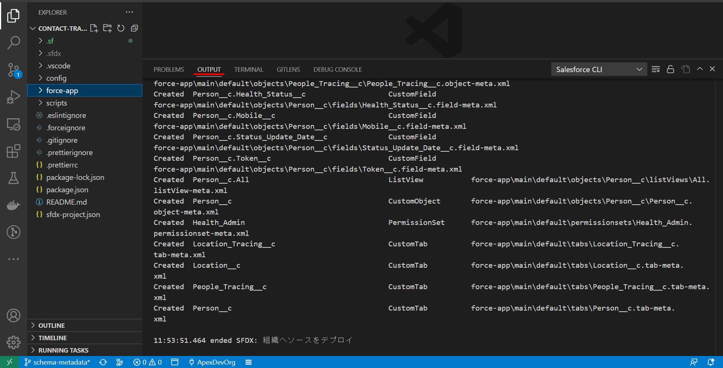

 | Open Saleforce Org using the command pallete
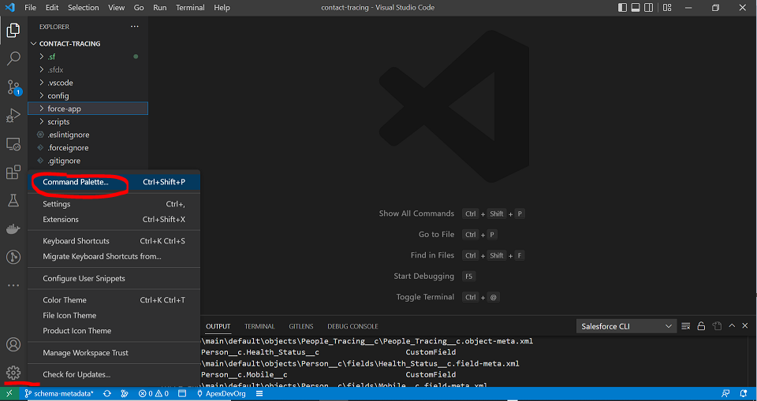

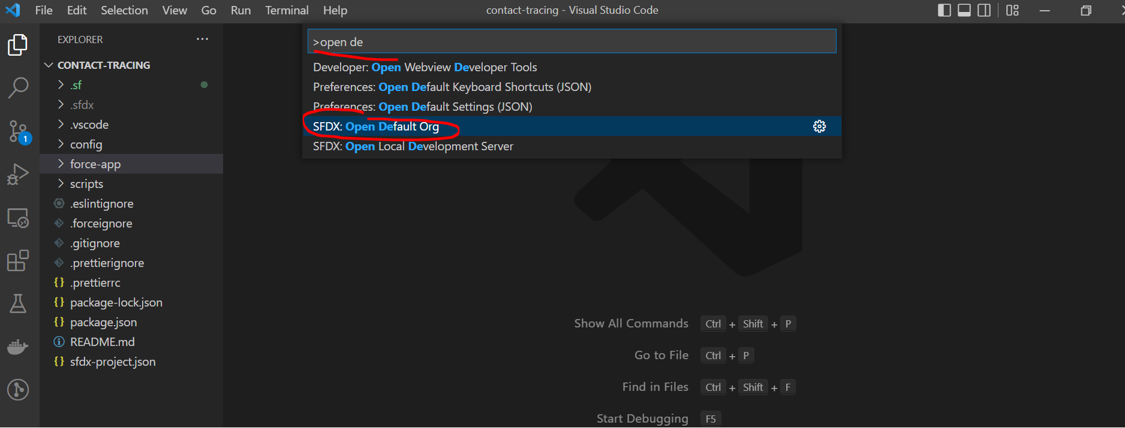

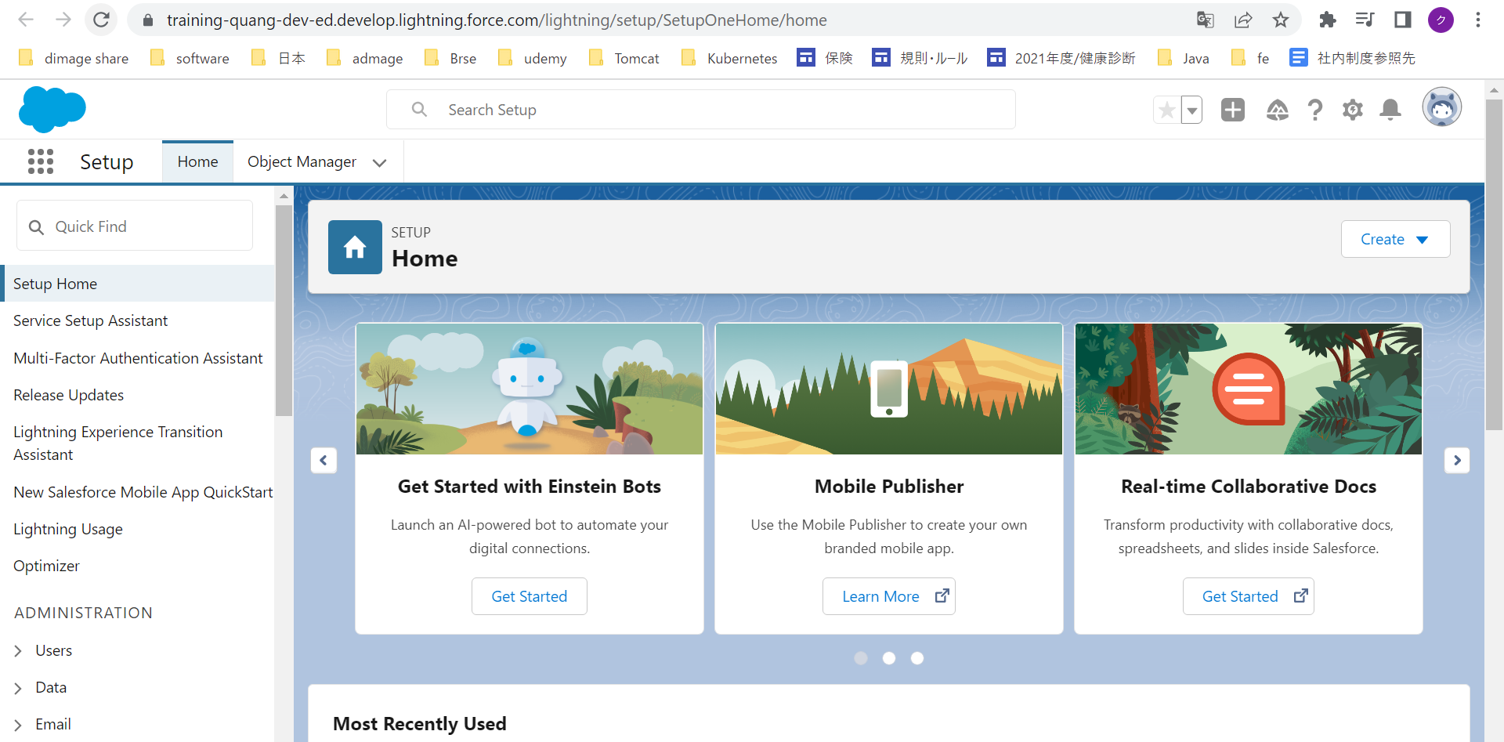

 | Assign permission set to current user
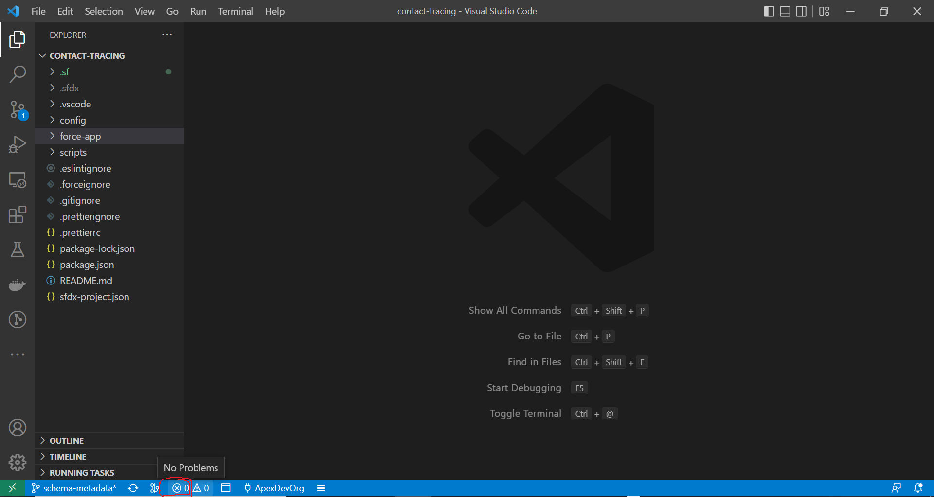

 | Open Saleforce Org and switch to "Contact Tracing" application

