People Tracing Data Cleanup
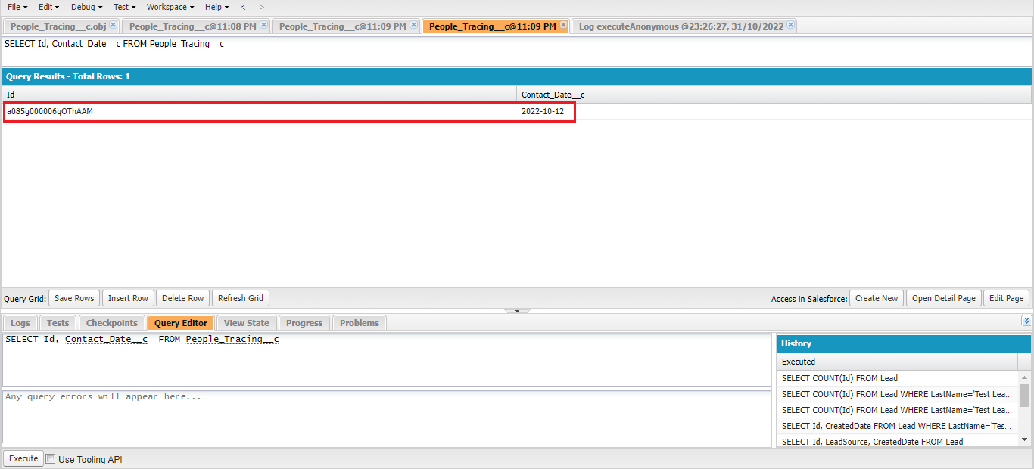


構成
 | salesforce
 |  | 2.Apex-Fundamentals
 |  | 3.Control-Flow-Statements
 |  | 4.Apex-Classes-and-Methods
 |  | 5.Apex-Testing
 |  | 6.Salesforce-Object-Query-Language
 |  | 7.SObject-and-DML
 |  | 8.Exception-Handling
 |  | 9.VS Code-Setup
 |  | 10.Governors-Limits-and-Code-Bulkification
 |  | 11.Advanced-SOQL
 |  | 12.Trigger-overview
 |  | 13.Apex-Testing-Part-2
 |  | 14.Aura-Framework
 |  | 15.Async-Apex
 |  | Boss-Level-Challenge
 |  |  | contact-tracing
 |  |  |  | force-app
 |  |  |  |  | main
 |  |  |  |  |  | default
 |  |  |  |  |  |  | classes
 |  |  |  |  |  |  |  | AccountContactService.cls
 |  |  |  |  |  |  |  | BoardPanelController.cls
 |  |  |  |  |  |  |  | ContactTriggerHandler.cls
 |  |  |  |  |  |  |  | ContactTriggerHandlerTest.cls
 |  |  |  |  |  |  |  | CTDataCleanupSchedule.cls |  | → | New Apex class
 |  |  |  |  |  |  |  | CTHealthHeaderController.cls
 |  |  |  |  |  |  |  | CTLocationController.cls
 |  |  |  |  |  |  |  | CTLocationTabController.cls
 |  |  |  |  |  |  |  | CTLocationTracingController.cls
 |  |  |  |  |  |  |  | CTLocationTracingTriggerHandler.cls
 |  |  |  |  |  |  |  | CTLocationTriggerHandler.cls
 |  |  |  |  |  |  |  | CTPeopleTracingController.cls
 |  |  |  |  |  |  |  | CTPeopleTracingDataCleanupBatch.cls |  | → | New Apex class
 |  |  |  |  |  |  |  | CTPeopleTracingTriggerHandler.cls
 |  |  |  |  |  |  |  | CTPersonController.cls
 |  |  |  |  |  |  |  | CTPersonTabController.cls
 |  |  |  |  |  |  |  | CTPersonTriggerHandler.cls
 |  |  |  |  |  |  |  | CTPersonViewController.cls
 |  |  |  |  |  |  |  | CTRecentChangesController.cls
 |  |  |  |  |  |  |  | GameResultController.cls
 |  |  |  |  |  |  | aura
 |  |  |  |  |  |  |  | Block
 |  |  |  |  |  |  |  | BlockClickEvent
 |  |  |  |  |  |  |  | Board
 |  |  |  |  |  |  |  | BoardPanel
 |  |  |  |  |  |  |  | CTHealthAdmin
 |  |  |  |  |  |  |  | CTHealthHeader
 |  |  |  |  |  |  |  | CTLocationSelectEvent
 |  |  |  |  |  |  |  | CTLocationTab
 |  |  |  |  |  |  |  | CTLocationView
 |  |  |  |  |  |  |  | CTPersonSelectEvent
 |  |  |  |  |  |  |  | CTPersonTab
 |  |  |  |  |  |  |  | CTPersonView
 |  |  |  |  |  |  |  | CTRecentChanges
 |  |  |  |  |  |  |  | GameResult
 |  |  |  |  |  |  |  | HelloWorld
 |  |  |  |  |  |  |  | ResultApplicationEvent
 |  |  |  | .prettierrc
 |  |  | 1.dev-console.txt
 |  |  | 2.dev-console.txt
 |  |  | 3.dev-console.txt
 |  |  | 4.dev-console.txt
 |  |  | 5.dev-console.txt
 |  |  | 6.dev-console.txt |  |  |  |  |  |  | → | new

salesforce\Boss-Level-Challenge\contact-tracing\force-app\main\default\classes\CTPeopleTracingDataCleanupBatch.cls
 | /**
 | * @description :
 | * @author : ChangeMeIn@UserSettingsUnder.SFDoc
 | * @group :
 | * @last modified on : 06-15-2021
 | * @last modified by : ChangeMeIn@UserSettingsUnder.SFDoc
 | * Modifications Log
 | * Ver Date Author Modification
 | * 1.0 06-15-2021 ChangeMeIn@UserSettingsUnder.SFDoc Initial Version
 | **/
 | public with sharing class CTPeopleTracingDataCleanupBatch implements Database.Batchable<SObject>{ |  |  |  |  |  |  |  |  |  | → | Make this class a batch first we need to implements Database.Batchable<SObject>

 | public Database.QueryLocator start(Database.BatchableContext bc){
 | return Database.getQueryLocator('SELECT Id FROM People_Tracing__c WHERE Contact_Date__c < LAST_N_DAYS : 30');
 | }

 | public void execute(Database.BatchableContext bc, List<People_Tracing__c> scope){
 | delete scope;
 | }

 | public void finish(Database.BatchableContext bc){
 | //System.debug('Batch is complete');
 | }
 | }

salesforce\Boss-Level-Challenge\contact-tracing\force-app\main\default\classes\CTDataCleanupSchedule.cls
 | /**
 | * @description :
 | * @author : ChangeMeIn@UserSettingsUnder.SFDoc
 | * @group :
 | * @last modified on : 06-15-2021
 | * @last modified by : ChangeMeIn@UserSettingsUnder.SFDoc
 | * Modifications Log
 | * Ver Date Author Modification
 | * 1.0 06-15-2021 ChangeMeIn@UserSettingsUnder.SFDoc Initial Version
 | **/
 | public with sharing class CTDataCleanupSchedule implements Schedulable {
 | public static final String CRON = '0 0 2 * * ?';
 | public void execute(SchedulableContext sc) {
 | CTPeopleTracingDataCleanupBatch peopleTracingBatch = new CTPeopleTracingDataCleanupBatch();
 | Database.executeBatch(peopleTracingBatch, 2000);
 | }
 | }

salesforce\Boss-Level-Challenge\6.dev-console.txt
 | CTDataCleanupSchedule dataCleanUp = new CTDataCleanupSchedule();
 | //String jobId = System.schedule('Data clean up Job', CTDataCleanupSchedule.CRON, dataCleanUp);
 | //System.debug('Job Id: ' + jobId);

 | dataCleanUp.execute(null);

Test
 | ①schedule
 | CTDataCleanupSchedule dataCleanUp = new CTDataCleanupSchedule();
 | String jobId = System.schedule('Data clean up Job', CTDataCleanupSchedule.CRON, dataCleanUp);
 | System.debug('Job Id: ' + jobId); |  |  |  |  |  |  |  | → | return job id only if this schedule is successful

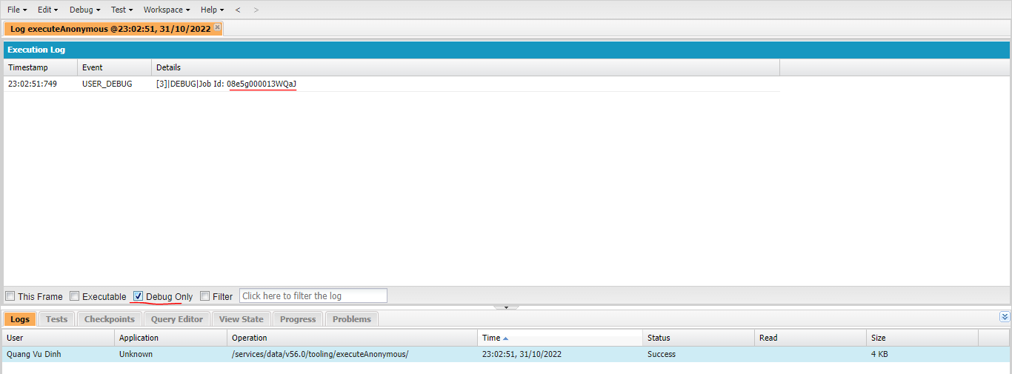

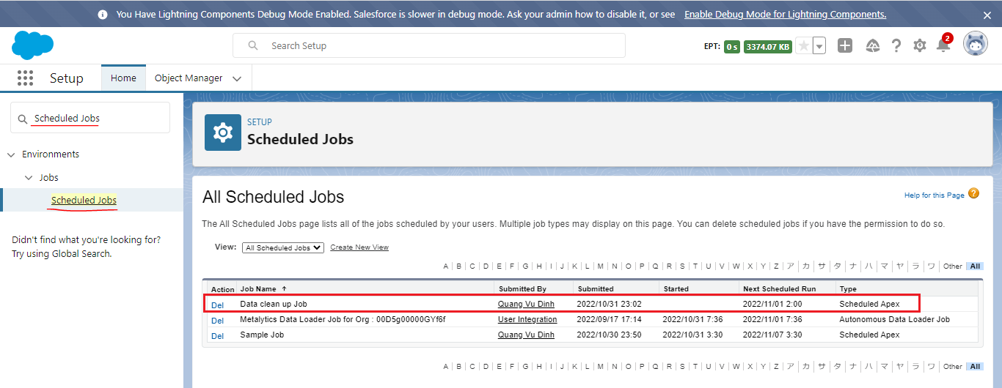

 | ②Test our solution
 | Check People_Tracing__c ban đầu
 | SELECT Id, Contact_Date__c FROM People_Tracing__c
 | Có 1 record có Contact_Date__c nhỏ hơn 30
 | today: 2022-10-31
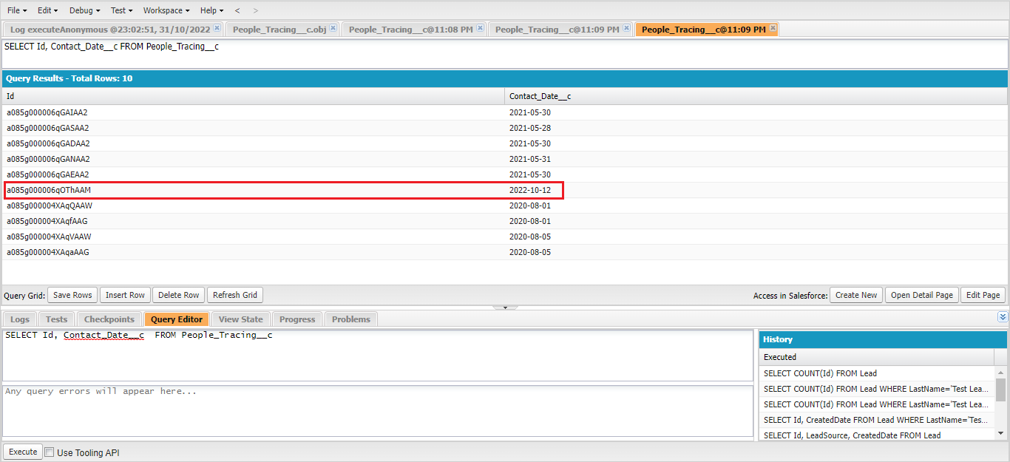

 | CTDataCleanupSchedule dataCleanUp = new CTDataCleanupSchedule();
 | //String jobId = System.schedule('Data clean up Job', CTDataCleanupSchedule.CRON, dataCleanUp);
 | //System.debug('Job Id: ' + jobId);

 | dataCleanUp.execute(null);

 | Check People_Tracing__c sau khi execute, kết quả là chỉ còn 1 record nhỏ hơn 30 ngày
 | SELECT Id, Contact_Date__c FROM People_Tracing__c

Location Tracing Data Cleanup
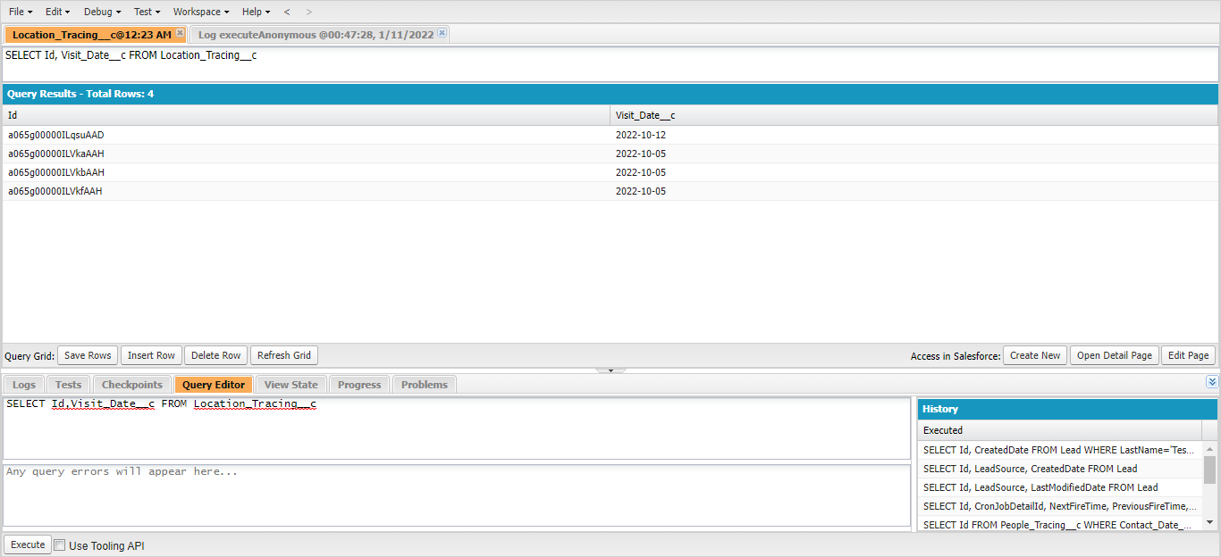
構成
 | salesforce
 |  | 2.Apex-Fundamentals
 |  | 3.Control-Flow-Statements
 |  | 4.Apex-Classes-and-Methods
 |  | 5.Apex-Testing
 |  | 6.Salesforce-Object-Query-Language
 |  | 7.SObject-and-DML
 |  | 8.Exception-Handling
 |  | 9.VS Code-Setup
 |  | 10.Governors-Limits-and-Code-Bulkification
 |  | 11.Advanced-SOQL
 |  | 12.Trigger-overview
 |  | 13.Apex-Testing-Part-2
 |  | 14.Aura-Framework
 |  | 15.Async-Apex
 |  | Boss-Level-Challenge
 |  |  | contact-tracing
 |  |  |  | force-app
 |  |  |  |  | main
 |  |  |  |  |  | default
 |  |  |  |  |  |  | classes
 |  |  |  |  |  |  |  | AccountContactService.cls
 |  |  |  |  |  |  |  | BoardPanelController.cls
 |  |  |  |  |  |  |  | ContactTriggerHandler.cls
 |  |  |  |  |  |  |  | ContactTriggerHandlerTest.cls
 |  |  |  |  |  |  |  | CTDataCleanupSchedule.cls | → | code
 |  |  |  |  |  |  |  | CTHealthHeaderController.cls
 |  |  |  |  |  |  |  | CTLocationController.cls
 |  |  |  |  |  |  |  | CTLocationTabController.cls
 |  |  |  |  |  |  |  | CTLocationTracingController.cls
 |  |  |  |  |  |  |  | CTLocationTracingDataCleanupBatch.cls | → | New Apex class
 |  |  |  |  |  |  |  | CTLocationTracingTriggerHandler.cls
 |  |  |  |  |  |  |  | CTLocationTriggerHandler.cls
 |  |  |  |  |  |  |  | CTPeopleTracingController.cls
 |  |  |  |  |  |  |  | CTPeopleTracingDataCleanupBatch.cls
 |  |  |  |  |  |  |  | CTPeopleTracingTriggerHandler.cls
 |  |  |  |  |  |  |  | CTPersonController.cls
 |  |  |  |  |  |  |  | CTPersonTabController.cls
 |  |  |  |  |  |  |  | CTPersonTriggerHandler.cls
 |  |  |  |  |  |  |  | CTPersonViewController.cls
 |  |  |  |  |  |  |  | CTRecentChangesController.cls
 |  |  |  |  |  |  |  | GameResultController.cls
 |  |  |  |  |  |  | aura
 |  |  |  |  |  |  |  | Block
 |  |  |  |  |  |  |  | BlockClickEvent
 |  |  |  |  |  |  |  | Board
 |  |  |  |  |  |  |  | BoardPanel
 |  |  |  |  |  |  |  | CTHealthAdmin
 |  |  |  |  |  |  |  | CTHealthHeader
 |  |  |  |  |  |  |  | CTLocationSelectEvent
 |  |  |  |  |  |  |  | CTLocationTab
 |  |  |  |  |  |  |  | CTLocationView
 |  |  |  |  |  |  |  | CTPersonSelectEvent
 |  |  |  |  |  |  |  | CTPersonTab
 |  |  |  |  |  |  |  | CTPersonView
 |  |  |  |  |  |  |  | CTRecentChanges
 |  |  |  |  |  |  |  | GameResult
 |  |  |  |  |  |  |  | HelloWorld
 |  |  |  |  |  |  |  | ResultApplicationEvent
 |  |  |  | .prettierrc
 |  |  | 1.dev-console.txt
 |  |  | 2.dev-console.txt
 |  |  | 3.dev-console.txt
 |  |  | 4.dev-console.txt
 |  |  | 5.dev-console.txt
 |  |  | 6.dev-console.txt

salesforce\Boss-Level-Challenge\contact-tracing\force-app\main\default\classes\CTLocationTracingDataCleanupBatch.cls
 | /**
 | * @description :
 | * @author : ChangeMeIn@UserSettingsUnder.SFDoc
 | * @group :
 | * @last modified on : 06-15-2021
 | * @last modified by : ChangeMeIn@UserSettingsUnder.SFDoc
 | * Modifications Log
 | * Ver Date Author Modification
 | * 1.0 06-15-2021 ChangeMeIn@UserSettingsUnder.SFDoc Initial Version
 | **/
 | public with sharing class CTLocationTracingDataCleanupBatch implements Database.Batchable<SObject>{

 | public Database.QueryLocator start(Database.BatchableContext bc){
 | return Database.getQueryLocator('SELECT Id FROM Location_Tracing__c WHERE Visit_Date__c < LAST_N_DAYS : 30');
 | }

 | public void execute(Database.BatchableContext bc, List<Location_Tracing__c> scope){
 | delete scope;
 | }

 | public void finish(Database.BatchableContext bc){
 | //System.debug('Batch is complete');
 | }
 | }

salesforce\Boss-Level-Challenge\contact-tracing\force-app\main\default\classes\CTDataCleanupSchedule.cls
 | /**
 | * @description :
 | * @author : ChangeMeIn@UserSettingsUnder.SFDoc
 | * @group :
 | * @last modified on : 06-15-2021
 | * @last modified by : ChangeMeIn@UserSettingsUnder.SFDoc
 | * Modifications Log
 | * Ver Date Author Modification
 | * 1.0 06-15-2021 ChangeMeIn@UserSettingsUnder.SFDoc Initial Version
 | **/
 | public with sharing class CTDataCleanupSchedule implements Schedulable {
 | public static final String CRON = '0 0 2 * * ?';
 | public void execute(SchedulableContext sc) {
 | CTPeopleTracingDataCleanupBatch peopleTracingBatch = new CTPeopleTracingDataCleanupBatch();
 | Database.executeBatch(peopleTracingBatch, 2000);

 | CTLocationTracingDataCleanupBatch locationTracingBatch = new CTLocationTracingDataCleanupBatch();
 | Database.executeBatch(locationTracingBatch, 2000);
 | }
 | }

 | Deploy but pending or in progress
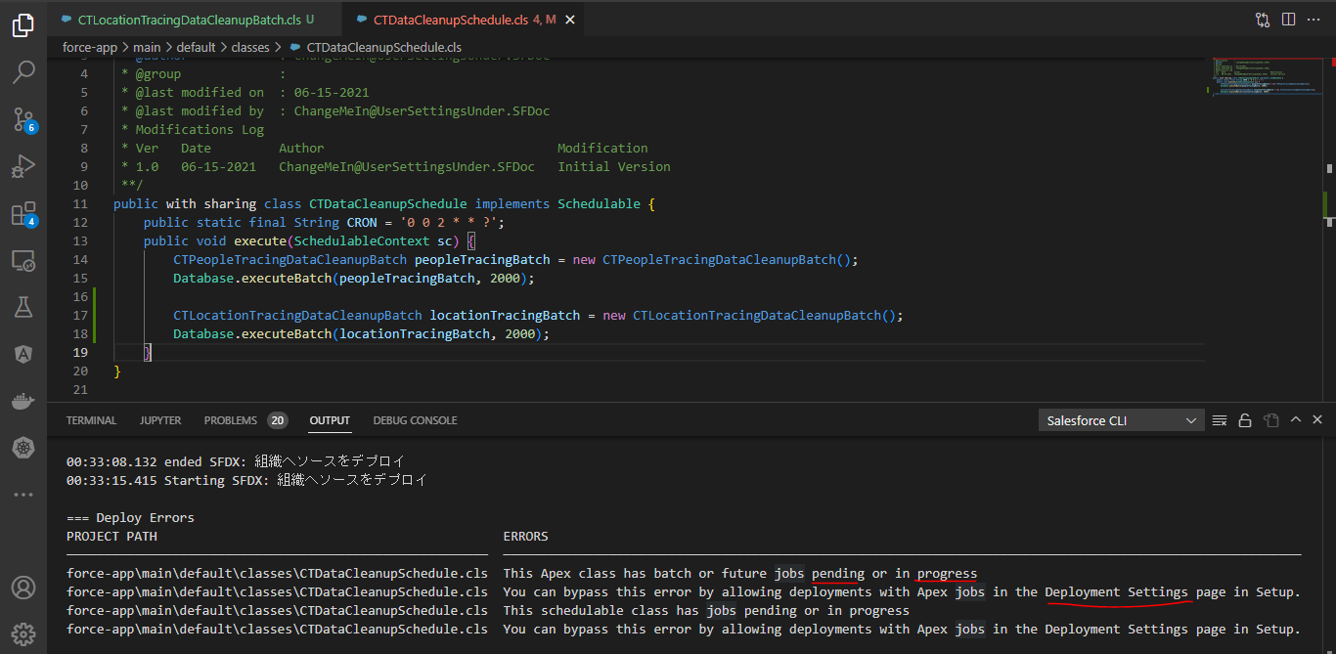

 | Deployment Settings
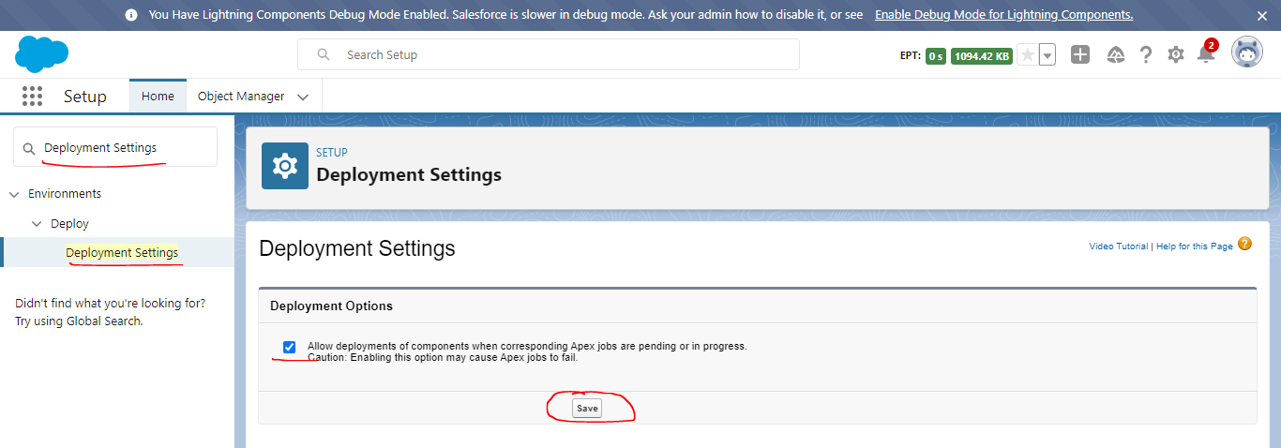

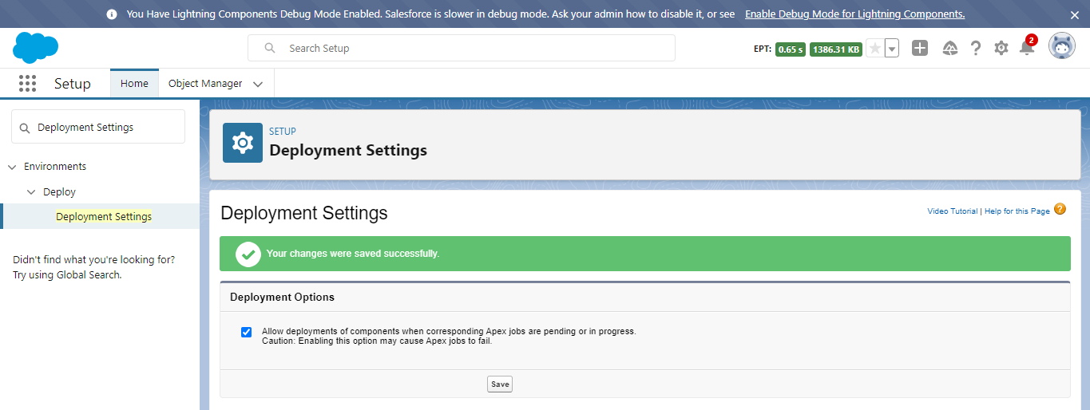

 | Deploy again
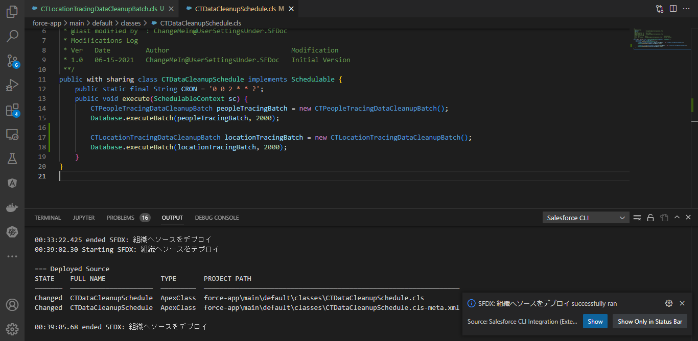

 | Test our solution
 | Check Location_Tracing__c ban đầu
 | SELECT Id, Visit_Date__c FROM Location_Tracing__c
 | Có 1 record có Contact_Date__c lâu hơn 30 ngày
 | today: 2022-10-31
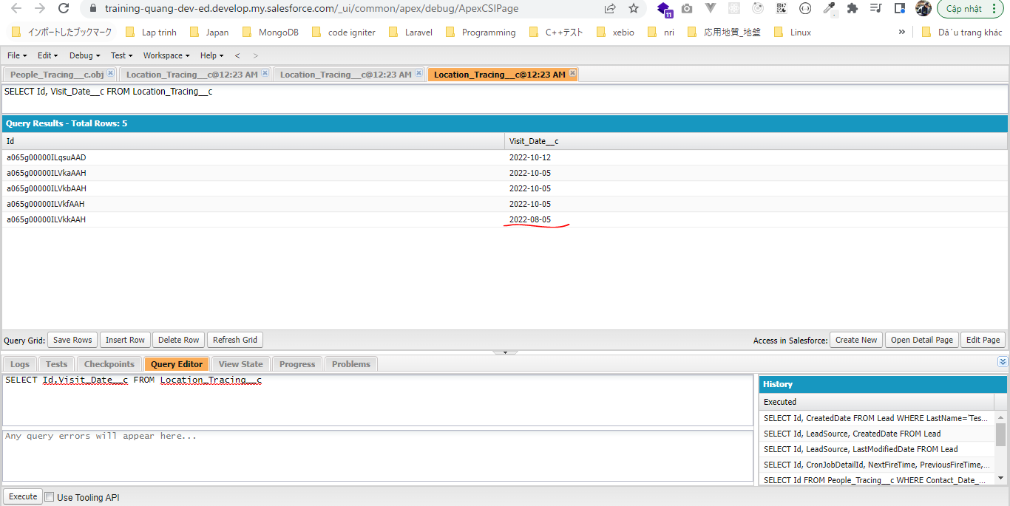

 | salesforce\Boss-Level-Challenge\6.dev-console.txt
 | CTDataCleanupSchedule dataCleanUp = new CTDataCleanupSchedule();
 | //String jobId = System.schedule('Data clean up Job', CTDataCleanupSchedule.CRON, dataCleanUp);
 | //System.debug('Job Id: ' + jobId);

 | dataCleanUp.execute(null);

 | Check People_Tracing__c sau khi execute, kết quả là 1 record lâu hơn 30 ngày đã được xóa và còn lại 4 record vẫn còn nhỏ hơn 30 ngày nên ko bị xóa
 | SELECT Id, Visit_Date__c FROM Location_Tracing__c

AutoHealthUpdateOfPersonRecords
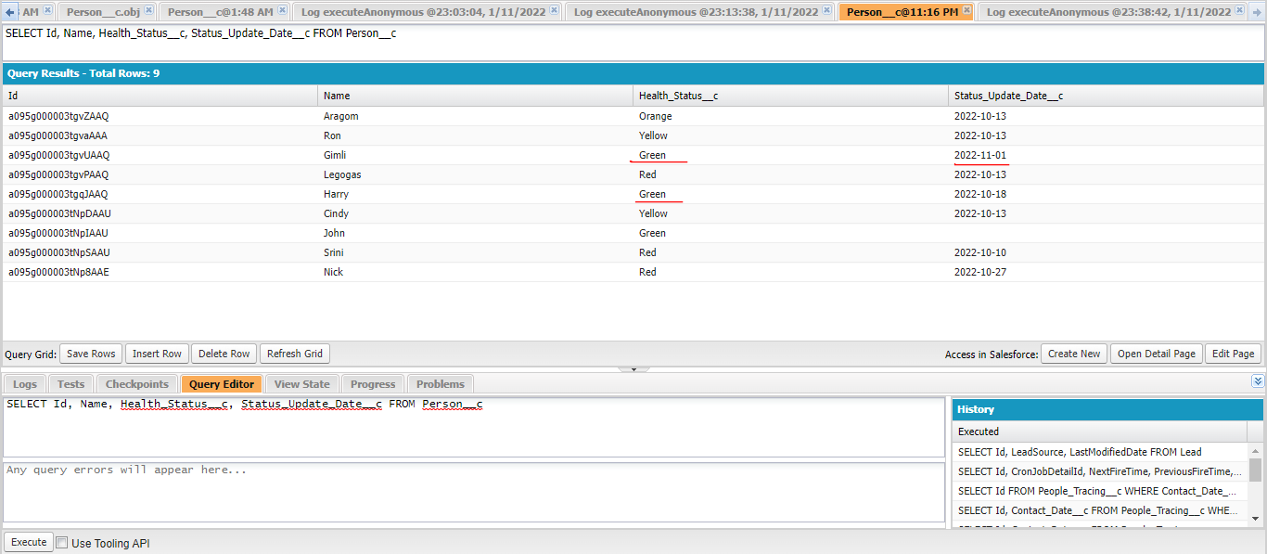


構成
 | salesforce
 |  | 2.Apex-Fundamentals
 |  | 3.Control-Flow-Statements
 |  | 4.Apex-Classes-and-Methods
 |  | 5.Apex-Testing
 |  | 6.Salesforce-Object-Query-Language
 |  | 7.SObject-and-DML
 |  | 8.Exception-Handling
 |  | 9.VS Code-Setup
 |  | 10.Governors-Limits-and-Code-Bulkification
 |  | 11.Advanced-SOQL
 |  | 12.Trigger-overview
 |  | 13.Apex-Testing-Part-2
 |  | 14.Aura-Framework
 |  | 15.Async-Apex
 |  | Boss-Level-Challenge
 |  |  | contact-tracing
 |  |  |  | force-app
 |  |  |  |  | main
 |  |  |  |  |  | default
 |  |  |  |  |  |  | classes
 |  |  |  |  |  |  |  | AccountContactService.cls
 |  |  |  |  |  |  |  | BoardPanelController.cls
 |  |  |  |  |  |  |  | ContactTriggerHandler.cls
 |  |  |  |  |  |  |  | ContactTriggerHandlerTest.cls
 |  |  |  |  |  |  |  | CTDataCleanupSchedule.cls
 |  |  |  |  |  |  |  | CTHealthHeaderController.cls
 |  |  |  |  |  |  |  | CTLocationController.cls
 |  |  |  |  |  |  |  | CTLocationTabController.cls
 |  |  |  |  |  |  |  | CTLocationTracingController.cls
 |  |  |  |  |  |  |  | CTLocationTracingDataCleanupBatch.cls
 |  |  |  |  |  |  |  | CTLocationTracingTriggerHandler.cls
 |  |  |  |  |  |  |  | CTLocationTriggerHandler.cls
 |  |  |  |  |  |  |  | CTPeopleTracingController.cls
 |  |  |  |  |  |  |  | CTPeopleTracingDataCleanupBatch.cls
 |  |  |  |  |  |  |  | CTPeopleTracingTriggerHandler.cls
 |  |  |  |  |  |  |  | CTPersonController.cls
 |  |  |  |  |  |  |  | CTPersonTabController.cls
 |  |  |  |  |  |  |  | CTPersonTriggerHandler.cls
 |  |  |  |  |  |  |  | CTPersonViewController.cls
 |  |  |  |  |  |  |  | CTRecentChangesController.cls
 |  |  |  |  |  |  |  | CTStatusUpdateSchedule.cls | → | New Apex class
 |  |  |  |  |  |  |  | CTUpdatePersonStatusBatch.cls | → | New Apex class
 |  |  |  |  |  |  |  | GameResultController.cls
 |  |  |  |  |  |  | aura
 |  |  |  |  |  |  |  | Block
 |  |  |  |  |  |  |  | BlockClickEvent
 |  |  |  |  |  |  |  | Board
 |  |  |  |  |  |  |  | BoardPanel
 |  |  |  |  |  |  |  | CTHealthAdmin
 |  |  |  |  |  |  |  | CTHealthHeader
 |  |  |  |  |  |  |  | CTLocationSelectEvent
 |  |  |  |  |  |  |  | CTLocationTab
 |  |  |  |  |  |  |  | CTLocationView
 |  |  |  |  |  |  |  | CTPersonSelectEvent
 |  |  |  |  |  |  |  | CTPersonTab
 |  |  |  |  |  |  |  | CTPersonView
 |  |  |  |  |  |  |  | CTRecentChanges
 |  |  |  |  |  |  |  | GameResult
 |  |  |  |  |  |  |  | HelloWorld
 |  |  |  |  |  |  |  | ResultApplicationEvent
 |  |  |  | .prettierrc
 |  |  | 1.dev-console.txt
 |  |  | 2.dev-console.txt
 |  |  | 3.dev-console.txt
 |  |  | 4.dev-console.txt
 |  |  | 5.dev-console.txt
 |  |  | 6.dev-console.txt

salesforce\Boss-Level-Challenge\contact-tracing\force-app\main\default\classes\CTUpdatePersonStatusBatch.cls
 | /**
 | * @description :
 | * @author : ChangeMeIn@UserSettingsUnder.SFDoc
 | * @group :
 | * @last modified on : 06-15-2021
 | * @last modified by : ChangeMeIn@UserSettingsUnder.SFDoc
 | * Modifications Log
 | * Ver Date Author Modification
 | * 1.0 06-15-2021 ChangeMeIn@UserSettingsUnder.SFDoc Initial Version
 | **/
 | public with sharing class CTUpdatePersonStatusBatch implements Database.Batchable<SObject> {
 | public Database.QueryLocator start(Database.BatchableContext bc) {
 | List<String> healthStatuses = new List<String> {'Red', 'Orange', 'Yellow'}; |  |  |  |  |  |  |  |  |  | → | Không nên dùng != "Green", because it slowns down our query performance
 | Date today = Date.today();
 | Date fourteenDaysAgo = today - 14; |  |  |  |  |  |  |  |  |  | → | We need to calculation because there is no date literals in SOQL that allows us to define
 | return Database.getQueryLocator('SELECT Id, Health_Status__c FROM Person__c WHERE Status_Update_Date__c = :fourteenDaysAgo AND Health_Status__c IN :healthStatuses'); |  |  |  |  |  |  |  |  |  |  | a particular day instead of date range.
 | } |  |  |  |  |  |  |  |  |  |  | We want our status update to be exactly the date that we had 14 days ago. We are not doing
 |  |  |  |  |  |  |  |  |  |  |  | the less than because we are simply going to run this batch every day and every day will be updated
 | public void execute(Database.BatchableContext bc, List<Person__c> scope) { |  |  |  |  |  |  |  |  |  |  | The reason why we are not using less than operator is because in that case we might get a lot of records
 | for (Person__c person : scope) { |  |  |  |  |  |  |  |  |  |  | and we need to avoid
 | person.Health_Status__c = 'Green';
 | }
 | update scope;
 | }

 | public void finish(Database.BatchableContext bc) {
 | //System.debug('Batch is complete');
 | }
 | }

salesforce\Boss-Level-Challenge\contact-tracing\force-app\main\default\classes\CTStatusUpdateSchedule.cls
 | /**
 | * @description :
 | * @author : ChangeMeIn@UserSettingsUnder.SFDoc
 | * @group :
 | * @last modified on : 06-15-2021
 | * @last modified by : ChangeMeIn@UserSettingsUnder.SFDoc
 | * Modifications Log
 | * Ver Date Author Modification
 | * 1.0 06-15-2021 ChangeMeIn@UserSettingsUnder.SFDoc Initial Version
 | **/
 | public with sharing class CTStatusUpdateSchedule implements Schedulable {
 | public static final String CRON = '0 0 3 * * ?';
 | public void execute(SchedulableContext sc) {
 | CTUpdatePersonStatusBatch updatePersonStatusBatch = new CTUpdatePersonStatusBatch();
 | Database.executeBatch(updatePersonStatusBatch, 2000);
 | }
 | }

salesforce\Boss-Level-Challenge\7-copy.dev-console
 | CTStatusUpdateSchedule updateSchedule = new CTStatusUpdateSchedule();
 | //String jobId = System.schedule('Status Update Job', CTStatusUpdateSchedule.CRON, updateSchedule);
 | //System.debug('Job Id: ' + jobId);

 | updateSchedule.execute(null);

Test
 | ①schedule
 | CTStatusUpdateSchedule updateSchedule = new CTStatusUpdateSchedule();
 | String jobId = System.schedule('Status Update Job', CTStatusUpdateSchedule.CRON, updateSchedule);
 | System.debug('Job Id: ' + jobId);

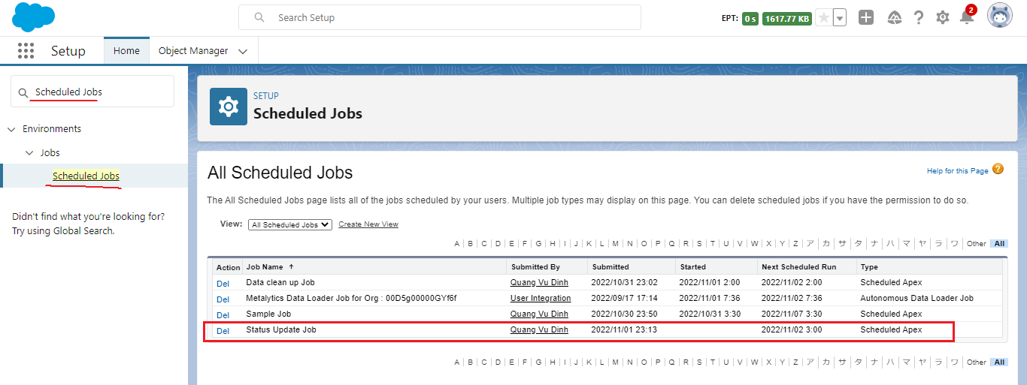

 | ②Test our solution
 | today: 2022-11-01
 | 14 days ago: 2022-10-18
 | Name | Health_Status__c |  | Status_Update_Date__c
 | Gimli | Orange |  | 2022-10-18 |  |  | → | Orange sẽ chuyển thành Green
 | Harry | Green |  | 2022-10-18 |  |  | → | Green sẽ giữ nguyên

 | SELECT Id, Name, Health_Status__c, Status_Update_Date__c FROM Person__c
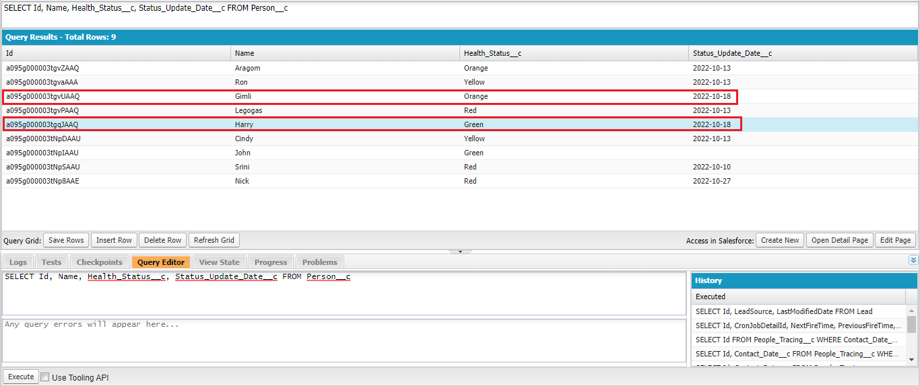

 | CTStatusUpdateSchedule updateSchedule = new CTStatusUpdateSchedule();
 | //String jobId = System.schedule('Status Update Job', CTStatusUpdateSchedule.CRON, updateSchedule);
 | //System.debug('Job Id: ' + jobId);

 | updateSchedule.execute(null);

AutoHealthUpdateLocationRecords
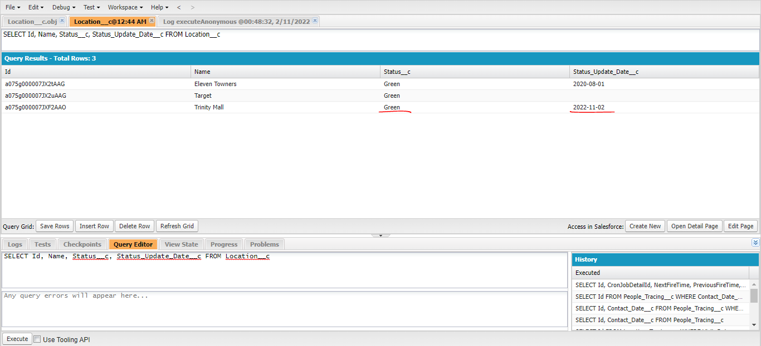
構成
 | salesforce
 |  | 2.Apex-Fundamentals
 |  | 3.Control-Flow-Statements
 |  | 4.Apex-Classes-and-Methods
 |  | 5.Apex-Testing
 |  | 6.Salesforce-Object-Query-Language
 |  | 7.SObject-and-DML
 |  | 8.Exception-Handling
 |  | 9.VS Code-Setup
 |  | 10.Governors-Limits-and-Code-Bulkification
 |  | 11.Advanced-SOQL
 |  | 12.Trigger-overview
 |  | 13.Apex-Testing-Part-2
 |  | 14.Aura-Framework
 |  | 15.Async-Apex
 |  | Boss-Level-Challenge
 |  |  | contact-tracing
 |  |  |  | force-app
 |  |  |  |  | main
 |  |  |  |  |  | default
 |  |  |  |  |  |  | classes
 |  |  |  |  |  |  |  | AccountContactService.cls
 |  |  |  |  |  |  |  | BoardPanelController.cls
 |  |  |  |  |  |  |  | ContactTriggerHandler.cls
 |  |  |  |  |  |  |  | ContactTriggerHandlerTest.cls
 |  |  |  |  |  |  |  | CTDataCleanupSchedule.cls
 |  |  |  |  |  |  |  | CTHealthHeaderController.cls
 |  |  |  |  |  |  |  | CTLocationController.cls
 |  |  |  |  |  |  |  | CTLocationStatusUpdateBatch.cls | → | new Apex class
 |  |  |  |  |  |  |  | CTLocationTabController.cls
 |  |  |  |  |  |  |  | CTLocationTracingController.cls
 |  |  |  |  |  |  |  | CTLocationTracingDataCleanupBatch.cls
 |  |  |  |  |  |  |  | CTLocationTracingTriggerHandler.cls
 |  |  |  |  |  |  |  | CTLocationTriggerHandler.cls
 |  |  |  |  |  |  |  | CTPeopleTracingController.cls
 |  |  |  |  |  |  |  | CTPeopleTracingDataCleanupBatch.cls
 |  |  |  |  |  |  |  | CTPeopleTracingTriggerHandler.cls
 |  |  |  |  |  |  |  | CTPersonController.cls
 |  |  |  |  |  |  |  | CTPersonTabController.cls
 |  |  |  |  |  |  |  | CTPersonTriggerHandler.cls
 |  |  |  |  |  |  |  | CTPersonViewController.cls
 |  |  |  |  |  |  |  | CTRecentChangesController.cls
 |  |  |  |  |  |  |  | CTStatusUpdateSchedule.cls | → | code
 |  |  |  |  |  |  |  | CTUpdatePersonStatusBatch.cls
 |  |  |  |  |  |  |  | GameResultController.cls
 |  |  |  |  |  |  | aura
 |  |  |  |  |  |  |  | Block
 |  |  |  |  |  |  |  | BlockClickEvent
 |  |  |  |  |  |  |  | Board
 |  |  |  |  |  |  |  | BoardPanel
 |  |  |  |  |  |  |  | CTHealthAdmin
 |  |  |  |  |  |  |  | CTHealthHeader
 |  |  |  |  |  |  |  | CTLocationSelectEvent
 |  |  |  |  |  |  |  | CTLocationTab
 |  |  |  |  |  |  |  | CTLocationView
 |  |  |  |  |  |  |  | CTPersonSelectEvent
 |  |  |  |  |  |  |  | CTPersonTab
 |  |  |  |  |  |  |  | CTPersonView
 |  |  |  |  |  |  |  | CTRecentChanges
 |  |  |  |  |  |  |  | GameResult
 |  |  |  |  |  |  |  | HelloWorld
 |  |  |  |  |  |  |  | ResultApplicationEvent
 |  |  |  | .prettierrc
 |  |  | 1.dev-console.txt
 |  |  | 2.dev-console.txt
 |  |  | 3.dev-console.txt
 |  |  | 4.dev-console.txt
 |  |  | 5.dev-console.txt
 |  |  | 6.dev-console.txt

salesforce\Boss-Level-Challenge\contact-tracing\force-app\main\default\classes\CTLocationStatusUpdateBatch.cls
 | /**
 | * @description :
 | * @author : ChangeMeIn@UserSettingsUnder.SFDoc
 | * @group :
 | * @last modified on : 06-15-2021
 | * @last modified by : ChangeMeIn@UserSettingsUnder.SFDoc
 | * Modifications Log
 | * Ver Date Author Modification
 | * 1.0 06-15-2021 ChangeMeIn@UserSettingsUnder.SFDoc Initial Version
 | **/
 | public with sharing class CTLocationStatusUpdateBatch implements Database.Batchable<SObject> {
 | public Database.QueryLocator start(Database.BatchableContext bc) {
 | List<String> healthStatuses = new List<String> {'Red', 'Orange', 'Yellow'};
 | Date today = Date.today();
 | Date fourteenDaysAgo = today - 14;
 | return Database.getQueryLocator('SELECT Id, Status__c FROM Location__c WHERE Status_Update_Date__c = :fourteenDaysAgo AND Status__c IN :healthStatuses');
 | }

 | public void execute(Database.BatchableContext bc, List<Location__c> scope) {
 | for (Location__c location : scope) {
 | location.Status__c = 'Green';
 | }
 | update scope;
 | }

 | public void finish(Database.BatchableContext bc) {
 | //System.debug('Batch is complete');
 | }
 | }

salesforce\Boss-Level-Challenge\contact-tracing\force-app\main\default\classes\CTStatusUpdateSchedule.cls
 | /**
 | * @description :
 | * @author : ChangeMeIn@UserSettingsUnder.SFDoc
 | * @group :
 | * @last modified on : 06-15-2021
 | * @last modified by : ChangeMeIn@UserSettingsUnder.SFDoc
 | * Modifications Log
 | * Ver Date Author Modification
 | * 1.0 06-15-2021 ChangeMeIn@UserSettingsUnder.SFDoc Initial Version
 | **/
 | public with sharing class CTStatusUpdateSchedule implements Schedulable {
 | public static final String CRON = '0 0 3 * * ?';
 | public void execute(SchedulableContext sc) {
 | CTUpdatePersonStatusBatch updatePersonStatusBatch = new CTUpdatePersonStatusBatch();
 | Database.executeBatch(updatePersonStatusBatch, 2000);

 | CTLocationStatusUpdateBatch updateLocationStatusBatch = new CTLocationStatusUpdateBatch();
 | Database.executeBatch(updateLocationStatusBatch, 2000);
 | }
 | }

 | Test our solution
 | today: 2022-11-02
 | 14 days ago: 2022-10-19
 | Name | Status__c |  | Status_Update_Date__c
 | Trinity Mall | Yellow |  | 2022-10-19 |  |  | → | Yellow sẽ chuyển thành Green

 | SELECT Id, Name, Status__c, Status_Update_Date__c FROM Location__c
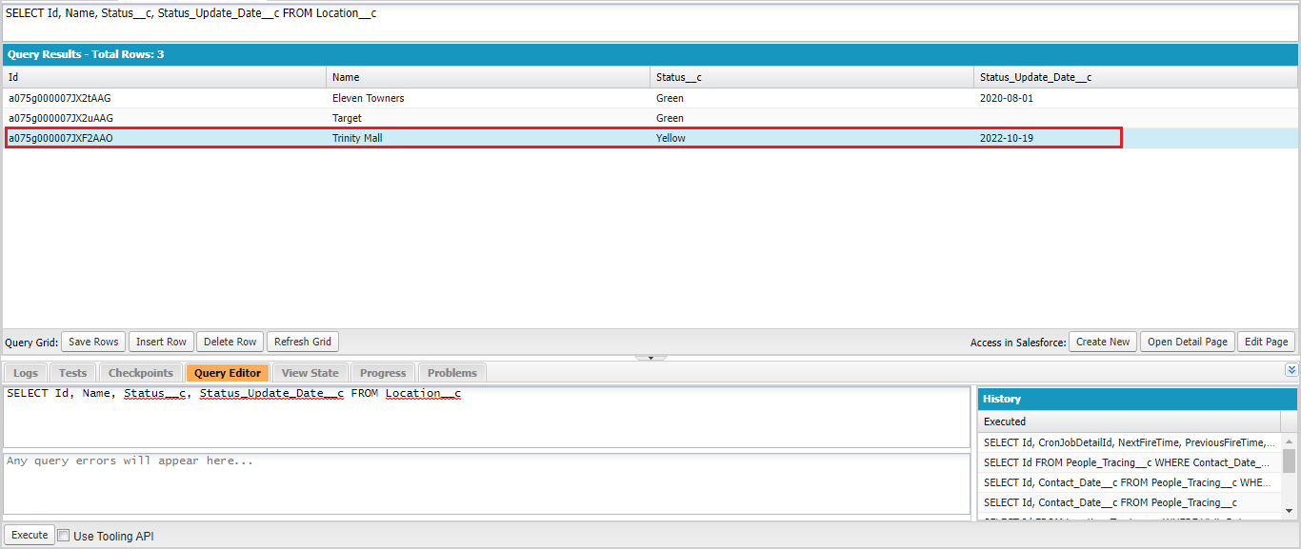

 | salesforce\Boss-Level-Challenge\7-copy.dev-console
 | CTStatusUpdateSchedule updateSchedule = new CTStatusUpdateSchedule();
 | //String jobId = System.schedule('Status Update Job', CTStatusUpdateSchedule.CRON, updateSchedule);
 | //System.debug('Job Id: ' + jobId);

 | updateSchedule.execute(null);

