Insert Operation
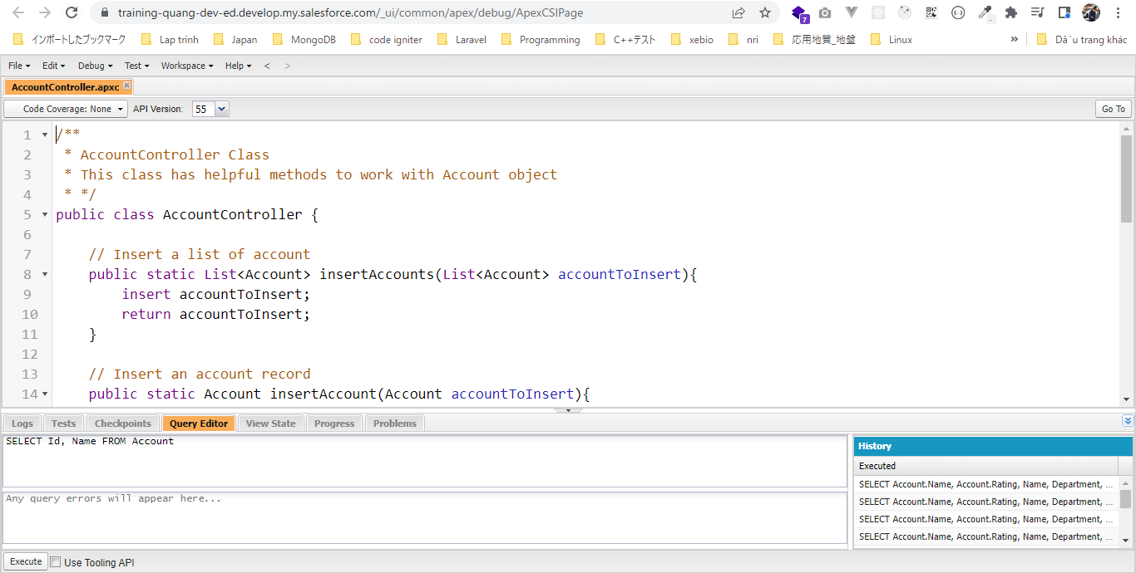
構成
 | salesforce
 |  | 2.Apex-Fundamentals
 |  | 3.Control-Flow-Statements
 |  | 4.Apex-Classes-and-Methods
 |  | 5.Apex-Testing
 |  | 6.Salesforce-Object-Query-Language
 |  | 7.SObject-and-DML |  |  |  | → | new
 |  |  | 1.dml-insert-operation |  |  | → | new
 |  |  |  | AccountController.apxc |  | → | new
 |  |  |  | dev-console.txt |  | → | new

salesforce\7.SObject-and-DML\1.dml-insert-operation\dev-console.txt
 | // Inserting one single account
 | Account acc = new Account(Name='CLR Infotech', Phone='9988998899');
 | acc.Rating = 'Hot';
 | insert acc;

 | List<Account> accounts = new List<Account>();
 | Account acc1 = new Account(Name='Test Account 1');
 | Account acc2 = new Account(Name='Test Account 2');
 | Account acc3 = new Account(Name='Test Account 3');
 | Account acc4 = new Account(Name='Test Account 4');
 | Account acc5 = new Account(Name='Test Account 5');
 | accounts.add(acc1);
 | accounts.add(acc2);
 | accounts.add(acc3);
 | accounts.add(acc4);
 | accounts.add(acc5);
 | // Inserting a list of account
 | // insert accounts;

 | // Alternate way to insert the accounts
 | Database.insert(accounts, false);

Inserting one single account
 | Account acc = new Account(Name='CLR Infotech', Phone='9988998899'); |  |  |  |  | → | Khi insert 1 row mới thì lúc khởi tạo Instance thì mình truyền trực tiếp value của các field
 | acc.Rating = 'Hot'; |  |  |  |  | → | add more field
 | insert acc; |  |  |  |  | → | insert 1 row

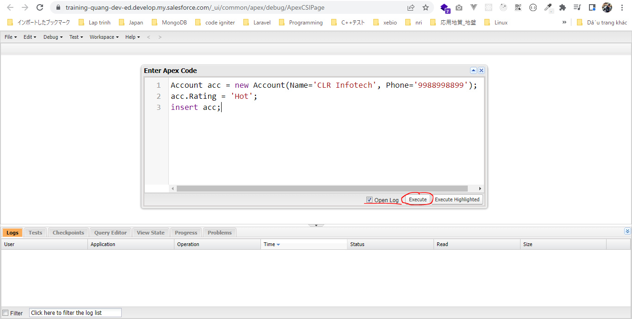

 | Có 1 phần tử được insert
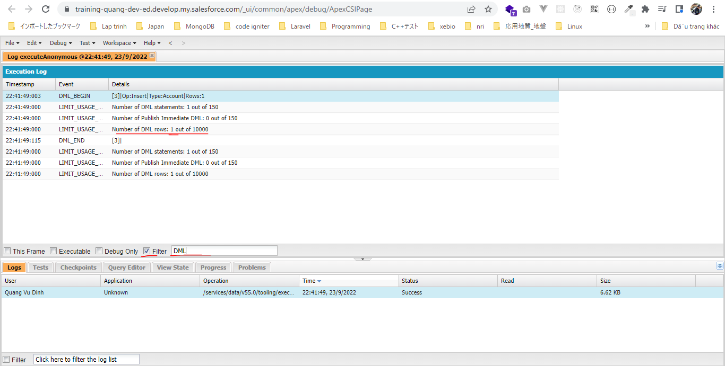

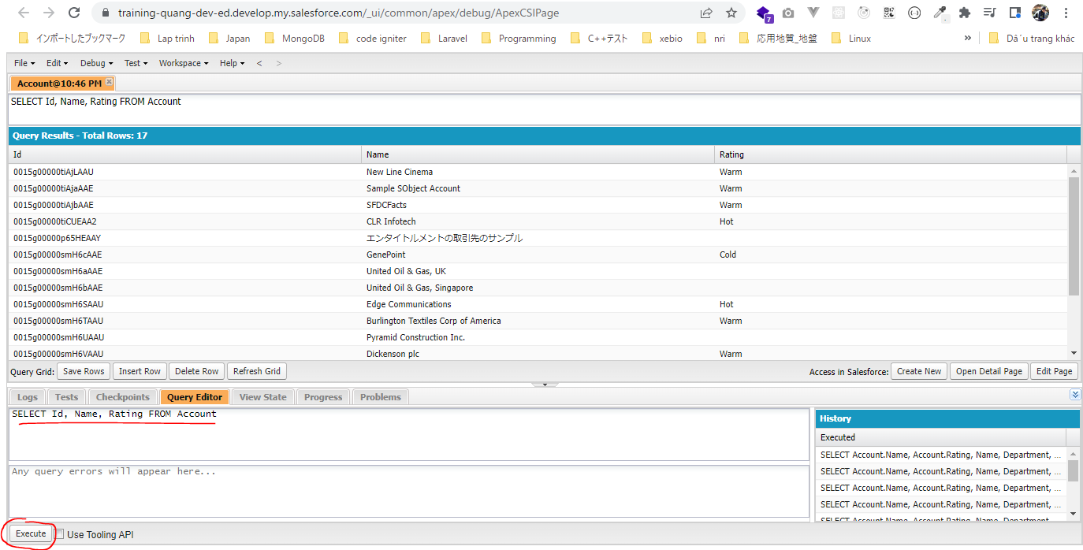

Inserting a list of account bằng cách dùng insert
 | List<Account> accounts = new List<Account>();
 | Account acc1 = new Account(Name='Test Account 1');
 | Account acc2 = new Account(Name='Test Account 2');
 | Account acc3 = new Account(Name='Test Account 3');
 | Account acc4 = new Account(Name='Test Account 4');
 | Account acc5 = new Account(Name='Test Account 5');
 | accounts.add(acc1);
 | accounts.add(acc2);
 | accounts.add(acc3);
 | accounts.add(acc4);
 | accounts.add(acc5);
 | // Inserting a list of account
 | insert accounts; |  |  |  | → | insert nhiều row
 |  |  |  |  |  | dùng insert accounts thì khi bất kỳ 1 account nào có lỗi ko insert được thì tất cả các account trong accounts sẽ ko insert được
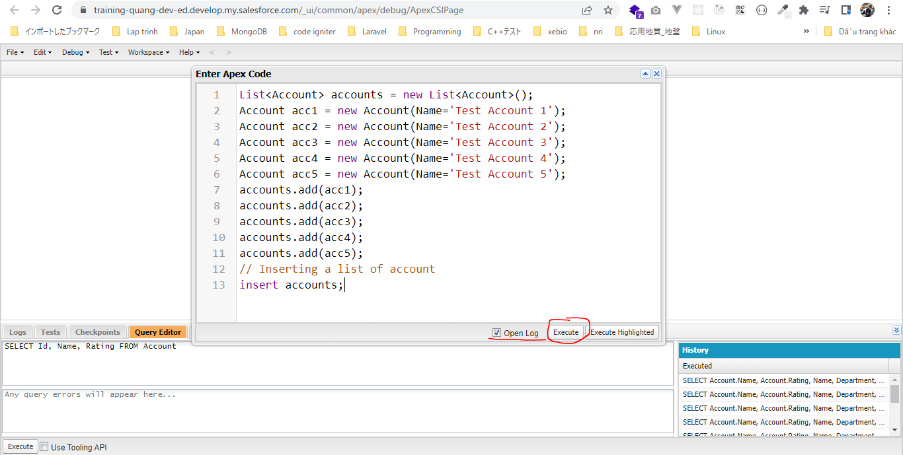

 | 5 row được thêm, 5 row này chỉ cần 1 insert execute statement để insert
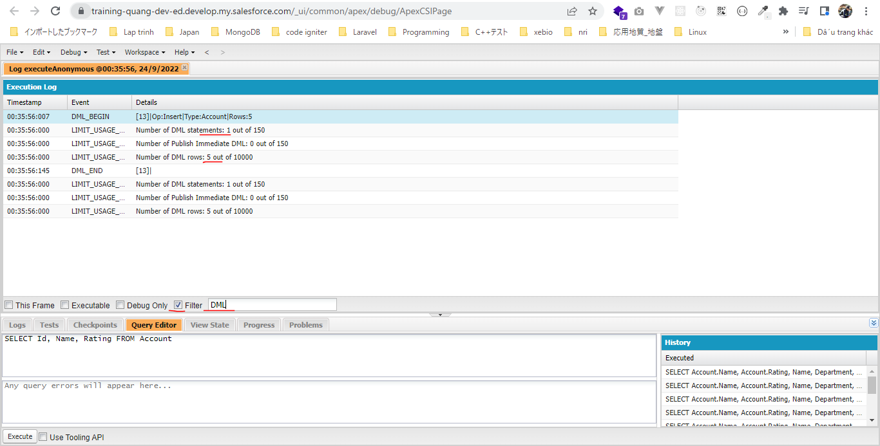

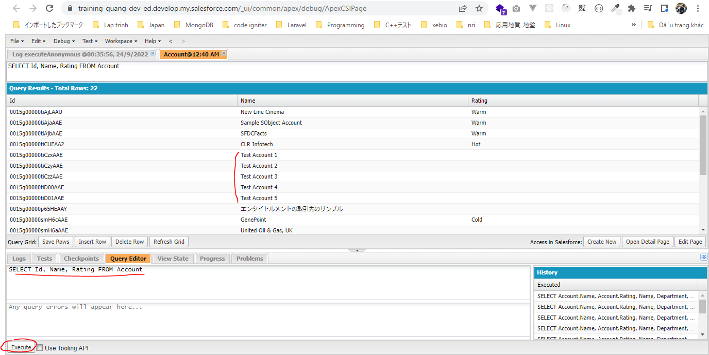

Inserting a list of account bằng cách dùng method Database.insert()
 | List<Account> accounts = new List<Account>();
 | Account acc1 = new Account(Name='Test Account 1');
 | Account acc2 = new Account(Name='Test Account 2');
 | Account acc3 = new Account(Name='Test Account 3');
 | Account acc4 = new Account(Name='Test Account 4');
 | Account acc5 = new Account(Name='Test Account 5');
 | accounts.add(acc1);
 | accounts.add(acc2);
 | accounts.add(acc3);
 | accounts.add(acc4);
 | accounts.add(acc5);
 | // insert accounts;

 | Database.insert(accounts, false); |  |  |  |  | → | Dùng Database.insert(accounts, false) với tham số thứ 2 allOrNone có giá trị false thì khi có 1 account nào đó trong
 |  |  |  |  |  |  | accounts lỗi thì chỉ có account đó ko được insert và các account còn lại vẫn được insert và ko bị ảnh hưởng gì
 |  |  |  |  |  |  | Do vậy khi có account nào đó ko insert được mình có thể dùng method này để xem lý do tại sao ko insert được

 | phương thức Database.insert() có tham số thứ 2 là allOrNone
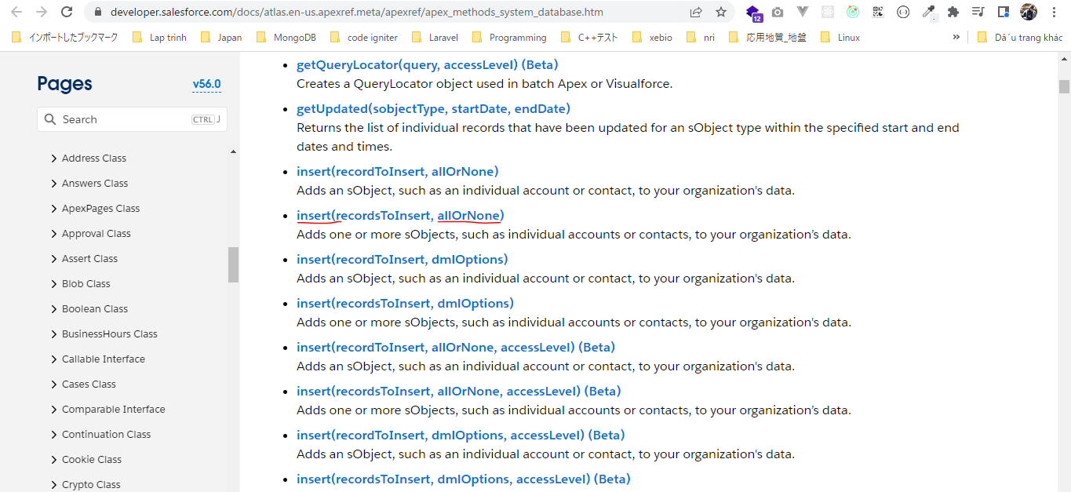

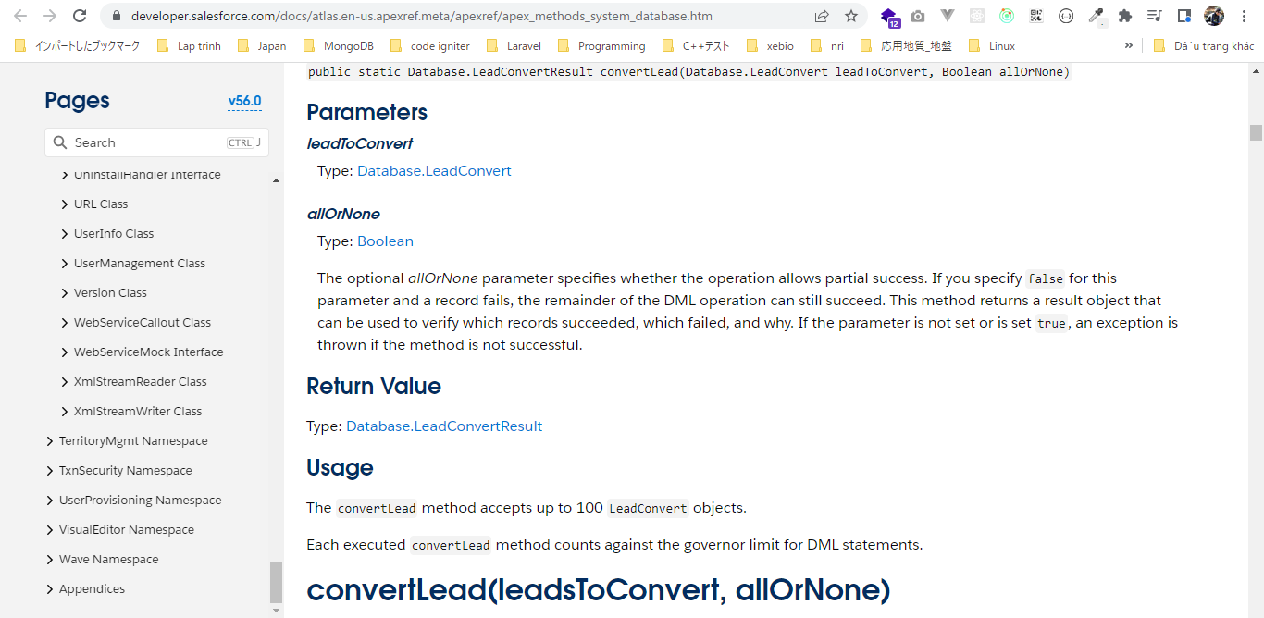

 | Xóa các row đã insert ở trên bằng statement: insert accounts
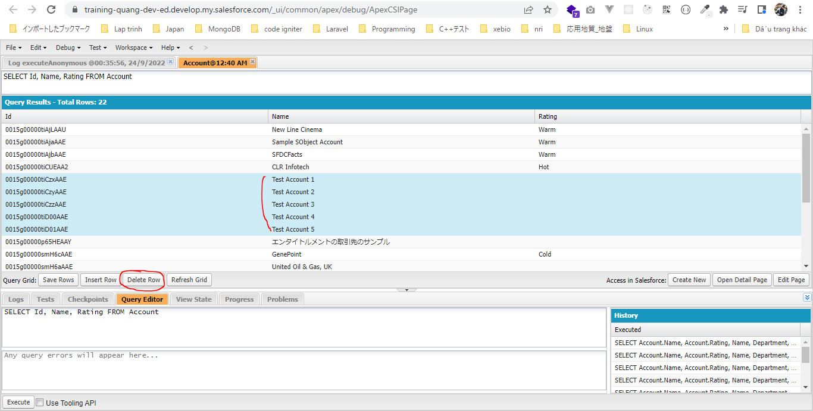

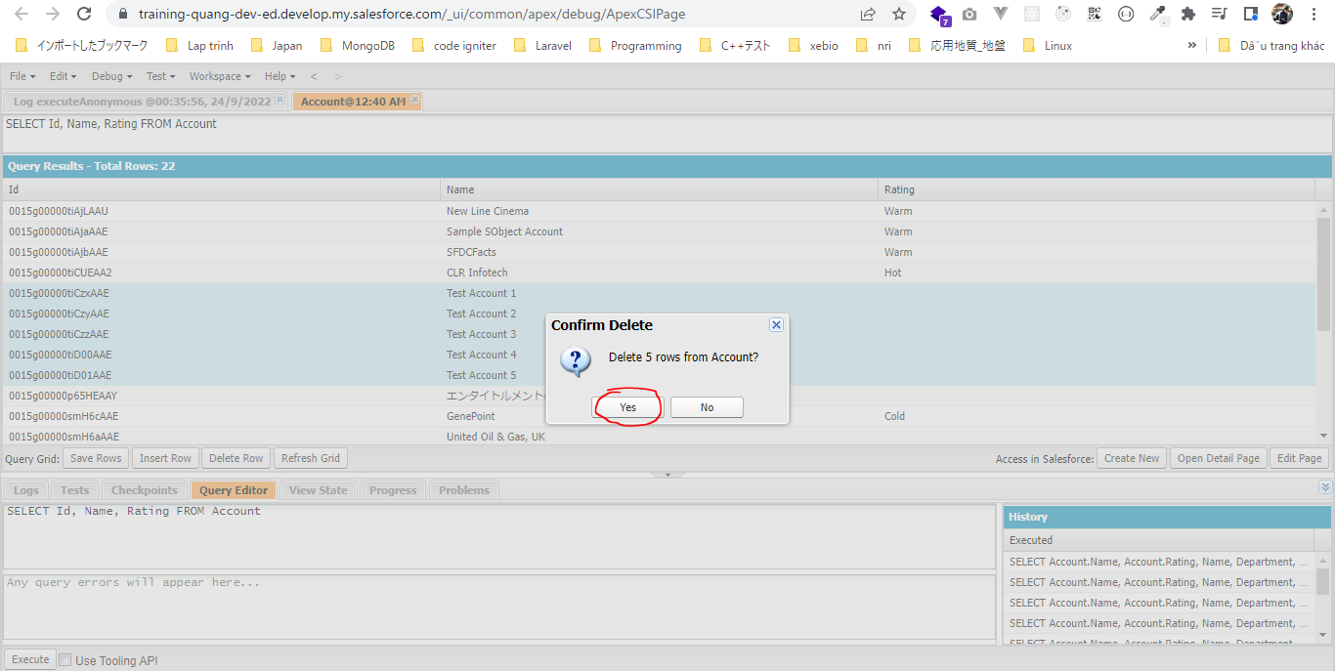

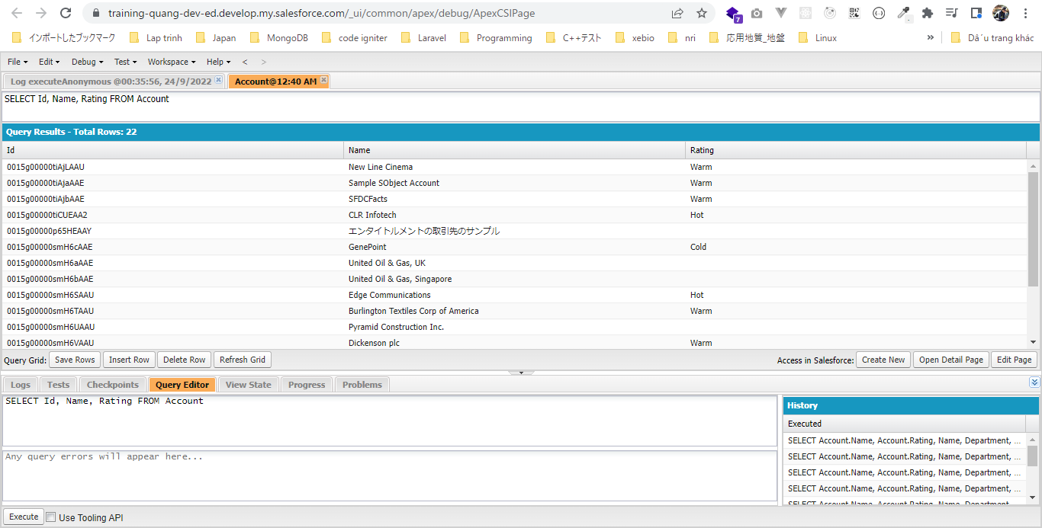

 | Insert bằng method: Database.insert(accounts, false)
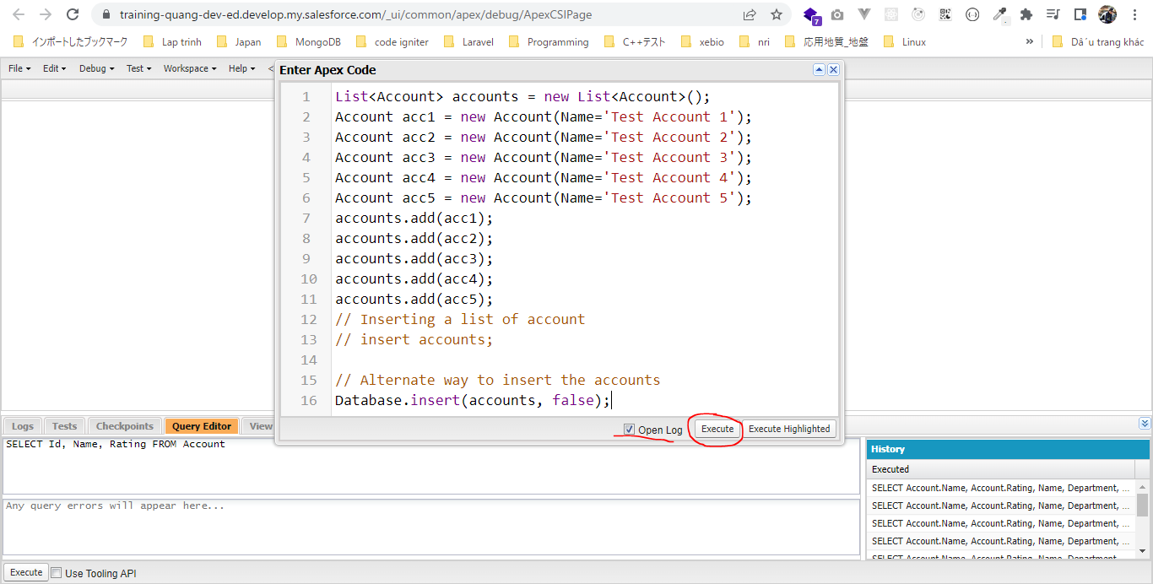



salesforce\7.SObject-and-DML\1.dml-insert-operation\AccountController.apxc
 | /**
 | * AccountController Class
 | * This class has helpful methods to work with Account object
 | * */
 | public class AccountController {

 | // Insert a list of account
 | public static List<Account> insertAccounts(List<Account> accountToInsert){
 | insert accountToInsert;
 | return accountToInsert;
 | }

 | // Insert an account record
 | public static Account insertAccount(Account accountToInsert){
 | insert accountToInsert;
 | return accountToInsert;
 | }

 | // Get all accounts
 | public static List<Account> getAllAccounts(){
 | // Retrieve all accounts and assign to a List collection
 | List<Account> accounts = [SELECT Name, Phone FROM Account];
 | return accounts;
 | }

 | // Print all accounts
 | public static void printAllAccounts(){
 | // Retrieve all accounts using getAllAccounts method
 | List<Account> accounts = getAllAccounts();
 | // iterate over all accounts and print account information
 | for(Account account : accounts){
 | System.debug('Account Name: '+account.Name+' Account Phone: '+account.Phone);
 | }
 | }

 | public static Integer getAccountSize(){
 | // Retrieve all accounts using getAllAccounts method
 | List<Account> accounts = getAllAccounts();
 | return accounts.size();
 | }
 | }

DML Logs Discussion
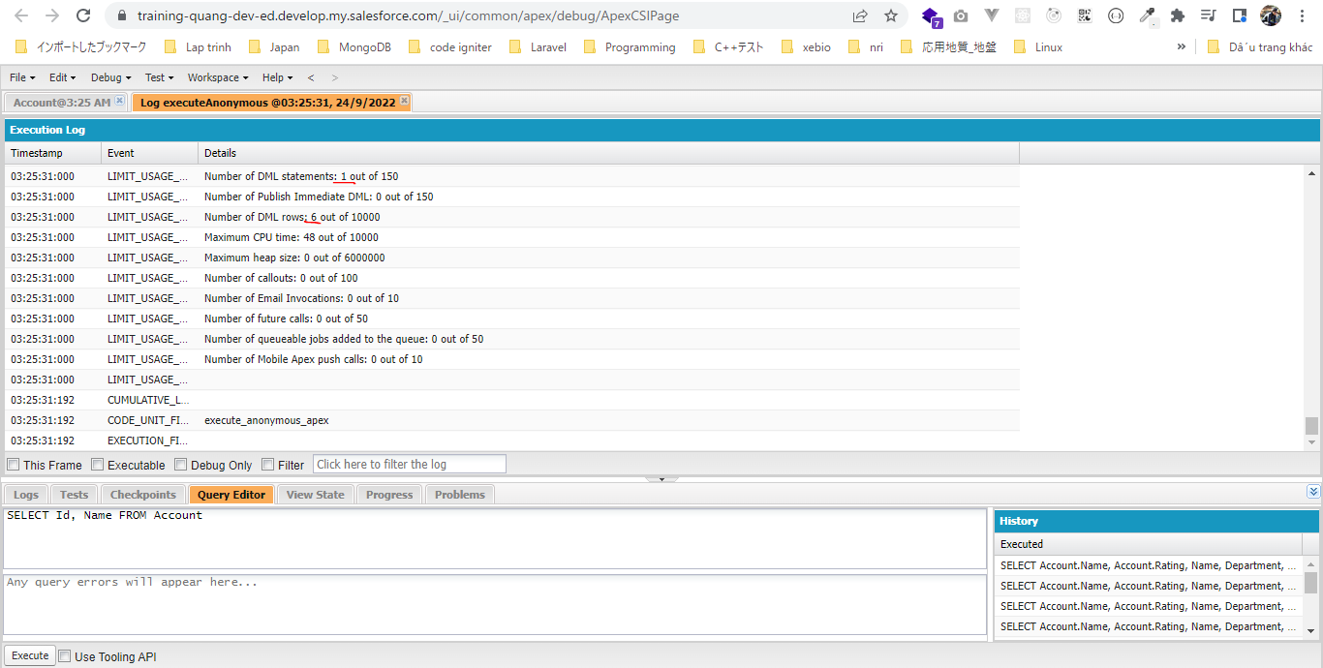
構成
 | salesforce
 |  | 2.Apex-Fundamentals
 |  | 3.Control-Flow-Statements
 |  | 4.Apex-Classes-and-Methods
 |  | 5.Apex-Testing
 |  | 6.Salesforce-Object-Query-Language
 |  | 7.SObject-and-DML
 |  |  | 1.dml-insert-operation
 |  |  |  | AccountController.apxc
 |  |  |  | dev-console.txt
 |  |  | 2.dml-logs-discussion |  | → | new
 |  |  |  | dev-console.txt | → | new

salesforce\7.SObject-and-DML\2.dml-logs-discussion\dev-console.txt
 | // Inserting records one by one
 | // Each record is inserted with separate insert statement
 | // Debug logs
 | // Number of DML statements: 5 out of 150
 | // Number of DML rows: 5 out of 10000
 | Account acc1 = new Account(Name='Test Account 1');
 | insert acc1;
 | Account acc2 = new Account(Name='Test Account 2');
 | insert acc2;
 | Account acc3 = new Account(Name='Test Account 3');
 | insert acc3;
 | Account acc4 = new Account(Name='Test Account 4');
 | insert acc4;
 | Account acc5 = new Account(Name='Test Account 5');
 | insert acc5;

 | // Inserting all records at once
 | // all records are added to a list first and then inserted with one single insert statement
 | // Debug logs
 | // Number of DML statements: 1 out of 150
 | // Number of DML rows: 6 out of 10000
 | List<Account> accounts = new List<Account>();
 | Account acc1 = new Account(Name='Test Account 1');
 | Account acc2 = new Account(Name='Test Account 2');
 | Account acc3 = new Account(Name='Test Account 3');
 | Account acc4 = new Account(Name='Test Account 4');
 | Account acc5 = new Account(Name='Test Account 5');
 | Account acc6 = new Account(Name='Test Account 6');
 | accounts.add(acc1);
 | accounts.add(acc2);
 | accounts.add(acc3);
 | accounts.add(acc4);
 | accounts.add(acc5);
 | accounts.add(acc6);
 | // Inserting a list of account
 | insert accounts;

Inserting records one by one
 | // Inserting records one by one
 | // Each record is inserted with separate insert statement
 | // Debug logs
 | // Number of DML statements: 5 out of 150
 | // Number of DML rows: 5 out of 10000
 | Account acc1 = new Account(Name='Test Account 1');
 | insert acc1;
 | Account acc2 = new Account(Name='Test Account 2');
 | insert acc2;
 | Account acc3 = new Account(Name='Test Account 3');
 | insert acc3;
 | Account acc4 = new Account(Name='Test Account 4');
 | insert acc4;
 | Account acc5 = new Account(Name='Test Account 5');
 | insert acc5;

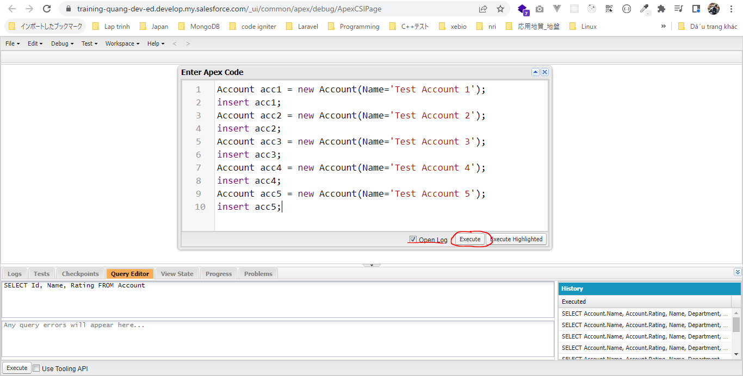

 | 5 row account được insert và để insert được 5 row này thì cần 5 DML statement. Chỉ cho phép thực hiện được 150 DML statement trong 1 single transaction
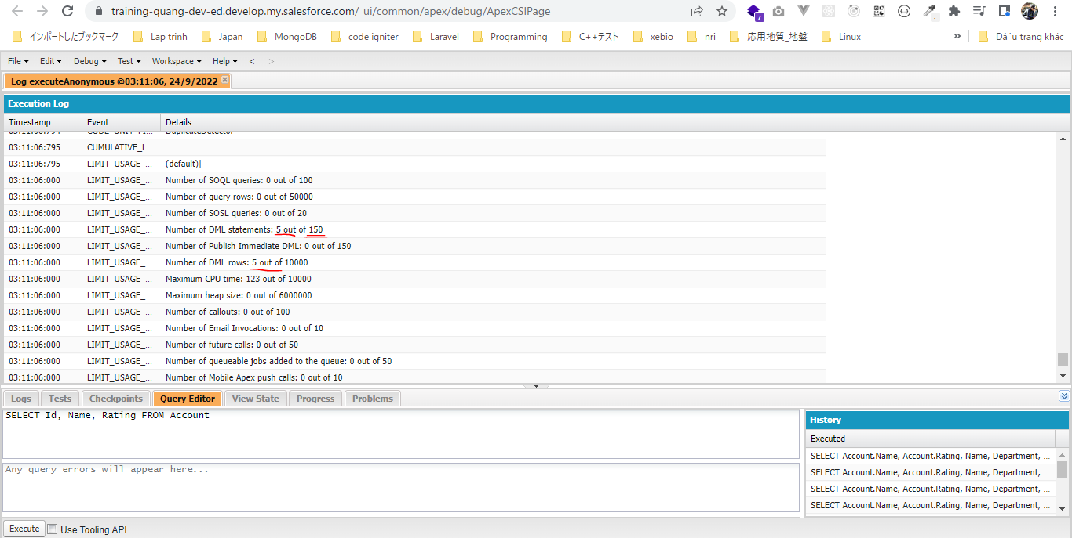

Inserting all records at once
 | // Inserting all records at once
 | // all records are added to a list first and then inserted with one single insert statement
 | // Debug logs
 | // Number of DML statements: 1 out of 150
 | // Number of DML rows: 6 out of 10000
 | List<Account> accounts = new List<Account>();
 | Account acc1 = new Account(Name='Test Account 1');
 | Account acc2 = new Account(Name='Test Account 2');
 | Account acc3 = new Account(Name='Test Account 3');
 | Account acc4 = new Account(Name='Test Account 4');
 | Account acc5 = new Account(Name='Test Account 5');
 | Account acc6 = new Account(Name='Test Account 6');
 | accounts.add(acc1);
 | accounts.add(acc2);
 | accounts.add(acc3);
 | accounts.add(acc4);
 | accounts.add(acc5);
 | accounts.add(acc6);
 | // Inserting a list of account
 | insert accounts;

 | Delete các row account đã insert ở trên
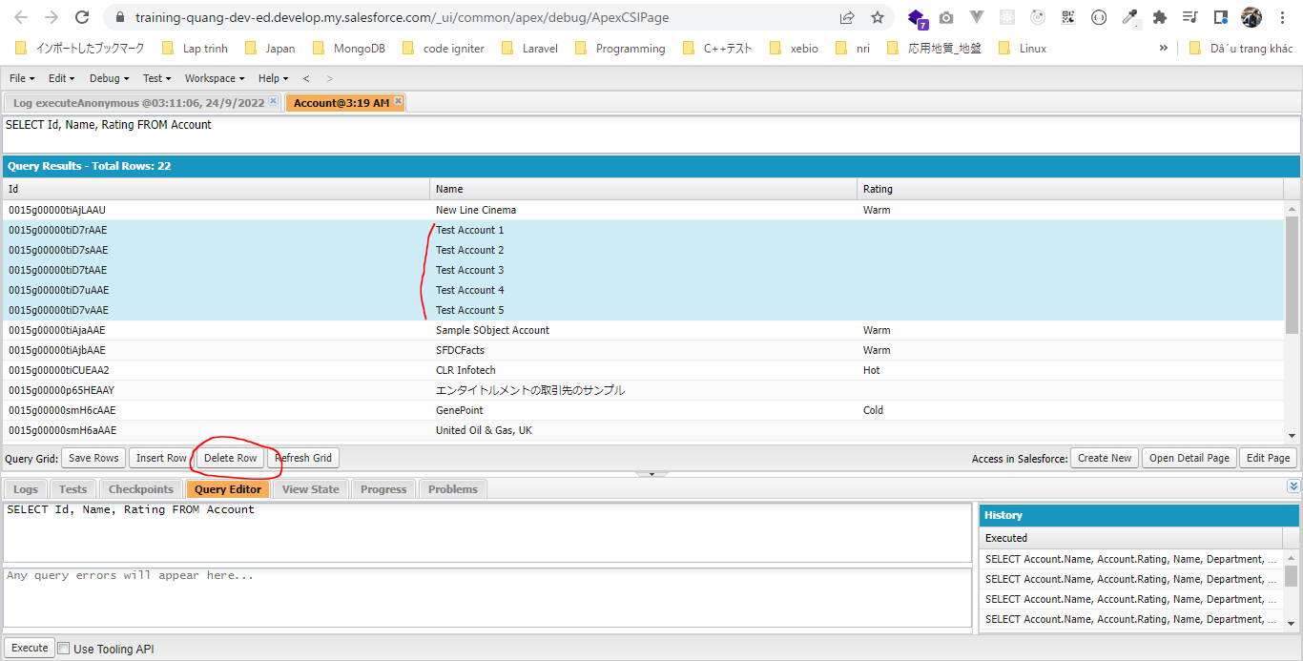

 | Inserting all records at once
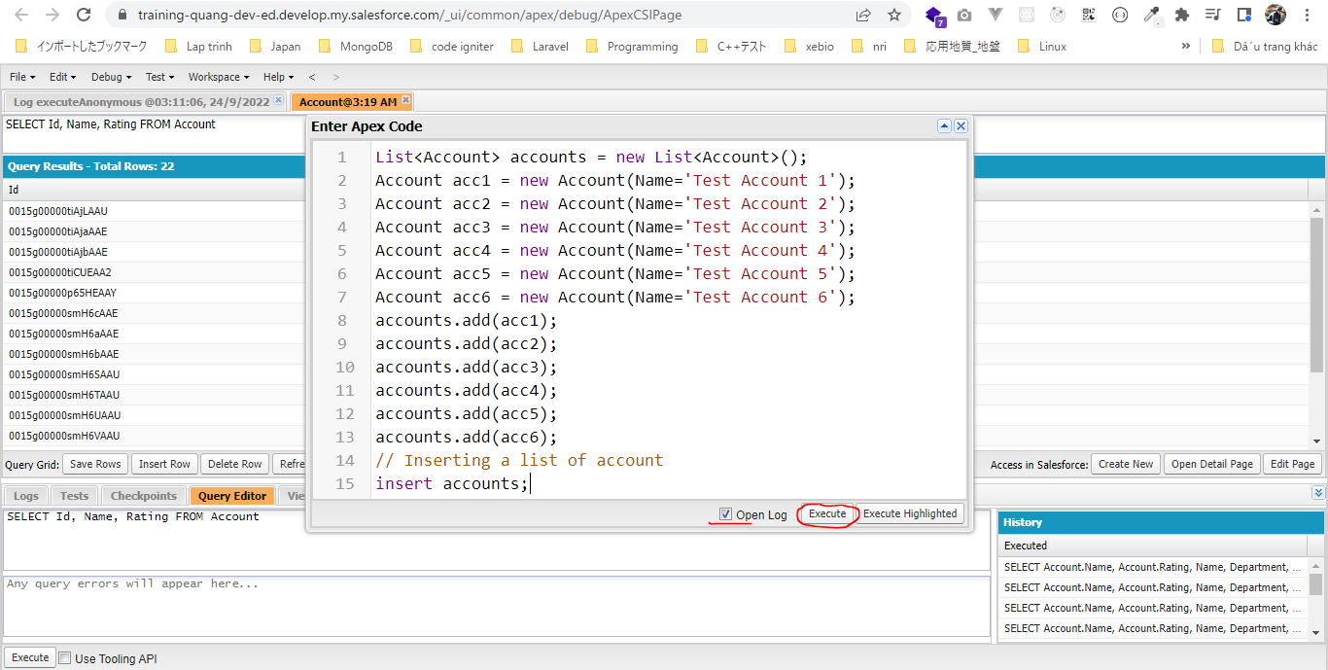

 | Insert được 6 row account nhưng chỉ cần 1 DML statement

DatabaseMethodsVsDML Statements
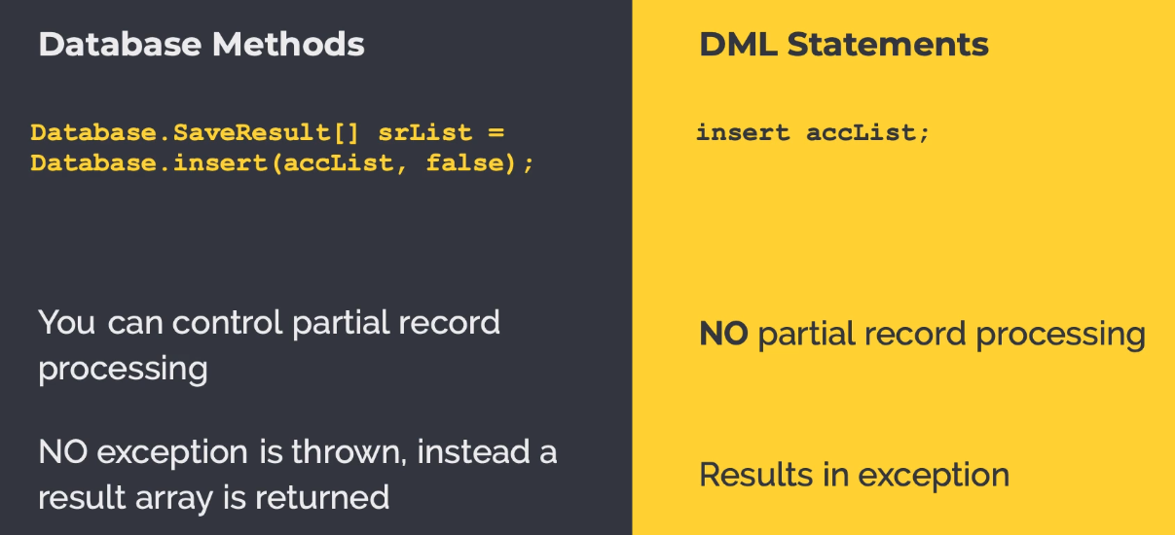

Update Operation
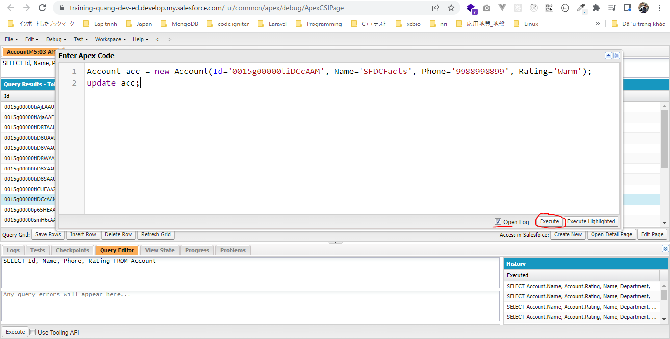
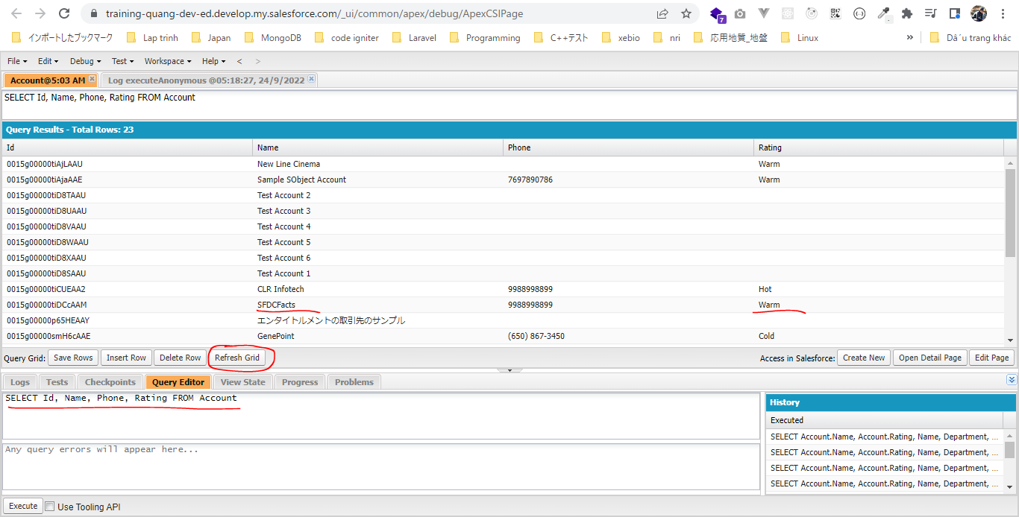
構成
 | salesforce |  |  |  |  |  |  |  | Insert Operation Sheet
 |  | 2.Apex-Fundamentals |  |  |  |  |  |  |  | salesforce\7.SObject-and-DML\1.dml-insert-operation\AccountController.apxc
 |  | 3.Control-Flow-Statements |  |  |  |  |  |  |  | /**
 |  | 4.Apex-Classes-and-Methods |  |  |  |  |  |  |  | * AccountController Class
 |  | 5.Apex-Testing |  |  |  |  |  |  |  | * This class has helpful methods to work with Account object
 |  | 6.Salesforce-Object-Query-Language |  |  |  |  |  |  |  | * */
 |  | 7.SObject-and-DML |  |  |  |  |  |  |  | public class AccountController {
 |  |  | 1.dml-insert-operation
 |  |  |  | AccountController.apxc |  |  |  |  |  | // Insert a list of account
 |  |  |  | dev-console.txt |  |  |  |  |  | public static List<Account> insertAccounts(List<Account> accountToInsert){
 |  |  | 2.dml-logs-discussion |  |  |  |  |  |  | insert accountToInsert;
 |  |  |  | dev-console.txt |  |  |  |  |  | return accountToInsert;
 |  |  | 3.dml-update-operation |  | → | new |  |  |  | }
 |  |  |  | dev-console.txt | → | new
 |  |  |  |  |  |  |  |  |  | // Insert an account record
 |  |  |  |  |  |  |  |  |  | public static Account insertAccount(Account accountToInsert){
 |  |  |  |  |  |  |  |  |  | insert accountToInsert;
salesforce\7.SObject-and-DML\3.dml-update-operation\dev-console.txt |  |  |  |  |  |  |  |  |  | return accountToInsert;
 | // insert a new account record first, which we will update later on |  |  |  |  |  |  |  |  | }
 | Account acc = new Account(Name='SFDCFacts', Phone='9988998899');
 | AccountController.insertAccount(acc); |  |  |  |  |  |  |  |  | // Get all accounts
 |  |  |  |  |  |  |  |  |  | public static List<Account> getAllAccounts(){
 | // Update an account with valid id |  |  |  |  |  |  |  |  | // Retrieve all accounts and assign to a List collection
 | Account acc = new Account(Id='0012x00000923pPAAQ', Name='SFDCFacts', Phone='9988998899', Rating='Warm'); |  |  |  |  |  |  |  |  | List<Account> accounts = [SELECT Name, Phone FROM Account];
 | update acc; |  |  |  |  |  |  |  |  | return accounts;
 |  |  |  |  |  |  |  |  |  | }

 | // update a list of account
 | List<Account> accounts = [SELECT Id, Name, Phone FROM Account WHERE Name='SFDCFacts Academy' AND Phone='9988998899']; |  |  |  |  |  |  |  |  | // Print all accounts
 | for(Account acc : accounts){ |  |  |  |  |  |  |  |  | public static void printAllAccounts(){
 | acc.Name = 'SFDCFacts Academy'; |  |  |  |  |  |  |  |  | // Retrieve all accounts using getAllAccounts method
 | acc.Rating = 'Hot'; |  |  |  |  |  |  |  |  | List<Account> accounts = getAllAccounts();
 | } |  |  |  |  |  |  |  |  | // iterate over all accounts and print account information
 | //update accounts; |  |  |  |  |  |  |  |  | for(Account account : accounts){
 |  |  |  |  |  |  |  |  |  | System.debug('Account Name: '+account.Name+' Account Phone: '+account.Phone);
 | // alternate way to update the records |  |  |  |  |  |  |  |  | }
 | Database.update(accounts, true); |  |  |  |  |  |  |  |  | }

 |  |  |  |  |  |  |  |  |  | public static Integer getAccountSize(){
insert a new account record first, which we will update later on |  |  |  |  |  |  |  |  |  | // Retrieve all accounts using getAllAccounts method
 | Account acc = new Account(Name='SFDCFacts', Phone='9988998899'); |  |  |  |  |  |  |  |  | List<Account> accounts = getAllAccounts();
 | AccountController.insertAccount(acc); |  |  |  |  |  |  |  |  | return accounts.size();
 |  |  |  |  |  |  |  |  |  | }
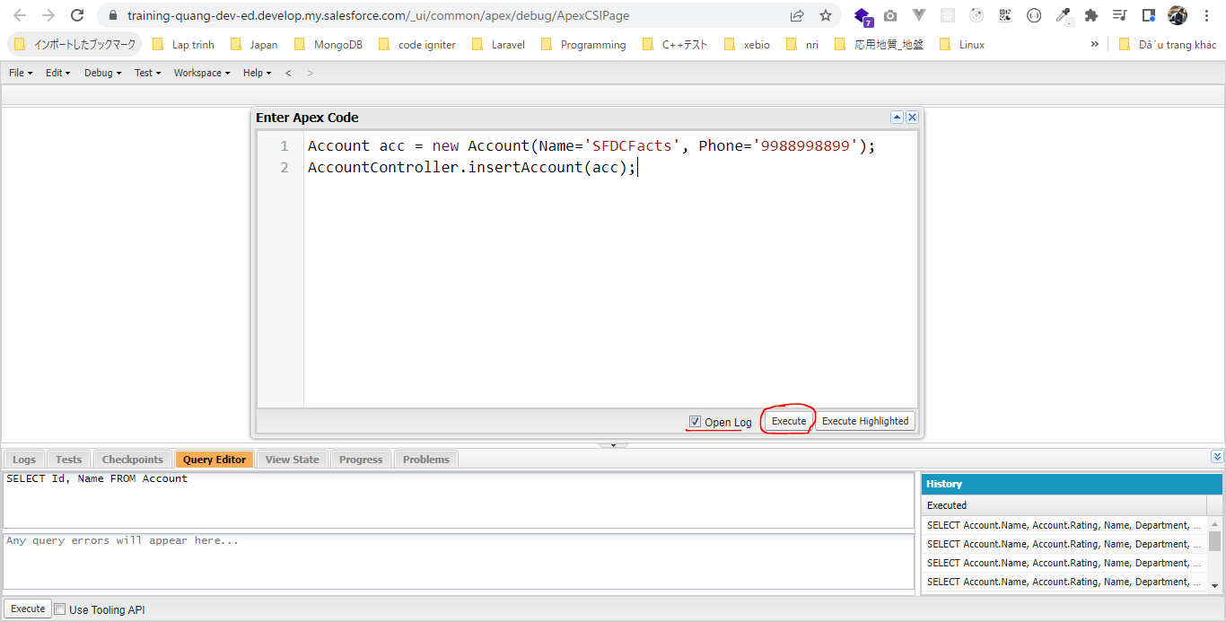
 |  |  |  |  |  |  |  |  |  | }

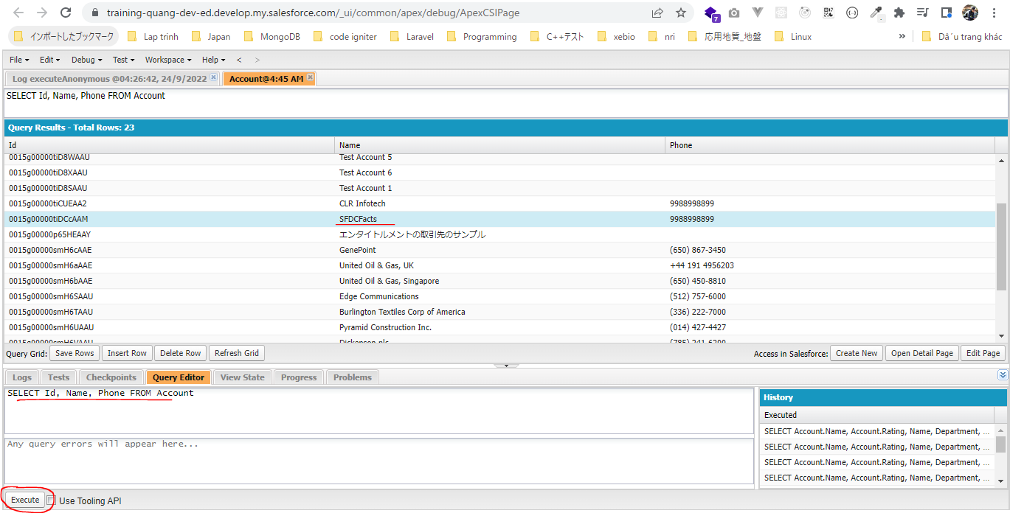

update a list of account bằng cách dùng statement: update accounts
 | List<Account> accounts = [SELECT Id, Name, Phone FROM Account WHERE Name='SFDCFacts Academy' AND Phone='9988998899'];
 | for(Account acc : accounts){
 | acc.Name = 'SFDCFacts Academy';
 | acc.Rating = 'Hot';
 | }
 | update accounts; |  |  |  |  |  | = | Database.update(accounts, true)

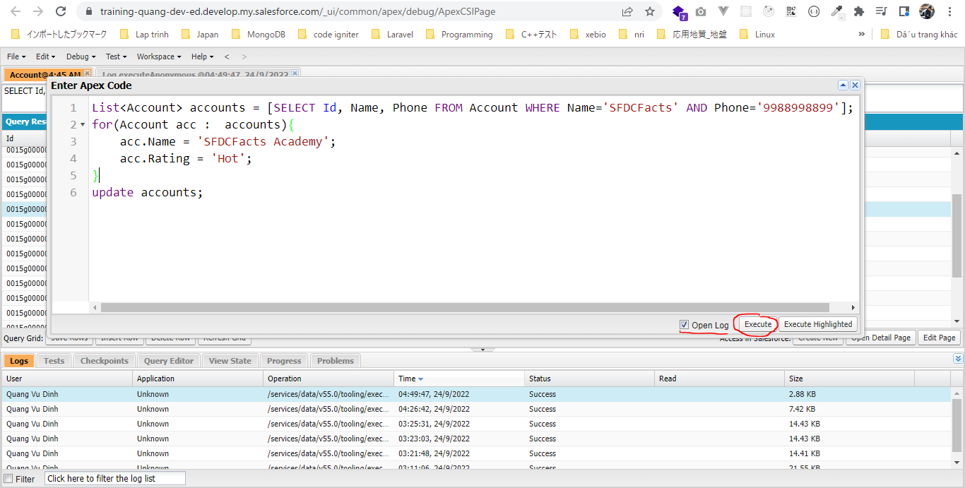

 | 1 DML statement được thực thi và 1 row được update
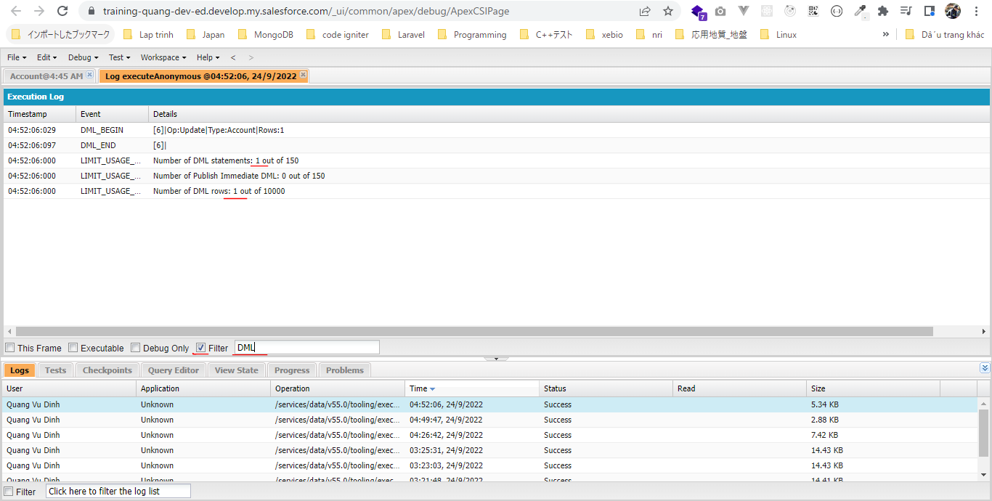

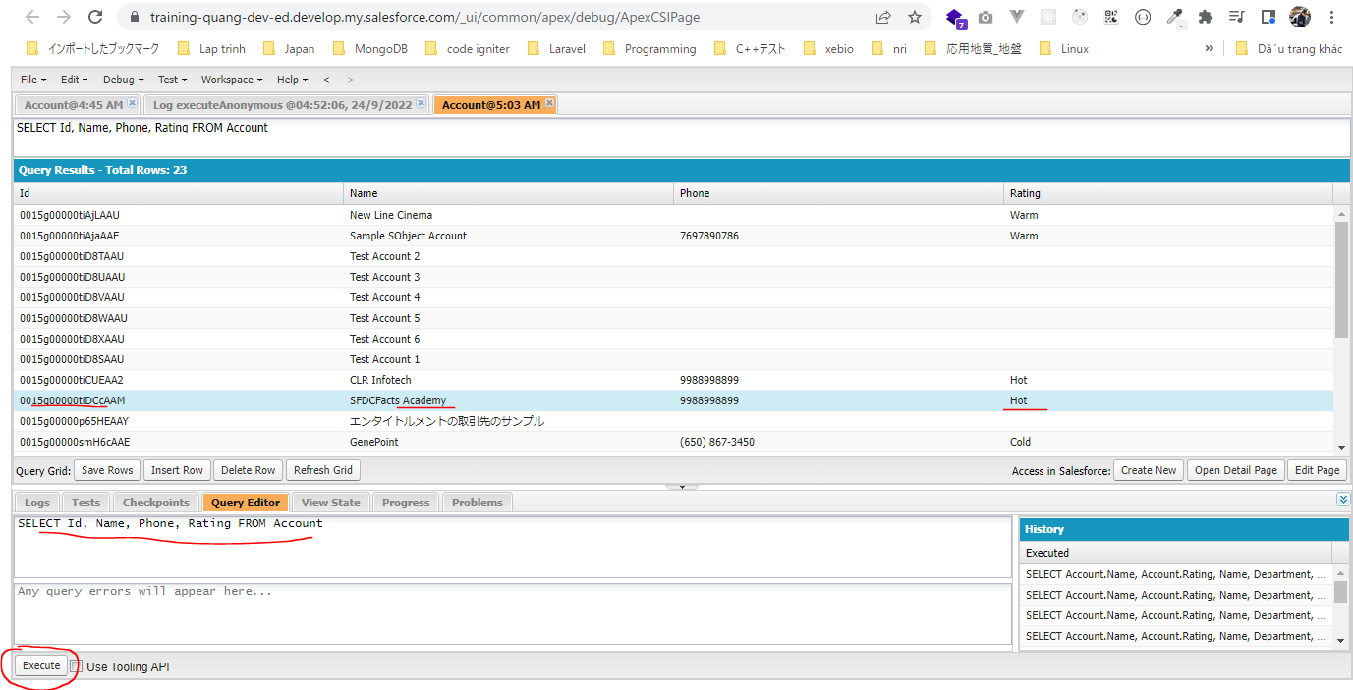

Update an account with valid id
 | Khi update thì ko thể thiếu Id của đối tượng. Nếu ko có Id thì ko thực hiện update được
 | Account acc = new Account(Id='0015g00000tiDCcAAM', Name='SFDCFacts', Phone='9988998899', Rating='Warm');
 | update acc;

