Widget Tag
構成
 | sass-gruntjs-bootstrap
 |  | 3.project
 |  |  | development
 |  |  |  | html-elements
 |  |  |  |  | article.html
 |  |  |  |  | breadcrumb.html
 |  |  |  |  | header.html
 |  |  |  |  | widget-tags.html |  |  |  | → | New
 |  |  |  | js
 |  |  |  | sass
 |  |  |  |  | devices

 |  |  |  |  |  | _main.scss
 |  |  |  |  |  | _mixin.scss
 |  |  |  |  |  | _size_extra_small.scss
 |  |  |  |  |  | _size_large.scss
 |  |  |  |  |  | _size_medium.scss
 |  |  |  |  |  | _size_mobile.scss
 |  |  |  |  |  | _size_small.scss
 |  |  |  |  | elements
 |  |  |  |  |  | _article.scss
 |  |  |  |  |  | _breadcrumb.scss
 |  |  |  |  |  | _main.scss
 |  |  |  |  | footer
 |  |  |  |  | header
 |  |  |  |  |  | _header-logo.scss
 |  |  |  |  |  | _header-menu.scss
 |  |  |  |  |  | _main.scss
 |  |  |  |  | mixins
 |  |  |  |  |  | _main.scss
 |  |  |  |  |  | _mx_libs.scss
 |  |  |  |  |  | _mx_utils.scss
 |  |  |  |  | widgets
 |  |  |  |  |  | _main.scss |  |  | → | New
 |  |  |  |  |  | _widget-tags.scss |  |  | → | New
 |  |  |  |  | _fonts.scss
 |  |  |  |  | _reset.scss
 |  |  |  |  | _variable.scss |  |  |  | → | Add code
 |  |  |  |  | main.scss |  |  |  | → | Add code
 |  |  |  | index.html |  |  |  |  | → | Add code
 |  |  | production
 |  |  |  | css
 |  |  |  | fonts
 |  |  |  | images
 |  |  |  |  | blog-pic1.jpg
 |  |  |  |  | logo.png
 |  |  |  | js
 |  |  |  | index.html
 |  |  | Gruntfile.js
 |  |  | package.json

development\html-elements\widget-tags.html
 | <div class="widget widget-tags"> |  |  |  |  |  | → | ①Có nhiều phần widget khác nhau, các phần widget có chung
 | <h4>Tags</h4> |  |  |  |  |  |  | 1 số phần định dạng nào đó, phần đó được định nghĩa ở class widget.
 | <ul class="widget-tags-list"> |  |  |  |  |  |  | ②Phần định dạng khác so với các định dạng của các widget khác
 | <li class="active"><a href="#">awesome</a></li> |  |  |  |  |  |  | thì đặt trong class widget-tags
 | <li><a href="#">art</a></li>
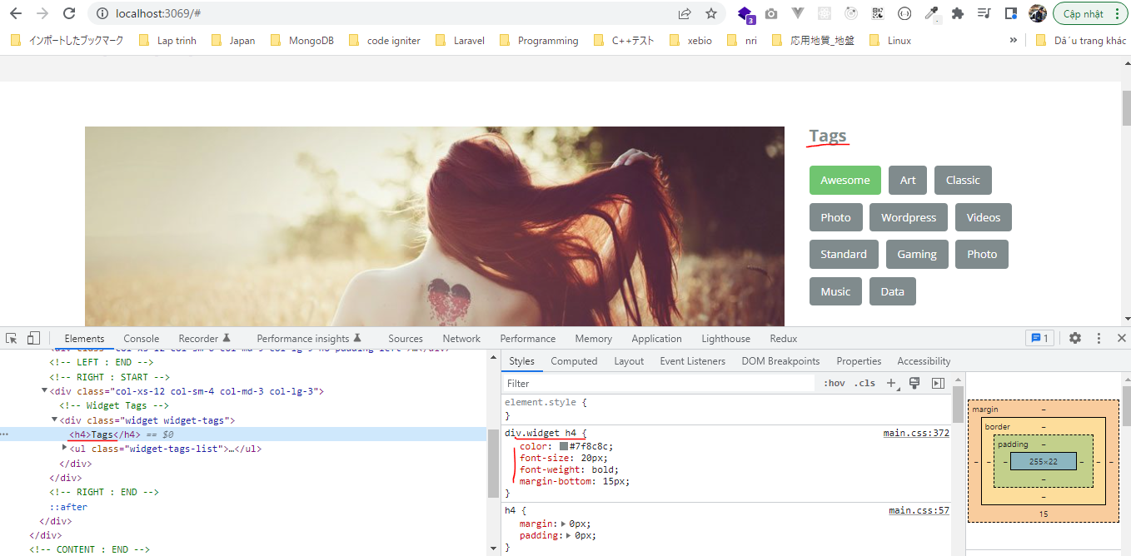
 | <li><a href="#">classic</a></li>
 | <li><a href="#">photo</a></li>
 | <li><a href="#">wordpress</a></li>
 | <li><a href="#">videos</a></li>
 | <li><a href="#">standard</a></li>
 | <li><a href="#">gaming</a></li>
 | <li><a href="#">photo</a></li>
 | <li><a href="#">music</a></li>
 | <li><a href="#">data</a></li>
 | </ul>
 | </div>

development\sass\widgets\_main.scss
 | div.widget {
 | h4 {
 | @include setFont(20px, #7f8c8c, bold);
 | margin-bottom: 15px;
 | }
 | margin-bottom: $widget-margin-bottom;
 | }

 | @import "widget-tags";

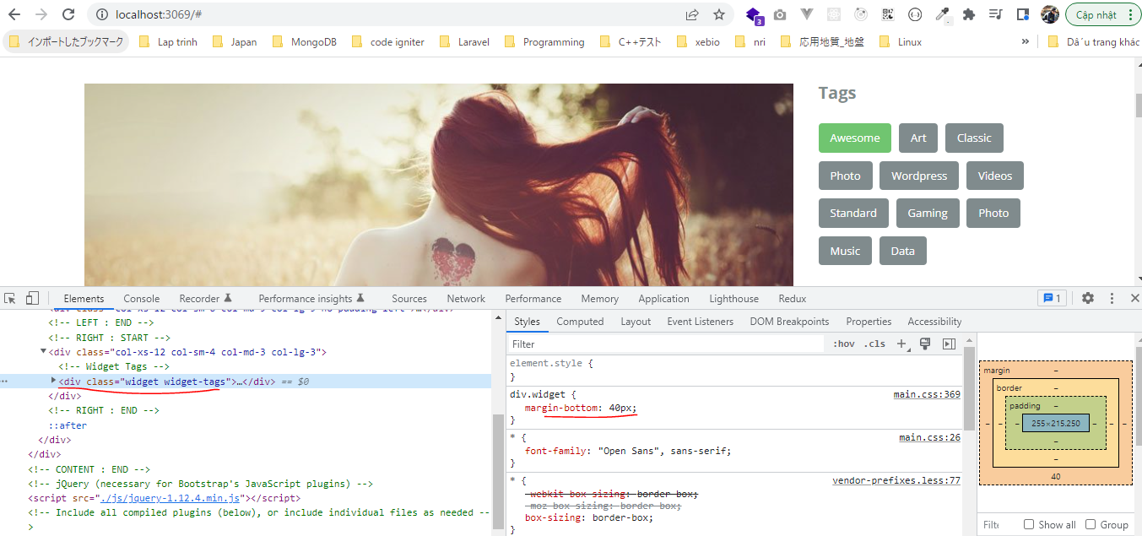
development\sass\widgets\_widget-tags.scss
 | div.widget-tags {

 | %activeTag {
 | background: #70C570;
 | color: #ffffff;
 | }

 | ul.widget-tags-list {
 | list-style: none;

 | li {
 | margin:10px 5px 0 0;
 | display: inline-block;

 | a {
 | display: block;
 | text-transform: capitalize;
 | background: #808B8D;
 | padding: 8px 14px;

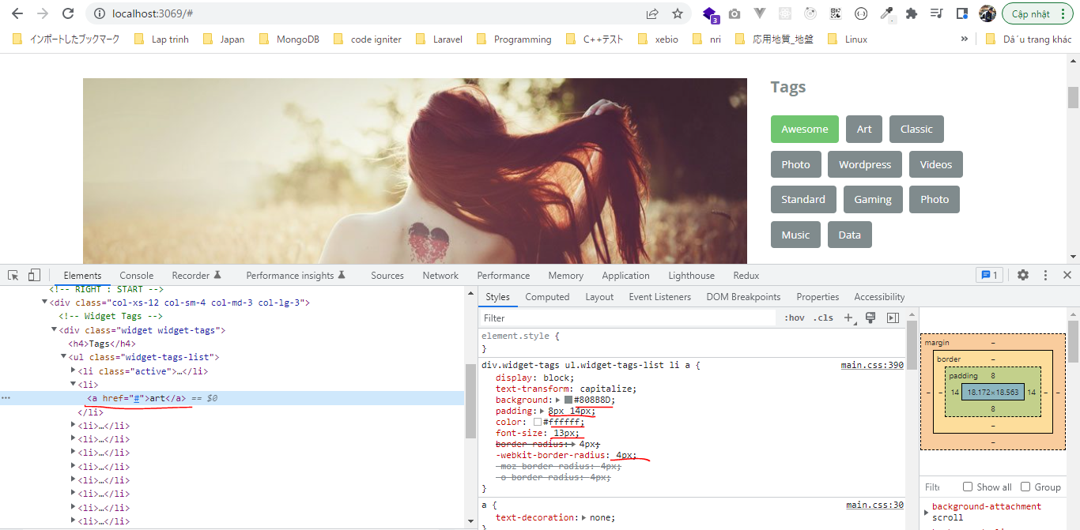
 | @include setFont(13px, $color-white);
 | @include setBorderRadius(4px);

 | &:hover {
 | @extend %activeTag;
 | }
 | }

 | &.active {
 | a {
 | @extend %activeTag;
 | }
 | }
 | }
 | }
 | }

development\sass\_variable.scss
 | /* ======================== FONTS ======================== */
 | $font-open-sans : 'Open Sans', sans-serif;

 | $font-title : $font-open-sans;
 | $font-text : $font-open-sans;
 |  |  |  |  |  |  |  |  |  |  | Click or hover
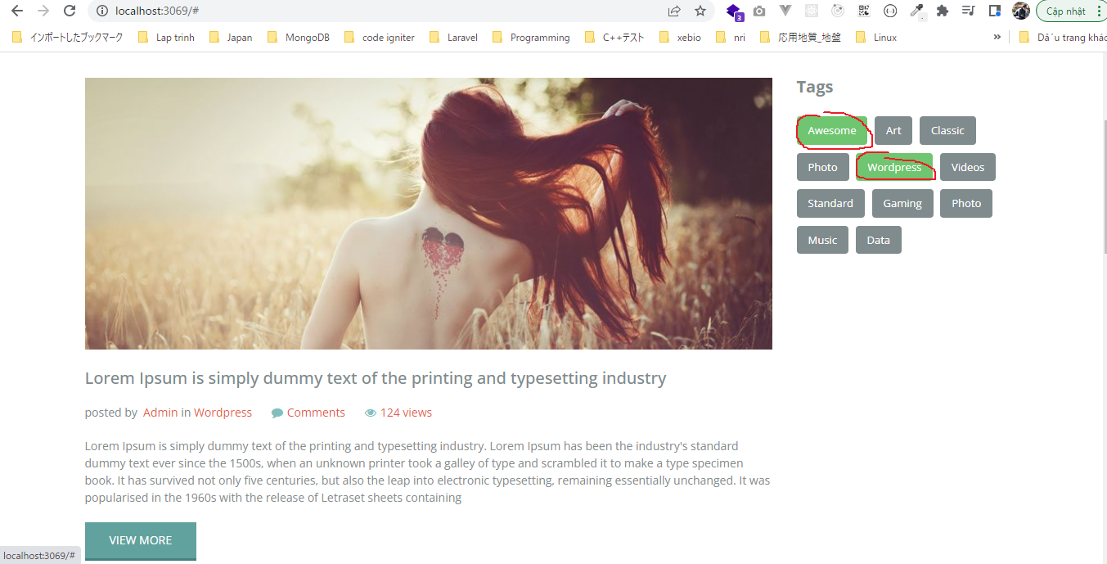
 | /* ======================== LIST ======================== */
 | $heading: h1 h2 h3 h4 h5 h6;

 | /* ======================== COLORS ======================== */
 | $color-white : #ffffff;

 | /* ======================== HEADER ======================== */
 | $header-color-background: #71C7C0;

 | /* ======================== BREADCRUMB ======================== */
 | $breadcrumb-color-background: #F3F3F3;
 | $breadcrumb-color-text: #62A09D;

 | /* ======================== WIDGETS ======================== */
 | $widget-margin-bottom: 40px;

development\sass\main.scss
 | /* ======================== FONTS ======================== */
 | @import "fonts";

 | /* ======================== VARIABLE ======================== */
 | @import "variable";

 | /* ======================== MIXIN ======================== */
 | @import "mixins/main";

 | /* ======================== RESET ======================== */
 | @import "reset";

 | /* ======================== HEADER ======================== */
 | @import "header/main";

 | /* ======================== DEVICES ======================== */
 | @import "devices/main";

 | /* ======================== ELEMENTS ======================== */
 | @import "elements/main";

 | /* ======================== WIDGETS ======================== */
 | @import "widgets/main";

 | #main-content {
 | padding: 4% 0;
 | }

 | .no-padding-left {
 | padding-left: 0px;
 | }

development\index.html
 | <!doctype html>
 | <html lang="en">
 | <head>
 | <meta charset="utf-8">
 | <meta http-equiv="X-UA-Compatible" content="IE=edge">
 | <meta name="viewport" content="width=device-width, initial-scale=1">
 | <!-- The above 3 meta tags *must* come first in the head; any other head content must come *after* these tags -->
 | <title>Bootstrap 101 Template</title>
 | <!-- Bootstrap -->
 | <link rel="stylesheet" href="./css/bootstrap.min.css">
 | <link rel="stylesheet" href="./css/font-awesome.min.css">
 | <link rel="stylesheet" href="./css/main.css">
 | <!-- HTML5 shim and Respond.js for IE8 support of HTML5 elements and media queries -->
 | <!-- WARNING: Respond.js doesn't work if you view the page via file:// -->
 | <!--[if lt IE 9]>
 | <script src="https://cdn.jsdelivr.net/npm/html5shiv@3.7.3/dist/html5shiv.min.js"></script>
 | <script src="https://cdn.jsdelivr.net/npm/respond.js@1.4.2/dest/respond.min.js"></script>
 | <![endif]-->
 | </head>
 | <body>
 | <!-- HEADER : START -->
 | include "./html-elements/header.html"
 | <!-- HEADER : END -->

 | include "./html-elements/breadcrumb.html"

 | <!-- CONTENT : START -->
 | <div id="main-content">
 | <div class="container">
 | <!-- LEFT : START -->
 | <div class="col-xs-12 col-sm-8 col-md-9 col-lg-9 no-padding-left">
 | include "./html-elements/article.html"
 | include "./html-elements/article.html"
 | include "./html-elements/article.html"
 | </div>
 | <!-- LEFT : END -->

 | <!-- RIGHT : START -->
 | <div class="col-xs-12 col-sm-4 col-md-3 col-lg-3">
 | <!-- Widget Tags -->
 | include "./html-elements/widget-tags.html"
 | </div>
 | <!-- RIGHT : END -->
 | </div>
 | </div>
 | <!-- CONTENT : END -->

 | <!-- jQuery (necessary for Bootstrap's JavaScript plugins) -->
 | <script src="./js/jquery-1.12.4.min.js"></script>
 | <!-- Include all compiled plugins (below), or include individual files as needed -->
 | <script src="./js/bootstrap.min.js"></script>
 | <script src="./js/menu.js"></script>
 | </body>
 | </html>

