Breadcrumb
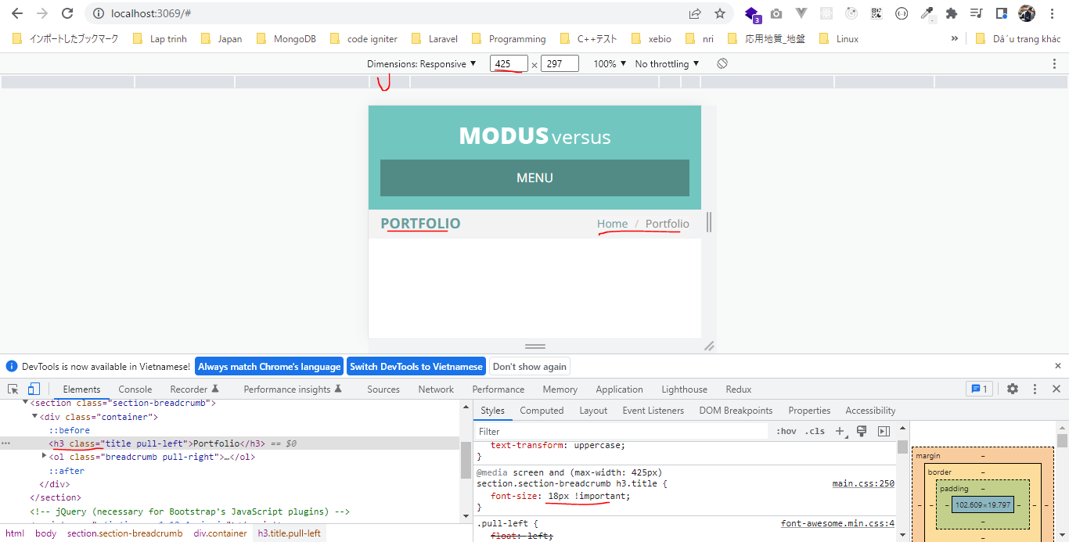
構成
 | sass-gruntjs-bootstrap
 |  | 3.project
 |  |  | development
 |  |  |  | html-elements
 |  |  |  |  | breadcrumb.html |  | → | new
 |  |  |  |  | header.html
 |  |  |  | js
 |  |  |  | sass
 |  |  |  |  | devices

 |  |  |  |  |  | _main.scss
 |  |  |  |  |  | _mixin.scss | → | add code
 |  |  |  |  |  | _size_extra_small.scss
 |  |  |  |  |  | _size_large.scss
 |  |  |  |  |  | _size_medium.scss
 |  |  |  |  |  | _size_mobile.scss | → | add code
 |  |  |  |  |  | _size_small.scss
 |  |  |  |  | elements
 |  |  |  |  |  | _breadcrumb.scss | → | new
 |  |  |  |  |  | _main.scss | → | new
 |  |  |  |  | footer
 |  |  |  |  | header
 |  |  |  |  |  | _header-logo.scss
 |  |  |  |  |  | _header-menu.scss
 |  |  |  |  |  | _main.scss
 |  |  |  |  | mixins
 |  |  |  |  |  | _main.scss
 |  |  |  |  |  | _mx_libs.scss
 |  |  |  |  |  | _mx_utils.scss
 |  |  |  |  | widgets
 |  |  |  |  | _fonts.scss
 |  |  |  |  | _reset.scss |  | → | add code
 |  |  |  |  | _variable.scss |  | → | add code
 |  |  |  |  | main.scss |  | → | add code
 |  |  |  | index.html |  |  | → | add code
 |  |  | production
 |  |  |  | css
 |  |  |  | fonts
 |  |  |  | images
 |  |  |  |  | logo.png
 |  |  |  | js
 |  |  |  | index.html
 |  |  | Gruntfile.js
 |  |  | package.json

development\html-elements\breadcrumb.html
 | <section class="section-breadcrumb">
 | <div class="container">
 | <h3 class="title pull-left">Portfolio</h3>

 | <ol class="breadcrumb pull-right">
 | <li><a href="#">Home</a></li>
 | <li class="active">Portfolio</li>
 | </ol>
 | </div>
 | </section>

development\sass\devices\_mixin.scss
 | // Navigation Padding
 | @mixin setHeaderMenuPadding($padding){
 | header nav.header-menu ul.menu > li > a {
 | padding: $padding;
 | }
 | }

 | // Center Header
 | @mixin setCenterHeader() {
 | header {
 | text-align: center;

 | div.header-logo {
 | float: none !important;
 | margin-bottom: 10px;
 | }

 | nav.header-menu {
 | float: none !important;
 | }
 | }
 | }

 | // Navigation On Mobile
 | @mixin setNavigationOnMobile() {
 | header {
 | div.header-logo, nav.header-menu {
 | float: none !important;
 | }

 | nav.header-menu {
 | ul.menu {
 | display: none;

 | > li{
 | display: block;
 | width: 100%;

 | a{
 | background: #ffffff !important;
 | color: #797979 !important;
 | border-top:1px solid #e0e0e0 !important;
 | }

 | &:hover a, &.activate a {
 | background: #f0f0f0 !important;
 | @include setBoxShadowBottom(0px, #47817E !important);
 | @include setBorderRadius(0px !important);
 | }

 | ul {
 | display:none;
 | }

 | }
 | }
 | }
 | }

 | a.mobile-menu {
 | display: block !important;
 | margin-top: 20px;
 | }
 | }

 | // Breadcrumb Title Size
 | @mixin setBreadcrumbTitleSize($size: 18px){
 | section.section-breadcrumb {
 | h3.title {
 | font-size: $size !important;
 | }
 | }
 | }

development\sass\devices\_size_mobile.scss
 | @media screen
 | and (max-width: $device_size_mobile) {

 | @include setNavigationOnMobile();
 | @include setBreadcrumbTitleSize(18px);
 | }

development\sass\elements\_breadcrumb.scss
 | section.section-breadcrumb {
 | background: $breadcrumb-color-background;
 | padding: 2% 0;

 | h3.title {
 | @include setFont(24px, $breadcrumb-color-text, bold );
 | text-transform: uppercase;
 | }

 | ol.breadcrumb {
 | li {
 | a {
 | @include setFont(14px, $breadcrumb-color-text);
 | &:hover {
 | color: #F15F43
 | }
 | }

 | &.active {
 | color: #888888;
 | }
 | }
 | }
 | }

development\sass\elements\_main.scss
 | @import "breadcrumb";

development\sass\_reset.scss
 | * {
 | font-family: $font-text;
 | }

 | a {
 | text-decoration: none;
 | &:hover {
 | text-decoration: none;
 | }
 | }

 | ul {
 | padding: 0px;
 | margin: 0px;
 | }

 | // Reset h1 h2 h3 h4 h5 h6
 | @each $element in $heading { |  |  |  | → | Thông thường đối với các thẻ h1-h6 thì trong Bootstrap đã định nghĩa sẵn 1 số các thuộc tính như margin-top, margin-bottom. Các thuộc tính
 | #{$element} { |  |  |  |  | này đôi khi ko giúp ích nhiều cho giao diện của mình, do đó mình reset về 0px
 | margin: 0px;
 | padding: 0px;
 | }
 | }

 | // Reset breadcrumb
 | .breadcrumb { |  |  |  | → | Reset cho thẻ ol
 | padding: 0px;
 | margin-bottom: 0px;
 | }

development\sass\_variable.scss
 | /* ======================== FONTS ======================== */
 | $font-open-sans : 'Open Sans', sans-serif;

 | $font-title : $font-open-sans;
 | $font-text : $font-open-sans;

 | /* ======================== LIST ======================== */
 | $heading: h1 h2 h3 h4 h5 h6;

 | /* ======================== COLORS ======================== */
 | $color-white : #ffffff;

 | /* ======================== HEADER ======================== */
 | $header-color-background: #71C7C0;

 | /* ======================== BREADCRUMB ======================== */
 | $breadcrumb-color-background: #F3F3F3;
 | $breadcrumb-color-text: #62A09D;

development\sass\main.scss
 | /* ======================== FONTS ======================== */
 | @import "fonts";

 | /* ======================== VARIABLE ======================== */
 | @import "variable";

 | /* ======================== MIXIN ======================== */
 | @import "mixins/main";

 | /* ======================== RESET ======================== */
 | @import "reset";

 | /* ======================== HEADER ======================== */
 | @import "header/main";

 | /* ======================== DEVICES ======================== */
 | @import "devices/main";

 | /* ======================== ELEMENTS ======================== */
 | @import "elements/main";

development\index.html
 | <!doctype html>
 | <html lang="en">
 | <head>
 | <meta charset="utf-8">
 | <meta http-equiv="X-UA-Compatible" content="IE=edge">
 | <meta name="viewport" content="width=device-width, initial-scale=1">
 | <!-- The above 3 meta tags *must* come first in the head; any other head content must come *after* these tags -->
 | <title>Bootstrap 101 Template</title>
 | <!-- Bootstrap -->
 | <link rel="stylesheet" href="./css/bootstrap.min.css">
 | <link rel="stylesheet" href="./css/font-awesome.min.css">
 | <link rel="stylesheet" href="./css/main.css">
 | <!-- HTML5 shim and Respond.js for IE8 support of HTML5 elements and media queries -->
 | <!-- WARNING: Respond.js doesn't work if you view the page via file:// -->
 | <!--[if lt IE 9]>
 | <script src="https://cdn.jsdelivr.net/npm/html5shiv@3.7.3/dist/html5shiv.min.js"></script>
 | <script src="https://cdn.jsdelivr.net/npm/respond.js@1.4.2/dest/respond.min.js"></script>
 | <![endif]-->
 | </head>
 | <body>
 | <!-- HEADER : START -->
 | include "./html-elements/header.html"
 | <!-- HEADER : END -->

 | include "./html-elements/breadcrumb.html"

 | <!-- jQuery (necessary for Bootstrap's JavaScript plugins) -->
 | <script src="./js/jquery-1.12.4.min.js"></script>
 | <!-- Include all compiled plugins (below), or include individual files as needed -->
 | <script src="./js/bootstrap.min.js"></script>
 | <script src="./js/menu.js"></script>
 | </body>
 | </html>

Check browser

1440px
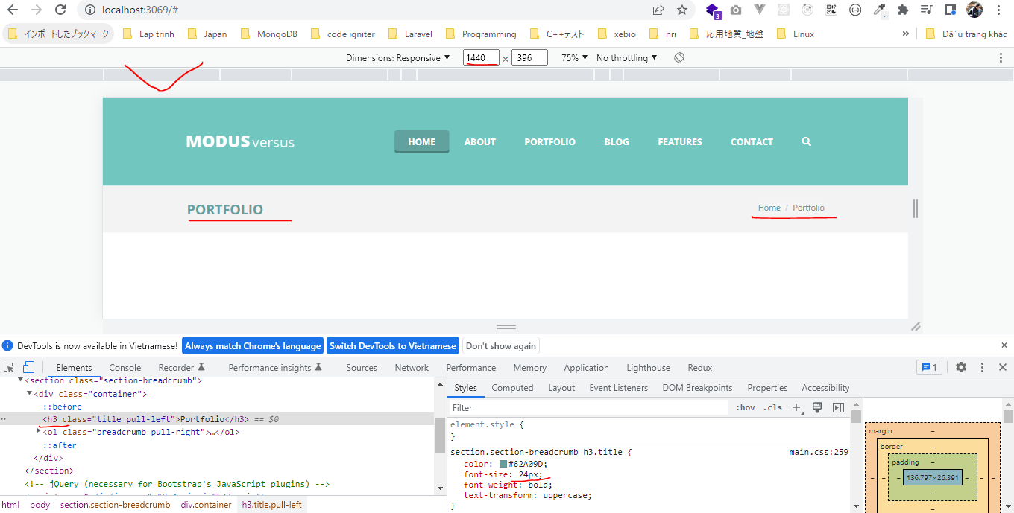

1024px
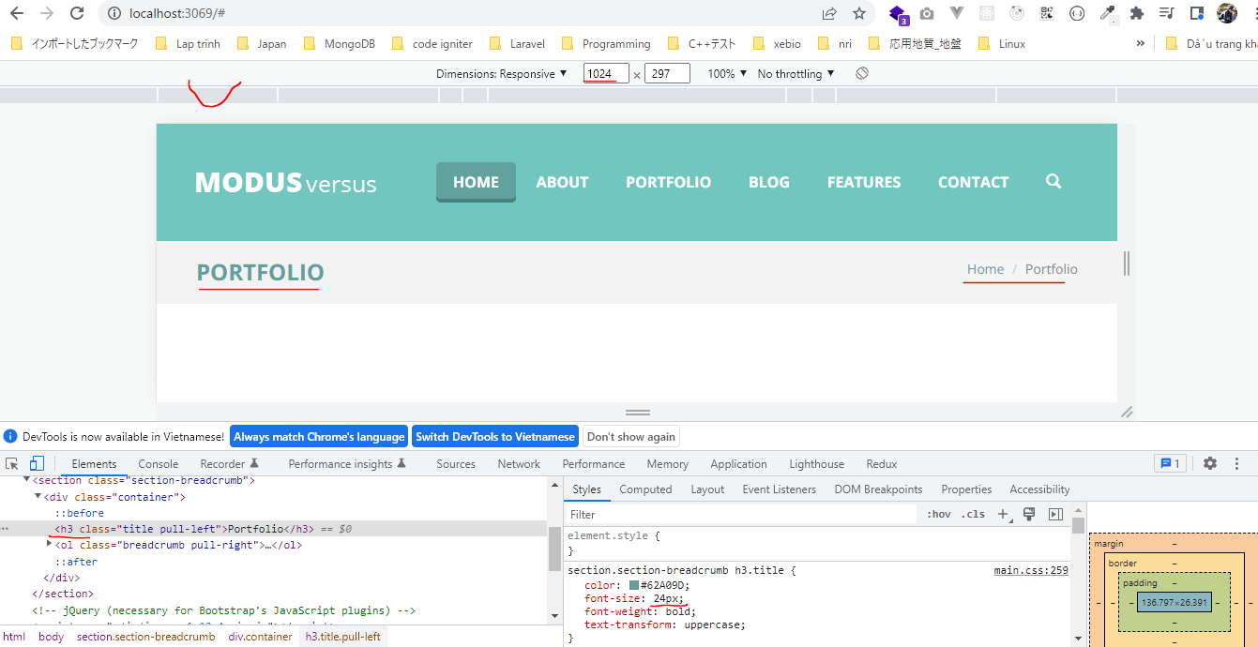

768px
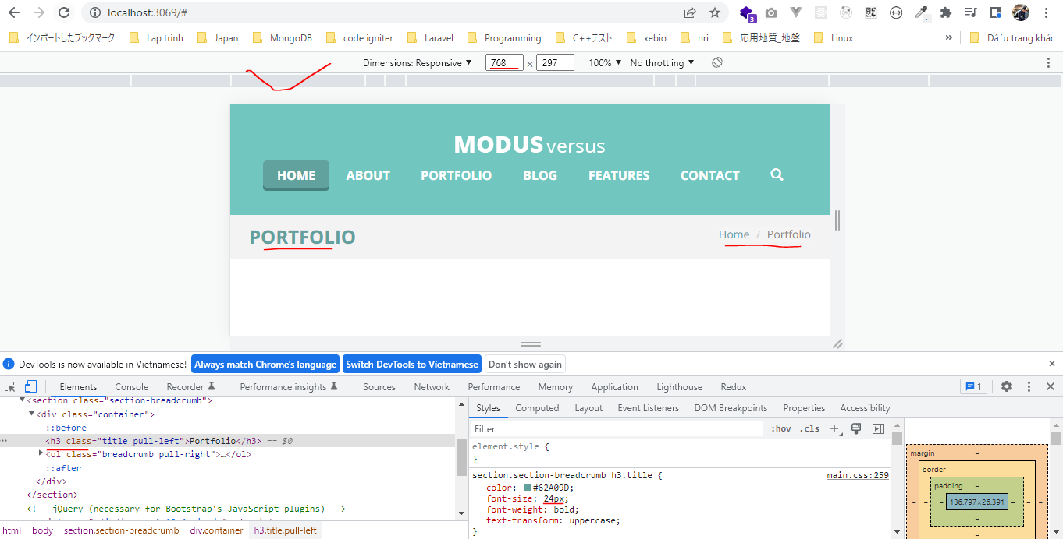

425px

