Create & Use
Bài toán width của thẻ div bên tron có 3 thẻ p
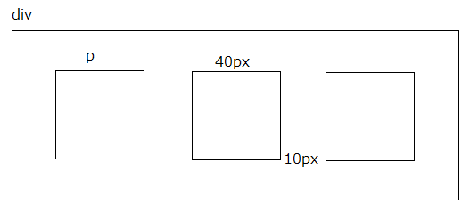

構成
 | sass-gruntjs-bootstrap
 |  | 1.training_sass
 |  |  | 06-function
 |  |  |  | 1.Create-Use
 |  |  |  |  | output |  | →Output Folder
 |  |  |  |  | scss |  | →Add project(Input Folder)
 |  |  |  |  |  | 01-create.scss

01-create.scss
 | $column : 3;
 | $columnWidth : 40px;
 | $columnMargin : 10px;

 | @function setWidth($pColumn, $pColumnWith, $pColumnMargin) {

 | @return $pColumnWith*$pColumn + ($pColumn + 1)*$pColumnMargin;
 | }

 | div {
 | width: setWidth($column, $columnWidth, $columnMargin);
 | }

Convert
 | sass-gruntjs-bootstrap
 |  | 1.training_sass
 |  |  | 06-function
 |  |  |  | 1.Create-Use
 |  |  |  |  | output
 |  |  |  |  |  | 01-create.css
 |  |  |  |  | scss
 |  |  |  |  |  | 01-create.scss

01-create.css
 | div {
 | width: 160px; }

