Prepare
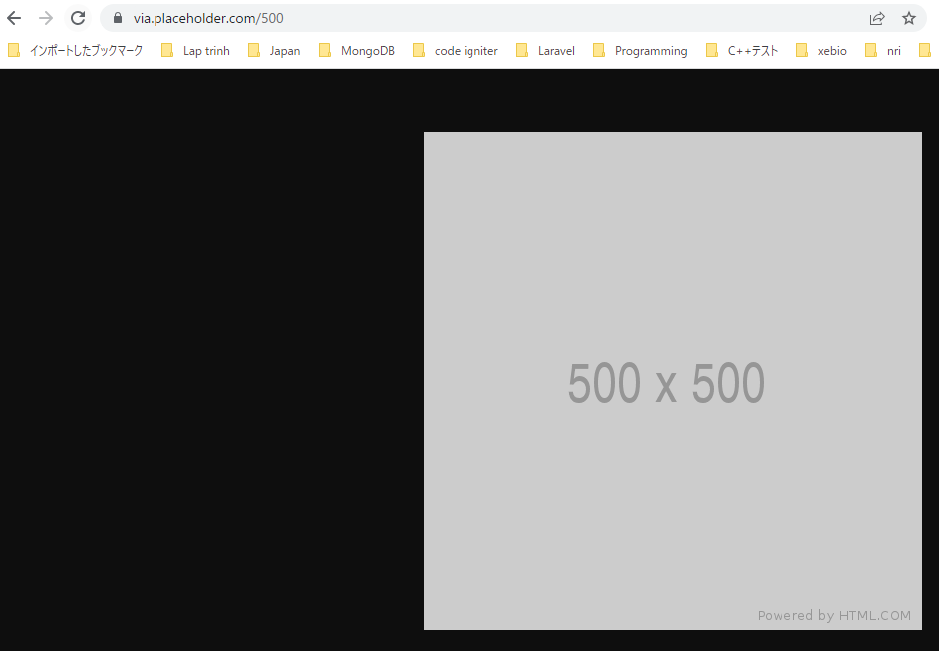
Trang cung cấp hình ảnh: https://placeholder.com/
size 500x500
 | https://via.placeholder.com/500

Clearfix
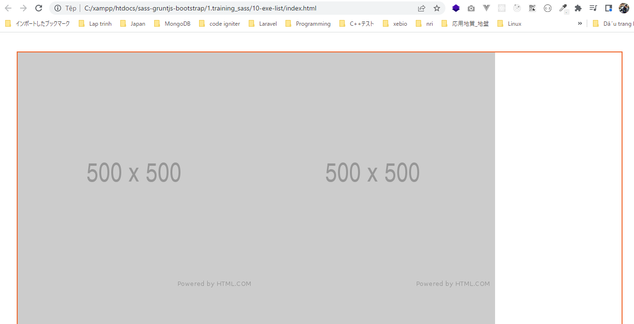
構成
 | sass-gruntjs-bootstrap
 |  | 1.training_sass
 |  |  | 10-exe-list |  |  | →Add project, Output Folder
 |  |  |  | scss
 |  |  |  |  | _mixin.scss
 |  |  |  |  | _reset.scss
 |  |  |  |  | _variable.scss
 |  |  |  |  | style-01.scss
 |  |  |  | index.html

_mixin.scss
 | @mixin clearfix {
 | &:after {
 | content: "";
 | display: table;
 | clear: both;
 | }
 | }

_reset.scss
 | * {
 | margin: 0px;
 | padding: 0px;
 | }

_variable.scss
 | $color-border: #F0682D;

style-01.scss
 | @import "reset";
 | @import "variable";
 | @import "mixin";

 | div.list-images {
 | margin: 40px;
 | border: 2px solid $color-border;
 | div.image {
 | float: left;
 | img {
 | display: block;
 | width: 100%;
 | }
 | }

 | @include clearfix;
 | }

index.html
 | <!DOCTYPE html>
 | <html lang="en">
 | <head>
 | <meta charset="utf-8">
 | <meta http-equiv="X-UA-Compatible" content="IE=edge">
 | <meta name="viewport" content="width=device-width, initial-scale=1">
 | <title>Exe List</title>
 | <link rel="stylesheet" type="text/css" href="./style-01.css">
 | </head>
 | <body>
 | <div class="list-images">
 | <div class="image">
 | <img src="https://via.placeholder.com/500" alt="placehold">
 | </div>
 | <div class="image">
 | <img src="https://via.placeholder.com/500" alt="placehold">
 | </div>
 | <div class="image">
 | <img src="https://via.placeholder.com/500" alt="placehold">
 | </div>
 | <div class="image">
 | <img src="https://via.placeholder.com/500" alt="placehold">
 | </div>
 | <div class="image">
 | <img src="https://via.placeholder.com/500" alt="placehold">
 | </div>
 | <div class="image">
 | <img src="https://via.placeholder.com/500" alt="placehold">
 | </div>
 | <div class="image">
 | <img src="https://via.placeholder.com/500" alt="placehold">
 | </div>
 | <div class="image">
 | <img src="https://via.placeholder.com/500" alt="placehold">
 | </div>
 | <div class="image">
 | <img src="https://via.placeholder.com/500" alt="placehold">
 | </div>
 | <div class="image">
 | <img src="https://via.placeholder.com/500" alt="placehold">
 | </div>
 | </div>
 | </body>
 | </html>

Convert
 | sass-gruntjs-bootstrap
 |  | 1.training_sass
 |  |  | 10-exe-list
 |  |  |  | scss
 |  |  |  |  | _mixin.scss
 |  |  |  |  | _reset.scss
 |  |  |  |  | _variable.scss
 |  |  |  |  | style-01.scss
 |  |  |  | index.html
 |  |  |  | style-01.css

style-01.css
 | * {
 | margin: 0px;
 | padding: 0px; }

 | div.list-images {
 | margin: 40px;
 | border: 2px solid #F0682D; }
 | div.list-images div.image {
 | float: left; }
 | div.list-images div.image img {
 | display: block;
 | width: 100%; }
 | div.list-images:after {
 | content: "";
 | display: table;
 | clear: both; }

browser

SetWidth
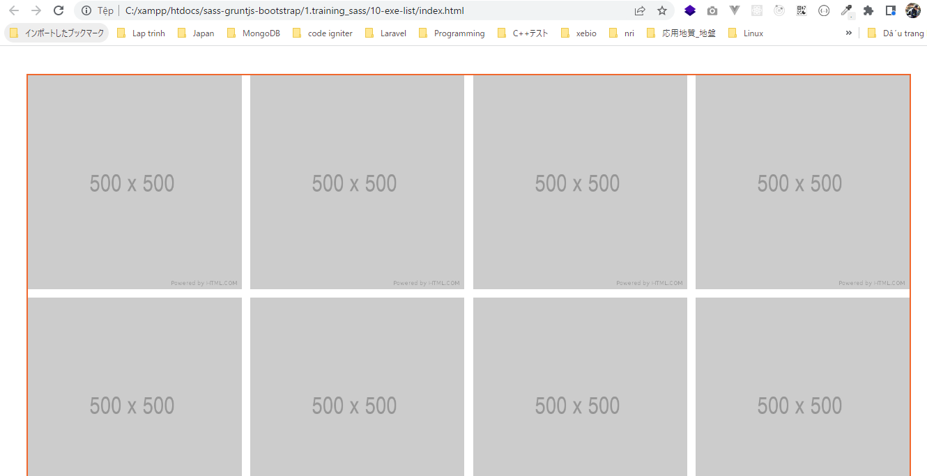
 | Hiển thị 5 hình ảnh trên một dòng
 | Các hình ảnh cách nhau 1%(của div.list-images)
 | A: Chiều rộng của 1 hình ảnh
 | A + 1 + A + 1 + A + 1 + A + 1 + A = 100
 | 5A + 4 = 100
 | A = (100-4)/5 = 19.2%

構成
 | sass-gruntjs-bootstrap
 |  | 1.training_sass
 |  |  | 10-exe-list |  |  | →Add project, Output Folder
 |  |  |  | scss
 |  |  |  |  | _mixin.scss
 |  |  |  |  | _reset.scss
 |  |  |  |  | _variable.scss
 |  |  |  |  | style-01.scss
 |  |  |  | index.html

_mixin.scss
 | @mixin setWidth($pColum, $pColumMargin ) {
 | width: (100% - ($pColum - 1) * $pColumMargin) / $pColum;
 | margin-right: $pColumMargin;

 | &:nth-child(#{$pColum}n) { // 5n |  |  |  |  | → | Hình ảnh cuối cùng trên 1 dòng thì không có margin-right
 | margin-right: 0%; |  |  |  |  |  | &: Đại diện cho phần bên ngoài
 | margin-bottom: $pColumMargin; |  |  |  |  |  | Hình ảnh cuối cùng trên 1 dòng thì mới có margin-bottom
 | }

 | &:last-child {
 | margin-bottom: 0%; |  |  |  |  |  | Dòng cuối cùng thì không cần margin-bottom
 | }
 | }

 | @mixin clearfix {
 | &:after {
 | content: "";
 | display: table;
 | clear: both;
 | }
 | }

_variable.scss
 | $color-border: #F0682D;
 | $colum : 4;
 | $columMargin : 1%;

style-01.scss
 | @import "reset";
 | @import "variable";
 | @import "mixin";

 | div.list-images {
 | margin: 40px;
 | border: 2px solid $color-border;
 | div.image {
 | float: left;
 | @include setWidth($colum, $columMargin);
 | img {
 | display: block;
 | width: 100%;
 | }
 | }

 | @include clearfix;
 | }

Convert
 | sass-gruntjs-bootstrap
 |  | 1.training_sass
 |  |  | 10-exe-list
 |  |  |  | scss
 |  |  |  |  | _mixin.scss
 |  |  |  |  | _reset.scss
 |  |  |  |  | _variable.scss
 |  |  |  |  | style-01.scss
 |  |  |  | index.html
 |  |  |  | style-01.css

style-01.css
 | * {
 | margin: 0px;
 | padding: 0px; }

 | div.list-images {
 | margin: 40px;
 | border: 2px solid #F0682D; }
 | div.list-images div.image {
 | float: left;
 | width: 24.25%;
 | margin-right: 1%; }
 | div.list-images div.image:nth-child(4n) {
 | margin-right: 0%;
 | margin-bottom: 1%; }
 | div.list-images div.image:last-child {
 | margin-bottom: 0%; }
 | div.list-images div.image img {
 | display: block;
 | width: 100%; }
 | div.list-images:after {
 | content: "";
 | display: table;
 | clear: both; }

Browser

Media
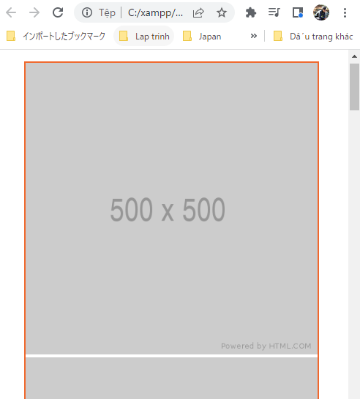
 | Màn hình >1000px 5 cột, cách nhau 1%
 | Màn hình >500px, <1000px 3 cột, cách nhau 2%
 | Màn hình <500px 1 cột, cách nhau 0%

構成
 | sass-gruntjs-bootstrap
 |  | 1.training_sass
 |  |  | 10-exe-list |  |  | →Add project, Output Folder
 |  |  |  | scss
 |  |  |  |  | _mixin.scss
 |  |  |  |  | _reset.scss
 |  |  |  |  | _variable.scss
 |  |  |  |  | style-01.scss
 |  |  |  | index.html

_mixin.scss
 | @import "reset";
 | @import "variable";
 | @import "mixin";

 | div.list-images {
 | margin: 40px;
 | border: 2px solid $color-border;
 | div.image {
 | float: left;
 | // @include setWidth($colum, $columMargin);
 | img {
 | display: block;
 | width: 100%;
 | }
 | }

 | @include clearfix;
 | }

 | @media screen and (min-width: 1000px){
 | div.image {
 | @include setWidth(5, 1%);
 | }
 | }

 | @media screen and (min-width: 500px) and (max-width: 1000px){
 | div.image {
 | @include setWidth(3, 2%);
 | }
 | }

 | @media screen and (max-width: 500px){
 | div.image {
 | @include setWidth(1, 1%);
 | }
 | }

Convert
 | sass-gruntjs-bootstrap
 |  | 1.training_sass
 |  |  | 10-exe-list
 |  |  |  | scss
 |  |  |  |  | _mixin.scss
 |  |  |  |  | _reset.scss
 |  |  |  |  | _variable.scss
 |  |  |  |  | style-01.scss
 |  |  |  | index.html
 |  |  |  | style-01.css

style-01.css
 | * {
 | margin: 0px;
 | padding: 0px; }

 | div.list-images {
 | margin: 40px;
 | border: 2px solid #F0682D; }
 | div.list-images div.image {
 | float: left; }
 | div.list-images div.image img {
 | display: block;
 | width: 100%; }
 | div.list-images:after {
 | content: "";
 | display: table;
 | clear: both; }

 | @media screen and (min-width: 1000px) {
 | div.image {
 | width: 19.2%;
 | margin-right: 1%; }
 | div.image:nth-child(5n) {
 | margin-right: 0%;
 | margin-bottom: 1%; }
 | div.image:last-child {
 | margin-bottom: 0%; } }

 | @media screen and (min-width: 500px) and (max-width: 1000px) {
 | div.image {
 | width: 32%;
 | margin-right: 2%; }
 | div.image:nth-child(3n) {
 | margin-right: 0%;
 | margin-bottom: 2%; }
 | div.image:last-child {
 | margin-bottom: 0%; } }

 | @media screen and (max-width: 500px) {
 | div.image {
 | width: 100%;
 | margin-right: 1%; }
 | div.image:nth-child(1n) {
 | margin-right: 0%;
 | margin-bottom: 1%; }
 | div.image:last-child {
 | margin-bottom: 0%; } }

browser
 | >1000px
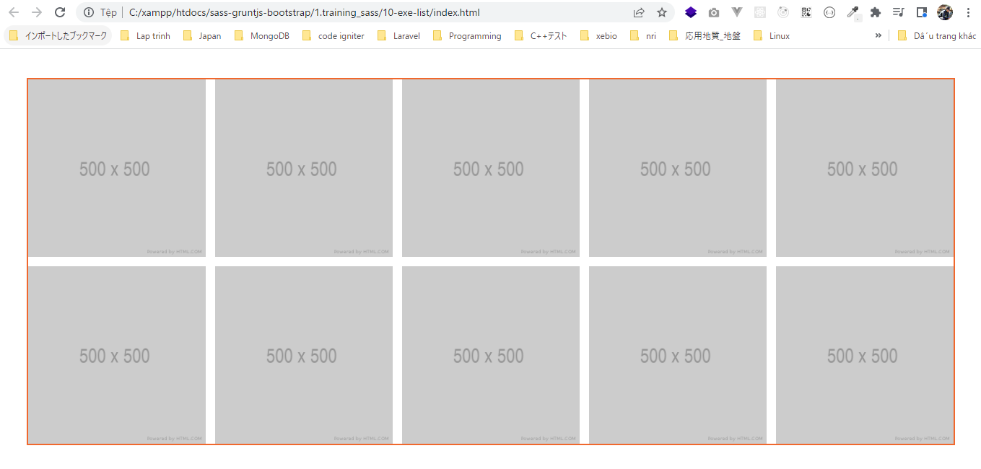

 | 500px~1000px
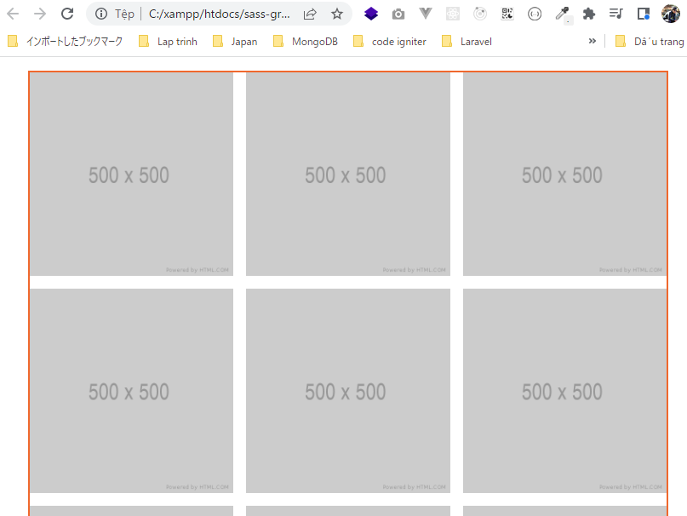

 | <500px

