Minify css, js
構成
 | sass-gruntjs-bootstrap
 |  | 3.project
 |  |  | development
 |  |  |  | html-elements
 |  |  |  |  | article.html
 |  |  |  |  | breadcrumb.html
 |  |  |  |  | footer.html
 |  |  |  |  | header.html
 |  |  |  |  | widget-address.html
 |  |  |  |  | widget-ads.html
 |  |  |  |  | widget-blog.html
 |  |  |  |  | widget-community.html
 |  |  |  |  | widget-company.html
 |  |  |  |  | widget-tags.html
 |  |  |  | js
 |  |  |  | sass
 |  |  |  |  | devices

 |  |  |  |  |  | _main.scss
 |  |  |  |  |  | _mixin.scss
 |  |  |  |  |  | _size_extra_small.scss
 |  |  |  |  |  | _size_large.scss
 |  |  |  |  |  | _size_medium.scss
 |  |  |  |  |  | _size_mobile.scss
 |  |  |  |  |  | _size_small.scss
 |  |  |  |  | elements
 |  |  |  |  |  | _article.scss
 |  |  |  |  |  | _breadcrumb.scss
 |  |  |  |  |  | _main.scss
 |  |  |  |  | footer
 |  |  |  |  |  | _footer-bottom.scss
 |  |  |  |  |  | _footer-top.scss
 |  |  |  |  |  | _main.scss
 |  |  |  |  | header
 |  |  |  |  |  | _header-logo.scss
 |  |  |  |  |  | _header-menu.scss
 |  |  |  |  |  | _main.scss
 |  |  |  |  | mixins
 |  |  |  |  |  | _main.scss
 |  |  |  |  |  | _mx_libs.scss
 |  |  |  |  |  | _mx_utils.scss
 |  |  |  |  | widgets
 |  |  |  |  |  | _main.scss
 |  |  |  |  |  | _widget-address.scss
 |  |  |  |  |  | _widget-ads.scss
 |  |  |  |  |  | _widget-blog.scss
 |  |  |  |  |  | _widget-list.scss
 |  |  |  |  |  | _widget-tags.scss
 |  |  |  |  | _fonts.scss
 |  |  |  |  | _reset.scss
 |  |  |  |  | _variable.scss
 |  |  |  |  | main.scss
 |  |  |  | index.html |  |  | → | Edit code
 |  |  | production
 |  |  |  | css
 |  |  |  | fonts
 |  |  |  | images
 |  |  |  |  | blog_pic1.jpg
 |  |  |  |  | blog_pic2.jpg
 |  |  |  |  | blog-pic1.jpg
 |  |  |  |  | logo.png
 |  |  |  |  | right_arrow.png
 |  |  |  |  | s1.jpg
 |  |  |  |  | s2.jpg
 |  |  |  |  | s3.jpg
 |  |  |  |  | s4.jpg
 |  |  |  |  | s5.jpg
 |  |  |  |  | s6.jpg
 |  |  |  | js
 |  |  |  | index.html
 |  |  | Gruntfile.js |  |  |  | → | Add code
 |  |  | package.json

development\index.html
 | <!doctype html>
 | <html lang="en">
 | <head>
 | <meta charset="utf-8">
 | <meta http-equiv="X-UA-Compatible" content="IE=edge">
 | <meta name="viewport" content="width=device-width, initial-scale=1">
 | <!-- The above 3 meta tags *must* come first in the head; any other head content must come *after* these tags -->
 | <title>Bootstrap 101 Template</title>
 | <!-- Bootstrap -->
 | <link rel="stylesheet" href="./css/bootstrap.min.css">
 | <link rel="stylesheet" href="./css/font-awesome.min.css">
 | <link rel="stylesheet" href="./css/main.min.css"> |  |  |  |  |  |  |  | → | .min.css
 | <!-- HTML5 shim and Respond.js for IE8 support of HTML5 elements and media queries -->
 | <!-- WARNING: Respond.js doesn't work if you view the page via file:// -->
 | <!--[if lt IE 9]>
 | <script src="https://cdn.jsdelivr.net/npm/html5shiv@3.7.3/dist/html5shiv.min.js"></script>
 | <script src="https://cdn.jsdelivr.net/npm/respond.js@1.4.2/dest/respond.min.js"></script>
 | <![endif]-->
 | </head>
 | <body>
 | <!-- HEADER : START -->
 | include "./html-elements/header.html"
 | <!-- HEADER : END -->

 | include "./html-elements/breadcrumb.html"

 | <!-- CONTENT : START -->
 | <div id="main-content">
 | <div class="container">
 | <!-- LEFT : START -->
 | <div class="col-xs-12 col-sm-8 col-md-9 col-lg-9 no-padding-left">
 | include "./html-elements/article.html"
 | include "./html-elements/article.html"
 | include "./html-elements/article.html"
 | </div>
 | <!-- LEFT : END -->

 | <!-- RIGHT : START -->
 | <div class="col-xs-12 col-sm-4 col-md-3 col-lg-3">
 | <!-- Widget Tags -->
 | include "./html-elements/widget-tags.html"

 | <!-- Widget Ads -->
 | include "./html-elements/widget-ads.html"
 | </div>
 | <!-- RIGHT : END -->
 | </div>
 | </div>
 | <!-- CONTENT : END -->

 | <!-- FOOTER : START -->
 | include "./html-elements/footer.html"
 | <!-- FOOTER : END -->

 | <!-- jQuery (necessary for Bootstrap's JavaScript plugins) -->
 | <script src="./js/jquery-1.12.4.min.js"></script>
 | <!-- Include all compiled plugins (below), or include individual files as needed -->
 | <script src="./js/bootstrap.min.js"></script>
 | <script src="./js/menu.min.js"></script> |  |  |  |  |  |  |  | → | .min.js
 | </body>
 | </html>

Gruntfile.js
 | module.exports = function(grunt) {

 | // 01 Config
 | grunt.initConfig({
 | pkg: grunt.file.readJSON('package.json'),

 | dirs: {
 | inputSCSS : 'development/sass',
 | inputJS : 'development/js',
 | inputHTMLELements : 'development/html-elements',
 | outputCSS : 'production/css',
 | outputJS : 'production/js',
 | },

 | // CSSMin
 | cssmin: {
 | options: {
 | },
 | target: {
 | files: [{
 | expand: true,
 | cwd: '<%= dirs.outputCSS %>',
 | src: ['main.css'],
 | dest: '<%= dirs.outputCSS %>',
 | ext: '.min.css'
 | }]
 | }
 | },

 | // Uglify
 | uglify: {
 | options: {
 | beautify: false,
 | compress: {
 | drop_console: true
 | }
 | },
 | my_target: {
 | files: {
 | '<%= dirs.outputJS %>/menu.min.js': ['<%= dirs.inputJS %>/menu.js']
 | }
 | }
 | },

 | // SASS
 | sass: {
 | dist: {
 | options: {
 | sourcemap: 'none',
 | style: 'expanded',
 | },
 | files: {
 | '<%= dirs.outputCSS %>/main.css': '<%= dirs.inputSCSS %>/main.scss'
 | }
 | }
 | },

 | // WATCH
 | watch: {
 | scripts: {
 | files: [
 | '<%= dirs.inputSCSS %>/*.scss', // development/sass/*.scss
 | '<%= dirs.inputSCSS %>/*/*.scss', // development/sass/*/*.scss
 | '<%= dirs.inputJS %>/*.js',
 | 'development/index.html',
 | '<%= dirs.inputHTMLELements %>/*.html', // development/html-elements/*.html
 | ],
 | tasks: [
 | 'sass',
 | 'includes'
 | ],
 | options: {
 | spawn: false,
 | livereload: true
 | },
 | },
 | },

 | // CONNECT
 | connect: {
 | server: {
 | options: {
 | hostname: 'localhost',
 | port: 3069,
 | base: 'production/',
 | livereload: true
 | }
 | }
 | },

 | // INCLUDES
 | includes: {
 | files: {
 | src: [
 | 'development/index.html'
 | ], // Source files
 | dest: 'production/', // Destination directory
 | flatten: true,
 | cwd: '.',
 | options: {
 | silent: true,
 | banner: ''
 | }
 | }
 | },

 | });

 | // 02 Load plugin
 | grunt.loadNpmTasks('grunt-contrib-cssmin');
 | grunt.loadNpmTasks('grunt-contrib-uglify');
 | grunt.loadNpmTasks('grunt-contrib-sass');
 | grunt.loadNpmTasks('grunt-contrib-watch');
 | grunt.loadNpmTasks('grunt-contrib-connect');
 | grunt.loadNpmTasks('grunt-includes');

 | // 03 Register task
 | grunt.registerTask('default', 'Log some stuff.', function() {
 | grunt.log.write('Logging some stuff...').ok();
 | });

 | // Task Developer
 | grunt.registerTask('dev', [
 | 'includes',
 | 'sass',
 | 'cssmin',
 | 'uglify',
 | 'connect',
 | 'watch',
 | ]);

 | // Task Publish Project
 | grunt.registerTask('publish', [
 | 'cssmin',
 | 'uglify'
 | ]);
 | };

grunt dev
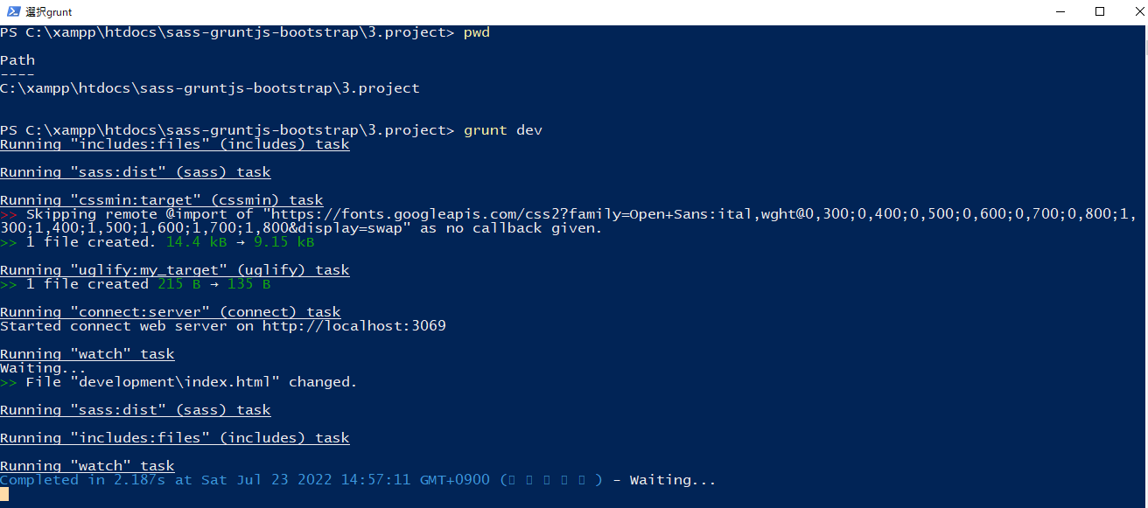

new 構成
 | sass-gruntjs-bootstrap
 |  | 3.project
 |  |  | development
 |  |  |  | html-elements
 |  |  |  |  | article.html
 |  |  |  |  | breadcrumb.html
 |  |  |  |  | footer.html
 |  |  |  |  | header.html
 |  |  |  |  | widget-address.html
 |  |  |  |  | widget-ads.html
 |  |  |  |  | widget-blog.html
 |  |  |  |  | widget-community.html
 |  |  |  |  | widget-company.html
 |  |  |  |  | widget-tags.html
 |  |  |  | js
 |  |  |  | sass
 |  |  |  |  | devices

 |  |  |  |  |  | _main.scss
 |  |  |  |  |  | _mixin.scss
 |  |  |  |  |  | _size_extra_small.scss
 |  |  |  |  |  | _size_large.scss
 |  |  |  |  |  | _size_medium.scss
 |  |  |  |  |  | _size_mobile.scss
 |  |  |  |  |  | _size_small.scss
 |  |  |  |  | elements
 |  |  |  |  |  | _article.scss
 |  |  |  |  |  | _breadcrumb.scss
 |  |  |  |  |  | _main.scss
 |  |  |  |  | footer
 |  |  |  |  |  | _footer-bottom.scss
 |  |  |  |  |  | _footer-top.scss
 |  |  |  |  |  | _main.scss
 |  |  |  |  | header
 |  |  |  |  |  | _header-logo.scss
 |  |  |  |  |  | _header-menu.scss
 |  |  |  |  |  | _main.scss
 |  |  |  |  | mixins
 |  |  |  |  |  | _main.scss
 |  |  |  |  |  | _mx_libs.scss
 |  |  |  |  |  | _mx_utils.scss
 |  |  |  |  | widgets
 |  |  |  |  |  | _main.scss
 |  |  |  |  |  | _widget-address.scss
 |  |  |  |  |  | _widget-ads.scss
 |  |  |  |  |  | _widget-blog.scss
 |  |  |  |  |  | _widget-list.scss
 |  |  |  |  |  | _widget-tags.scss
 |  |  |  |  | _fonts.scss
 |  |  |  |  | _reset.scss
 |  |  |  |  | _variable.scss
 |  |  |  |  | main.scss
 |  |  |  | index.html
 |  |  | production
 |  |  |  | css
 |  |  |  |  | main.min.css
 |  |  |  | fonts
 |  |  |  | images
 |  |  |  |  | blog_pic1.jpg
 |  |  |  |  | blog_pic2.jpg
 |  |  |  |  | blog-pic1.jpg
 |  |  |  |  | logo.png
 |  |  |  |  | right_arrow.png
 |  |  |  |  | s1.jpg
 |  |  |  |  | s2.jpg
 |  |  |  |  | s3.jpg
 |  |  |  |  | s4.jpg
 |  |  |  |  | s5.jpg
 |  |  |  |  | s6.jpg
 |  |  |  | js
 |  |  |  |  | menu.min.js
 |  |  |  | index.html
 |  |  | Gruntfile.js
 |  |  | package.json

Check browser
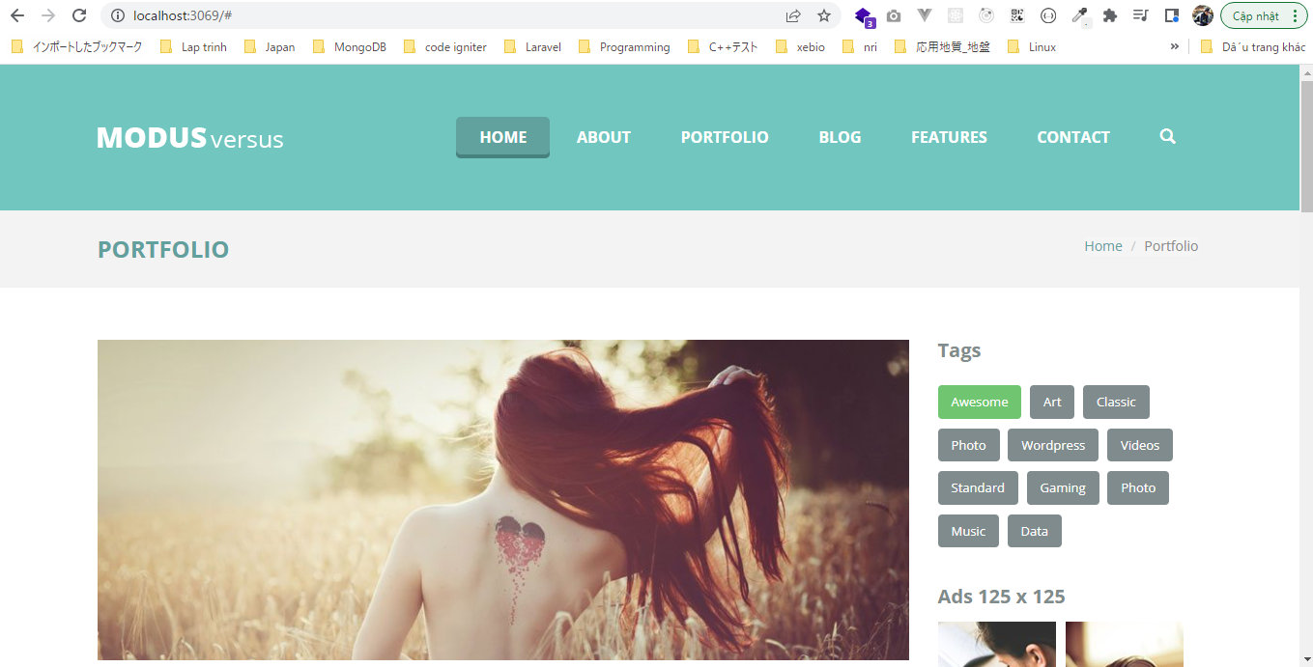

Xem mã nguồn main.min.css
 | http://localhost:3069/css/main.min.css
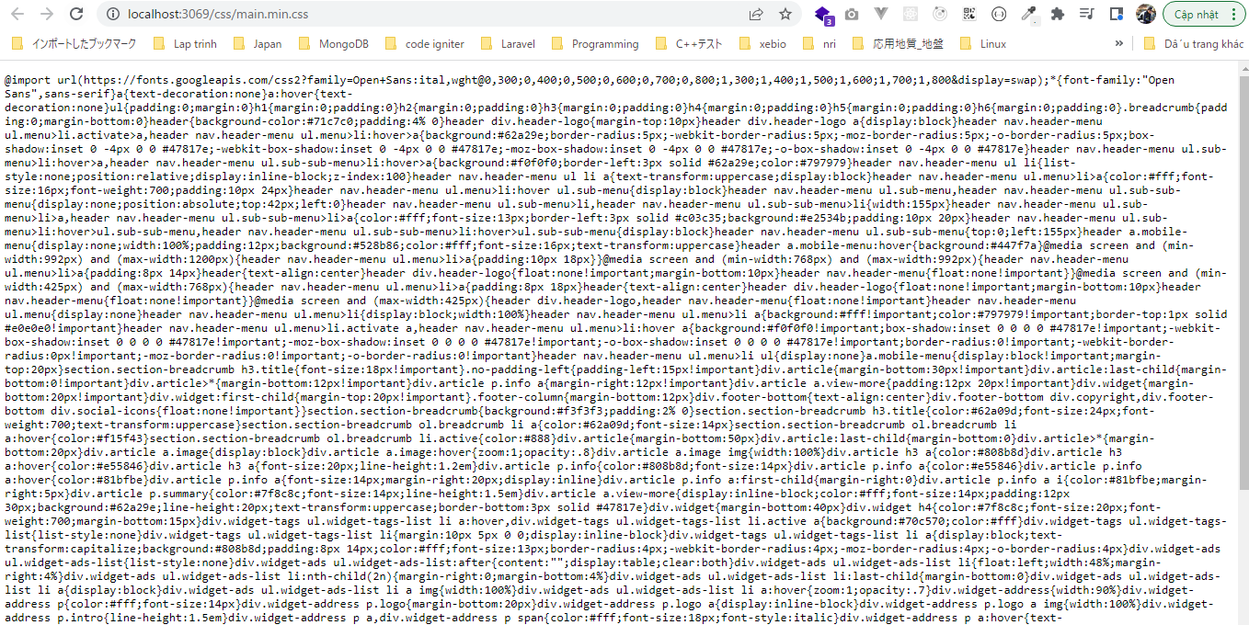

Mã nguồn menu.min.js
 | http://localhost:3069/js/menu.min.js

Minify HTML
grunt-contrib-htmlmin
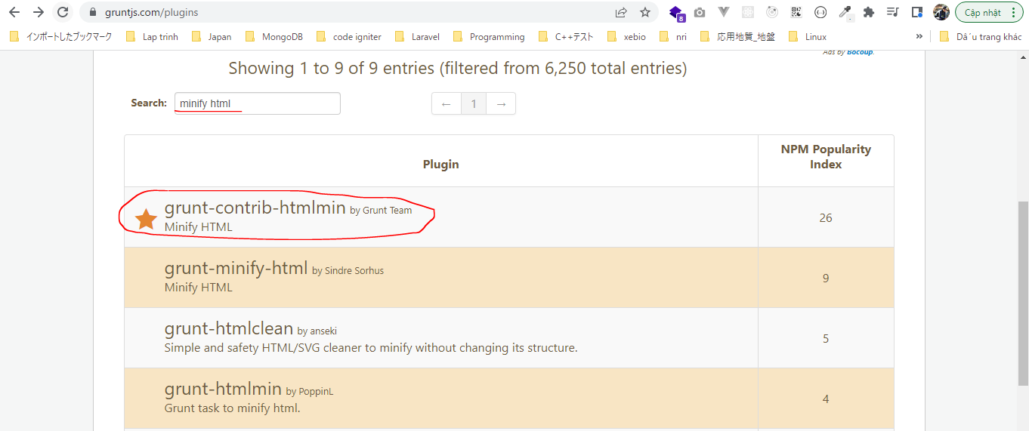

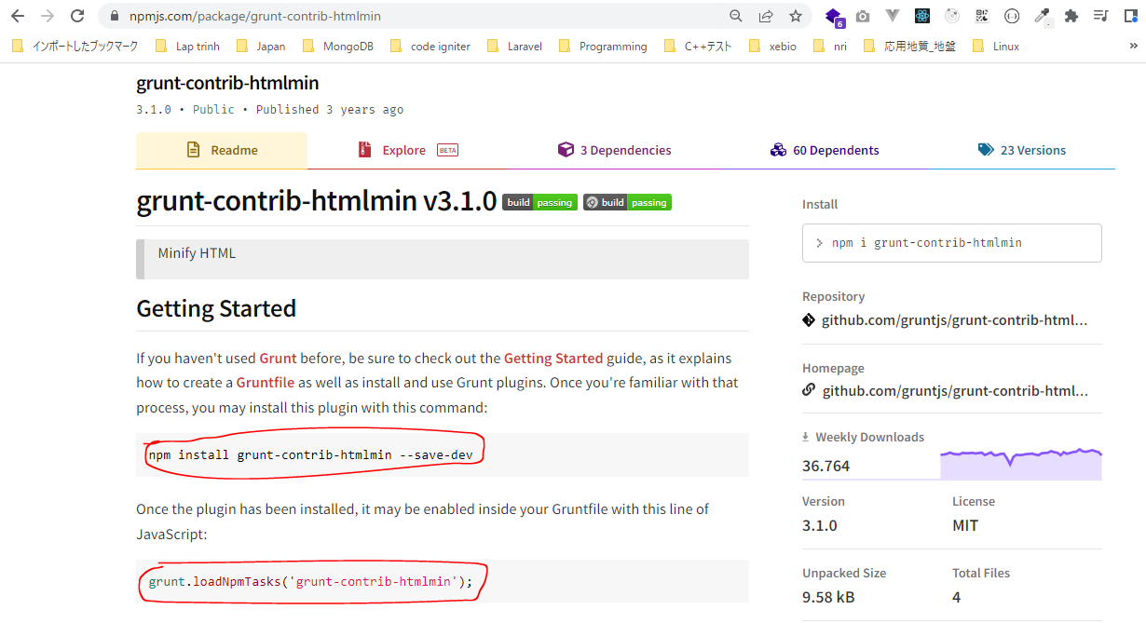

構成
 | sass-gruntjs-bootstrap
 |  | 3.project
 |  |  | development
 |  |  |  | html-elements
 |  |  |  |  | article.html
 |  |  |  |  | breadcrumb.html
 |  |  |  |  | footer.html
 |  |  |  |  | header.html
 |  |  |  |  | widget-address.html
 |  |  |  |  | widget-ads.html
 |  |  |  |  | widget-blog.html
 |  |  |  |  | widget-community.html
 |  |  |  |  | widget-company.html
 |  |  |  |  | widget-tags.html
 |  |  |  | js
 |  |  |  | sass
 |  |  |  |  | devices

 |  |  |  |  |  | _main.scss
 |  |  |  |  |  | _mixin.scss
 |  |  |  |  |  | _size_extra_small.scss
 |  |  |  |  |  | _size_large.scss
 |  |  |  |  |  | _size_medium.scss
 |  |  |  |  |  | _size_mobile.scss
 |  |  |  |  |  | _size_small.scss
 |  |  |  |  | elements
 |  |  |  |  |  | _article.scss
 |  |  |  |  |  | _breadcrumb.scss
 |  |  |  |  |  | _main.scss
 |  |  |  |  | footer
 |  |  |  |  |  | _footer-bottom.scss
 |  |  |  |  |  | _footer-top.scss
 |  |  |  |  |  | _main.scss
 |  |  |  |  | header
 |  |  |  |  |  | _header-logo.scss
 |  |  |  |  |  | _header-menu.scss
 |  |  |  |  |  | _main.scss
 |  |  |  |  | mixins
 |  |  |  |  |  | _main.scss
 |  |  |  |  |  | _mx_libs.scss
 |  |  |  |  |  | _mx_utils.scss
 |  |  |  |  | widgets
 |  |  |  |  |  | _main.scss
 |  |  |  |  |  | _widget-address.scss
 |  |  |  |  |  | _widget-ads.scss
 |  |  |  |  |  | _widget-blog.scss
 |  |  |  |  |  | _widget-list.scss
 |  |  |  |  |  | _widget-tags.scss
 |  |  |  |  | _fonts.scss
 |  |  |  |  | _reset.scss
 |  |  |  |  | _variable.scss
 |  |  |  |  | main.scss
 |  |  |  | index.html
 |  |  | production
 |  |  |  | css
 |  |  |  |  | main.min.css
 |  |  |  | fonts
 |  |  |  | images
 |  |  |  |  | blog_pic1.jpg
 |  |  |  |  | blog_pic2.jpg
 |  |  |  |  | blog-pic1.jpg
 |  |  |  |  | logo.png
 |  |  |  |  | right_arrow.png
 |  |  |  |  | s1.jpg
 |  |  |  |  | s2.jpg
 |  |  |  |  | s3.jpg
 |  |  |  |  | s4.jpg
 |  |  |  |  | s5.jpg
 |  |  |  |  | s6.jpg
 |  |  |  | js
 |  |  |  |  | menu.min.js
 |  |  |  | index.html
 |  |  | Gruntfile.js
 |  |  | package.json

npm install grunt-contrib-htmlmin --save-dev

package.json
 | {
 | "name": "project",
 | "devDependencies": {
 | "grunt": "^1.5.3",
 | "grunt-contrib-connect": "^3.0.0",
 | "grunt-contrib-cssmin": "^4.0.0",
 | "grunt-contrib-htmlmin": "^3.1.0",
 | "grunt-contrib-sass": "^2.0.0",
 | "grunt-contrib-uglify": "^5.2.2",
 | "grunt-contrib-watch": "^1.1.0",
 | "grunt-includes": "^1.1.0"
 | }
 | }

Gruntfile.js
 | module.exports = function(grunt) {

 | // 01 Config
 | grunt.initConfig({
 | pkg: grunt.file.readJSON('package.json'),

 | dirs: {
 | inputSCSS : 'development/sass',
 | inputJS : 'development/js',
 | inputHTMLELements : 'development/html-elements',
 | outputCSS : 'production/css',
 | outputJS : 'production/js',
 | },

 | // CSSMin
 | cssmin: {
 | options: {
 | },
 | target: {
 | files: [{
 | expand: true,
 | cwd: '<%= dirs.outputCSS %>',
 | src: ['main.css'],
 | dest: '<%= dirs.outputCSS %>',
 | ext: '.min.css'
 | }]
 | }
 | },

 | // Uglify
 | uglify: {
 | options: {
 | beautify: false,
 | compress: {
 | drop_console: true
 | }
 | },
 | my_target: {
 | files: {
 | '<%= dirs.outputJS %>/menu.min.js': ['<%= dirs.inputJS %>/menu.js']
 | }
 | }
 | },

 | // SASS
 | sass: {
 | dist: {
 | options: {
 | sourcemap: 'none',
 | style: 'expanded',
 | },
 | files: {
 | '<%= dirs.outputCSS %>/main.css': '<%= dirs.inputSCSS %>/main.scss'
 | }
 | }
 | },

 | // WATCH
 | watch: {
 | scripts: {
 | files: [
 | '<%= dirs.inputSCSS %>/*.scss', // development/sass/*.scss
 | '<%= dirs.inputSCSS %>/*/*.scss', // development/sass/*/*.scss
 | '<%= dirs.inputJS %>/*.js',
 | 'development/index.html',
 | '<%= dirs.inputHTMLELements %>/*.html', // development/html-elements/*.html
 | ],
 | tasks: [
 | 'sass',
 | 'includes'
 | ],
 | options: {
 | spawn: false,
 | livereload: true
 | },
 | },
 | },

 | // CONNECT
 | connect: {
 | server: {
 | options: {
 | hostname: 'localhost',
 | port: 3069,
 | base: 'production/',
 | livereload: true
 | }
 | }
 | },

 | // INCLUDES
 | includes: {
 | files: {
 | src: [
 | 'development/index.html'
 | ], // Source files
 | dest: 'production/', // Destination directory
 | flatten: true,
 | cwd: '.',
 | options: {
 | silent: true,
 | banner: ''
 | }
 | }
 | },

 | // HTML MIN
 | htmlmin: { // Task
 | dist: { // Target
 | options: { // Target options
 | removeComments: false,
 | collapseWhitespace: true
 | },
 | files: { // Dictionary of files
 | 'production/index2.html': 'production/index.html',
 | }
 | }
 | }

 | });

 | // 02 Load plugin
 | grunt.loadNpmTasks('grunt-contrib-cssmin');
 | grunt.loadNpmTasks('grunt-contrib-uglify');
 | grunt.loadNpmTasks('grunt-contrib-sass');
 | grunt.loadNpmTasks('grunt-contrib-watch');
 | grunt.loadNpmTasks('grunt-contrib-connect');
 | grunt.loadNpmTasks('grunt-includes');
 | grunt.loadNpmTasks('grunt-contrib-htmlmin');

 | // 03 Register task
 | grunt.registerTask('default', 'Log some stuff.', function() {
 | grunt.log.write('Logging some stuff...').ok();
 | });

 | // Task Developer
 | grunt.registerTask('dev', [
 | 'includes',
 | 'sass',
 | 'cssmin',
 | 'uglify',
 | 'htmlmin',
 | 'connect',
 | 'watch',
 | ]);

 | // Task Publish Project
 | grunt.registerTask('publish', [
 | 'cssmin',
 | 'uglify',
 | 'htmlmin'
 | ]);
 | };

grunt dev
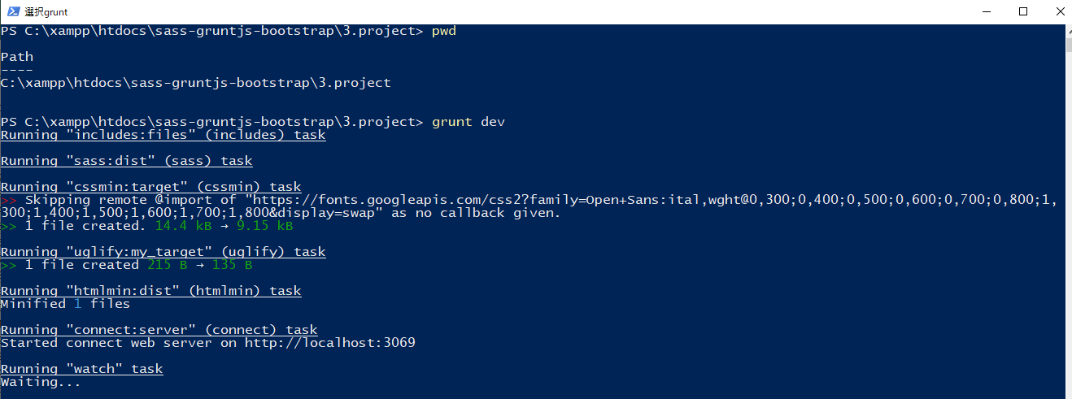

new 構成
 | sass-gruntjs-bootstrap
 |  | 3.project
 |  |  | development
 |  |  |  | html-elements
 |  |  |  |  | article.html
 |  |  |  |  | breadcrumb.html
 |  |  |  |  | footer.html
 |  |  |  |  | header.html
 |  |  |  |  | widget-address.html
 |  |  |  |  | widget-ads.html
 |  |  |  |  | widget-blog.html
 |  |  |  |  | widget-community.html
 |  |  |  |  | widget-company.html
 |  |  |  |  | widget-tags.html
 |  |  |  | js
 |  |  |  | sass
 |  |  |  |  | devices

 |  |  |  |  |  | _main.scss
 |  |  |  |  |  | _mixin.scss
 |  |  |  |  |  | _size_extra_small.scss
 |  |  |  |  |  | _size_large.scss
 |  |  |  |  |  | _size_medium.scss
 |  |  |  |  |  | _size_mobile.scss
 |  |  |  |  |  | _size_small.scss
 |  |  |  |  | elements
 |  |  |  |  |  | _article.scss
 |  |  |  |  |  | _breadcrumb.scss
 |  |  |  |  |  | _main.scss
 |  |  |  |  | footer
 |  |  |  |  |  | _footer-bottom.scss
 |  |  |  |  |  | _footer-top.scss
 |  |  |  |  |  | _main.scss
 |  |  |  |  | header
 |  |  |  |  |  | _header-logo.scss
 |  |  |  |  |  | _header-menu.scss
 |  |  |  |  |  | _main.scss
 |  |  |  |  | mixins
 |  |  |  |  |  | _main.scss
 |  |  |  |  |  | _mx_libs.scss
 |  |  |  |  |  | _mx_utils.scss
 |  |  |  |  | widgets
 |  |  |  |  |  | _main.scss
 |  |  |  |  |  | _widget-address.scss
 |  |  |  |  |  | _widget-ads.scss
 |  |  |  |  |  | _widget-blog.scss
 |  |  |  |  |  | _widget-list.scss
 |  |  |  |  |  | _widget-tags.scss
 |  |  |  |  | _fonts.scss
 |  |  |  |  | _reset.scss
 |  |  |  |  | _variable.scss
 |  |  |  |  | main.scss
 |  |  |  | index.html
 |  |  | production
 |  |  |  | css
 |  |  |  |  | main.min.css
 |  |  |  | fonts
 |  |  |  | images
 |  |  |  |  | blog_pic1.jpg
 |  |  |  |  | blog_pic2.jpg
 |  |  |  |  | blog-pic1.jpg
 |  |  |  |  | logo.png
 |  |  |  |  | right_arrow.png
 |  |  |  |  | s1.jpg
 |  |  |  |  | s2.jpg
 |  |  |  |  | s3.jpg
 |  |  |  |  | s4.jpg
 |  |  |  |  | s5.jpg
 |  |  |  |  | s6.jpg
 |  |  |  | js
 |  |  |  |  | menu.min.js
 |  |  |  | index.html
 |  |  |  | index2.html |  |  | → | new
 |  |  | Gruntfile.js
 |  |  | package.json

Check browser
 | http://localhost:3069/index2.html


 | Xem mã nguồn trang

Fix

構成
 | sass-gruntjs-bootstrap
 |  | 3.project
 |  |  | development
 |  |  |  | html-elements
 |  |  |  |  | article.html
 |  |  |  |  | breadcrumb.html
 |  |  |  |  | footer.html
 |  |  |  |  | header.html
 |  |  |  |  | widget-address.html
 |  |  |  |  | widget-ads.html
 |  |  |  |  | widget-blog.html
 |  |  |  |  | widget-community.html
 |  |  |  |  | widget-company.html
 |  |  |  |  | widget-tags.html
 |  |  |  | js
 |  |  |  | sass
 |  |  |  |  | devices

 |  |  |  |  |  | _main.scss
 |  |  |  |  |  | _mixin.scss
 |  |  |  |  |  | _size_extra_small.scss
 |  |  |  |  |  | _size_large.scss
 |  |  |  |  |  | _size_medium.scss
 |  |  |  |  |  | _size_mobile.scss
 |  |  |  |  |  | _size_small.scss
 |  |  |  |  | elements
 |  |  |  |  |  | _article.scss
 |  |  |  |  |  | _breadcrumb.scss
 |  |  |  |  |  | _main.scss
 |  |  |  |  | footer
 |  |  |  |  |  | _footer-bottom.scss
 |  |  |  |  |  | _footer-top.scss
 |  |  |  |  |  | _main.scss
 |  |  |  |  | header
 |  |  |  |  |  | _header-logo.scss
 |  |  |  |  |  | _header-menu.scss
 |  |  |  |  |  | _main.scss
 |  |  |  |  | mixins
 |  |  |  |  |  | _main.scss
 |  |  |  |  |  | _mx_libs.scss
 |  |  |  |  |  | _mx_utils.scss
 |  |  |  |  | widgets
 |  |  |  |  |  | _main.scss
 |  |  |  |  |  | _widget-address.scss
 |  |  |  |  |  | _widget-ads.scss
 |  |  |  |  |  | _widget-blog.scss
 |  |  |  |  |  | _widget-list.scss
 |  |  |  |  |  | _widget-tags.scss
 |  |  |  |  | _fonts.scss
 |  |  |  |  | _reset.scss
 |  |  |  |  | _variable.scss
 |  |  |  |  | main.scss
 |  |  |  | index.html
 |  |  | production
 |  |  |  | css
 |  |  |  |  | main.min.css
 |  |  |  | fonts
 |  |  |  | images
 |  |  |  |  | blog_pic1.jpg
 |  |  |  |  | blog_pic2.jpg
 |  |  |  |  | blog-pic1.jpg
 |  |  |  |  | logo.png
 |  |  |  |  | right_arrow.png
 |  |  |  |  | s1.jpg
 |  |  |  |  | s2.jpg
 |  |  |  |  | s3.jpg
 |  |  |  |  | s4.jpg
 |  |  |  |  | s5.jpg
 |  |  |  |  | s6.jpg
 |  |  |  | js
 |  |  |  |  | menu.min.js
 |  |  |  | index.html
 |  |  |  | index2.html
 |  |  | Gruntfile.js
 |  |  | package.json

Gruntfile.js
 | module.exports = function(grunt) {

 | // 01 Config
 | grunt.initConfig({
 | pkg: grunt.file.readJSON('package.json'),

 | dirs: {
 | input : 'development', |  |  |  |  |  | → | add
 | inputSCSS : 'development/sass',
 | inputJS : 'development/js',
 | inputHTMLELements : 'development/html-elements',
 | output : 'production', |  |  |  |  |  | → | add
 | outputCSS : 'production/css',
 | outputJS : 'production/js',
 | },

 | // CSSMin
 | cssmin: {
 | options: {
 | },
 | target: {
 | files: [{
 | expand: true,
 | cwd: '<%= dirs.outputCSS %>',
 | src: ['main.css'],
 | dest: '<%= dirs.outputCSS %>',
 | ext: '.min.css'
 | }]
 | }
 | },

 | // Uglify
 | uglify: {
 | options: {
 | beautify: false,
 | compress: {
 | drop_console: true
 | }
 | },
 | my_target: {
 | files: {
 | '<%= dirs.outputJS %>/menu.min.js': ['<%= dirs.inputJS %>/menu.js']
 | }
 | }
 | },

 | // SASS
 | sass: {
 | dist: {
 | options: {
 | sourcemap: 'none',
 | style: 'expanded',
 | },
 | files: {
 | '<%= dirs.outputCSS %>/main.css': '<%= dirs.inputSCSS %>/main.scss'
 | }
 | }
 | },

 | // WATCH
 | watch: {
 | scripts: {
 | files: [
 | '<%= dirs.inputSCSS %>/*.scss', // development/sass/*.scss
 | '<%= dirs.inputSCSS %>/*/*.scss', // development/sass/*/*.scss
 | '<%= dirs.inputJS %>/*.js',
 | '<%= dirs.input %>/index.html', |  |  |  |  |  | → | edit
 | '<%= dirs.inputHTMLELements %>/*.html', // development/html-elements/*.html
 | ],
 | tasks: [
 | 'sass',
 | 'includes',
 | 'uglify' |  |  |  |  |  | → | add
 | ],
 | options: {
 | spawn: false,
 | livereload: true
 | },
 | },
 | },

 | // CONNECT
 | connect: {
 | server: {
 | options: {
 | hostname: 'localhost',
 | port: 3069,
 | base: '<%= dirs.output %>/', |  |  |  |  |  | → | edit
 | livereload: true
 | }
 | }
 | },

 | // INCLUDES
 | includes: {
 | files: {
 | src: [
 | '<%= dirs.input %>/index.html' |  |  |  |  |  | → | edit
 | ], // Source files
 | dest: '<%= dirs.output %>/', // Destination directory |  |  |  |  |  | → | edit
 | flatten: true,
 | cwd: '.',
 | options: {
 | silent: true,
 | banner: ''
 | }
 | }
 | },

 | // HTML MIN
 | htmlmin: { // Task
 | dist: { // Target
 | options: { // Target options
 | removeComments: false,
 | collapseWhitespace: true
 | },
 | files: { // Dictionary of files
 | '<%= dirs.output %>/index2.html': '<%= dirs.output %>/index.html', |  |  |  |  |  | → | edit
 | }
 | }
 | }

 | });

 | // 02 Load plugin
 | grunt.loadNpmTasks('grunt-contrib-cssmin');
 | grunt.loadNpmTasks('grunt-contrib-uglify');
 | grunt.loadNpmTasks('grunt-contrib-sass');
 | grunt.loadNpmTasks('grunt-contrib-watch');
 | grunt.loadNpmTasks('grunt-contrib-connect');
 | grunt.loadNpmTasks('grunt-includes');
 | grunt.loadNpmTasks('grunt-contrib-htmlmin');

 | // 03 Register task
 | grunt.registerTask('default', 'Log some stuff.', function() {
 | grunt.log.write('Logging some stuff...').ok();
 | });

 | // Task Developer
 | grunt.registerTask('dev', [
 | 'includes',
 | 'sass',
 | 'cssmin',
 | 'uglify',
 | 'htmlmin',
 | 'connect',
 | 'watch',
 | ]);

 | // Task Publish Project
 | grunt.registerTask('publish', [
 | 'cssmin',
 | 'uglify',
 | 'htmlmin'
 | ]);
 | };

grunt dev
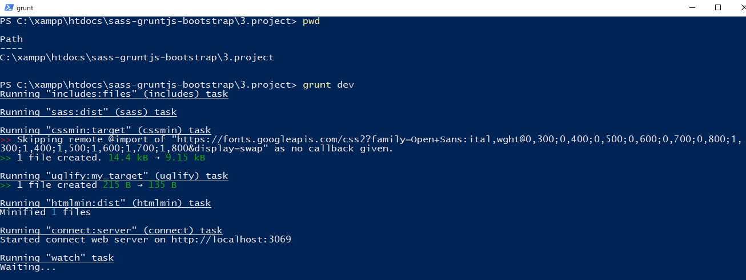

Check browser

